prop.occupation
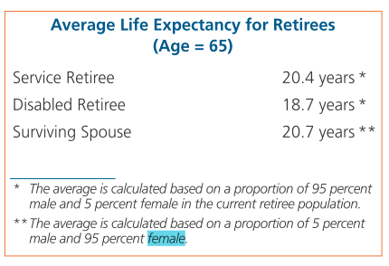
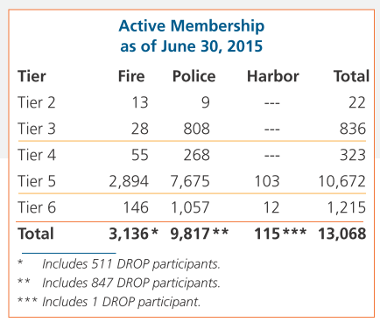
TOC
startcell | B6
endcell | F12

 | tier | n.fire | n.plc | n.harbor | year
 | t1 | 1 | 1 | 0 | 2015
 | t2 | 13 | 9 | 0 | 2015
 | t3 | 28 | 808 | 0 | 2015
 | t4 | 55 | 268 | 0 | 2015
 | t5 | 2894 | 7675 | 103 | 2015
 | t6 | 146 | 1057 | 12 | 2015

Actives_t2
TOC
startcell | B7
endcell | M30

Age |  |  |  | 0-4 | 5-9 | 10-14 | 15-19 | 20-24 | 25-29 | 30-34 | 35-39 | 40 & over | Total
 | type | age.cell | agegrp | 2 | 7 | 12 | 17 | 22 | 27 | 32 | 37 | 42
 | yosgrp |  |  | 0-4 | 5-9 | 10-14 | 15-19 | 20-24 | 25-29 | 30-34 | 35-39 | 40-44
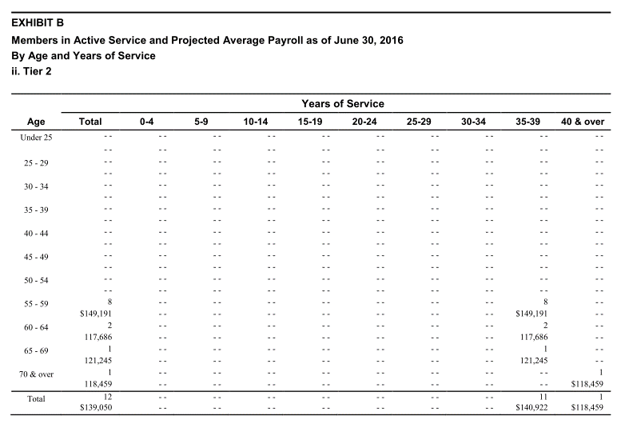
Under 25 | nactives | 22 | 20-24
 | salary | 22 | 20-24
25 - 29 | nactives | 27 | 25-29
 | salary | 27 | 25-29
30 - 34 | nactives | 32 | 30-34
 | salary | 32 | 30-34
35 - 39 | nactives | 37 | 35-39
 | salary | 37 | 35-39
40 - 44 | nactives | 42 | 40-44
 | salary | 42 | 40-44
45 - 49 | nactives | 47 | 45-49
 | salary | 47 | 45-49
50 - 54 | nactives | 52 | 50-54
 | salary | 52 | 50-54
55 - 59 | nactives | 57 | 55-59 |  |  |  |  |  |  |  | 8
 | salary | 57 | 55-59 |  |  |  |  |  |  |  | 149191
60 - 64 | nactives | 62 | 60-64 |  |  |  |  |  |  |  | 2
 | salary | 62 | 60-64 |  |  |  |  |  |  |  | 117686
65 - 69 | nactives | 67 | 65-69 |  |  |  |  |  |  |  | 1
 | salary | 67 | 65-69 |  |  |  |  |  |  |  | 121245
70 & over | nactives | 72 | 70-74 |  |  |  |  |  |  |  |  | 1
 | salary | 72 | 70-74 |  |  |  |  |  |  |  |  | 118459
Total

Actives_t3
TOC
startcell | B7
endcell | M30

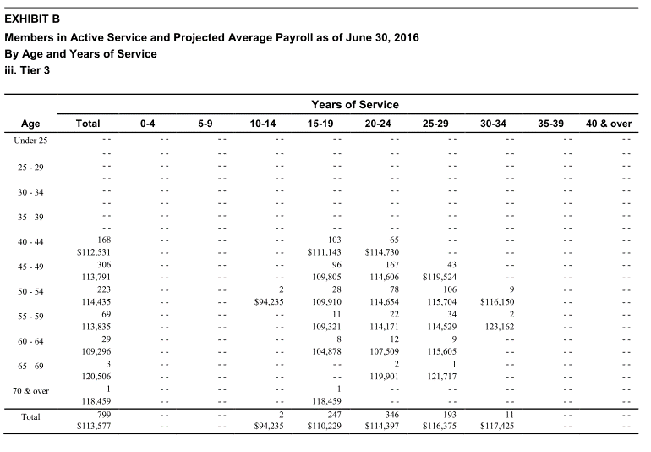
Age |  |  |  | 0-4 | 5-9 | 10-14 | 15-19 | 20-24 | 25-29 | 30-34 | 35-39 | 40 & over | Total
 | type | age.cell | agegrp | 2 | 7 | 12 | 17 | 22 | 27 | 32 | 37 | 42
 | yosgrp |  |  | 0-4 | 5-9 | 10-14 | 15-19 | 20-24 | 25-29 | 30-34 | 35-39 | 40-44
Under 25 | nactives | 22 | 20-24
 | salary | 22 | 20-24
25 - 29 | nactives | 27 | 25-29
 | salary | 27 | 25-29
30 - 34 | nactives | 32 | 30-34
 | salary | 32 | 30-34
35 - 39 | nactives | 37 | 35-39
 | salary | 37 | 35-39
40 - 44 | nactives | 42 | 40-44 |  |  |  | 103 | 65
 | salary | 42 | 40-44 |  |  |  | 111143 | 114730
45 - 49 | nactives | 47 | 45-49 |  |  |  | 96 | 167 | 43
 | salary | 47 | 45-49 |  |  |  | 109805 | 114606 | 119524
50 - 54 | nactives | 52 | 50-54 |  |  | 2 | 28 | 78 | 106 | 9
 | salary | 52 | 50-54 |  |  | 94235 | 109910 | 114654 | 115704 | 116150
55 - 59 | nactives | 57 | 55-59 |  |  |  | 11 | 22 | 34 | 2
 | salary | 57 | 55-59 |  |  |  | 109321 | 114171 | 114529 | 123162
60 - 64 | nactives | 62 | 60-64 |  |  |  | 8 | 12 | 9
 | salary | 62 | 60-64 |  |  |  | 104878 | 107509 | 115605
65 - 69 | nactives | 67 | 65-69 |  |  |  |  | 2 | 1
 | salary | 67 | 65-69 |  |  |  |  | 119901 | 121717
70 & over | nactives | 72 | 70-74 |  |  |  | 1
 | salary | 72 | 70-74 |  |  |  | 118459
Total

Actives_t4
TOC
startcell | B7
endcell | M30

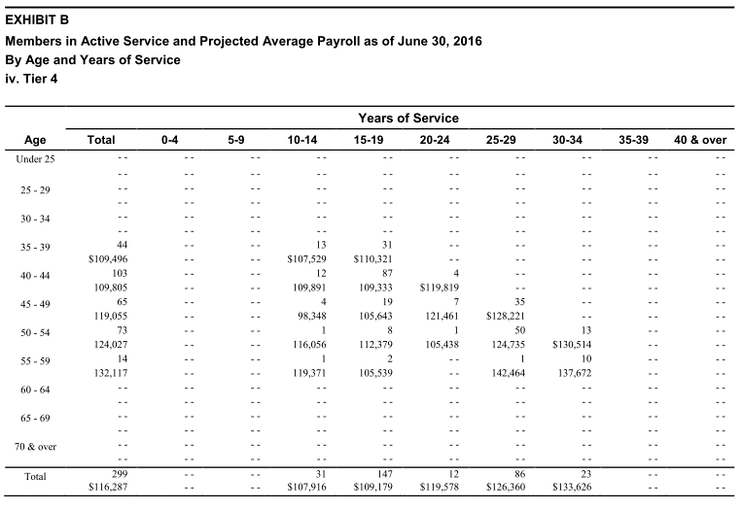
Age |  |  |  | 0-4 | 5-9 | 10-14 | 15-19 | 20-24 | 25-29 | 30-34 | 35-39 | 40 & over | Total
 | type | age.cell | agegrp | 2 | 7 | 12 | 17 | 22 | 27 | 32 | 37 | 42
 | yosgrp |  |  | 0-4 | 5-9 | 10-14 | 15-19 | 20-24 | 25-29 | 30-34 | 35-39 | 40-44
Under 25 | nactives | 22 | 20-24
 | salary | 22 | 20-24
25 - 29 | nactives | 27 | 25-29
 | salary | 27 | 25-29
30 - 34 | nactives | 32 | 30-34
 | salary | 32 | 30-34
35 - 39 | nactives | 37 | 35-39 |  |  | 13 | 31
 | salary | 37 | 35-39 |  |  | 107529 | 110321
40 - 44 | nactives | 42 | 40-44 |  |  | 12 | 87 | 4
 | salary | 42 | 40-44 |  |  | 109891 | 109333 | 119819
45 - 49 | nactives | 47 | 45-49 |  |  | 4 | 19 | 7 | 35
 | salary | 47 | 45-49 |  |  | 98348 | 105643 | 121461 | 128221
50 - 54 | nactives | 52 | 50-54 |  |  | 1 | 8 | 1 | 50 | 13
 | salary | 52 | 50-54 |  |  | 116056 | 112379 | 105438 | 124735 | 130514
55 - 59 | nactives | 57 | 55-59 |  |  | 1 | 2 |  | 1 | 10
 | salary | 57 | 55-59 |  |  | 119371 | 105539 |  | 142464 | 137672
60 - 64 | nactives | 62 | 60-64
 | salary | 62 | 60-64
65 - 69 | nactives | 67 | 65-69
 | salary | 67 | 65-69
70 & over | nactives | 72 | 70-74
 | salary | 72 | 70-74
Total

Actives_t5_noHPP
TOC
startcell | B7
endcell | M30

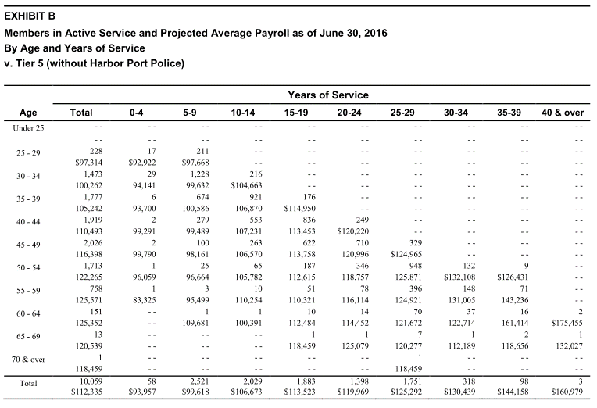
Age |  |  |  | 0-4 | 5-9 | 10-14 | 15-19 | 20-24 | 25-29 | 30-34 | 35-39 | 40 & over | Total
 | type | age.cell | agegrp | 2 | 7 | 12 | 17 | 22 | 27 | 32 | 37 | 42
 | yosgrp |  |  | 0-4 | 5-9 | 10-14 | 15-19 | 20-24 | 25-29 | 30-34 | 35-39 | 40-44
Under 25 | nactives | 22 | 20-24
 | salary | 22 | 20-24
25 - 29 | nactives | 27 | 25-29 | 17 | 211
 | salary | 27 | 25-29 | 92922 | 97668
30 - 34 | nactives | 32 | 30-34 | 29 | 1228 | 216
 | salary | 32 | 30-34 | 94141 | 99632 | 104663
35 - 39 | nactives | 37 | 35-39 | 6 | 674 | 921 | 176
 | salary | 37 | 35-39 | 93700 | 100586 | 106870 | 114950
40 - 44 | nactives | 42 | 40-44 | 2 | 279 | 553 | 836 | 249
 | salary | 42 | 40-44 | 99291 | 99489 | 107231 | 113453 | 120220
45 - 49 | nactives | 47 | 45-49 | 2 | 100 | 263 | 622 | 710 | 329
 | salary | 47 | 45-49 | 99790 | 98161 | 106570 | 113758 | 120996 | 124965
50 - 54 | nactives | 52 | 50-54 | 1 | 25 | 65 | 187 | 346 | 948 | 132 | 9
 | salary | 52 | 50-54 | 96059 | 96664 | 105782 | 112615 | 118757 | 125871 | 132108 | 126431
55 - 59 | nactives | 57 | 55-59 | 1 | 3 | 10 | 51 | 78 | 396 | 148 | 71
 | salary | 57 | 55-59 | 83325 | 95499 | 110254 | 110321 | 116114 | 124921 | 131005 | 143236
60 - 64 | nactives | 62 | 60-64 |  | 1 | 1 | 10 | 14 | 70 | 37 | 16 | 2
 | salary | 62 | 60-64 |  | 109681 | 100391 | 112484 | 114452 | 121672 | 122714 | 161414 | 175455
65 - 69 | nactives | 67 | 65-69 |  |  |  | 1 | 1 | 7 | 1 | 2 | 1
 | salary | 67 | 65-69 |  |  |  | 118459 | 125079 | 120277 | 112189 | 118656 | 132027
70 & over | nactives | 72 | 70-74
 | salary | 72 | 70-74
Total

Actives_t6_noHPP
TOC
startcell | B7
endcell | M30

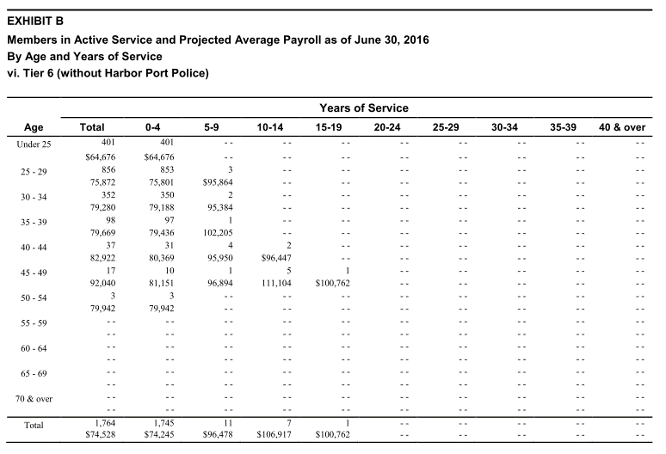
Age |  |  |  | 0-4 | 5-9 | 10-14 | 15-19 | 20-24 | 25-29 | 30-34 | 35-39 | 40 & over | Total
 | type | age.cell | agegrp | 2 | 7 | 12 | 17 | 22 | 27 | 32 | 37 | 42
 | yosgrp |  |  | 0-4 | 5-9 | 10-14 | 15-19 | 20-24 | 25-29 | 30-34 | 35-39 | 40-44
Under 25 | nactives | 22 | 20-24 | 401
 | salary | 22 | 20-24 | 64676
25 - 29 | nactives | 27 | 25-29 | 853 | 3
 | salary | 27 | 25-29 | 75801 | 95864
30 - 34 | nactives | 32 | 30-34 | 350 | 2
 | salary | 32 | 30-34 | 79188 | 95384
35 - 39 | nactives | 37 | 35-39 | 97 | 1
 | salary | 37 | 35-39 | 79436 | 102205
40 - 44 | nactives | 42 | 40-44 | 31 | 4 | 2
 | salary | 42 | 40-44 | 80369 | 95950 | 96447
45 - 49 | nactives | 47 | 45-49 | 10 | 1 | 5 | 1
 | salary | 47 | 45-49 | 81151 | 96894 | 111104 | 100762
50 - 54 | nactives | 52 | 50-54 | 3
 | salary | 52 | 50-54 | 79942
55 - 59 | nactives | 57 | 55-59
 | salary | 57 | 55-59
60 - 64 | nactives | 62 | 60-64
 | salary | 62 | 60-64
65 - 69 | nactives | 67 | 65-69
 | salary | 67 | 65-69
70 & over | nactives | 72 | 70-74
 | salary | 72 | 70-74
Total

Actives_t5_HPP
TOC
startcell | B7
endcell | M30

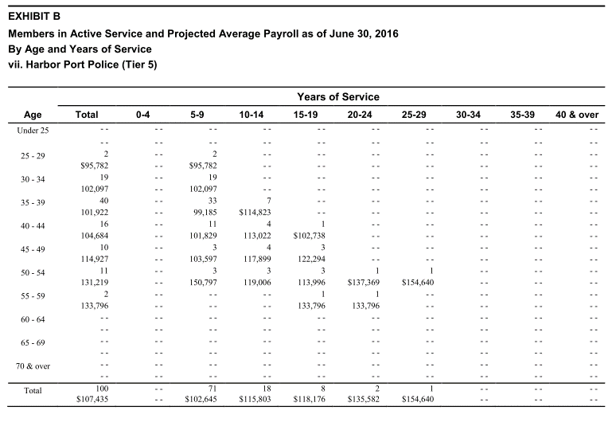
Age |  |  |  | 0-4 | 5-9 | 10-14 | 15-19 | 20-24 | 25-29 | 30-34 | 35-39 | 40 & over | Total
 | type | age.cell | agegrp | 2 | 7 | 12 | 17 | 22 | 27 | 32 | 37 | 42
 | yosgrp |  |  | 0-4 | 5-9 | 10-14 | 15-19 | 20-24 | 25-29 | 30-34 | 35-39 | 40-44
Under 25 | nactives | 22 | 20-24
 | salary | 22 | 20-24
25 - 29 | nactives | 27 | 25-29 |  | 2
 | salary | 27 | 25-29 |  | 95782
30 - 34 | nactives | 32 | 30-34 |  | 19
 | salary | 32 | 30-34 |  | 102097
35 - 39 | nactives | 37 | 35-39 |  | 33 | 7
 | salary | 37 | 35-39 |  | 99185 | 114823
40 - 44 | nactives | 42 | 40-44 |  | 11 | 4 | 1
 | salary | 42 | 40-44 |  | 101829 | 113022 | 102738
45 - 49 | nactives | 47 | 45-49 |  | 3 | 4 | 3
 | salary | 47 | 45-49 |  | 103597 | 117899 | 122294
50 - 54 | nactives | 52 | 50-54 |  | 3 | 3 | 3 | 1 | 1
 | salary | 52 | 50-54 |  | 150797 | 119006 | 113996 | 137369 | 154640
55 - 59 | nactives | 57 | 55-59 |  |  |  | 1 | 1
 | salary | 57 | 55-59 |  |  |  | 133796 | 133796
60 - 64 | nactives | 62 | 60-64
 | salary | 62 | 60-64
65 - 69 | nactives | 67 | 65-69
 | salary | 67 | 65-69
70 & over | nactives | 72 | 70-74
 | salary | 72 | 70-74
Total

Actives_t6_HPP
TOC
startcell | B7
endcell | M30

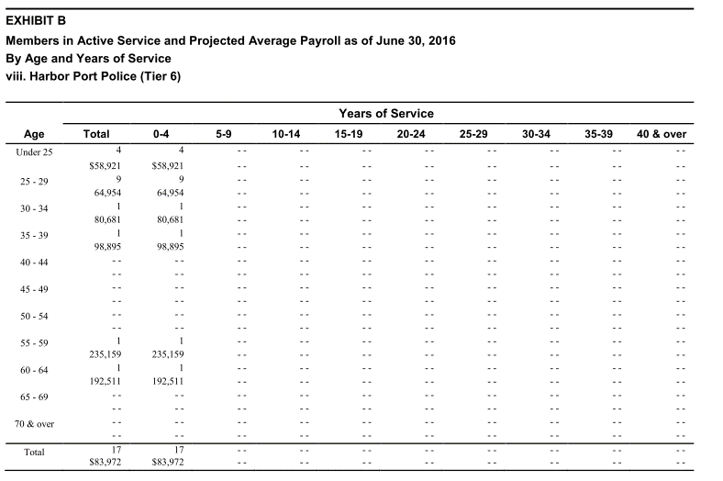
Age |  |  |  | 0-4 | 5-9 | 10-14 | 15-19 | 20-24 | 25-29 | 30-34 | 35-39 | 40 & over | Total
 | type | age.cell | agegrp | 2 | 7 | 12 | 17 | 22 | 27 | 32 | 37 | 42
 | yosgrp |  |  | 0-4 | 5-9 | 10-14 | 15-19 | 20-24 | 25-29 | 30-34 | 35-39 | 40-44
Under 25 | nactives | 22 | 20-24 | 4
 | salary | 22 | 20-24 | 58921
25 - 29 | nactives | 27 | 25-29 | 9
 | salary | 27 | 25-29 | 64954
30 - 34 | nactives | 32 | 30-34 | 1
 | salary | 32 | 30-34 | 80681
35 - 39 | nactives | 37 | 35-39 | 1
 | salary | 37 | 35-39 | 98895
40 - 44 | nactives | 42 | 40-44
 | salary | 42 | 40-44
45 - 49 | nactives | 47 | 45-49
 | salary | 47 | 45-49
50 - 54 | nactives | 52 | 50-54
 | salary | 52 | 50-54
55 - 59 | nactives | 57 | 55-59 | 1
 | salary | 57 | 55-59 | 235159
60 - 64 | nactives | 62 | 60-64 | 1
 | salary | 62 | 60-64 | 192511
65 - 69 | nactives | 67 | 65-69
 | salary | 67 | 65-69
70 & over | nactives | 72 | 70-74
 | salary | 72 | 70-74
Total

Other_t1
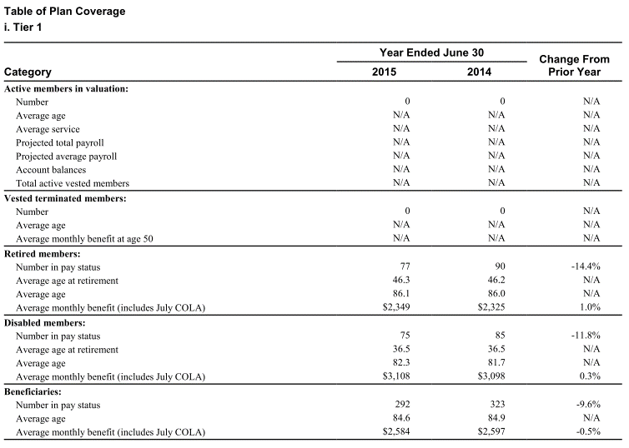
TOC
startcell | C6
endcell | D20

 |  | variable | value
Vested terminated members: | Number | terms.n.tot | 0.0
 | Average age | terms.avg.age | N/A
 | Average monthly benefit at age 50 | terms.ben50.mon | N/A
Retired members: | Number in pay status | retirees.n.tot | 77.0
 | Average age at retirement | retirees.avg.retage | 46.3
 | Average age | retirees.avg.age | 86.1
 | Average monthly benefit (includes July COLA) | retirees.ben.mon | 2349.0
Disabled members: | Number in pay status | disb.n.tot | 75.0
 | Average age at retirement | disb.avg.retage | 36.5
 | Average age | disb.avg.age | 82.3
 | Average monthly benefit (includes July COLA) | disb.ben.mon | 3108.0
Beneficiaries: | Number in pay status | beneficiaries.n.tot | 292.0
 | Average age | beneficiaries.avg.age | 84.6
 | Average monthly benefit (includes July COLA) | beneficiaries.ben.mon | 2584.0

Other_t2
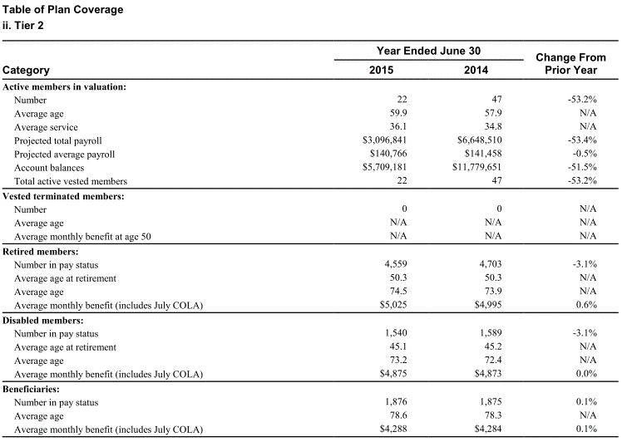
TOC
startcell | C6
endcell | D20

 |  | variable | value
Vested terminated members: | Number | terms.n.tot | 0.0
 | Average age | terms.avg.age | N/A
 | Average monthly benefit at age 50 | terms.ben50.mon | N/A
Retired members: | Number in pay status | retirees.n.tot | 4559.0
 | Average age at retirement | retirees.avg.retage | 50.3
 | Average age | retirees.avg.age | 74.5
 | Average monthly benefit (includes July COLA) | retirees.ben.mon | 5025.0
Disabled members: | Number in pay status | disb.n.tot | 1540.0
 | Average age at retirement | disb.avg.retage | 45.1
 | Average age | disb.avg.age | 73.2
 | Average monthly benefit (includes July COLA) | disb.ben.mon | 4875.0
Beneficiaries: | Number in pay status | beneficiaries.n.tot | 1876.0
 | Average age | beneficiaries.avg.age | 78.6
 | Average monthly benefit (includes July COLA) | beneficiaries.ben.mon | 4288.0

Other_t3
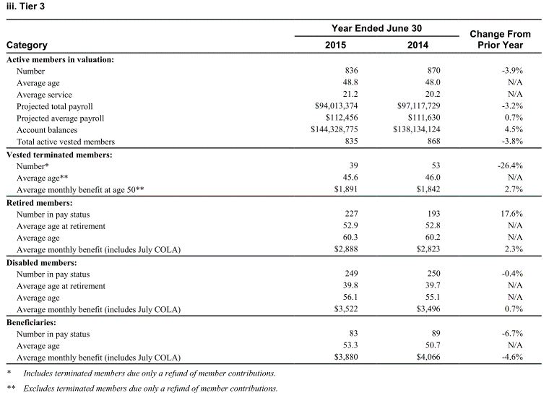
TOC
startcell | C6
endcell | D20

 |  | variable | value
Vested terminated members: | Number | terms.n.tot | 39.00
 | Average age | terms.avg.age | 45.60
 | Average monthly benefit at age 50 | terms.ben50.mon | 1891.00
Retired members: | Number in pay status | retirees.n.tot | 227.00
 | Average age at retirement | retirees.avg.retage | 52.90
 | Average age | retirees.avg.age | 60.30
 | Average monthly benefit (includes July COLA) | retirees.ben.mon | 2888.00
Disabled members: | Number in pay status | disb.n.tot | 249.00
 | Average age at retirement | disb.avg.retage | 39.80
 | Average age | disb.avg.age | 56.10
 | Average monthly benefit (includes July COLA) | disb.ben.mon | 3522.00
Beneficiaries: | Number in pay status | beneficiaries.n.tot | 83.00
 | Average age | beneficiaries.avg.age | 53.30
 | Average monthly benefit (includes July COLA) | beneficiaries.ben.mon | 3880.00

Other_t4
TOC
startcell | C6
endcell | D20

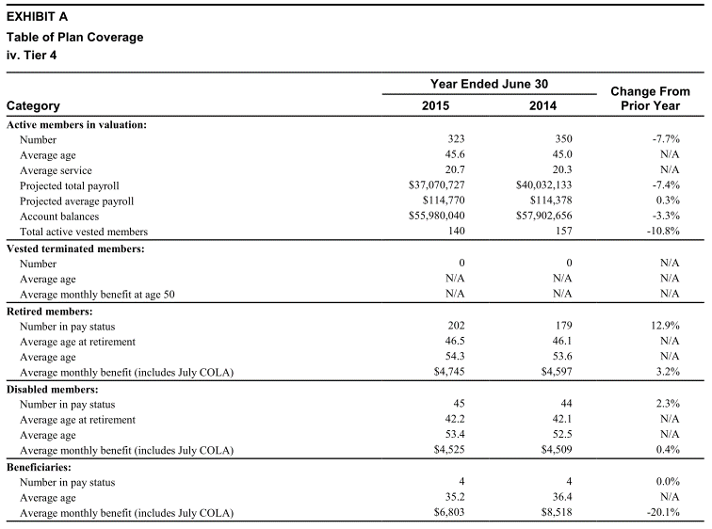
 |  | variable | value
Vested terminated members: | Number | terms.n.tot | 0.00
 | Average age | terms.avg.age | N/A
 | Average monthly benefit at age 50 | terms.ben50.mon | N/A
Retired members: | Number in pay status | retirees.n.tot | 202.00
 | Average age at retirement | retirees.avg.retage | 46.50
 | Average age | retirees.avg.age | 54.30
 | Average monthly benefit (includes July COLA) | retirees.ben.mon | 4745.00
Disabled members: | Number in pay status | disb.n.tot | 45.00
 | Average age at retirement | disb.avg.retage | 42.20
 | Average age | disb.avg.age | 53.40
 | Average monthly benefit (includes July COLA) | disb.ben.mon | 4525.00
Beneficiaries: | Number in pay status | beneficiaries.n.tot | 4.00
 | Average age | beneficiaries.avg.age | 35.20
 | Average monthly benefit (includes July COLA) | beneficiaries.ben.mon | 6803.00

Other_t5_noHPP
TOC
startcell | C6
endcell | D20

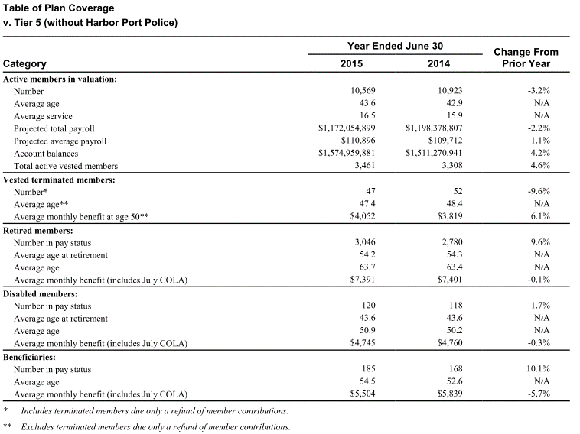
 |  | variable | value
Vested terminated members: | Number | terms.n.tot | 47.00
 | Average age | terms.avg.age | 47.40
 | Average monthly benefit at age 50 | terms.ben50.mon | 4052.00
Retired members: | Number in pay status | retirees.n.tot | 3046.00
 | Average age at retirement | retirees.avg.retage | 54.20
 | Average age | retirees.avg.age | 63.70
 | Average monthly benefit (includes July COLA) | retirees.ben.mon | 7391.00
Disabled members: | Number in pay status | disb.n.tot | 120.00
 | Average age at retirement | disb.avg.retage | 43.60
 | Average age | disb.avg.age | 50.90
 | Average monthly benefit (includes July COLA) | disb.ben.mon | 4745.00
Beneficiaries: | Number in pay status | beneficiaries.n.tot | 185.00
 | Average age | beneficiaries.avg.age | 54.50
 | Average monthly benefit (includes July COLA) | beneficiaries.ben.mon | 5504.00

Other_t6_noHPP
TOC
startcell | C6
endcell | D20


 |  | variable | value
Vested terminated members: | Number | terms.n.tot | 26.00
 | Average age | terms.avg.age | N/A
 | Average monthly benefit at age 50 | terms.ben50.mon | N/A
Retired members: | Number in pay status | retirees.n.tot | 0.00
 | Average age at retirement | retirees.avg.retage | N/A
 | Average age | retirees.avg.age | N/A
 | Average monthly benefit (includes July COLA) | retirees.ben.mon | N/A
Disabled members: | Number in pay status | disb.n.tot | 0.00
 | Average age at retirement | disb.avg.retage | N/A
 | Average age | disb.avg.age | N/A
 | Average monthly benefit (includes July COLA) | disb.ben.mon | N/A
Beneficiaries: | Number in pay status | beneficiaries.n.tot | 0.00
 | Average age | beneficiaries.avg.age | N/A
 | Average monthly benefit (includes July COLA) | beneficiaries.ben.mon | N/A

Other_t5_HPP
TOC
startcell | C6
endcell | D20

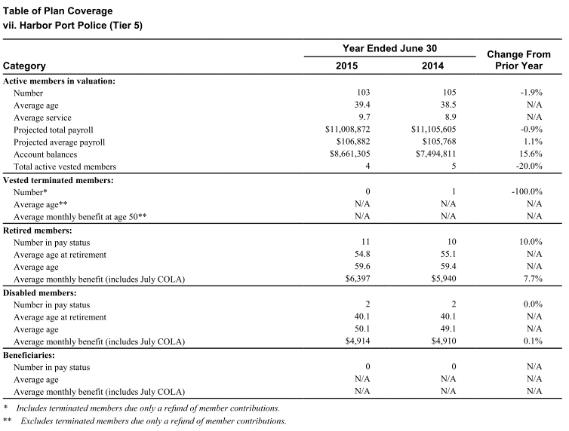
 |  | variable | value
Vested terminated members: | Number | terms.n.tot | 0.00
 | Average age | terms.avg.age | N/A
 | Average monthly benefit at age 50 | terms.ben50.mon | N/A
Retired members: | Number in pay status | retirees.n.tot | 11.00
 | Average age at retirement | retirees.avg.retage | 54.80
 | Average age | retirees.avg.age | 59.60
 | Average monthly benefit (includes July COLA) | retirees.ben.mon | 6397.00
Disabled members: | Number in pay status | disb.n.tot | 2.00
 | Average age at retirement | disb.avg.retage | 40.10
 | Average age | disb.avg.age | 50.10
 | Average monthly benefit (includes July COLA) | disb.ben.mon | 4914.00
Beneficiaries: | Number in pay status | beneficiaries.n.tot | 0.00
 | Average age | beneficiaries.avg.age | N/A
 | Average monthly benefit (includes July COLA) | beneficiaries.ben.mon | N/A

Other_t6_HPP
TOC
startcell | C6
endcell | D20

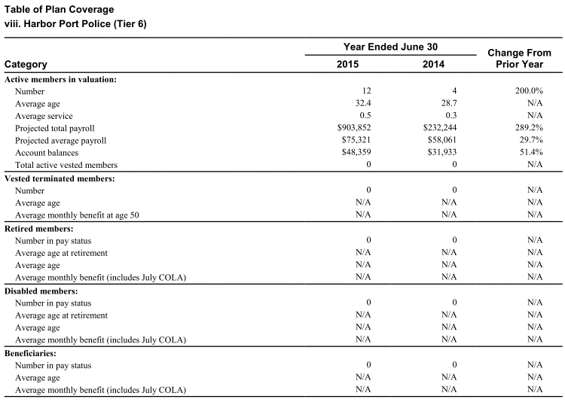
 |  | variable | value
Vested terminated members: | Number | terms.n.tot | 0.00
 | Average age | terms.avg.age | N/A
 | Average monthly benefit at age 50 | terms.ben50.mon | N/A
Retired members: | Number in pay status | retirees.n.tot | 0.00
 | Average age at retirement | retirees.avg.retage | N/A
 | Average age | retirees.avg.age | N/A
 | Average monthly benefit (includes July COLA) | retirees.ben.mon | N/A
Disabled members: | Number in pay status | disb.n.tot | 0.00
 | Average age at retirement | disb.avg.retage | N/A
 | Average age | disb.avg.age | N/A
 | Average monthly benefit (includes July COLA) | disb.ben.mon | N/A
Beneficiaries: | Number in pay status | beneficiaries.n.tot | 0.00
 | Average age | beneficiaries.avg.age | N/A
 | Average monthly benefit (includes July COLA) | beneficiaries.ben.mon | N/A

