Overview
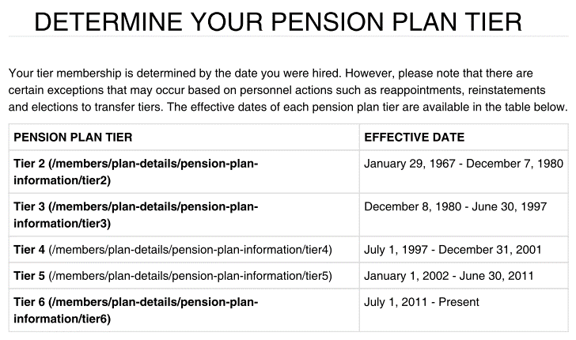
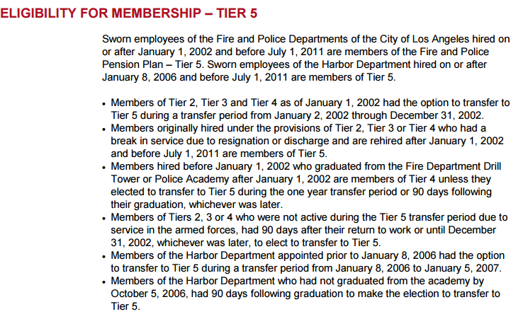
Tier Info | Summary Plan Description\Determine Your Pension Plan Tier _ Los Angeles Fire and Police Pensions.pdf

FundingPolicy
TOC

 |  | Notes
Employer Contribution
Method | EAN
Asset smoothing | 1. Smoothing Period: 7 years 2. AVA is adjusted to be within 40% of MVA: - 60% ~ 140% of MVA? - how to adjust? Simply make AVA = 60%*MVA or 140%*MVA when AVA is out of the range? 3. Need to find historical investment losses and gains.
Amortization | General Amort method: - gains/losses: 20-year, level pct, closed - plan amendments: 15-year, level pct, closed - plan assumption changes: 25-year, level pct, closed Tier specific methods: - Tier1: UAAL amortized using level dollar method ending on Jun 30, 2037 - Tiers 2,3,4: payroll basis: total valuation payroll from the respective employer(i.e. the City or Harbor Port Police) - Tier 5, 6: payroll basis: combined payroll for these tiers from the respective employer (i.e. the City or Harbor Port Police) Questions: - Only UAAL is mentioned in tier specific policies, how about surplus? - definitions of "total valuation payroll", "combined payroll for these tiers(5,6)"? | 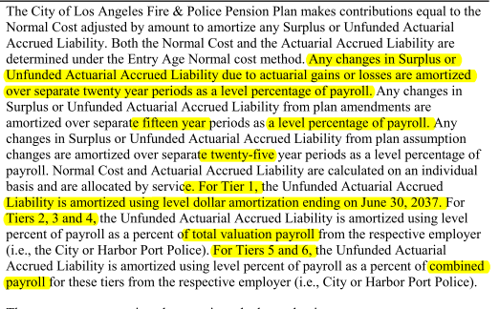
Employee Contribution | Tier 1: - Normal contribution rate 6% - exempt if yos > 30 Tier 2: - Normal contribution rate 6% - plus half of the COLA benefit to a max of 1% (How to calculate?) - exempt if yos > 30 Tier 3 and 4 - Normal contribution rate 8% - exempt if yos > 30 Tier 5 - Normal contribuiton rate 9% - City of LA paying 1% of the 9% if LAFPP is at least 100% funded (do not need to model) - exempt if yos>=33 Tier 6 - Normal contribuiton rate 11% - 9% if yos>=25 (plus 2% of the 11% to support health benefit, exempt if yos > 25) - exempt if yos >= 33 (See CAFR 2015 p124) | 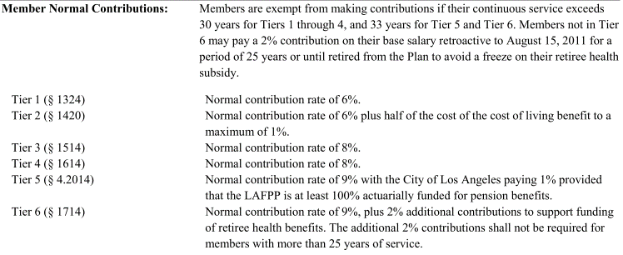
External fund

Assumptions
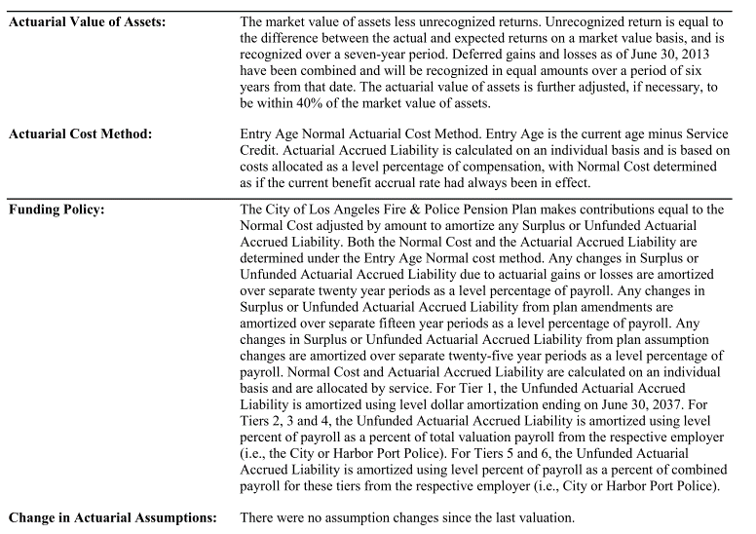
TOC

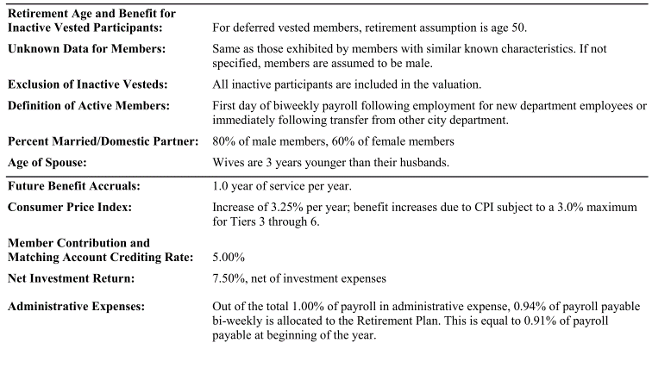
 |  | Note
Net investment return(Discount rate) | 7.50%

COLA and CPI | COLA provisions: see plan provisions Assumptions: - CPI increases of 3.25% per year - Benefit increases due to CPI subject to a 3.0% max for Tier 3 through 6

Eligible Survivors: | pct with married/Domestic Partner: - 80% of male, 60% of female Eligible survivor Ages: - Wives are 3 years younger than their husbands. Number of eligible children?(We may not plan to model benefits to children in the first version)

Question: | Member Contribution and matching account crediting rate 5%?

SalaryGrowth
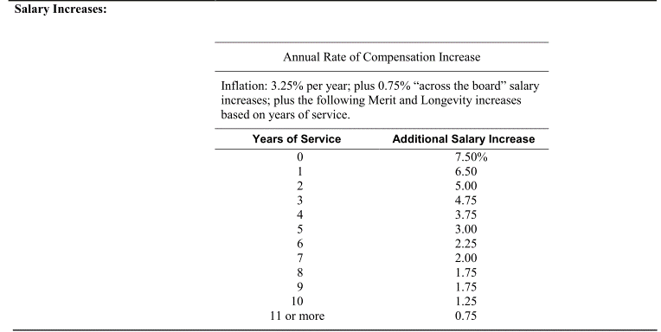
TOC
startcell | A6
endcell | B18

Years of Service | Additional Salary Increase
yos | salgrowth
0 | 7.50%
1 | 6.50%
2 | 5.00%
3 | 4.75%
4 | 3.75%
5 | 3.00%
6 | 2.25%
7 | 2.00%
8 | 1.75%
9 | 1.75%
10 | 1.25%
11 | 0.75%

Ret_dec
TOC
startcell | A7
endcell | G32

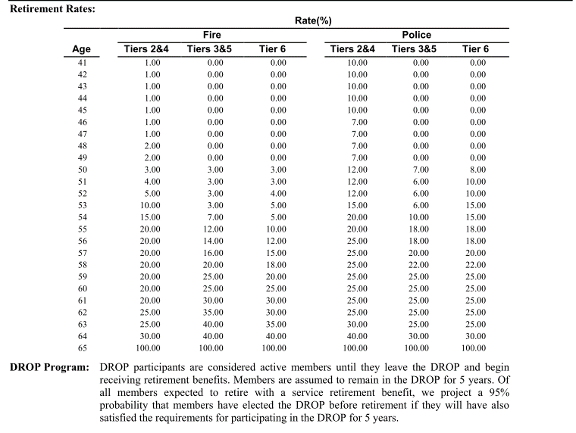
Age | Fire |  |  | Police
 | Tiers 2&4 | Tiers 3&5 | Tier 6 | Tiers 2&4 | Tiers 3&5 | Tier 6
age | qxr.t2t4.fire | qxr.t3t5.fire | qxr.t6.fire | qxr.t2t4.plc | qxr.t3t5.plc | qxr.t6.plc
41 | 1% | 0% | 0% | 10% | 0% | 0%
42 | 1% | 0% | 0% | 10% | 0% | 0%
43 | 1% | 0% | 0% | 10% | 0% | 0%
44 | 1% | 0% | 0% | 10% | 0% | 0%
45 | 1% | 0% | 0% | 10% | 0% | 0%
46 | 1% | 0% | 0% | 7% | 0% | 0%
47 | 1% | 0% | 0% | 7% | 0% | 0%
48 | 2% | 0% | 0% | 7% | 0% | 0%
49 | 2% | 0% | 0% | 7% | 0% | 0%
50 | 3% | 3% | 3% | 12% | 7% | 8%
51 | 4% | 3% | 3% | 12% | 6% | 10%
52 | 5% | 3% | 4% | 12% | 6% | 10%
53 | 10% | 3% | 5% | 15% | 6% | 15%
54 | 15% | 7% | 5% | 20% | 10% | 15%
55 | 20% | 12% | 10% | 20% | 18% | 18%
56 | 20% | 14% | 12% | 25% | 18% | 18%
57 | 20% | 16% | 15% | 25% | 20% | 20%
58 | 20% | 20% | 18% | 25% | 22% | 22%
59 | 20% | 25% | 20% | 25% | 25% | 25%
60 | 20% | 25% | 25% | 25% | 25% | 25%
61 | 20% | 30% | 30% | 25% | 25% | 25%
62 | 25% | 35% | 30% | 25% | 25% | 25%
63 | 25% | 40% | 35% | 30% | 25% | 25%
64 | 30% | 40% | 40% | 40% | 30% | 30%
65 | 100% | 100% | 100% | 100% | 100% | 100%

Ret_bfactor
TOC
startcell | A6
endcell | G72
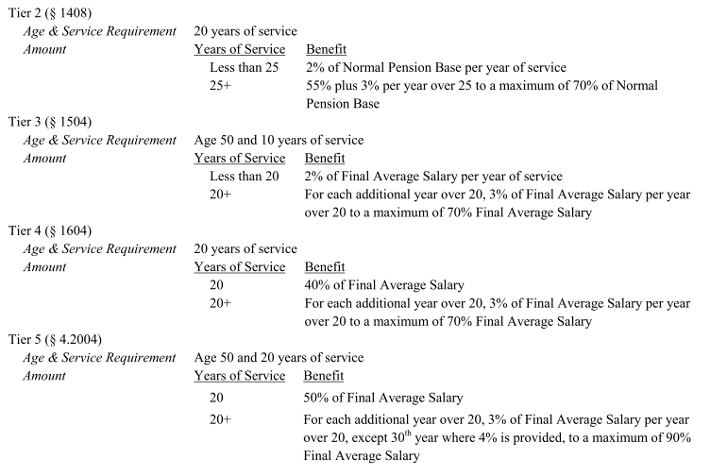

yos | bf.t1 | bf.t2 | bf.t3 | bf.t4 | bf.t5 | bf.t6
0 | 0% | 0% | 0% | 0% | 0% | 0%
1 | 0% | 0% | 0% | 0% | 0% | 0%
2 | 0% | 0% | 0% | 0% | 0% | 0%
3 | 0% | 0% | 0% | 0% | 0% | 0%
4 | 0% | 0% | 0% | 0% | 0% | 0%
5 | 0% | 0% | 0% | 0% | 0% | 0%
6 | 0% | 0% | 0% | 0% | 0% | 0%
7 | 0% | 0% | 0% | 0% | 0% | 0%
8 | 0% | 0% | 0% | 0% | 0% | 0%
9 | 0% | 0% | 0% | 0% | 0% | 0%
10 | 0% | 0% | 20% | 0% | 0% | 0%
11 | 0% | 0% | 22% | 0% | 0% | 0%
12 | 0% | 0% | 24% | 0% | 0% | 0%
13 | 0% | 0% | 26% | 0% | 0% | 0%
14 | 0% | 0% | 28% | 0% | 0% | 0%
15 | 0% | 0% | 30% | 0% | 0% | 0%
16 | 0% | 0% | 32% | 0% | 0% | 0%
17 | 0% | 0% | 34% | 0% | 0% | 0%
18 | 0% | 0% | 36% | 0% | 0% | 0%
19 | 0% | 0% | 38% | 0% | 0% | 0%
20 | 40% | 40% | 41% | 40% | 50% | 40%
21 | 42% | 42% | 44% | 43% | 53% | 43%
22 | 44% | 44% | 47% | 46% | 56% | 46%
23 | 46% | 46% | 50% | 49% | 59% | 49%
24 | 48% | 48% | 53% | 52% | 62% | 52%
25 | 50% | 55% | 56% | 55% | 65% | 55%
26 | 51.67% | 58% | 59% | 58% | 68% | 59%
27 | 53.33% | 61% | 62% | 61% | 71% | 63%
28 | 55.00% | 64% | 65% | 64% | 74% | 67%
29 | 56.67% | 67% | 68% | 67% | 77% | 71%
30 | 58.33% | 70% | 70% | 70% | 81% | 75%
31 | 60.00% | 70% | 70% | 70% | 84% | 80%
32 | 61.67% | 70% | 70% | 70% | 87% | 85%
33 | 63.33% | 70% | 70% | 70% | 90% | 90%
34 | 65.00% | 70% | 70% | 70% | 90% | 90%
35 | 66.67% | 70% | 70% | 70% | 90% | 90%
36 | 66.67% | 70% | 70% | 70% | 90% | 90%
37 | 66.67% | 70% | 70% | 70% | 90% | 90%
38 | 66.67% | 70% | 70% | 70% | 90% | 90%
39 | 66.67% | 70% | 70% | 70% | 90% | 90%
40 | 66.67% | 70% | 70% | 70% | 90% | 90%
41 | 66.67% | 70% | 70% | 70% | 90% | 90%
42 | 66.67% | 70% | 70% | 70% | 90% | 90%
43 | 66.67% | 70% | 70% | 70% | 90% | 90%
44 | 66.67% | 70% | 70% | 70% | 90% | 90%
45 | 66.67% | 70% | 70% | 70% | 90% | 90%
46 | 66.67% | 70% | 70% | 70% | 90% | 90%
47 | 66.67% | 70% | 70% | 70% | 90% | 90%
48 | 66.67% | 70% | 70% | 70% | 90% | 90%
49 | 66.67% | 70% | 70% | 70% | 90% | 90%
50 | 66.67% | 70% | 70% | 70% | 90% | 90%
51 | 66.67% | 70% | 70% | 70% | 90% | 90%
52 | 66.67% | 70% | 70% | 70% | 90% | 90%
53 | 66.67% | 70% | 70% | 70% | 90% | 90%
54 | 66.67% | 70% | 70% | 70% | 90% | 90%
55 | 66.67% | 70% | 70% | 70% | 90% | 90%
56 | 66.67% | 70% | 70% | 70% | 90% | 90%
57 | 66.67% | 70% | 70% | 70% | 90% | 90%
58 | 66.67% | 70% | 70% | 70% | 90% | 90%
59 | 66.67% | 70% | 70% | 70% | 90% | 90%
60 | 66.67% | 70% | 70% | 70% | 90% | 90%
61 | 66.67% | 70% | 70% | 70% | 90% | 90%
62 | 66.67% | 70% | 70% | 70% | 90% | 90%
63 | 66.67% | 70% | 70% | 70% | 90% | 90%
64 | 66.67% | 70% | 70% | 70% | 90% | 90%
65 | 66.67% | 70% | 70% | 70% | 90% | 90%

Term_dec1
TOC
startcell | A5
endcell | C10
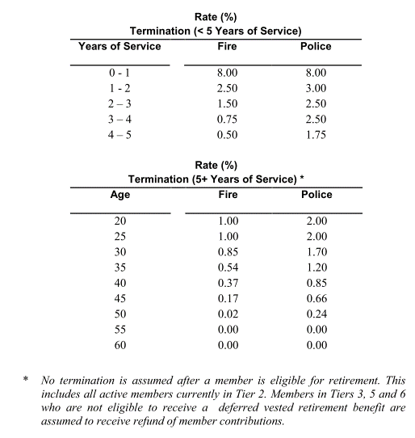
yos | qxt.fire.yos | qxt.plc.yos
0 | 8.0% | 8.0%
1 | 2.5% | 3.0%
2 | 1.5% | 2.5%
3 | 0.75% | 2.5%
4 | 0.5% | 1.75%

Disb_sum
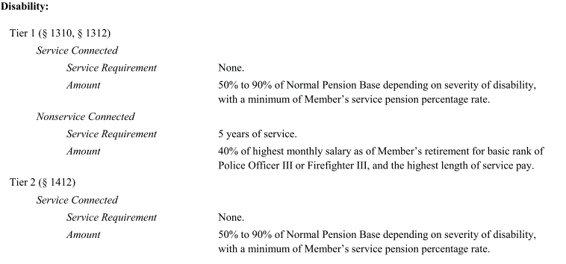
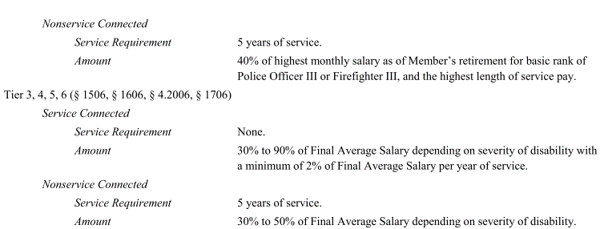
TOC
 | Parameter/formula
 | Tier1 | Tier2 | Tier3 | Tier4 | Tier5 | Tier6
Requirement | Service connected: none NonService connected: yos >=5 90% are assumed to be service connected, not applicable to members eligible to enter the DROP.
(assumed benefit AV2015 pdf p82) | Service connected: - yos < 20: 55% of FAS - yos 20-30: 65% of FAS - yos > 30: 75% of FAS NonService connected: 40% of FAS

Death after retirement | Service Connected Disability 50% of Member’s Normal Pension Base. Nonservice Connected Disability 40% of highest monthly salary as of Member’s retirement for basic rank of Police Officer III or Firefighter III, and the highest length of service pay. | Service Connected Disability 50% of the Member’s Normal Pension Base, or 55% of the Member’s Normal Pension Base if Member had at least 25 years of service at the date of death. Nonservice Connected Disability 40% of highest monthly salary as of Member’s retirement for basic rank of Police Officer III or Firefighter III, and the highest length of service pay (nonservice connected pension base). | Service Connected Disability If death occurs within three years of the Member’s effective date of pension, then the eligible spouse or designated beneficiary shall receive 75% of the Final Average Salary. Otherwise, a pension equal to 60% of the pension received by the deceased Member immediately preceding the date of death. Nonservice Connected Disability Pension equal to 60% of the pension received by the deceased Member. |  | If former Tier 2 member, see Tier 2. Otherwise, see Tier 3. | Service Connected Disability If death occurs within three years of the Member’s effective date of pension, then the eligible spouse or designated beneficiary shall receive 80% of the Final Average Salary. Otherwise, a pension equal to 80% of the pension received by the deceased Member immediately preceding the date of death. Nonservice Connected Disability Pension equal to 70% of the pension received by the deceased Member.
 | Modeling: - assuming all disabilities are service connceted. - QSSs' benefits are modeled as a fixed proportion of the pension received by the deceased member immediately preceding the date of death. - Tier 1: 80% - Tier 2: 80% - Tier 3/4: 60% - Tier 5: 60% - Tier 6: 80%

Disb_dec
TOC
startcell | A5
endcell | C14

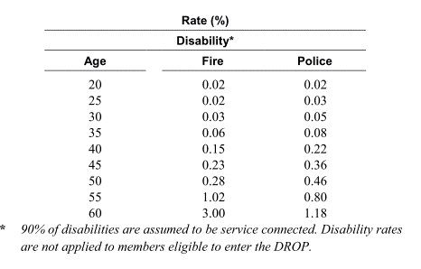
age | qxd.fire | qxd.plc
20 | 0.02% | 0.02%
25 | 0.02% | 0.03%
30 | 0.03% | 0.05%
35 | 0.06% | 0.11%
40 | 0.15% | 0.29%
45 | 0.26% | 0.46%
50 | 0.42% | 0.56%
55 | 1.40% | 1.08%
60 | 4.40% | 1.48%

 |  |  | source: AV15 pdf p78

Death_sum
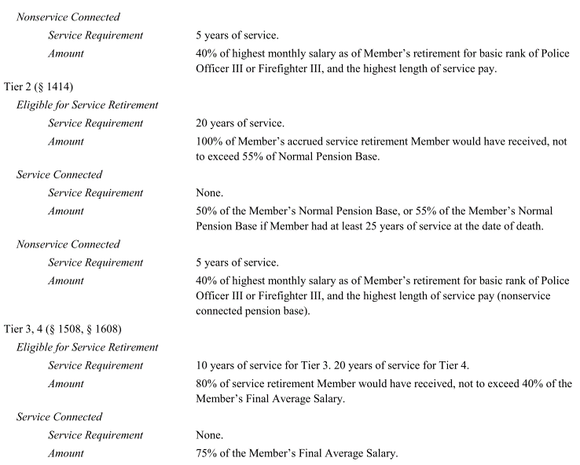
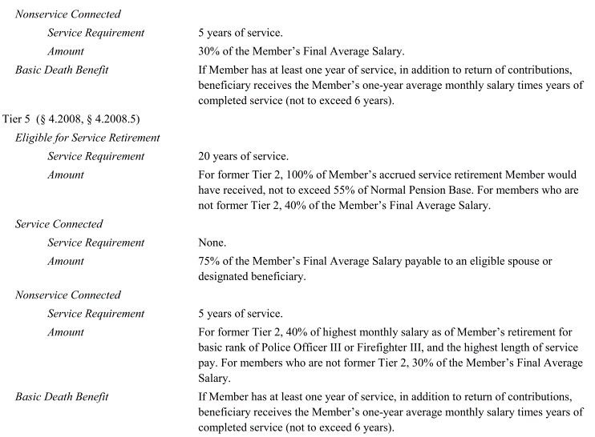
TOC

 |  | Tier1 | Tier2 | Tier3 | Tier4 | Tier5 | Tier6
Eligible for Service retirement | Eligibility | yos >=20 | yos>=20 | yos>=10 | yos>=20 | yos>=20
 | Benefit | 100% accrued retirement benefit Not to sceed 50% Normal pension base | 100% accrued retirement benefit Not to sceed 55% Normal pension base | 80% accrued retirement benefit Not to sceed 40% Normal pension base |  | For former Tier 2: 100% accrued benefit, not to exceed 55% of NPB For others: 40% of FAS
Service connected | Eligibility | None | none | none |  | none | none
 | Benefit | 50% of normal pension base | 55% of Normal pension base if yos >=25, otherwise 50% (only need to model 55%) | 75% of FAS |  | 75% of FAS | 80% of FAS

Death before retirement |  | Need to evaluate if the death benefits are worth modeling. - Refund of contribution with interest. - limited pension for qualified survivor.

Death_dec
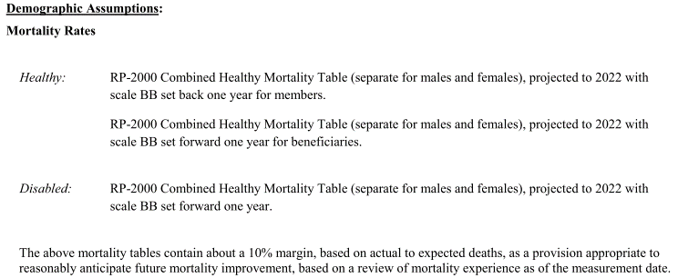
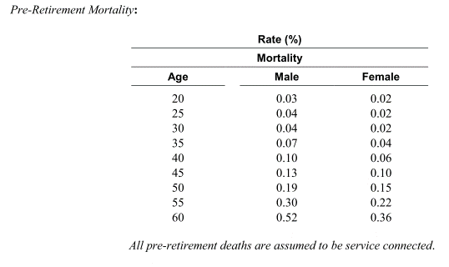
TOC

 | Healthy mortality table is used for disabled?

