Overview Tiers
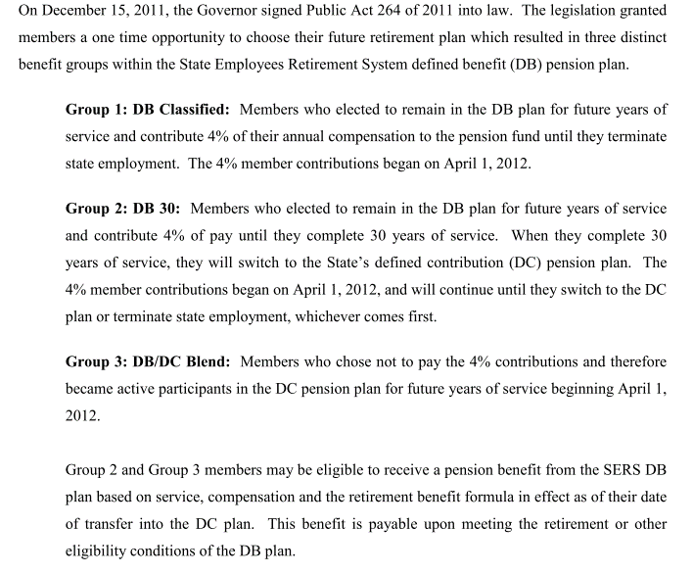
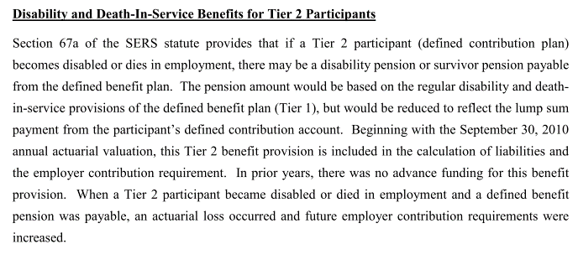
 | Tier Info | Modeling notes | AV2014 pdf page 8
Tier 1 | - Defined benefit plan - Employees who were initially hired before 3/31/1997, or non-vested members re-employed before 1/1/2014 (this may explain why there a small number of actives with low yos) - Includes 3 Groups (see screenshop). Only members in group 1 and 2 have DB.
Tier 2 | - Defined contribution plan - Employees who were initially hired on or after 3/31/1997, or non-vested members re-employed on or after 1/1/2014 - Only eligible for service death and dealth and disability benefits, whose costs are considered as part of of the total normal cost of the DB plan (Tier 1) | - Since it is part of of the normal cost and affects the cash flow of Tier 1, we should model it and therefore need demographic distribution of Tier 2 actives in 2014 (CAFR2014 page p76 for total OPEB roll)

 |  |  | AV2014 pdf page 49-50
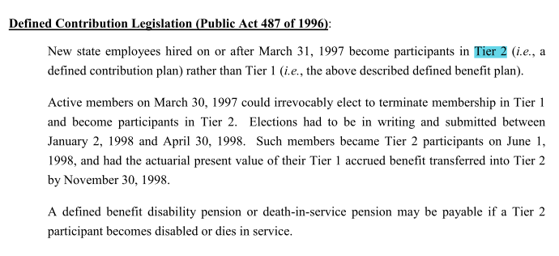

 |  |  | AV2014 pdf page 46

FundingPolicy
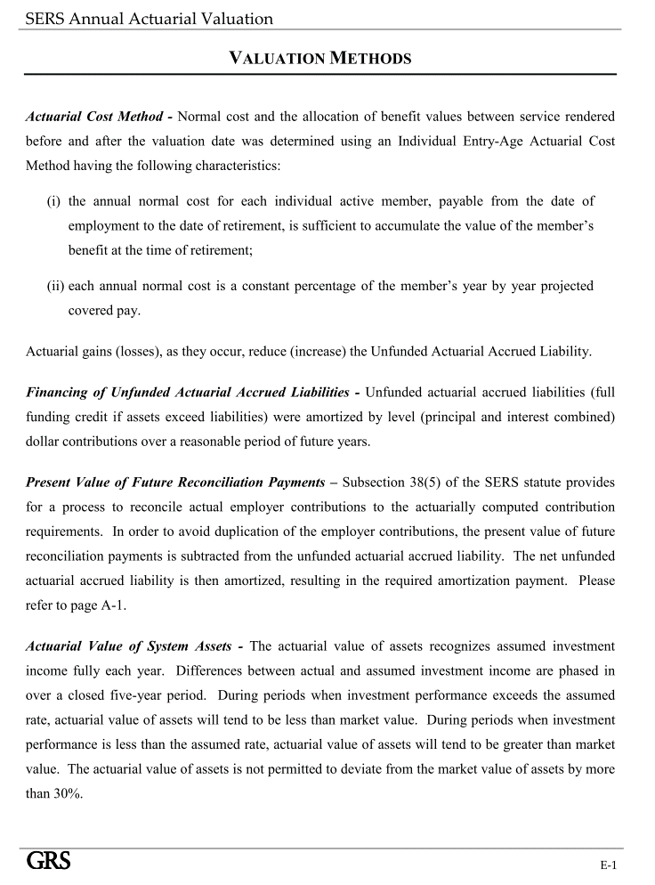
TOC
source | AV2014 pdf p37
 |  | Notes

Actuarial Method | EAN
Asset smoothing | 1. Smoothing Period: 5 years 2. AVA is adjusted to be within 30% of MVA: 3. Need to find historical investment losses and gains.
Amortization | General Amort method: - UAALs were amortized by level (principle and interest combined) dolloar contribution over a reasonable period of future years | Level dolloar "psudo-" closed amortization Questions: - When to reset amortization period?
Employee Contribution | Tier 1: Group 1: 4% of salary Group2: 4% of salary until yos>30 | - Distribution of group 1 and 2 members are not given separately, and total salary of group 2 members accounts for about 1.5% of the total payroll. - For now we may want to model all actives as Group 1 members.
Present value of future reconciliation payments |  | Need to check later Do not model for now

Assumptions
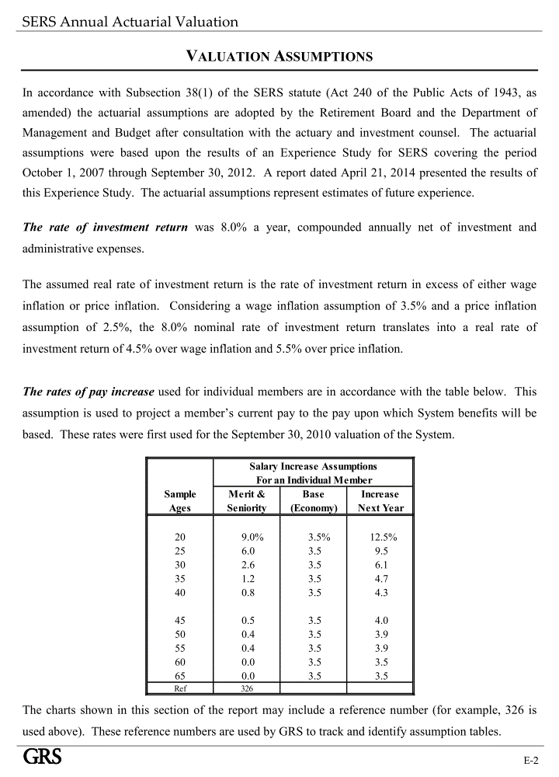
TOC
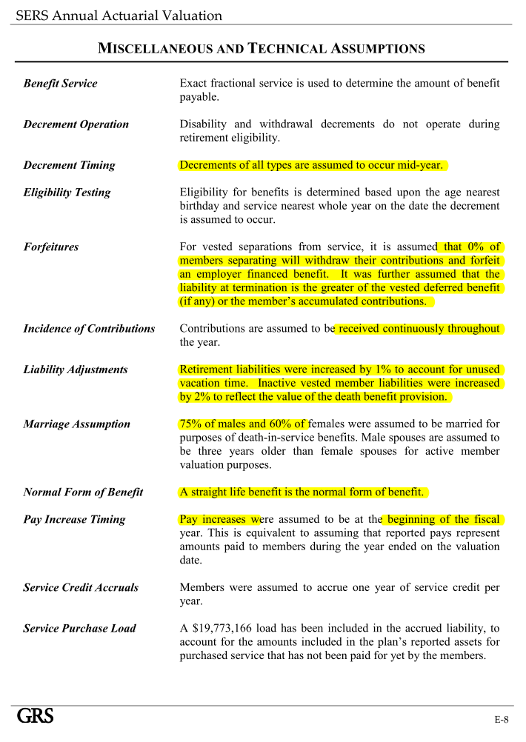

Net investment return(Discount rate) | 8.00%

COLA and CPI
wage inflation assumption | 3.50%
price inflation assumption | 2.50%
Eligible Survivors: | pct with married/Domestic Partner: - 75% of male, 60% of female Eligible survivor Ages: - Wives are 3 years younger than their husbands.

Assumptions we may need to think about later | - normal form of benefit: - Forfeitures:0% will withdraw EEC and forfeit benefit - liablility adjustments: 1% for unsued vacation time, 2% for vested to refect death benefit - Service purchase load: 19773166

Questions | Normal form of benefit: straight life benefit - what does this mean? does this mean all retirees are considered as life annuitants?

SalaryGrowth
TOC
startcell | A6
endcell | B16

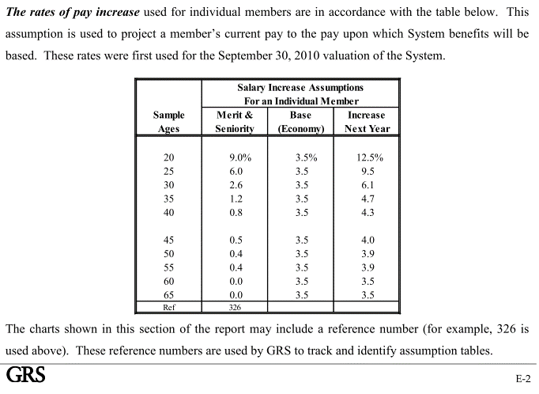
Years of Service | Additional Salary Increase
age | salgrowth
20 | 0.125
25 | 0.095
30 | 0.061
35 | 0.047
40 | 0.043
45 | 0.04
50 | 0.039
55 | 0.039
60 | 0.035
65 | 0.035

Ret_sum
TOC

 | Tier 1
Benefit
Requirement | Regular: - age >=55, yos>=30; - or age>=60, yos>=10 Correction officiers - age >= 51, yos >= 25, or - age >=56, yos >= 10 Conservation officers - yos >=25 Early retirement - age >= 55, yos >= 15 | Questions: - Correction officers accounts for about 1/4 of the total actives, do we need to model them separately? If so, we need detailed demographic data for correction officers. If not, we need to figure out what eligibility rules and retirement rates to use in the model.
Final Average Compensation (FAC) | 3 years, 2 years for Conservation officiers
Benefit Factor | Regular： - 1.5% benefit factor - 3000 minimum if yos >= 20 Correction Officers - additional temporaty supplement to age 62 equal to the product of supplemental service times 0.5% of FAC. Early retirement reduction - 0.5% for each month under age 60. | Questions - Is the $3000 additional to the calculated benefit, or the lower bound of the calculated benefit? - What is supplemental service? Does it have a significant effect on correction officers' benefit?

Modeling of contingent annuity | 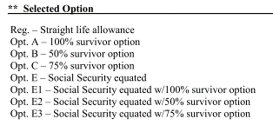 | Question: - Are the retirement benefits actuarially reduced if x% survivor options are chosen? Yes

COLA | 3%

Ret_dec
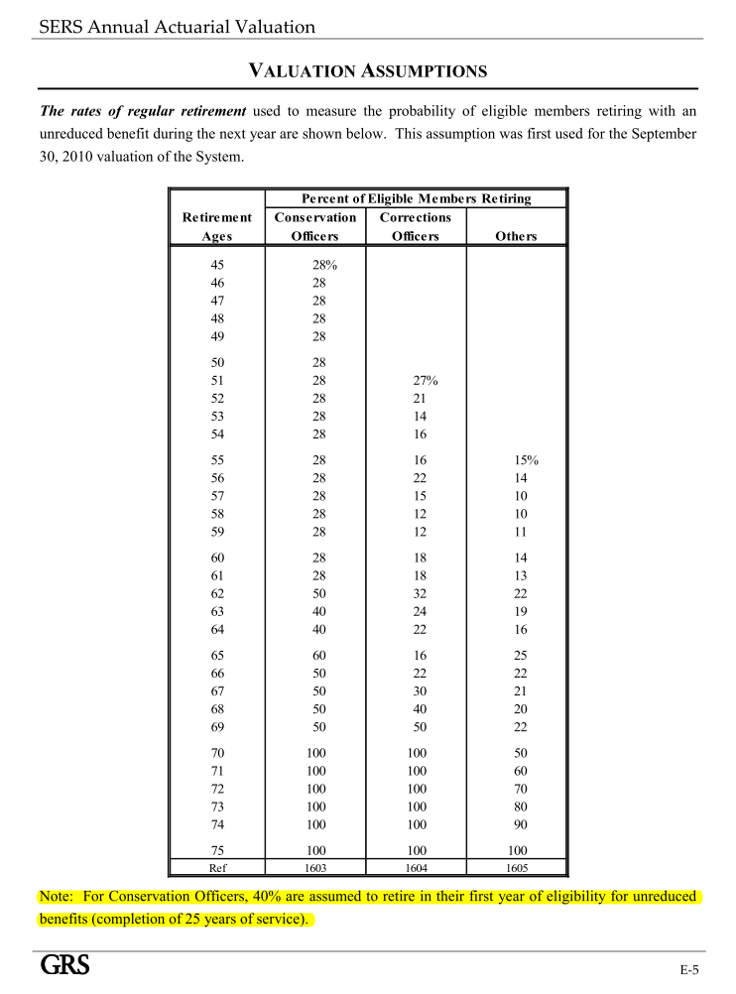
TOC
startcell | A6
endcell | D37

age | qxr.conservation | qxr.corrections | qxr.others
45 | 0.28 | 0.00 | 0.00
46 | 0.28 | 0.00 | 0.00
47 | 0.28 | 0.00 | 0.00
48 | 0.28 | 0.00 | 0.00
49 | 0.28 | 0.00 | 0.00
50 | 0.28 | 0.00 | 0.00
51 | 0.28 | 0.27 | 0.00
52 | 0.28 | 0.21 | 0.00
53 | 0.28 | 0.14 | 0.00
54 | 0.28 | 0.16 | 0.00
55 | 0.28 | 0.16 | 0.15
56 | 0.28 | 0.22 | 0.14
57 | 0.28 | 0.15 | 0.10
58 | 0.28 | 0.12 | 0.10
59 | 0.28 | 0.12 | 0.11
60 | 0.28 | 0.18 | 0.14
61 | 0.28 | 0.18 | 0.13
62 | 0.50 | 0.32 | 0.22
63 | 0.40 | 0.24 | 0.19
64 | 0.40 | 0.22 | 0.16
65 | 0.60 | 0.16 | 0.25
66 | 0.50 | 0.22 | 0.22
67 | 0.50 | 0.30 | 0.21
68 | 0.50 | 0.40 | 0.20
69 | 0.50 | 0.50 | 0.22
70 | 1.00 | 1.00 | 0.50
71 | 1.00 | 1.00 | 0.60
72 | 1.00 | 1.00 | 0.70
73 | 1.00 | 1.00 | 0.80
74 | 1.00 | 1.00 | 0.90
75 | 1.00 | 1.00 | 1.00

Ret_dec_early
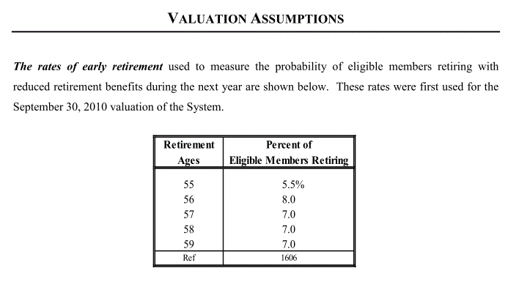
Retirement Ages | Percent of Eligible Members Retiring
55 | 5.5%
56 | 8.0
57 | 7.0
58 | 7.0
59 | 7.0

Term_dec1
TOC
startcell | A5
endcell | B10

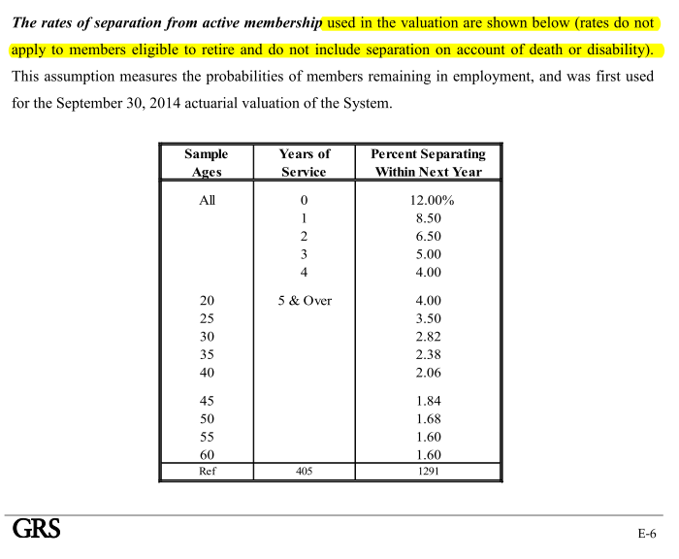
yos | qxt.yos
0 | 0.12
1 | 0.09
2 | 0.07
3 | 0.05
4 | 0.04

Disb_dec
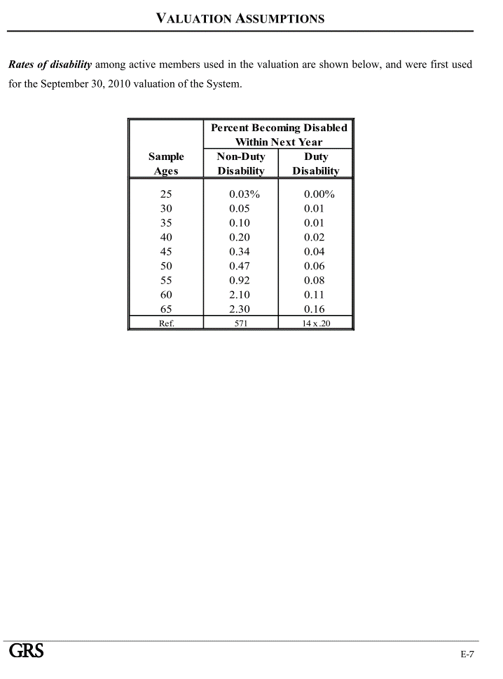
TOC
startcell | A5
endcell | C14

age | qxd.nonduty | qxd.duty
25 | 0.0003 | 0.0000
30 | 0.0005 | 0.0001
35 | 0.0010 | 0.0001
40 | 0.0020 | 0.0002
45 | 0.0034 | 0.0004
50 | 0.0047 | 0.0006
55 | 0.0092 | 0.0008
60 | 0.0210 | 0.0011
65 | 0.0230 | 0.0016

Death_dec
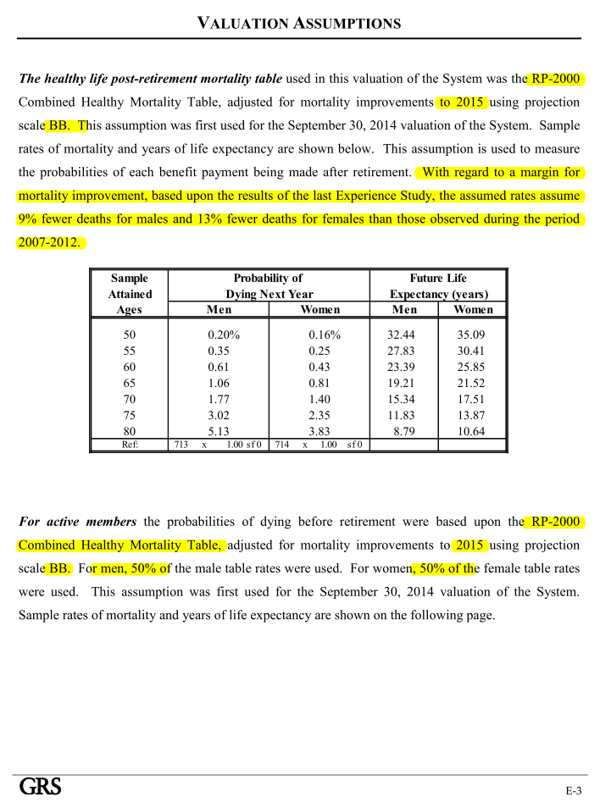
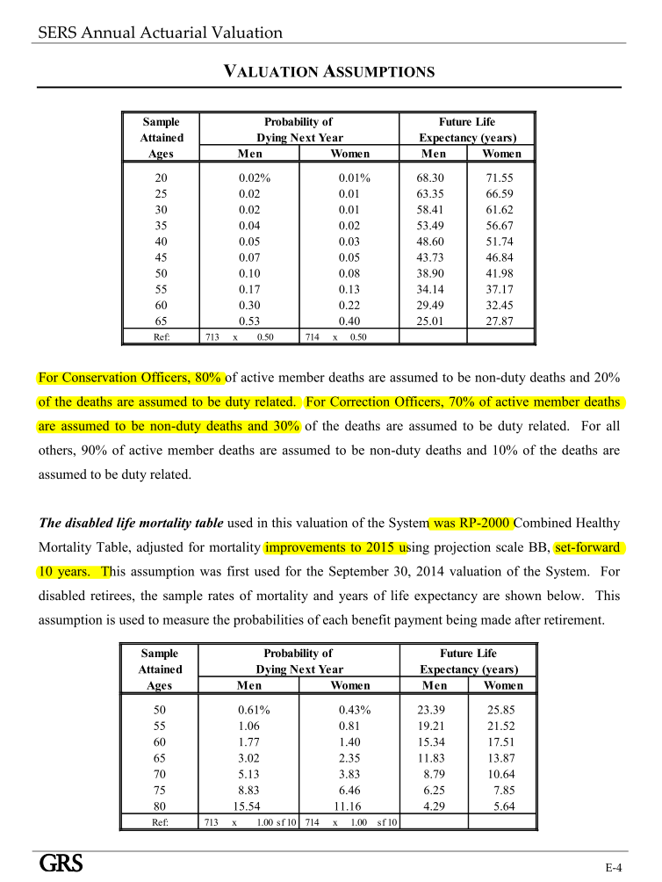
TOC

Calibration
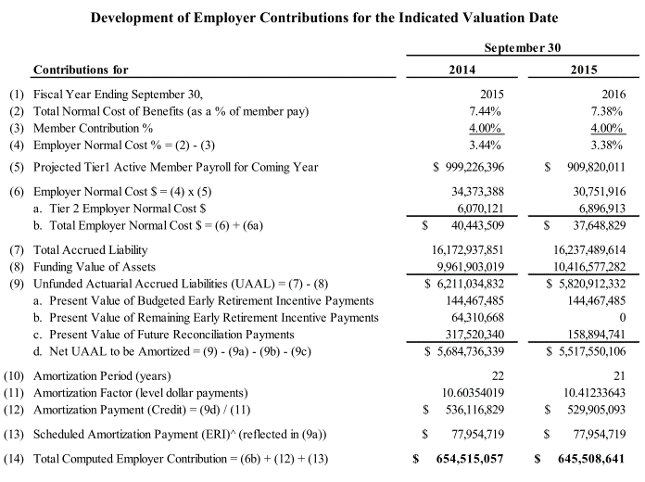
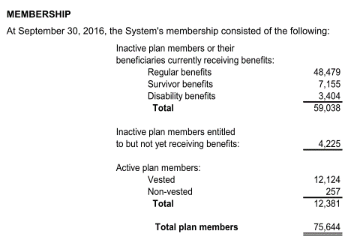
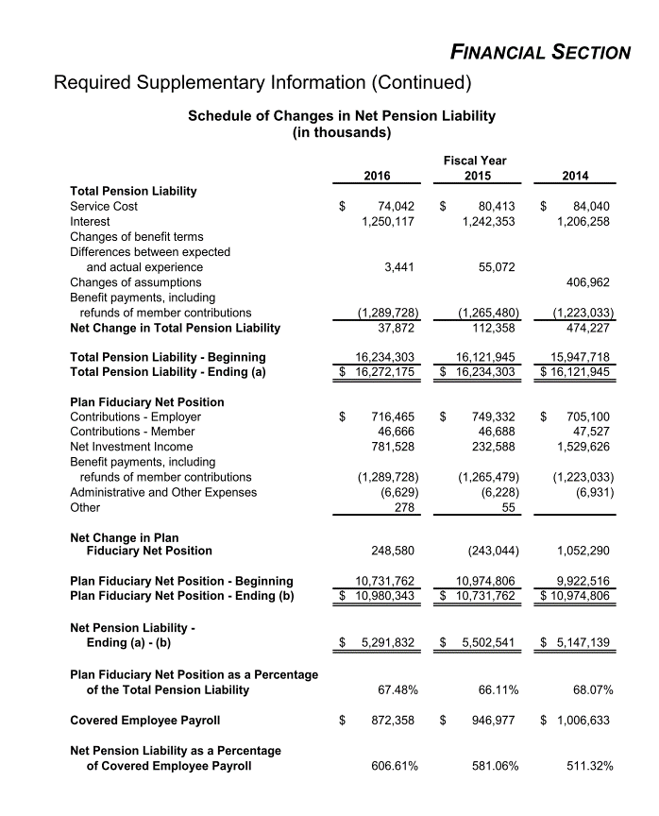
 | AV2016 (2015 year end) | Model 2015 | diff | 2016 year end
PVFB for actives | 3.674 | 3.24 | 88.19%
PVFB for retirees/bens | 12.483 |  | 0.00%
AL total | 16.24 | 16.21 | 99.82%
AL for ret and ben | 12.483
AL for actives | 3.287 |  | 0.00%
AL for vested and inact | 0.467

VVA(before adj) | 10.417
VVA (adj) | 10.72 | 10.74 | 100.19%
MVA | 10.73
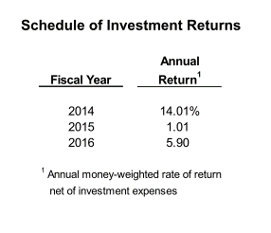
MVA (adj) | 11.033 | 11.06 | 100.24%

NC for DB | 0.067158 | 0.054 | 80.41%
NC for DC | 0.0069 | 0.0069 | 100.00%
SC | 0.53 | 0.505 | 95.28%
EEC | 0.0364 | 0.0365 | 100.27%
ERC w/o admin cost | 0.6455 |  | 0.00%

payroll | 0.91 | 0.913 | 100.33%
B (2014) | 1.265 | 1.288 | 101.82%
admin cost (2014) | 0.0063 |  | 0%
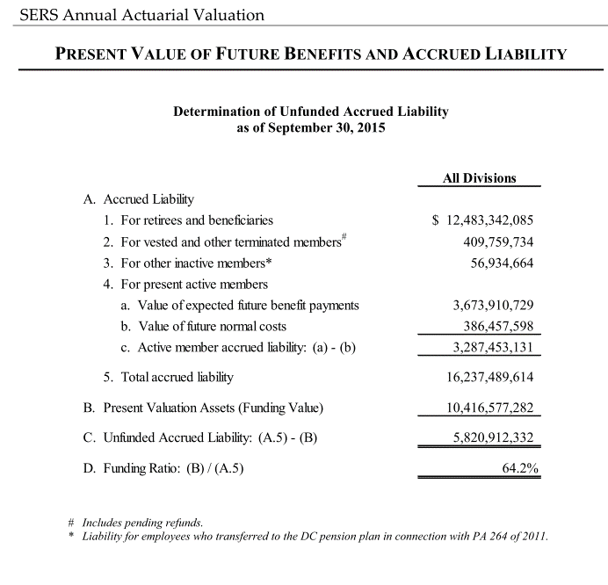

Notes on initial assets
Initial actuarial asset value in the model is calculated as follows: (notations follow AV2014 pdf page 7, see below)
AA1 = (7) + 8(a) + 8(b) + 8(c) (AA with PV of future external funding 8a, 8b, 8c)
FR_AA1 = AA1 / (6) (funded ratio based on AA1 and the AL from AV)
AA(model) = AL(model) * FR_AA1 (Apply FR_AA1 to AL calculated from the model to get intial AA value)
FR_AA1 = (10416577282 + 144467485 + 158894741) / 16172937815= 0.6628319 (param AA_0_pct in runControl file)
Initial market asset value is calculated in the same manner.
FR_MA1 = (10731762400 + 144467485 + 158894741)/16172937815 = 0.6823204 (param MA_0_pct in runControl file) (MV from AV2015 pdf p23)
Item (13) Amortization payment ERI is modeled as a one year external contribution

Fiscal
TOC
startcell | C5
endcell | D39
Consensus Revenue Agreement, Jan, 2017
http://www.house.mi.gov/hfa/PDF/Revenue_Forecast/CREC_Final_Memo_Jan17.pdf
 |  | year | GenFund.original
 |  | 2015 | 10015400000
 |  | 2016 | 10290100000
 |  | 2017 | 10522700000
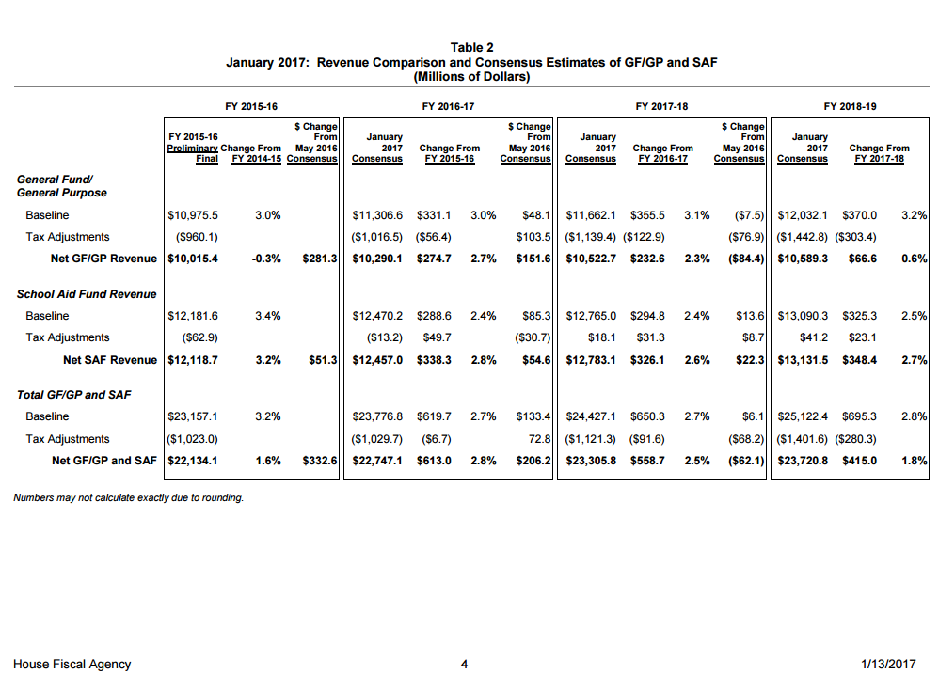
 |  | 2018 | 10589300000
 |  | 2019
 |  | 2020
 |  | 2021
 |  | 2022
 |  | 2023
 |  | 2024
 |  | 2025
 |  | 2026
 |  | 2027
 |  | 2028
 |  | 2029
 |  | 2030
 |  | 2031
 |  | 2032
 |  | 2033
 |  | 2034
 |  | 2035
 |  | 2036
 |  | 2037
 |  | 2038
 |  | 2039
 |  | 2040
 |  | 2041
 |  | 2042
 |  | 2043
 |  | 2044
 |  | 2045
 |  | 2046
 |  | 2047
 |  | 2048

