params
runname | note | RS | CO | include | tier | useAVamort | useAVunrecReturn | useExtFund | nyear.override | init.year.override | ConPolicy | PR_pct_cap | PR_pct_fixed | nonNegC | EEC_fixed | amort_method | amort_type | m | m.year1 | m.start | m.reset | if.reset | m.min | salgrowth_amort | s.year | wf_growth | no_entrance | return_type | return_scenario | i | ir.mean | ir.sd | init_MA | init_AA | MA_0_pct | AA_0_pct | MA_0 | AA_0 | DC_include | NC.DC0 | NC_AL | NC_B | NC.growth | B.growth

RS.test | For development |  |  | FALSE | t1 | FALSE | FALSE | TRUE | 0 | 0 | ADC | 0.14 | 0.14 | FALSE | TRUE | cd | pseudoClosed | 20 | 21 | 30 | 20 | FALSE | 1 | 0.04 | 5 | 0 | T | simple | RS1 | 0.08 | 0.0872 | 0.12 | AL_pct | AL_pct | 0.6823204 | 0.6628319 |  |  | F | 6896913 | 0.02 | 0.3 | 0.035 | 0.035

RS1.closed | MISERS assumption met | RS1 | closed | FALSE | t1 | FALSE | TRUE | TRUE | 0 | 0 | ADC | 0.14 | 0.14 | TRUE | TRUE | cd | pseudoClosed | 20 | 21 | 30 | 20 | FALSE | 1 | 0.04 | 5 | 0 | T | internal | RS1 | 0.08 | 0.0872 | 0.12 | AL_pct | AL_pct | 0.6823204 | 0.6628319 |  |  | TRUE | 6896913 | 0.02 | 0.3 | 0.035 | 0.035
RS2.closed | Low return for 15 years | RS2 | closed | FALSE | t1 | FALSE | TRUE | TRUE | 0 | 0 | ADC | 0.14 | 0.14 | TRUE | TRUE | cd | pseudoClosed | 20 | 21 | 30 | 20 | FALSE | 1 | 0.04 | 5 | 0 | T | internal | RS2 | 0.08 | 0.0872 | 0.12 | AL_pct | AL_pct | 0.6823204 | 0.6628319 |  |  | TRUE | 6896913 | 0.02 | 0.3 | 0.035 | 0.035
RS3.closed | high volatility | RS3 | closed | FALSE | t1 | FALSE | TRUE | TRUE | 0 | 0 | ADC | 0.14 | 0.14 | TRUE | TRUE | cd | pseudoClosed | 20 | 21 | 30 | 20 | FALSE | 1 | 0.04 | 5 | 0 | T | internal | RS3 | 0.08 | 0.0872 | 0.12 | AL_pct | AL_pct | 0.6823204 | 0.6628319 |  |  | TRUE | 6896913 | 0.02 | 0.3 | 0.035 | 0.035
RS4.closed | 7.5% return | RS4 | closed | FALSE | t1 | FALSE | TRUE | TRUE | 0 | 0 | ADC | 0.14 | 0.14 | TRUE | TRUE | cd | pseudoClosed | 20 | 21 | 30 | 20 | FALSE | 1 | 0.04 | 5 | 0 | T | internal | RS4 | 0.08 | 0.0872 | 0.12 | AL_pct | AL_pct | 0.6823204 | 0.6628319 |  |  | TRUE | 6896913 | 0.02 | 0.3 | 0.035 | 0.035

RS1.closed.m20 | MISERS assumption met; open amortization | RS1 | closed | FALSE | t1 | FALSE | TRUE | TRUE | 0 | 0 | ADC | 0.14 | 0.14 | TRUE | TRUE | cd | open | 20 | 21 | 30 | 20 | FALSE | 1 | 0.04 | 5 | 0 | T | internal | RS1 | 0.08 | 0.0872 | 0.12 | AL_pct | AL_pct | 0.6823204 | 0.6628319 |  |  | TRUE | 6896913 | 0.02 | 0.3 | 0.035 | 0.035
RS1.closed.min5 | MISERS assumption met; min m = 5 | RS1 | closed | TRUE | t1 | FALSE | TRUE | TRUE | 0 | 0 | ADC | 0.14 | 0.14 | TRUE | TRUE | cd | pseudoClosed | 20 | 21 | 30 | 20 | FALSE | 5 | 0.04 | 5 | 0 | T | internal | RS1 | 0.08 | 0.0872 | 0.12 | AL_pct | AL_pct | 0.6823204 | 0.6628319 |  |  | TRUE | 6896913 | 0.02 | 0.3 | 0.035 | 0.035

RS1.open | MISERS assumption met | RS1 | open | FALSE | t1 | FALSE | TRUE | TRUE | 0 | 0 | ADC | 0.14 | 0.14 | TRUE | TRUE | cd | open | 20 | 21 | 30 | 20 | FALSE | 1 | 0.04 | 5 | 0 | F | internal | RS1 | 0.08 | 0.0872 | 0.12 | AL_pct | AL_pct | 0.6823204 | 0.6628319 |  |  | TRUE | 6896913 | 0.02 | 0.3 | 0.035 | 0.035
RS2.open | Low return for 15 years | RS2 | open | FALSE | t1 | FALSE | TRUE | TRUE | 0 | 0 | ADC | 0.14 | 0.14 | TRUE | TRUE | cd | open | 20 | 21 | 30 | 20 | FALSE | 1 | 0.04 | 5 | 0 | F | internal | RS2 | 0.08 | 0.0872 | 0.12 | AL_pct | AL_pct | 0.6823204 | 0.6628319 |  |  | TRUE | 6896913 | 0.02 | 0.3 | 0.035 | 0.035
RS3.open | high volatility | RS3 | open | FALSE | t1 | FALSE | TRUE | TRUE | 0 | 0 | ADC | 0.14 | 0.14 | TRUE | TRUE | cd | open | 20 | 21 | 30 | 20 | FALSE | 1 | 0.04 | 5 | 0 | F | internal | RS3 | 0.08 | 0.0872 | 0.12 | AL_pct | AL_pct | 0.6823204 | 0.6628319 |  |  | TRUE | 6896913 | 0.02 | 0.3 | 0.035 | 0.035
RS4.open | 7.5% return | RS4 | open | FALSE | t1 | FALSE | TRUE | TRUE | 0 | 0 | ADC | 0.14 | 0.14 | TRUE | TRUE | cd | open | 20 | 21 | 30 | 20 | FALSE | 1 | 0.04 | 5 | 0 | F | internal | RS4 | 0.08 | 0.0872 | 0.12 | AL_pct | AL_pct | 0.6823204 | 0.6628319 |  |  | TRUE | 6896913 | 0.02 | 0.3 | 0.035 | 0.035

RS5.closed | 7.5% return; starting 2017 | RS5 | closed | FALSE | t1 | FALSE | TRUE | TRUE | 0 | 2017 | ADC | 0.14 | 0.14 | TRUE | TRUE | cd | pseudoClosed | 20 | 19 | 30 | 20 | FALSE | 1 | 0.04 | 5 | 0 | T | internal | RS4 | 0.075 | 0.0872 | 0.12 | MA | AA0 | 0.6823204 | 0.6628319 | 11397362049 | 11422640330 | TRUE | 6896913 | 0.02 | 0.3 | 0.035 | 0.035

RS1.s1 | sensitivity test 1 |  |  | FALSE | t1 | FALSE | TRUE | TRUE | 0 | 0 | ADC | 0.14 | 0.14 | TRUE | TRUE | cd | pseudoClosed | 20 | 21 | 30 | 20 | FALSE | 1 | 0.04 | 5 | 0 | T | internal | RS1 | 0.08 | 0.0872 | 0.12 | AL_pct | AL_pct | 0.6823204 | 0.6628319 |  |  | TRUE | 6896913 | 0.02 | 0.3 | 0.035 | 0.035

RS1.duration7 | MISERS assumption met | RS1 | closed | FALSE | t1 | FALSE | TRUE | TRUE | 0 | 0 | ADC | 0.14 | 0.14 | TRUE | TRUE | cd | pseudoClosed | 20 | 21 | 30 | 20 | FALSE | 1 | 0.04 | 5 | 0 | T | internal | RS1 | 0.07 | 0.0872 | 0.12 | MA | AA0 | 0.6823204 | 0.6628319 | 11397362049 | 11422640330 | TRUE | 6896913 | 0.02 | 0.3 | 0.035 | 0.035
RS1.duration9 | MISERS assumption met | RS1 | closed | FALSE | t1 | FALSE | TRUE | TRUE | 0 | 0 | ADC | 0.14 | 0.14 | TRUE | TRUE | cd | pseudoClosed | 20 | 21 | 30 | 20 | FALSE | 1 | 0.04 | 5 | 0 | T | internal | RS1 | 0.09 | 0.0872 | 0.12 | MA | AA0 | 0.6823204 | 0.6628319 | 11397362049 | 11422640330 | TRUE | 6896913 | 0.02 | 0.3 | 0.035 | 0.035
2017, dc = 7.5%
MA 11397362049
AA 11422640330

returns
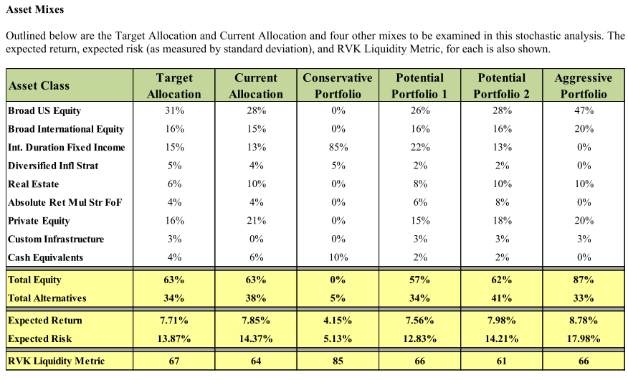
scenario | r.mean | r.sd | period | return_det | r.geoMean | Notes
RS1 | 0.0760 | 0 | 1 | 0.076 | 7.6% | MISERS assumption met
RS1 | 0.0800 | 0 | 1 | 0.080 | 8.0%
RS1 | 0.0872 | 0.12 | 30 | 0.080 | 8.0%
RS2 | 0.0760 | 0 | 1 | 0.076 | 7.6% | 15 years of low returns
RS2 | 0.0800 | 0 | 1 | 0.080 | 8.0%
RS2 | 0.0572 | 0.12 | 10 | 0.050 | 5.0%
RS2 | 0.0722 | 0.12 | 5 | 0.065 | 6.5%
RS2 | 0.0872 | 0.12 | 15 | 0.080 | 8.0%
RS3 | 0.0760 | 0 | 1 | 0.076 | 7.6% | High volatility
RS3 | 0.0800 | 0 | 1 | 0.080 | 8.0%
RS3 | 0.0969 | 0.18 | 30 | 0.080 | 8.0%
RS4 | 0.0760 | 0 | 1 | 0.076 | 7.6% | 7.5% mean return; DC = 8%
RS4 | 0.0800 | 0 | 1 | 0.080 | 8.0%
RS4 | 0.0822 | 0.12 | 30 | 0.075 | 7.5%
RS5 | 0.0822 | 0.12 | 32 | 0.075 | 7.5% | 7.5% mean return; DC = 7.5%

