returns
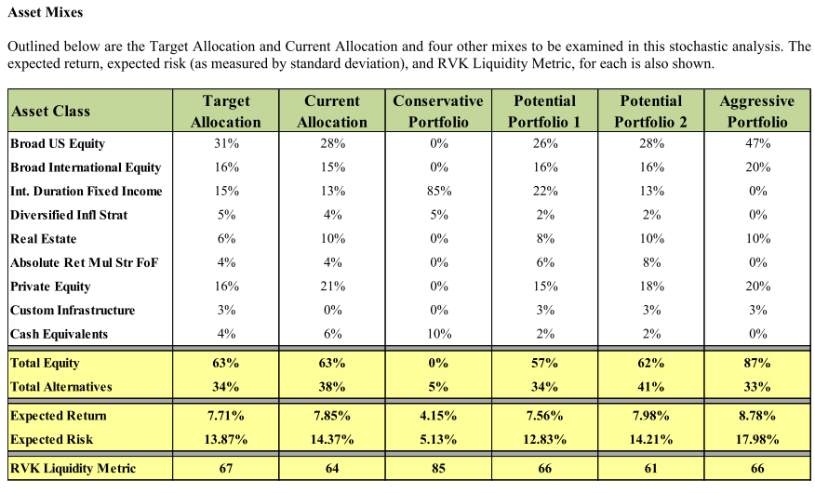
scenario | r.mean | r.sd | period | return_det | r.geoMean | Notes
RS1 | 0.01 | 0 | 1 | 0.01 | 0.01 | MISERS assumption met
RS1 | 0.0872 | 0.12 | 50 | 0.080 | 8.0%
RS2 | 0.0100 | 0.00 | 1 | 0.010 | 0.010 | Low return ramping up to MISERS assmption in 5 years
RS2 | 0.0100 | 0.12 | 1 | 0.010 | 0.010
RS2 | 0.0254 | 0.12 | 1 | 0.025 | 0.025
RS2 | 0.0409 | 0.12 | 1 | 0.041 | 0.041
RS2 | 0.0563 | 0.12 | 1 | 0.056 | 0.056
RS2 | 0.0718 | 0.12 | 1 | 0.072 | 0.072
RS2 | 0.0872 | 0.12 | 45 | 0.087 | 8.0%
RS3 | 0.0100 | 0.00 | 1 | 0.010 | 1.0% | Low return for 15 years
RS3 | 0.0200 | 0.12 | 5 | 0.013 | 1.3%
RS3 | 0.0400 | 0.12 | 5 | 0.033 | 3.3%
RS3 | 0.0600 | 0.12 | 5 | 0.053 | 5.3%
RS3 | 0.0872 | 0.12 | 35 | 0.080 | 8.0%
RS4 | 0.0100 | 0.00 | 1 | 0.010 | 1.0% | RVK2012 Conservative portfolio
RS4 | 0.0415 | 0.05 | 50 | 0.040 | 4.0%
RS5 | 0.0100 | 0.00 | 1 | 0.010 | 1.0% | Callan assumption
RS5 | 0.0810 | 0.18 | 50 | 0.064 | 6.4%

