prop.occupation
TOC
startcell | B6
endcell | F12

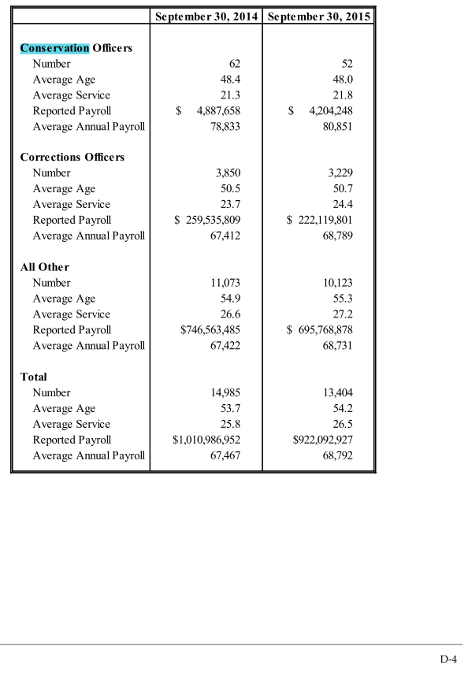
 | tier | conservation | correction | others | year
 | t1 | 52 | 3229 | 10123 | 2014
 | t2

Actives_t1_AV2014
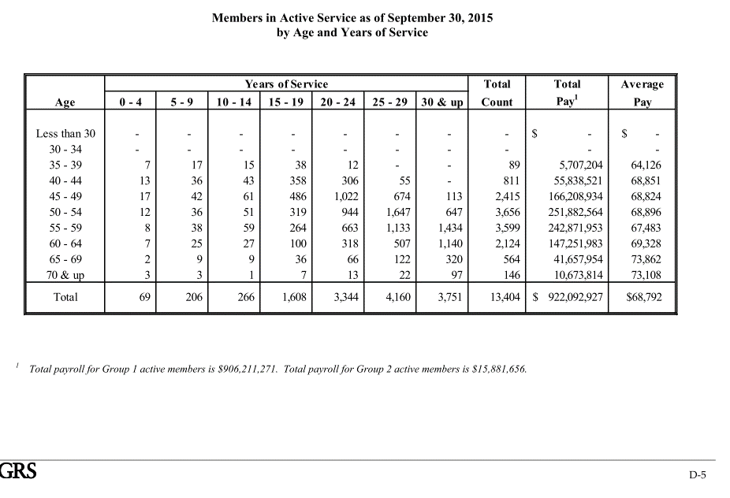
TOC
startcell | B6
endcell | K29

 | type | age.cell | agegrp | 2 | 7 | 12 | 17 | 22 | 27 | 32 | salary.avg | Age | Years of Service |  |  |  |  |  |  | Total Count | Total Pay1 | Average Pay
 | yosgrp |  |  | 0-4 | 5-9 | 10-14 | 15-19 | 20-24 | 25-29 | 30-34 |  |  | 0 - 4 | 5 - 9 | 10 - 14 | 15 - 19 | 20 - 24 | 25 - 29 | 30 & up
5 | nactives | 22 | 20-24 |  |  |  |  |  |  |  |  | Less than 30 | - | - | - | - | - | - | - | - | $ - | $ -
 | salary | 22 | 20-24 |  |  |  |  |  |  |  |  | 30 - 34 | - | - | - | - | - | - | - | - | - | -
5 | nactives | 27 | 25-29 |  |  |  |  |  |  |  |  | 35 - 39 | 7 | 17 | 15 | 38 | 12 | - | - | 89 | 5,707,204 | 64,126
 | salary | 27 | 25-29 |  |  |  |  |  |  |  |  | 40 - 44 | 13 | 36 | 43 | 358 | 306 | 55 | - | 811 | 55,838,521 | 68,851
5 | nactives | 32 | 30-34 |  |  |  |  |  |  |  |  | 45 - 49 | 17 | 42 | 61 | 486 | 1,022 | 674 | 113 | 2,415 | 166,208,934 | 68,824
 | salary | 32 | 30-34 |  |  |  |  |  |  |  |  | 50 - 54 | 12 | 36 | 51 | 319 | 944 | 1,647 | 647 | 3,656 | 251,882,564 | 68,896
5 | nactives | 37 | 35-39 | 7 | 17 | 15 | 38 | 12 |  |  |  | 55 - 59 | 8 | 38 | 59 | 264 | 663 | 1,133 | 1,434 | 3,599 | 242,871,953 | 67,483
 | salary | 37 | 35-39 | 64,126 | 64,126 | 64,126 | 64,126 | 64,126 |  |  | 64,126 | 60 - 64 | 7 | 25 | 27 | 100 | 318 | 507 | 1,140 | 2,124 | 147,251,983 | 69,328
5 | nactives | 42 | 40-44 | 13 | 36 | 43 | 358 | 306 | 55 |  |  | 65 - 69 | 2 | 9 | 9 | 36 | 66 | 122 | 320 | 564 | 41,657,954 | 73,862
 | salary | 42 | 40-44 | 68,851 | 68,851 | 68,851 | 68,851 | 68,851 | 68,851 | 68,851 | 68,851 | 70 & up | 3 | 3 | 1 | 7 | 13 | 22 | 97 | 146 | 10,673,814 | 73,108
5 | nactives | 47 | 45-49 | 17 | 42 | 61 | 486 | 1,022 | 674 | 113 |  | Total | 69 | 206 | 266 | 1,608 | 3,344 | 4,160 | 3,751 | 13,404 | $ 922,092,927 | $68,792
 | salary | 47 | 45-49 | 68,824 | 68,824 | 68,824 | 68,824 | 68,824 | 68,824 | 68,824 | 68,824
5 | nactives | 52 | 50-54 | 12 | 36 | 51 | 319 | 944 | 1,647 | 647
 | salary | 52 | 50-54 | 68,896 | 68,896 | 68,896 | 68,896 | 68,896 | 68,896 | 68,896 | 68,896
5 | nactives | 57 | 55-59 | 8 | 38 | 59 | 264 | 663 | 1,133 | 1,434
 | salary | 57 | 55-59 | 67,483 | 67,483 | 67,483 | 67,483 | 67,483 | 67,483 | 67,483 | 67,483
5 | nactives | 62 | 60-64 | 7 | 25 | 27 | 100 | 318 | 507 | 1,140
 | salary | 62 | 60-64 | 69,328 | 69,328 | 69,328 | 69,328 | 69,328 | 69,328 | 69,328 | 69,328
5 | nactives | 67 | 65-69 | 2 | 9 | 9 | 36 | 66 | 122 | 320
 | salary | 67 | 65-69 | 73,862 | 73,862 | 73,862 | 73,862 | 73,862 | 73,862 | 73,862 | 73,862
5 | nactives | 72 | 70-74 | 3 | 3 | 1 | 7 | 13 | 22 | 97
 | salary | 72 | 70-74 | 73,108 | 73,108 | 73,108 | 73,108 | 73,108 | 73,108 | 73,108 | 73,108

Actives_t1_CRR2013
TOC
startcell
endcell

 | type | age.cell | agegrp | 2 | 7 | 12 | 17 | 22 | 27 | 32
 | yosgrp |  |  | 0-4 | 5-9 | 10-14 | 15-19 | 20-24 | 25-29 | 30-34
5 | nactives | 22 | 20-24
 | salary | 22 | 20-24
5 | nactives | 27 | 25-29
 | salary | 27 | 25-29
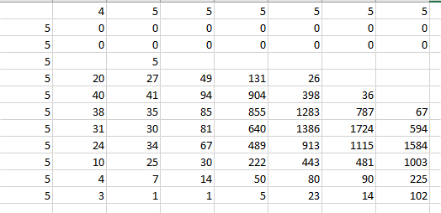
5 | nactives | 32 | 30-34 |  | 5
 | salary | 32 | 30-34 |  | 51551
5 | nactives | 37 | 35-39 | 20 | 27 | 49 | 131 | 26
 | salary | 37 | 35-39 | 62902 | 62902 | 62902 | 62902 | 62902
5 | nactives | 42 | 40-44 | 40 | 41 | 94 | 904 | 398 | 36
 | salary | 42 | 40-44 | 64650 | 64650 | 64650 | 64650 | 64650 | 64650
5 | nactives | 47 | 45-49 | 38 | 35 | 85 | 855 | 1283 | 787 | 67
 | salary | 47 | 45-49 | 65750 | 65750 | 65750 | 65750 | 65750 | 65750 | 65750
5 | nactives | 52 | 50-54 | 31 | 30 | 81 | 640 | 1386 | 1724 | 594
 | salary | 52 | 50-54 | 65309 | 65309 | 65309 | 65309 | 65309 | 65309 | 65309
5 | nactives | 57 | 55-59 | 24 | 34 | 67 | 489 | 913 | 1115 | 1584
 | salary | 57 | 55-59 | 64977 | 64977 | 64977 | 64977 | 64977 | 64977 | 64977
5 | nactives | 62 | 60-64 | 10 | 25 | 30 | 222 | 443 | 481 | 1003
 | salary | 62 | 60-64 | 67084 | 67084 | 67084 | 67084 | 67084 | 67084 | 67084
5 | nactives | 67 | 65-69 | 4 | 7 | 14 | 50 | 80 | 90 | 225
 | salary | 67 | 65-69 | 71982 | 71982 | 71982 | 71982 | 71982 | 71982 | 71982
5 | nactives | 72 | 70-74 | 3 | 1 | 1 | 5 | 23 | 14 | 102
 |  | 72 | 70-74 | 71844 | 71844 | 71844 | 71844 | 71844 | 71844 | 71844

Actives_t1.sal_CRR2013
TOC
startcell
endcell

 | 4 | 5 | 5 | 5 | 5 | 5 | 5
5 | 0 | 0 | 0 | 0 | 0 | 0 | 0
5 | 0 | 0 | 0 | 0 | 0 | 0 | 0
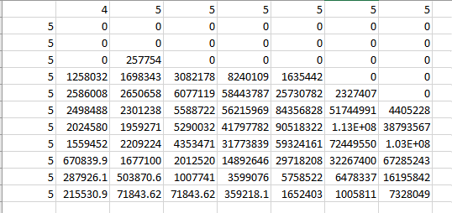
5 | 0 | 257754 | 0 | 0 | 0 | 0 | 0
5 | 1258031.937 | 1698343.115 | 3082178.245 | 8240109.186 | 1635441.518 | 0 | 0
5 | 2586008.275 | 2650658.482 | 6077119.446 | 58443787.01 | 25730782.34 | 2327407.447 | 0
5 | 2498487.502 | 2301238.489 | 5588722.044 | 56215968.8 | 84356828.04 | 51744991.16 | 4405227.964
5 | 2024580.071 | 1959271.037 | 5290031.799 | 41797782.11 | 90518321.89 | 112592775.6 | 38793566.52
5 | 1559452.197 | 2209223.946 | 4353470.716 | 31773838.51 | 59324160.66 | 72449549.98 | 102923845
5 | 670839.9142 | 1677099.785 | 2012519.743 | 14892646.09 | 29718208.2 | 32267399.87 | 67285243.39
5 | 287926.0851 | 503870.6489 | 1007741.298 | 3599076.064 | 5758521.702 | 6478336.915 | 16195842.29
5 | 215530.8523 | 71843.61745 | 71843.61745 | 359218.0872 | 1652403.201 | 1005810.644 | 7328048.98

RetBen_t1_AV2014
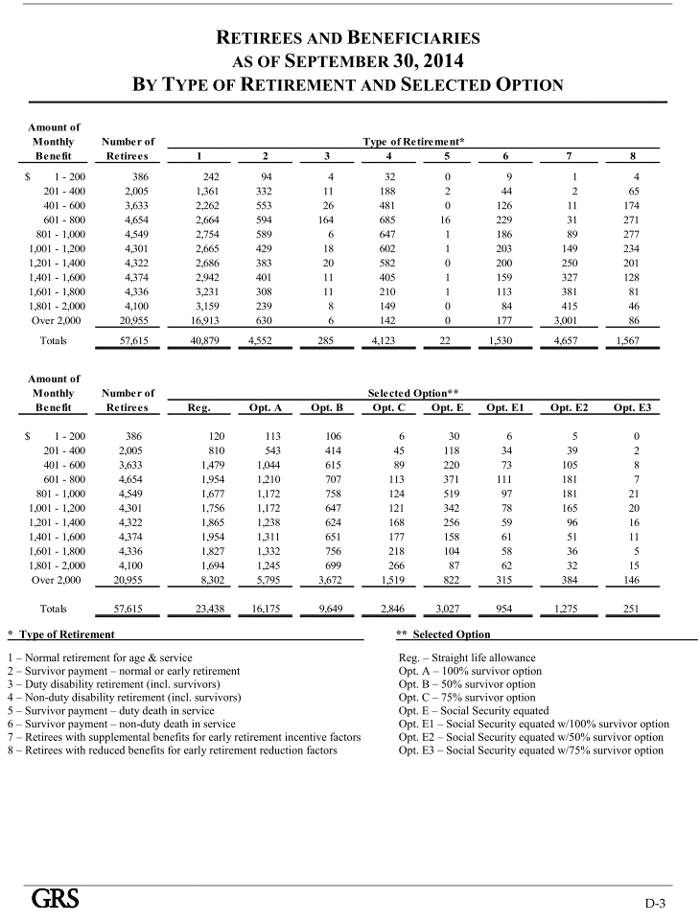
TOC
startcell
endcell

RetBen_t1_CRR2013_original
TOC
startcell | B8
endcell | E20
benperiod | month
name_N | nretirees
name_V | benefit
Notes:
- The total number of retirees and beneficiaries 32,394 does not match the number in AV2014, 56,852 (p D-2). One possible reason is that it does not include disability and death benefit of tier 2 (DC) mambers.
- Average benefits each cell are the same.
- 25 does not look a correct starting age.
- Known values:
- Total year-1 number of retirees: 57615
- Total year-1 benefit payment: 1,222m
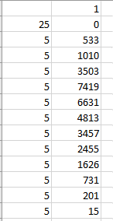
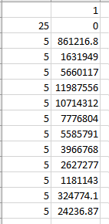
25 | agegrp | age.cell | N | V | 0
5 | 25-29 | 27 | 533 | 1615.7913193 | 861216.7732 | 19389.495832
5 | 30-34 | 32 | 1010 | 1615.7913198 | 1631949.233
5 | 35-39 | 37 | 3503 | 1615.7913194 | 5660116.992
5 | 40-44 | 42 | 7419 | 1615.7913196 | 11987555.8
5 | 45-49 | 47 | 6631 | 1615.7913196 | 10714312.24
5 | 50-54 | 52 | 4813 | 1615.7913193 | 7776803.62
5 | 55-59 | 57 | 3457 | 1615.7913194 | 5585790.591
5 | 60-64 | 62 | 2455 | 1615.7913193 | 3966767.689
5 | 65-69 | 67 | 1626 | 1615.7913192 | 2627276.685
5 | 70-74 | 72 | 731 | 1615.7913187 | 1181143.454
5 | 75-79 | 77 | 201 | 1615.7913194 | 324774.0552
5 | 80-84 | 82 | 15 | 1615.7913193 | 24236.86979

 |  |  | 1.7785701056 |  | 1136334359.5

RetBen_t1_CRR2013_shifted1
TOC
startcell | B8
endcell | E20
benperiod | month
name_N | nretirees
name_V | benefit
Notes:
- The total number of retirees and beneficiaries 32,394 does not match the number in AV2014, 56,852 (p D-2). One possible reason is that it does not include disability and death benefit of tier 2 (DC) mambers.
- Average benefits each cell are the same.
- 25 does not look a correct starting age.
- Known values:
- Total year-1 (year end 2015) number of retirees: 58453
- Total year-1 (2014-2015) benefit payment: 1.265m
2013-2014 benefit payment 1,222m
40 | agegrp | age.cell | N | V | 0
5 | 40-44 | 42 | 533 | 1615.7913193 | 861216.7732 | 19389.495832
5 | 45-49 | 47 | 1010 | 1615.7913198 | 1631949.233
5 | 50-54 | 52 | 3503 | 1615.7913194 | 5660116.992
5 | 55-59 | 57 | 7419 | 1615.7913196 | 11987555.8
5 | 60-64 | 62 | 6631 | 1615.7913196 | 10714312.24
5 | 65-69 | 67 | 4813 | 1615.7913193 | 7776803.62
5 | 70-74 | 72 | 3457 | 1615.7913194 | 5585790.591
5 | 75-79 | 77 | 2455 | 1615.7913193 | 3966767.689
5 | 80-84 | 82 | 1626 | 1615.7913192 | 2627276.685
5 | 85-89 | 87 | 731 | 1615.7913187 | 1181143.454
5 | 90-94 | 92 | 201 | 1615.7913194 | 324774.0552
5 | 95-99 | 97 | 15 | 1615.7913193 | 24236.86979

 |  |  | 1.7785701056 |  | 1136334359.5

RetBen_t1_CRR2013_shifted2
TOC
startcell | B8
endcell | E20
benperiod | month
name_N | nretirees
name_V | benefit
Notes:
- The total number of retirees and beneficiaries 32,394 does not match the number in AV2014, 56,852 (p D-2). One possible reason is that it does not include disability and death benefit of tier 2 (DC) mambers.
- Average benefits each cell are the same.
- 25 does not look a correct starting age.
- Known values:
- Total year-1 number of retirees: 57615
- Total year-1 benefit payment: 1,222m
40 | agegrp | age.cell | N | V | 0
5 | 50-54 | 52 | 533 | 1615.7913193 | 861216.7732 | 19389.495832
5 | 55-59 | 57 | 1010 | 1615.7913198 | 1631949.233
5 | 60-64 | 62 | 3503 | 1615.7913194 | 5660116.992
5 | 65-69 | 67 | 7419 | 1615.7913196 | 11987555.8
5 | 70-74 | 72 | 6631 | 1615.7913196 | 10714312.24
5 | 75-79 | 77 | 4813 | 1615.7913193 | 7776803.62
5 | 80-84 | 82 | 3457 | 1615.7913194 | 5585790.591
5 | 85-89 | 87 | 2455 | 1615.7913193 | 3966767.689
5 | 90-94 | 92 | 1626 | 1615.7913192 | 2627276.685
5 | 95-99 | 97 | 731 | 1615.7913187 | 1181143.454
5 | 100-104 | 102 | 201 | 1615.7913194 | 324774.0552
5 | 105-109 | 107 | 15 | 1615.7913193 | 24236.86979

 |  |  | 1.7785701056 |  | 1136334359.5

RetBen_t1_CRR2013
TOC
startcell | B8
endcell | E20
benperiod | month
name_N | nretirees
name_V | benefit
Notes:
- The total number of retirees and beneficiaries 32,394 does not match the number in AV2014, 56,852 (p D-2). One possible reason is that it does not include disability and death benefit of tier 2 (DC) mambers.
- Average benefits each cell are the same.
- 25 does not look a correct starting age.
- Known values:
- Total year-1 number of retirees: 57615
- Total year-1 benefit payment: 1,222m
40 | agegrp | age.cell | N | V | 0
5 | 45-49 | 47 | 533 | 1615.7913193 | 861216.7732 | 19389.495832
5 | 50-54 | 52 | 1010 | 1615.7913198 | 1631949.233
5 | 55-59 | 57 | 3503 | 1615.7913194 | 5660116.992
5 | 60-64 | 62 | 7419 | 1615.7913196 | 11987555.8
5 | 65-69 | 67 | 6631 | 1615.7913196 | 10714312.24
5 | 70-74 | 72 | 4813 | 1615.7913193 | 7776803.62
5 | 75-79 | 77 | 3457 | 1615.7913194 | 5585790.591
5 | 80-84 | 82 | 2455 | 1615.7913193 | 3966767.689
5 | 85-89 | 87 | 1626 | 1615.7913192 | 2627276.685
5 | 90-94 | 92 | 731 | 1615.7913187 | 1181143.454
5 | 95-99 | 97 | 201 | 1615.7913194 | 324774.0552
5 | 100-104 | 102 | 15 | 1615.7913193 | 24236.86979

 |  |  | 1.7785701056 |  | 1136334359.5

