returns
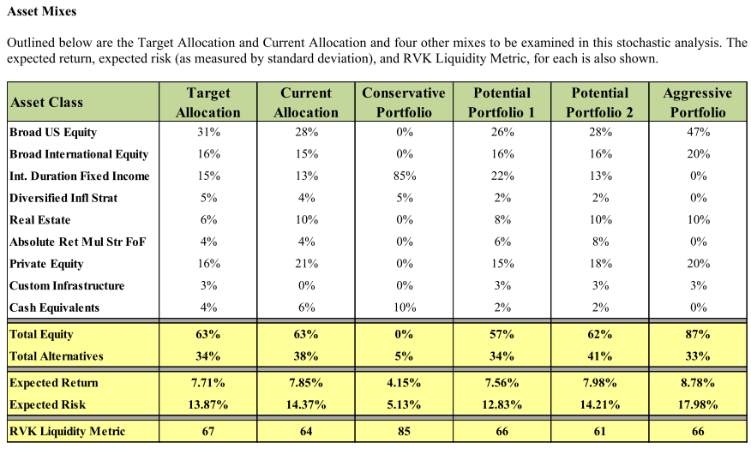
scenario | r.mean | r.sd | period | return_det | r.geoMean | Notes
RS1 | 0.0760 | 0 | 1 | 0.076 | 7.6% | MISERS assumption met
RS1 | 0.0800 | 0 | 1 | 0.080 | 8.0%
RS1 | 0.0872 | 0.12 | 30 | 0.080 | 8.0%
RS2 | 0.0760 | 0 | 1 | 0.076 | 7.6% | 15 years of low returns
RS2 | 0.0800 | 0 | 1 | 0.080 | 8.0%
RS2 | 0.0572 | 0.12 | 10 | 0.050 | 5.0%
RS2 | 0.0722 | 0.12 | 5 | 0.065 | 6.5%
RS2 | 0.0872 | 0.12 | 15 | 0.080 | 8.0%
RS3 | 0.0760 | 0 | 1 | 0.076 | 7.6% | High volatility
RS3 | 0.0800 | 0 | 1 | 0.080 | 8.0%
RS3 | 0.0969 | 0.18 | 30 | 0.080 | 8.0%
RS4 | 0.0760 | 0 | 1 | 0.076 | 7.6% | 7.5% mean return; DC = 8%
RS4 | 0.0800 | 0 | 1 | 0.080 | 8.0%
RS4 | 0.0822 | 0.12 | 30 | 0.075 | 7.5%
RS5 | 0.0822 | 0.12 | 30 | 0.075 | 7.5% | 7.5% mean return; DC = 7.5%

