Tiers
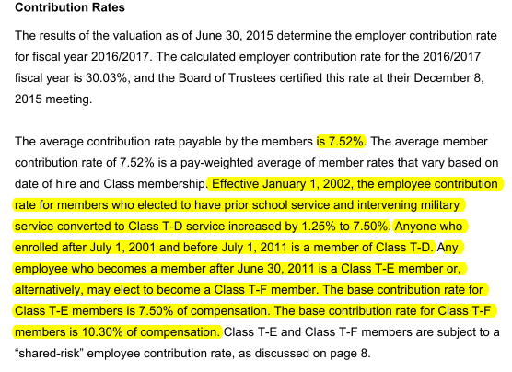
Tier Info | AV2015 pdf p8; member data pdf p37-38

KeyVars
TOC

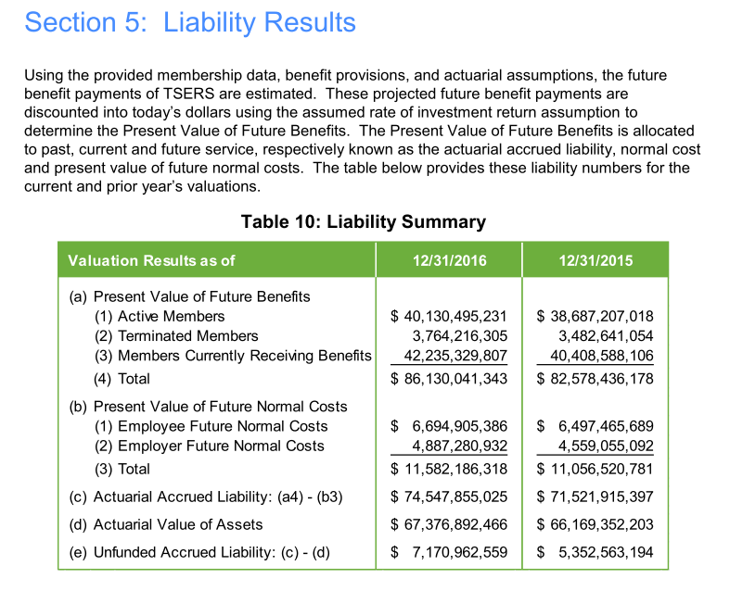
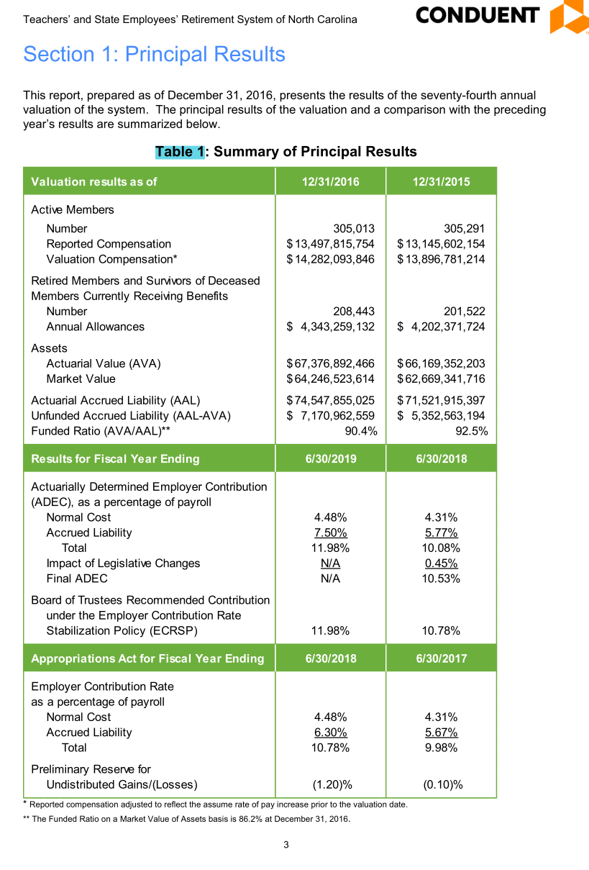

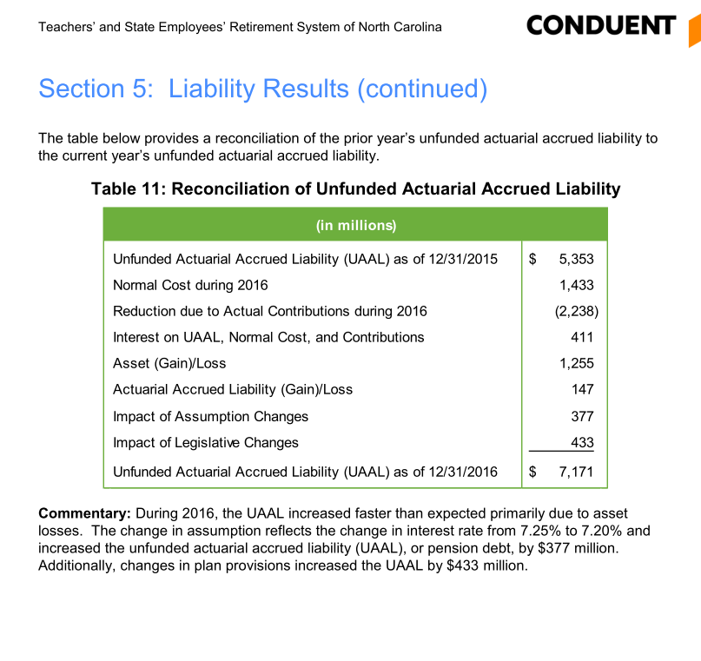

 |  |  |  |  |  | 0.92516191486

 |  |  |  |  |  |  | 1.0571276434

 |  |  |  |  | 10302

 | salary 2016 | ERC rate |  | recommended budget to TSERS and judicial
 | 14282 | 0.1078 | 1593.485586

FundingPolicy
TOC

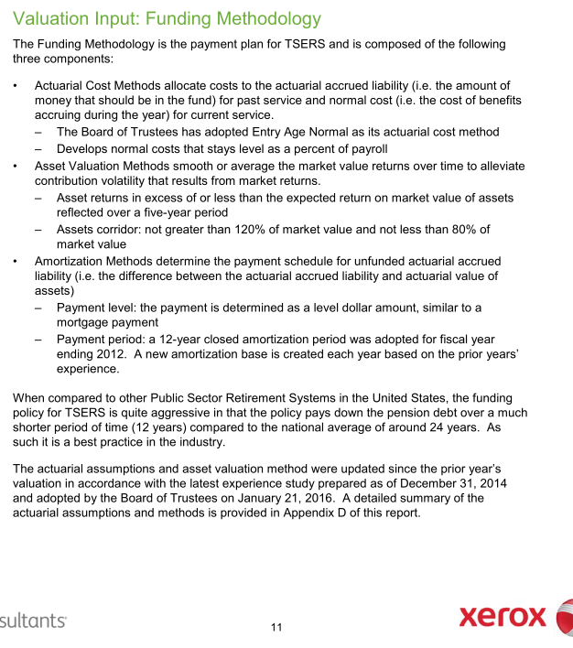
CAFR pdf p97 |  | Notes
Employer Contribution
Method | EAN
Asset smoothing | 1. Smoothing Period: 5 years 2. Asset corridor: AA not greater than 120% of market value and not less than 80% of market value
Amortization | Amort method: - 12-year level dollar closed amortization method.
Employee Contribution | 6% (Calculated based info on AV2015 pdf page 34 and 36: Employee Future Normal cost / Present value of future salary)
Employer Contribution Rate Stablelization Policy (ECRSP) | 



 | 6497465689 | 6862370246
 | 108291094820 | 114372837433
 | 0.06000 | 0.06000

Assumptions
TOC
 |  | Source: AV 2015 pdf page 84

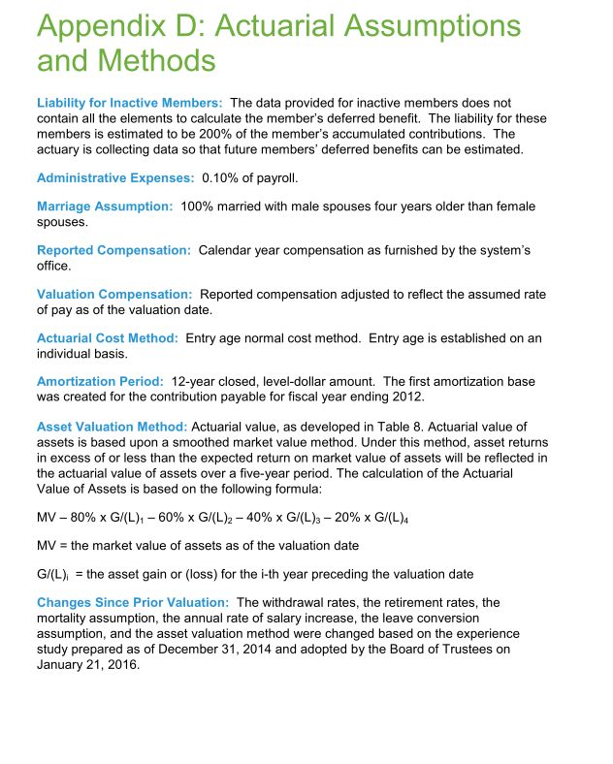
 |  | Note
Net investment return(Discount rate) | 7.25%
inflation | 3%
Real wage growth | 0.5%
COLA and CPI | Ad hoc

Question:

calibSalgrowth
 | ax_60 | 20 |  | NC rate | 0.27496061262
 | discRate | 0.072 |  | actDiscRate | 0.073073073073

yos | age | grate1 | salary | disc sal at 25 | survival rate | cum surv rate | survival to 60 | disc factor | PVFB | PVFS at 25 | NC | PVFNC | AL | PVFNC/PVFB
0 | 25 | 0.055 | 1 | 1 | 0.999 | 1.000 | 0.966 | 0.088 | 6.0649097153 | 22.057376355 | 0.275 | 6.0649097153 | 0.00 | 100.0%
1 | 26 | 0.053 | 1.055 | 0.98315764925 | 0.999 | 0.999 | 0.967 | 0.094 | 6.5080913061 |  | 0.290 | 6.2130384766 | 0.30 | 95.5%
2 | 27 | 0.051 | 1.110915 | 0.96476654819 | 0.999 | 0.998 | 0.968 | 0.101 | 6.9836575377 |  | 0.305 | 6.355763556 | 0.63 | 91.0%
3 | 28 | 0.049 | 1.167571665 | 0.94492133629 | 0.999 | 0.997 | 0.968 | 0.108 | 7.4939748553 |  | 0.321 | 6.4924201166 | 1.00 | 86.6%
4 | 29 | 0.047 | 1.2247826766 | 0.92372318964 | 0.999 | 0.996 | 0.969 | 0.116 | 8.0415826275 |  | 0.337 | 6.6223458827 | 1.42 | 82.4%
5 | 30 | 0.045 | 1.2823474624 | 0.9012789565 | 0.999 | 0.995 | 0.970 | 0.124 | 8.6292057824 |  | 0.353 | 6.744885453 | 1.88 | 78.2%
6 | 31 | 0.043 | 1.3400530982 | 0.8777002547 | 0.999 | 0.994 | 0.971 | 0.133 | 9.2597683671 |  | 0.368 | 6.8593947134 | 2.40 | 74.1%
7 | 32 | 0.041 | 1.3976753814 | 0.85310254131 | 0.999 | 0.993 | 0.972 | 0.143 | 9.9364080977 |  | 0.384 | 6.9652453061 | 2.97 | 70.1%
8 | 33 | 0.039 | 1.4549800721 | 0.82760416582 | 0.999 | 0.992 | 0.973 | 0.153 | 10.662491973 |  | 0.400 | 7.0618291093 | 3.60 | 66.2%
9 | 34 | 0.037 | 1.5117242949 | 0.8013254175 | 0.999 | 0.991 | 0.974 | 0.164 | 11.441633028 |  | 0.416 | 7.1485626766 | 4.29 | 62.5%
10 | 35 | 0.035 | 1.5676580938 | 0.77438757788 | 0.999 | 0.990 | 0.975 | 0.176 | 12.277708314 |  | 0.431 | 7.2248915887 | 5.05 | 58.8%
11 | 36 | 0.035 | 1.6225261271 | 0.74691198877 | 0.999 | 0.989 | 0.976 | 0.189 | 13.174878191 |  | 0.446 | 7.2902946634 | 5.88 | 55.3%
12 | 37 | 0.035 | 1.6793145415 | 0.72041124484 | 0.999 | 0.988 | 0.977 | 0.202 | 14.137607028 |  | 0.462 | 7.3442879732 | 6.79 | 51.9%
13 | 38 | 0.035 | 1.7380905505 | 0.69485075818 | 0.999 | 0.987 | 0.978 | 0.217 | 15.170685419 |  | 0.478 | 7.3854711578 | 7.79 | 48.7%
14 | 39 | 0.035 | 1.7989237197 | 0.67019716808 | 0.999 | 0.986 | 0.979 | 0.232 | 16.279254023 |  | 0.495 | 7.4123216965 | 8.87 | 45.5%
15 | 40 | 0.035 | 1.8618860499 | 0.64641829748 | 0.999 | 0.985 | 0.980 | 0.249 | 17.468829142 |  | 0.512 | 7.4231852878 | 10.05 | 42.5%
16 | 41 | 0.035 | 1.9270520617 | 0.62348311096 | 0.999 | 0.984 | 0.981 | 0.267 | 18.74533017 |  | 0.530 | 7.4162655014 | 11.33 | 39.6%
17 | 42 | 0.035 | 1.9944988838 | 0.60136167428 | 0.999 | 0.983 | 0.982 | 0.286 | 20.115109052 |  | 0.548 | 7.3896126488 | 12.73 | 36.7%
18 | 43 | 0.035 | 2.0643063447 | 0.58002511525 | 0.999 | 0.982 | 0.983 | 0.307 | 21.584981885 |  | 0.568 | 7.3411118147 | 14.24 | 34.0%
19 | 44 | 0.035 | 2.1365570668 | 0.55944558609 | 0.999 | 0.981 | 0.984 | 0.329 | 23.162262844 |  | 0.587 | 7.2684699867 | 15.89 | 31.4%
20 | 45 | 0.035 | 2.2113365642 | 0.53959622707 | 0.999 | 0.980 | 0.985 | 0.352 | 24.854800569 |  | 0.608 | 7.1692022171 | 17.69 | 28.8%
21 | 46 | 0.035 | 2.2887333439 | 0.52045113146 | 0.999 | 0.979 | 0.986 | 0.378 | 26.671017227 |  | 0.629 | 7.0406167442 | 19.63 | 26.4%
22 | 47 | 0.035 | 2.3688390109 | 0.50198531169 | 0.999 | 0.978 | 0.987 | 0.405 | 28.619950418 |  | 0.651 | 6.8797989969 | 21.74 | 24.0%
23 | 48 | 0.035 | 2.4517483763 | 0.4841746668 | 0.999 | 0.977 | 0.988 | 0.434 | 30.711298147 |  | 0.674 | 6.6835943988 | 24.03 | 21.8%
24 | 49 | 0.035 | 2.5375595695 | 0.46699595089 | 0.999 | 0.976 | 0.989 | 0.465 | 32.95546708 |  | 0.698 | 6.4485898849 | 26.51 | 19.6%
25 | 50 | 0.035 | 2.6263741544 | 0.45042674288 | 0.999 | 0.975 | 0.990 | 0.499 | 35.363624334 |  | 0.722 | 6.1710940336 | 29.19 | 17.5%
26 | 51 | 0.035 | 2.7182972498 | 0.43444541716 | 0.999 | 0.974 | 0.991 | 0.535 | 37.947753039 |  | 0.747 | 5.8471157131 | 32.10 | 15.4%
27 | 52 | 0.035 | 2.8134376536 | 0.41903111544 | 0.999 | 0.973 | 0.992 | 0.573 | 40.72071197 |  | 0.774 | 5.4723411318 | 35.25 | 13.4%
28 | 53 | 0.035 | 2.9119079714 | 0.40416371948 | 0.999 | 0.972 | 0.993 | 0.615 | 43.696299532 |  | 0.801 | 5.0421091747 | 38.65 | 11.5%
29 | 54 | 0.035 | 3.0138247504 | 0.38982382482 | 0.999 | 0.971 | 0.994 | 0.659 | 46.88932242 |  | 0.829 | 4.5513849005 | 42.34 | 9.7%
30 | 55 | 0.035 | 3.1193086167 | 0.37599271552 | 0.999 | 0.970 | 0.995 | 0.706 | 50.315669304 |  | 0.858 | 3.9947310616 | 46.32 | 7.9%
31 | 56 | 0.035 | 3.2284844183 | 0.36265233964 | 0.999 | 0.969 | 0.996 | 0.757 | 53.992389884 |  | 0.888 | 3.3662775027 | 50.63 | 6.2%
32 | 57 | 0.035 | 3.3414813729 | 0.34978528578 | 0.999 | 0.968 | 0.997 | 0.812 | 57.937779735 |  | 0.919 | 2.6596882819 | 55.28 | 4.6%
33 | 58 | 0.035 | 3.458433221 | 0.33737476027 | 0.999 | 0.968 | 0.998 | 0.870 | 62.171471347 |  | 0.951 | 1.8681263441 | 60.30 | 3.0%
34 | 59 | 0.035 | 3.5794783837 | 0.32540456531 | 0.999 | 0.967 | 0.999 | 0.933 | 66.714531816 |  | 0.984 | 0.98421556923 | 65.73 | 1.5%
35 | 60 | 0.035 | 0 | 0 | 0.999 | 0.966 | 1.000 | 1.000 | 71.589567674 |  | 0.000 | 0 | 71.59 | 0.0%
 |  |  | 71.589567674

calibSalgrowth (2)
 | ax_60 | 20 |  |  | NC rate | 0.27496061262 |  | NC rate 2 | 0.28508341139
 | discRate | 0.072 |  |  | actDiscRate | 0.073073073073

yos | age | grate1 | grate.adj | grate2 | salary | salary2 | grate | disc sal at 25 | disc sal at 26 | survival rate | cum surv rate | survival to 60 | disc factor | PVFB | PVFB2 | PVFS at 25 | PVFS at 25 2 | NC | NC2 | PVFNC | PVFNC2 | AL | AL2 | PVFNC/PVFB | PVFNC/PVFB
0 | 25 | 0.055 | 0.85 | 0.04675 | 1 | 1 |  | 1 | 1 | 0.999 | 1.000 | 0.966 | 0.088 | 6.0649097153 | 6.0648690483 | 22.057376355 | 21.274015976 | 0.275 | 0.285 | 6.0649097153 | 6.0648690483 | 0.00 | 0.00 | 100.0% | 100.0%
1 | 26 | 0.053 | 0.85 | 0.04505 | 1.055 | 1.04675 |  | 0.98315764925 | 0.97546944963 | 0.999 | 0.999 | 0.967 | 0.094 | 6.5080913061 | 6.5080476674 |  |  | 0.290 | 0.298 | 6.2130384766 | 6.2021323351 | 0.30 | 0.31 | 95.5% | 95.3%
2 | 27 | 0.051 | 0.85 | 0.04335 | 1.110915 | 1.0939060875 |  | 0.96476654819 | 0.94999527424 | 0.999 | 0.998 | 0.968 | 0.101 | 6.9836575377 | 6.9836107102 |  |  | 0.305 | 0.312 | 6.355763556 | 6.3351243303 | 0.63 | 0.65 | 91.0% | 90.7%
3 | 28 | 0.049 | 0.85 | 0.04165 | 1.167571665 | 1.1413269164 |  | 0.94492133629 | 0.92368133564 | 0.999 | 0.997 | 0.968 | 0.108 | 7.4939748553 | 7.4939246059 |  |  | 0.321 | 0.325 | 6.4924201166 | 6.4634086891 | 1.00 | 1.03 | 86.6% | 86.2%
4 | 29 | 0.047 | 0.9 | 0.0423 | 1.2247826766 | 1.1888631825 |  | 0.92372318964 | 0.896632939 | 0.999 | 0.996 | 0.969 | 0.116 | 8.0415826275 | 8.0415287063 |  |  | 0.337 | 0.339 | 6.6223458827 | 6.5865604216 | 1.42 | 1.45 | 82.4% | 81.9%
5 | 30 | 0.045 | 0.9 | 0.0405 | 1.2823474624 | 1.2391520951 |  | 0.9012789565 | 0.87091973116 | 0.999 | 0.995 | 0.970 | 0.124 | 8.6292057824 | 8.629147921 |  |  | 0.353 | 0.353 | 6.744885453 | 6.704169157 | 1.88 | 1.92 | 78.2% | 77.7%
6 | 31 | 0.043 | 0.9 | 0.0387 | 1.3400530982 | 1.2893377549 |  | 0.8777002547 | 0.84448301147 | 0.999 | 0.994 | 0.971 | 0.133 | 9.2597683671 | 9.2597062776 |  |  | 0.368 | 0.368 | 6.8593947134 | 6.8149877747 | 2.40 | 2.44 | 74.1% | 73.6%
7 | 32 | 0.041 | 0.9 | 0.0369 | 1.3976753814 | 1.339235126 |  | 0.85310254131 | 0.81743221969 | 0.999 | 0.993 | 0.972 | 0.143 | 9.9364080977 | 9.9363414711 |  |  | 0.384 | 0.382 | 6.9652453061 | 6.9185516866 | 2.97 | 3.02 | 70.1% | 69.6%
8 | 33 | 0.039 | 0.9 | 0.0351 | 1.4549800721 | 1.3886529022 |  | 0.82760416582 | 0.78987674732 | 0.999 | 0.992 | 0.973 | 0.153 | 10.662491973 | 10.662420477 |  |  | 0.400 | 0.396 | 7.0618291093 | 7.0144189609 | 3.60 | 3.65 | 66.2% | 65.8%
9 | 34 | 0.037 | 0.9 | 0.0333 | 1.5117242949 | 1.4373946191 |  | 0.8013254175 | 0.76192520497 | 0.999 | 0.991 | 0.974 | 0.164 | 11.441633028 | 11.441556308 |  |  | 0.416 | 0.410 | 7.1485626766 | 7.1021738961 | 4.29 | 4.34 | 62.5% | 62.1%
10 | 35 | 0.035 | 0.9 | 0.0315 | 1.5676580938 | 1.4852598599 |  | 0.77438757788 | 0.73368471734 | 0.999 | 0.990 | 0.975 | 0.176 | 12.277708314 | 12.277625988 |  |  | 0.431 | 0.423 | 7.2248915887 | 7.1814305156 | 5.05 | 5.10 | 58.8% | 58.5%
11 | 36 | 0.035 | 0.9 | 0.0315 | 1.6225261271 | 1.5320455455 |  | 0.74691198877 | 0.705260252 | 0.999 | 0.989 | 0.976 | 0.189 | 13.174878191 | 13.174789849 |  |  | 0.446 | 0.437 | 7.2902946634 | 7.2518359488 | 5.88 | 5.92 | 55.3% | 55.0%
12 | 37 | 0.035 | 0.9 | 0.0315 | 1.6793145415 | 1.5803049801 |  | 0.72041124484 | 0.67793700932 | 0.999 | 0.988 | 0.977 | 0.202 | 14.137607028 | 14.137512231 |  |  | 0.462 | 0.451 | 7.3442879732 | 7.3130736648 | 6.79 | 6.82 | 51.9% | 51.7%
13 | 38 | 0.035 | 1.05 | 0.03675 | 1.7380905505 | 1.630084587 |  | 0.69485075818 | 0.65167232564 | 0.999 | 0.987 | 0.978 | 0.217 | 15.170685419 | 15.170583695 |  |  | 0.478 | 0.465 | 7.3854711578 | 7.3640229079 | 7.79 | 7.81 | 48.7% | 48.5%
14 | 39 | 0.035 | 1.05 | 0.03675 | 1.7989237197 | 1.6899901956 |  | 0.67019716808 | 0.62961349098 | 0.999 | 0.986 | 0.979 | 0.232 | 16.279254023 | 16.279144866 |  |  | 0.495 | 0.482 | 7.4123216965 | 7.4034668238 | 8.87 | 8.88 | 45.5% | 45.5%
15 | 40 | 0.035 | 1.05 | 0.03675 | 1.8618860499 | 1.7520973353 |  | 0.64641829748 | 0.6083013386 | 0.999 | 0.985 | 0.980 | 0.249 | 17.468829142 | 17.468712008 |  |  | 0.512 | 0.499 | 7.4231852878 | 7.4274669836 | 10.05 | 10.04 | 42.5% | 42.5%
16 | 41 | 0.035 | 1.05 | 0.03675 | 1.9270520617 | 1.8164869124 |  | 0.62348311096 | 0.58771059364 | 0.999 | 0.984 | 0.981 | 0.267 | 18.74533017 | 18.745204477 |  |  | 0.530 | 0.518 | 7.4162655014 | 7.4342213827 | 11.33 | 11.31 | 39.6% | 39.7%
17 | 42 | 0.035 | 1.1 | 0.0385 | 1.9944988838 | 1.8832428064 |  | 0.60136167428 | 0.56781683675 | 0.999 | 0.983 | 0.982 | 0.286 | 20.115109052 | 20.114974174 |  |  | 0.548 | 0.537 | 7.3896126488 | 7.4217715875 | 12.73 | 12.69 | 36.7% | 36.9%
18 | 43 | 0.035 | 1.1 | 0.0385 | 2.0643063447 | 1.9557476544 |  | 0.58002511525 | 0.54952248804 | 0.999 | 0.982 | 0.983 | 0.307 | 21.584981885 | 21.584837152 |  |  | 0.568 | 0.558 | 7.3411118147 | 7.3879903961 | 14.24 | 14.20 | 34.0% | 34.2%
19 | 44 | 0.035 | 1.1 | 0.0385 | 2.1365570668 | 2.0310439391 |  | 0.55944558609 | 0.53181756038 | 0.999 | 0.981 | 0.984 | 0.329 | 23.162262844 | 23.162107534 |  |  | 0.587 | 0.579 | 7.2684699867 | 7.3295603645 | 15.89 | 15.83 | 31.4% | 31.6%
20 | 45 | 0.035 | 1.1 | 0.0385 | 2.2113365642 | 2.1092391308 |  | 0.53959622707 | 0.51468306336 | 0.999 | 0.980 | 0.985 | 0.352 | 24.854800569 | 24.85463391 |  |  | 0.608 | 0.601 | 7.1692022171 | 7.2438263829 | 17.69 | 17.61 | 28.8% | 29.1%
21 | 46 | 0.035 | 1.1 | 0.0385 | 2.2887333439 | 2.1904448373 |  | 0.52045113146 | 0.49810061841 | 0.999 | 0.979 | 0.986 | 0.378 | 26.671017227 | 26.67083839 |  |  | 0.629 | 0.624 | 7.0406167442 | 7.1279064479 | 19.63 | 19.54 | 26.4% | 26.7%
22 | 47 | 0.035 | 1.1 | 0.0385 | 2.3688390109 | 2.2747769636 |  | 0.50198531169 | 0.48205243911 | 0.999 | 0.978 | 0.987 | 0.405 | 28.619950418 | 28.619758513 |  |  | 0.651 | 0.649 | 6.8797989969 | 6.9786738162 | 21.74 | 21.64 | 24.0% | 24.4%
23 | 48 | 0.035 | 1.1 | 0.0385 | 2.4517483763 | 2.3623558766 |  | 0.4841746668 | 0.46652131209 | 0.999 | 0.977 | 0.988 | 0.434 | 30.711298147 | 30.711092218 |  |  | 0.674 | 0.673 | 6.6835943988 | 6.7927378071 | 24.03 | 23.92 | 21.8% | 22.1%
24 | 49 | 0.035 | 1.1 | 0.0385 | 2.5375595695 | 2.4533065779 |  | 0.46699595089 | 0.45149057857 | 0.999 | 0.976 | 0.989 | 0.465 | 32.95546708 | 32.955246104 |  |  | 0.698 | 0.699 | 6.4485898849 | 6.5664231502 | 26.51 | 26.39 | 19.6% | 19.9%
25 | 50 | 0.035 | 1.1 | 0.0385 | 2.6263741544 | 2.5477588811 |  | 0.45042674288 | 0.43694411649 | 0.999 | 0.975 | 0.990 | 0.499 | 35.363624334 | 35.363387211 |  |  | 0.722 | 0.726 | 6.1710940336 | 6.2957477717 | 29.19 | 29.07 | 17.5% | 17.8%
26 | 51 | 0.035 | 1.1 | 0.0385 | 2.7182972498 | 2.6458475981 |  | 0.43444541716 | 0.42286632323 | 0.999 | 0.974 | 0.991 | 0.535 | 37.947753039 | 37.947498588 |  |  | 0.747 | 0.754 | 5.8471157131 | 5.9763989039 | 32.10 | 31.97 | 15.4% | 15.7%
27 | 52 | 0.035 | 1.1 | 0.0385 | 2.8134376536 | 2.7477127306 |  | 0.41903111544 | 0.40924209888 | 0.999 | 0.973 | 0.992 | 0.573 | 40.72071197 | 40.720438926 |  |  | 0.774 | 0.783 | 5.4723411318 | 5.6037073904 | 35.25 | 35.12 | 13.4% | 13.8%
28 | 53 | 0.035 | 1.1 | 0.0385 | 2.9119079714 | 2.8534996707 |  | 0.40416371948 | 0.39605683001 | 0.999 | 0.972 | 0.993 | 0.615 | 43.696299532 | 43.696006535 |  |  | 0.801 | 0.813 | 5.0421091747 | 5.1726200569 | 38.65 | 38.52 | 11.5% | 11.8%
29 | 54 | 0.035 | 1.1 | 0.0385 | 3.0138247504 | 2.9633594081 |  | 0.38982382482 | 0.38329637402 | 0.999 | 0.971 | 0.994 | 0.659 | 46.88932242 | 46.889008013 |  |  | 0.829 | 0.845 | 4.5513849005 | 4.6776700001 | 42.34 | 42.21 | 9.7% | 10.0%
30 | 55 | 0.035 | 1.1 | 0.0385 | 3.1193086167 | 3.0774487453 |  | 0.37599271552 | 0.37094704397 | 0.999 | 0.970 | 0.995 | 0.706 | 50.315669304 | 50.315331922 |  |  | 0.858 | 0.877 | 3.9947310616 | 4.1129446437 | 46.32 | 46.20 | 7.9% | 8.2%
31 | 56 | 0.035 | 1.1 | 0.0385 | 3.2284844183 | 3.195930522 |  | 0.36265233964 | 0.35899559389 | 0.999 | 0.969 | 0.996 | 0.757 | 53.992389884 | 53.992027849 |  |  | 0.888 | 0.911 | 3.3662775027 | 3.4720513926 | 50.63 | 50.52 | 6.2% | 6.4%
32 | 57 | 0.035 | 1.1 | 0.0385 | 3.3414813729 | 3.318973847 |  | 0.34978528578 | 0.3474292046 | 0.999 | 0.968 | 0.997 | 0.812 | 57.937779735 | 57.937391245 |  |  | 0.919 | 0.946 | 2.6596882819 | 2.7480807099 | 55.28 | 55.19 | 4.6% | 4.7%
33 | 58 | 0.035 | 1.1 | 0.0385 | 3.458433221 | 3.4467543402 |  | 0.33737476027 | 0.33623546992 | 0.999 | 0.968 | 0.998 | 0.870 | 62.171471347 | 62.171054469 |  |  | 0.951 | 0.983 | 1.8681263441 | 1.933566425 | 60.30 | 60.24 | 3.0% | 3.1%
34 | 59 | 0.035 | 1.1 | 0.0385 | 3.5794783837 | 3.5794543823 |  | 0.32540456531 | 0.32540238337 | 0.999 | 0.967 | 0.999 | 0.933 | 66.714531816 | 66.714084475 |  |  | 0.984 | 1.020 | 0.98421556923 | 1.0204430662 | 65.73 | 65.69 | 1.5% | 1.5%
35 | 60 | 0.035 | 1.1 | 0 | 0 | 0 |  | 0 | 0 | 0.999 | 0.966 | 1.000 | 1.000 | 71.589567674 | 71.589087645 |  |  | 0.000 | 0.000 | 0 | 0 | 71.59 | 71.59 | 0.0% | 0.0%
 |  |  |  |  | 71.589567674 | 71.589087645

calibSalgrowth (3)
 | ax_60 | 20 |  |  | NC rate | 0.27496061262 |  | NC rate 2 | 0.30297410897
 | discRate | 0.072 |  |  | actDiscRate | 0.073073073073

yos | age | grate1 | grate.adj | grate2 | salary | salary2 | grate | disc sal at 25 | disc sal at 26 | survival rate | cum surv rate | survival to 60 | disc factor | PVFB | PVFB2 | PVFS at 25 | PVFS at 25 2 | NC | NC2 | NC2/NC1 | PVFNC | PVFNC2 | AL | AL2 |  | PVFNC/PVFB | PVFNC/PVFB
0 | 25 | 0.055 | 0.005 | 0.06 | 1.00 | 1.00 |  | 1.00 | 1.00 | 0.999 | 1.000 | 0.966 | 0.088 | 6.06 | 7.14 | 22.06 | 23.57 | 0.27 | 0.30 | 10.2% | 6.06 | 7.14 | 0.00 | 0.00 | 20% | 100.0% | 100.0%
1 | 26 | 0.053 | 0.005 | 0.058 | 1.06 | 1.06 |  | 0.98 | 0.99 | 0.999 | 0.999 | 0.967 | 0.094 | 6.51 | 7.66 |  |  | 0.29 | 0.32 | 10.7% | 6.21 | 7.34 | 0.30 | 0.33 | 10% | 95.5% | 95.8%
2 | 27 | 0.051 | 0.005 | 0.056 | 1.11 | 1.12 |  | 0.96 | 0.97 | 0.999 | 0.998 | 0.968 | 0.101 | 6.98 | 8.22 |  |  | 0.31 | 0.34 | 11.2% | 6.36 | 7.53 | 0.63 | 0.69 | 10% | 91.0% | 91.6%
3 | 28 | 0.049 | 0.005 | 0.054 | 1.17 | 1.18 |  | 0.94 | 0.96 | 0.999 | 0.997 | 0.968 | 0.108 | 7.49 | 8.82 |  |  | 0.32 | 0.36 | 11.8% | 6.49 | 7.72 | 1.00 | 1.11 | 11% | 86.6% | 87.4%
4 | 29 | 0.047 | 0.005 | 0.052 | 1.22 | 1.25 |  | 0.92 | 0.94 | 0.999 | 0.996 | 0.969 | 0.116 | 8.04 | 9.47 |  |  | 0.34 | 0.38 | 12.3% | 6.62 | 7.89 | 1.42 | 1.57 | 11% | 82.4% | 83.4%
5 | 30 | 0.045 | 0.005 | 0.05 | 1.28 | 1.31 |  | 0.90 | 0.92 | 0.999 | 0.995 | 0.970 | 0.124 | 8.63 | 10.16 |  |  | 0.35 | 0.40 | 12.8% | 6.74 | 8.06 | 1.88 | 2.10 | 11% | 78.2% | 79.4%
6 | 31 | 0.043 | 0.005 | 0.048 | 1.34 | 1.38 |  | 0.88 | 0.90 | 0.999 | 0.994 | 0.971 | 0.133 | 9.26 | 10.90 |  |  | 0.37 | 0.42 | 13.4% | 6.86 | 8.23 | 2.40 | 2.68 | 11% | 74.1% | 75.5%
7 | 32 | 0.041 | 0.005 | 0.046 | 1.40 | 1.44 |  | 0.85 | 0.88 | 0.999 | 0.993 | 0.972 | 0.143 | 9.94 | 11.70 |  |  | 0.38 | 0.44 | 13.9% | 6.97 | 8.38 | 2.97 | 3.32 | 12% | 70.1% | 71.6%
8 | 33 | 0.039 | 0.005 | 0.044 | 1.45 | 1.51 |  | 0.83 | 0.86 | 0.999 | 0.992 | 0.973 | 0.153 | 10.66 | 12.55 |  |  | 0.40 | 0.46 | 14.5% | 7.06 | 8.52 | 3.60 | 4.03 | 12% | 66.2% | 67.9%
9 | 34 | 0.037 | 0.005 | 0.042 | 1.51 | 1.58 |  | 0.80 | 0.84 | 0.999 | 0.991 | 0.974 | 0.164 | 11.44 | 13.47 |  |  | 0.42 | 0.48 | 15.0% | 7.15 | 8.65 | 4.29 | 4.82 | 12% | 62.5% | 64.2%
10 | 35 | 0.035 | 0.005 | 0.04 | 1.57 | 1.64 |  | 0.77 | 0.81 | 0.999 | 0.990 | 0.975 | 0.176 | 12.28 | 14.46 |  |  | 0.43 | 0.50 | 15.6% | 7.22 | 8.77 | 5.05 | 5.68 | 12% | 58.8% | 60.7%
11 | 36 | 0.035 | 0.005 | 0.04 | 1.62 | 1.71 |  | 0.75 | 0.79 | 0.999 | 0.989 | 0.976 | 0.189 | 13.17 | 15.51 |  |  | 0.45 | 0.52 | 16.1% | 7.29 | 8.88 | 5.88 | 6.63 | 13% | 55.3% | 57.2%
12 | 37 | 0.035 | 0.005 | 0.04 | 1.68 | 1.78 |  | 0.72 | 0.76 | 0.999 | 0.988 | 0.977 | 0.202 | 14.14 | 16.65 |  |  | 0.46 | 0.54 | 16.7% | 7.34 | 8.97 | 6.79 | 7.67 | 13% | 51.9% | 53.9%
13 | 38 | 0.035 | 0.005 | 0.04 | 1.74 | 1.85 |  | 0.69 | 0.74 | 0.999 | 0.987 | 0.978 | 0.217 | 15.17 | 17.86 |  |  | 0.48 | 0.56 | 17.3% | 7.39 | 9.05 | 7.79 | 8.81 | 13% | 48.7% | 50.7%
14 | 39 | 0.035 | 0.005 | 0.04 | 1.80 | 1.92 |  | 0.67 | 0.72 | 0.999 | 0.986 | 0.979 | 0.232 | 16.28 | 19.17 |  |  | 0.49 | 0.58 | 17.8% | 7.41 | 9.11 | 8.87 | 10.06 | 13% | 45.5% | 47.5%
15 | 40 | 0.035 | 0.005 | 0.04 | 1.86 | 2.00 |  | 0.65 | 0.69 | 0.999 | 0.985 | 0.980 | 0.249 | 17.47 | 20.57 |  |  | 0.51 | 0.61 | 18.4% | 7.42 | 9.15 | 10.05 | 11.42 | 14% | 42.5% | 44.5%
16 | 41 | 0.035 | 0.005 | 0.04 | 1.93 | 2.08 |  | 0.62 | 0.67 | 0.999 | 0.984 | 0.981 | 0.267 | 18.75 | 22.07 |  |  | 0.53 | 0.63 | 19.0% | 7.42 | 9.17 | 11.33 | 12.90 | 14% | 39.6% | 41.5%
17 | 42 | 0.035 | 0.005 | 0.04 | 1.99 | 2.16 |  | 0.60 | 0.65 | 0.999 | 0.983 | 0.982 | 0.286 | 20.12 | 23.68 |  |  | 0.55 | 0.66 | 19.5% | 7.39 | 9.16 | 12.73 | 14.52 | 14% | 36.7% | 38.7%
18 | 43 | 0.035 | 0.005 | 0.04 | 2.06 | 2.25 |  | 0.58 | 0.63 | 0.999 | 0.982 | 0.983 | 0.307 | 21.58 | 25.42 |  |  | 0.57 | 0.68 | 20.1% | 7.34 | 9.13 | 14.24 | 16.29 | 14% | 34.0% | 35.9%
19 | 44 | 0.035 | 0.005 | 0.04 | 2.14 | 2.34 |  | 0.56 | 0.61 | 0.999 | 0.981 | 0.984 | 0.329 | 23.16 | 27.27 |  |  | 0.59 | 0.71 | 20.7% | 7.27 | 9.06 | 15.89 | 18.21 | 15% | 31.4% | 33.2%
20 | 45 | 0.035 | 0.005 | 0.04 | 2.21 | 2.43 |  | 0.54 | 0.59 | 0.999 | 0.980 | 0.985 | 0.352 | 24.85 | 29.27 |  |  | 0.61 | 0.74 | 21.3% | 7.17 | 8.97 | 17.69 | 20.30 | 15% | 28.8% | 30.6%
21 | 46 | 0.035 | 0.005 | 0.04 | 2.29 | 2.53 |  | 0.52 | 0.58 | 0.999 | 0.979 | 0.986 | 0.378 | 26.67 | 31.40 |  |  | 0.63 | 0.77 | 21.9% | 7.04 | 8.83 | 19.63 | 22.57 | 15% | 26.4% | 28.1%
22 | 47 | 0.035 | 0.005 | 0.04 | 2.37 | 2.63 |  | 0.50 | 0.56 | 0.999 | 0.978 | 0.987 | 0.405 | 28.62 | 33.70 |  |  | 0.65 | 0.80 | 22.5% | 6.88 | 8.65 | 21.74 | 25.05 | 15% | 24.0% | 25.7%
23 | 48 | 0.035 | 0.005 | 0.04 | 2.45 | 2.74 |  | 0.48 | 0.54 | 0.999 | 0.977 | 0.988 | 0.434 | 30.71 | 36.16 |  |  | 0.67 | 0.83 | 23.0% | 6.68 | 8.43 | 24.03 | 27.73 | 15% | 21.8% | 23.3%
24 | 49 | 0.035 | 0.005 | 0.04 | 2.54 | 2.85 |  | 0.47 | 0.52 | 0.999 | 0.976 | 0.989 | 0.465 | 32.96 | 38.80 |  |  | 0.70 | 0.86 | 23.6% | 6.45 | 8.15 | 26.51 | 30.65 | 16% | 19.6% | 21.0%
25 | 50 | 0.035 | 0.005 | 0.04 | 2.63 | 2.96 |  | 0.45 | 0.51 | 0.999 | 0.975 | 0.990 | 0.499 | 35.36 | 41.64 |  |  | 0.72 | 0.90 | 24.2% | 6.17 | 7.82 | 29.19 | 33.81 | 16% | 17.5% | 18.8%
26 | 51 | 0.035 | 0.005 | 0.04 | 2.72 | 3.08 |  | 0.43 | 0.49 | 0.999 | 0.974 | 0.991 | 0.535 | 37.95 | 44.68 |  |  | 0.75 | 0.93 | 24.8% | 5.85 | 7.43 | 32.10 | 37.25 | 16% | 15.4% | 16.6%
27 | 52 | 0.035 | 0.005 | 0.04 | 2.81 | 3.20 |  | 0.42 | 0.48 | 0.999 | 0.973 | 0.992 | 0.573 | 40.72 | 47.95 |  |  | 0.77 | 0.97 | 25.4% | 5.47 | 6.98 | 35.25 | 40.97 | 16% | 13.4% | 14.5%
28 | 53 | 0.035 | 0.005 | 0.04 | 2.91 | 3.33 |  | 0.40 | 0.46 | 0.999 | 0.972 | 0.993 | 0.615 | 43.70 | 51.45 |  |  | 0.80 | 1.01 | 26.0% | 5.04 | 6.44 | 38.65 | 45.01 | 16% | 11.5% | 12.5%
29 | 54 | 0.035 | 0.005 | 0.04 | 3.01 | 3.46 |  | 0.39 | 0.45 | 0.999 | 0.971 | 0.994 | 0.659 | 46.89 | 55.21 |  |  | 0.83 | 1.05 | 26.7% | 4.55 | 5.83 | 42.34 | 49.38 | 17% | 9.7% | 10.6%
30 | 55 | 0.035 | 0.005 | 0.04 | 3.12 | 3.60 |  | 0.38 | 0.43 | 0.999 | 0.970 | 0.995 | 0.706 | 50.32 | 59.24 |  |  | 0.86 | 1.09 | 27.3% | 3.99 | 5.13 | 46.32 | 54.11 | 17% | 7.9% | 8.7%
31 | 56 | 0.035 | 0.005 | 0.04 | 3.23 | 3.75 |  | 0.36 | 0.42 | 0.999 | 0.969 | 0.996 | 0.757 | 53.99 | 63.57 |  |  | 0.89 | 1.14 | 27.9% | 3.37 | 4.34 | 50.63 | 59.24 | 17% | 6.2% | 6.8%
32 | 57 | 0.035 | 0.005 | 0.04 | 3.34 | 3.90 |  | 0.35 | 0.41 | 0.999 | 0.968 | 0.997 | 0.812 | 57.94 | 68.22 |  |  | 0.92 | 1.18 | 28.5% | 2.66 | 3.43 | 55.28 | 64.79 | 17% | 4.6% | 5.0%
33 | 58 | 0.035 | 0.005 | 0.04 | 3.46 | 4.05 |  | 0.34 | 0.40 | 0.999 | 0.968 | 0.998 | 0.870 | 62.17 | 73.20 |  |  | 0.95 | 1.23 | 29.1% | 1.87 | 2.42 | 60.30 | 70.79 | 17% | 3.0% | 3.3%
34 | 59 | 0.035 | 0.005 | 0.04 | 3.58 | 4.21 |  | 0.33 | 0.38 | 0.999 | 0.967 | 0.999 | 0.933 | 66.71 | 78.55 |  |  | 0.98 | 1.28 | 29.7% | 0.98 | 1.28 | 65.73 | 77.28 | 18% | 1.5% | 1.6%
35 | 60 | 0.035 | 0.005 | 0.04 | 0.00 | 0.00 |  | 0.00 | 0.00 | 0.999 | 0.966 | 1.000 | 1.000 | 71.59 | 84.29 |  |  | 0.00 | 0.00 |  | 0.00 | 0.00 | 71.59 | 84.29 | 18% | 0.0% | 0.0%
 |  |  |  |  | 71.59 | 84.29 |  |  |  |  |  |  |  |  |  |  |  |  |  |  |  |  |  |  | #DIV/0!

Init_amort
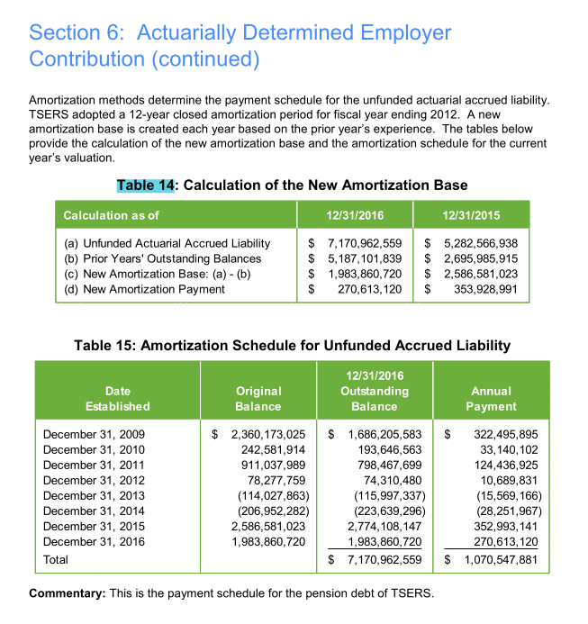
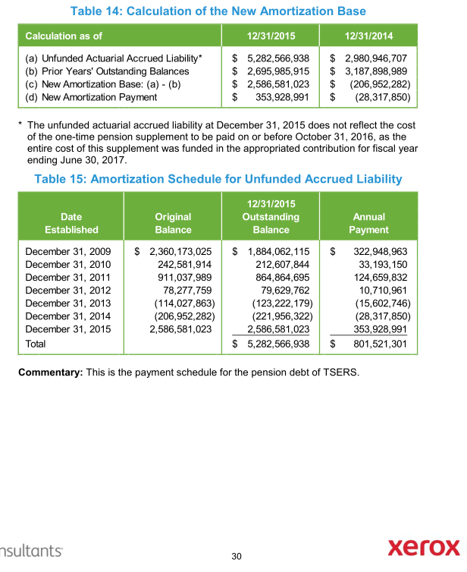
TOC
startcell | A7
endcell | I15
source | AV2015 pdf page 62-68

Tier | Type | Date Established | Initial Amount | Initial Period | Outstanding Balance | Years Remaining | Annual Payment
tier | type | year.est | init.amount | init.period | balance | year.remaining | annual.payment | amort.method
sumTier |  | 2009-12-31 | 2360173025 | 12 | 1686205583 | 5 | 322495895 | cd
sumTier |  | 2010-12-31 | 242581914 | 12 | 193646563 | 6 | 33140102 | cd
sumTier |  | 2011-12-31 | 911037989 | 12 | 798467699 | 7 | 124436925 | cd
sumTier |  | 2012-12-31 | 78277759 | 12 | 74310480 | 8 | 10689831 | cd
sumTier |  | 2013-12-31 | -114027863 | 12 | -115997337 | 9 | -15569166 | cd
sumTier |  | 2014-12-31 | -206952282 | 12 | -223639296 | 10 | -28251967 | cd
sumTier |  | 2015-12-31 | 2586581023 | 12 | 2774108147 | 11 | 352993141 | cd
sumTier |  | 2016-12-31 | 1983860720 | 12 | 1983860720 | 12 | 270613120 | cd

Init_unrecReturn
TOC
startcell | B6
endcell | C10
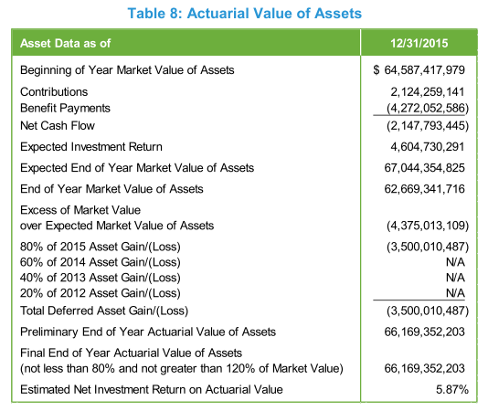
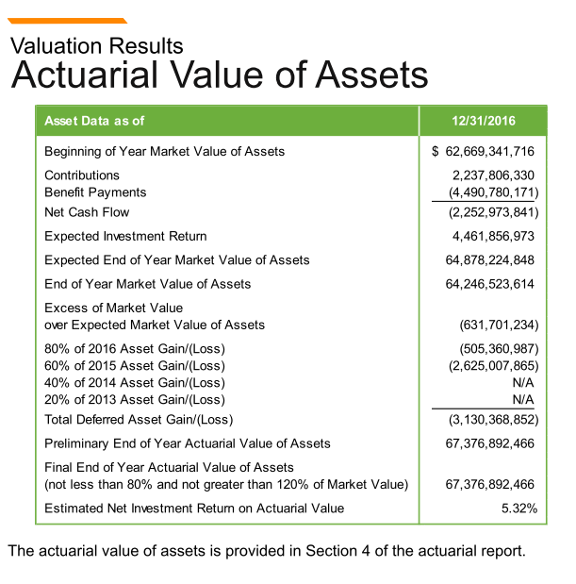
source | AV2015 pdf page 20

 | year | DeferredReturn | 2015 | 2016
 | 2018 | -1001342868.6 | -875002621.8 | -126340246.8
 | 2019 | -1001342868.6 | -875002621.8 | -126340246.8
 | 2020 | -1001342868.6 | -875002621.8 | -126340246.8
 | 2021 | -126340247 |  | -126340246.8

Notes:
In the model, the deferred returns must be adjusted so that the total deferred return is equal to the difference between the initial AA and MA.
-4375013109*0.2 = -875002621.8
-631701234*0.2 = -126340246.8

Ret_sum

TOC
AV2015 pdf p69
 | Unreduced Retirement allowance |  | Reduced retirement allowance
 | non-Law Enforcement | Law Enforcement | non-Law Enforcement | Law Enforcement
Eligibility | -age >= 65, yos >=5, or - age >=60, yos >=25, or - yos >=30 | -age >= 55, yos >=5, or - yos >=30 | 1. age >=60, yos >=5, or 2. age >=50, yos >=20, and does not meet 1 and unreduced benefit | 1. age >=55, yos >=5; 2. age >=50, yos >= 15, and does not meet 1 and unreduced benefit.
Final Average salary (Average Final Compensation) | 4 years of highest average compensation |  | 1. regular benefit reduced by 0.25% for each month (3% for each year in the model)by which the member's age at retirement is less than age 65. 2. regular benefit reduced by the lesser of: (i) 5% each year for age less than 60, plus 3% each year for age less than 65; (ii) 5% x (30 - yos) | 1. regular benefit reduced by 0.25% for each month (3% for each year in the model)by which the member's age ate retirement is less than age 65. 2. regular benefit reduced by the lesser of: (i) 4% each year for age less than 55; (ii) 5% x (30 - yos)
Benefit factor | 1.82%
Notes on benefits
Modeling Notes | w

Term_sum
TOC


 | Withdrawal Annuity
 | non-Law Enforcement | Law Enforcement
Eligibility | yos >= 5; prior to becoming eligible for an unreduced or reduced retirement benefit
Benefit | - yos < 20, reduced benefit beginning at 60; - yos >=20, reduced benefit beginning at 50 | - yos < 20, reduced benefit bginning at 55; - yos >=20, reduced benefit beginning at 50
AV assumptions
Modeling notes | do not modeling return of contribution for now

Fiscal
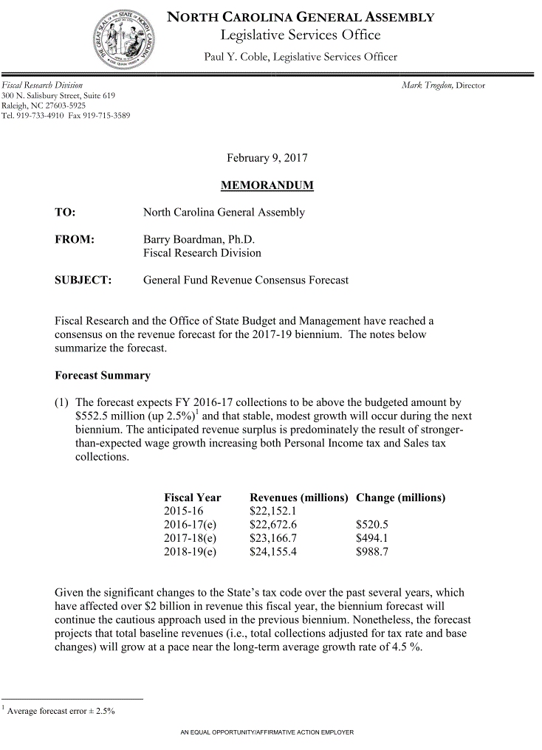
TOC
startcell | C5
endcell | D36

 |  | year | GenFund.original |  | Historical Growth
 |  | 2016 | 22673 | 2007 | 5.4
 |  | 2017 | 23167 |  | -11.2
 |  | 2018 | 24155 |  | -5.5
 |  | 2019 | 0 |  | 5.4
 |  | 2020 | 0 |  | 6.2
 |  | 2021 | 0 |  | 7.3
 |  | 2022 | 0 |  | 0.8
 |  | 2023 | 0 |  | 5.2
 |  | 2024 | 0 |  | 5.4
 |  | 2025 | 0 |  | 4.6
 |  | 2026 | 0 |  | 4.5
 |  | 2027 | 0 |  | 4.7
 |  | 2028 | 0
 |  | 2029 | 0
 |  | 2030 | 0
 |  | 2031 | 0
 |  | 2032 | 0
 |  | 2033 | 0
 |  | 2034 | 0
 |  | 2035 | 0
 |  | 2036 | 0
 |  | 2037 | 0
 |  | 2038 | 0
 |  | 2039 | 0
 |  | 2040 | 0
 |  | 2041 | 0
 |  | 2042 | 0
 |  | 2043 | 0
 |  | 2044 | 0
 |  | 2045 | 0
 |  | 2046 | 0

Fiscal2
State contribution as a % of total employer contribution
 | FY2016 | FY2015 | FY2014 | FY2013 | FY2012 | FY2011
ADC | 1,210,904 | 1262988 | 1177341 | 1078783 | 1015762 | 926429
contractually required Contribution | 1,275,003 | 1262988 | 1177341 | 1078783 | 1015762 | 680670
covered payroll | 13,934,459 | 13803148 | 13548227 | 13451164 | 13652715 | 13806691
contribution by primary gov | 303,031 | 320093 | 284461 | 276182 | 242962 | 165721

primary/ADC | 25.0% | 25.3% | 24.2% | 25.6% | 23.9% | 17.9%
primary/contractual | 23.8% | 25.3% | 24.2% | 25.6% | 23.9% | 24.3%

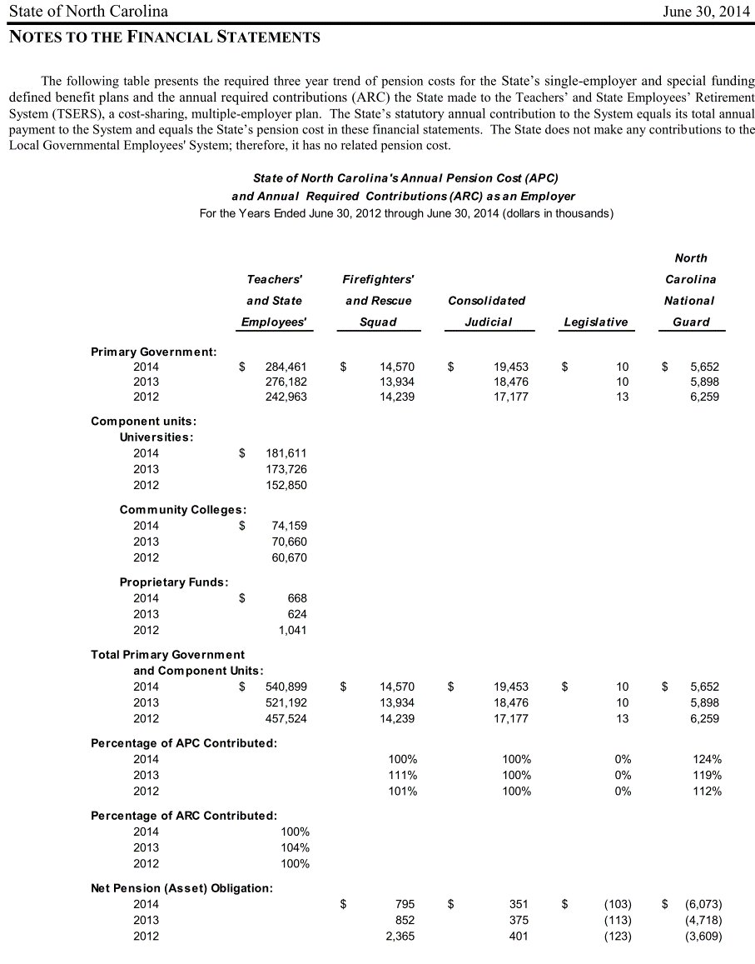
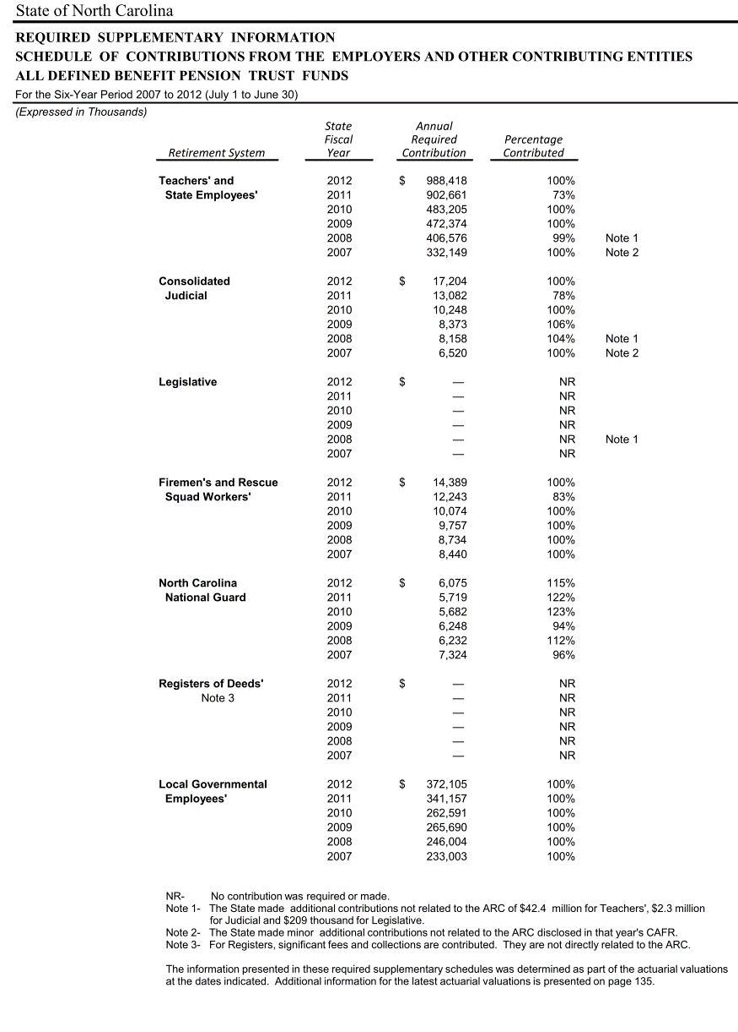

 |  |  |  | 0.7343412527

Options
AV2015 pdf p55
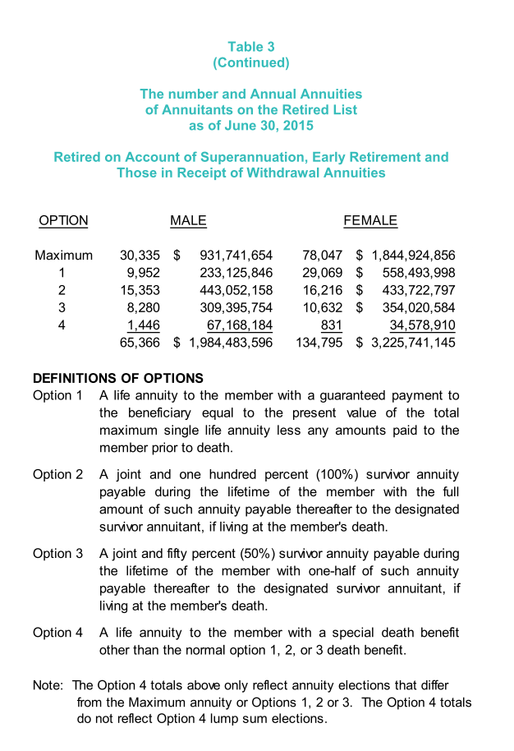
 | Max | 30335 | 78047 | 108382 | 0.5415715178
 | 1 | 9952 | 29069 | 39021 | 0.19498313554
 | 2 | 15353 | 16216 | 31569 | 0.15774640849
 | 3 | 8280 | 10632 | 18912 | 0.094500936914
 | 4 | 1446 | 831 | 2277 | 0.011377888819
 | Total | 65366 | 134759 | 200125 | 1

