Calibration_2016
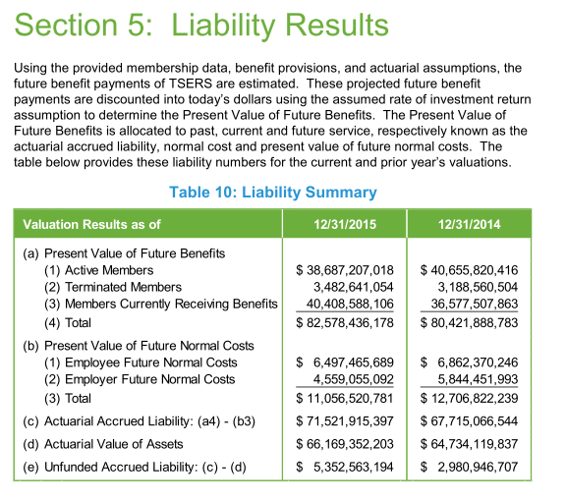
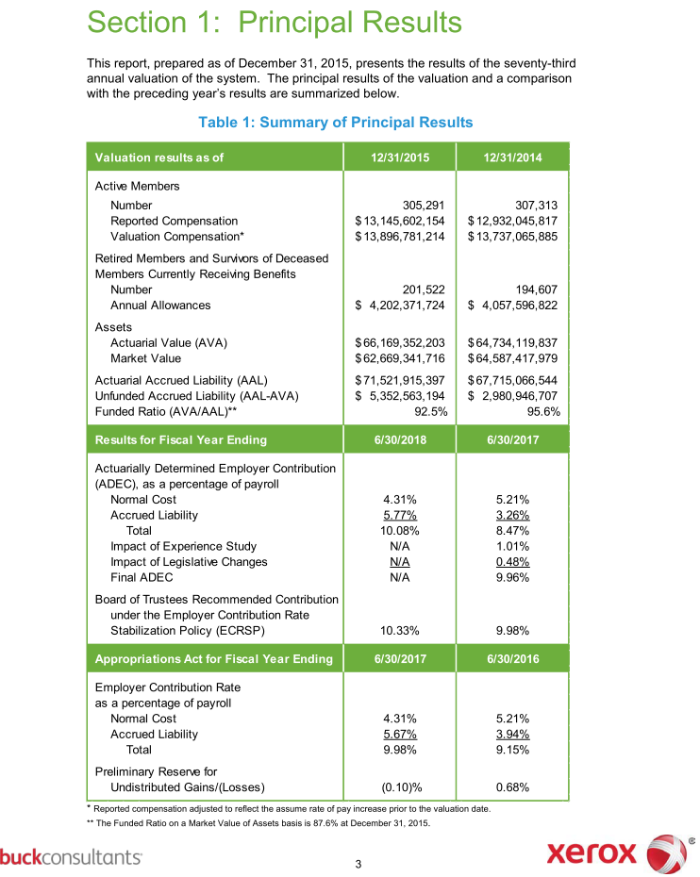
$billion
 | AV2015 | Model | diff
PVFB for actives | 38.69 | 33.19 | 85.78%
PVFNC | 11.06 | 8.315 | 75.18%
AL for actives | 27.63 | 24.875 | 90.03%
PVFB for retirees/bens | 40.41 | 44.74 | 110.72%
PVFB for vested Terms | 3.48 | 3.47 | 99.71%

AL total | 71.52 | 73.085 | 102.19%

VVA | 66.17 | 73.6 | 111.23%
MVA | 62.67 | 69.69 | 111.20%
UAAL | 5.35 | 5.95 | 111.21%

NC rate % | 10.21 | 7.6 | 74.44%
SC $b | 0.8 | 0.91 | 113.75%
SC rate % | 5.77 | 6.9 | 119.58%
EEC rate % | 6 | 6 | 100.00%

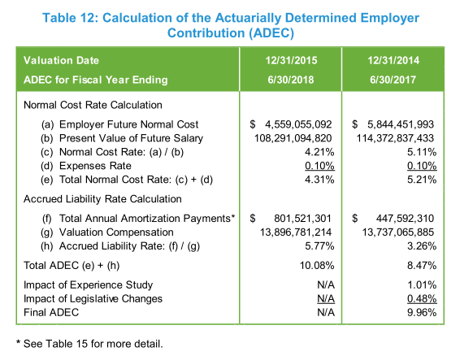
B | 4.2 | 4.28 | 101.90%
payroll (reported) | 13.146 | 13.14 | 99.95%
payroll (valueation) | 13.897 |  | 0.00%
PV Future salary |  | 108.3

PVFB actives
PVFNC
AL actives
NC rate

