Tiers
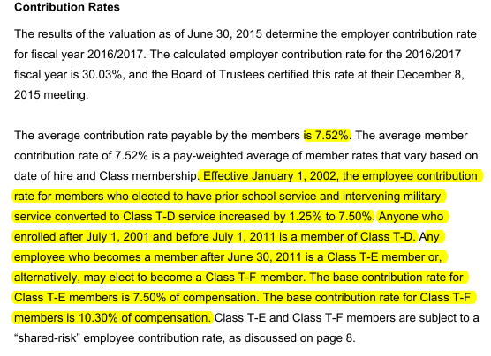
Tier Info | AV2015 pdf p8; member data pdf p37-38

KeyVars
TOC

CAFR 2015

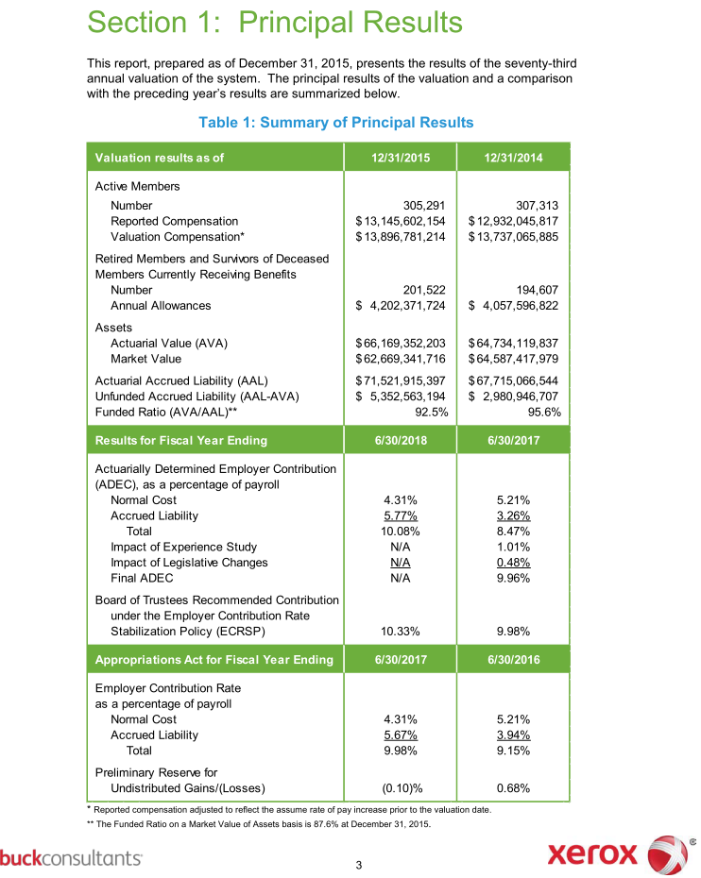
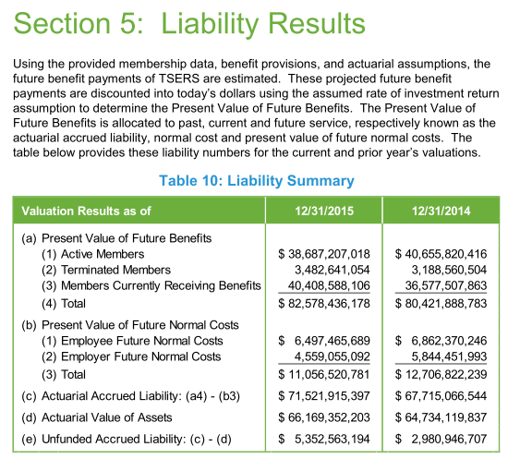

 |  |  |  | 2280846160
 |  |  |  | 3482641054
 |  |  |  | 1.5269074763

 |  |  |  | 0.35725197055

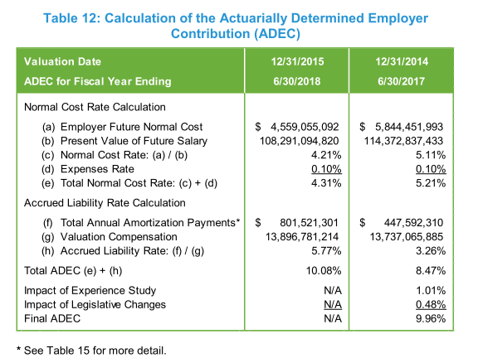

 |  | 0.92516191486

 |  |  | 1.0571276434

 | 30.9
 | 3.7084
 | 0.12001294498

FundingPolicy
TOC

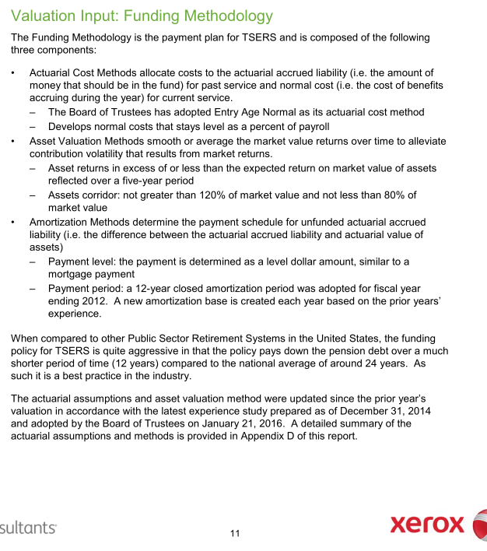
CAFR pdf p97 |  | Notes
Employer Contribution
Method | EAN
Asset smoothing | 1. Smoothing Period: 5 years 2. Asset corridor: AA not greater than 120% of market value and not less than 80% of market value
Amortization | Amort method: - 12-year level dollar closed amortization method.
Employee Contribution | 6% (Calculated based info on AV2015 pdf page 34 and 36: Employee Future Normal cost / Present value of future salary)
Employer Contribution Rate Stablelization Policy (ECRSP) | 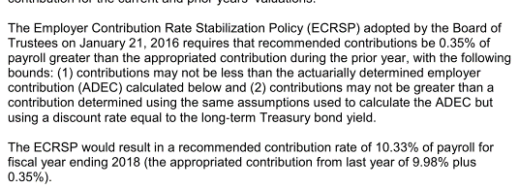



 | 6497465689 | 6862370246
 | 108291094820 | 114372837433
 | 0.06000 | 0.06000

Assumptions
TOC
 |  | Source: AV 2015 pdf page 84

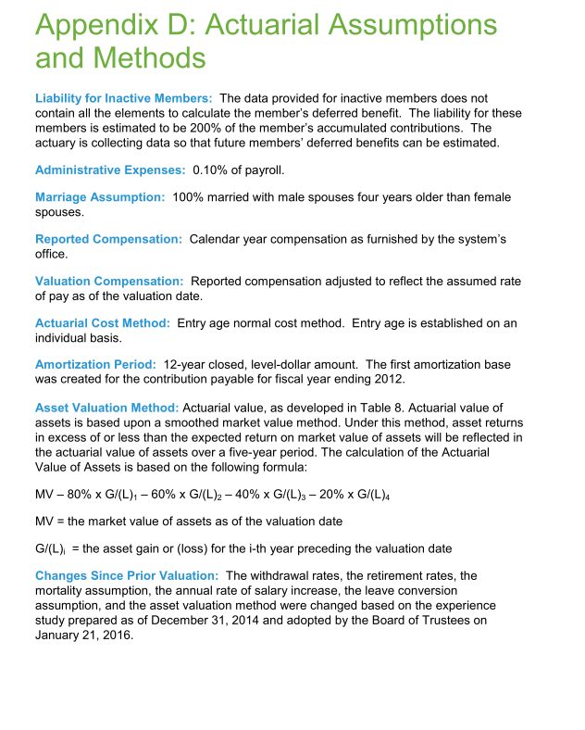
 |  | Note
Net investment return(Discount rate) | 7.25%
inflation | 3%
Real wage growth | 1%
COLA and CPI | Ad hoc

Question:

Init_amort
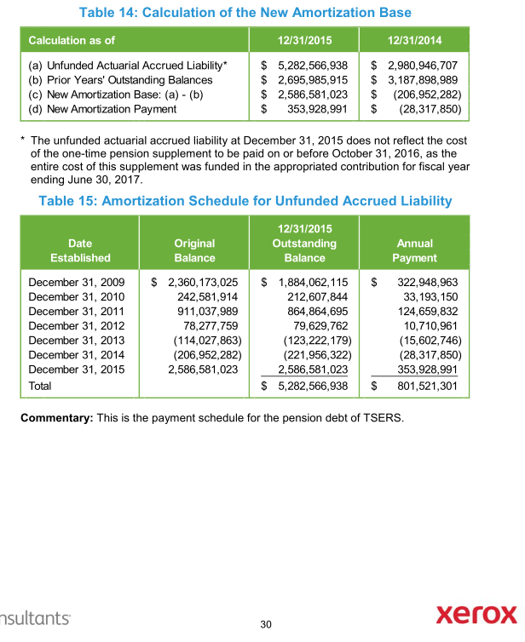
TOC
startcell | A7
endcell | I14
source | AV2015 pdf page 62-68

Tier | Type | Date Established | Initial Amount | Initial Period | Outstanding Balance | Years Remaining | Annual Payment
tier | type | year.est | init.amount | init.period | balance | year.remaining | annual.payment | amort.method
sumTier |  | 2009-12-31 | 2360173025 | 12 | 1884062115 | 6 | 322948963 | cd
sumTier |  | 2010-12-31 | 242581914 | 12 | 212607844 | 7 | 33193150 | cd
sumTier |  | 2011-12-31 | 911037989 | 12 | 864864695 | 8 | 124659832 | cd
sumTier |  | 2012-12-31 | 78277759 | 12 | 79629762 | 9 | 10710961 | cd
sumTier |  | 2013-12-31 | -114027863 | 12 | -123222179 | 10 | -15602746 | cd
sumTier |  | 2014-12-31 | -206952282 | 12 | -221956322 | 11 | -28317850 | cd
sumTier |  | 2015-12-31 | 2586581023 | 12 | 2586581023 | 12 | 353928991 | cd

Init_unrecReturn
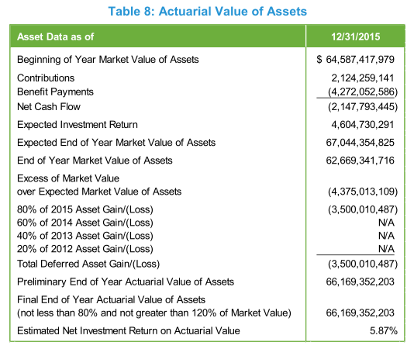
TOC
startcell | B6
endcell | C10
source | AV2015 pdf page 20
Notes:
In the model, the deferred returns must be adjusted so that the total deferred return is equal to the difference between the initial AA and MA.
Only effective when modeling all tiers together.
-4375013109*0.2 = -875002621.8
 | year | DeferredReturn
 | 2017 | -875002621.8
 | 2018 | -875002621.8
 | 2019 | -875002621.8
 | 2020 | -875002621.8

Ret_sum

TOC
AV2015 pdf p69
 | Unreduced Retirement allowance |  | Reduced retirement allowance
 | non-Law Enforcement | Law Enforcement | non-Law Enforcement | Law Enforcement
Eligibility | -age >= 65, yos >=5, or - age >=60, yos >=25, or - yos >=30 | -age >= 55, yos >=5, or - yos >=30 | 1. age >=60, yos >=5, or 2. age >=50, yos >=20, and does not meet 1 and unreduced benefit | 1. age >=55, yos >=5; 2. age >=50, yos >= 15, and does not meet 1 and unreduced benefit.
Final Average salary (Average Final Compensation) | 4 years of highest average compensation |  | 1. regular benefit reduced by 0.25% for each month (3% for each year in the model)by which the member's age at retirement is less than age 65. 2. regular benefit reduced by the lesser of: (i) 5% each year for age less than 60, plus 3% each year for age less than 65; (ii) 5% x (30 - yos) | 1. regular benefit reduced by 0.25% for each month (3% for each year in the model)by which the member's age ate retirement is less than age 65. 2. regular benefit reduced by the lesser of: (i) 4% each year for age less than 55; (ii) 5% x (30 - yos)
Benefit factor | 1.82%
Notes on benefits
Modeling Notes | w

Term_sum
TOC


 | Withdrawal Annuity
 | non-Law Enforcement | Law Enforcement
Eligibility | yos >= 5; prior to becoming eligible for an unreduced or reduced retirement benefit
Benefit | - yos < 20, reduced benefit beginning at 60; - yos >=20, reduced benefit beginning at 50 | - yos < 20, reduced benefit bginning at 55; - yos >=20, reduced benefit beginning at 50
AV assumptions
Modeling notes | do not modeling return of contribution for now

Fiscal
TOC
startcell | C5
endcell | D36
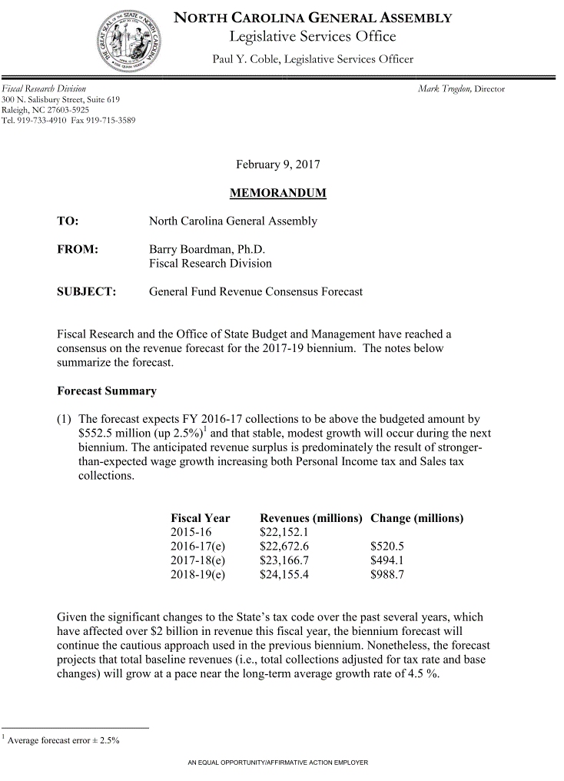
 |  | year | GenFund.original |  | Historical Growth
 |  | 2016 | 22673 | 2007 | 5.4
 |  | 2017 | 23167 |  | -11.2
 |  | 2018 | 24155 |  | -5.5
 |  | 2019 | 0 |  | 5.4
 |  | 2020 | 0 |  | 6.2
 |  | 2021 | 0 |  | 7.3
 |  | 2022 | 0 |  | 0.8
 |  | 2023 | 0 |  | 5.2
 |  | 2024 | 0 |  | 5.4
 |  | 2025 | 0 |  | 4.6
 |  | 2026 | 0 |  | 4.5
 |  | 2027 | 0 |  | 4.7
 |  | 2028 | 0
 |  | 2029 | 0
 |  | 2030 | 0
 |  | 2031 | 0
 |  | 2032 | 0
 |  | 2033 | 0
 |  | 2034 | 0
 |  | 2035 | 0
 |  | 2036 | 0
 |  | 2037 | 0
 |  | 2038 | 0
 |  | 2039 | 0
 |  | 2040 | 0
 |  | 2041 | 0
 |  | 2042 | 0
 |  | 2043 | 0
 |  | 2044 | 0
 |  | 2045 | 0
 |  | 2046 | 0

Options
AV2015 pdf p55
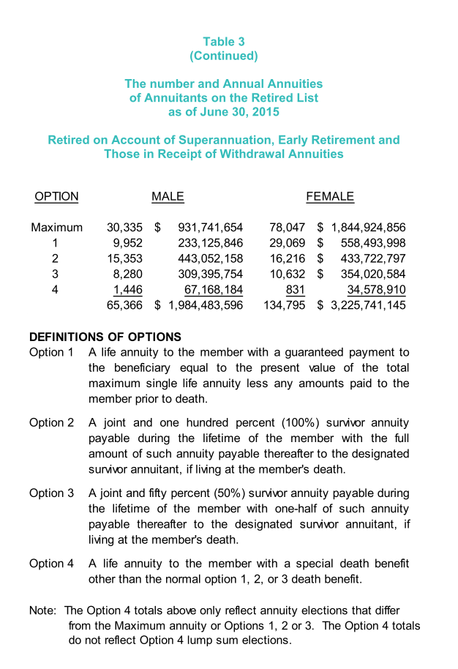
 | Max | 30335 | 78047 | 108382 | 0.5415715178
 | 1 | 9952 | 29069 | 39021 | 0.19498313554
 | 2 | 15353 | 16216 | 31569 | 0.15774640849
 | 3 | 8280 | 10632 | 18912 | 0.094500936914
 | 4 | 1446 | 831 | 2277 | 0.011377888819
 | Total | 65366 | 134759 | 200125 | 1

