Tiers
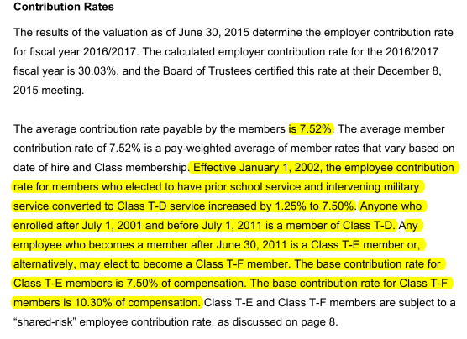
Tier Info | AV2015 pdf p8; member data pdf p37-38

KeyVars
TOC

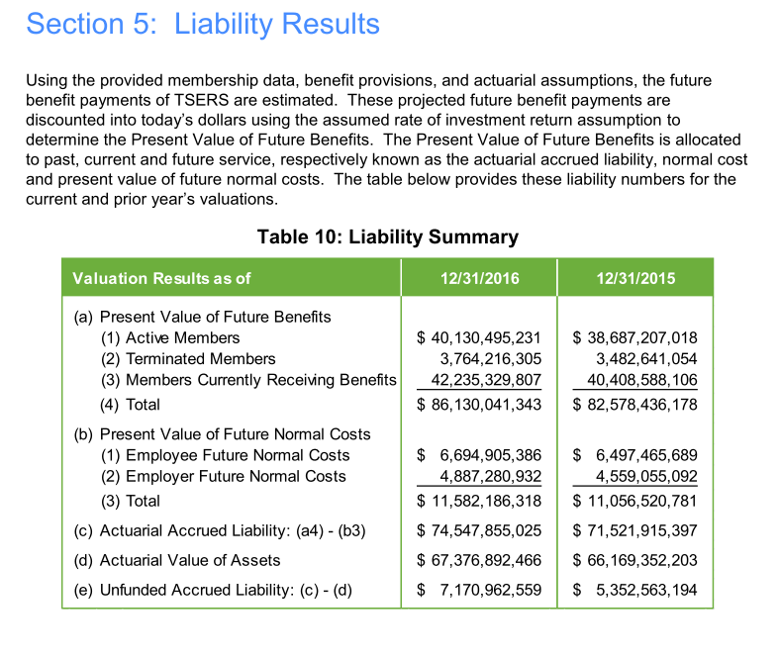
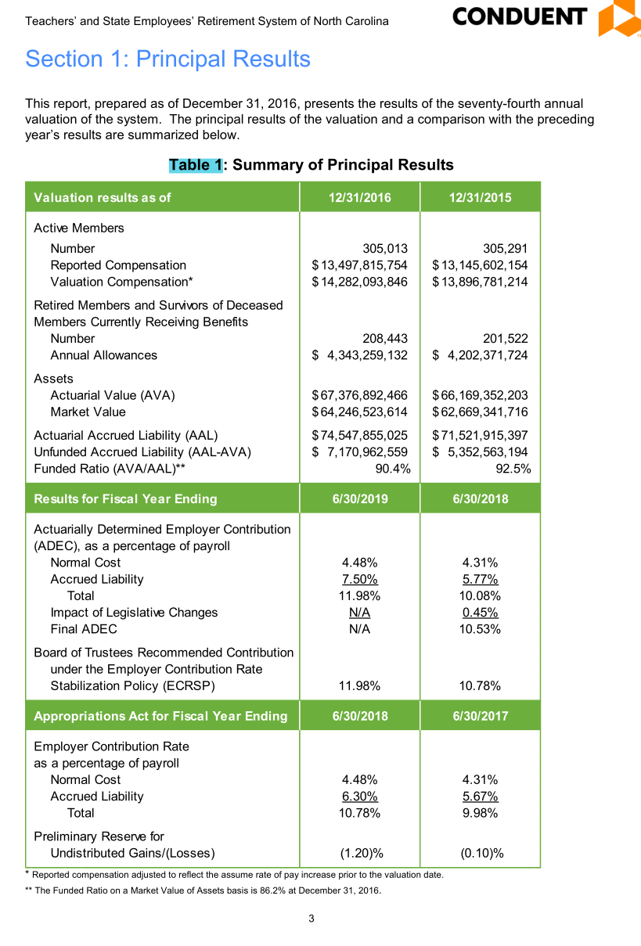

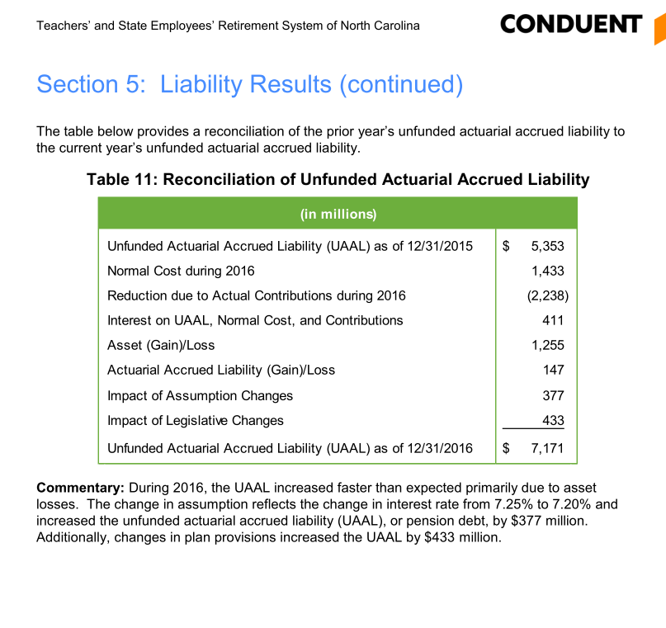

 |  |  |  |  |  | 0.92516191486

 |  |  |  |  |  |  | 1.0571276434

 |  |  |  |  | 10302

 | salary 2016 | ERC rate |  | recommended budget to TSERS and judicial
 | 14282 | 0.1078 | 1593.485586

FundingPolicy
TOC

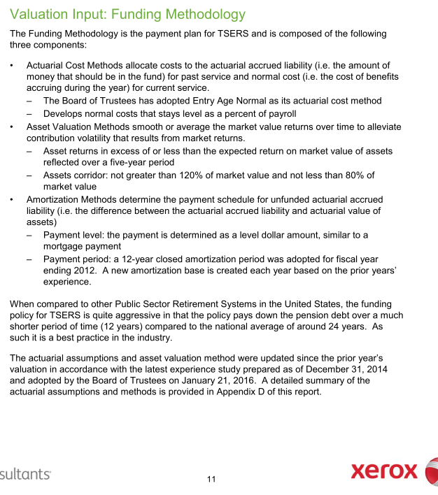
CAFR pdf p97 |  | Notes
Employer Contribution
Method | EAN
Asset smoothing | 1. Smoothing Period: 5 years 2. Asset corridor: AA not greater than 120% of market value and not less than 80% of market value
Amortization | Amort method: - 12-year level dollar closed amortization method.
Employee Contribution | 6% (Calculated based info on AV2015 pdf page 34 and 36: Employee Future Normal cost / Present value of future salary)
Employer Contribution Rate Stablelization Policy (ECRSP) | 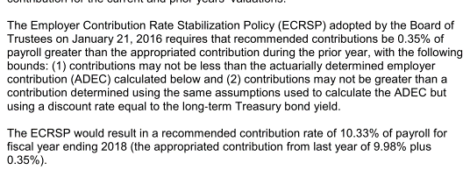



 | 6497465689 | 6862370246
 | 108291094820 | 114372837433
 | 0.06000 | 0.06000

Assumptions
TOC
 |  | Source: AV 2015 pdf page 84

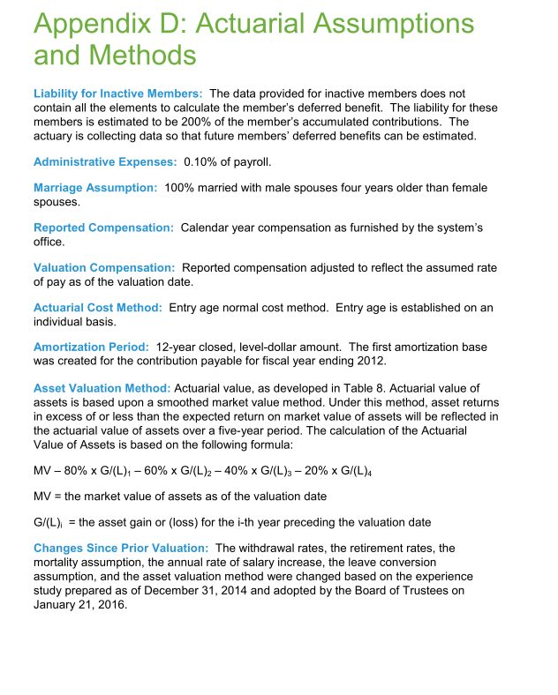
 |  | Note
Net investment return(Discount rate) | 7.25%
inflation | 3%
Real wage growth | 0.5%
COLA and CPI | Ad hoc

Question:

Init_amort
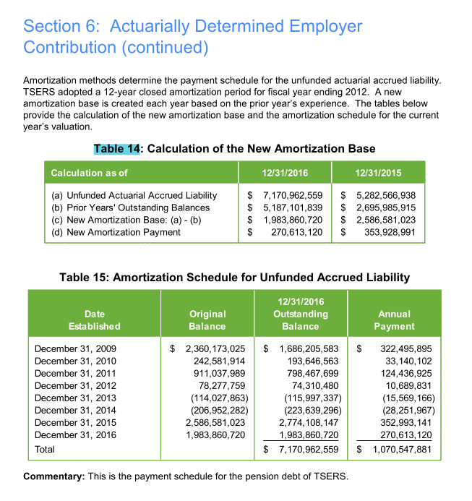
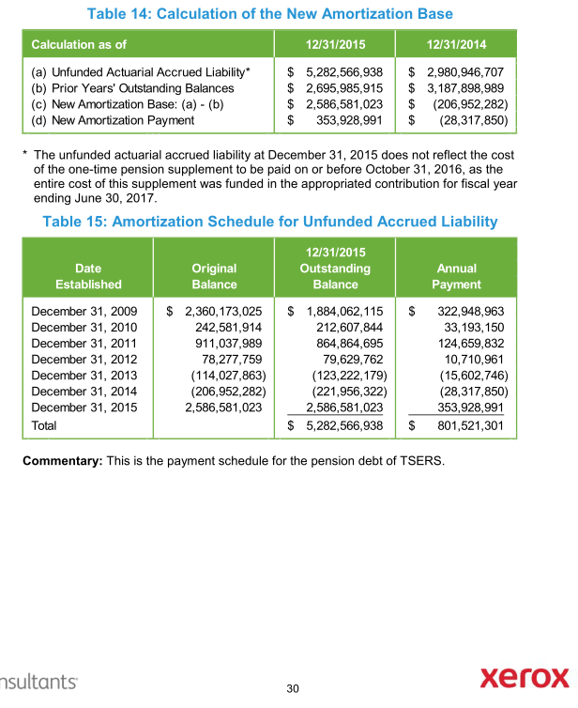
TOC
startcell | A7
endcell | I15
source | AV2015 pdf page 62-68

Tier | Type | Date Established | Initial Amount | Initial Period | Outstanding Balance | Years Remaining | Annual Payment
tier | type | year.est | init.amount | init.period | balance | year.remaining | annual.payment | amort.method
sumTier |  | 2009-12-31 | 2360173025 | 12 | 1686205583 | 5 | 322495895 | cd
sumTier |  | 2010-12-31 | 242581914 | 12 | 193646563 | 6 | 33140102 | cd
sumTier |  | 2011-12-31 | 911037989 | 12 | 798467699 | 7 | 124436925 | cd
sumTier |  | 2012-12-31 | 78277759 | 12 | 74310480 | 8 | 10689831 | cd
sumTier |  | 2013-12-31 | -114027863 | 12 | -115997337 | 9 | -15569166 | cd
sumTier |  | 2014-12-31 | -206952282 | 12 | -223639296 | 10 | -28251967 | cd
sumTier |  | 2015-12-31 | 2586581023 | 12 | 2774108147 | 11 | 352993141 | cd
sumTier |  | 2016-12-31 | 1983860720 | 12 | 1983860720 | 12 | 270613120 | cd

Init_unrecReturn
TOC
startcell | B6
endcell | C10
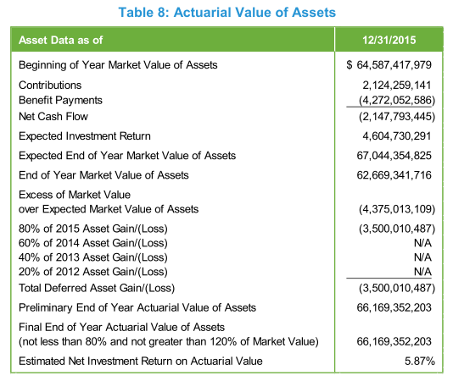
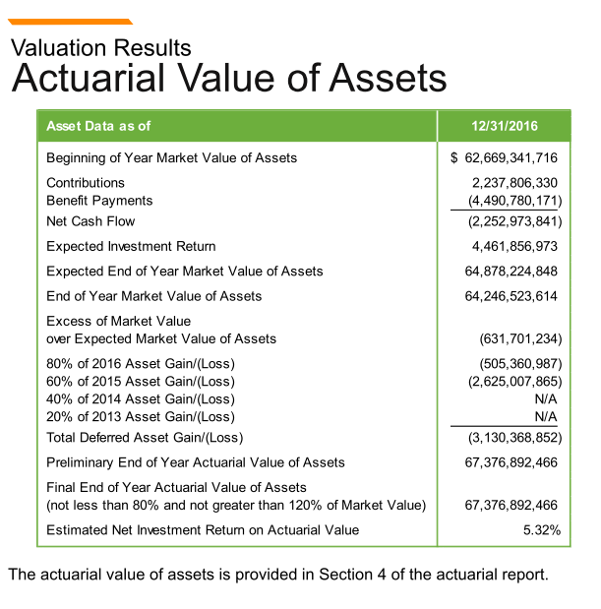
source | AV2015 pdf page 20

 | year | DeferredReturn | 2015 | 2016
 | 2018 | -1001342868.6 | -875002621.8 | -126340246.8
 | 2019 | -1001342868.6 | -875002621.8 | -126340246.8
 | 2020 | -1001342868.6 | -875002621.8 | -126340246.8
 | 2021 | -126340247 |  | -126340246.8

Notes:
In the model, the deferred returns must be adjusted so that the total deferred return is equal to the difference between the initial AA and MA.
-4375013109*0.2 = -875002621.8
-631701234*0.2 = -126340246.8

Ret_sum
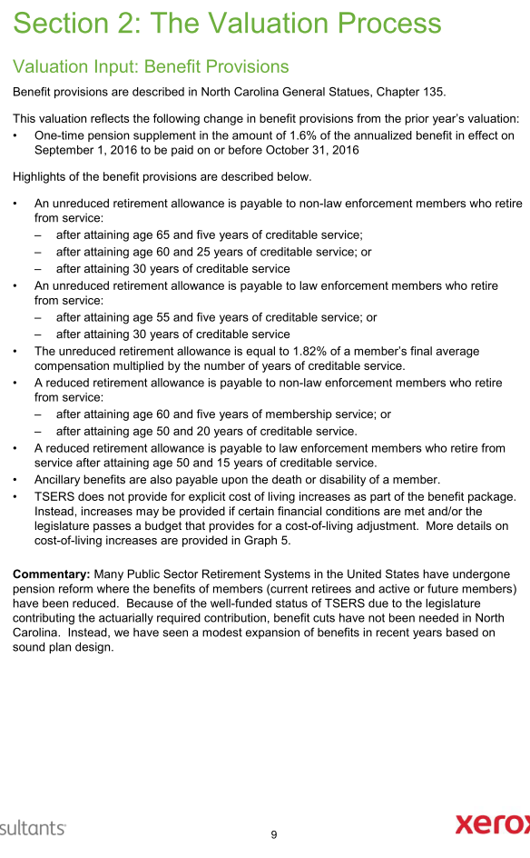
TOC
AV2015 pdf p69
 | Unreduced Retirement allowance |  | Reduced retirement allowance
 | non-Law Enforcement | Law Enforcement | non-Law Enforcement | Law Enforcement
Eligibility | -age >= 65, yos >=5, or - age >=60, yos >=25, or - yos >=30 | -age >= 55, yos >=5, or - yos >=30 | 1. age >=60, yos >=5, or 2. age >=50, yos >=20, and does not meet 1 and unreduced benefit | 1. age >=55, yos >=5; 2. age >=50, yos >= 15, and does not meet 1 and unreduced benefit.
Final Average salary (Average Final Compensation) | 4 years of highest average compensation |  | 1. regular benefit reduced by 0.25% for each month (3% for each year in the model)by which the member's age at retirement is less than age 65. 2. regular benefit reduced by the lesser of: (i) 5% each year for age less than 60, plus 3% each year for age less than 65; (ii) 5% x (30 - yos) | 1. regular benefit reduced by 0.25% for each month (3% for each year in the model)by which the member's age ate retirement is less than age 65. 2. regular benefit reduced by the lesser of: (i) 4% each year for age less than 55; (ii) 5% x (30 - yos)
Benefit factor | 1.82%
Notes on benefits
Modeling Notes | w

Term_sum
TOC

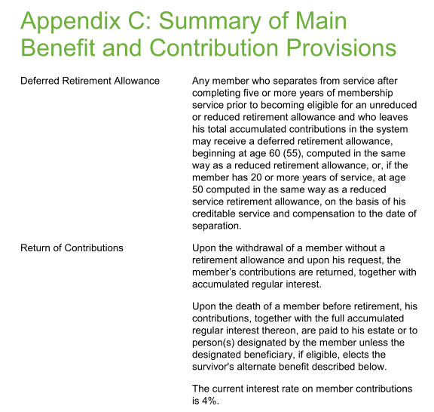
 | Withdrawal Annuity
 | non-Law Enforcement | Law Enforcement
Eligibility | yos >= 5; prior to becoming eligible for an unreduced or reduced retirement benefit
Benefit | - yos < 20, reduced benefit beginning at 60; - yos >=20, reduced benefit beginning at 50 | - yos < 20, reduced benefit bginning at 55; - yos >=20, reduced benefit beginning at 50
AV assumptions
Modeling notes | do not modeling return of contribution for now

Fiscal
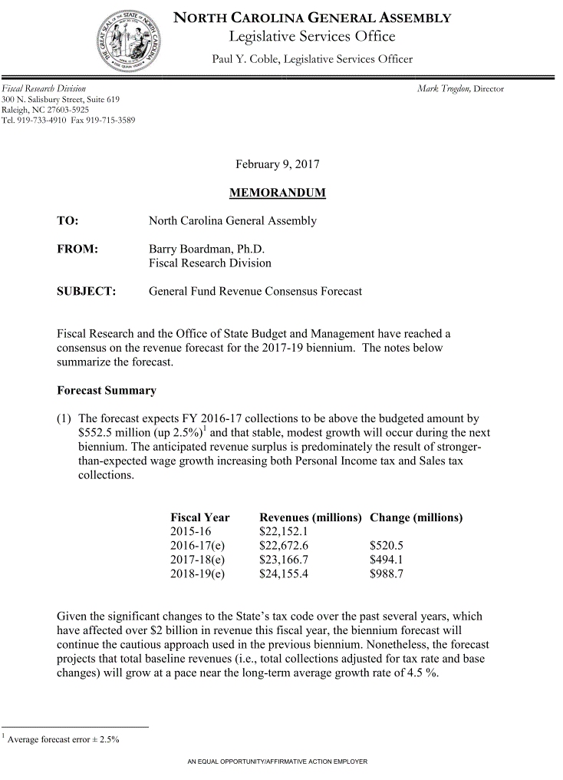
TOC
startcell | C5
endcell | D36

 |  | year | GenFund.original |  | Historical Growth
 |  | 2016 | 22673 | 2007 | 5.4
 |  | 2017 | 23167 |  | -11.2
 |  | 2018 | 24155 |  | -5.5
 |  | 2019 | 0 |  | 5.4
 |  | 2020 | 0 |  | 6.2
 |  | 2021 | 0 |  | 7.3
 |  | 2022 | 0 |  | 0.8
 |  | 2023 | 0 |  | 5.2
 |  | 2024 | 0 |  | 5.4
 |  | 2025 | 0 |  | 4.6
 |  | 2026 | 0 |  | 4.5
 |  | 2027 | 0 |  | 4.7
 |  | 2028 | 0
 |  | 2029 | 0
 |  | 2030 | 0
 |  | 2031 | 0
 |  | 2032 | 0
 |  | 2033 | 0
 |  | 2034 | 0
 |  | 2035 | 0
 |  | 2036 | 0
 |  | 2037 | 0
 |  | 2038 | 0
 |  | 2039 | 0
 |  | 2040 | 0
 |  | 2041 | 0
 |  | 2042 | 0
 |  | 2043 | 0
 |  | 2044 | 0
 |  | 2045 | 0
 |  | 2046 | 0

Fiscal2
State contribution as a % of total employer contribution
 | FY2016 | FY2015 | FY2014 | FY2013 | FY2012 | FY2011
ADC | 1,210,904 | 1262988 | 1177341 | 1078783 | 1015762 | 926429
contractually required Contribution | 1,275,003 | 1262988 | 1177341 | 1078783 | 1015762 | 680670
covered payroll | 13,934,459 | 13803148 | 13548227 | 13451164 | 13652715 | 13806691
contribution by primary gov | 303,031 | 320093 | 284461 | 276182 | 242962 | 165721

primary/ADC | 25.0% | 25.3% | 24.2% | 25.6% | 23.9% | 17.9%
primary/contractual | 23.8% | 25.3% | 24.2% | 25.6% | 23.9% | 24.3%

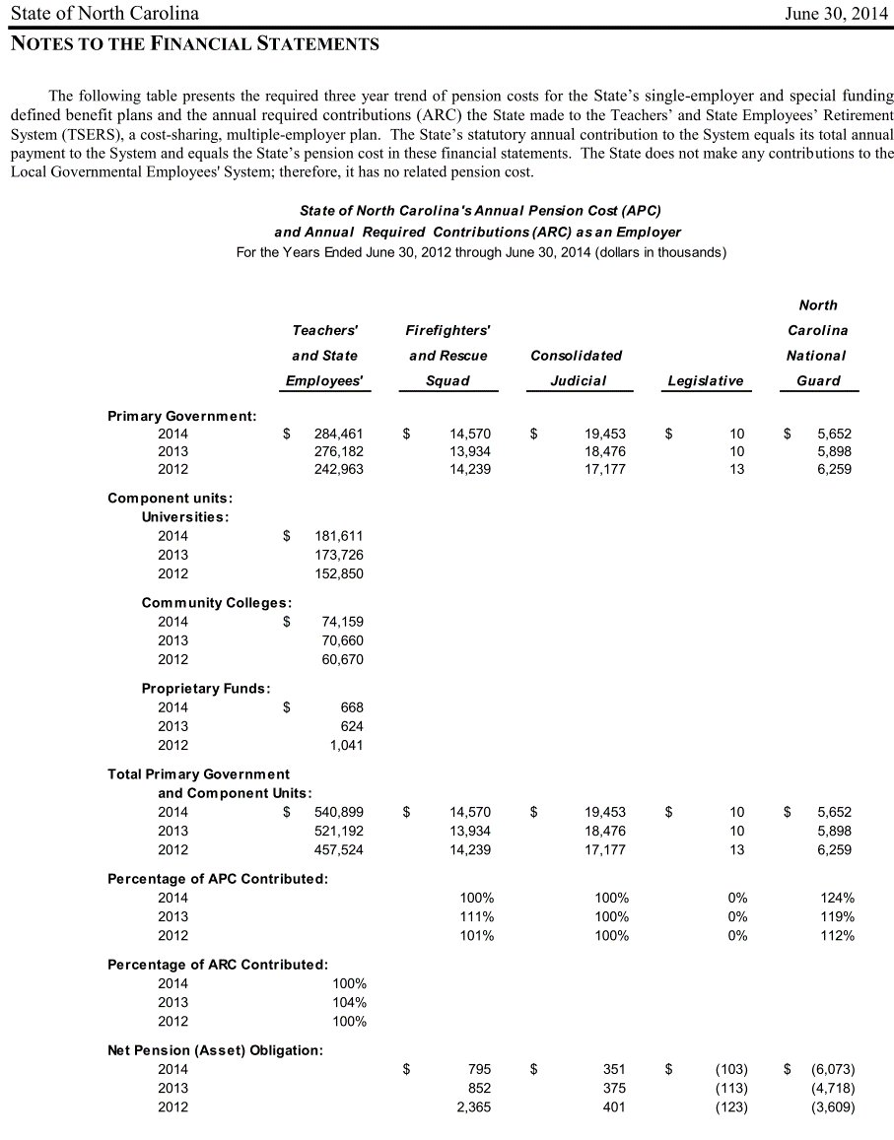
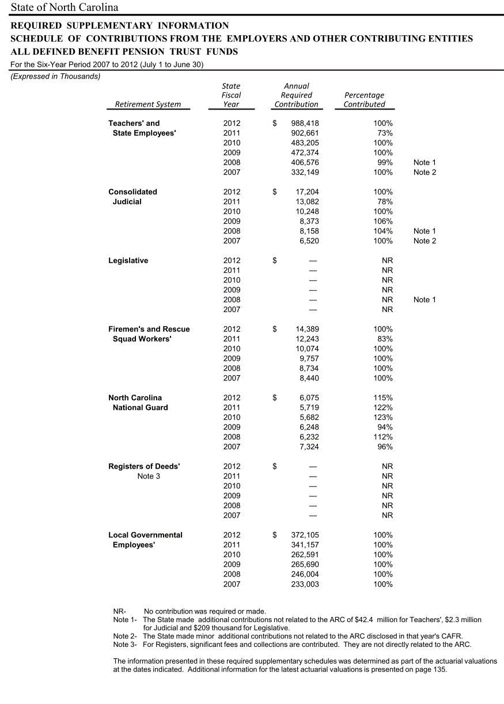

 |  |  |  | 0.7343412527

Options
AV2015 pdf p55
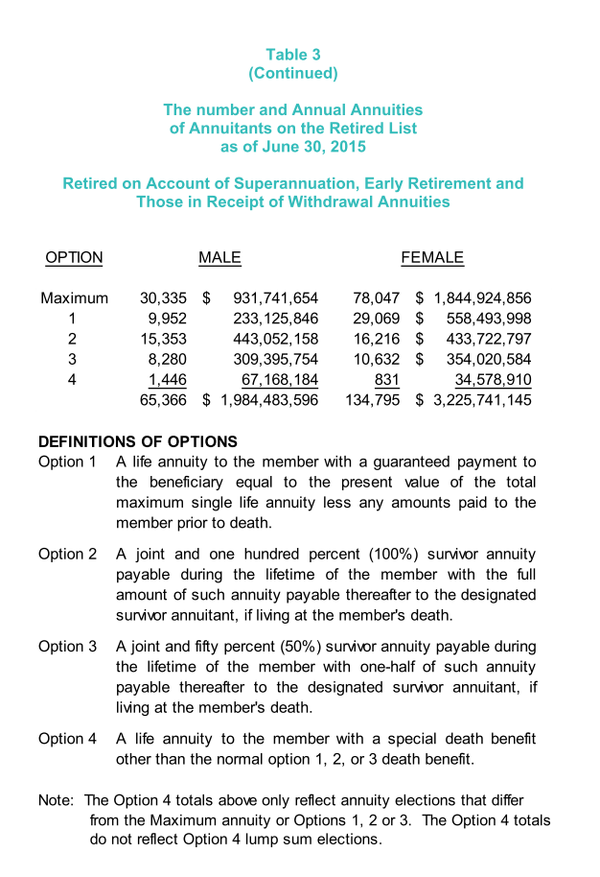
 | Max | 30335 | 78047 | 108382 | 0.5415715178
 | 1 | 9952 | 29069 | 39021 | 0.19498313554
 | 2 | 15353 | 16216 | 31569 | 0.15774640849
 | 3 | 8280 | 10632 | 18912 | 0.094500936914
 | 4 | 1446 | 831 | 2277 | 0.011377888819
 | Total | 65366 | 134759 | 200125 | 1

