prop.occupation
TOC
startcell | B6
endcell | I12 |  |  |  |  |  |  |  |  | source: AV2015 pdf page 27-28

 | type | year | tch | edu | gen | law | male | female
 | actives | 2015 | 151007 | 46271 | 104622 | 3391 | 94752 | 210539 | 0.31036617522 | 305291 | 49.5% | 15.2% | 34.3% | 1.1%
 | disb | 2015 | 2051 | 756 | 4677 | 47 | 2327 | 5204 | 0.30898951003 | 7531 | 0.7% | 0.2% | 1.5% | 0.0%
 | terms | 2015 | 50559 | 11456 | 80176 | 1023 | 42859 | 100355 | 0.29926543494 | 143214 | 16.6% | 3.8% | 26.3% | 0.3%
 | retirees | 2015 | 95971 | 0 | 76433 | 2717 | 54034 | 121087 | 0.30855499261 | 175121 | 31.4% | 0.0% | 25.0% | 0.9%
 | retirees.disb | 2015 | 4082 | 0 | 7779 | 181 | 3917 | 8125 | 0.32527819299 | 12042 | 1.3% | 0.0% | 2.5% | 0.1%
 | survivors | 2015 | 4556 | 0 | 9385 | 418 | 4431 | 9928 | 0.30855499261 | 14359 | 1.5% | 0.0% | 3.1% | 0.1%

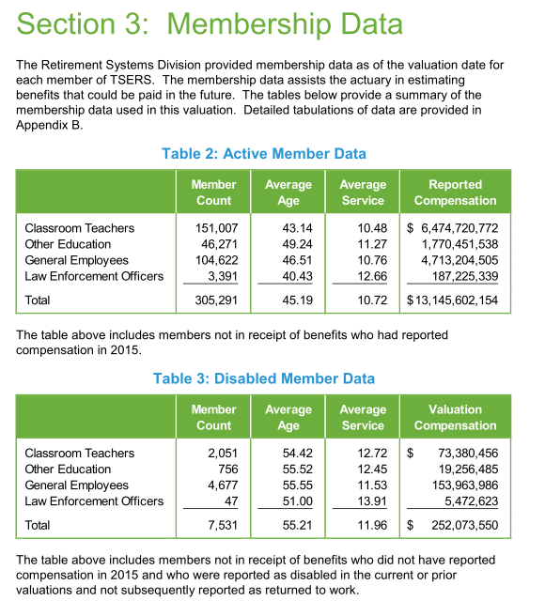
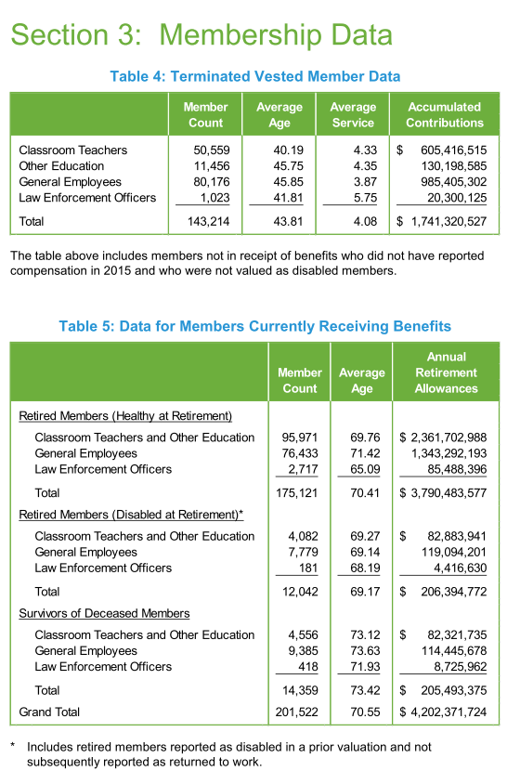

 |  |  |  |  |  |  |  |  |  |  |  |  |  |  | 1.0234858095

