prop.occupation
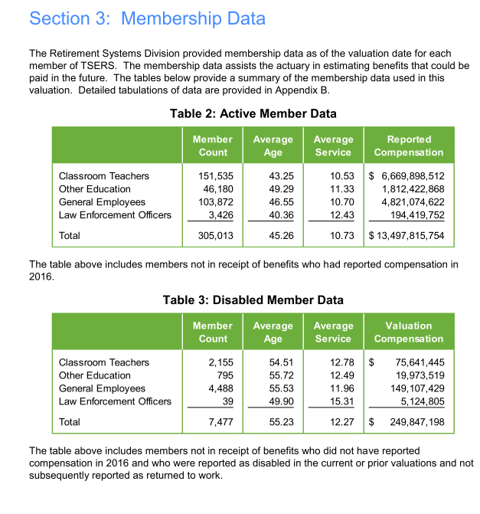
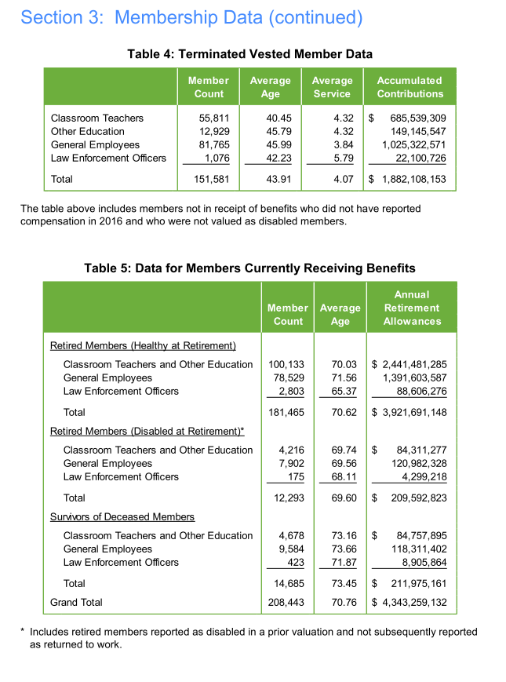
TOC
startcell | B6
endcell | I12 |  |  |  |  |  |  |  |  | source: AV2016 pdf page 21-22

 | type | year | tch | edu | gen | law | male | female
 | actives | 2016 | 151535 | 46180 | 103872 | 3426 | 94164 | 210849 | 0.30872126762 | 305013 | 49.7% | 15.1% | 34.1% | 1.1%
 | disb | 2016 | 2155 | 795 | 4488 | 39 | 2291 | 5186 | 0.30640631269 | 7477 | 0.7% | 0.3% | 1.5% | 0.0%
 | terms | 2016 | 55811 | 12929 | 81765 | 1076 | 45586 | 105995 | 0.30073689974 | 151581 | 18.3% | 4.2% | 26.8% | 0.4%
 | retirees | 2016 | 100133 | 0 | 78529 | 2803 | 55882 | 125583 | 0.30794799898 | 181465 | 32.8% | 0.0% | 25.7% | 0.9%
 | retirees.disb | 2016 | 4216 | 0 | 7902 | 175 | 3961 | 8332 | 0.32221589522 | 12293 | 1.4% | 0.0% | 2.6% | 0.1%
 | survivors | 2016 | 4678 | 0 | 9584 | 423 | 4522 | 10163 | 0.30794799898 | 14685 | 1.5% | 0.0% | 3.1% | 0.1%

 |  | 181465 | 196150
 |  | 14685

