prop.occupation
TOC
startcell | B6
endcell | I12 |  |  |  |  |  |  |  | source: AV2015 pdf page 27-28

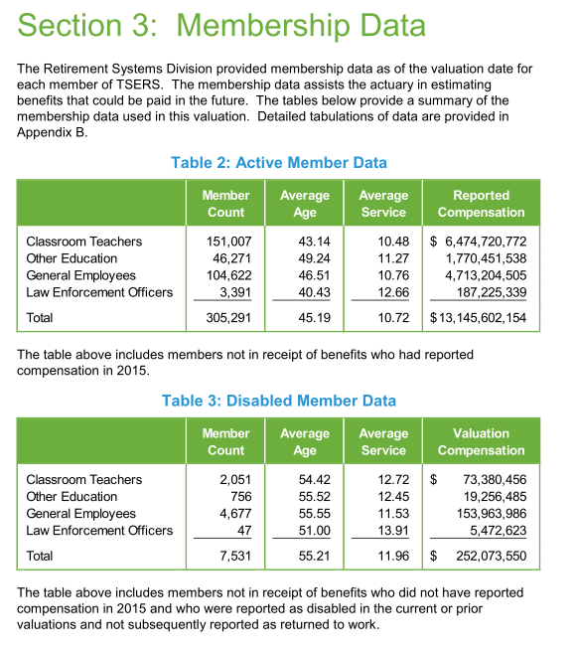
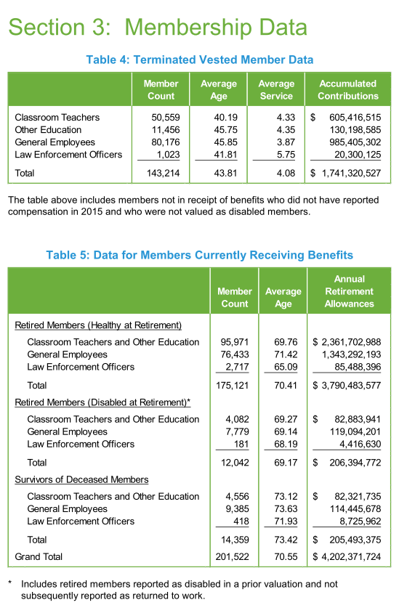
 | type | year | tch | edu | gen | law | male | female
 | actives | 2015 | 151007 | 46271 | 104622 | 3391 | 94752 | 210539
 | disb | 2015 | 2051 | 756 | 4677 | 47 | 2327 | 5204
 | terms | 2015 | 50559 | 11456 | 80176 | 1023 | 42859 | 100355
 | retirees | 2015 | 95971 | 0 | 76433 | 2717 | 54034 | 121087
 | retirees.disb | 2015 | 4082 | 0 | 7779 | 181 | 3917 | 8125
 | survivors | 2015 | 4556 | 0 | 9385 | 418 | 4431 | 9928

