returns
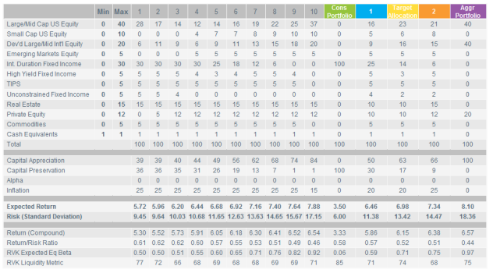
scenario | note | r.mean | r.sd | period | return_det | r.geoMean
Dev |  | 0.0822 | 0.12 | 50 | 0.075 | 7.5%
RS1 |  | 0.0822 | 0.12 | 30 | 0.075 | 7.5%
RS2 |  | 0.05000 | 0.12 | 1 | 0.05000 | 4.3%
RS2 |  | 0.05500 | 0.12 | 1 | 0.05500 | 4.8%
RS2 |  | 0.06000 | 0.12 | 1 | 0.06000 | 5.3%
RS2 |  | 0.06500 | 0.12 | 1 | 0.06500 | 5.8%
RS2 |  | 0.07000 | 0.12 | 1 | 0.07000 | 6.3%
RS2 |  | 0.08220 | 0.12 | 25 | 0.06875 | 7.5%
RS3 |  | 0.0572 | 0.12 | 10 | 0.05 | 5.0%
RS3 |  | 0.0722 | 0.12 | 5 | 0.065 | 6.5%
RS3 |  | 0.0822 | 0.12 | 15 | 0.075 | 7.5%
RS4 | Callan | 0.08979 | 0.172 | 30 | 0.07500 | 7.5%
RS5 | RVK | 0.06980 | 0.1342 | 30 | 0.06080 | 6.1%
RS.closed |  | 0.0404 | 0.00 | 1 | 0.040 | 4.0%
RS.closed |  | 0.0822 | 0.12 | 69 | 0.075 | 7.5%

 |  |  |  | 0.089792

Calibration_2016
 | AV2016 | Model | diff
PVFB for actives | 12.21 | 12.29 | 100.66%
PVFB for retirees/bens | 10.69 | 10.74 | 100.47%
AL total | 18.8 | 18.81 | 100.05%
AL for actives | 8.11 | 8.07 | 99.51%
VVA | 17.645 | 17.66 | 100.09%
MVA | 17.104 | 17.116 | 100.07%
NC | 0.395 | 0.3915 | 99.11%
SC | 0.174 | 0.17395 | 99.97% |  | 0.096349319971
EEC | 0.1366 | 0.1346 | 98.54% | 0.096349319971
ERC w/o admin cost | 0.4323 | 0.4308 | 99.65% | 0.30837508948
payroll | 1.401 | 1.397 | 99.71%
B w/o init DROP | 0.8365 | 0.8453 | 101.05% | 0.98958949485

Duration:
AAL DR: 18174710587
AAL +1%: AAL: 16192752562 (AL.act: 6941488396, PVFB.act = 9984484403)
Change: 16192752562/18174710587 -1=-0.1091
Target: -10.9
AAL -1% AAL: 20564421674 (AL.act = 9573882561, PVFB.act = 15528002079)
Change: 20564421674/18174710587 -1=0.1315
Target: 13.3
Duration: (20564421674 - 16192752562)/(2*18174710587) = 0.1203
Target: 12.12

0.014035087719

