newHires.UAAL
 | 90th percenitle ($b) | 75th percenitle($b) | Median ($b) | 25th percenitle($b) | mean ($b) | Standard Deviation ($b) | Diff. between 75th ptile and 25th ptile ($b) | Diff. between 90th ptile and median ($b) | Diff. between 75th ptile and median ($b) | 90th ptile higher than median (% of median) | 75th ptile higher than median (% of median)
Pure DB | 267.8 | 201.9 | 117.0 | -19.3 | 62.7 | 221.9 | 221.2 | 150.8 | 84.9 | 129% | 73%
Hybrid DB+DC (New hires only) | 274.6 | 213.7 | 133.6 | 7.1 | 80.6 | 212.3 | 206.6 | 141.0 | 80.1 | 106% | 60%
Diff | 6.8 | 11.8 | 16.6 | 26.4 | 17.9 | -9.6 | -14.6 | -9.8 | -4.8 | -23% | -13%
Diff as % pure DB values | 2.5% | 5.9% | 14.2% | -136.9% | 28.5% | -4.3% | -6.6% | -6.5% | -5.6% | -18.1% | -17.4%

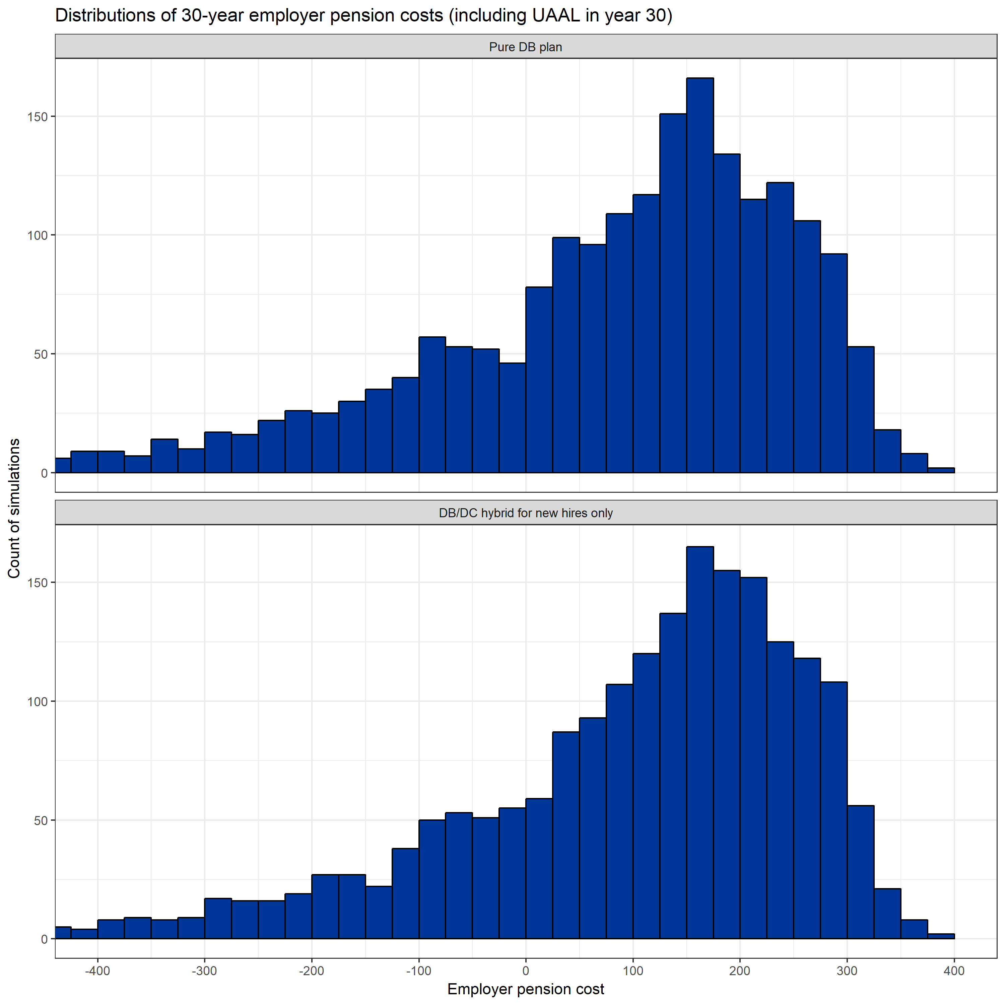

 | PureDB

 | hybrid

allTiers.UAAL
 | 90th percenitle ($b) | 75th percentile ($b) | Median ($b) | 25th percentile ($b) | mean ($b) | Standard Deviation ($b) | Diff. between 75th ptile and 25th ptile ($b) | Diff. between 90th ptile and median ($b) | Diff. between 75th ptile and median ($b) | 90th ptile higher than median (% of median) | 75th ptile higher than median (% of median)
Pure DB | 267.8 | 201.9 | 117.0 | -19.3 | 62.7 | 221.9 | 221.2 | 150.8 | 84.9 | 129% | 73%
Hybrid DB+DC (all Tiers) | 165.5 | 133.9 | 92.5 | 24.0 | 64.2 | 111.1 | 109.9 | 73.0 | 41.4 | 79% | 45%
Diff | -102.3 | -68.0 | -24.5 | 43.3 | 1.5 | -110.8 | -111.3 | -77.8 | -43.5 | -50% | -28%
Diff as % pure DB values | -38.2% | -33.7% | -21.0% | -224.2% | 2.3% | -49.9% | -50.3% | -51.6% | -51.2% | -39% | -38%

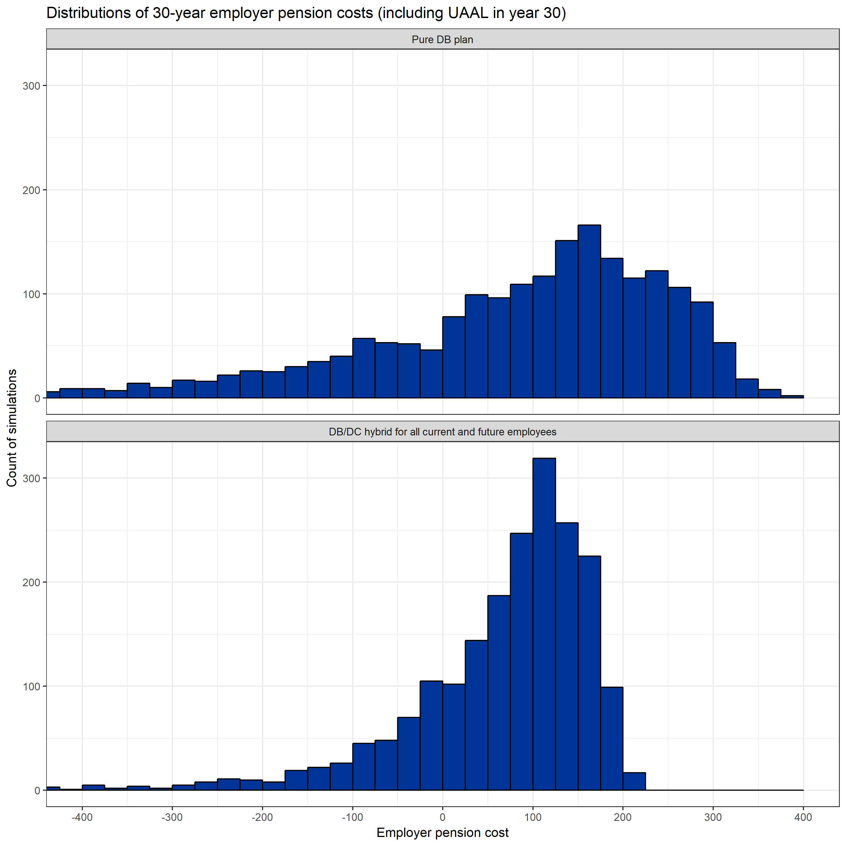

 | Pure DB

 | Hybrid

Discussion
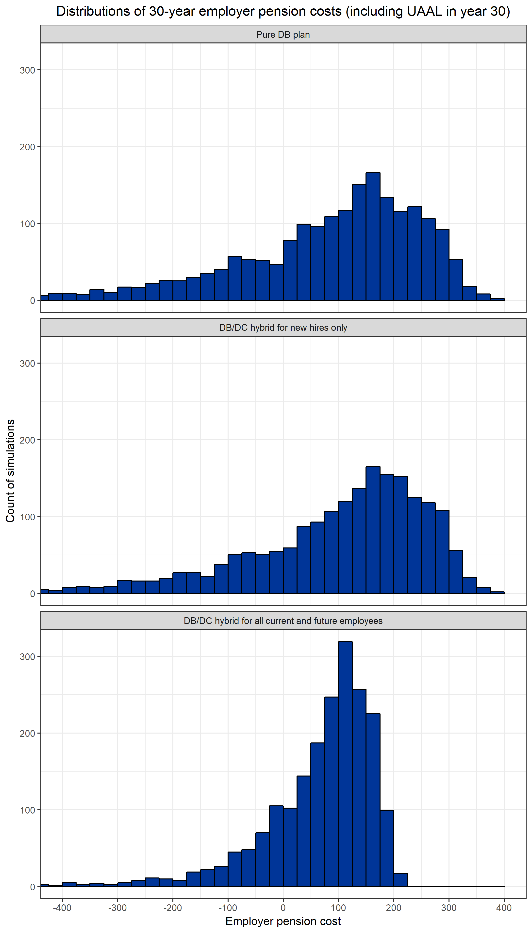

Comparing distributions of employer pension costs under the pure DB plan and the DB/DC hybrid plan (for NEW HIRES ONLY)
 | Summary statistics for the distribution of pension cost |  |  |  |  | Possible measures of dispersion (uncertainty)
 | 90th percenitle ($b) | 75th percentile($b) | Median ($b) | 25th percentile($b) | mean ($b) | Standard Deviation ($b) | Diff. between 75th pctile and 25th pctile ($b) | Diff. between 90th pctile and median ($b) | Diff. between 75th pctile and median ($b) | 90th pctile higher than median (% of median) | 75th pctile higher than median (% of median)
Pure DB | 267.8 | 201.9 | 117.0 | -19.3 | 62.7 | 221.9 | 221.2 | 150.8 | 84.9 | 129% | 73%
Hybrid DB+DC (New hires only) | 274.6 | 213.7 | 133.6 | 7.1 | 80.6 | 212.3 | 206.6 | 141.0 | 80.1 | 106% | 60%
Diff | 6.8 | 11.8 | 16.6 | 26.4 | 17.9 | -9.6 | -14.6 | -9.8 | -4.8 | -23% | -13%
Diff as % pure DB values | 2.5% | 5.9% | 14.2% | -136.9% | 28.5% | -4.3% | -6.6% | -6.5% | -5.6% | -18.1% | -17.4%
 |  |  |  |  |  | Proposed measures of risk transfer under stochastic approach

Comparing distributions of employer pension costs under the pure DB plan and the DB/DC hybrid plan (for ALL CURRENT AND FUTURE MEMBERS)
 | Summary statistics for the distribution of pension cost |  |  |  |  | Possible measures of dispersion (uncertainty)
 | 90th percentile ($b) | 75th percentile ($b) | Median ($b) | 25th percentile ($b) | mean ($b) | Standard Deviation ($b) | Diff. between 75th pctile and 25th pctile ($b) | Diff. between 90th pctile and median ($b) | Diff. between 75th pctile and median ($b) | 90th pctile higher than median (% of median) | 75th pctile higher than median (% of median)
Pure DB | 267.8 | 201.9 | 117.0 | -19.3 | 62.7 | 221.9 | 221.2 | 150.8 | 84.9 | 129% | 73%
Hybrid DB+DC (all members) | 165.5 | 133.9 | 92.5 | 24.0 | 64.2 | 111.1 | 109.9 | 73.0 | 41.4 | 79% | 45%
Diff | -102.3 | -68.0 | -24.5 | 43.3 | 1.5 | -110.8 | -111.3 | -77.8 | -43.5 | -50% | -28%
Diff as % pure DB values | -38.2% | -33.7% | -21.0% | -224.2% | 2.3% | -49.9% | -50.3% | -51.6% | -51.2% | -39% | -38%
 |  |  |  |  |  | Proposed measures of risk transfer under stochastic approach

Notes: 1. Employer pension cost: nominal value (no discounting) of the 30-year total employer contribution to PSERS, (ADC to for the pure DB plan; ADC to the DB plan and employer contribution to the DC plan for the hybrid plan ), plus the UAAL at the end of year 30. 2. There are negative values of total contribution because in simulations with very good realized investment returns in the 30-year period the plan can have a surplus in assets that is even larger than the 30-year total employer pension cost. One reason for the existence of very large surplus is that our simulation model does not allow for withdrawal from the assets when when there is a surplus. (no amortization for the surplus)

