prop.occupation
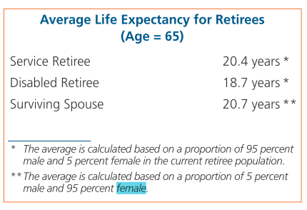
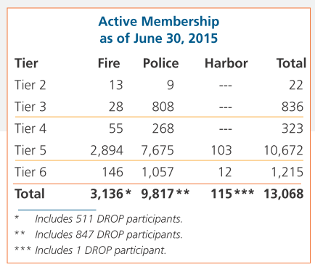
TOC
startcell | B6
endcell | F12

 | tier | n.fire | n.plc | n.harbor | year
 | t1 | 1 | 1 | 0 | 2015
 | t2 | 13 | 9 | 0 | 2015
 | t3 | 28 | 808 | 0 | 2015
 | t4 | 55 | 268 | 0 | 2015
 | t5 | 2894 | 7675 | 103 | 2015
 | t6 | 146 | 1057 | 12 | 2015

