Calibration_2016
$billion
 | AV2016 | Model | diff
PVFB for actives | 61.86 | 62.89 | 101.67%
PVFB for retirees/bens | 55.31 | 55.38 | 100.13%
PVFB for vested | 1.83 | 1.83
AL for actives | 42.85 | 40.92 | 95.50% | 0.34934011767
AL total | 99.99 | 98.13 | 98.14%
VVA | 57.39 | 56.2 | 97.93%
MVA | 49.96 | 49 | 98.08%
UAAL | 42.7 | 41.91 | 98.15%
NC $b | 2.0496276 | 2.2068 | 107.67%
NC rate % | 15.24 |  | 0.00%
SC $b in2018 | 3.2331396 | 3.19 | 98.67%
SC rate % | 24.04 |  | 0.00%
EEC rate % | 7.54 | 7.57 | 100.40%
EEC $b | 0.96889
B | 6.36 | 6.18 | 97.17%
B disb | 0.182
B ben | 0.258
B normal+early+lump sum | 5.887
B Annual annuity | 5.67 | 5.49 | 96.83%
payroll (est) | 13.449 |  | 0.00%
payroll (calc) | 12.85 | 12.92 | 100.54%

Duration:
AAL DR: 18174710587
AAL +1%: AAL: 16192752562 (AL.act: 6941488396, PVFB.act = 9984484403)
Change: 16192752562/18174710587 -1=-0.1091
Target: -10.9
AAL -1% AAL: 20564421674 (AL.act = 9573882561, PVFB.act = 15528002079)
Change: 20564421674/18174710587 -1=0.1315
Target: 13.3
Duration: (20564421674 - 16192752562)/(2*18174710587) = 0.1203
Target: 12.12

0.49899714326

 |  | 0.35394126739

 |  | 0.33343653251

 |  | 1.0504731861

Calibration_2015
$billion
 | AV2016 | Model | diff
PVFB for actives | 61.13 | 60 | 98.15%
PVFB for retirees/bens | 52.74 | 52.9 | 100.30%
FVFB for vested | 1.61
AL for actives | 40.2 | 39 | 97.01%
AL total | 94.55 | 91.9 | 97.20%
VVA | 57.36 | 55.7 | 97.11%
MVA | 51.6243 | 50.2 | 97.24%
UAAL | 37.35 | 36.2 | 96.92%
NC rate % | 15.83 | 16.6 | 104.86%
SC $b | 2.83 | 2.75 | 97.17%
SC rate % | 20 | 21.6 | 108.00%
EEC rate % | 7.49 | 7.56 | 100.93%
EEC $b
B | 6.2 | 5.52 | 89.03%
B disb | 0.178
B ben | 0.235
B normal+early+lump sum | 5.777
payroll (approp) | 13.38 |  | 0.00%
payroll (calc) | 12.68 | 12.7 | 100.16%

Duration:
AAL DR: 18174710587
AAL +1%: AAL: 16192752562 (AL.act: 6941488396, PVFB.act = 9984484403)
Change: 16192752562/18174710587 -1=-0.1091
Target: -10.9
AAL -1% AAL: 20564421674 (AL.act = 9573882561, PVFB.act = 15528002079)
Change: 20564421674/18174710587 -1=0.1315
Target: 13.3
Duration: (20564421674 - 16192752562)/(2*18174710587) = 0.1203
Target: 12.12

Calibration_benefit
 | B
Retirees | 5.21
Ben | 0.137
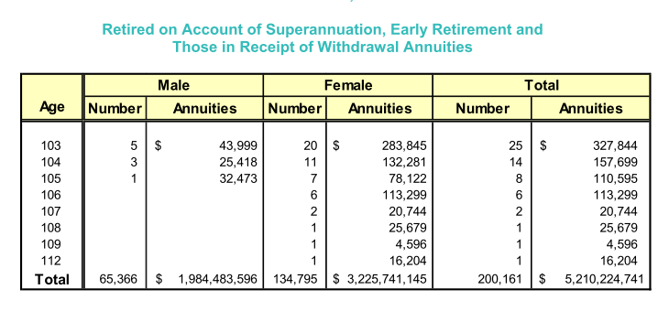
disability | 0.173

RiskTransfer
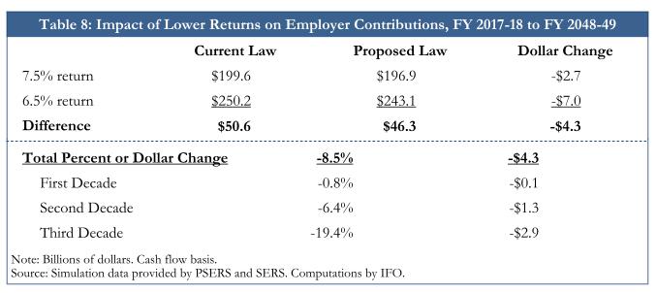
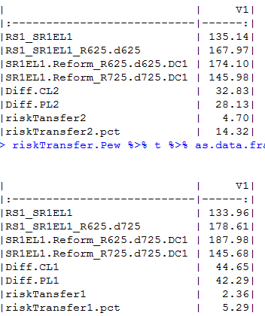
Employer pension cost ($B) with IFO method
 | Pure DB | DB/DC hybrid
7.25% return; discount 7.25% | 135.14 | 145.98
6.25% return; discount 6.25% | 167.97 | 174.1
Difference | 32.83 | 28.12
risk transfer | 4.71
risk transfer (%) | 14.3%

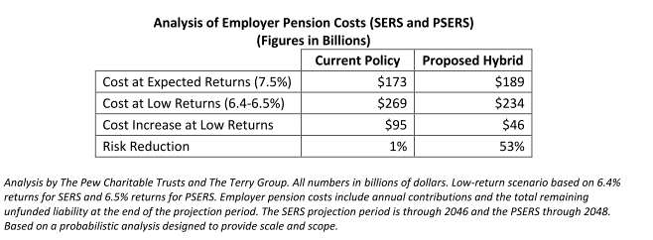
Employer pension cost ($B) with Pew method
 | Pure DB | DB/DC hybrid
7.25% return; discount 7.25% | 133.96 | 145.68
6.25% return; discount 7.25% | 178.61 | 187.98
Difference | 44.65 | 42.3
risk transfer | 2.35
risk transfer (%) | 5.3%
Note: Final year UAAL is included.

Comparison of PSERS and SERS
 | PSERS (2015) | SERS(2015)
AL $b | 94.6 | 46.3
Total annuity $b | 5.52 | 2.66
PSERS is about twice as large as SERS.

