returns
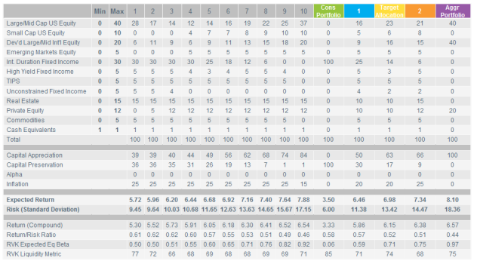
scenario | note | r.mean | r.sd | period | return_det | r.geoMean
Dev |  | 0.0822 | 0.12 | 50 | 0.075 | 7.5%
RS1 |  | 0.0822 | 0.12 | 30 | 0.075 | 7.5%
RS2 |  | 0.05000 | 0.12 | 1 | 0.05000 | 4.3%
RS2 |  | 0.05500 | 0.12 | 1 | 0.05500 | 4.8%
RS2 |  | 0.06000 | 0.12 | 1 | 0.06000 | 5.3%
RS2 |  | 0.06500 | 0.12 | 1 | 0.06500 | 5.8%
RS2 |  | 0.07000 | 0.12 | 1 | 0.07000 | 6.3%
RS2 |  | 0.08220 | 0.12 | 25 | 0.06875 | 7.5%
RS3 |  | 0.0572 | 0.12 | 10 | 0.05 | 5.0%
RS3 |  | 0.0722 | 0.12 | 5 | 0.065 | 6.5%
RS3 |  | 0.0822 | 0.12 | 15 | 0.075 | 7.5%
RS4 | Callan | 0.08979 | 0.172 | 30 | 0.07500 | 7.5%
RS5 | RVK | 0.06980 | 0.1342 | 30 | 0.06080 | 6.1%
RS.closed |  | 0.0404 | 0.00 | 1 | 0.040 | 4.0%
RS.closed |  | 0.0822 | 0.12 | 69 | 0.075 | 7.5%

 |  |  |  | 0.089792

Calibration_2015
$billion
 | AV2016 | Model | diff
PVFB for actives | 61.13 | 57.4 | 93.90%
PVFB for retirees/bens | 52.74 | 42.5 | 80.58%
FVFB for vested | 1.61
AL for actives | 40.2 | 36.2 | 90.05%
AL total | 94.55 | 78.7 | 83.24%
VVA | 57.36 | 47.7 | 83.16%
MVA | 51.6243 | 42.9 | 83.10%
UAAL | 37.35 | 31 | 83.00%
NC rate % | 15.83 | 16.78 | 106.00%
SC $b | 2.83 | 2.36 | 83.39%
SC rate % | 20 | 18.52 | 92.60%
EEC rate % | 7.49 | 7.56 | 100.93%
EEC $b
B | 6.2 | 4.1 | 66.13%
B disb | 0.178
B ben | 0.235
B normal+early+lump sum | 5.777
payroll (approp) | 13.38 |  | 0.00%
payroll (calc) | 12.68 | 12.7 | 100.16%

Duration:
AAL DR: 18174710587
AAL +1%: AAL: 16192752562 (AL.act: 6941488396, PVFB.act = 9984484403)
Change: 16192752562/18174710587 -1=-0.1091
Target: -10.9
AAL -1% AAL: 20564421674 (AL.act = 9573882561, PVFB.act = 15528002079)
Change: 20564421674/18174710587 -1=0.1315
Target: 13.3
Duration: (20564421674 - 16192752562)/(2*18174710587) = 0.1203
Target: 12.12

Calibration_benefit
 | B
Retirees | 5.21
Ben | 0.137
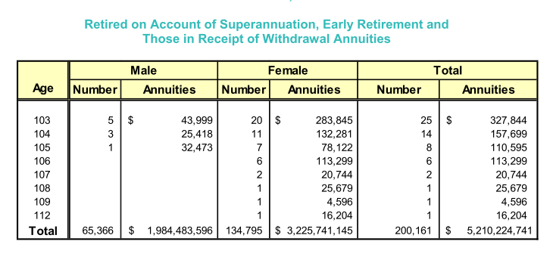
disability | 0.173

