Tiers
Tier Info | AV2016 pdf p8; member data pdf p37-38

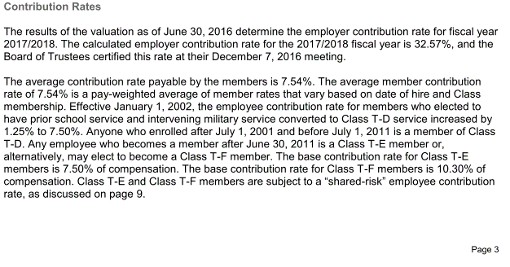

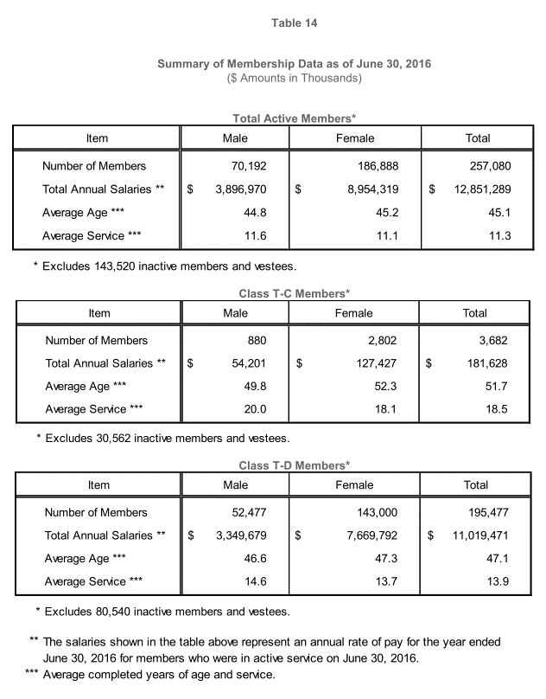
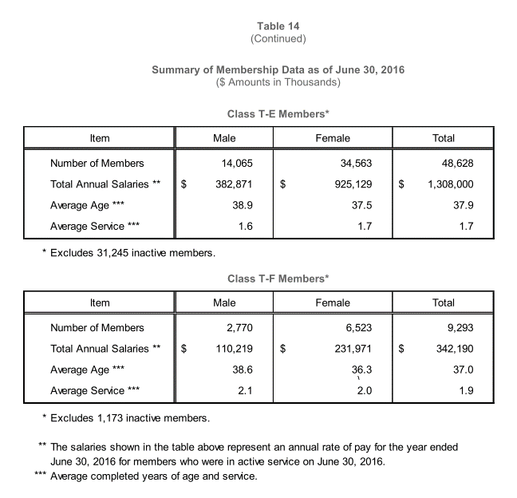

 | Number | Avg Salary | Avg age | Avg yos | female
Tier C/D | 211399 | 53893 | 46.7 | 13.4 | 0.73108198241
Tier E | 41189 | 25086 | 37.4 | 1.3 | 0.70547961834
Teir F | 7280 | 34627 | 36.3 | 1.7 | 0.70260989011

KeyVars
TOC

AV2016 pdf p17 |  | CAFR 2016

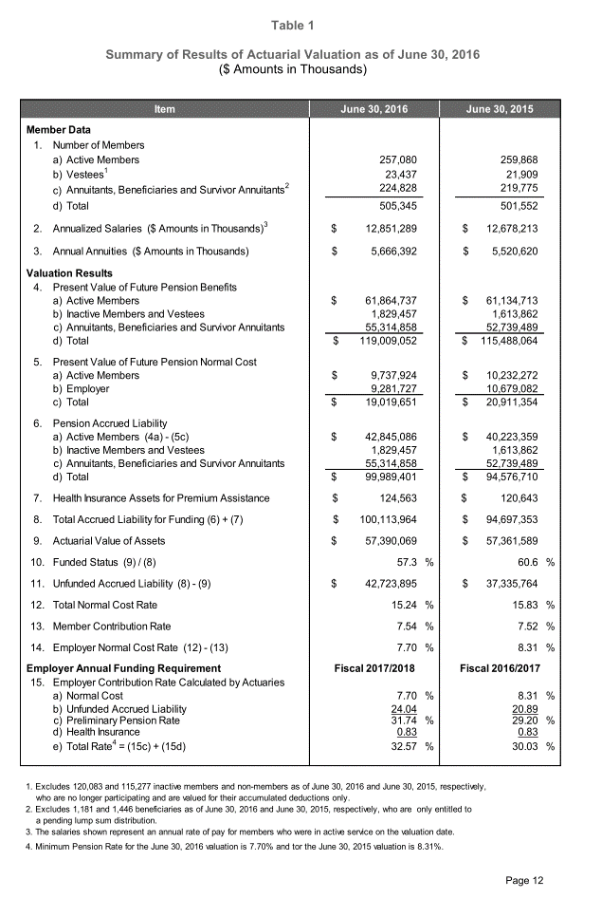
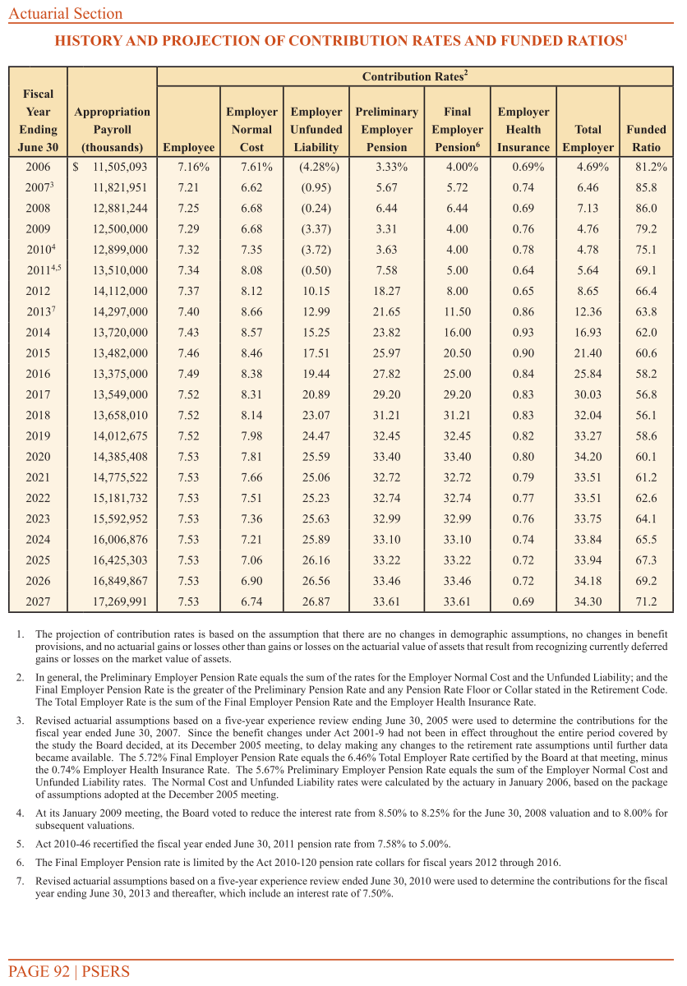

 | 30.9
 | 3.7084
 | 0.12001294498

FundingPolicy
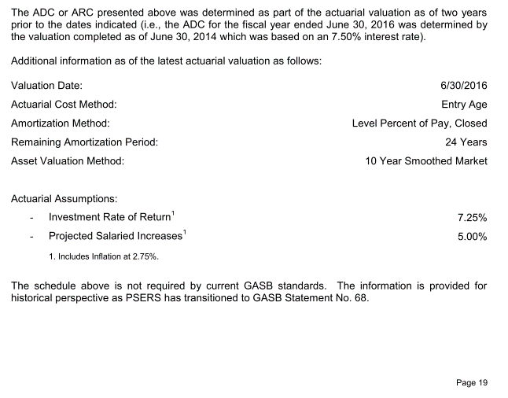
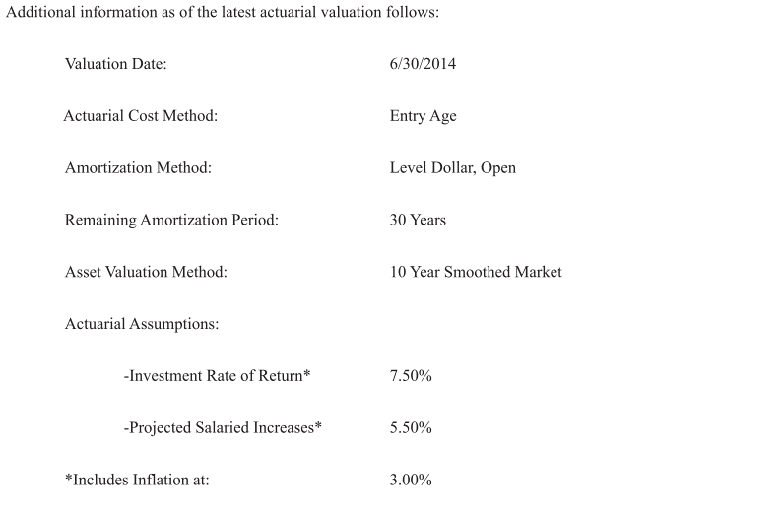
TOC

CAFR pdf p97 |  | Notes
Employer Contribution
Method | EAN
Asset smoothing | 1. Smoothing Period: 10 years
Amortization | General Amort method: Source 1: (ACT 120) - UAAL before 2011: 24-year level percent - Gains/losses after July 1, 2011: 24-year level percent - changes due to legislation after July 1, 2011: 24-year level percent Source2 (GASB reporting): - 30-year level dollar open
Employee Contribution | T-D: 7.5% (Assume T-C is 7.5%) T-E: base 7.5% T-F: base 10.3% T-E and T-F shared risk contributions (AV2015 pdf p13) | 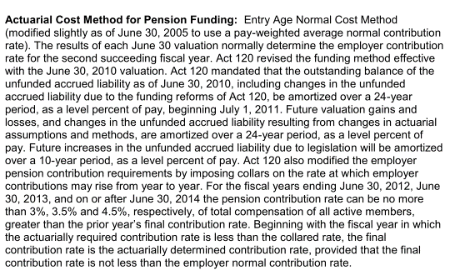
Employee contribution collar | - After FY ending 2014, ERC rate can be no more than 4.5% of total compensation of all active members greater than the prior year's final contribution rate. - If ARC is less than the collared rate, the ERC is the ARC, provided that the final contribution rate is not less than the employer normal contribution rate (NC - EEC).

SharedRisk EEC
TOC

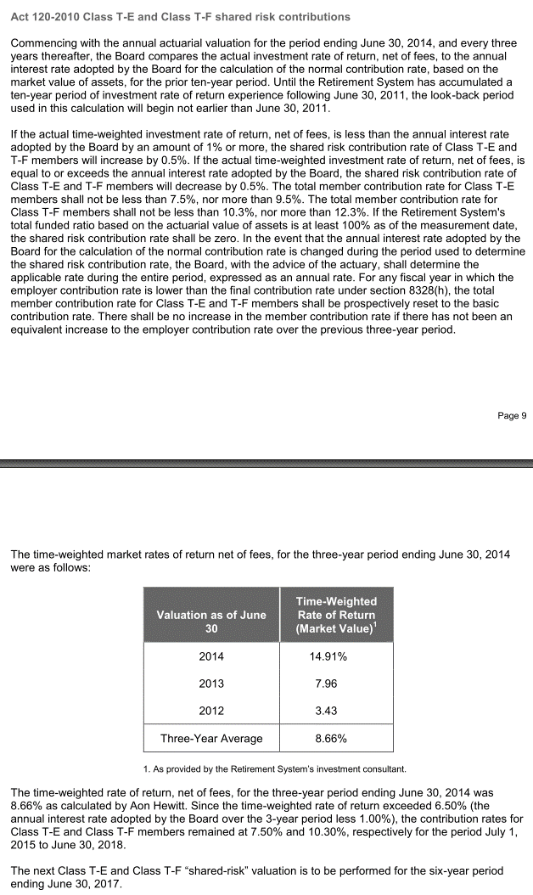
AV2016 pdf p14

Assumptions
TOC

 |  | Note
Net investment return(Discount rate) | 7.50% | AV2016 pdf p31
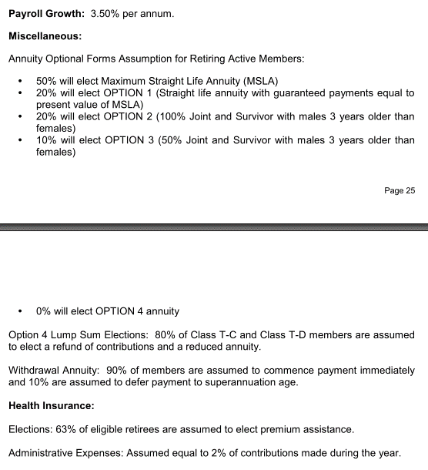
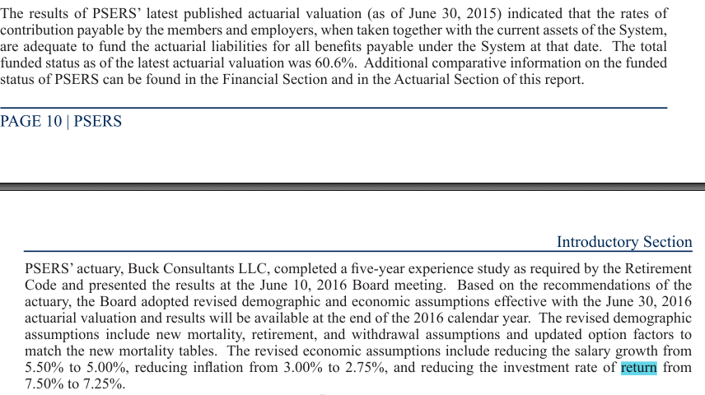
COLA and CPI | COLA provisions: see plan provisions Assumptions: - CPI increases of 3.25% per year - Benefit increases due to CPI subject to a 3.0% max for Tier 3 through 6

Eligible Survivors: | pct with married/Domestic Partner: - 80% of male, 60% of female Eligible survivor Ages: - Wives are 3 years younger than their husbands. Number of eligible children?(We may not plan to model benefits to children in the first version)

Question: | Member Contribution and matching account crediting rate 5%?

SalaryGrowth
TOC
startcell | A6
endcell | B62

Years of Service | Additional Salary Increase
age | salgrowth
19 | 0.1025 | Exp2016 pdf p55
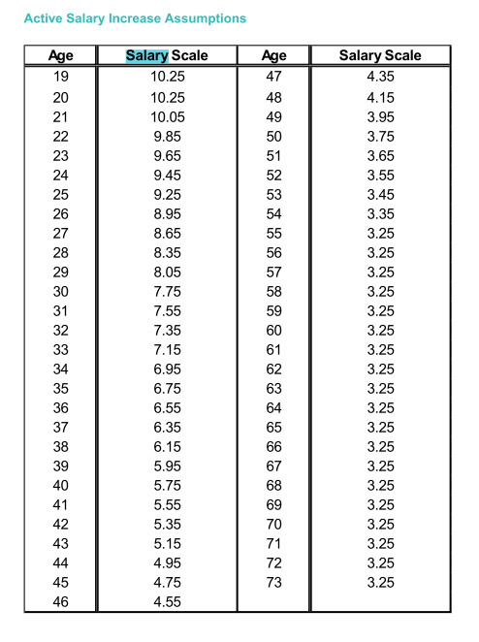
20 | 0.1025
21 | 0.1005
22 | 0.0985
23 | 0.0965
24 | 0.0945
25 | 0.0925
26 | 0.0895
27 | 0.0865
28 | 0.0835
29 | 0.0805
30 | 0.0775
31 | 0.0755
32 | 0.0735
33 | 0.0715
34 | 0.0695
35 | 0.0675
36 | 0.0655
37 | 0.0635
38 | 0.0615
39 | 0.0595
40 | 0.0575
41 | 0.0555
42 | 0.0535
43 | 0.0515
44 | 0.0495
45 | 0.0475
46 | 0.0455
47 | 0.0435
48 | 0.0415
49 | 0.0395
50 | 0.0375
51 | 0.0365
52 | 0.0355
53 | 0.0345
54 | 0.0335
55 | 0.0325
56 | 0.0325
57 | 0.0325
58 | 0.0325
59 | 0.0325
60 | 0.0325
61 | 0.0325
62 | 0.0325
63 | 0.0325
64 | 0.0325
65 | 0.0325
66 | 0.0325
67 | 0.0325
68 | 0.0325
69 | 0.0325
70 | 0.0325
71 | 0.0325
72 | 0.0325
73 | 0.0325
74 | 0.0325

Init_unrecReturn
TOC
startcell | B6
endcell | C16
source | AV2015 pdf page 20

Notes:
In the model, the deferred returns must be adjusted so that the total deferred return is equal to the difference between the initial AA and MA.
Only effective when modeling all tiers together.
MV: 49956623000 (AV2016 pdf p20)
AV: 57390069000 (AV2016 pdf p17)
Unrecognized: -5655.4m
 | year | DeferredReturn
 | 2017 | -743344600
 | 2018 | -743344600
 | 2019 | -743344600
 | 2020 | -743344600
 | 2021 | -743344600
 | 2022 | -743344600
 | 2023 | -743344600
 | 2024 | -743344600
 | 2025 | -743344600
 | 2026 | -743344600

 | MV | 49956623000
 | AV | 57390069000
 | smoothing period | 10

Ret_sum
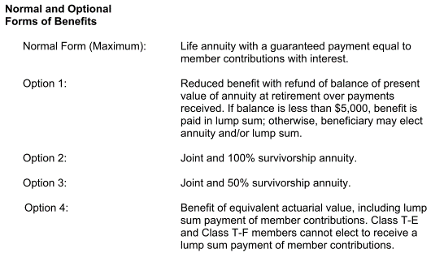
TOC
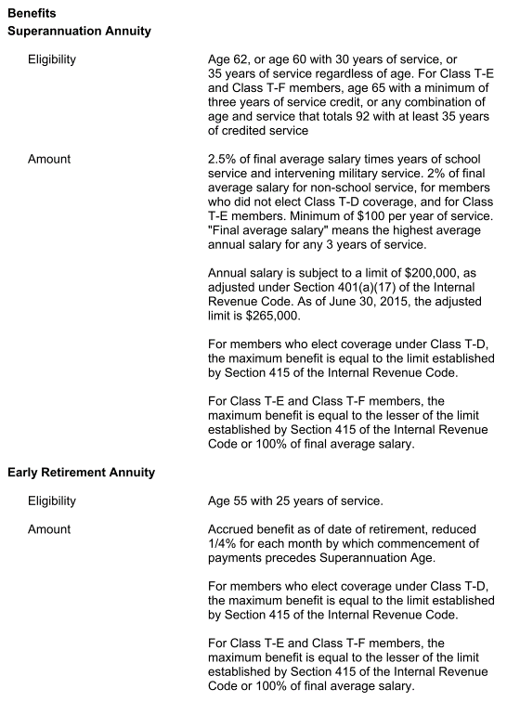
 | Superannuation Annuity |  | Early Retirement Annuity
 | Tier T-C and T-D | Tier T-E and T-F | Tier T-C and T-D | Tier T-E and T-F
Eligibility | - age 62 or - age >= 60, yos >=30, or - yos >= 35 | - age >= 65, yos >= 3 - age + yos >= 92, yos >= 35 | age >= 55, yos >= 25
Final Average salary | Highest average of 3 years of service (limit of $265,000 in 2015) (Model: May not need to model the limit since it's very high) | Highest average of 3 years of service (limit of $265,000 in 2015) | Benefit: Accrued benefit as of date of retirement, reduced 0.25% for each month by which commencement of payments precedes Sumperannuation age. (Model: benefit reduced by 0.25% * 12 = 3% per year before eglible for superannuation annuity.)
Benefit factor | 2.5 per yos for school service; 2% for non-school service
Notes on benefits | Max benefit: limit established by Section 415 of the Internal Revenue Code | - Min benefit: $100'/year per yos - Max benefit: the lesser of the limit established by section 415 of IRC or 100% of the FAS | Same as sumperannuation
Modeling Notes

Ret_dec
TOC
startcell | A7
endcell | E63

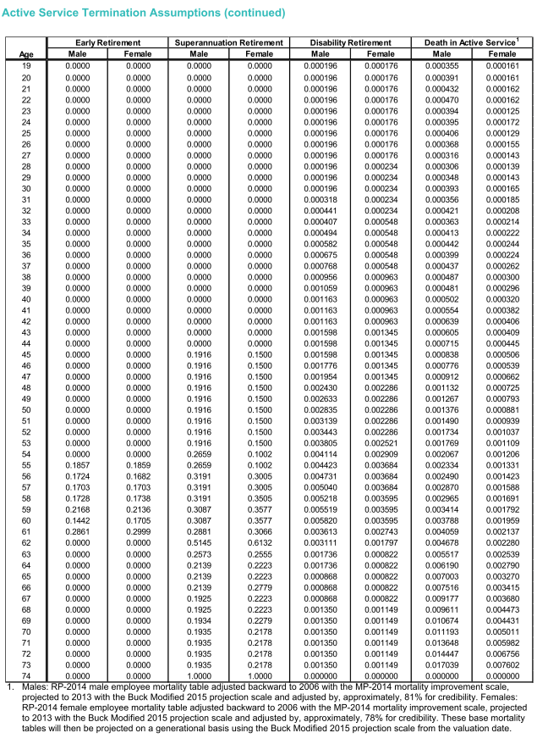
Age | Early Retirement |  | Superannuation Retirement
 | Male | Female | Male | Female
age | qxr.male.early | qxr.female.early | qxr.male.super | qxr.female.super
19 | 0.0000 | 0.0000 | 0.0000 | 0.0000
20 | 0.0000 | 0.0000 | 0.0000 | 0.0000
21 | 0.0000 | 0.0000 | 0.0000 | 0.0000
22 | 0.0000 | 0.0000 | 0.0000 | 0.0000
23 | 0.0000 | 0.0000 | 0.0000 | 0.0000
24 | 0.0000 | 0.0000 | 0.0000 | 0.0000
25 | 0.0000 | 0.0000 | 0.0000 | 0.0000
26 | 0.0000 | 0.0000 | 0.0000 | 0.0000
27 | 0.0000 | 0.0000 | 0.0000 | 0.0000
28 | 0.0000 | 0.0000 | 0.0000 | 0.0000
29 | 0.0000 | 0.0000 | 0.0000 | 0.0000
30 | 0.0000 | 0.0000 | 0.0000 | 0.0000
31 | 0.0000 | 0.0000 | 0.0000 | 0.0000
32 | 0.0000 | 0.0000 | 0.0000 | 0.0000
33 | 0.0000 | 0.0000 | 0.0000 | 0.0000
34 | 0.0000 | 0.0000 | 0.0000 | 0.0000
35 | 0.0000 | 0.0000 | 0.0000 | 0.0000
36 | 0.0000 | 0.0000 | 0.0000 | 0.0000
37 | 0.0000 | 0.0000 | 0.0000 | 0.0000
38 | 0.0000 | 0.0000 | 0.0000 | 0.0000
39 | 0.0000 | 0.0000 | 0.0000 | 0.0000
40 | 0.0000 | 0.0000 | 0.0000 | 0.0000
41 | 0.0000 | 0.0000 | 0.0000 | 0.0000
42 | 0.0000 | 0.0000 | 0.0000 | 0.0000
43 | 0.0000 | 0.0000 | 0.0000 | 0.0000
44 | 0.0000 | 0.0000 | 0.0000 | 0.0000
45 | 0.0000 | 0.0000 | 0.1916 | 0.1500
46 | 0.0000 | 0.0000 | 0.1916 | 0.1500
47 | 0.0000 | 0.0000 | 0.1916 | 0.1500
48 | 0.0000 | 0.0000 | 0.1916 | 0.1500
49 | 0.0000 | 0.0000 | 0.1916 | 0.1500
50 | 0.0000 | 0.0000 | 0.1916 | 0.1500
51 | 0.0000 | 0.0000 | 0.1916 | 0.1500
52 | 0.0000 | 0.0000 | 0.1916 | 0.1500
53 | 0.0000 | 0.0000 | 0.1916 | 0.1500
54 | 0.0000 | 0.0000 | 0.2659 | 0.1002
55 | 0.1857 | 0.1859 | 0.2659 | 0.1002
56 | 0.1724 | 0.1682 | 0.3191 | 0.3005
57 | 0.1703 | 0.1703 | 0.3191 | 0.3005
58 | 0.1728 | 0.1738 | 0.3191 | 0.3505
59 | 0.2168 | 0.2136 | 0.3087 | 0.3577
60 | 0.1442 | 0.1705 | 0.3087 | 0.3577
61 | 0.2861 | 0.2999 | 0.2881 | 0.3066
62 | 0.0000 | 0.0000 | 0.5145 | 0.6132
63 | 0.0000 | 0.0000 | 0.2573 | 0.2555
64 | 0.0000 | 0.0000 | 0.2139 | 0.2223
65 | 0.0000 | 0.0000 | 0.2139 | 0.2223
66 | 0.0000 | 0.0000 | 0.2139 | 0.2779
67 | 0.0000 | 0.0000 | 0.1925 | 0.2223
68 | 0.0000 | 0.0000 | 0.1925 | 0.2223
69 | 0.0000 | 0.0000 | 0.1934 | 0.2279
70 | 0.0000 | 0.0000 | 0.1935 | 0.2178
71 | 0.0000 | 0.0000 | 0.1935 | 0.2178
72 | 0.0000 | 0.0000 | 0.1935 | 0.2178
73 | 0.0000 | 0.0000 | 0.1935 | 0.2178
74 | 0.0000 | 0.0000 | 1.0000 | 1.0000

Term_sum
TOC

 | Withdrawal Annuity
 | Tier T-C and T-D | Tier T-E and T-F
Eligibility | yos >= 5 | yos >= 10
Benefit | - Accured benefit deferred to superannuatin retirement age, or - Actuarially reduced benefit payable immediately: 4% interest and a unisex table based on RP-2000 Combined Healthy Annuitant Tables with age set back 3 years for both genders assuming the population consists of 25% males and 75% females. |  | 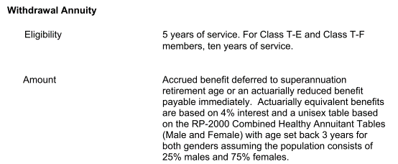
AV assumptions | 90% are assumed to commence payment immediately and 10% are assumed to defer payment to superannuatin age
Modeling notes | For now, assumed all commence payment immediately

Term_dec
TOC
startcell | A7
endcell | G50
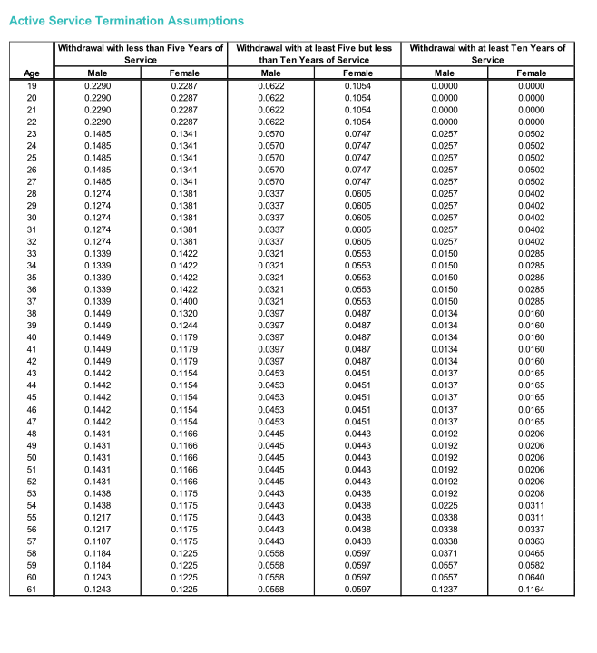
Age | Withdrawal with less than Five Years of Service |  | Withdrawal with at least Five but less than Ten Years of Service |  | Withdrawal with at least Ten Years of Service
 | Male | Female | Male | Female | Male | Female
age | qxt.male.yosLT5 | qxt.female.yosLT5 | qxt.male.yosLT10 | qxt.female.yosLT10 | qxt.male.yosGTE10 | qxt.female.yosGTE10
19 | 0.2290 | 0.2287 | 0.0622 | 0.1054 | 0.0000 | 0.0000
20 | 0.2290 | 0.2287 | 0.0622 | 0.1054 | 0.0000 | 0.0000
21 | 0.2290 | 0.2287 | 0.0622 | 0.1054 | 0.0000 | 0.0000
22 | 0.2290 | 0.2287 | 0.0622 | 0.1054 | 0.0000 | 0.0000
23 | 0.1485 | 0.1341 | 0.0570 | 0.0747 | 0.0257 | 0.0502
24 | 0.1485 | 0.1341 | 0.0570 | 0.0747 | 0.0257 | 0.0502
25 | 0.1485 | 0.1341 | 0.0570 | 0.0747 | 0.0257 | 0.0502
26 | 0.1485 | 0.1341 | 0.0570 | 0.0747 | 0.0257 | 0.0502
27 | 0.1485 | 0.1341 | 0.0570 | 0.0747 | 0.0257 | 0.0502
28 | 0.1274 | 0.1381 | 0.0337 | 0.0605 | 0.0257 | 0.0402
29 | 0.1274 | 0.1381 | 0.0337 | 0.0605 | 0.0257 | 0.0402
30 | 0.1274 | 0.1381 | 0.0337 | 0.0605 | 0.0257 | 0.0402
31 | 0.1274 | 0.1381 | 0.0337 | 0.0605 | 0.0257 | 0.0402
32 | 0.1274 | 0.1381 | 0.0337 | 0.0605 | 0.0257 | 0.0402
33 | 0.1339 | 0.1422 | 0.0321 | 0.0553 | 0.0150 | 0.0285
34 | 0.1339 | 0.1422 | 0.0321 | 0.0553 | 0.0150 | 0.0285
35 | 0.1339 | 0.1422 | 0.0321 | 0.0553 | 0.0150 | 0.0285
36 | 0.1339 | 0.1422 | 0.0321 | 0.0553 | 0.0150 | 0.0285
37 | 0.1339 | 0.1400 | 0.0321 | 0.0553 | 0.0150 | 0.0285
38 | 0.1449 | 0.1320 | 0.0397 | 0.0487 | 0.0134 | 0.0160
39 | 0.1449 | 0.1244 | 0.0397 | 0.0487 | 0.0134 | 0.0160
40 | 0.1449 | 0.1179 | 0.0397 | 0.0487 | 0.0134 | 0.0160
41 | 0.1449 | 0.1179 | 0.0397 | 0.0487 | 0.0134 | 0.0160
42 | 0.1449 | 0.1179 | 0.0397 | 0.0487 | 0.0134 | 0.0160
43 | 0.1442 | 0.1154 | 0.0453 | 0.0451 | 0.0137 | 0.0165
44 | 0.1442 | 0.1154 | 0.0453 | 0.0451 | 0.0137 | 0.0165
45 | 0.1442 | 0.1154 | 0.0453 | 0.0451 | 0.0137 | 0.0165
46 | 0.1442 | 0.1154 | 0.0453 | 0.0451 | 0.0137 | 0.0165
47 | 0.1442 | 0.1154 | 0.0453 | 0.0451 | 0.0137 | 0.0165
48 | 0.1431 | 0.1166 | 0.0445 | 0.0443 | 0.0192 | 0.0206
49 | 0.1431 | 0.1166 | 0.0445 | 0.0443 | 0.0192 | 0.0206
50 | 0.1431 | 0.1166 | 0.0445 | 0.0443 | 0.0192 | 0.0206
51 | 0.1431 | 0.1166 | 0.0445 | 0.0443 | 0.0192 | 0.0206
52 | 0.1431 | 0.1166 | 0.0445 | 0.0443 | 0.0192 | 0.0206
53 | 0.1438 | 0.1175 | 0.0443 | 0.0438 | 0.0192 | 0.0208
54 | 0.1438 | 0.1175 | 0.0443 | 0.0438 | 0.0225 | 0.0311
55 | 0.1217 | 0.1175 | 0.0443 | 0.0438 | 0.0338 | 0.0311
56 | 0.1217 | 0.1175 | 0.0443 | 0.0438 | 0.0338 | 0.0337
57 | 0.1107 | 0.1175 | 0.0443 | 0.0438 | 0.0338 | 0.0363
58 | 0.1184 | 0.1225 | 0.0558 | 0.0597 | 0.0371 | 0.0465
59 | 0.1184 | 0.1225 | 0.0558 | 0.0597 | 0.0557 | 0.0582
60 | 0.1243 | 0.1225 | 0.0558 | 0.0597 | 0.0557 | 0.0640
61 | 0.1243 | 0.1225 | 0.0558 | 0.0597 | 0.1237 | 0.1164

Disb_sum
TOC

 | Withdrawal Annuity
 | Tier T-C and T-D | Tier T-E and T-F
Eligibility | yos >= 5
Benefit | If yos >= 16.667: Standard single life annuity if yos < 16.667: Standard single life annuity multiplied by the lesser of: - Y*/Y - 16.667 / Y Y: yos Y*: total yos if the member were to continue as a school employee until superannuation retirement age(or current age, if later). Min benefit: $100/year per yos |  | 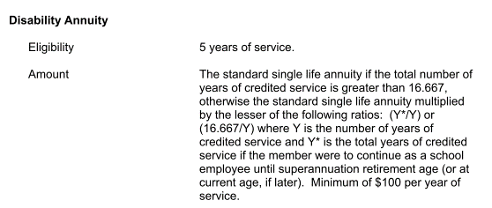
Notes on benefits

Death_sum
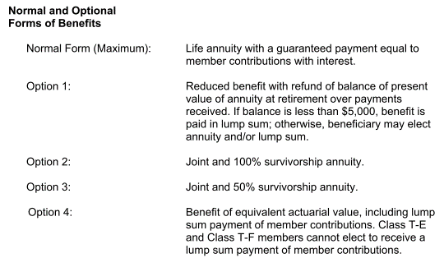
TOC

 | Tier T-C and T-D | Tier T-E and T-F
Eligibility | Death of an active or vestee who was eligible to receive an annuity Model: if vested (eligible for withdrawal annuity)
Benefit | PV of the annuity that would have been effective if the member retired on the day before death. －Option 1 assumed payable if no other option elected.

Health


Fiscal
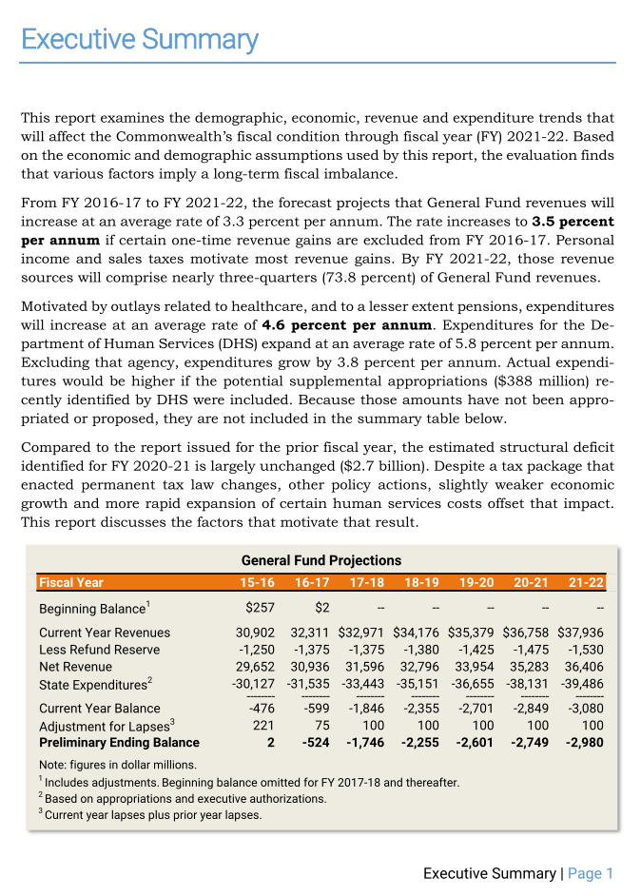

TOC
startcell | C5
endcell | D36
 |  |  |  |  |  |  | 1.0455957543
 |  | year | GenFund.original | GenFund.high | Growth.high | 0.033 | 1.0204264801
 |  | 2015 | 30902000000 | 30902000000 | Grwoth.med | 0.029
 |  | 2016 | 32311000000 | 32311000000 | Growth.low | 0.020
 |  | 2017 | 32971000000 | 32971000000
 |  | 2018 | 34176000000 | 34176000000
 |  | 2019 | 35379000000 | 35379000000
 |  | 2020 | 36758000000 | 36758000000
 |  | 2021 | 37936000000 | 37936000000
 |  | 2022 | 0 | 39187888000
 |  | 2023 | 0 | 40481088304
 |  | 2024 | 0 | 41816964218
 |  | 2025 | 0 | 43196924037
 |  | 2026 | 0 | 44622422530
 |  | 2027 | 0 | 46094962474
 |  | 2028 | 0 | 47616096236
 |  | 2029 | 0 | 49187427411
 |  | 2030 | 0 | 50810612516
 |  | 2031 | 0 | 52487362729
 |  | 2032 | 0 | 54219445699
 |  | 2033 | 0 | 56008687407
 |  | 2034 | 0 | 57856974092
 |  | 2035 | 0 | 59766254237
 |  | 2036 | 0 | 61738540626
 |  | 2037 | 0 | 63775912467
 |  | 2038 | 0 | 65880517578
 |  | 2039 | 0 | 68054574659
 |  | 2040 | 0 | 70300375622
 |  | 2041 | 0 | 72620288018
 |  | 2042 | 0 | 75016757522
 |  | 2043 | 0 | 77492310521
 |  | 2044 | 0 | 80049556768
 |  | 2045 | 0 | 82691192141

Options
AV2015 pdf p55
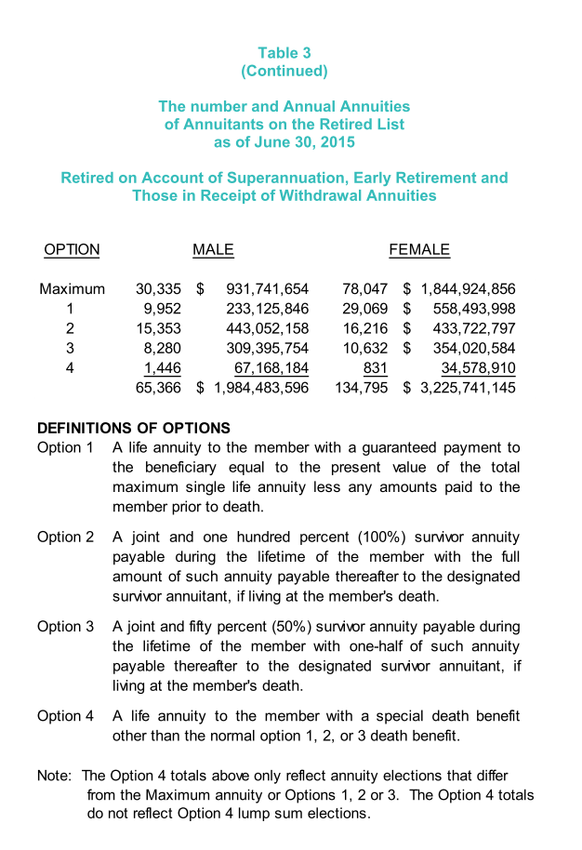
 | Max | 30335 | 78047 | 108382 | 0.5415715178
 | 1 | 9952 | 29069 | 39021 | 0.19498313554
 | 2 | 15353 | 16216 | 31569 | 0.15774640849
 | 3 | 8280 | 10632 | 18912 | 0.094500936914
 | 4 | 1446 | 831 | 2277 | 0.011377888819
 | Total | 65366 | 134759 | 200125 | 1

