Overview
Comments
Retirement:
- annuity (beneficiary)
- cashout
Term:
- deferred annuity
- cashout
- Refund
Simplifications in the first round: assume no one opts for refund upon termination; no one opts for cashout upon assumed retirement age.
Disability:
- disability income (cross-over at retirement age)
Simplifications in the first round: assume no one opts for cashout upon cross-over age. (max cashout prob is 17%)
Death benefit:
- lump sum
- survivor benefit.
Simplification in the first round: ignore death benefit for now.

FundingPolicy
 |  | Notes
Employer Contribution |  | AV15 p59-60
Method | EAN
Asset smoothing | Unregognized return is the difference between actual and expected returns on a market value basis and is recognized over a 5-year period.
Amortization | Only summarize amortization for surplus and UAAL due to gains/losses. Amortization before 7/1/2015 AV - Initial surpuls is amortized as a level dollar amount over 3 years. - UAAL identified prior to 7/1/2015 valuation:(before and not including, 14-15 plan year): any intial UAAL (after a period of surplus) or change in UAAL due to gains andn losses(including contribution gains and losses) is amortized over 30 years. (implication for modeling: find the latest year when the plan had a surplus) Amortization after 7/1/2015 AV(including 2014-15 plan year) - (intial surplus amortized over 30 years accroding to (11)?) - Changes in surplus after the effective date due to actuarial gains/losses(including contribution gains and losses) is amortized as a level dollar amount over 15 years. - Any initial UAAL (after a period of surplus) or change in UAAL due to gains/losses(including contribution gains/losses) is amortized over 20 years. Surplus: - For any year in which UCRP has a surplus, such surplus would be amortized as a level dollar amount over 30 years, and all prior UAAL amortization bases would be considered fully amortized. UAAL as of 2010: Effective 7/1/2010， all UAAL amortization bases as of 7/1/2010 were combined and the combined bases is amortized as a level dollar amount over 30 years. |  | 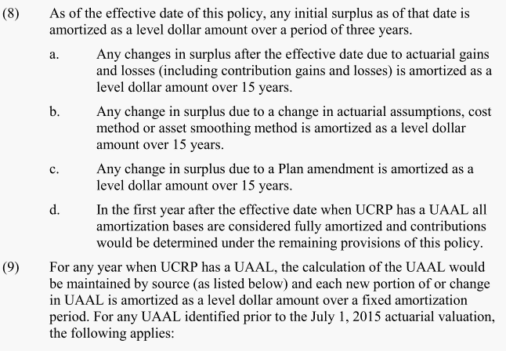 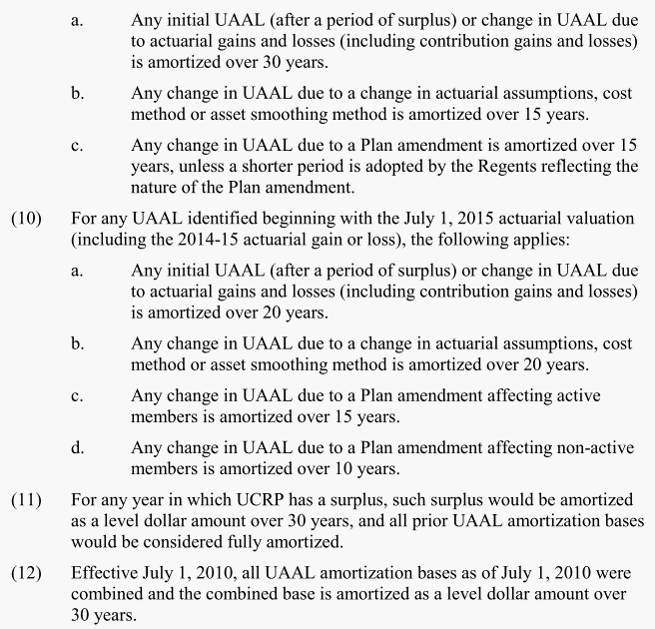
Other provisions | In no event shall the University Contribution be lower than the member contribution

Employee Contribution | 1976 Tier: 9% for CAN, UPTE, AFSCME members after 7/1/2014 8% for all others after 7/1/2014 2013 Tier: 7% Modified 2013 Tier: 9% Safety members: : 9% starting 7/1/2014 Offset: All contributions for non-2013 tier and Modified 2013 Tier members are reduced by $19 per month | Questions: - Contribution rates before 2014 - does "non-2013 tier and modeified 2013 tier" mean "non-2013 tier and non-modified 2013 tier"?
External fund

Assumptions
 |  | Note
Net investment return(Discount rate) | 7.25% (including 3.0% for inflation) | 7.5% before 2015 AV.

COLA | Provisions: -Basic: CPI up to 2% -supplemental 75% of CPI above 4% -basic + supplemental <= 6% Assumptions: - 3% CPI - COLA increases are assumed to be 2%
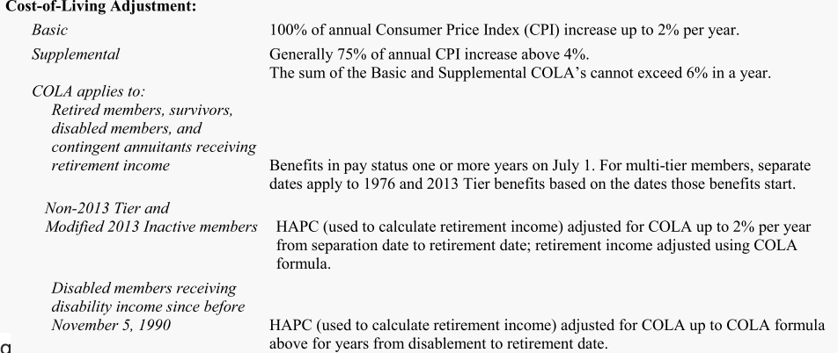

Eligible Survivors: | 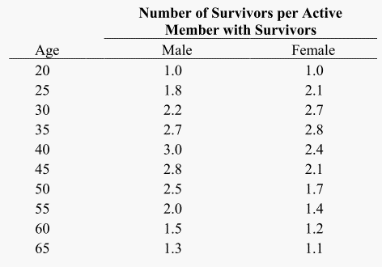 pct with survivors: 80% of male members and 60% of female members are assumed to have Eligible survivors at time of decrement. Eligible survivor Ages: Members assumed to have an opposite sex Eligible Spouse or Eligible Domestic Partner, with females three years younger than males. Number of survivors

Captial Accumulation Provision(CAP) |  | Need to check how big the CAP is, and whether it is included in the AV.

SalaryGrowth
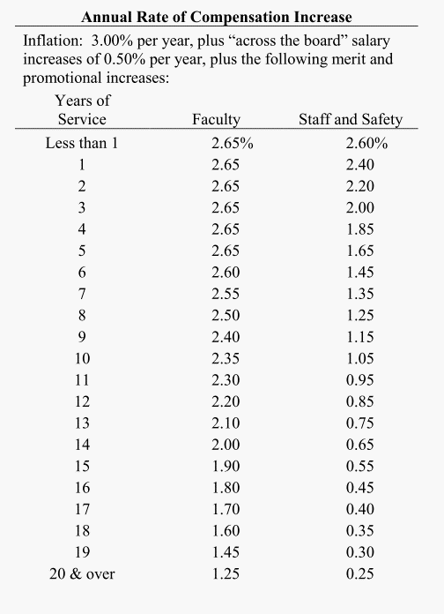
Source | 2015 AV p39, 2015 Exp study p99

Years of Service | Faculty | Staff and Safety
yos | salgrowth.fac | salgrowth.stf
0 | 2.65% | 2.60%
1 | 2.65% | 2.40%
2 | 2.65% | 2.20%
3 | 2.65% | 2.00%
4 | 2.65% | 1.85%
5 | 2.65% | 1.65%
6 | 2.60% | 1.45%
7 | 2.55% | 1.35%
8 | 2.50% | 1.25%
9 | 2.40% | 1.15%
10 | 2.35% | 1.05%
11 | 2.30% | 0.95%
12 | 2.20% | 0.85%
13 | 2.10% | 0.75%
14 | 2.00% | 0.65%
15 | 1.90% | 0.55%
16 | 1.80% | 0.45%
17 | 1.70% | 0.40%
18 | 1.60% | 0.35%
19 | 1.45% | 0.30%
20 and over | 1.25% | 0.25%

Init_amort
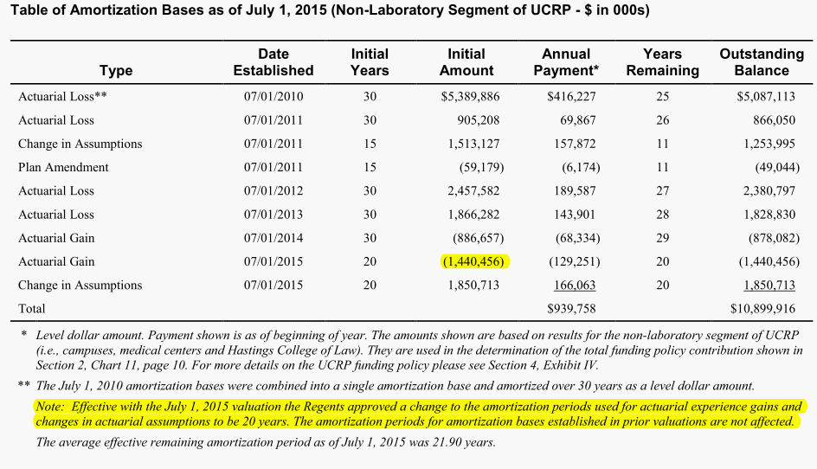
Type | Date Established | Initial Years | Initial Amount | Annual Payment | Years remaining | Outstanding Balance
Actuarial Loss** | 2010-07-01 | 30 | $5,389,886 | $416,227 | 25 | $5,087,113
Actuarial Loss | 2011-07-01 | 30 | 905,208 | 69,867 | 26 | 866,050
Change in Assumptions | 2011-07-01 | 15 | 1,513,127 | 157,872 | 11 | 1,253,995
Plan Amendment | 2011-07-01 | 15 | -59,179 | -6,174 | 11 | -49,044
Actuarial Loss | 2012-07-01 | 30 | 2,457,582 | 189,587 | 27 | 2,380,797
Actuarial Loss | 2013-07-01 | 30 | 1,866,282 | 143,901 | 28 | 1,828,830
Actuarial Gain | 2014-07-01 | 30 | -886,657 | -68,334 | 29 | -878,082
Actuarial Gain | 2015-07-01 | 20 | -1,440,456 | -129,251 | 20 | -1,440,456
Change in Assumptions | 2015-07-01 | 20 | 1,850,713 | 166,063 | 20 | 1,850,713
Total |  |  |  | $939,758 |  | $10,899,916

Ret_sum
 | Parameter/formula |  |  |  | Notes on Provision
 | 1976 Tier | 2013 Tier | Modifed 2013 Tier | Safety Tier
Benefit
Final Average salary (years) | highest compensation during any 36 consecutive months |  |  |  | Highest Average Plan Compensation(HAPC): . Simplified to last 3 years.
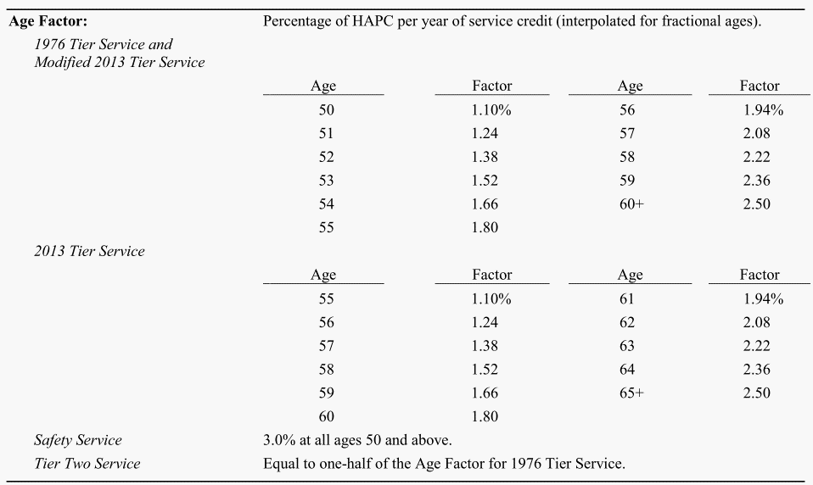
Benefit Factor | See chart
Benefit formula | 1976 Tier with SS: yos * bfactor * (FAS - 133 * 12), All other member: yos * bfactor * FAS subject to a limit of 100% of HAPC or HAPC - 133 Annual compensation limit 401(a) (17) (Plan year starting 7/1/2015): - 26500 for members hired after 7/1/1994 - 39500 for members hired before 7/1/1994 - the limit is indexed for inflation on an annual basis: 3% annually |  |  |  | Simplifications: - Multi-tier members are included in the tier in which they are currently earning future service credit. (Need to check) - Can we assume all 1976 tier members are coordinated with Social Security? (535 out of 96278 in 2015 w/o SS. AV15 p15) - Should be safe to tier 2 benefit in 1976 tier (6 out of 96278 in 2015)

Eligibility | - age 50 (55 for 2013 tier) with 5 yos, or - age 62 for membership starting before 1989, or - Retirement on Normal Retirement Date(?) - members with safety benefity: age 50 w/ 5 yos - all other members: age 60 (65 for 2013 tier) w/ 5 yos

Form of Payment (ES for Eligible Survivor) | - Cashout - Life annuity if no ES - 25% contingent annuity for members w/ SS if w/ ES - 50% contigent annuity for members w/o SS if w/ ES | Life annuity | - Cashout - life annuity | -Cashout option? - 50% contigent annuity for members w/ Safety benefit if w/ ES | Based on provisions on AV15 p51 and assumptions on AV15 p37 Need to check how continuance to contingent annuitant works: - Do life annuity and contingent annuity have the same amount of benefit payment? Simplifications: - Need to figure out how to simplify payment form for 1976 tier. Can we assume away members w/o SS?

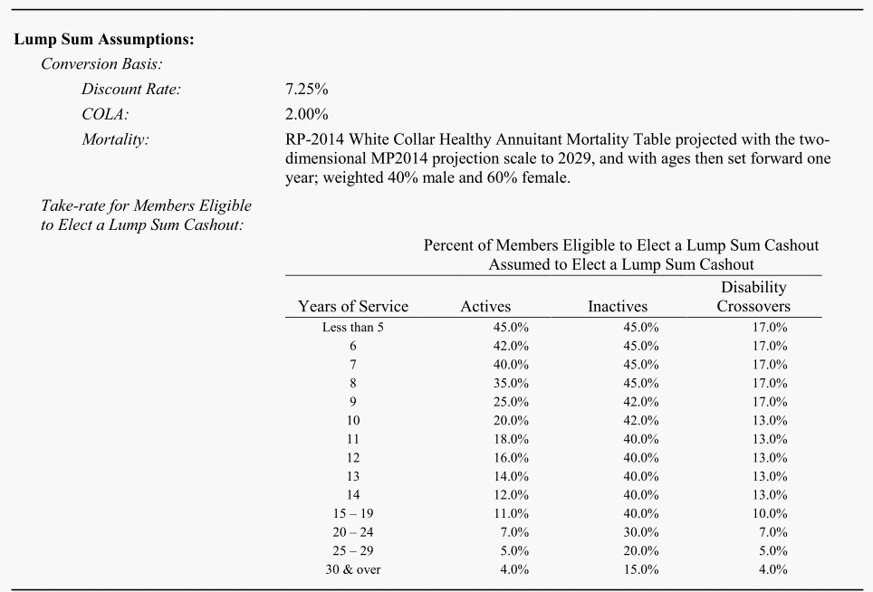
Cashout Assumptions

Other Provisions
Temp SS supplement |  |  |  |  | Simplification: Only for 1976 Tier with SS only and retirement occuring before 65. Can we assume it away?
Sick Leave |  |  |  |  | Simplification: Ignored

Comments

Ret_dec
Source | AV 2015 p36

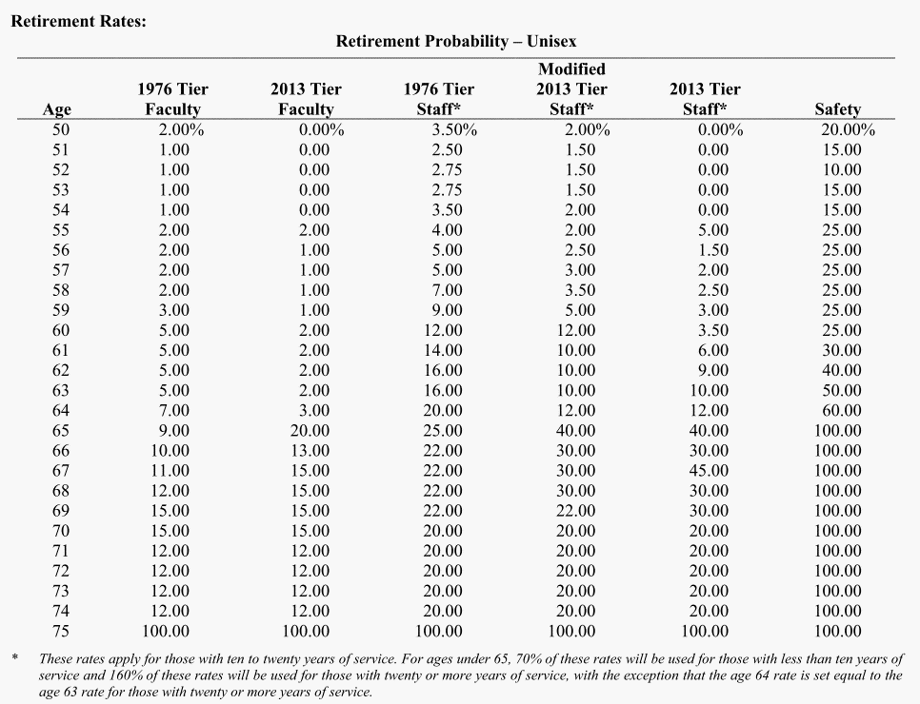
Age | 1976 Tier Faculty | 2013 Tier Faculty | 1976 Tier Staff | Modified 2013 Tier Staff | 2013 Tier Staff | Safety
age | qxr.t76.fac | qxr.t13.fac | qxr.t76.stf | qxr.tm13.stf | qxr.t13.stf | qxr.safety
50 | 2.0% | 0.0% | 4.0% | 2.0% | 0.0% | 20.0%
51 | 1.0% | 0.0% | 3.0% | 1.5% | 0.0% | 10.0%
52 | 1.0% | 0.0% | 3.0% | 1.5% | 0.0% | 10.0%
53 | 1.0% | 0.0% | 3.0% | 1.5% | 0.0% | 10.0%
54 | 1.0% | 0.0% | 4.0% | 2.0% | 0.0% | 10.0%
55 | 2.0% | 2.0% | 4.0% | 2.0% | 5.0% | 20.0%
56 | 2.0% | 1.0% | 5.0% | 2.5% | 1.5% | 20.0%
57 | 2.0% | 1.0% | 6.0% | 3.0% | 2.0% | 25.0%
58 | 2.0% | 1.0% | 7.0% | 3.5% | 2.5% | 25.0%
59 | 3.0% | 1.0% | 10.0% | 5.0% | 3.0% | 25.0%
60 | 5.0% | 2.0% | 14.0% | 12.0% | 3.5% | 25.0%
61 | 5.0% | 2.0% | 16.0% | 10.0% | 6.0% | 30.0%
62 | 5.0% | 2.0% | 18.0% | 10.0% | 9.0% | 40.0%
63 | 5.0% | 2.0% | 18.0% | 10.0% | 10.0% | 50.0%
64 | 7.0% | 3.0% | 20.0% | 12.0% | 12.0% | 60.0%
65 | 9.0% | 20.0% | 25.0% | 40.0% | 40.0% | 100.0%
66 | 10.0% | 13.0% | 22.0% | 30.0% | 30.0% | 100.0%
67 | 11.0% | 15.0% | 22.0% | 30.0% | 45.0% | 100.0%
68 | 12.0% | 15.0% | 22.0% | 30.0% | 30.0% | 100.0%
69 | 15.0% | 15.0% | 22.0% | 22.0% | 30.0% | 100.0%
70 | 15.0% | 15.0% | 20.0% | 20.0% | 20.0% | 100.0%
71 | 12.0% | 12.0% | 20.0% | 20.0% | 20.0% | 100.0%
72 | 12.0% | 12.0% | 20.0% | 20.0% | 20.0% | 100.0%
73 | 12.0% | 12.0% | 20.0% | 20.0% | 20.0% | 100.0%
74 | 12.0% | 12.0% | 20.0% | 20.0% | 20.0% | 100.0%
75 | 100.0% | 100.0% | 100.0% | 100.0% | 100.0% | 100.0%

Term_dec
Source | AV 2015 p35
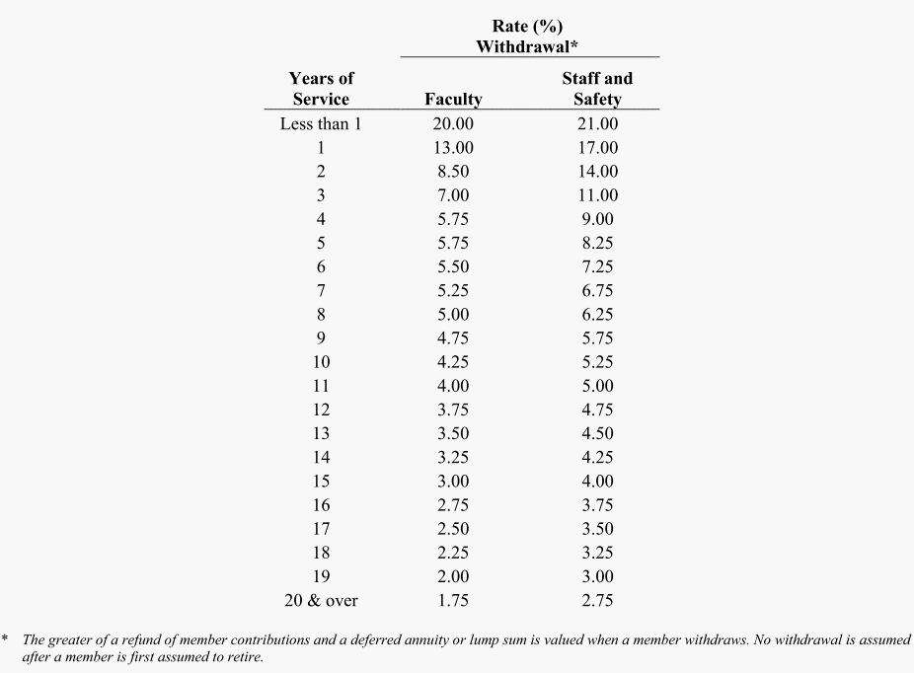
Years of Service | Faculty | StaffSafety
yos | qxt.faculty | qxt.staff
0 | 20.00% | 21.00%
1 | 13.00% | 17.00%
2 | 8.50% | 14.00%
3 | 7.00% | 11.00%
4 | 5.75% | 9.00%
5 | 5.75% | 8.25%
6 | 5.50% | 7.25%
7 | 5.25% | 6.75%
8 | 5.00% | 6.25%
9 | 4.75% | 5.75%
10 | 4.25% | 5.25%
11 | 4.00% | 5.00%
12 | 3.75% | 4.75%
13 | 3.50% | 4.50%
14 | 3.25% | 4.25%
15 | 3.00% | 4.00%
16 | 2.75% | 3.75%
17 | 2.50% | 3.50%
18 | 2.25% | 3.25%
19 | 2.00% | 3.00%
20 | 1.75% | 2.75%

Disb_dec
Source

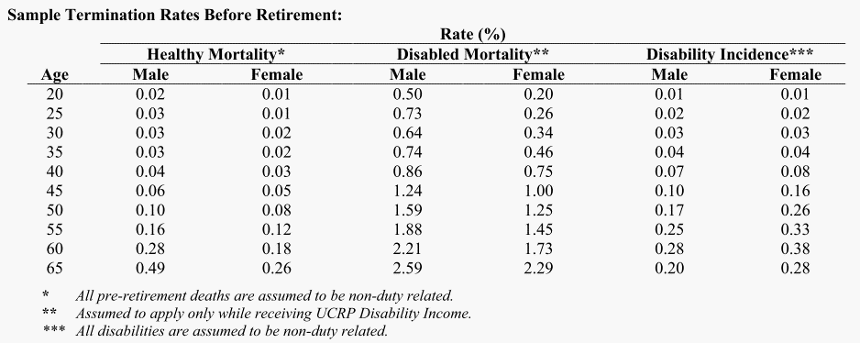
age.lower | age.upper | qxd.M | qxd.F
20 | 24 | 0.01% | 0.01%
25 | 29 | 0.02% | 0.02%
30 | 34 | 0.03% | 0.03%
35 | 39 | 0.05% | 0.05%
40 | 44 | 0.08% | 0.10%
45 | 49 | 0.12% | 0.20%
50 | 54 | 0.20% | 0.30%
55 | 59 | 0.28% | 0.35%
60 | 64 | 0.28% | 0.40%
65 |  | 0.15% | 0.20%

Death_sum
 | Parameter/formula |  |  |  | Notes on Provision
 | 1976 Tier | 2013 Tier | Modifed 2013 Tier | Safety Tier
A. Lump sum death benefit
Benefit | Basic Benefit: - Actives who became a member before 10/1/1990: Greater of $1500 + one month's final salary, or $7500. - All others: $7500. Residual Benefit: - Refund of member contributions plus interest, reduced by a portion of benefits received (100% of retirement income, 50% of preretirement survivor income or disability income) payable to beneficiary if no survivor, surviving spouse, domestic partner, or contingent annuitant. (according to Anderson p105, this benefit usually add at most 0.6% value to the life annuity, and can be safely ignored in the valuation. ) |  |  |  | Need to figure out - how important the death benefit is. - how residual benefit works - What is the definition of "beneficiary?" What is the relationship between "beneficiary" and "eligible survivor" ?

Eligibility | Beneficiary of active, inactive, disabled, or retired member.

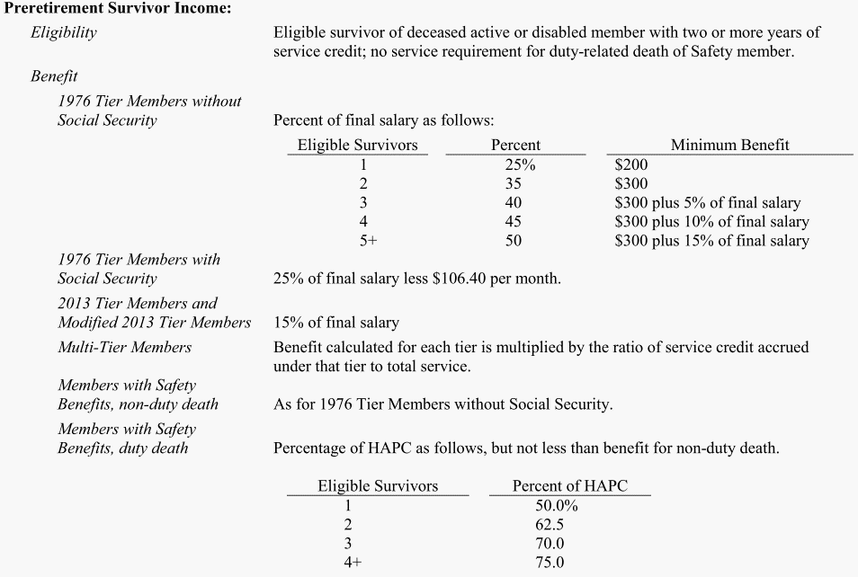
B. Preretirement survivor Income |  |  |  |  | Need to check - how important the preretirement survivor income is. Whether we can safely ignore this benefit.

Death_dec
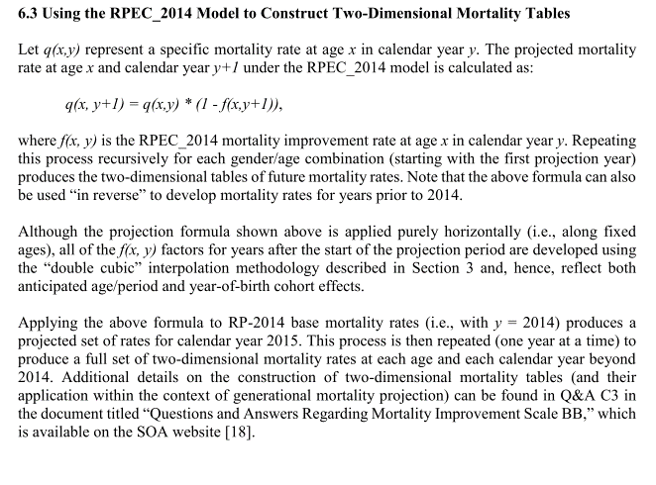
 | 2015 AV, 2015 Experience Study
Mortality
Pre-Retirement | RP2014 White Collar Employee Mortality Table projected with the two dimensional MP2014 projection scale to 2029 (RP2014 p60) | Scale BB-2D?
Post-Retirement Healthy | RP-2014 White Collar Healthy Mortality Table projected with the Two dimensional MP2014 projection scale to 2029. Ages are then set forward on year for males(from the male table) and females (from the female table) (RP2014 p60)
Disabled | RP-2014 Disabled Retiree Mortality Table projected with the Two dimensional MP2014 projection scale to 2029. Ages are then set forward on year for males(from the male table) and females (from the female table) (RP2014, p54)

