LAFPP
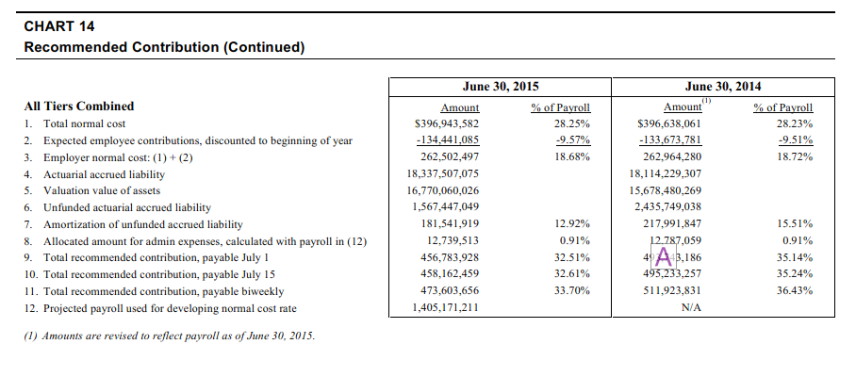
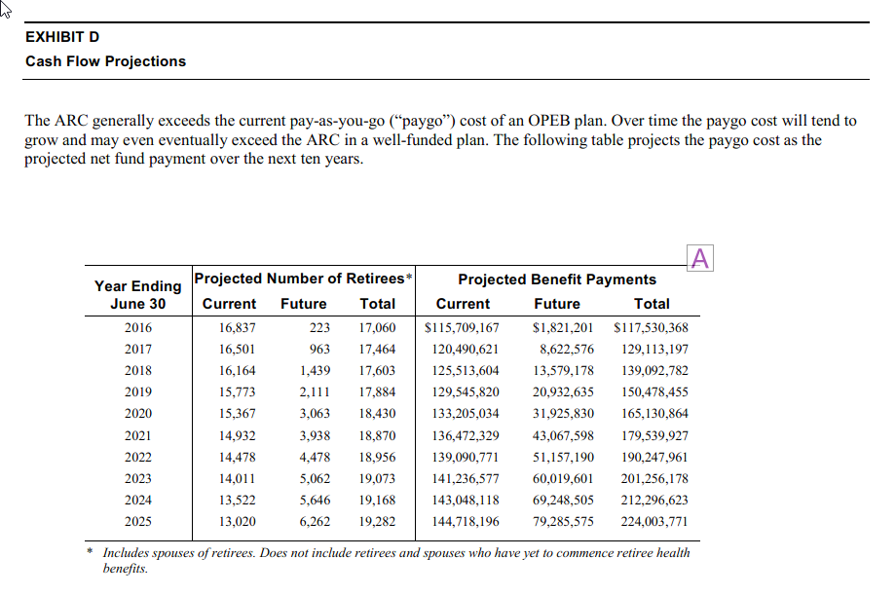
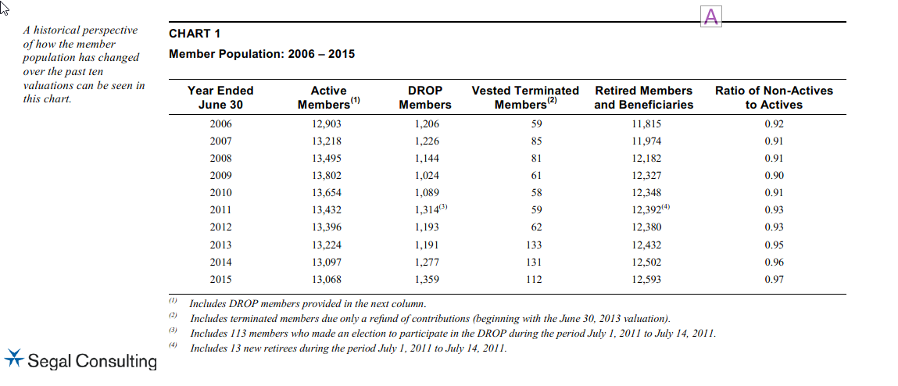
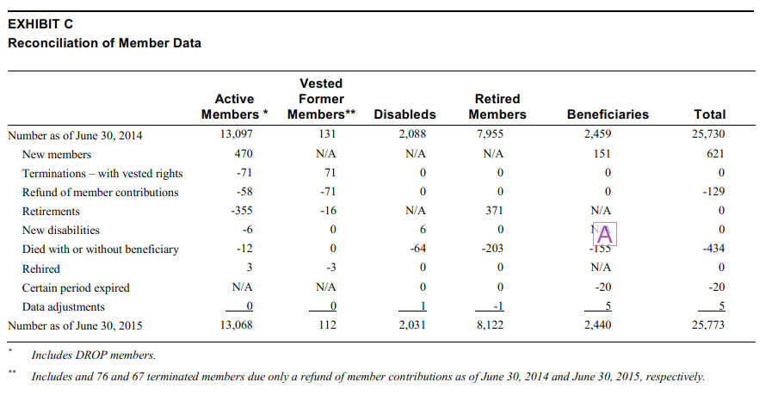
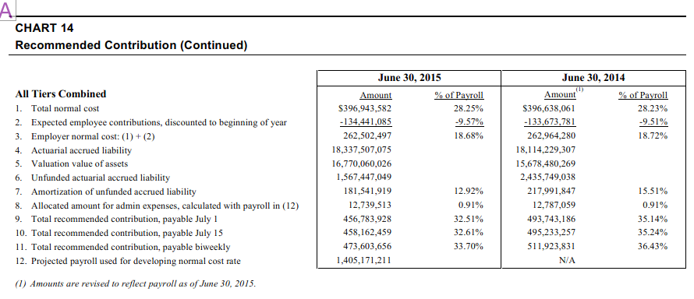
TOC
TPL | total pension liability (a la AAL, using MV assets)
NPL | net pension liability (a la UAAL, using AV assets)
FNP | fiduciary net position (a la MV assets)
our target is the year starting July 1 2015
Duration / related calcs
1) Data from CAFR
 | June 30 | June 30
 | 2015 | 2014 |  | notes
Disc rate | 7.50% | 7.50%
NPL | 2,038.87 | 1,872.29
NPL DR -1% | 4,618.80 | 4,386.03
NPL DR +1% | (81.18) | (192.81)
FNP | 17,346.55 | 16,989.70
TPL | 19,385.43 | 18,861.99

2) Calculated
TPL | 19,385.43 | 18,861.99
TPL DR -1% | 21,965.35 | 21,375.73
TPL DR +1% | 17,265.37 | 16,796.89
% change vs TPL
TPL DR -1% | 13.3% | 13.3%
TPL DR +1% | -10.9% | -10.9%
Duration | 12.12 | 12.14

Applying duration info to AV data
3) Data from AV | 2015 (July 1)
AAL | 18,337.51 |  |  | p12
PVFNC | 4,092.18
PVFB check | 22,429.69

PVFB - Retired | 10,105.57
PVFB - Term vested | 20.00
PVFB - Active | 12,304.12
PVFB - Total | 22,429.69

4) AAL breakdown and calcs
Retired | 10,105.57
Term vested | 20.00
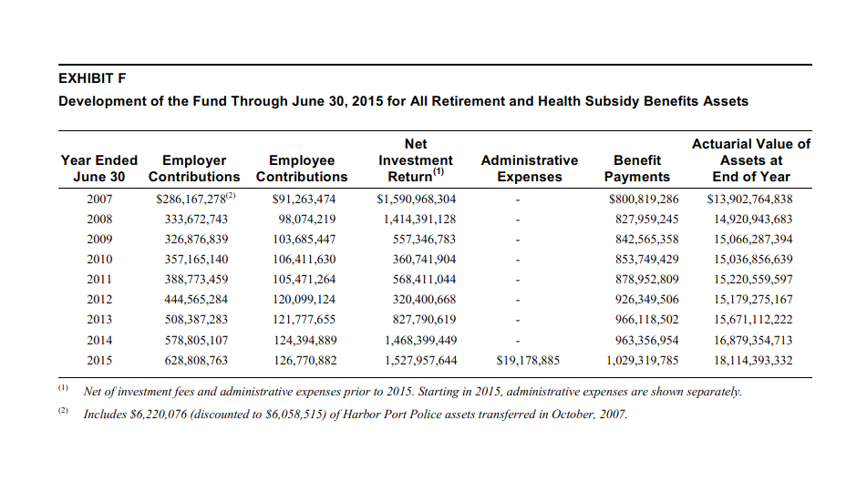
Active | 8,211.94 |  |  | calc
Total | 18,337.51
 |  | % change
AAL at DR | 18,337.51 | 0.0%
AAL DR - 1% | 20,777.97 | 13.3%
AAL DR + 1% | 16,332.05 | -10.9%
Duration | 12.12

5) Implied PVFB at different DR
PVFB at DR |  | 22,429.69
AAL / PVFB ratio | 81.8% |  |  |  |  | n | avg/month | tot$m
% change at DR -1% | 16.3% | 26,080.91 |  |  | retired | 8,122 | 5,822 | 567.44 | totbenefits | 1,029,319,785
% change at DR +1% | -13.4% | 19,429.30 |  |  | disb | 2,031 | 4,628 | 112.79 | OPEB | 117,530,368
 |  |  |  |  | benefic | 2,440 | 4,166 | 121.98 | pension bens | 911,789,417
6) year 1 values | July 1 2015 |  |  |  |  | 12,593 | 5,309 | 802.21 | retired | 802,209,504
Totbenefits | 911.79 |  | exhibit f p.60 |  | 0.911789417 |  |  | 825.84 | actives/terms | 109,579,913
actives | 107.39 |  |  |  | 0.10738831474 | 355 | 5,309 | 22.61
retired | 802.21 |  |  |  | 0.802209504 | 12,593 | 5,309 | 802.21
termv | 2.2 |  |  |  | 0.00219159826 | 16 | 5,309 | 1.02
totpayroll

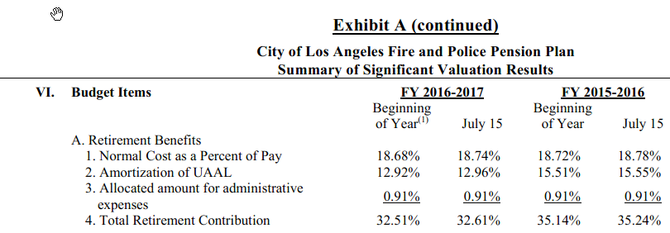
payroll and normal cost
Payroll June 30, 2015 $m | 1,405.17 | chart 14 p.31, also exhibit A p.3; p12 says it is for year starting July 1 2015
% change, 2014 to 2015 | 0.180% | exhibit A p.3
payroll next year assuming same growth | 1,407.70
total normal cost 2015-16 (incl employee) | 28.25% | chart 14, p.34
average actives age | 42.50
average actives yos | 15.50
average age at retirement, current retirees | 51.70
PVFNC, total | 4,092.18 | exhibit I p.73
pvfnc, employee | 1,417.26 | exhibit I p.73
pvfnc, employer | 2,674.92 | exhibit I p.73
Inferred pv of payroll | 14,485.60

UAAL

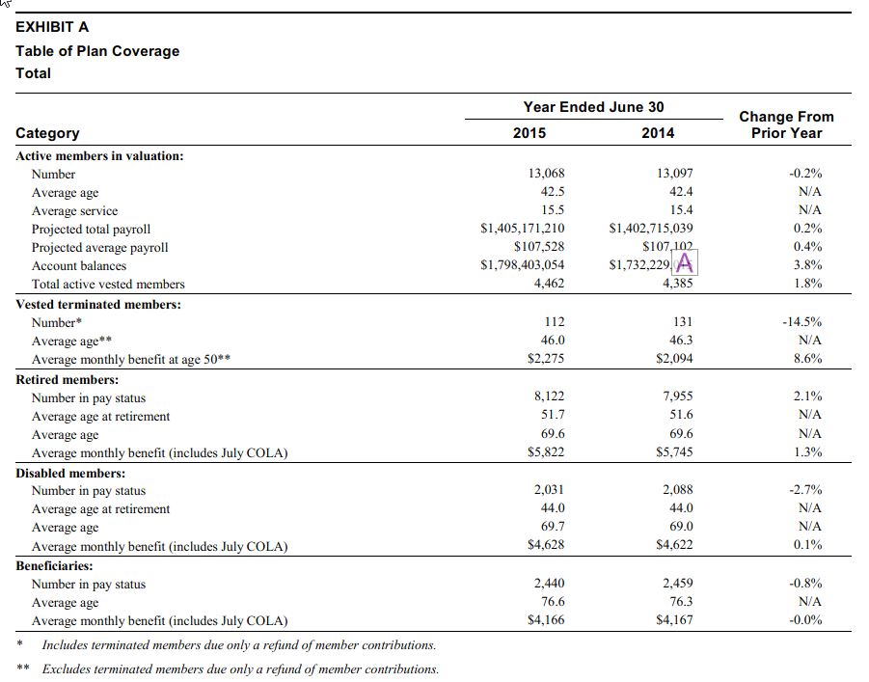
7) Recap - targets (constraints)
PVFB - Retired | 10,105.57 |  |  |  | 10.106
PVFB - Term vested | 20.00 |  |  |  | 0.020 | 0.09%
PVFB - Active | 12,304.12 |  |  |  | 12.304
PVFB - Total | 22,429.69 | (redundant) |  |  | 22.430
PVFB at DR - 1% | 26,080.91 |  |  |  | 26.081
PVFB at DR + 1% | 19,429.30 |  |  |  | 19.429

