singleValuesScreenshots
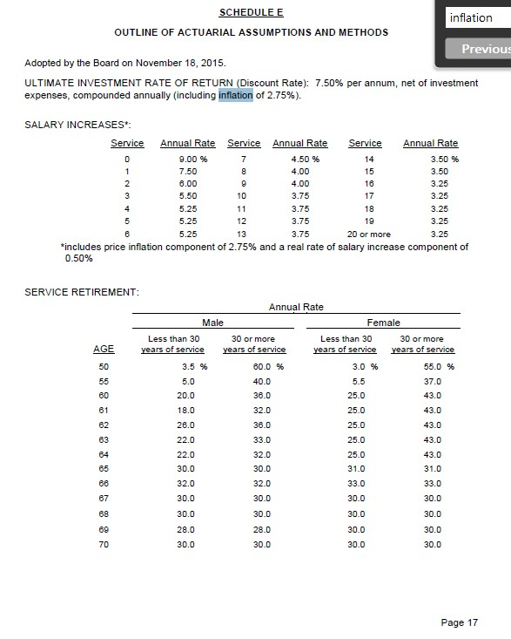
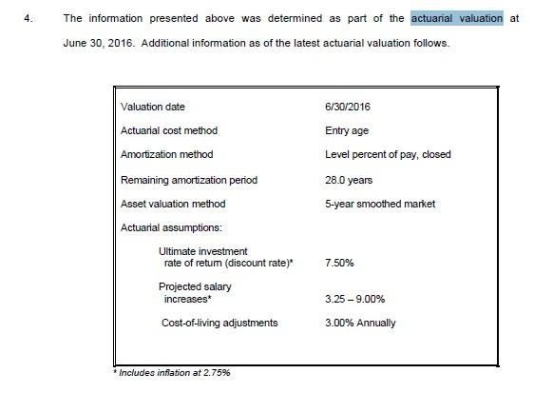
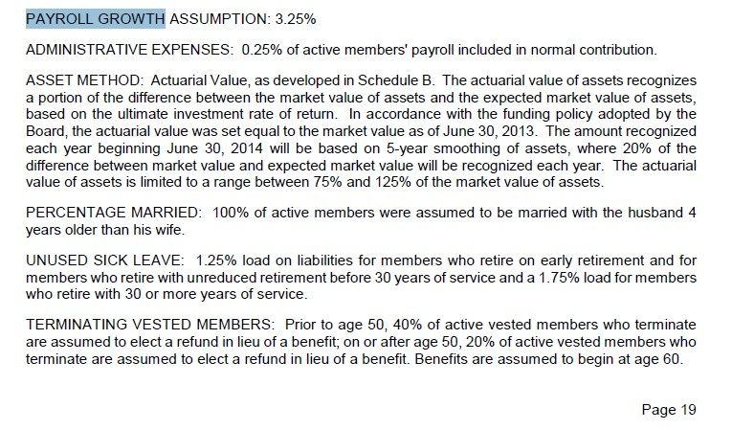
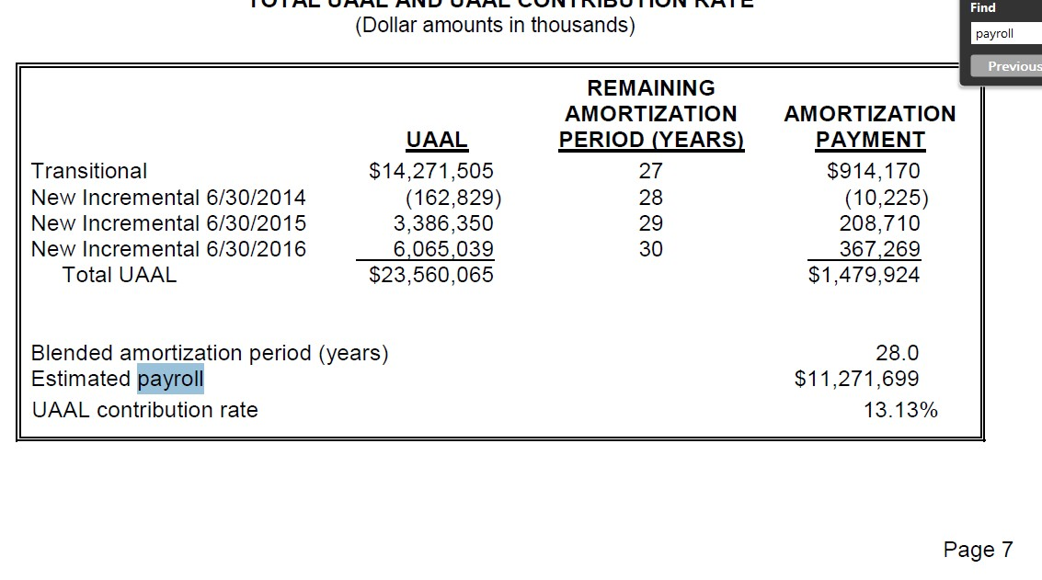
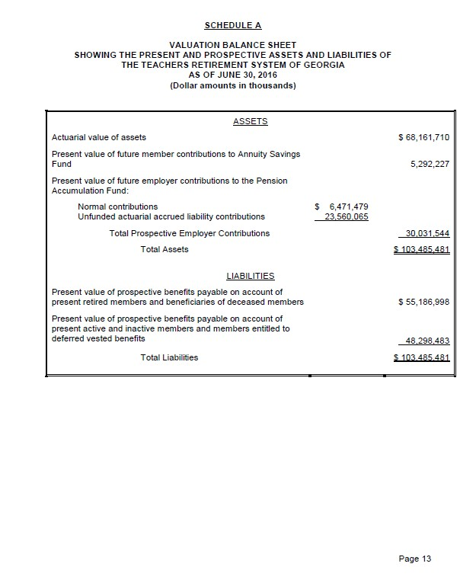
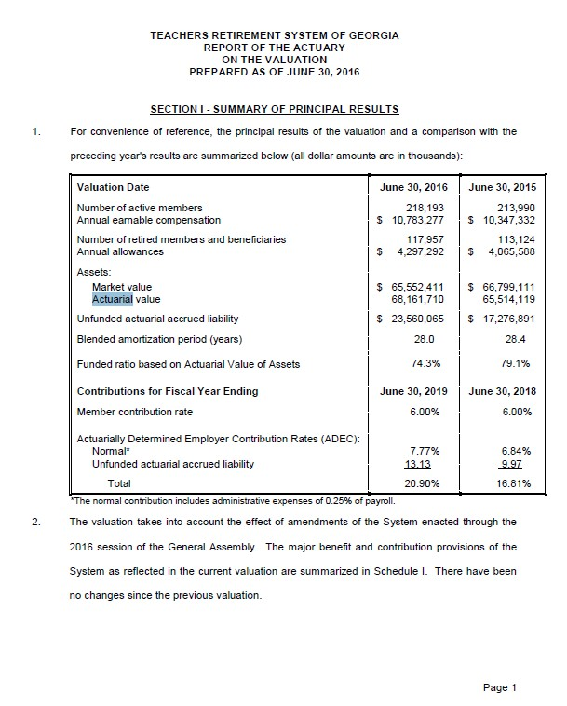
TOC

erc_rule
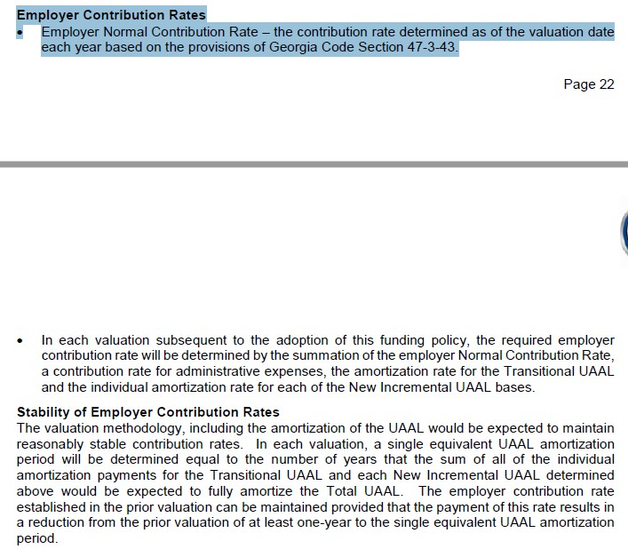
TOC

ActivesSched
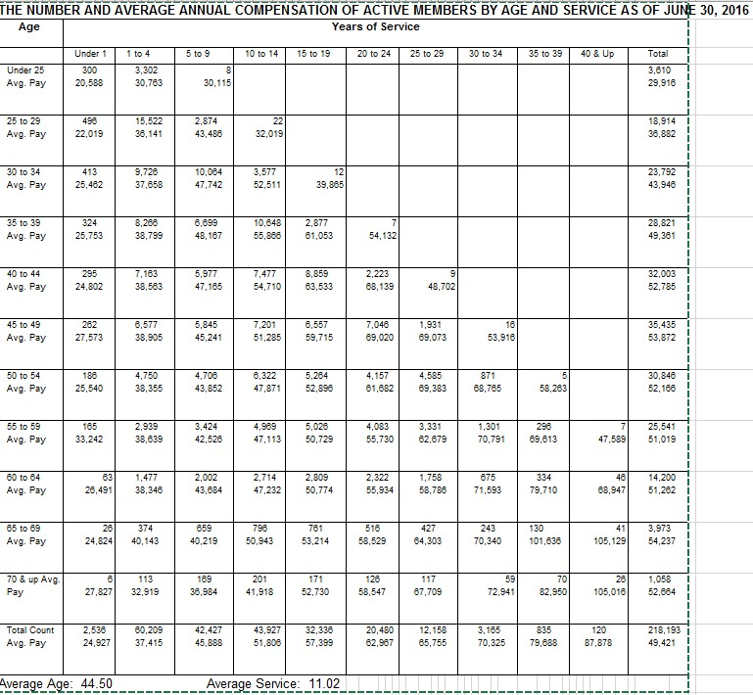
TOC
startcell | B8
endcell | M33

 |  |  |  | Years of service
 |  |  |  | 0-4 | 5-9 | 10-14 | 15-19 | 20-24 | 25-29 | 30-34 | 35-39 | 40-44
 |  |  | my group | 0-4 | 5-9 | 10-14 | 15-19 | 20-24 | 25-29 | 30-34 | 35-39 | 40+ |  | sum
 | type | age.cell | agegrp | 2 | 7 | 12 | 17 | 22 | 27 | 32 | 37 | 42
Age | yosgrp |  |  | 0-4 | 5-9 | 10-14 | 15-19 | 20-24 | 25-29 | 30-34 | 35-39 | 40-44
Under 25 | nactives | 22 | 20-24 | 3602 | 8 |  |  |  |  |  |  |  |  | 3610
25 - 29 | nactives | 27 | 25-29 | 16018 | 2874 | 22 |  |  |  |  |  |  |  | 18914
30 - 34 | nactives | 32 | 30-34 | 10139 | 10064 | 3577 | 12 |  |  |  |  |  |  | 23792
35 - 39 | nactives | 37 | 35-39 | 8590 | 6699 | 10648 | 2877 | 7 |  |  |  |  |  | 28821
40 - 44 | nactives | 42 | 40-44 | 7458 | 5977 | 7477 | 8859 | 2223 | 9 |  |  |  |  | 32003
45 - 49 | nactives | 47 | 45-49 | 6839 | 5845 | 7201 | 6557 | 7046 | 1931 | 16 |  |  |  | 35435
50 - 54 | nactives | 52 | 50-54 | 4936 | 4706 | 6322 | 5264 | 4157 | 4585 | 871 | 5 |  |  | 30846
55 - 59 | nactives | 57 | 55-59 | 3104 | 3424 | 4969 | 5026 | 4083 | 3331 | 1301 | 296 | 7 |  | 25541
60 - 64 | nactives | 62 | 60-64 | 1540 | 2002 | 2714 | 2809 | 2322 | 1758 | 675 | 334 | 46 |  | 14200
65 - 69 | nactives | 67 | 65-69 | 400 | 659 | 796 | 761 | 516 | 427 | 243 | 130 | 41 |  | 3,973
70 & up | nactives | 72 | 70-74 | 119 | 169 | 201 | 171 | 126 | 117 | 59 | 70 | 26 |  | 1,058

Under 25 | salary | 22 | 20-24 | 51351 | 30115 |  |  |  |  |  |  |  |  | 29916
25 - 29 | salary | 27 | 25-29 | 58160 | 43486 | 32019 |  |  |  |  |  |  |  | 36882
30 - 34 | salary | 32 | 30-34 | 63120 | 47742 | 52511 | 39865 |  |  |  |  |  |  | 43946
35 - 39 | salary | 37 | 35-39 | 64552 | 48167 | 55866 | 61053 | 54132 |  |  |  |  |  | 49361
40 - 44 | salary | 42 | 40-44 | 63365 | 47165 | 54710 | 63533 | 68139 | 48702 |  |  |  |  | 52785
45 - 49 | salary | 47 | 45-49 | 66478 | 45241 | 51285 | 59715 | 69020 | 69073 | 53916 |  |  |  | 53872
50 - 54 | salary | 52 | 50-54 | 63895 | 43852 | 47871 | 52896 | 61682 | 69383 | 68765 | 58263 |  |  | 52166
55 - 59 | salary | 57 | 55-59 | 71881 | 42526 | 47113 | 50729 | 55730 | 62679 | 70791 | 69613 | 47589 |  | 51019
60 - 64 | salary | 62 | 60-64 | 64837 | 43684 | 47232 | 50774 | 55934 | 58786 | 71593 | 79710 | 68947 |  | 51262
65 - 69 | salary | 67 | 65-69 | 39147 | 40219 | 50943 | 53214 | 58529 | 64303 | 70340 | 101636 | 105129 |  | 54,237
70 & up | salary | 72 | 70-74 | 32662 | 36984 | 41918 | 52730 | 58547 | 67709 | 72941 | 82950 | 105016 |  | 52,664

 |  |  |  | Years of service
 |  |  |  | 0-4 | 5-9 | 10-14 | 15-19 | 20-24 | 25-29 | 30-34 | 35-39 | 40-44
 |  |  | my group | 0-4 | 5-9 | 10-14 | 15-19 | 20-24 | 25-29 | 30-34 | 35-39 | 40+ |  | sum
 | type | age.cell | agegrp | 2 | 7 | 12 | 17 | 22 | 27 | 32 | 37 | 42
Age | yosgrp
Under 25 | nactives | 22 | 20-24 | 3602 | 8 |  |  |  |  |  |  |  |  | 3610
 | salary | 22 | 20-24 | 51351 | 30115 |  |  |  |  |  |  |  |  | 29916
25 - 29 | nactives | 27 | 25-29 | 16018 | 2874 | 22 |  |  |  |  |  |  |  | 18914
 | salary | 27 | 25-29 | 58160 | 43486 | 32019 |  |  |  |  |  |  |  | 36882
30 - 34 | nactives | 32 | 30-34 | 10139 | 10064 | 3577 | 12 |  |  |  |  |  |  | 23792
 | salary | 32 | 30-34 | 63120 | 47742 | 52511 | 39865 |  |  |  |  |  |  | 43946
35 - 39 | nactives | 37 | 35-39 | 8590 | 6699 | 10648 | 2877 | 7 |  |  |  |  |  | 28821
 | salary | 37 | 35-39 | 64552 | 48167 | 55866 | 61053 | 54132 |  |  |  |  |  | 49361
40 - 44 | nactives | 42 | 40-44 | 7458 | 5977 | 7477 | 8859 | 2223 | 9 |  |  |  |  | 32003
 | salary | 42 | 40-44 | 63365 | 47165 | 54710 | 63533 | 68139 | 48702 |  |  |  |  | 52785
45 - 49 | nactives | 47 | 45-49 | 6839 | 5845 | 7201 | 6557 | 7046 | 1931 | 16 |  |  |  | 35435
 | salary | 47 | 45-49 | 66478 | 45241 | 51285 | 59715 | 69020 | 69073 | 53916 |  |  |  | 53872
50 - 54 | nactives | 52 | 50-54 | 4936 | 4706 | 6322 | 5264 | 4157 | 4585 | 871 | 5 |  |  | 30846
 | salary | 52 | 50-54 | 63895 | 43852 | 47871 | 52896 | 61682 | 69383 | 68765 | 58263 |  |  | 52166
55 - 59 | nactives | 57 | 55-59 | 3104 | 3424 | 4969 | 5026 | 4083 | 3331 | 1301 | 296 | 7 |  | 25541
 | salary | 57 | 55-59 | 71881 | 42526 | 47113 | 50729 | 55730 | 62679 | 70791 | 69613 | 47589 |  | 51019
60 - 64 | nactives | 62 | 60-64 | 1540 | 2002 | 2714 | 2809 | 2322 | 1758 | 675 | 334 | 46 |  | 14200
 | salary | 62 | 60-64 | 64837 | 43684 | 47232 | 50774 | 55934 | 58786 | 71593 | 79710 | 68947 |  | 51262
65 - 69 | nactives | 67 | 65-69 | 400 | 659 | 796 | 761 | 516 | 427 | 243 | 130 | 41 |  | 3,973
 | salary | 67 | 65-69 | 39147 | 40219 | 50943 | 53214 | 58529 | 64303 | 70340 | 101636 | 105129 |  | 54,237
70 & up | nactives | 72 | 70-74 | 119 | 169 | 201 | 171 | 126 | 117 | 59 | 70 | 26 |  | 1,058
 | salary | 72 | 70-74 | 32662 | 36984 | 41918 | 52730 | 58547 | 67709 | 72941 | 82950 | 105016 |  | 52,664

Total Count |  |  |  | 62745 | 42427 | 43927 | 32336 | 20480 | 12158 | 3165 | 835 | 120 | 218193
Avg. Pay |  |  |  | 62342 | 45888 | 51806 | 57399 | 62967 | 65755 | 70325 | 79688 | 87878 | 49421

Retirees_raw
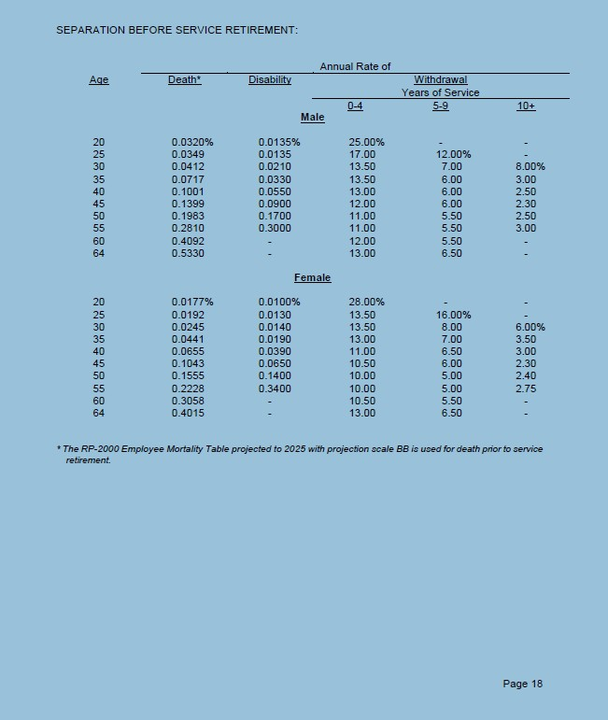
TOC
startcell
endcell
benperiod
name_N | nretirees
name_V | benefit

Table1+Table2
Age | Number of Members | Average Annual Benefits | Total Annual Benefits
Under 50 | 1,623 | 12804 | 20,780,972
50 – 54 | 1,862 | 33724 | 62,794,541
55 – 59 | 6,426 | 41791 | 268,548,429 |  | SERVICE RETIREMENT:
60 – 64 | 21,412 | 35008 | 749,589,732 |  |  | Annual Rate
65 – 69 | 31,153 | 36898 | 1,149,492,765 |  |  | Male |  | Female
70 – 74 | 22,064 | 38176 | 842,317,631 |  | AGE | Less than 30 years of service | 30 or more years of service | Less than 30 years of service | 30 or more years of service
75 – 79 | 13,239 | 38798 | 513,650,648 |  | 50 | 3.50 | 60.00 | 3.00 | 55.00
80 – 84 | 8,342 | 38487 | 321,058,161 |  | 55 | 5.00 | 40.00 | 5.50 | 37.00
85 – 89 | 4,916 | 38232 | 187,950,738 |  | 60 | 20.00 | 36.00 | 25.00 | 43.00
90 – 94 | 1,852 | 35807 | 66,314,036 |  | 61 | 18.00 | 32.00 | 25.00 | 43.00
95 & Over | 666 | 29905 | 19,916,823 |  | 62 | 26.00 | 36.00 | 25.00 | 43.00
Total | 113,555 | 37008 | 4,202,414,476 |  | 63 | 22.00 | 33.00 | 25.00 | 43.00
 |  |  |  |  | 64 | 22.00 | 32.00 | 25.00 | 43.00
 |  |  |  |  | 65 | 30.00 | 30.00 | 31.00 | 31.00
Table1 |  |  |  |  | 66 | 32.00 | 32.00 | 33.00 | 33.00
NUMBER OF RETIRED MEMBERS AND THEIR BENEFITS BY AGE |  |  |  |  | 67 | 30.00 | 30.00 | 30.00 | 30.00
Age | Number of Members | Total Annual Benefits | Average Annual Benefits |  | 68 | 30.00 | 30.00 | 30.00 | 30.00
Under 50 | 39 | 1,194,739 | 30634 |  | 69 | 28.00 | 28.00 | 30.00 | 30.00
50 – 54 | 1456 | 55,935,797 | 38417 |  | 70 | 30.00 | 30.00 | 30.00 | 30.00
55 – 59 | 5935 | 259,457,702 | 43717
60 – 64 | 20701 | 734,269,321 | 35470
65 – 69 | 30202 | 1,125,687,623 | 37272
70 – 74 | 21129 | 816,685,214 | 38652
75 – 79 | 12399 | 488,705,470 | 39415
80 – 84 | 7568 | 297,693,933 | 39336
85 – 89 | 4364 | 170,582,452 | 39089
90 – 94 | 1600 | 57,941,289 | 36213
95 & Over | 561 | 17,042,828 | 30379
Total | 105954 | 4,025,196,368 | 37990

Table2
NUMBER OF BENEFICIARIES AND THEIR BENEFITS BY AGE
Age | Number of Members | Total Annual Benefits | Average Annual Benefits
Under 50 | 1,584 | 19,586,233 | 12,365
50 – 54 | 406 | 6,858,744 | 16,893
55 – 59 | 491 | 9,090,727 | 18,515
60 – 64 | 711 | 15,320,411 | 21,548
65 – 69 | 951 | 23,805,142 | 25,032
70 – 74 | 935 | 25,632,417 | 27,414
75 – 79 | 840 | 24,945,178 | 29,697
80 – 84 | 774 | 23,364,228 | 30,186
85 – 89 | 552 | 17,368,286 | 31,464
90 – 94 | 252 | 8,372,747 | 33,225
95 & Over | 105 | 2,873,995 | 27,371
Total | 7,601 | 177,218,108 | 23,315

 | Male |  | Female
 | <30 years service | ≥30 years service | <30 years service | ≥30 years service
50 | 3.50% | 60.00% | 3.00% | 55.00%
55 | 5.00% | 40.00% | 5.50% | 37.00%
60 | 20.00% | 36.00% | 25.00% | 43.00%
61 | 18.00% | 32.00% | 25.00% | 43.00%
62 | 26.00% | 36.00% | 25.00% | 43.00%
63 | 22.00% | 33.00% | 25.00% | 43.00%
64 | 22.00% | 32.00% | 25.00% | 43.00%
65 | 30.00% | 30.00% | 31.00% | 31.00%
66 | 32.00% | 32.00% | 33.00% | 33.00%
67 | 30.00% | 30.00% | 30.00% | 30.00%
68 | 30.00% | 30.00% | 30.00% | 30.00%
69 | 28.00% | 28.00% | 30.00% | 30.00%
70 | 30.00% | 30.00% | 30.00% | 30.00%

 | agegrp | age.cell | N | V
 | 30-34 | 32 | 462 | 13576
 | 35-39 | 37 | 354 | 15134
 | 40-44 | 42 | 487 | 15167
 | 45-49 | 47 | 764 | 14102
 | 50-54 | 52 | 5320 | 34130
 | 55-59 | 57 | 26241 | 33495
 | 60-64 | 62 | 62300 | 29106
 | 65-69 | 67 | 93294 | 24825
 | 70-74 | 72 | 70344 | 21990
 | 75-79 | 77 | 48201 | 20332
 | 80-84 | 82 | 32624 | 20544
 | 85-89 | 87 | 19006 | 20956
 | 90-94 | 92 | 7148 | 20503
 | 95-99 | 97 | 1884 | 20156
 | 100-104 | 102 | 291 | 20182

RetirementRatesSched_Matrix
TOC
startcell | B7
endcell | F21
fill this one |  | use 70% Female and 30% Male
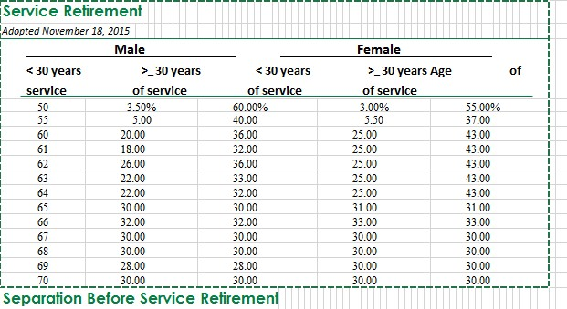
 | SERVICE RETIREMENT:
 | Annual Rate |  |  | yos < 30 | yos>= 30
 | type | age.cell | agegrp | 15 | 45
age | yosgrp
50 | retrate | 50 | 50 | 0.0315 | 0.5650
55 | retrate | 55 | 55 | 0.0535 | 0.3790
60 | retrate | 60 | 60 | 0.2350 | 0.4090
61 | retrate | 61 | 61 | 0.2290 | 0.3970
62 | retrate | 62 | 62 | 0.2530 | 0.4090
63 | retrate | 63 | 63 | 0.2410 | 0.4000
64 | retrate | 64 | 64 | 0.2410 | 0.3970
65 | retrate | 65 | 65 | 0.3070 | 0.3070
66 | retrate | 66 | 66 | 0.3270 | 0.3270
67 | retrate | 67 | 67 | 0.3000 | 0.3000
68 | retrate | 68 | 68 | 0.3000 | 0.3000
69 | retrate | 69 | 69 | 0.2940 | 0.2940
70 | retrate | 70 | 70 | 0.3000 | 0.3000

TermRatesSched_Matrix
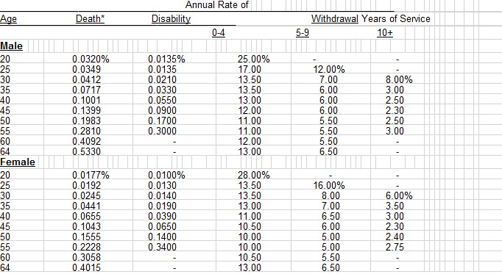
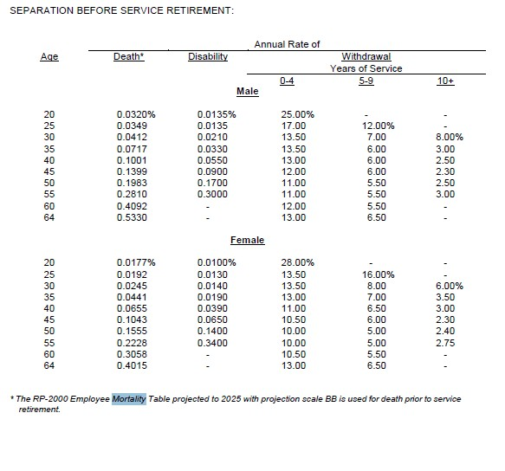
TOC |  |  | no gender ratio
startcell | C6 |  | use 70% Female and 30% Male
endcell | H17
 |  |  |  |  | yos groups
 |  |  |  | mygroup | 0-4 | 5-9 | 10+
 |  | type | age.cell | agegrp | 2 | 7 | 12
 | Age | yosgrp
 | 20 | termrates | 20 |  | 0.2710
 | 25 | termrates | 25 |  | 0.1455 | 0.1480
 | 30 | termrates | 30 |  | 0.1350 | 0.0770 | 0.0660
 | 35 | termrates | 35 |  | 0.1315 | 0.0670 | 0.0335
 | 40 | termrates | 40 |  | 0.1160 | 0.0635 | 0.0285
 | 45 | termrates | 45 |  | 0.1095 | 0.0600 | 0.0230
 | 50 | termrates | 50 |  | 0.1030 | 0.0515 | 0.0243
 | 55 | termrates | 55 |  | 0.1030 | 0.0515 | 0.0282
 | 60 | termrates | 60 |  | 0.1095 | 0.0550
 | 64 | termrates | 64 |  | 0.1300 | 0.0650

SalaryGrowthSched_SingleCol
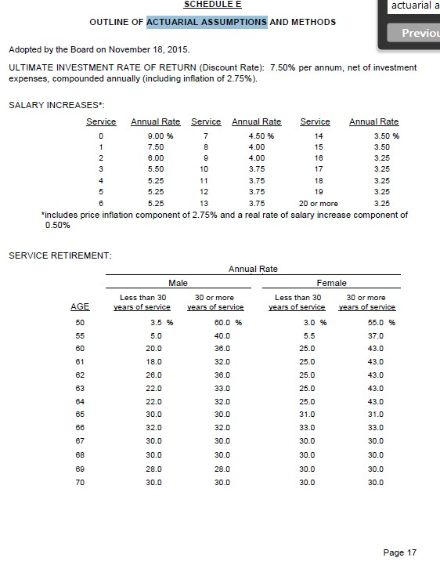
TOC
startcell | B6
endcell | C27

 | yos | grate | grate
 | 0 | 0.0900 | 9 | 0.09
 | 1 | 0.0750 | 7.5 | 0.075
 | 2 | 0.0600 | 6 | 0.06
 | 3 | 0.0550 | 5.5 | 0.055
 | 4 | 0.0525 | 5.25 | 0.0525
 | 5 | 0.0525 | 5.25 | 0.0525
 | 6 | 0.0525 | 5.25 | 0.0525 | *includes price inflation component of 2.75% and a real rate of salary increase component of 0.50%
 | 7 | 0.0005 | 0.045 | 0.00045
 | 8 | 0.0400 | 4 | 0.04
 | 9 | 0.0400 | 4 | 0.04
 | 10 | 0.0375 | 3.75 | 0.0375
 | 11 | 0.0375 | 3.75 | 0.0375
 | 12 | 0.0375 | 3.75 | 0.0375
 | 13 | 0.0375 | 3.75 | 0.0375
 | 14 | 0.0350 | 3.5 | 0.035
 | 15 | 0.0350 | 3.5 | 0.035
 | 16 | 0.0325 | 3.25 | 0.0325
 | 17 | 0.0325 | 3.25 | 0.0325
 | 18 | 0.0325 | 3.25 | 0.0325
 | 19 | 0.0325 | 3.25 | 0.0325
20 or more | 20 | 0.0325 | 3.25 | 0.0325

 | example of Yimeng

 | yos |  | grate
 | 0 |  | 0.095
 | 1 |  | 0.060
 | 2 |  | 0.054
 | 3 |  | 0.052
 | 4 |  | 0.050
 | 5 |  | 0.049
 | 6 |  | 0.047
 | 7 |  | 0.045
 | 8 |  | 0.045
 | 9 |  | 0.045
 | 10 |  | 0.045
 | 11 |  | 0.045
 | 12 |  | 0.043
 | 13 |  | 0.042
 | 14 |  | 0.041
 | 15 |  | 0.040
 | 16 |  | 0.040
 | 17 |  | 0.039
 | 18 |  | 0.038
 | 19 |  | 0.038
 | 20 |  | 0.037
 | 21 |  | 0.037
 | 22 |  | 0.036
 | 23 |  | 0.036
 | 24 |  | 0.035
 | 25 |  | 0.035
 | 26 |  | 0.035
 | 27 |  | 0.035
 | 28 |  | 0.035
 | 29 |  | 0.035
 | 30 |  | 0.035
 | 31 |  | 0.035
 | 32 |  | 0.035
 | 33 |  | 0.035
 | 34 |  | 0.035
 | 35 |  | 0.035
 | 36 |  | 0.035
 | 37 |  | 0.035
 | 38 |  | 0.035
 | 39 |  | 0.035
 | 40 |  | 0.035
 | 41 |  | 0.035
 | 42 |  | 0.035
 | 43 |  | 0.035
 | 44 |  | 0.035
 | 45 |  | 0.035
 | 46 |  | 0.035
 | 47 |  | 0.035
 | 48 |  | 0.035
 | 49 |  | 0.035
 | 50 |  | 0.035
 | 51 |  | 0.035
 | 52 |  | 0.035
 | 53 |  | 0.035
 | 54 |  | 0.035

