SampleRetireesSched
TOC
startcell | B8
endcell | E18
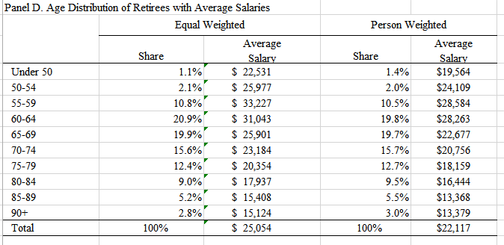
benperiod
name_N | nretirees
name_V | benefit

 | agegrp | age.cell | N | V
 | 40-49 | 45 | 0.011 | 0.899
 | 50-54 | 52 | 0.021 | 1.037
 | 55-59 | 57 | 0.108 | 1.326
 | 60-64 | 62 | 0.209 | 1.239
 | 65-69 | 67 | 0.199 | 1.034
 | 70-74 | 72 | 0.156 | 0.925
 | 75-79 | 77 | 0.124 | 0.812
 | 80-84 | 82 | 0.090 | 0.716
 | 85-89 | 87 | 0.052 | 0.615
 | 90+ | 92 | 0.028 | 0.604

SampleSalaryGrowthSched
TOC
startcell | B5
endcell | D16

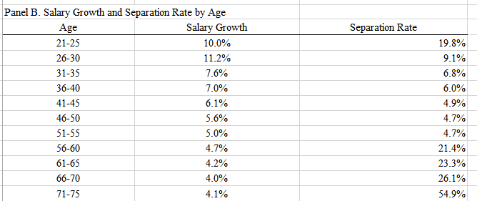
 | agegrp | age.cell | grate
 | 21-25 | 23 | 0.100
 | 26-30 | 28 | 0.112
 | 31-35 | 33 | 0.076
 | 36-40 | 38 | 0.070
 | 41-45 | 43 | 0.061
 | 46-50 | 48 | 0.056
 | 51-55 | 53 | 0.050
 | 56-60 | 58 | 0.047
 | 61-65 | 63 | 0.042
 | 66-70 | 68 | 0.040
 | 71-75 | 73 | 0.041

