singleValuesScreenshots
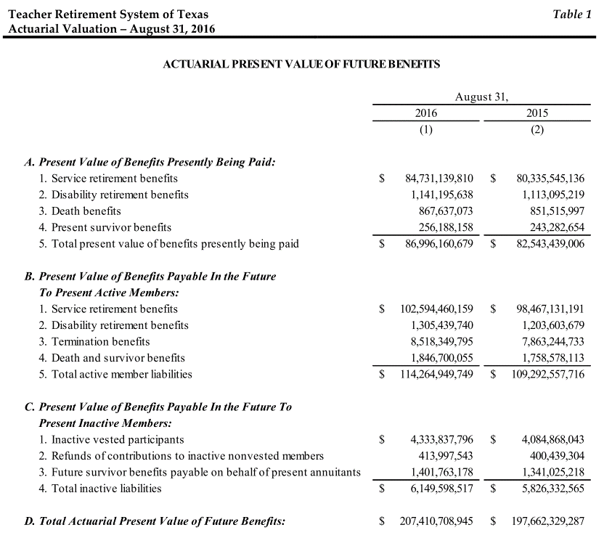
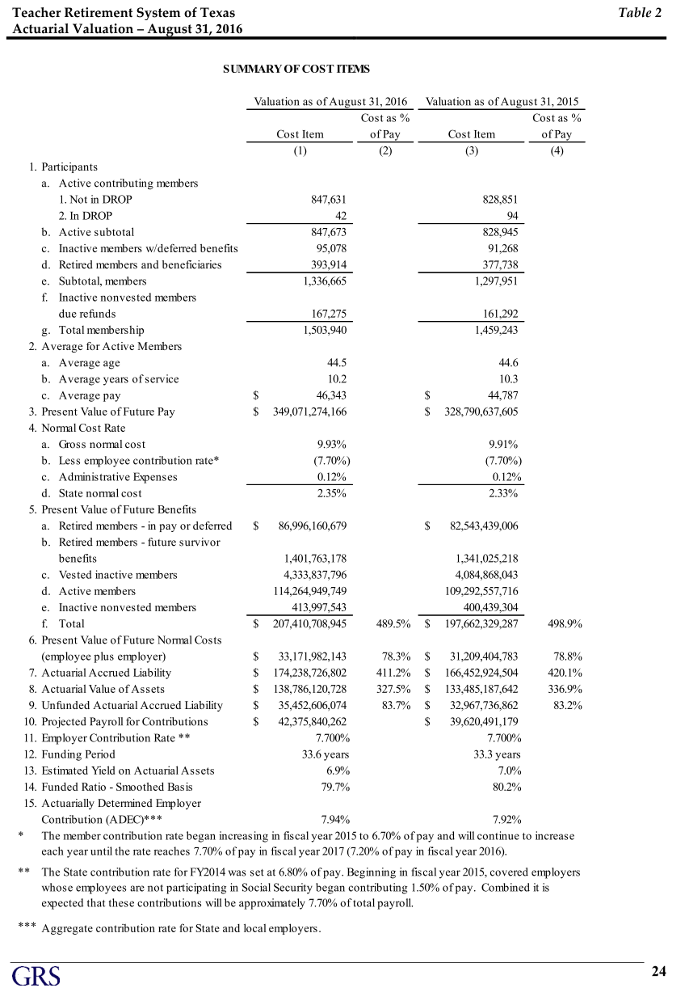
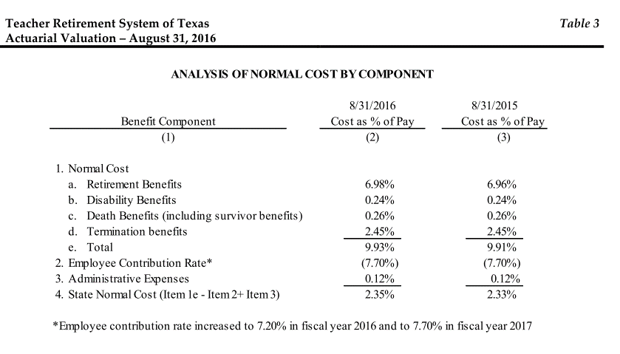
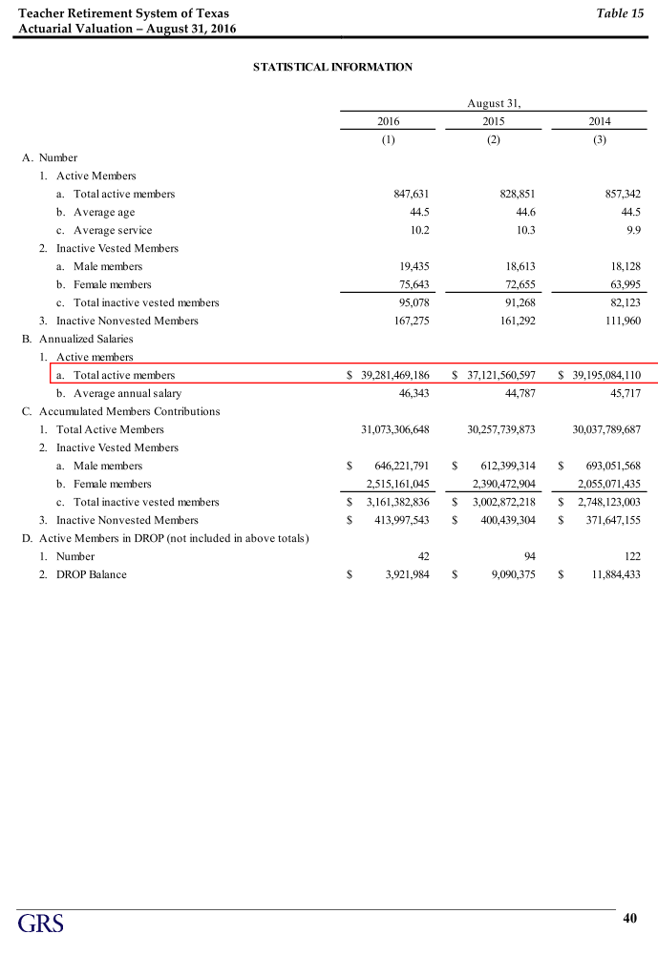
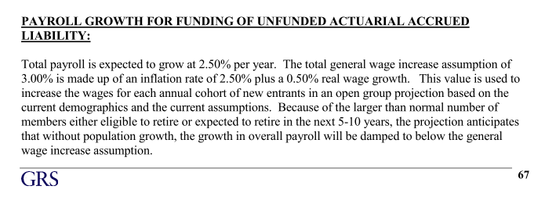
TOC

erc_rule
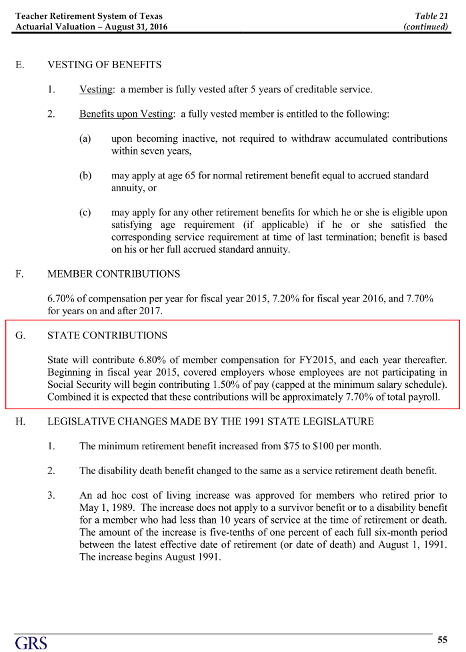
TOC

ActivesSched
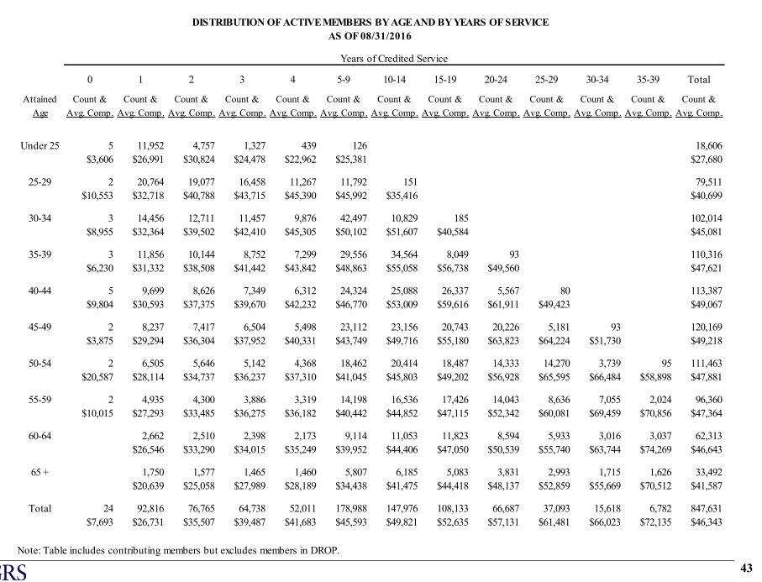
TOC
startcell | B7
endcell | O28

Age |  |  |  | 0-4 | 5-9 | 10-14 | 15-19 | 20-24 | 25-29 | 30-34 | 35-39
 | type | age.cell | agegrp | 2 | 7 | 12 | 17 | 22 | 27 | 32 | 37
 | yosgrp |  |  | 0-4 | 5-9 | 10-14 | 15-19 | 20-24 | 25-29 | 30-34 | 35-39
Under 25 | nactives | 22 | 20-24 | 18480 | 126
 | salary | 22 | 20-24 | 27695 | 25381
25 - 29 | nactives | 27 | 25-29 | 67568 | 11792 | 151
 | salary | 27 | 25-29 | 39787 | 45992 | 35416
30 - 34 | nactives | 32 | 30-34 | 48503 | 42497 | 10829 | 185
 | salary | 32 | 30-34 | 39241 | 50102 | 51607 | 40584
35 - 39 | nactives | 37 | 35-39 | 38054 | 29556 | 34564 | 8049 | 93
 | salary | 37 | 35-39 | 37968 | 48863 | 55058 | 56738 | 49560
40 - 44 | nactives | 42 | 40-44 | 31991 | 24324 | 25088 | 26337 | 5567 | 80
 | salary | 42 | 40-44 | 36800 | 46770 | 53009 | 59616 | 61911 | 49423
45 - 49 | nactives | 47 | 45-49 | 27658 | 23112 | 23156 | 20743 | 20226 | 5181 | 93
 | salary | 47 | 45-49 | 35402 | 43749 | 49716 | 55180 | 63823 | 64224 | 51730
50 - 54 | nactives | 52 | 50-54 | 21663 | 18462 | 20414 | 18487 | 14333 | 14270 | 3739 | 95
 | salary | 52 | 50-54 | 33622 | 41045 | 45803 | 49202 | 56928 | 65595 | 66484 | 58898
55 - 59 | nactives | 57 | 55-59 | 16442 | 14198 | 16536 | 17426 | 14043 | 8636 | 7055 | 2024
 | salary | 57 | 55-59 | 32827 | 40442 | 44852 | 47115 | 52342 | 60081 | 69459 | 70856
60 - 64 | nactives | 62 | 60-64 | 9743 | 9114 | 11053 | 11823 | 8594 | 5933 | 3016 | 3037
 | salary | 62 | 60-64 | 32063 | 39952 | 44406 | 47050 | 50539 | 55740 | 63744 | 74269
65 & over | nactives | 67 | 65-69 | 6252 | 5807 | 6185 | 5083 | 3831 | 2993 | 1715 | 1626
 | salary | 67 | 65-69 | 25239 | 34438 | 41475 | 44418 | 48137 | 52859 | 55669 | 70512

ActivesSched_2
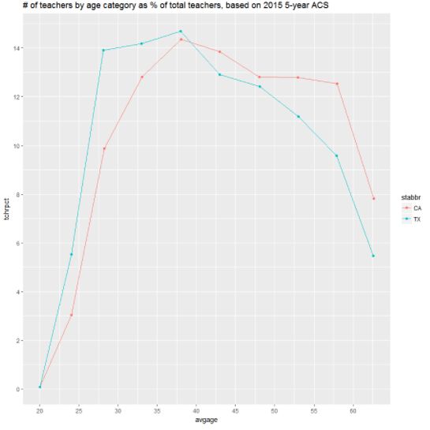
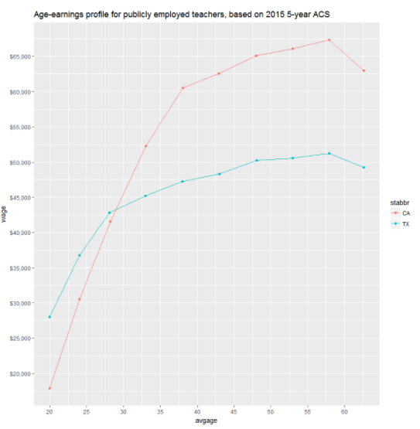
TX TRS avg Salary
TOC
startcell | B7
endcell | O28

 |  | age | avg Salary |  | share
 |  | 22 | 27680 | 18606 | 2.2%
 |  | 27 | 40699 | 79511 | 9.4%
 |  | 32 | 45081 | 102014 | 12.0%
 |  | 37 | 47621 | 110316 | 13.0%
 |  | 42 | 49067 | 113387 | 13.4%
 |  | 47 | 49218 | 120169 | 14.2%
 |  | 52 | 47881 | 111463 | 13.1%
 |  | 57 | 47364 | 96360 | 11.4%
 |  | 62 | 46643 | 62313 | 7.4%
 |  | 67 | 41587 | 33492 | 4.0%

RetireesSched
TOC
startcell | B8
endcell | E18
benperiod | annual
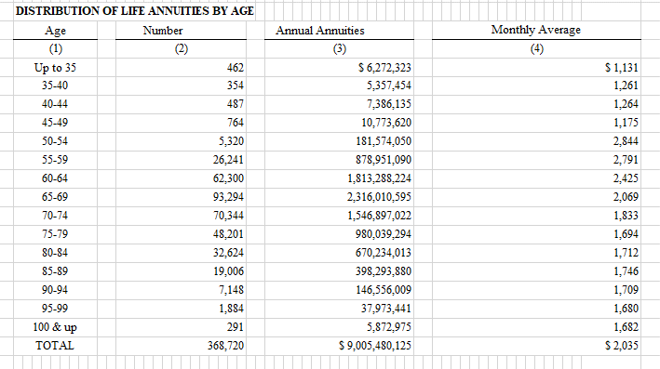
name_N | nretirees
name_V | benefit

 | agegrp | age.cell | N | V
 | 30-34 | 32 | 462 | 13576
 | 35-39 | 37 | 354 | 15134
 | 40-44 | 42 | 487 | 15167
 | 45-49 | 47 | 764 | 14102
 | 50-54 | 52 | 5320 | 34130
 | 55-59 | 57 | 26241 | 33495
 | 60-64 | 62 | 62300 | 29106
 | 65-69 | 67 | 93294 | 24825
 | 70-74 | 72 | 70344 | 21990
 | 75-79 | 77 | 48201 | 20332
 | 80-84 | 82 | 32624 | 20544
 | 85-89 | 87 | 19006 | 20956
 | 90-94 | 92 | 7148 | 20503
 | 95-99 | 97 | 1884 | 20156
 | 100-104 | 102 | 291 | 20182

RetRates_raw
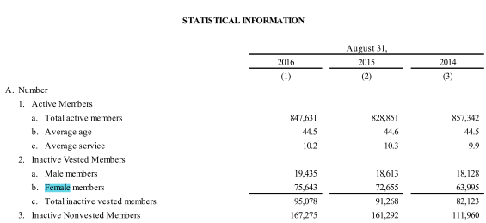
TOC
startcell
endcell

 |  | Normal retirement |  |  | Early retirement
 | age | male | female | age | male | female | Normal | Early | age | Aggregate
 | 45 |  |  | 45 | 0.01 | 0.01 | 0.00 | 0.01 | 45 | 0.01 | 1 | 0.01 | 0.45 |  | gender ratio
 | 46 |  |  | 46 | 0.01 | 0.01 | 0.00 | 0.01 | 46 | 0.01 | 0.99 | 0.0099 | 0.4554 | male | 0.20441111508
 | 47 |  |  | 47 | 0.01 | 0.02 | 0.00 | 0.02 | 47 | 0.02 | 0.9801 | 0.017598566661 | 0.82713263307 | female | 0.79558888492
 | 48 |  |  | 48 | 0.02 | 0.03 | 0.00 | 0.03 | 48 | 0.03 | 0.96250143334 | 0.026907583088 | 1.2915639882
 | 49 |  |  | 49 | 0.03 | 0.04 | 0.00 | 0.04 | 49 | 0.04 | 0.93559385025 | 0.035511296188 | 1.7400535132 | EarlyRet_cut | 60
 | 50 | 0.13 | 0.3 | 50 | 0.01 | 0.01 | 0.27 | 0.01 | 50 | 0.01 | 0.90008255406 | 0.0090008255406 | 0.45004127703
 | 51 | 0.13 | 0.12 | 51 | 0.01 | 0.01 | 0.12 | 0.01 | 51 | 0.01 | 0.89108172852 | 0.0089108172852 | 0.45445168155
 | 52 | 0.13 | 0.13 | 52 | 0.01 | 0.01 | 0.13 | 0.01 | 52 | 0.01 | 0.88217091124 | 0.0088217091124 | 0.45872887384
 | 53 | 0.13 | 0.14 | 53 | 0.01 | 0.01 | 0.14 | 0.01 | 53 | 0.01 | 0.87334920213 | 0.0087334920213 | 0.46287507713
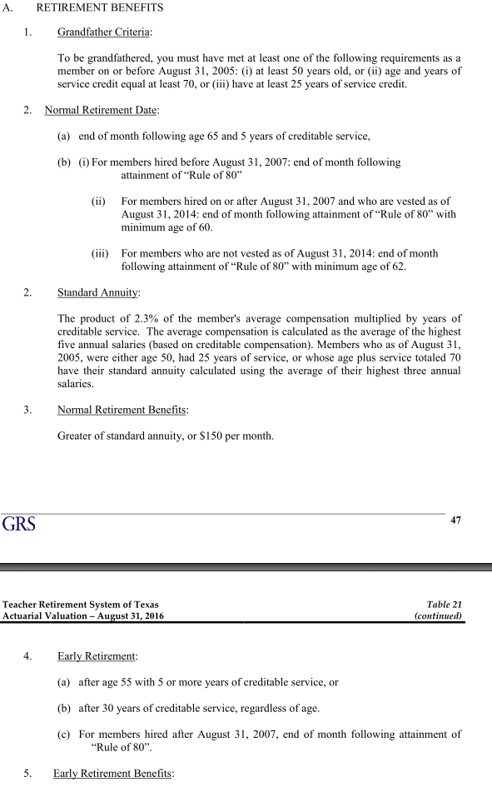
 | 54 | 0.14 | 0.15 | 54 | 0.01 | 0.01 | 0.15 | 0.01 | 54 | 0.01 | 0.8646157101 | 0.008646157101 | 0.46689248346
 | 55 | 0.15 | 0.16 | 55 | 0.01 | 0.01 | 0.16 | 0.01 | 55 | 0.01 | 0.855969553 | 0.00855969553 | 0.47078325415
 | 56 | 0.16 | 0.17 | 56 | 0.01 | 0.01 | 0.17 | 0.01 | 56 | 0.01 | 0.84740985747 | 0.0084740985747 | 0.47454952018
 | 57 | 0.17 | 0.18 | 57 | 0.01 | 0.01 | 0.18 | 0.01 | 57 | 0.01 | 0.8389357589 | 0.008389357589 | 0.47819338257
 | 58 | 0.18 | 0.19 | 58 | 0.01 | 0.01 | 0.19 | 0.01 | 58 | 0.01 | 0.83054640131 | 0.0083054640131 | 0.48171691276
 | 59 | 0.18 | 0.2 | 59 | 0.01 | 0.02 | 0.20 | 0.02 | 59 | 0.02 | 0.8222409373 | 0.014764066877 | 0.87107994576
 | 60 | 0.22 | 0.21 | 60 | 0.02 | 0.02 | 0.21 | 0.02 | 60 | 0.21 | 0.80747687042 | 0.17122071526 | 10.273242916
 | 61 | 0.2 | 0.22 | 61 | 0.02 | 0.02 | 0.22 | 0.02 | 61 | 0.22 | 0.63625615516 | 0.13737519753 | 8.3798870494
 | 62 | 0.24 | 0.23 | 62 | 0.05 | 0.04 | 0.23 | 0.04 | 62 | 0.23 | 0.49888095762 | 0.11576238838 | 7.1772680797
 | 63 | 0.2 | 0.23 | 63 | 0.05 | 0.05 | 0.22 | 0.05 | 63 | 0.22 | 0.38311856924 | 0.085767860107 | 5.4033751868
 | 64 | 0.2 | 0.23 | 64 | 0.06 | 0.06 | 0.22 | 0.06 | 64 | 0.22 | 0.29735070914 | 0.0665672094 | 4.2603014016
 | 65 | 0.22 | 0.23 | 65 | 0.05 | 0.05 | 0.23 | 0.05 | 65 | 0.23 | 0.23078349973 | 0.052608457814 | 3.4195497579
 | 66 | 0.22 | 0.23 |  |  |  | 0.23 | 0.00 | 66 | 0.23 | 0.17817504192 | 0.040616050052 | 2.6806593034
 | 67 | 0.22 | 0.23 |  |  |  | 0.23 | 0.00 | 67 | 0.23 | 0.13755899187 | 0.031357382261 | 2.1009446115
 | 68 | 0.22 | 0.23 |  |  |  | 0.23 | 0.00 | 68 | 0.23 | 0.10620160961 | 0.024209282316 | 1.6462311975
 | 69 | 0.22 | 0.23 |  |  |  | 0.23 | 0.00 | 69 | 0.23 | 0.081992327293 | 0.018690633847 | 1.2896537354
 | 70 | 0.22 | 0.23 |  |  |  | 0.23 | 0.00 | 70 | 0.23 | 0.063301693446 | 0.014429993795 | 1.0100995657
 | 71 | 0.22 | 0.23 |  |  |  | 0.23 | 0.00 | 71 | 0.23 | 0.048871699651 | 0.011140591733 | 0.79098201308
 | 72 | 0.22 | 0.23 |  |  |  | 0.23 | 0.00 | 72 | 0.23 | 0.037731107917 | 0.0086010282426 | 0.61927403347
 | 73 | 0.22 | 0.23 |  |  |  | 0.23 | 0.00 | 73 | 0.23 | 0.029130079675 | 0.0066403732045 | 0.48474724393
 | 74 | 0.22 | 0.23 |  |  |  | 0.23 | 0.00 | 74 | 0.23 | 0.02248970647 | 0.0051266610284 | 0.3793729161
 | 75 | 1 | 1 |  |  |  | 1.00 | 0.00 | 75 | 1.00 | 0.017363045442 | 0.017363045442 | 1.3022284081
 |  |  |  |  |  |  |  |  |  |  |  | average age at ret | 60.601279962

TermRatesSched_SingleCol
TOC
startcell | C5
endcell | D50
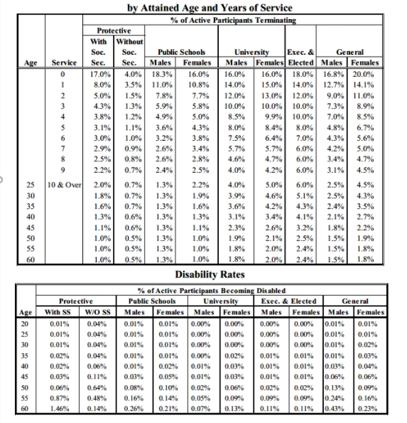
 |  | age | termrate
 |  | 64 | 0.010
 |  | 63 | 0.013
 |  | 62 | 0.015
 |  | 61 | 0.016
 |  | 60 | 0.018
 |  | 59 | 0.019
 |  | 58 | 0.020
 |  | 57 | 0.021
 |  | 56 | 0.022
 |  | 55 | 0.022
 |  | 54 | 0.023
 |  | 53 | 0.024
 |  | 52 | 0.025
 |  | 51 | 0.025
 |  | 50 | 0.026
 |  | 49 | 0.026
 |  | 48 | 0.027
 |  | 47 | 0.028
 |  | 46 | 0.028
 |  | 45 | 0.029
 |  | 44 | 0.029
 |  | 43 | 0.030
 |  | 42 | 0.030
 |  | 41 | 0.031
 |  | 40 | 0.031
 |  | 39 | 0.031
 |  | 38 | 0.032
 |  | 37 | 0.032
 |  | 36 | 0.033
 |  | 35 | 0.033
 |  | 34 | 0.033
 |  | 33 | 0.034
 |  | 32 | 0.034
 |  | 31 | 0.034
 |  | 30 | 0.034
 |  | 29 | 0.034
 |  | 28 | 0.034
 |  | 27 | 0.034
 |  | 26 | 0.034
 |  | 25 | 0.034
 |  | 24 | 0.034
 |  | 23 | 0.034
 |  | 22 | 0.034
 |  | 21 | 0.034
 |  | 20 | 0.034

MortalityInfo
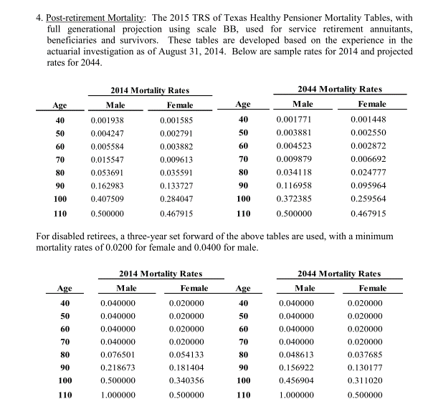
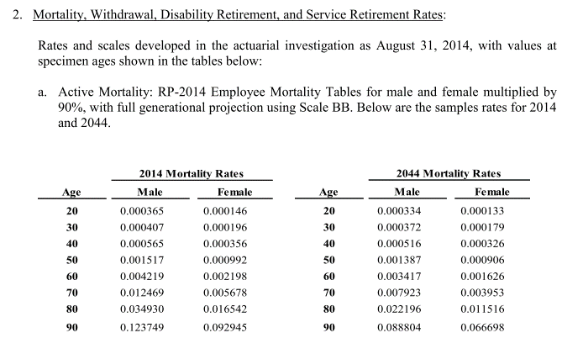
TOC

