single_calculations
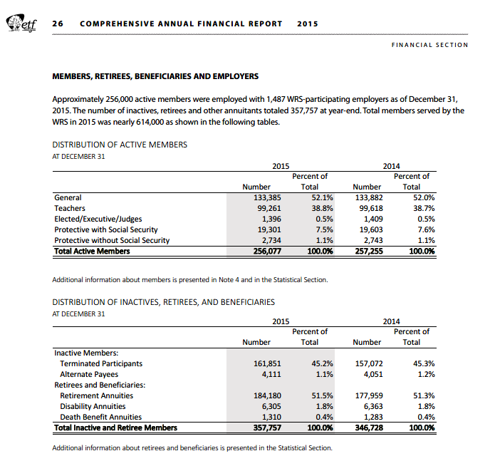
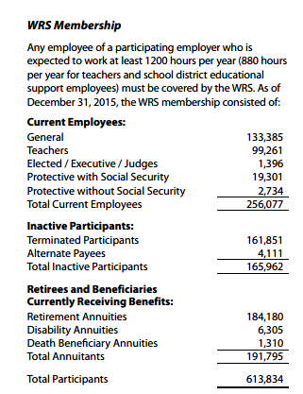
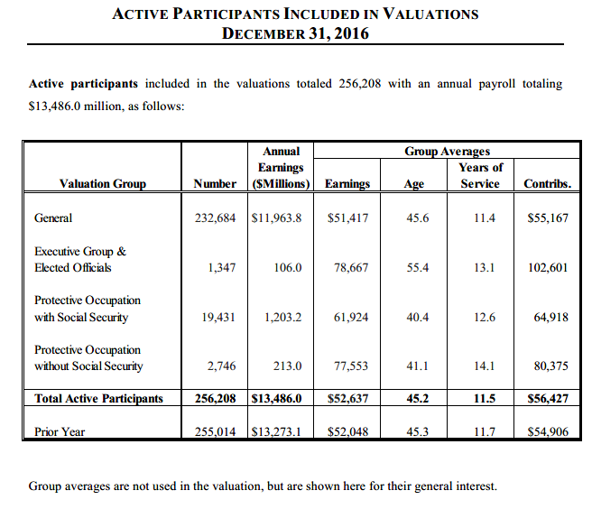
TOC

 | nactives | payroll | nactives | payroll
General | 232,684 | 11,964 | 90.8% | 88.7%
Executive Group & Elected Officials | 1,347 | 106 | 0.5% | 0.8%
Protective Occupation with Social Security | 19,431 | 1,203 | 7.6% | 8.9%
Protective Occupation without Social Security | 2,746 | 213 | 1.1% | 1.6%

Total Active Participants | 256,208 | 13,486 | 100.0% | 100.0%

singleValuesScreenshots
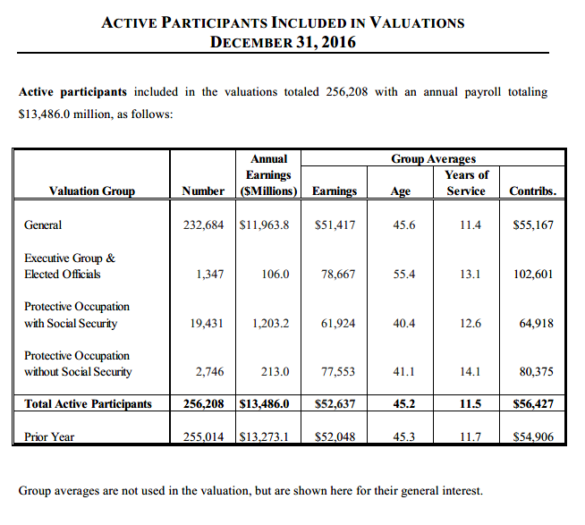
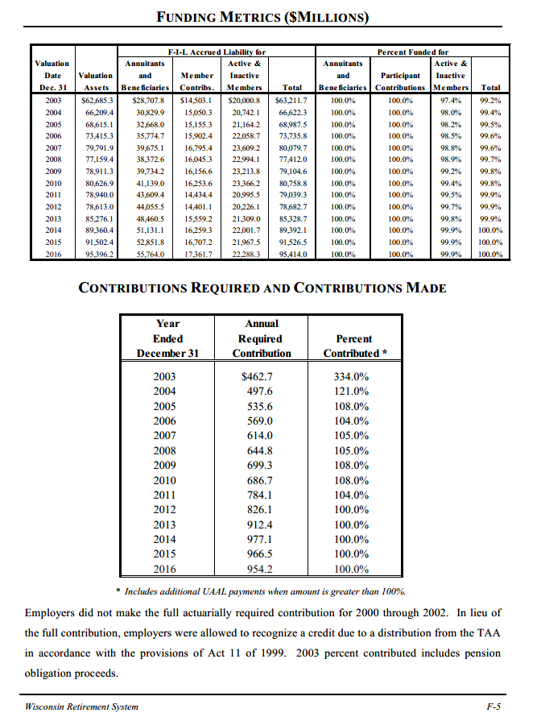
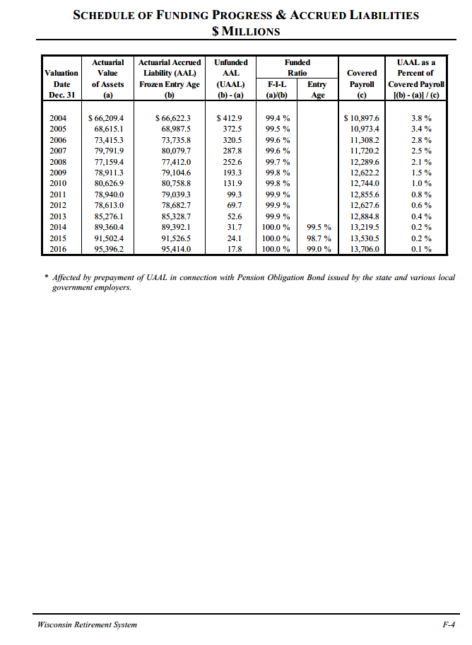
TOC
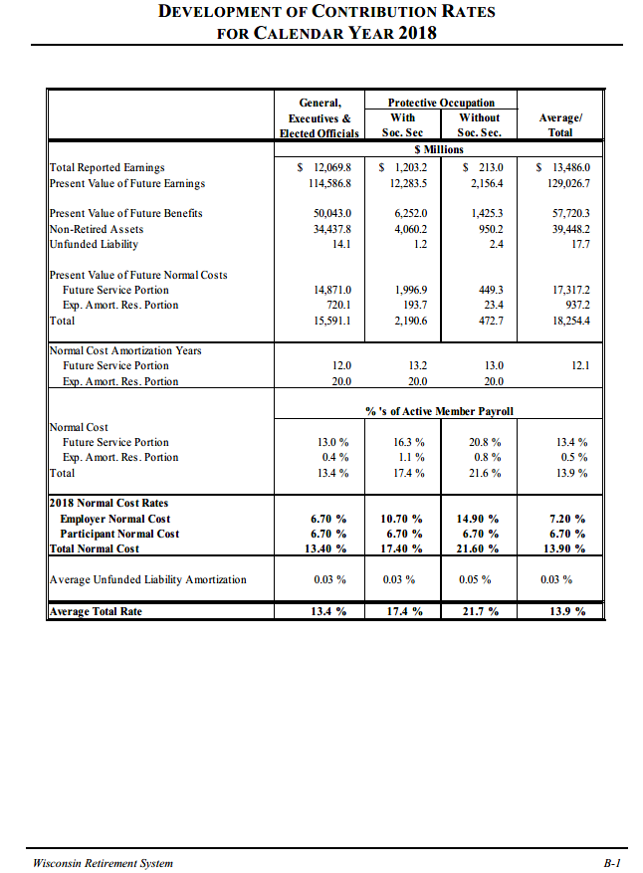
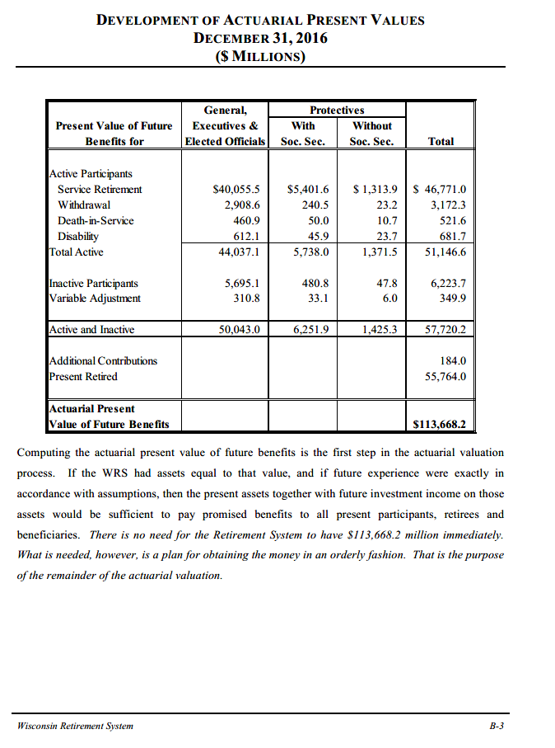

 |  | pvb | future ben | aal
 | actives | 51,146.6 | 18,254.4 | 32,892.2
 | inactives | 6,223.7 |  | 6,223.7
 | variable | 349.9 |  | 349.9
 | pvfb | 57,720.2 | 18,254.4 | 39,465.8

 | contrib | 184.0 |  | 184.0
 | retired | 55,764.0 |  | 55,764.0

 | sum | 113,668.2 | 18,254.4 | 95,413.8

 | general | 232,684 | 92.3%
 | protectivess | 19,431 | 7.7%
 |  | 252,115 | 100.0%

erc_rule
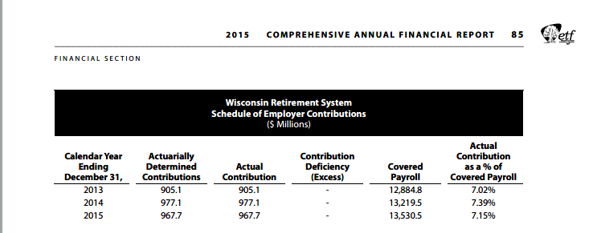
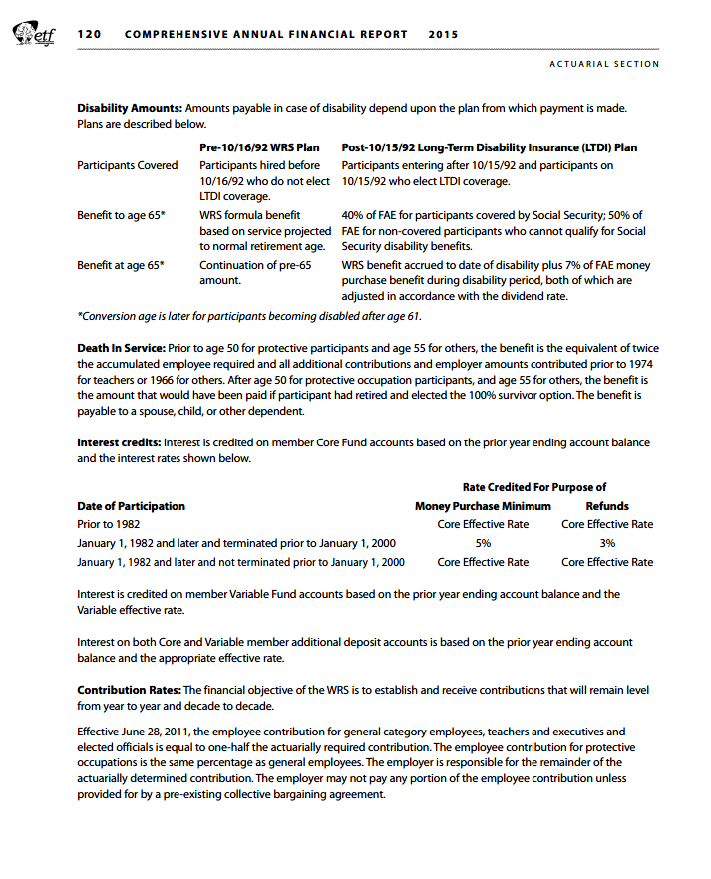
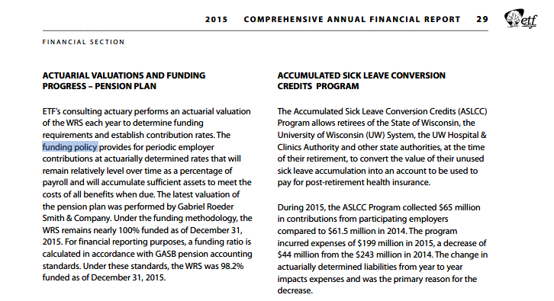
TOC

SummaryAssumptions
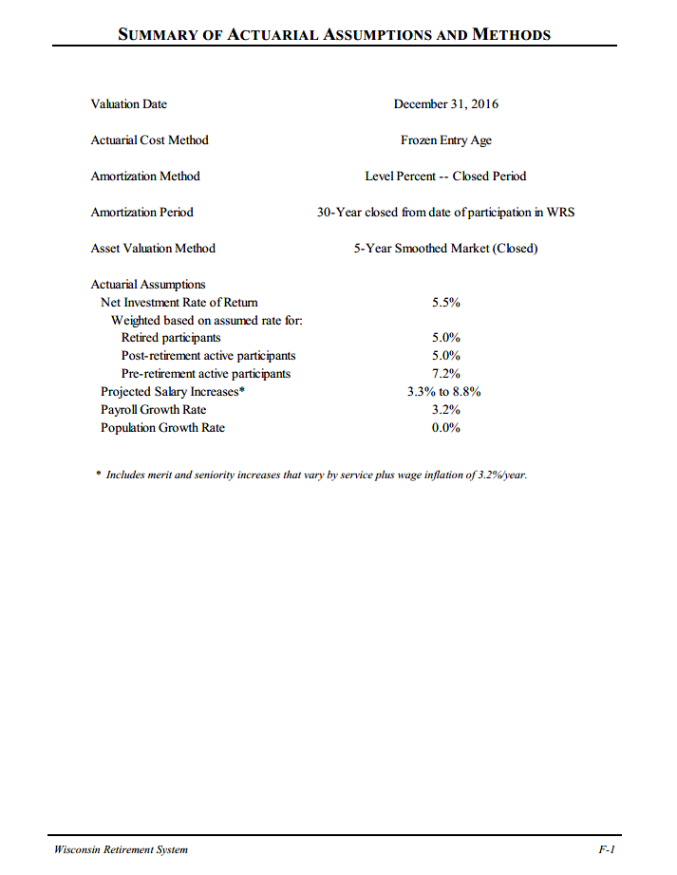
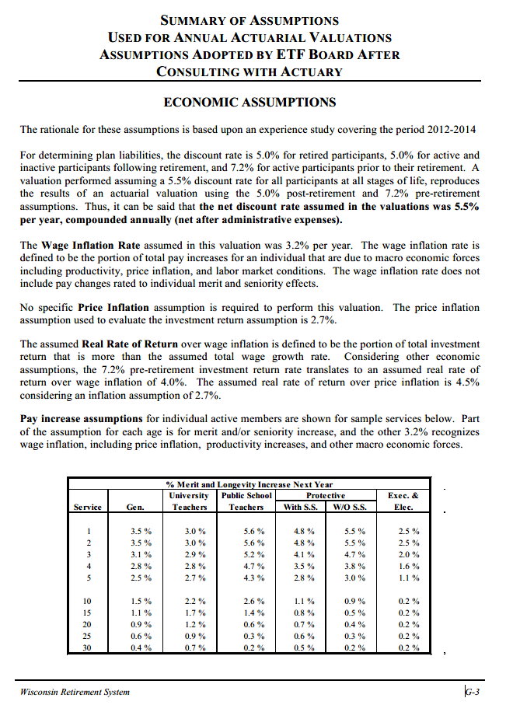
TOC

Actives_raw
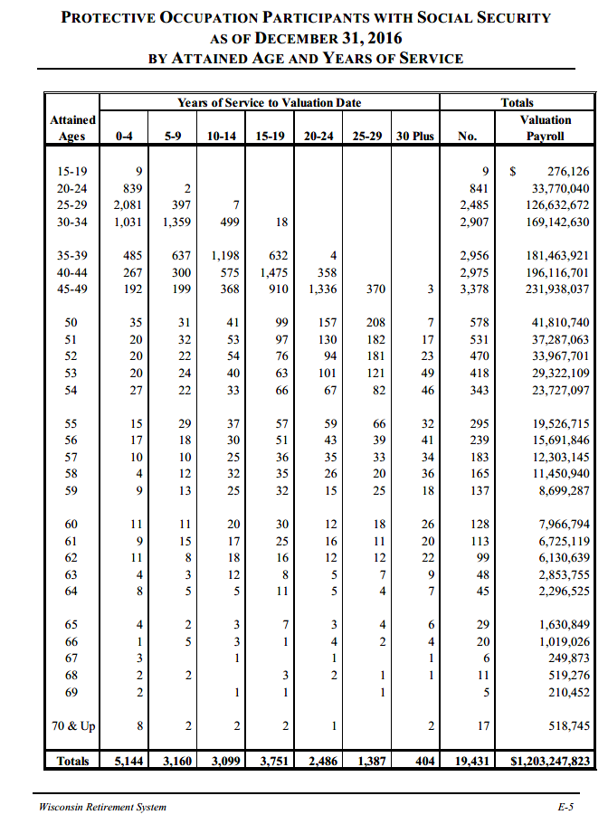
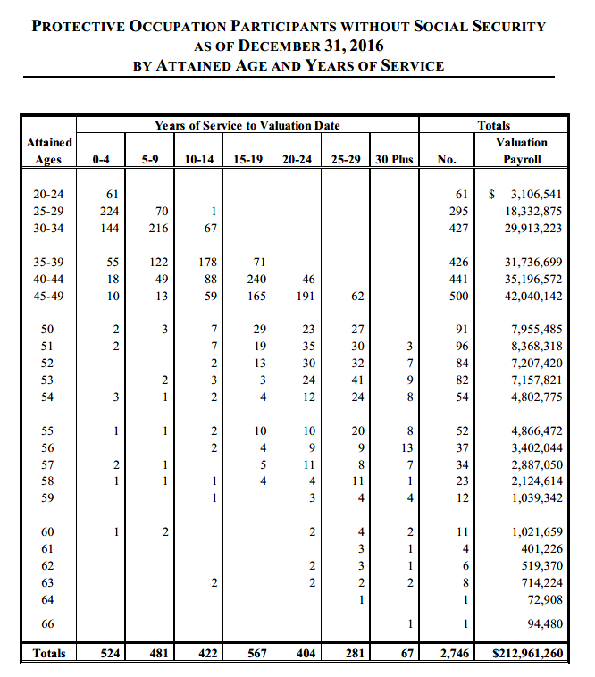
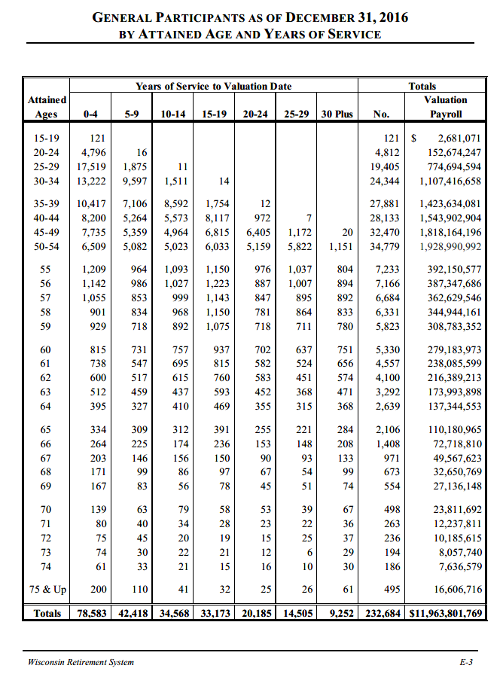
TOC |  |  |  |  |  |  |  |  |  |  |  | 0 | 1 | 2 | 3 | 4 | 5 | 6 | 7 | 8 | 9 | 10 | 11 | 12 | 13 | 14 | 15 & Up | Totals
 | General + protective SS |  |  |  |  |  |  |  |  |  |  | 29,731 | 38,419 | 41,293 | 43,888 | 45,430 | 46,888 | 47,719 | 48,992 | 51,395 | 52,622 | 54,025 | 54,374 | 56,274 | 56,402 | 59,140 | 66,348 | 52,637
 | 0-4 | 5-9 | 10-14 | 15-19 | 20-24 | 25-29 | 30 Plus | No. | Payroll | avgsalary | checknum |  |  |  |  | 39,752 |  |  |  |  | 49,523 |  |  |  |  | 56,043
15-19 | 130 | - | - | - | - | - | - | 130 | 2,957,197 | 22,748 | 130
20-24 | 5,635 | 18 | - | - | - | - | - | 5,653 | 186,444,287 | 32,981 | 5,653
25-29 | 19,600 | 2,272 | 18 | - | - | - | - | 21,890 | 901,327,266 | 41,175 | 21,890
30-34 | 14,253 | 10,956 | 2,010 | 32 | - | - | - | 27,251 | 1,276,559,288 | 46,844 | 27,251
35-39 | 10,902 | 7,743 | 9,790 | 2,386 | 16 | - | - | 30,837 | 1,605,098,002 | 52,051 | 30,837
40-44 | 8,467 | 5,564 | 6,148 | 9,592 | 1,330 | 7 | - | 31,108 | 1,740,019,605 | 55,935 | 31,108
45-49 | 7,927 | 5,558 | 5,332 | 7,725 | 7,741 | 1,542 | 23 | 35,848 | 2,050,102,233 | 57,189 | 35,848
50-54 | 6,631 | 5,213 | 5,244 | 6,434 | 5,708 | 6,596 | 1,293 | 37,119 | 2,095,105,702 | 56,443 | 37,119
55 | 1,224 | 993 | 1,130 | 1,207 | 1,035 | 1,103 | 836 | 7,528 | 411,677,292 | 54,686 | 7,528
56 | 1,159 | 1,004 | 1,057 | 1,274 | 930 | 1,046 | 935 | 7,405 | 403,039,532 | 54,428 | 7,405
57 | 1,065 | 863 | 1,024 | 1,179 | 882 | 928 | 926 | 6,867 | 374,932,691 | 54,599 | 6,867
58 | 905 | 846 | 1,000 | 1,185 | 807 | 884 | 869 | 6,496 | 356,395,101 | 54,864 | 6,496
59 | 938 | 731 | 917 | 1,107 | 733 | 736 | 798 | 5,960 | 317,482,639 | 53,269 | 5,960
60 | 826 | 742 | 777 | 967 | 714 | 655 | 777 | 5,458 | 287,150,767 | 52,611 | 5,458
61 | 747 | 562 | 712 | 840 | 598 | 535 | 676 | 4,670 | 244,810,718 | 52,422 | 4,670
62 | 611 | 525 | 633 | 776 | 595 | 463 | 596 | 4,199 | 222,519,852 | 52,994 | 4,199
63 | 516 | 462 | 449 | 601 | 457 | 375 | 480 | 3,340 | 176,847,653 | 52,948 | 3,340
64 | 403 | 332 | 415 | 480 | 360 | 319 | 375 | 2,684 | 139,641,078 | 52,027 | 2,684
65 | 338 | 311 | 315 | 398 | 258 | 225 | 290 | 2,135 | 111,811,814 | 52,371 | 2,135
66 | 265 | 230 | 177 | 237 | 157 | 150 | 212 | 1,428 | 73,737,836 | 51,637 | 1,428
67 | 206 | 146 | 157 | 150 | 91 | 93 | 134 | 977 | 49,817,496 | 50,990 | 977
68 | 173 | 101 | 86 | 100 | 69 | 55 | 100 | 684 | 33,170,045 | 48,494 | 684
69 | 169 | 83 | 57 | 79 | 45 | 52 | 74 | 559 | 27,346,600 | 48,921 | 559
70 | 147 | 65 | 81 | 60 | 54 | 39 | 69 | 515 | 24,330,437 | 47,244 | 515
71 | 80 | 40 | 34 | 28 | 23 | 22 | 36 | 263 | 12,237,811 | 46,532 | 263
72 | 75 | 45 | 20 | 19 | 15 | 25 | 37 | 236 | 10,185,615 | 43,159 | 236
73 | 74 | 30 | 22 | 21 | 12 | 6 | 29 | 194 | 8,057,740 | 41,535 | 194
74 | 61 | 33 | 21 | 15 | 16 | 10 | 30 | 186 | 7,636,579 | 41,057 | 186
75 & Up | 200 | 110 | 41 | 32 | 25 | 26 | 61 | 495 | 16,606,716 | 33,549 | 495
Totals | 83,727 | 45,578 | 37,667 | 36,924 | 22,671 | 15,892 | 9,656 | 252,115 | 13,167,049,592 | 52,226 | 252,115
checksum/calc | 83,727 | 45,578 | 37,667 | 36,924 | 22,671 | 15,892 | 9,656 | 252,115 | 13,167,049,592 | 52,226 | 252,115
unwtd avg sal | 39,752 | 49,523 | 56,043 | 66,348 | 66,348 | 66,348 | 66,348 |  |  | 52,637

General
 | Years of Service to Valuation Date |  |  |  |  |  |  | Totals
Attained |  |  |  |  |  |  |  |  | Valuation
Ages | 0-4 | 5-9 | 10-14 | 15-19 | 20-24 | 25-29 | 30 Plus | No. | Payroll
15-19 | 121 |  |  |  |  |  |  | 121 | $ 2,681,071
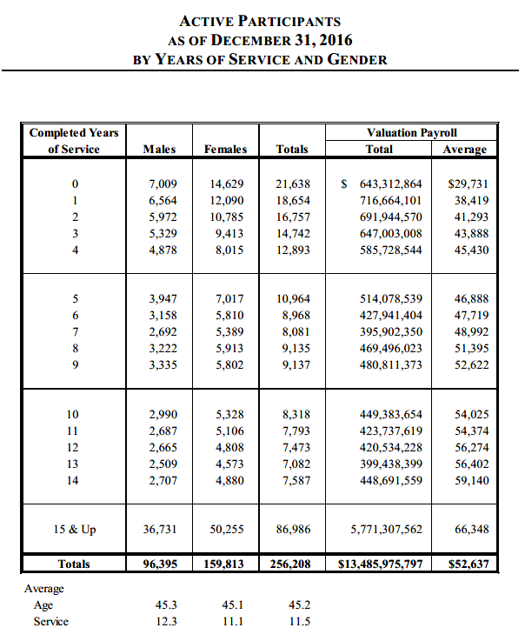
20-24 | 4,796 | 16 |  |  |  |  |  | 4,812 | 152,674,247
25-29 | 17,519 | 1,875 | 11 |  |  |  |  | 19,405 | 774,694,594
30-34 | 13,222 | 9,597 | 1,511 | 14 |  |  |  | 24,344 | 1,107,416,658
35-39 | 10,417 | 7,106 | 8,592 | 1,754 | 12 |  |  | 27,881 | 1,423,634,081
40-44 | 8,200 | 5,264 | 5,573 | 8,117 | 972 | 7 |  | 28,133 | 1,543,902,904
45-49 | 7,735 | 5,359 | 4,964 | 6,815 | 6,405 | 1,172 | 20 | 32,470 | 1,818,164,196
50-54 | 6,509 | 5,082 | 5,023 | 6,033 | 5,159 | 5,822 | 1,151 | 34,779 | 1,928,990,992 |  |  |  |  |  |  |  |  |  | Completed Years |  |  |  | Valuation Payroll
55 | 1,209 | 964 | 1,093 | 1,150 | 976 | 1,037 | 804 | 7,233 | 392,150,577 |  |  |  |  |  |  |  |  |  | of Service | Males | Females | Totals | Total | Average
56 | 1,142 | 986 | 1,027 | 1,223 | 887 | 1,007 | 894 | 7,166 | 387,347,686 |  |  |  |  |  |  |  |  |  | 0 | 7,009 | 14,629 | 21,638 | $ 643,312,864 | 29,731
57 | 1,055 | 853 | 999 | 1,143 | 847 | 895 | 892 | 6,684 | 362,629,546 |  |  |  |  |  |  |  |  |  | 1 | 6,564 | 12,090 | 18,654 | 716,664,101 | 38,419
58 | 901 | 834 | 968 | 1,150 | 781 | 864 | 833 | 6,331 | 344,944,161 |  |  |  |  |  |  |  |  |  | 2 | 5,972 | 10,785 | 16,757 | 691,944,570 | 41,293
59 | 929 | 718 | 892 | 1,075 | 718 | 711 | 780 | 5,823 | 308,783,352 |  |  |  |  |  |  |  |  |  | 3 | 5,329 | 9,413 | 14,742 | 647,003,008 | 43,888
60 | 815 | 731 | 757 | 937 | 702 | 637 | 751 | 5,330 | 279,183,973 |  |  |  |  |  |  |  |  |  | 4 | 4,878 | 8,015 | 12,893 | 585,728,544 | 45,430
61 | 738 | 547 | 695 | 815 | 582 | 524 | 656 | 4,557 | 238,085,599 |  |  |  |  |  |  |  |  |  | 5 | 3,947 | 7,017 | 10,964 | 514,078,539 | 46,888
62 | 600 | 517 | 615 | 760 | 583 | 451 | 574 | 4,100 | 216,389,213 |  |  |  |  |  |  |  |  |  | 6 | 3,158 | 5,810 | 8,968 | 427,941,404 | 47,719
63 | 512 | 459 | 437 | 593 | 452 | 368 | 471 | 3,292 | 173,993,898 |  |  |  |  |  |  |  |  |  | 7 | 2,692 | 5,389 | 8,081 | 395,902,350 | 48,992
64 | 395 | 327 | 410 | 469 | 355 | 315 | 368 | 2,639 | 137,344,553 |  |  |  |  |  |  |  |  |  | 8 | 3,222 | 5,913 | 9,135 | 469,496,023 | 51,395
65 | 334 | 309 | 312 | 391 | 255 | 221 | 284 | 2,106 | 110,180,965 |  |  |  |  |  |  |  |  |  | 9 | 3,335 | 5,802 | 9,137 | 480,811,373 | 52,622
66 | 264 | 225 | 174 | 236 | 153 | 148 | 208 | 1,408 | 72,718,810 |  |  |  |  |  |  |  |  |  | 10 | 2,990 | 5,328 | 8,318 | 449,383,654 | 54,025
67 | 203 | 146 | 156 | 150 | 90 | 93 | 133 | 971 | 49,567,623 |  |  |  |  |  |  |  |  |  | 11 | 2,687 | 5,106 | 7,793 | 423,737,619 | 54,374
68 | 171 | 99 | 86 | 97 | 67 | 54 | 99 | 673 | 32,650,769 |  |  |  |  |  |  |  |  |  | 12 | 2,665 | 4,808 | 7,473 | 420,534,228 | 56,274
69 | 167 | 83 | 56 | 78 | 45 | 51 | 74 | 554 | 27,136,148 |  |  |  |  |  |  |  |  |  | 13 | 2,509 | 4,573 | 7,082 | 399,438,399 | 56,402
70 | 139 | 63 | 79 | 58 | 53 | 39 | 67 | 498 | 23,811,692 |  |  |  |  |  |  |  |  |  | 14 | 2,707 | 4,880 | 7,587 | 448,691,559 | 59,140
71 | 80 | 40 | 34 | 28 | 23 | 22 | 36 | 263 | 12,237,811 |  |  |  |  |  |  |  |  |  | 15 & Up | 36,731 | 50,255 | 86,986 | 5,771,307,562 | 66,348
72 | 75 | 45 | 20 | 19 | 15 | 25 | 37 | 236 | 10,185,615 |  |  |  |  |  |  |  |  |  | Totals | 96,395 | 159,813 | 256,208 | 13,485,975,797 | 52,637
73 | 74 | 30 | 22 | 21 | 12 | 6 | 29 | 194 | 8,057,740
74 | 61 | 33 | 21 | 15 | 16 | 10 | 30 | 186 | 7,636,579
75 & Up | 200 | 110 | 41 | 32 | 25 | 26 | 61 | 495 | 16,606,716
Totals | 78,583 | 42,418 | 34,568 | 33,173 | 20,185 | 14,505 | 9,252 | 232,684 | $11,963,801,769

Protective SS with General age ranges

15-19 | 9 | - | - | - | - | - | - | 9 | $ 276,126
20-24 | 839 | 2 | - | - | - | - | - | 841 | 33,770,040
25-29 | 2,081 | 397 | 7 | - | - | - | - | 2,485 | 126,632,672
30-34 | 1,031 | 1,359 | 499 | 18 | - | - | - | 2,907 | 169,142,630
35-39 | 485 | 637 | 1,198 | 632 | 4 | - | - | 2,956 | 181,463,921
40-44 | 267 | 300 | 575 | 1,475 | 358 | - | - | 2,975 | 196,116,701
45-49 | 192 | 199 | 368 | 910 | 1,336 | 370 | 3 | 3,378 | 231,938,037
50-54 | 122 | 131 | 221 | 401 | 549 | 774 | 142 | 2,340 | 166,114,710
55 | 15 | 29 | 37 | 57 | 59 | 66 | 32 | 295 | 19,526,715
56 | 17 | 18 | 30 | 51 | 43 | 39 | 41 | 239 | 15,691,846
57 | 10 | 10 | 25 | 36 | 35 | 33 | 34 | 183 | 12,303,145
58 | 4 | 12 | 32 | 35 | 26 | 20 | 36 | 165 | 11,450,940
59 | 9 | 13 | 25 | 32 | 15 | 25 | 18 | 137 | 8,699,287
60 | 11 | 11 | 20 | 30 | 12 | 18 | 26 | 128 | 7,966,794
61 | 9 | 15 | 17 | 25 | 16 | 11 | 20 | 113 | 6,725,119
62 | 11 | 8 | 18 | 16 | 12 | 12 | 22 | 99 | 6,130,639
63 | 4 | 3 | 12 | 8 | 5 | 7 | 9 | 48 | 2,853,755
64 | 8 | 5 | 5 | 11 | 5 | 4 | 7 | 45 | 2,296,525
65 | 4 | 2 | 3 | 7 | 3 | 4 | 6 | 29 | 1,630,849
66 | 1 | 5 | 3 | 1 | 4 | 2 | 4 | 20 | 1,019,026
67 | 3 | - | 1 | - | 1 | - | 1 | 6 | 249,873
68 | 2 | 2 | - | 3 | 2 | 1 | 1 | 11 | 519,276
69 | 2 | - | 1 | 1 | - | 1 | - | 5 | 210,452
70+ | 8 | 2 | 2 | 2 | 1 | - | 2 | 17 | 518,745

total | 5,144 | 3,160 | 3,099 | 3,751 | 2,486 | 1,387 | 404 | 19,431 | 1,203,247,823
checksum | 5,144 | 3,160 | 3,099 | 3,751 | 2,486 | 1,387 | 404 | 19,431 | 1,202,971,697

PROTECTIVE OCCUPATION PARTICIPANTS WITH SOCIAL SECURITY
AS OF DECEMBER 31, 2016
BY ATTAINED AGE AND YEARS OF SERVICE
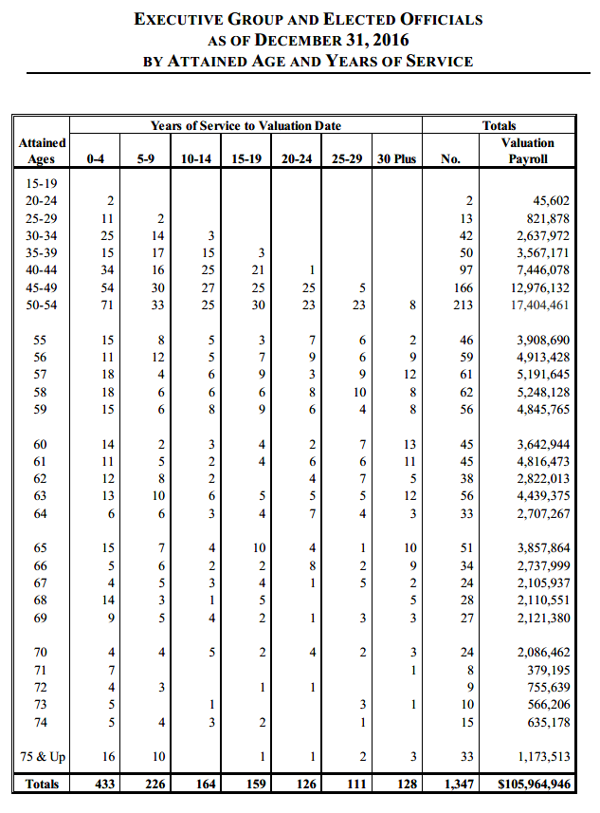
 | Years of Service to Valuation Date |  |  |  |  |  |  | Totals
Attained |  |  |  |  |  |  |  |  | Valuation
Ages | 0-4 | 5-9 | 10-14 | 15-19 | 20-24 | 25-29 | 30 Plus | No. | Payroll
15-19 | 9 |  |  |  |  |  |  | 9 | $ 276,126
20-24 | 839 | 2 |  |  |  |  |  | 841 | 33,770,040
25-29 | 2,081 | 397 | 7 |  |  |  |  | 2,485 | 126,632,672
30-34 | 1,031 | 1,359 | 499 | 18 |  |  |  | 2,907 | 169,142,630
35-39 | 485 | 637 | 1,198 | 632 | 4 |  |  | 2,956 | 181,463,921
40-44 | 267 | 300 | 575 | 1,475 | 358 |  |  | 2,975 | 196,116,701
45-49 | 192 | 199 | 368 | 910 | 1,336 | 370 | 3 | 3,378 | 231,938,037
50 | 35 | 31 | 41 | 99 | 157 | 208 | 7 | 578 | 41,810,740
51 | 20 | 32 | 53 | 97 | 130 | 182 | 17 | 531 | 37,287,063
52 | 20 | 22 | 54 | 76 | 94 | 181 | 23 | 470 | 33,967,701
53 | 20 | 24 | 40 | 63 | 101 | 121 | 49 | 418 | 29,322,109
54 | 27 | 22 | 33 | 66 | 67 | 82 | 46 | 343 | 23,727,097
55 | 15 | 29 | 37 | 57 | 59 | 66 | 32 | 295 | 19,526,715
56 | 17 | 18 | 30 | 51 | 43 | 39 | 41 | 239 | 15,691,846
57 | 10 | 10 | 25 | 36 | 35 | 33 | 34 | 183 | 12,303,145
58 | 4 | 12 | 32 | 35 | 26 | 20 | 36 | 165 | 11,450,940
59 | 9 | 13 | 25 | 32 | 15 | 25 | 18 | 137 | 8,699,287
60 | 11 | 11 | 20 | 30 | 12 | 18 | 26 | 128 | 7,966,794
61 | 9 | 15 | 17 | 25 | 16 | 11 | 20 | 113 | 6,725,119
62 | 11 | 8 | 18 | 16 | 12 | 12 | 22 | 99 | 6,130,639
63 | 4 | 3 | 12 | 8 | 5 | 7 | 9 | 48 | 2,853,755
64 | 8 | 5 | 5 | 11 | 5 | 4 | 7 | 45 | 2,296,525
65 | 4 | 2 | 3 | 7 | 3 | 4 | 6 | 29 | 1,630,849
66 | 1 | 5 | 3 | 1 | 4 | 2 | 4 | 20 | 1,019,026
67 | 3 |  | 1 |  | 1 |  | 1 | 6 | 249,873
68 | 2 | 2 |  | 3 | 2 | 1 | 1 | 11 | 519,276
69 | 2 |  | 1 | 1 |  | 1 |  | 5 | 210,452
70 & Up | 8 | 2 | 2 | 2 | 1 |  | 2 | 17 | 518,745
Totals | 5,144 | 3,160 | 3,099 | 3,751 | 2,486 | 1,387 | 404 | 19,431 | $1,203,247,823

Retirees_raw
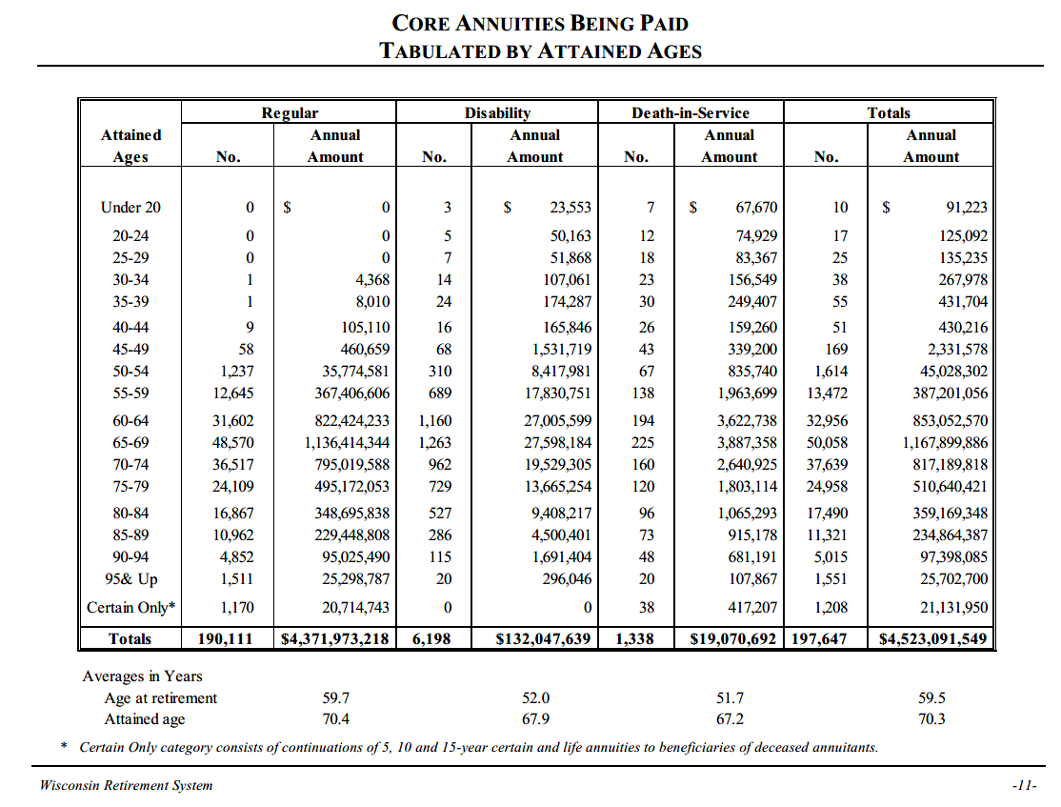
TOC
 |  | The table of retirees was pulled from the AV2016 for RETIRED LIVES (see notes page), p.19. This is separate from the main AV, which is for active lives
 |  |  |  |  |  |  | Regular |  | Dis ability |  | De ath-in-Se rvice |  | Totals
 |  |  | average |  |  | Attained |  | Annual |  | Annual |  | Annual |  | Annual
agegrp | age | nretirees | benefit | Total benefit | average age calc | Ages | No. | Amount | No. | Amount | No. | Amount | No. | Amount
Under 20 | 20 | 10 | 9,122 | 91,223 | 0.0 | Under 20 | - | - | 3 | 23,553 | 7 | 67,670 | 10 | 91,223
20-24 | 22 | 17 | 7,358 | 125,092 | 0.0 | 20-24 | - | - | 5 | 50,163 | 12 | 74,929 | 17 | 125,092
25-29 | 27 | 25 | 5,409 | 135,235 | 0.0 | 25-29 | - | - | 7 | 51,868 | 18 | 83,367 | 25 | 135,235
30-34 | 32 | 38 | 7,052 | 267,978 | 0.0 | 30-34 | 1 | 4,368 | 14 | 107,061 | 23 | 156,549 | 38 | 267,978
35-39 | 37 | 55 | 7,849 | 431,704 | 0.0 | 35-39 | 1 | 8,010 | 24 | 174,287 | 30 | 249,407 | 55 | 431,704
40-44 | 42 | 51 | 8,436 | 430,216 | 0.0 | 40-44 | 9 | 105,110 | 16 | 165,846 | 26 | 159,260 | 51 | 430,216
45-49 | 47 | 169 | 13,796 | 2,331,578 | 0.0 | 45-49 | 58 | 460,659 | 68 | 1,531,719 | 43 | 339,200 | 169 | 2,331,578
50-54 | 52 | 1,614 | 27,899 | 45,028,302 | 0.4 | 50-54 | 1,237 | 35,774,581 | 310 | 8,417,981 | 67 | 835,740 | 1,614 | 45,028,302
55-59 | 57 | 13,472 | 28,741 | 387,201,056 | 3.9 | 55-59 | 12,645 | 367,406,606 | 689 | 17,830,751 | 138 | 1,963,699 | 13,472 | 387,201,056
60-64 | 62 | 32,956 | 25,885 | 853,052,570 | 10.4 | 60-64 | 31,602 | 822,424,233 | 1,160 | 27,005,599 | 194 | 3,622,738 | 32,956 | 853,052,570
65-69 | 67 | 50,058 | 23,331 | 1,167,899,886 | 17.1 | 65-69 | 48,570 | 1,136,414,344 | 1,263 | 27,598,184 | 225 | 3,887,358 | 50,058 | 1,167,899,886
70-74 | 72 | 37,639 | 21,711 | 817,189,818 | 13.8 | 70-74 | 36,517 | 795,019,588 | 962 | 19,529,305 | 160 | 2,640,925 | 37,639 | 817,189,818
75-79 | 77 | 24,958 | 20,460 | 510,640,421 | 9.8 | 75-79 | 24,109 | 495,172,053 | 729 | 13,665,254 | 120 | 1,803,114 | 24,958 | 510,640,421
80-84 | 82 | 17,490 | 20,536 | 359,169,348 | 7.3 | 80-84 | 16,867 | 348,695,838 | 527 | 9,408,217 | 96 | 1,065,293 | 17,490 | 359,169,348
85-89 | 87 | 11,321 | 20,746 | 234,864,387 | 5.0 | 85-89 | 10,962 | 229,448,808 | 286 | 4,500,401 | 73 | 915,178 | 11,321 | 234,864,387
90-94 | 92 | 5,015 | 19,421 | 97,398,085 | 2.3 | 90-94 | 4,852 | 95,025,490 | 115 | 1,691,404 | 48 | 681,191 | 5,015 | 97,398,085
95& Up | 97 | 1,551 | 16,572 | 25,702,700 | 0.8 | 95& Up | 1,511 | 25,298,787 | 20 | 296,046 | 20 | 107,867 | 1,551 | 25,702,700
 |  |  |  |  |  | Certain Only* | 1,170 | 20,714,743 | - | - | 38 | 417,207 | 1,208 | 21,131,950
Tot excl certain |  | 196,439 | 22,918 | 4,501,959,599 | 70.9 | Totals | 190,111 | 4,371,973,218 | 6,198 | 132,047,639 | 1,338 | 19,070,692 | 197,647 | 4,523,091,549
 |  |  |  |  |  | Averages in Years
Age at retirement 59.7 52.0 51.7 59.5
Attained age 70.4 67.9 67.2 70.3
* Certain Only category consists of continuations of 5, 10 and 15-year certain and life annuities to beneficiaries of deceased annuitants.

Retirees_raw_old
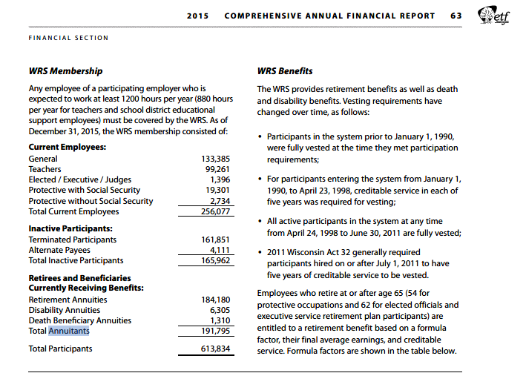
TOC

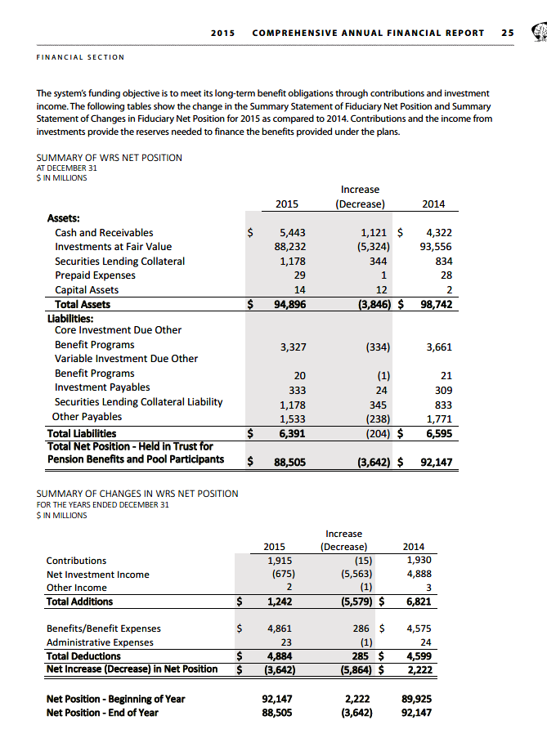

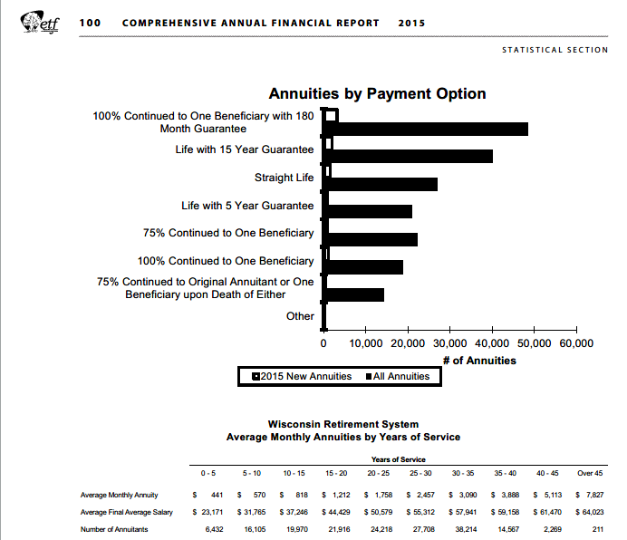
Average | Monthly | Annuity | 441 | 570 | 818 | 1,212 | 1,758 | 2,457 | 3,090 | 3,888 | 5,113 | 7,827
Average | Final | Average | Salary |  | 23,171 |  | 31,765 |  | 37,246 |  | 44,429 |  | 50,579 | 55,312 | 57,941 | 59,158 | 61,470 | 64,023
Number | of | Annuitants | 6,432 | 16,105 | 19,970 | 21,916 | 24,218 | 27,708 | 38,214 | 14,567 | 2,269 | 2 | 11

 |  |  |  | 12.00 | months in year
 |  |  | avg | avg
given range | yos | nretired | monthly | annual | total annual
0-5 | 2 | 6,432 | 441 | 5,292 | 34,038,144
5-10 | 7 | 16,105 | 570 | 6,840 | 110,158,200
10-15 | 12 | 19,970 | 818 | 9,816 | 196,025,520
15-20 | 17 | 21,916 | 1,212 | 14,544 | 318,746,304
20-25 | 22 | 24,218 | 1,758 | 21,096 | 510,902,928
25-30 | 27 | 27,708 | 2,457 | 29,484 | 816,942,672
30-35 | 32 | 38,214 | 3,090 | 37,080 | 1,416,975,120
35-40 | 37 | 14,567 | 3,888 | 46,656 | 679,637,952
40-45 | 42 | 2,269 | 5,113 | 61,356 | 139,216,764
>45 | 47 | 211 | 7,827 | 93,924 | 19,817,964

 | sum | 171,610 | 2015 cafr |  | 4,242,461,568 | annual est. per cafr 2015
 | vs 2016 AV | 191,795 | 2016 AV |  | 4,884.00 | paid in 2015 per cafr 2015
 |  | 11.8% |  |  | 15.1%

SalaryGrowth_raw
TOC
 | 0.923
% Merit and Longevity Increase Next Year
 |  | University | Public School | Protective |  | Exec. &
Service | Gen. | Teachers | Teachers | With S.S. | W/O S.S. | Elec. |  | genprotsswtd
1 | 3.5% | 3.0% | 5.6% | 4.8% | 5.5% | 2.5% | 1 | 3.60%
2 | 3.5% | 3.0% | 5.6% | 4.8% | 5.5% | 2.5% | 2 | 3.60%
3 | 3.1% | 2.9% | 5.2% | 4.1% | 4.7% | 2.0% | 3 | 3.18%
4 | 2.8% | 2.8% | 4.7% | 3.5% | 3.8% | 1.6% | 4 | 2.85%
5 | 2.5% | 2.7% | 4.3% | 2.8% | 3.0% | 1.1% | 5 | 2.52%
10 | 1.5% | 2.2% | 2.6% | 1.1% | 0.9% | 0.2% | 10 | 1.47%
15 | 1.1% | 1.7% | 1.4% | 0.8% | 0.5% | 0.2% | 15 | 1.08%
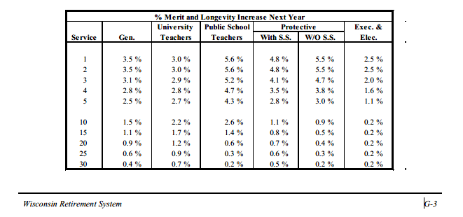
20 | 0.9% | 1.2% | 0.6% | 0.7% | 0.4% | 0.2% | 20 | 0.88%
25 | 0.6% | 0.9% | 0.3% | 0.6% | 0.3% | 0.2% | 25 | 0.60%
30 | 0.4% | 0.7% | 0.2% | 0.5% | 0.2% | 0.2% | 30 | 0.41%

TermRatesSched_SingleCol
TOC
startcell | B6
endcell | D14
Use whatever yos groupings or age groupings the plan has; yos grouping starts with 0
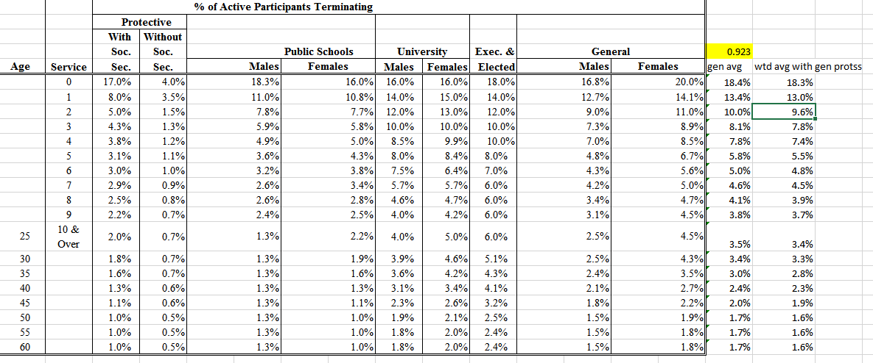
 |  | age | termrate
 |  | 25 | 0.03385
 |  | 30 | 0.03277
 |  | 35 | 0.02846
 |  | 40 | 0.02315
 |  | 45 | 0.01931
 |  | 50 | 0.01646
 |  | 55 | 0.01600
 |  | 60 | 0.01600

TermRates_raw
TOC

 |  | % of Active Participants Terminating
 |  | Protective
 |  | With | Without
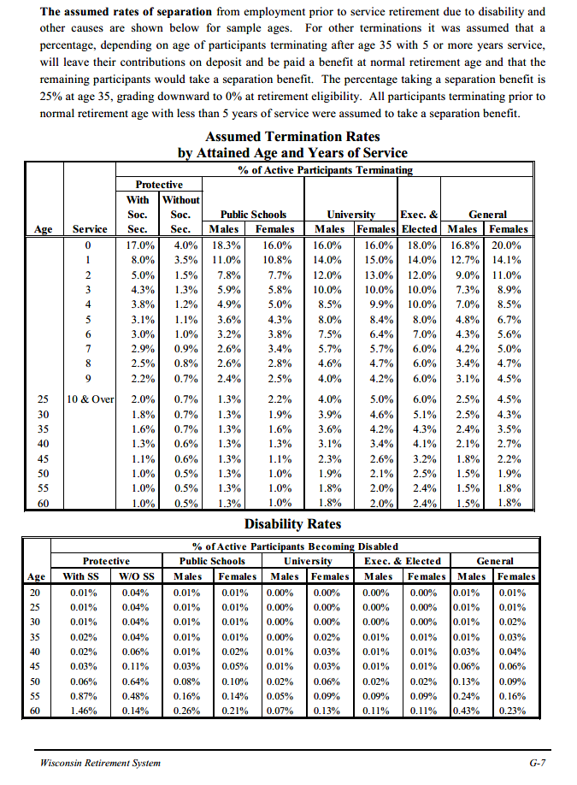
 |  | Soc. | Soc. | Public Schools |  | University |  | Exec. & | General |  | 0.923
Age | Service | Sec. | Sec. | Males | Females | Males | Females | Elected | Males | Females | gen avg | wtd avg with gen protss
 | 0 | 17.0% | 4.0% | 18.3% | 16.0% | 16.0% | 16.0% | 18.0% | 16.8% | 20.0% | 18.4% | 18.3%
 | 1 | 8.0% | 3.5% | 11.0% | 10.8% | 14.0% | 15.0% | 14.0% | 12.7% | 14.1% | 13.4% | 13.0%
 | 2 | 5.0% | 1.5% | 7.8% | 7.7% | 12.0% | 13.0% | 12.0% | 9.0% | 11.0% | 10.0% | 9.6%
 | 3 | 4.3% | 1.3% | 5.9% | 5.8% | 10.0% | 10.0% | 10.0% | 7.3% | 8.9% | 8.1% | 7.8%
 | 4 | 3.8% | 1.2% | 4.9% | 5.0% | 8.5% | 9.9% | 10.0% | 7.0% | 8.5% | 7.8% | 7.4%
 | 5 | 3.1% | 1.1% | 3.6% | 4.3% | 8.0% | 8.4% | 8.0% | 4.8% | 6.7% | 5.8% | 5.5%
 | 6 | 3.0% | 1.0% | 3.2% | 3.8% | 7.5% | 6.4% | 7.0% | 4.3% | 5.6% | 5.0% | 4.8%
 | 7 | 2.9% | 0.9% | 2.6% | 3.4% | 5.7% | 5.7% | 6.0% | 4.2% | 5.0% | 4.6% | 4.5%
 | 8 | 2.5% | 0.8% | 2.6% | 2.8% | 4.6% | 4.7% | 6.0% | 3.4% | 4.7% | 4.1% | 3.9%
 | 9 | 2.2% | 0.7% | 2.4% | 2.5% | 4.0% | 4.2% | 6.0% | 3.1% | 4.5% | 3.8% | 3.7%
25 | 10 & Over | 2.0% | 0.7% | 1.3% | 2.2% | 4.0% | 5.0% | 6.0% | 2.5% | 4.5% | 3.5% | 3.4%
30 |  | 1.8% | 0.7% | 1.3% | 1.9% | 3.9% | 4.6% | 5.1% | 2.5% | 4.3% | 3.4% | 3.3%
35 |  | 1.6% | 0.7% | 1.3% | 1.6% | 3.6% | 4.2% | 4.3% | 2.4% | 3.5% | 3.0% | 2.8%
40 |  | 1.3% | 0.6% | 1.3% | 1.3% | 3.1% | 3.4% | 4.1% | 2.1% | 2.7% | 2.4% | 2.3%
45 |  | 1.1% | 0.6% | 1.3% | 1.1% | 2.3% | 2.6% | 3.2% | 1.8% | 2.2% | 2.0% | 1.9%
50 |  | 1.0% | 0.5% | 1.3% | 1.0% | 1.9% | 2.1% | 2.5% | 1.5% | 1.9% | 1.7% | 1.6%
55 |  | 1.0% | 0.5% | 1.3% | 1.0% | 1.8% | 2.0% | 2.4% | 1.5% | 1.8% | 1.7% | 1.6%
60 |  | 1.0% | 0.5% | 1.3% | 1.0% | 1.8% | 2.0% | 2.4% | 1.5% | 1.8% | 1.7% | 1.6%

RetirementRates_raw
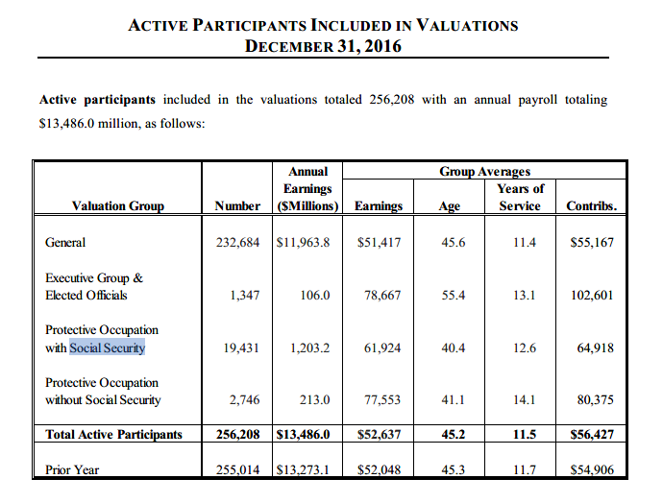
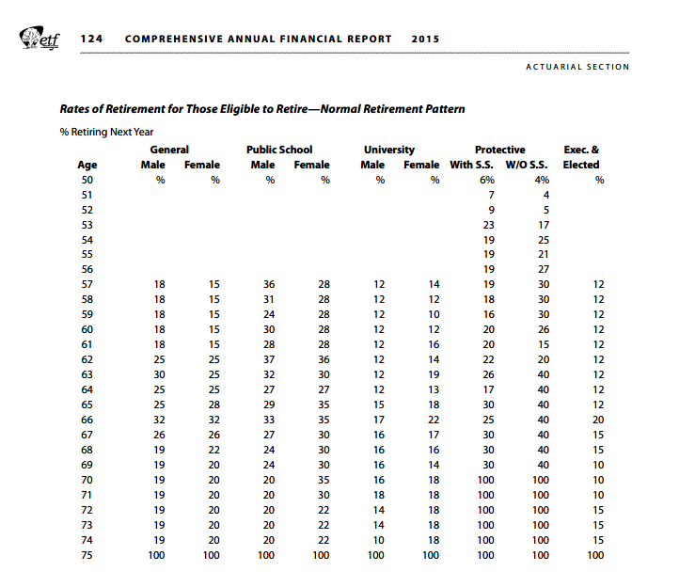
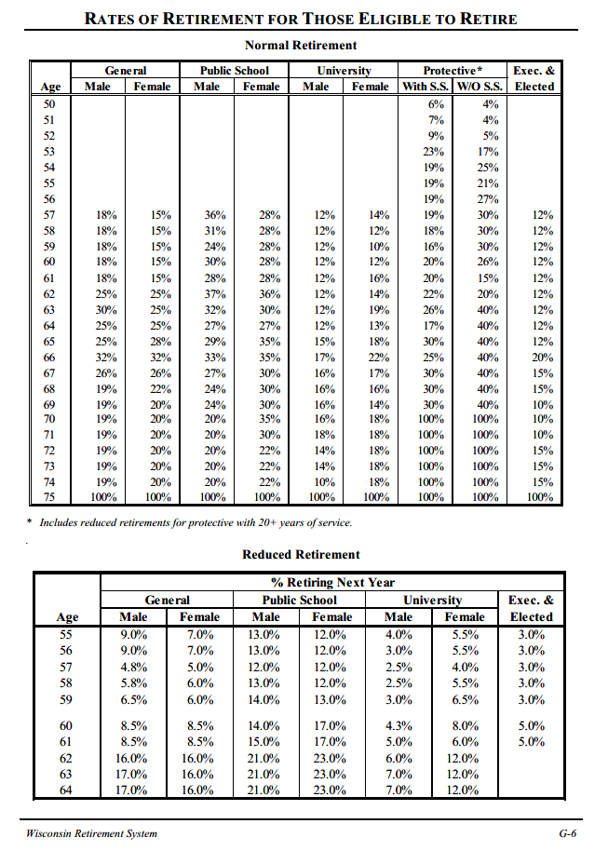
TOC
Normal retirement
 | General |  |  |  | Public School |  | University |  |  |  | Protective* |  |  |  | Exec. & | 0.923
Age | Male |  | Female |  | Male | Female | Male |  | Female |  | With S.S. |  | W/O S.S. |  | Elected | genavg | wtd avg with protectivess | reduced ER
50 |  |  |  |  |  |  |  |  |  |  | 6% |  | 4% |  |  |  | 0.46%
51 |  |  |  |  |  |  |  |  |  |  | 7% |  | 4% |  |  |  | 0.54%
52 |  |  |  |  |  |  |  |  |  |  | 9% |  | 5% |  |  |  | 0.69%
53 |  |  |  |  |  |  |  |  |  |  | 23% |  | 17% |  |  |  | 1.77%
54 |  |  |  |  |  |  |  |  |  |  | 19% |  | 25% |  |  |  | 1.46%
55 |  |  |  |  |  |  |  |  |  |  | 19% |  | 21% |  |  |  | 1.46% | 8.00%
56 |  |  |  |  |  |  |  |  |  |  | 19% |  | 27% |  |  |  | 1.46% | 8.00%
57 | 18% |  | 15% |  | 36% | 28% | 12% |  | 14% |  | 19% |  | 30% |  | 12% | 16.50% | 16.69% | 4.90%
58 | 18% |  | 15% |  | 31% | 28% | 12% |  | 12% |  | 18% |  | 30% |  | 12% | 16.50% | 16.62% | 5.90%
59 | 18% |  | 15% |  | 24% | 28% | 12% |  | 10% |  | 16% |  | 30% |  | 12% | 16.50% | 16.46% | 6.25%
60 | 18% |  | 15% |  | 30% | 28% | 12% |  | 12% |  | 20% |  | 26% |  | 12% | 16.50% | 16.77% | 8.50%
61 | 18% |  | 15% |  | 28% | 28% | 12% |  | 16% |  | 20% |  | 15% |  | 12% | 16.50% | 16.77% | 8.50%
62 | 25% |  | 25% |  | 37% | 36% | 12% |  | 14% |  | 22% |  | 20% |  | 12% | 25.00% | 24.77% | 16.00%
63 | 30% |  | 25% |  | 32% | 30% | 12% |  | 19% |  | 26% |  | 40% |  | 12% | 27.50% | 27.38% | 16.50%
64 | 25% |  | 25% |  | 27% | 27% | 12% |  | 13% |  | 17% |  | 40% |  | 12% | 25.00% | 24.38% | 16.50%
65 | 25% |  | 28% |  | 29% | 35% | 15% |  | 18% |  | 30% |  | 40% |  | 12% | 26.50% | 26.77%
66 | 32% |  | 32% |  | 33% | 35% | 17% |  | 22% |  | 25% |  | 40% |  | 20% | 32.00% | 31.46%
67 | 26% |  | 26% |  | 27% | 30% | 16% |  | 17% |  | 30% |  | 40% |  | 15% | 26.00% | 26.31%
68 | 19% |  | 22% |  | 24% | 30% | 16% |  | 16% |  | 30% |  | 40% |  | 15% | 20.50% | 21.23%
69 | 19% |  | 20% |  | 24% | 30% | 16% |  | 14% |  | 30% |  | 40% |  | 10% | 19.50% | 20.31%
70 | 19% |  | 20% |  | 20% | 35% | 16% |  | 18% |  | 100% |  | 100% |  | 10% | 19.50% | 25.70%
71 | 19% |  | 20% |  | 20% | 30% | 18% |  | 18% |  | 100% |  | 100% |  | 10% | 19.50% | 25.70%
72 | 19% |  | 20% |  | 20% | 22% | 14% |  | 18% |  | 100% |  | 100% |  | 15% | 19.50% | 25.70%
73 | 19% |  | 20% |  | 20% | 22% | 14% |  | 18% |  | 100% |  | 100% |  | 15% | 19.50% | 25.70%
74 | 19% |  | 20% |  | 20% | 22% | 10% |  | 18% |  | 100% |  | 100% |  | 15% | 19.50% | 25.70%
75 | 100% |  | 100% |  | 100% | 100% | 100% |  | 100% |  | 100% |  | 100% |  | 100% | 100.00% | 100.00%
* Includes reduced retirements for protective with 20+ years of service.
.
Reduced Retirement
 |  | % Retiring Next Year
 |  | General |  |  |  | Public School |  |  |  | University |  |  |  | Exec. &
Age |  | Male |  | Female |  | Male |  | Female |  | Male |  | Female |  | Elected |  | general avg
55 |  | 9.0% |  | 7.0% |  | 13.0% |  | 12.0% |  | 4.0% |  | 5.5% |  | 3.0% |  | 8.00%
56 |  | 9.0% |  | 7.0% |  | 13.0% |  | 12.0% |  | 3.0% |  | 5.5% |  | 3.0% |  | 8.00%
57 |  | 4.8% |  | 5.0% |  | 12.0% |  | 12.0% |  | 2.5% |  | 4.0% |  | 3.0% |  | 4.90%
58 |  | 5.8% |  | 6.0% |  | 13.0% |  | 12.0% |  | 2.5% |  | 5.5% |  | 3.0% |  | 5.90%
59 |  | 6.5% |  | 6.0% |  | 14.0% |  | 13.0% |  | 3.0% |  | 6.5% |  | 3.0% |  | 6.25%
60 |  | 8.5% |  | 8.5% |  | 14.0% |  | 17.0% |  | 4.3% |  | 8.0% |  | 5.0% |  | 8.50%
61 |  | 8.5% |  | 8.5% |  | 15.0% |  | 17.0% |  | 5.0% |  | 6.0% |  | 5.0% |  | 8.50%
62 |  | 16.0% |  | 16.0% |  | 21.0% |  | 23.0% |  | 6.0% |  | 12.0% |  |  |  | 16.00%
63 |  | 17.0% |  | 16.0% |  | 21.0% |  | 23.0% |  | 7.0% |  | 12.0% |  |  |  | 16.50%
64 |  | 17.0% |  | 16.0% |  | 21.0% |  | 23.0% |  | 7.0% |  | 12.0% |  |  |  | 16.50%

MortalityInfo
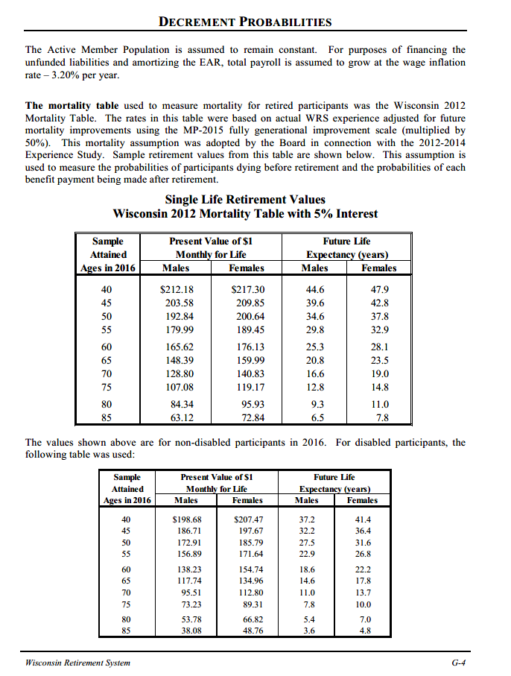
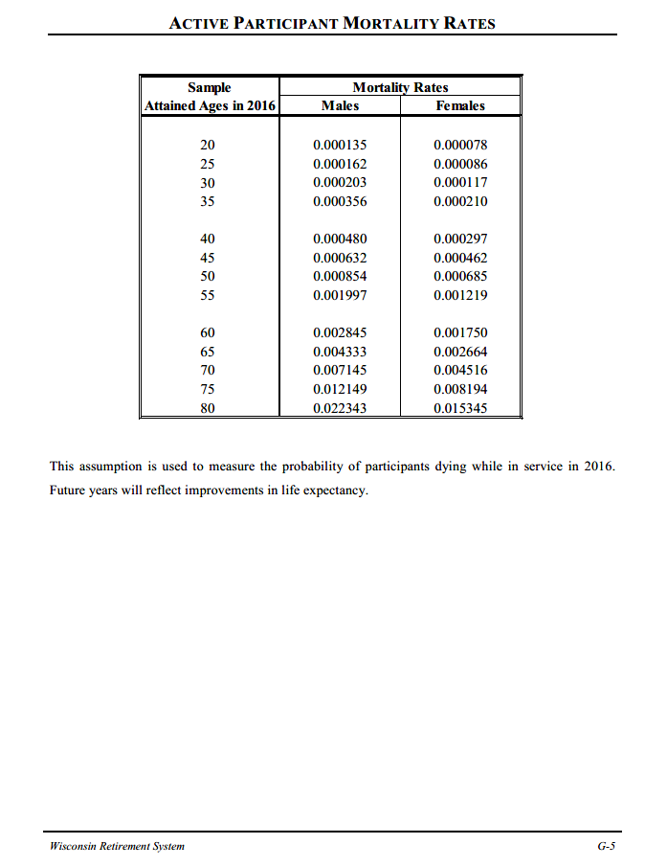
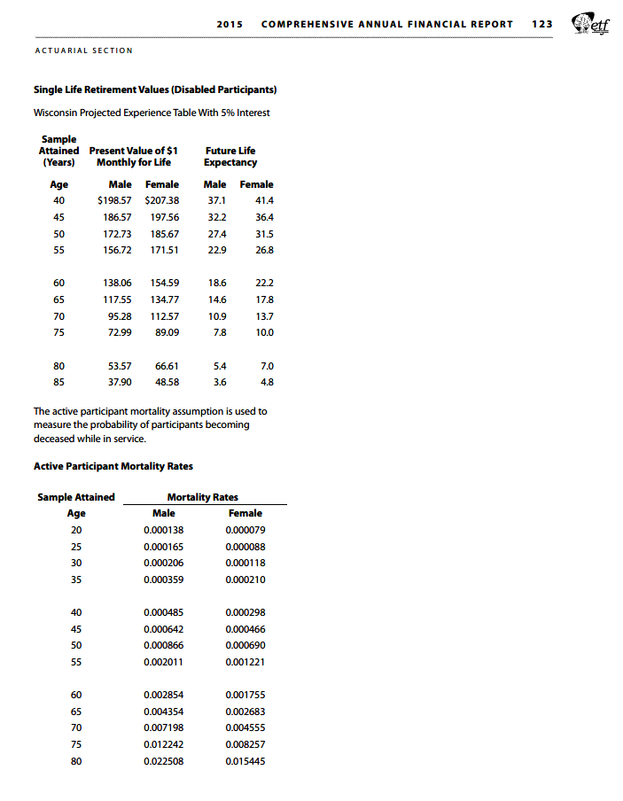
TOC
 | Screenshots of assumptions about mortality tables
 | We want to know table and scaling used

