singleValuesScreenshots
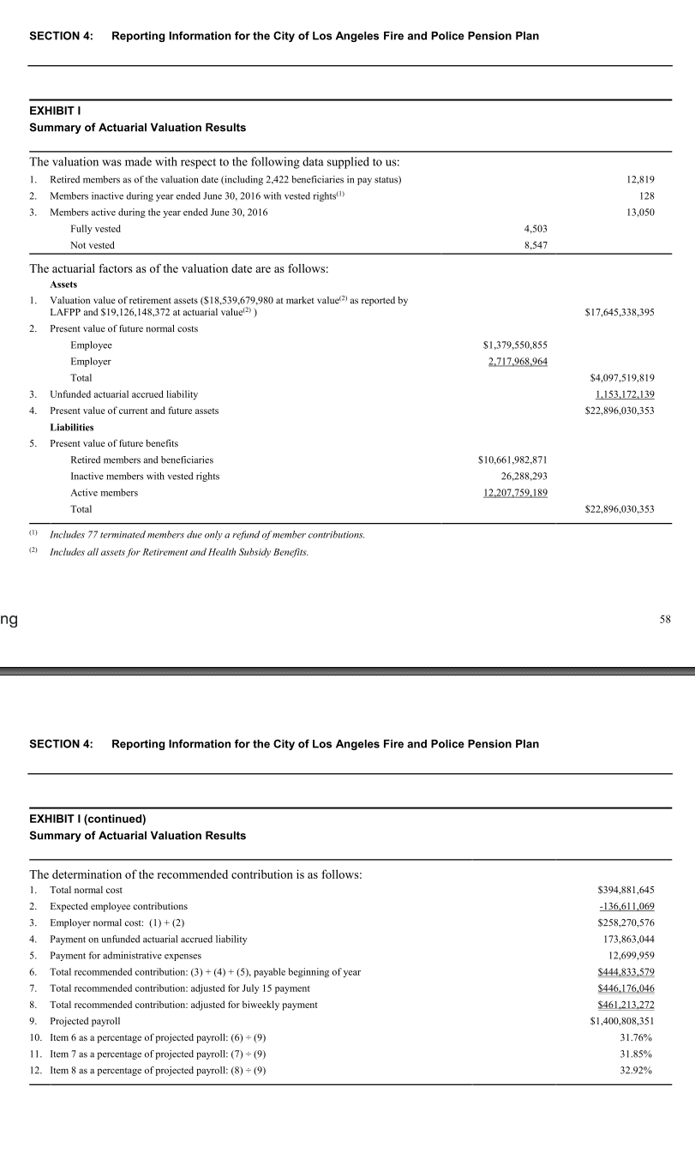
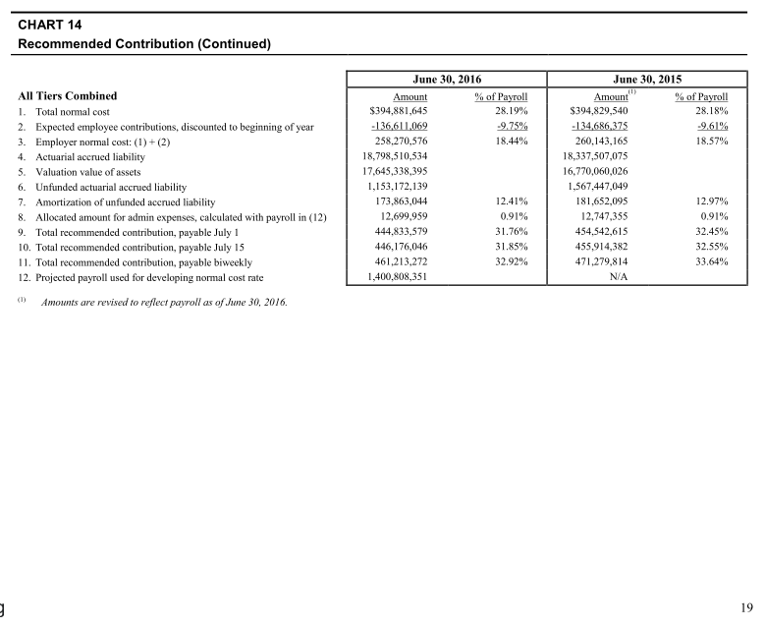
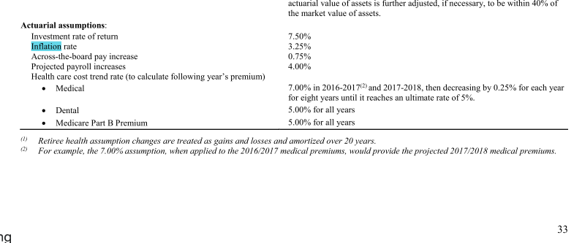
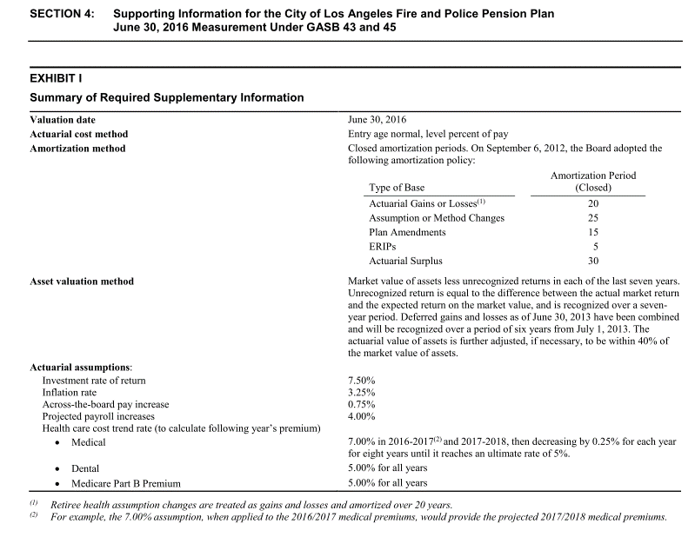
TOC

SalaryGrowth_raw
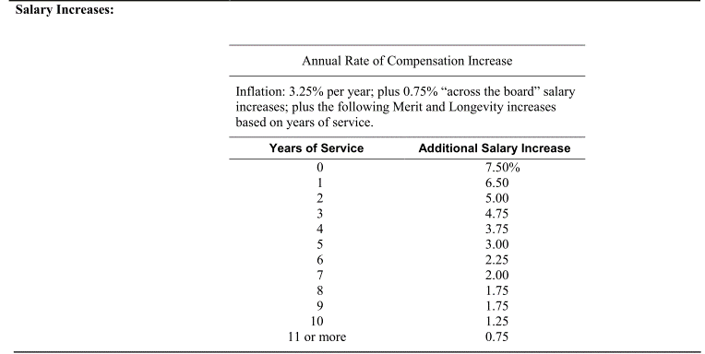
TOC

 | Years of Service | Additional Salary Increase
 | yos | salgrowth
 | 0 | 7.50% | 11.50%
 | 1 | 6.50% | 10.50%
 | 2 | 5.00% | 9.00%
 | 3 | 4.75% | 8.75%
 | 4 | 3.75% | 7.75%
 | 5 | 3.00% | 7.00%
 | 6 | 2.25% | 6.25%
 | 7 | 2.00% | 6.00%
 | 8 | 1.75% | 5.75%
 | 9 | 1.75% | 5.75%
 | 10 | 1.25% | 5.25%
 | 11 | 0.75% | 4.75%

TermRates_raw
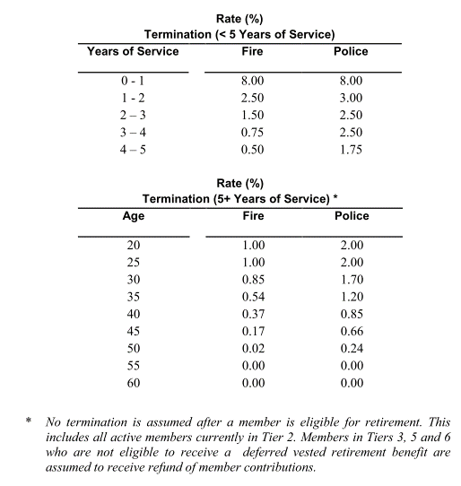
TOC

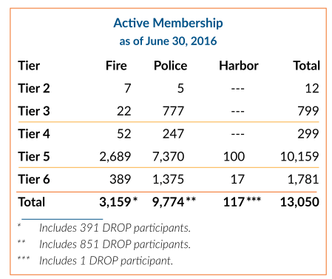
 | yos | qxt.fire.yos | qxt.plc.yos |  |  | age | qxt.fire.age | qxt.plc.age
 | 0 | 8.0% | 8.0% | 8.0% |  | 20 | 1.00% | 2.00% | 1.76%
 | 1 | 2.5% | 3.0% | 2.9% |  | 25 | 1.00% | 2.00% | 1.76%
 | 2 | 1.5% | 2.5% | 2.3% |  | 30 | 0.85% | 1.70% | 1.49%
 | 3 | 0.75% | 2.5% | 2.1% |  | 35 | 0.54% | 1.20% | 1.04%
 | 4 | 0.5% | 1.75% | 1.4% |  | 40 | 0.37% | 0.85% | 0.73%
 |  |  |  |  |  | 45 | 0.17% | 0.66% | 0.54%
 |  |  |  |  |  | 50 | 0.02% | 0.24% | 0.19%
 |  |  |  |  |  | 55 | 0.00% | 0.00% | 0.00%
 |  |  |  |  |  | 60 | 0.00% | 0.00% | 0.00%

 | tier | n.fire | n.plc | n.harbor | year
 | t1 | 0 | 0 | 0 | 2015
 | t2 | 7 | 5 | 0 | 2015
 | t3 | 22 | 777 | 0 | 2015
 | t4 | 52 | 247 | 0 | 2015
 | t5 | 2689 | 7370 | 100 | 2015
 | t6 | 389 | 1375 | 17 | 2015
 | total | 3159 | 9774 | 117
 | pct(fire and police only) | 24.43% | 75.57%

MortalityInfo
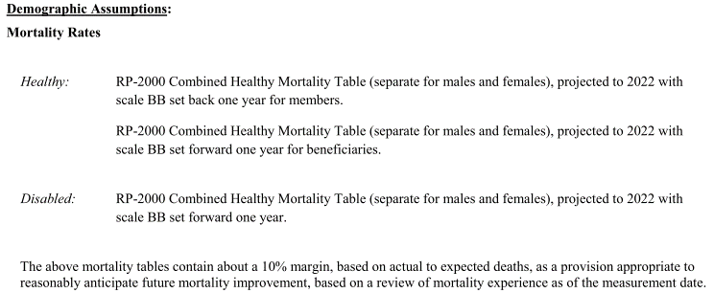
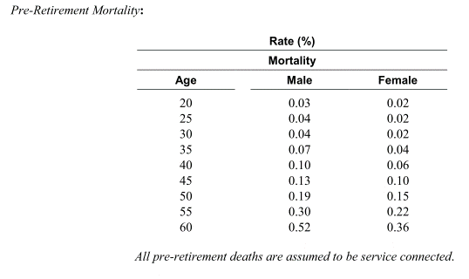
TOC
 | Screenshots of assumptions about mortality tables
 | We want to know table and scaling used

