singleValuesScreenshots
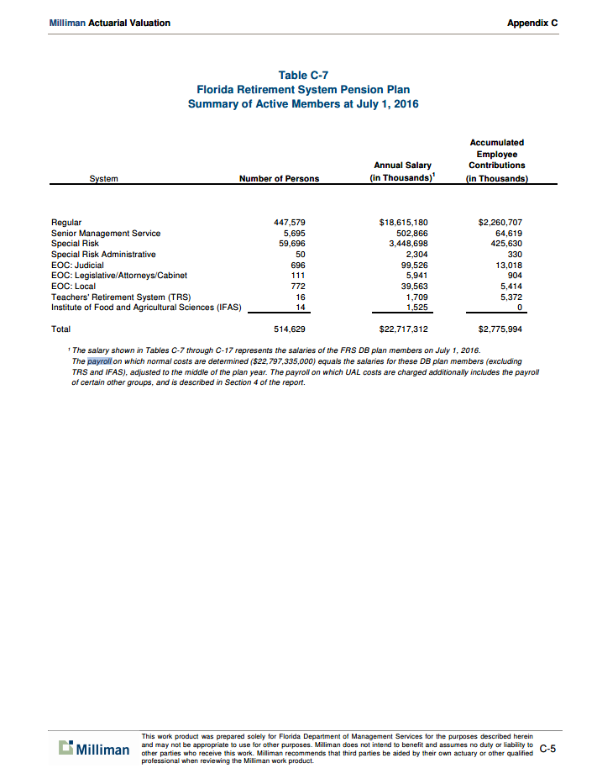
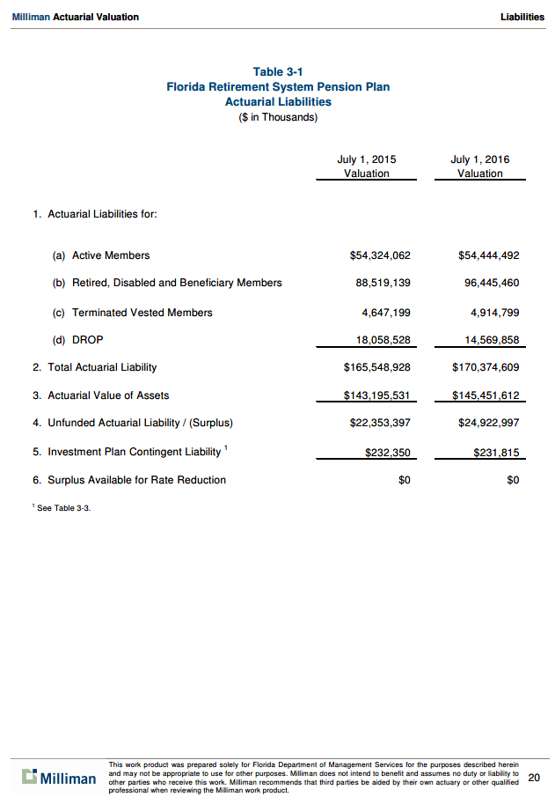
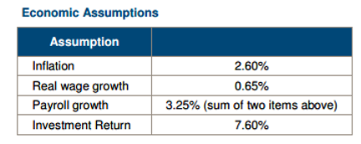
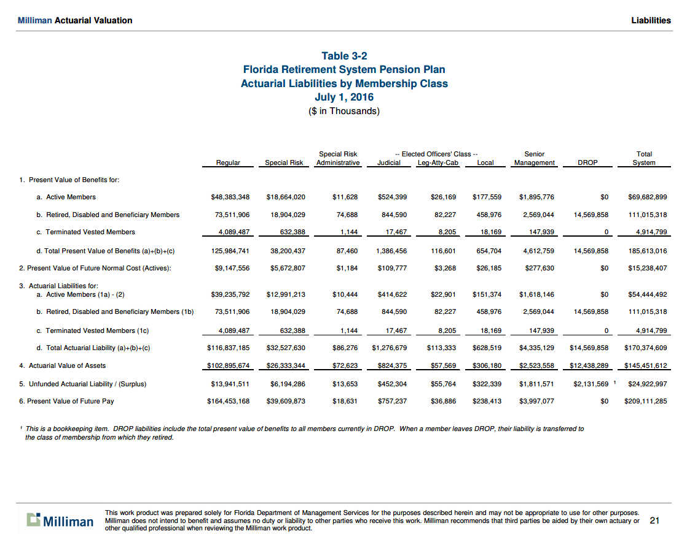
TOC
 | regular | 447,579 | 88.2%
 | special risk | 59,696 | 11.8%
 |  | 507,275 | 100.0%

erc_rule

TOC

ActivesSched
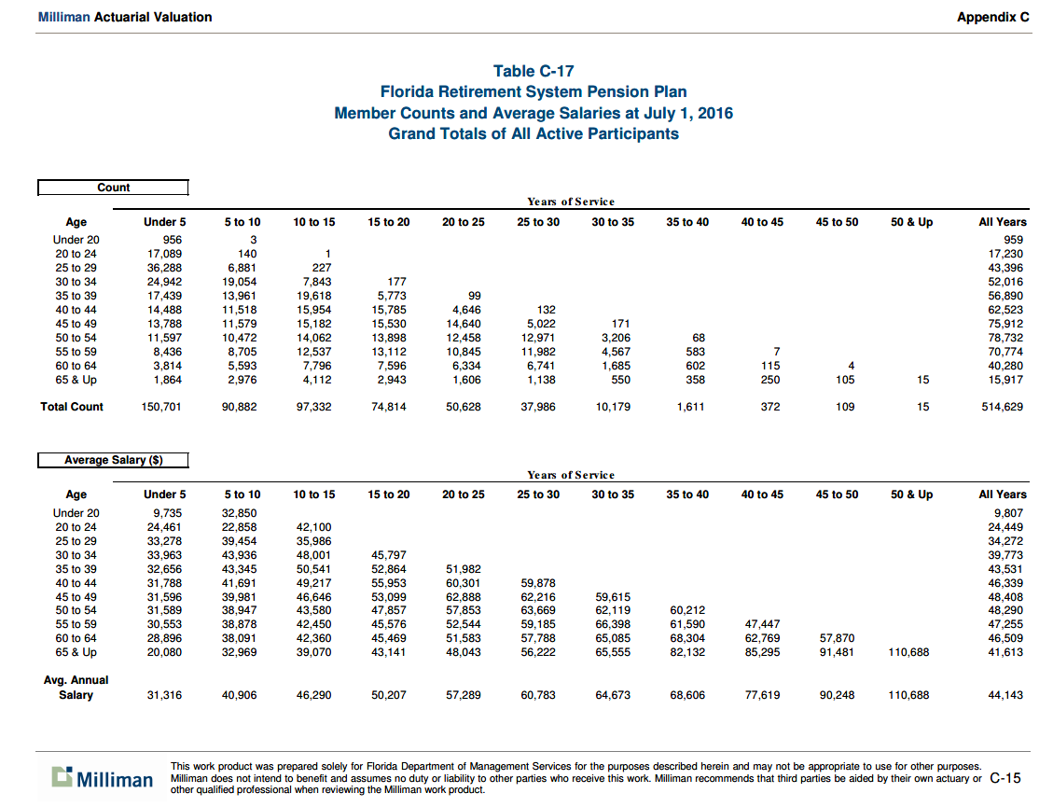
TOC
startcell | B9 | location of word "type"
endcell | O33 | location of lower-right number in table, an actual cell, NOT a total row/column

 |  |  |  | Years of service
 |  |  | FRS text-> | Under 5 | 5 to 10 | 10 to 15 | 15 to 20 | 20 to 25 | 25 to 30 | 30 to 35 | 35 to 40 | 40 to 45 | 45 to 50 | 50 & Up
 |  |  | my group | 0-4 | 5-9 | 10-14 | 15-19 | 20-24 | 25-39 | 30-34 | 35-39 | 40-44 | 45-49 | 50+
 | type | age.cell | agegrp | 2 | 7 | 12 | 17 | 22 | 27 | 32 | 37 | 42 | 47 | 52
Age | yosgrp |  |  | 0-4 | 5-9 | 10-14 | 15-19 | 20-24 | 25-29 | 30-34 | 35-39 | 40-44 | 45-49 | 50-54
Under 20 | nactives | 18 | 17-19 | 956 | 3
20 to 24 | nactives | 22 | 20-24 | 17089 | 140 | 1
25 to 29 | nactives | 27 | 25-29 | 36288 | 6881 | 227
30 to 34 | nactives | 32 | 30-34 | 24942 | 19054 | 7843 | 177
35 to 39 | nactives | 37 | 35-39 | 17439 | 13961 | 19618 | 5773 | 99
40 to 44 | nactives | 42 | 40-44 | 14488 | 11518 | 15954 | 15785 | 4646 | 132
45 to 49 | nactives | 47 | 45-49 | 13788 | 11579 | 15182 | 15530 | 14640 | 5022 | 171
50 to 54 | nactives | 52 | 50-54 | 11597 | 10472 | 14062 | 13898 | 12458 | 12971 | 3206 | 68
55 to 59 | nactives | 57 | 55-59 | 8436 | 8705 | 12537 | 13112 | 10845 | 11982 | 4567 | 583 | 7
60 to 64 | nactives | 62 | 60-64 | 3814 | 5593 | 7796 | 7596 | 6334 | 6741 | 1685 | 602 | 115 | 4
65 & Up | nactives | 67 | 65-69 | 1864 | 2976 | 4112 | 2943 | 1606 | 1138 | 550 | 358 | 250 | 105 | 15

Under 20 | salary | 18 | 17-19 | 9735 | 32850
20 to 24 | salary | 22 | 20-24 | 24461 | 22858 | 42100
25 to 29 | salary | 27 | 25-29 | 33278 | 39454 | 35986
30 to 34 | salary | 32 | 30-34 | 33963 | 43936 | 48001 | 45797
35 to 39 | salary | 37 | 35-39 | 32656 | 43345 | 50541 | 52864 | 51982
40 to 44 | salary | 42 | 40-44 | 31788 | 41691 | 49217 | 55953 | 60301 | 59878
45 to 49 | salary | 47 | 45-49 | 31596 | 39981 | 46646 | 53099 | 62888 | 62216 | 59615
50 to 54 | salary | 52 | 50-54 | 31589 | 38947 | 43580 | 47857 | 57853 | 63669 | 62119 | 60212
55 to 59 | salary | 57 | 55-59 | 30553 | 38878 | 42450 | 45576 | 52544 | 59185 | 66398 | 61590 | 47447
60 to 64 | salary | 62 | 60-64 | 28896 | 38091 | 42360 | 45469 | 51583 | 57788 | 65085 | 68304 | 62769 | 57870
65 & Up | salary | 67 | 65-69 | 20080 | 32969 | 39070 | 43141 | 48043 | 56222 | 65555 | 82132 | 85295 | 91481 | 110688

Actives_raw
TOC

Count | Years of service
Age | Under 5 | 5 to 10 | 10 to 15 | 15 to 20 | 20 to 25 | 25 to 30 | 30 to 35 | 35 to 40 | 40 to 45 | 45 to 50 | 50 & Up | All Years
Under 20 | 956 | 3 |  |  |  |  |  |  |  |  |  | 959
20 to 24 | 17,089 | 140 | 1 |  |  |  |  |  |  |  |  | 17,230
25 to 29 | 36,288 | 6,881 | 227 |  |  |  |  |  |  |  |  | 43,396
30 to 34 | 24,942 | 19,054 | 7,843 | 177 |  |  |  |  |  |  |  | 52,016
35 to 39 | 17,439 | 13,961 | 19,618 | 5,773 | 99 |  |  |  |  |  |  | 56,890
40 to 44 | 14,488 | 11,518 | 15,954 | 15,785 | 4,646 | 132 |  |  |  |  |  | 62,523
45 to 49 | 13,788 | 11,579 | 15,182 | 15,530 | 14,640 | 5,022 | 171 |  |  |  |  | 75,912
50 to 54 | 11,597 | 10,472 | 14,062 | 13,898 | 12,458 | 12,971 | 3,206 | 68 |  |  |  | 78,732
55 to 59 | 8,436 | 8,705 | 12,537 | 13,112 | 10,845 | 11,982 | 4,567 | 583 | 7 |  |  | 70,774
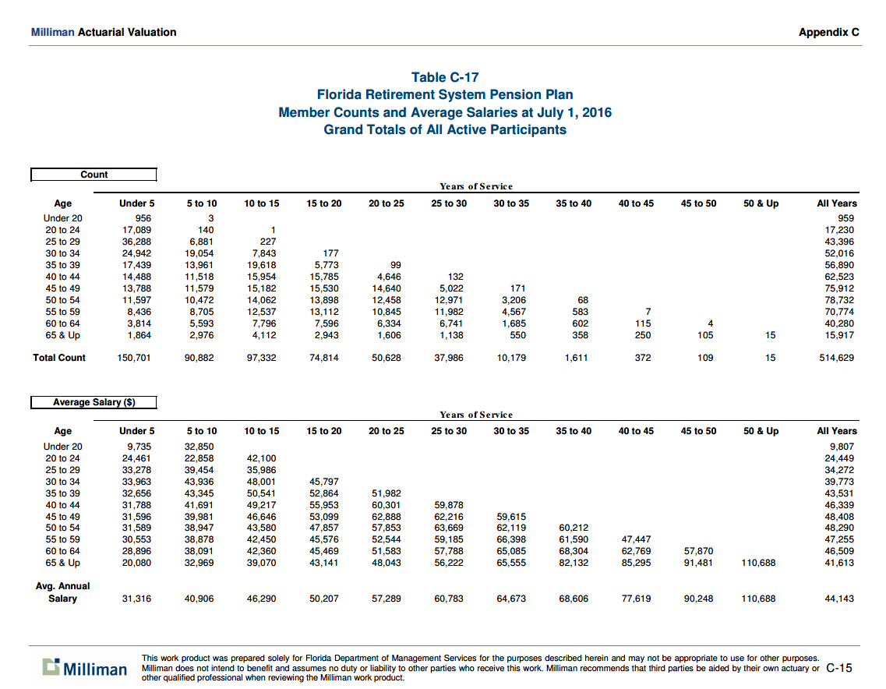
60 to 64 | 3,814 | 5,593 | 7,796 | 7,596 | 6,334 | 6,741 | 1,685 | 602 | 115 | 4 |  | 40,280
65 & Up | 1,864 | 2,976 | 4,112 | 2,943 | 1,606 | 1,138 | 550 | 358 | 250 | 105 | 15 | 15,917
Total Count | 150,701 | 90,882 | 97,332 | 74,814 | 50,628 | 37,986 | 10,179 | 1,611 | 372 | 109 | 15 | 514,629
 |  |  |  |  |  |  |  |  |  |  |  | 514,629
Average Salary ($)
 | Years of service
Age | Under 5 | 5 to 10 | 10 to 15 | 15 to 20 | 20 to 25 | 25 to 30 | 30 to 35 | 35 to 40 | 40 to 45 | 45 to 50 | 50 & Up | All Years
Under 20 | 9,735 | 32,850 |  |  |  |  |  |  |  |  |  | 9,807
20 to 24 | 24,461 | 22,858 | 42,100 |  |  |  |  |  |  |  |  | 24,449
25 to 29 | 33,278 | 39,454 | 35,986 |  |  |  |  |  |  |  |  | 34,272
30 to 34 | 33,963 | 43,936 | 48,001 | 45,797 |  |  |  |  |  |  |  | 39,773
35 to 39 | 32,656 | 43,345 | 50,541 | 52,864 | 51,982 |  |  |  |  |  |  | 43,531
40 to 44 | 31,788 | 41,691 | 49,217 | 55,953 | 60,301 | 59,878 |  |  |  |  |  | 46,339
45 to 49 | 31,596 | 39,981 | 46,646 | 53,099 | 62,888 | 62,216 | 59,615 |  |  |  |  | 48,408
50 to 54 | 31,589 | 38,947 | 43,580 | 47,857 | 57,853 | 63,669 | 62,119 | 60,212 |  |  |  | 48,290
55 to 59 | 30,553 | 38,878 | 42,450 | 45,576 | 52,544 | 59,185 | 66,398 | 61,590 | 47,447 |  |  | 47,255
60 to 64 | 28,896 | 38,091 | 42,360 | 45,469 | 51,583 | 57,788 | 65,085 | 68,304 | 62,769 | 57,870 |  | 46,509
65 & Up | 20,080 | 32,969 | 39,070 | 43,141 | 48,043 | 56,222 | 65,555 | 82,132 | 85,295 | 91,481 | 110,688 | 41,613
Avg. Annual Salary | 31,316 | 40,906 | 46,290 | 50,207 | 57,289 | 60,783 | 64,673 | 68,606 | 77,619 | 90,248 | 110,688 | 44,143

 |  |  |  |  |  |  |  |  |  |  | payroll | 22,717,267,947

RetireesSched
TOC
startcell | B9 | cell with "agegrp"
endcell | E17 | lower right data cell
benperiod | annual
name_N | nretirees
name_V | benefit
Note: | "benefit" should be annual benefits.
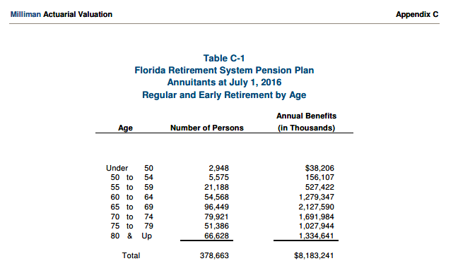
 | agegrp | age.cell | N | V
40-49 | 40-49 | 45 | 2948 | 12960
50-54 | 50-54 | 52 | 5575 | 28001
55-59 | 55-59 | 57 | 21188 | 24892
60-64 | 60-64 | 62 | 54568 | 23445
65-69 | 65-69 | 67 | 96449 | 22059
70-74 | 70-74 | 72 | 79921 | 21171
75-79 | 75-79 | 77 | 51386 | 20004
80+ | 80-84 | 82 | 66628 | 20031

SalaryGrowth_raw
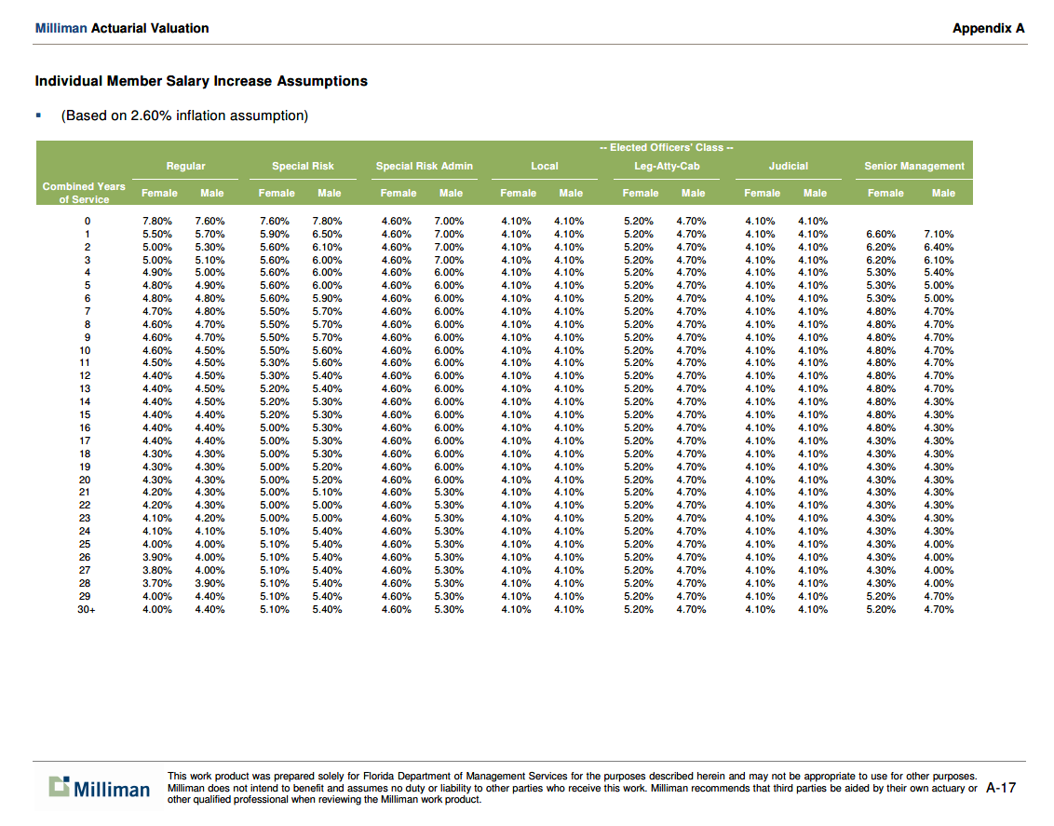
TOC
 |  |  |  |  |  |  |  |  |  |  |  |  |  |  | 88.2%
 | regular | regular | specrisk | specrisk | specriskadm | specriskadm | local | local | elected | elected | judic | judic | srmgt | srmgt | regular | specrisk | weighted
yos | female | male | female | male | female | male | female | male | female | male | female | male | female | male | average | average | average
0 | 7.80% | 7.60% | 7.60% | 7.80% | 4.60% | 7.00% | 4.10% | 4.10% | 5.20% | 4.70% | 4.10% | 4.10% |  |  | 7.70% | 7.70% | 7.700%
1 | 5.50% | 5.70% | 5.90% | 6.50% | 4.60% | 7.00% | 4.10% | 4.10% | 5.20% | 4.70% | 4.10% | 4.10% | 6.60% | 7.10% | 5.60% | 6.20% | 5.671%
2 | 5.00% | 5.30% | 5.60% | 6.10% | 4.60% | 7.00% | 4.10% | 4.10% | 5.20% | 4.70% | 4.10% | 4.10% | 6.20% | 6.40% | 5.15% | 5.85% | 5.233%
3 | 5.00% | 5.10% | 5.60% | 6.00% | 4.60% | 7.00% | 4.10% | 4.10% | 5.20% | 4.70% | 4.10% | 4.10% | 6.20% | 6.10% | 5.05% | 5.80% | 5.139%
4 | 4.90% | 5.00% | 5.60% | 6.00% | 4.60% | 6.00% | 4.10% | 4.10% | 5.20% | 4.70% | 4.10% | 4.10% | 5.30% | 5.40% | 4.95% | 5.80% | 5.050%
5 | 4.80% | 4.90% | 5.60% | 6.00% | 4.60% | 6.00% | 4.10% | 4.10% | 5.20% | 4.70% | 4.10% | 4.10% | 5.30% | 5.00% | 4.85% | 5.80% | 4.962%
6 | 4.80% | 4.80% | 5.60% | 5.90% | 4.60% | 6.00% | 4.10% | 4.10% | 5.20% | 4.70% | 4.10% | 4.10% | 5.30% | 5.00% | 4.80% | 5.75% | 4.912%
7 | 4.70% | 4.80% | 5.50% | 5.70% | 4.60% | 6.00% | 4.10% | 4.10% | 5.20% | 4.70% | 4.10% | 4.10% | 4.80% | 4.70% | 4.75% | 5.60% | 4.850%
8 | 4.60% | 4.70% | 5.50% | 5.70% | 4.60% | 6.00% | 4.10% | 4.10% | 5.20% | 4.70% | 4.10% | 4.10% | 4.80% | 4.70% | 4.65% | 5.60% | 4.762%
9 | 4.60% | 4.70% | 5.50% | 5.70% | 4.60% | 6.00% | 4.10% | 4.10% | 5.20% | 4.70% | 4.10% | 4.10% | 4.80% | 4.70% | 4.65% | 5.60% | 4.762%
10 | 4.60% | 4.50% | 5.50% | 5.60% | 4.60% | 6.00% | 4.10% | 4.10% | 5.20% | 4.70% | 4.10% | 4.10% | 4.80% | 4.70% | 4.55% | 5.55% | 4.668%
11 | 4.50% | 4.50% | 5.30% | 5.60% | 4.60% | 6.00% | 4.10% | 4.10% | 5.20% | 4.70% | 4.10% | 4.10% | 4.80% | 4.70% | 4.50% | 5.45% | 4.612%
12 | 4.40% | 4.50% | 5.30% | 5.40% | 4.60% | 6.00% | 4.10% | 4.10% | 5.20% | 4.70% | 4.10% | 4.10% | 4.80% | 4.70% | 4.45% | 5.35% | 4.556%
13 | 4.40% | 4.50% | 5.20% | 5.40% | 4.60% | 6.00% | 4.10% | 4.10% | 5.20% | 4.70% | 4.10% | 4.10% | 4.80% | 4.70% | 4.45% | 5.30% | 4.550%
14 | 4.40% | 4.50% | 5.20% | 5.30% | 4.60% | 6.00% | 4.10% | 4.10% | 5.20% | 4.70% | 4.10% | 4.10% | 4.80% | 4.30% | 4.45% | 5.25% | 4.544%
15 | 4.40% | 4.40% | 5.20% | 5.30% | 4.60% | 6.00% | 4.10% | 4.10% | 5.20% | 4.70% | 4.10% | 4.10% | 4.80% | 4.30% | 4.40% | 5.25% | 4.500%
16 | 4.40% | 4.40% | 5.00% | 5.30% | 4.60% | 6.00% | 4.10% | 4.10% | 5.20% | 4.70% | 4.10% | 4.10% | 4.80% | 4.30% | 4.40% | 5.15% | 4.488%
17 | 4.40% | 4.40% | 5.00% | 5.30% | 4.60% | 6.00% | 4.10% | 4.10% | 5.20% | 4.70% | 4.10% | 4.10% | 4.30% | 4.30% | 4.40% | 5.15% | 4.488%
18 | 4.30% | 4.30% | 5.00% | 5.30% | 4.60% | 6.00% | 4.10% | 4.10% | 5.20% | 4.70% | 4.10% | 4.10% | 4.30% | 4.30% | 4.30% | 5.15% | 4.400%
19 | 4.30% | 4.30% | 5.00% | 5.20% | 4.60% | 6.00% | 4.10% | 4.10% | 5.20% | 4.70% | 4.10% | 4.10% | 4.30% | 4.30% | 4.30% | 5.10% | 4.394%
20 | 4.30% | 4.30% | 5.00% | 5.20% | 4.60% | 6.00% | 4.10% | 4.10% | 5.20% | 4.70% | 4.10% | 4.10% | 4.30% | 4.30% | 4.30% | 5.10% | 4.394%
21 | 4.20% | 4.30% | 5.00% | 5.10% | 4.60% | 5.30% | 4.10% | 4.10% | 5.20% | 4.70% | 4.10% | 4.10% | 4.30% | 4.30% | 4.25% | 5.05% | 4.344%
22 | 4.20% | 4.30% | 5.00% | 5.00% | 4.60% | 5.30% | 4.10% | 4.10% | 5.20% | 4.70% | 4.10% | 4.10% | 4.30% | 4.30% | 4.25% | 5.00% | 4.339%
23 | 4.10% | 4.20% | 5.00% | 5.00% | 4.60% | 5.30% | 4.10% | 4.10% | 5.20% | 4.70% | 4.10% | 4.10% | 4.30% | 4.30% | 4.15% | 5.00% | 4.250%
24 | 4.10% | 4.10% | 5.10% | 5.40% | 4.60% | 5.30% | 4.10% | 4.10% | 5.20% | 4.70% | 4.10% | 4.10% | 4.30% | 4.30% | 4.10% | 5.25% | 4.236%
25 | 4.00% | 4.00% | 5.10% | 5.40% | 4.60% | 5.30% | 4.10% | 4.10% | 5.20% | 4.70% | 4.10% | 4.10% | 4.30% | 4.00% | 4.00% | 5.25% | 4.148%
26 | 3.90% | 4.00% | 5.10% | 5.40% | 4.60% | 5.30% | 4.10% | 4.10% | 5.20% | 4.70% | 4.10% | 4.10% | 4.30% | 4.00% | 3.95% | 5.25% | 4.103%
27 | 3.80% | 4.00% | 5.10% | 5.40% | 4.60% | 5.30% | 4.10% | 4.10% | 5.20% | 4.70% | 4.10% | 4.10% | 4.30% | 4.00% | 3.90% | 5.25% | 4.059%
28 | 3.70% | 3.90% | 5.10% | 5.40% | 4.60% | 5.30% | 4.10% | 4.10% | 5.20% | 4.70% | 4.10% | 4.10% | 4.30% | 4.00% | 3.80% | 5.25% | 3.971%
29 | 4.00% | 4.40% | 5.10% | 5.40% | 4.60% | 5.30% | 4.10% | 4.10% | 5.20% | 4.70% | 4.10% | 4.10% | 5.20% | 4.70% | 4.20% | 5.25% | 4.324%
30+ | 4.00% | 4.40% | 5.10% | 5.40% | 4.60% | 5.30% | 4.10% | 4.10% | 5.20% | 4.70% | 4.10% | 4.10% | 5.20% | 4.70% | 4.20% | 5.25% | 4.324%

TermRates_raw
TOC
 | regular male
yos | 20 | 25 | 30 | 35 | 40 | 45 | 50 | 55 | 60 | 65
0 | 32.80% | 27.20% | 25.80% | 25.80% | 24.40% | 24.40% | 23.40% | 27.40% | 27.40% | 27.40%
1 | 25.40% | 18.50% | 15.40% | 14.30% | 12.60% | 12.50% | 12.20% | 12.20% | 12.20% | 12.20%
2 | 22.70% | 17.20% | 14.00% | 12.80% | 12.00% | 11.60% | 10.70% | 10.70% | 10.70% | 10.70%
3 | 18.40% | 14.60% | 13.20% | 12.60% | 10.70% | 10.30% | 9.40% | 9.30% | 9.30% | 9.30%
4 | 15.80% | 12.70% | 11.80% | 10.90% | 9.00% | 8.80% | 7.90% | 7.80% | 7.80% | 7.80%
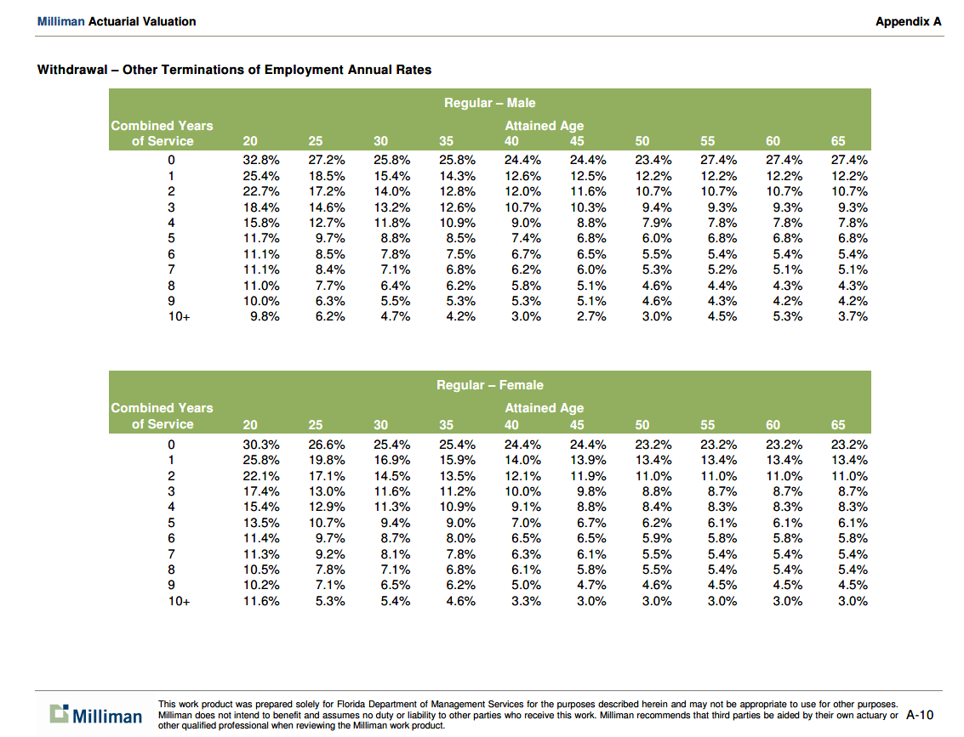
5 | 11.70% | 9.70% | 8.80% | 8.50% | 7.40% | 6.80% | 6.00% | 6.80% | 6.80% | 6.80%
6 | 11.10% | 8.50% | 7.80% | 7.50% | 6.70% | 6.50% | 5.50% | 5.40% | 5.40% | 5.40%
7 | 11.10% | 8.40% | 7.10% | 6.80% | 6.20% | 6.00% | 5.30% | 5.20% | 5.10% | 5.10%
8 | 11.00% | 7.70% | 6.40% | 6.20% | 5.80% | 5.10% | 4.60% | 4.40% | 4.30% | 4.30%
9 | 10.00% | 6.30% | 5.50% | 5.30% | 5.30% | 5.10% | 4.60% | 4.30% | 4.20% | 4.20%
10+ | 9.80% | 6.20% | 4.70% | 4.20% | 3.00% | 2.70% | 3.00% | 4.50% | 5.30% | 3.70%
 | Regular female
yos | 20 | 25 | 30 | 35 | 40 | 45 | 50 | 55 | 60 | 65
0 | 30.30% | 26.60% | 25.40% | 25.40% | 24.40% | 24.40% | 23.20% | 23.20% | 23.20% | 23.20%
1 | 25.80% | 19.80% | 16.90% | 15.90% | 14.00% | 13.90% | 13.40% | 13.40% | 13.40% | 13.40%
2 | 22.10% | 17.10% | 14.50% | 13.50% | 12.10% | 11.90% | 11.00% | 11.00% | 11.00% | 11.00%
3 | 17.40% | 13.00% | 11.60% | 11.20% | 10.00% | 9.80% | 8.80% | 8.70% | 8.70% | 8.70%
4 | 15.40% | 12.90% | 11.30% | 10.90% | 9.10% | 8.80% | 8.40% | 8.30% | 8.30% | 8.30%
5 | 13.50% | 10.70% | 9.40% | 9.00% | 7.00% | 6.70% | 6.20% | 6.10% | 6.10% | 6.10%
6 | 11.40% | 9.70% | 8.70% | 8.00% | 6.50% | 6.50% | 5.90% | 5.80% | 5.80% | 5.80%
7 | 11.30% | 9.20% | 8.10% | 7.80% | 6.30% | 6.10% | 5.50% | 5.40% | 5.40% | 5.40%
8 | 10.50% | 7.80% | 7.10% | 6.80% | 6.10% | 5.80% | 5.50% | 5.40% | 5.40% | 5.40%
9 | 10.20% | 7.10% | 6.50% | 6.20% | 5.00% | 4.70% | 4.60% | 4.50% | 4.50% | 4.50%
10+ | 11.60% | 5.30% | 5.40% | 4.60% | 3.30% | 3.00% | 3.00% | 3.00% | 3.00% | 3.00%

 | average
yos | 20 | 25 | 30 | 35 | 40 | 45 | 50 | 55 | 60 | 65
0 | 31.55% | 26.90% | 25.60% | 25.60% | 24.40% | 24.40% | 23.30% | 25.30% | 25.30% | 25.30%
1 | 25.60% | 19.15% | 16.15% | 15.10% | 13.30% | 13.20% | 12.80% | 12.80% | 12.80% | 12.80%
2 | 22.40% | 17.15% | 14.25% | 13.15% | 12.05% | 11.75% | 10.85% | 10.85% | 10.85% | 10.85%
3 | 17.90% | 13.80% | 12.40% | 11.90% | 10.35% | 10.05% | 9.10% | 9.00% | 9.00% | 9.00%
4 | 15.60% | 12.80% | 11.55% | 10.90% | 9.05% | 8.80% | 8.15% | 8.05% | 8.05% | 8.05%
5 | 12.60% | 10.20% | 9.10% | 8.75% | 7.20% | 6.75% | 6.10% | 6.45% | 6.45% | 6.45%
6 | 11.25% | 9.10% | 8.25% | 7.75% | 6.60% | 6.50% | 5.70% | 5.60% | 5.60% | 5.60%
7 | 11.20% | 8.80% | 7.60% | 7.30% | 6.25% | 6.05% | 5.40% | 5.30% | 5.25% | 5.25%
8 | 10.75% | 7.75% | 6.75% | 6.50% | 5.95% | 5.45% | 5.05% | 4.90% | 4.85% | 4.85%
9 | 10.10% | 6.70% | 6.00% | 5.75% | 5.15% | 4.90% | 4.60% | 4.40% | 4.35% | 4.35%
10+ | 10.70% | 5.75% | 5.05% | 4.40% | 3.15% | 2.85% | 3.00% | 3.75% | 4.15% | 3.35%

 | YY to think about how to turn this into usable table
 | average, flipped
 | yos | yos | yos | yos | yos | yos | yos | yos | yos | yos | yos
age | 0 | 1 | 2 | 3 | 4 | 5 | 6 | 7 | 8 | 9 | 10+
20 | 0.3155 | 0.256 | 0.224 | 0.179 | 0.156 | 0.126 | 0.1125 | 0.112 | 0.1075 | 0.101 | 0.107
25 | 0.269 | 0.1915 | 0.1715 | 0.138 | 0.128 | 0.102 | 0.091 | 0.088 | 0.0775 | 0.067 | 0.0575
30 | 0.256 | 0.1615 | 0.1425 | 0.124 | 0.1155 | 0.091 | 0.0825 | 0.076 | 0.0675 | 0.06 | 0.0505
35 | 0.256 | 0.151 | 0.1315 | 0.119 | 0.109 | 0.0875 | 0.0775 | 0.073 | 0.065 | 0.0575 | 0.044
40 | 0.244 | 0.133 | 0.1205 | 0.1035 | 0.0905 | 0.072 | 0.066 | 0.0625 | 0.0595 | 0.0515 | 0.0315
45 | 0.244 | 0.132 | 0.1175 | 0.1005 | 0.088 | 0.0675 | 0.065 | 0.0605 | 0.0545 | 0.049 | 0.0285
50 | 0.233 | 0.128 | 0.1085 | 0.091 | 0.0815 | 0.061 | 0.057 | 0.054 | 0.0505 | 0.046 | 0.03
55 | 0.253 | 0.128 | 0.1085 | 0.09 | 0.0805 | 0.0645 | 0.056 | 0.053 | 0.049 | 0.044 | 0.0375
60 | 0.253 | 0.128 | 0.1085 | 0.09 | 0.0805 | 0.0645 | 0.056 | 0.0525 | 0.0485 | 0.0435 | 0.0415
65 | 0.253 | 0.128 | 0.1085 | 0.09 | 0.0805 | 0.0645 | 0.056 | 0.0525 | 0.0485 | 0.0435 | 0.0335

RetirementRates_raw
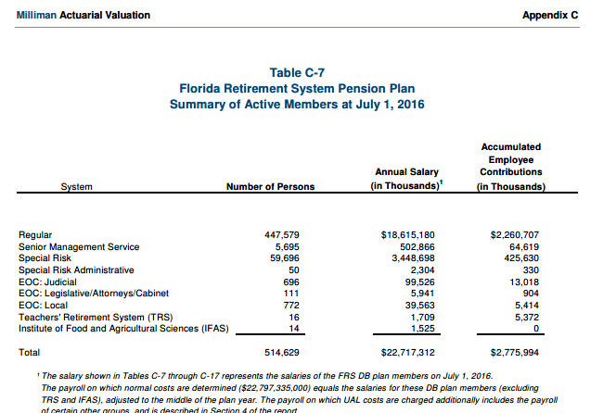
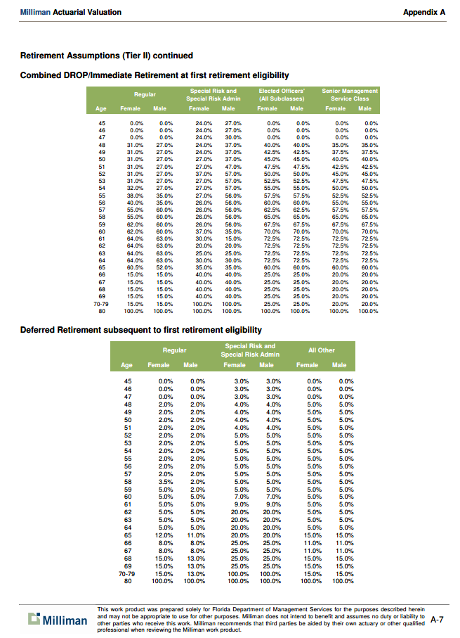
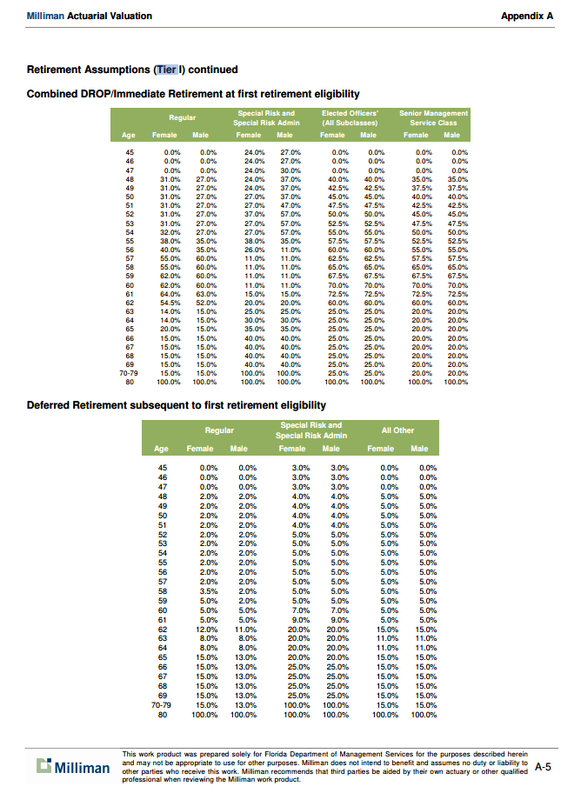
TOC
 | Tier 1 combined drop/immediate |  |  |  |  |  |  |  | calc | 0.118 | specrisk share
 | regular | regular | specrisk | specrisk | elected | elected | srmgt | srmgt | regular | specrisk
age | female | male | female | male | female | male | female | male | average | average | wtd | diff
45 | 0.0% | 0.0% | 24.0% | 27.0% | 0.0% | 0.0% | 0.0% | 0.0% | 0.0% | 25.5% | 3.01% | 3.01%
46 | 0.0% | 0.0% | 24.0% | 27.0% | 0.0% | 0.0% | 0.0% | 0.0% | 0.0% | 25.5% | 3.01% | 3.01%
47 | 0.0% | 0.0% | 24.0% | 30.0% | 0.0% | 0.0% | 0.0% | 0.0% | 0.0% | 27.0% | 3.19% | 3.19%
48 | 31.0% | 27.0% | 24.0% | 37.0% | 40.0% | 40.0% | 35.0% | 35.0% | 29.0% | 30.5% | 29.18% | 0.18%
49 | 31.0% | 27.0% | 24.0% | 37.0% | 42.5% | 42.5% | 37.5% | 37.5% | 29.0% | 30.5% | 29.18% | 0.18%
50 | 31.0% | 27.0% | 27.0% | 37.0% | 45.0% | 45.0% | 40.0% | 40.0% | 29.0% | 32.0% | 29.35% | 0.35%
51 | 31.0% | 27.0% | 27.0% | 47.0% | 47.5% | 47.5% | 42.5% | 42.5% | 29.0% | 37.0% | 29.94% | 0.94%
52 | 31.0% | 27.0% | 37.0% | 57.0% | 50.0% | 50.0% | 45.0% | 45.0% | 29.0% | 47.0% | 31.12% | 2.12%
53 | 31.0% | 27.0% | 27.0% | 57.0% | 52.5% | 52.5% | 47.5% | 47.5% | 29.0% | 42.0% | 30.53% | 1.53%
54 | 32.0% | 27.0% | 27.0% | 57.0% | 55.0% | 55.0% | 50.0% | 50.0% | 29.5% | 42.0% | 30.98% | 1.47%
55 | 38.0% | 35.0% | 38.0% | 35.0% | 57.5% | 57.5% | 52.5% | 52.5% | 36.5% | 36.5% | 36.50% | 0.00%
56 | 40.0% | 35.0% | 26.0% | 11.0% | 60.0% | 60.0% | 55.0% | 55.0% | 37.5% | 18.5% | 35.26% | -2.24%
57 | 55.0% | 60.0% | 11.0% | 11.0% | 62.5% | 62.5% | 57.5% | 57.5% | 57.5% | 11.0% | 52.01% | -5.49%
58 | 55.0% | 60.0% | 11.0% | 11.0% | 65.0% | 65.0% | 65.0% | 65.0% | 57.5% | 11.0% | 52.01% | -5.49%
59 | 62.0% | 60.0% | 11.0% | 11.0% | 67.5% | 67.5% | 67.5% | 67.5% | 61.0% | 11.0% | 55.10% | -5.90%
60 | 62.0% | 60.0% | 11.0% | 11.0% | 70.0% | 70.0% | 70.0% | 70.0% | 61.0% | 11.0% | 55.10% | -5.90%
61 | 64.0% | 63.0% | 15.0% | 15.0% | 72.5% | 72.5% | 72.5% | 72.5% | 63.5% | 15.0% | 57.78% | -5.72%
62 | 54.5% | 52.0% | 20.0% | 20.0% | 60.0% | 60.0% | 60.0% | 60.0% | 53.3% | 20.0% | 49.33% | -3.92%
63 | 14.0% | 15.0% | 25.0% | 25.0% | 25.0% | 25.0% | 20.0% | 20.0% | 14.5% | 25.0% | 15.74% | 1.24%
64 | 14.0% | 15.0% | 30.0% | 30.0% | 25.0% | 25.0% | 20.0% | 20.0% | 14.5% | 30.0% | 16.33% | 1.83%
65 | 20.0% | 15.0% | 35.0% | 35.0% | 25.0% | 25.0% | 20.0% | 20.0% | 17.5% | 35.0% | 19.57% | 2.07%
66 | 15.0% | 15.0% | 40.0% | 40.0% | 25.0% | 25.0% | 20.0% | 20.0% | 15.0% | 40.0% | 17.95% | 2.95%
67 | 15.0% | 15.0% | 40.0% | 40.0% | 25.0% | 25.0% | 20.0% | 20.0% | 15.0% | 40.0% | 17.95% | 2.95%
68 | 15.0% | 15.0% | 40.0% | 40.0% | 25.0% | 25.0% | 20.0% | 20.0% | 15.0% | 40.0% | 17.95% | 2.95%
69 | 15.0% | 15.0% | 40.0% | 40.0% | 25.0% | 25.0% | 20.0% | 20.0% | 15.0% | 40.0% | 17.95% | 2.95%
70-79 | 15.0% | 15.0% | 100.0% | 100.0% | 25.0% | 25.0% | 20.0% | 20.0% | 15.0% | 100.0% | 25.03% | 10.03%
80 | 100.0% | 100.0% | 100.0% | 100.0% | 100.0% | 100.0% | 100.0% | 100.0% | 100.0% | 100.0% | 100.00% | 0.00%

DisbRatesByAge_raw
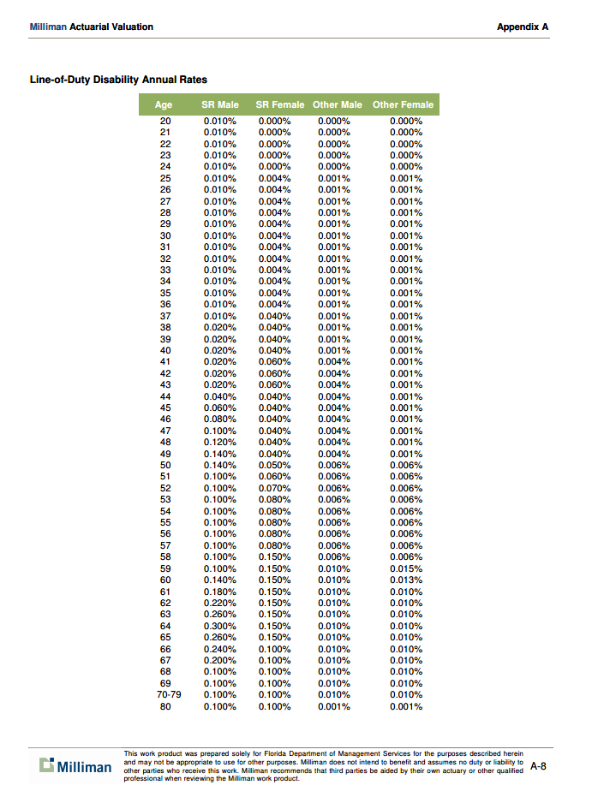
TOC
create SR/regular wtd column
 |  |  |  |  | 11.8%
age | srmale | srfemale | othermaile | otherfemale | sravg | otheravg | wtdavg
20 | 0.010% | 0.000% | 0.000% | 0.000% | 0.005% | 0.000% | 0.00059%
21 | 0.010% | 0.000% | 0.000% | 0.000% | 0.005% | 0.000% | 0.00059%
22 | 0.010% | 0.000% | 0.000% | 0.000% | 0.005% | 0.000% | 0.00059%
23 | 0.010% | 0.000% | 0.000% | 0.000% | 0.005% | 0.000% | 0.00059%
24 | 0.010% | 0.000% | 0.000% | 0.000% | 0.005% | 0.000% | 0.00059%
25 | 0.010% | 0.004% | 0.001% | 0.001% | 0.007% | 0.001% | 0.00171%
26 | 0.010% | 0.004% | 0.001% | 0.001% | 0.007% | 0.001% | 0.00171%
27 | 0.010% | 0.004% | 0.001% | 0.001% | 0.007% | 0.001% | 0.00171%
28 | 0.010% | 0.004% | 0.001% | 0.001% | 0.007% | 0.001% | 0.00171%
29 | 0.010% | 0.004% | 0.001% | 0.001% | 0.007% | 0.001% | 0.00171%
30 | 0.010% | 0.004% | 0.001% | 0.001% | 0.007% | 0.001% | 0.00171%
31 | 0.010% | 0.004% | 0.001% | 0.001% | 0.007% | 0.001% | 0.00171%
32 | 0.010% | 0.004% | 0.001% | 0.001% | 0.007% | 0.001% | 0.00171%
33 | 0.010% | 0.004% | 0.001% | 0.001% | 0.007% | 0.001% | 0.00171%
34 | 0.010% | 0.004% | 0.001% | 0.001% | 0.007% | 0.001% | 0.00171%
35 | 0.010% | 0.004% | 0.001% | 0.001% | 0.007% | 0.001% | 0.00171%
36 | 0.010% | 0.004% | 0.001% | 0.001% | 0.007% | 0.001% | 0.00171%
37 | 0.010% | 0.040% | 0.001% | 0.001% | 0.025% | 0.001% | 0.00383%
38 | 0.020% | 0.040% | 0.001% | 0.001% | 0.030% | 0.001% | 0.00442%
39 | 0.020% | 0.040% | 0.001% | 0.001% | 0.030% | 0.001% | 0.00442%
40 | 0.020% | 0.040% | 0.001% | 0.001% | 0.030% | 0.001% | 0.00442%
41 | 0.020% | 0.060% | 0.004% | 0.001% | 0.040% | 0.003% | 0.00693%
42 | 0.020% | 0.060% | 0.004% | 0.001% | 0.040% | 0.003% | 0.00693%
43 | 0.020% | 0.060% | 0.004% | 0.001% | 0.040% | 0.003% | 0.00693%
44 | 0.040% | 0.040% | 0.004% | 0.001% | 0.040% | 0.003% | 0.00693%
45 | 0.060% | 0.040% | 0.004% | 0.001% | 0.050% | 0.003% | 0.00810%
46 | 0.080% | 0.040% | 0.004% | 0.001% | 0.060% | 0.003% | 0.00929%
47 | 0.100% | 0.040% | 0.004% | 0.001% | 0.070% | 0.003% | 0.01047%
48 | 0.120% | 0.040% | 0.004% | 0.001% | 0.080% | 0.003% | 0.01164%
49 | 0.140% | 0.040% | 0.004% | 0.001% | 0.090% | 0.003% | 0.01283%
50 | 0.140% | 0.050% | 0.006% | 0.006% | 0.095% | 0.006% | 0.01650%
51 | 0.100% | 0.060% | 0.006% | 0.006% | 0.080% | 0.006% | 0.01473%
52 | 0.100% | 0.070% | 0.006% | 0.006% | 0.085% | 0.006% | 0.01532%
53 | 0.100% | 0.080% | 0.006% | 0.006% | 0.090% | 0.006% | 0.01591%
54 | 0.100% | 0.080% | 0.006% | 0.006% | 0.090% | 0.006% | 0.01591%
55 | 0.100% | 0.080% | 0.006% | 0.006% | 0.090% | 0.006% | 0.01591%
56 | 0.100% | 0.080% | 0.006% | 0.006% | 0.090% | 0.006% | 0.01591%
57 | 0.100% | 0.080% | 0.006% | 0.006% | 0.090% | 0.006% | 0.01591%
58 | 0.100% | 0.150% | 0.006% | 0.006% | 0.125% | 0.006% | 0.02004%
59 | 0.100% | 0.150% | 0.010% | 0.015% | 0.125% | 0.013% | 0.02578%
60 | 0.140% | 0.150% | 0.010% | 0.013% | 0.145% | 0.012% | 0.02725%
61 | 0.180% | 0.150% | 0.010% | 0.010% | 0.165% | 0.010% | 0.02829%
62 | 0.220% | 0.150% | 0.010% | 0.010% | 0.185% | 0.010% | 0.03065%
63 | 0.260% | 0.150% | 0.010% | 0.010% | 0.205% | 0.010% | 0.03301%
64 | 0.300% | 0.150% | 0.010% | 0.010% | 0.225% | 0.010% | 0.03537%
65 | 0.260% | 0.150% | 0.010% | 0.010% | 0.205% | 0.010% | 0.03301%
66 | 0.240% | 0.100% | 0.010% | 0.010% | 0.170% | 0.010% | 0.02888%
67 | 0.200% | 0.100% | 0.010% | 0.010% | 0.150% | 0.010% | 0.02652%
68 | 0.100% | 0.100% | 0.010% | 0.010% | 0.100% | 0.010% | 0.02062%
69 | 0.100% | 0.100% | 0.010% | 0.010% | 0.100% | 0.010% | 0.02062%
70-79 | 0.100% | 0.100% | 0.010% | 0.010% | 0.100% | 0.010% | 0.02062%
80 | 0.100% | 0.100% | 0.001% | 0.001% | 0.100% | 0.001% | 0.01268%

MortalityInfo
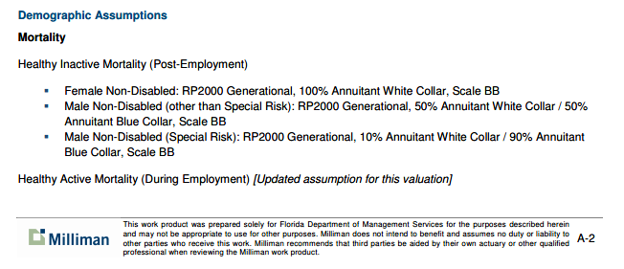
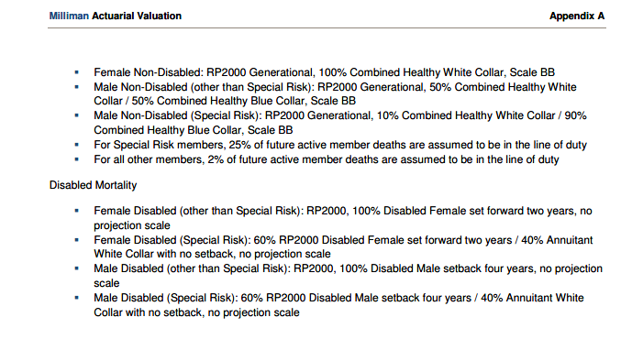
TOC

