MortalityInfo
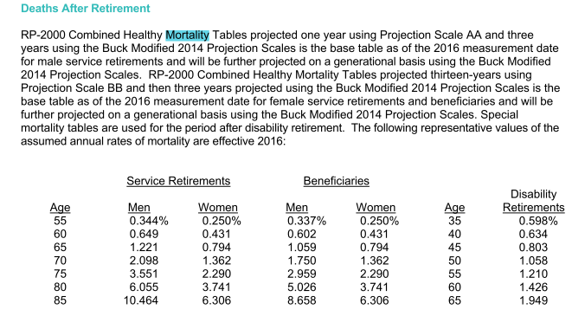
TOC | RP-2000

