Issues

TOC

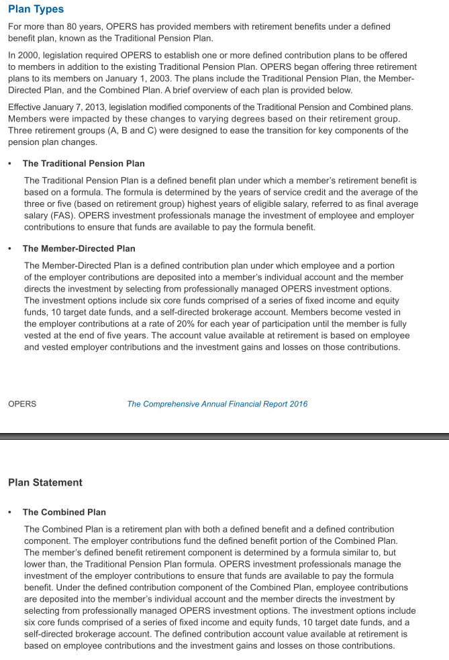
Issues
 | be sure to get CURRENT assumptions, NOT proposed assumptions
 | be sure to get ALL tiers aveage, or largest tier, NOT an individual tier

singleValuesScreenshots
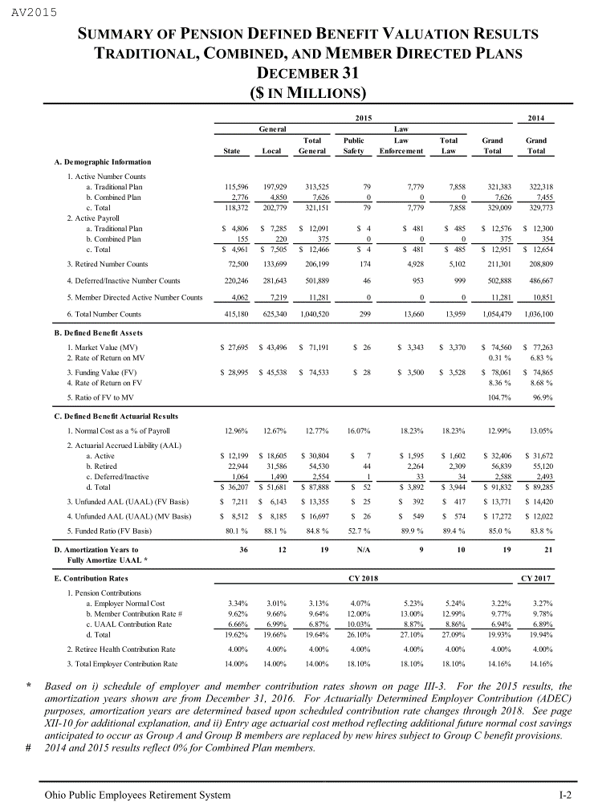
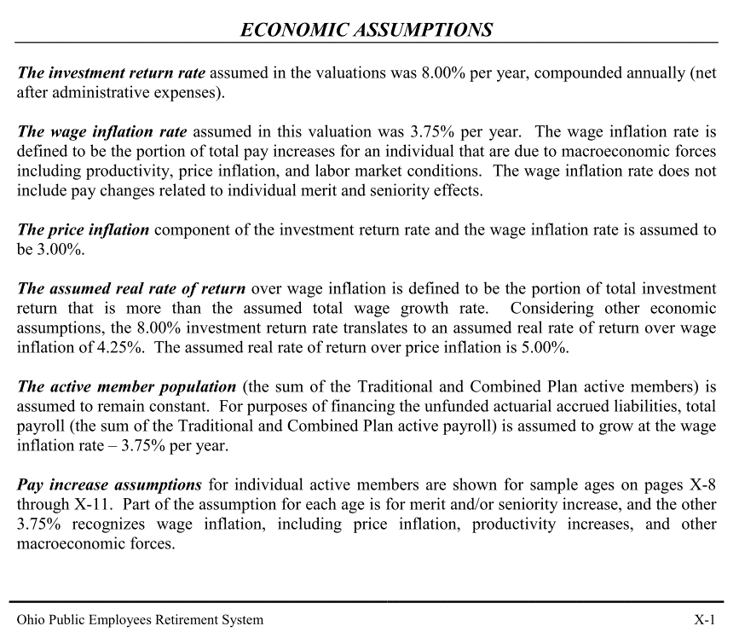
TOC

Retirees_raw
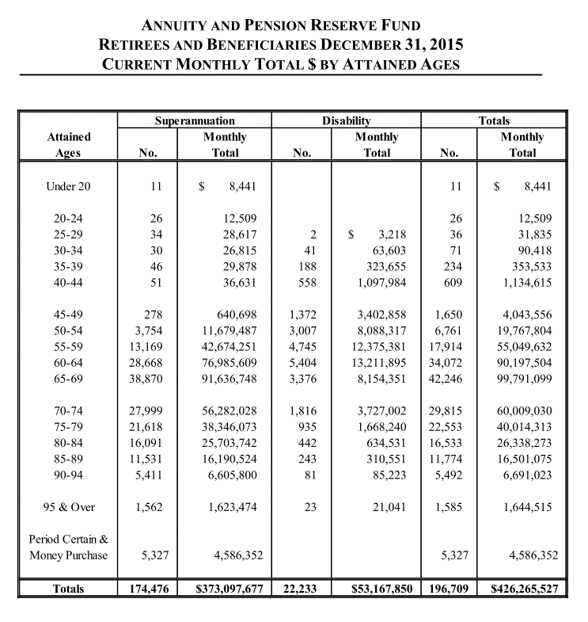
TOC

 | CURRENT MONTHLY TOTAL $ BY ATTAINED AGES
 | Attained Ages | Superannuation |  | Disability |  | Totals
 |  | No. | Monthly Total | No. | Monthly Total | No. | Monthly Total
 | Under 20 | 11 | $ 8,441 |  |  | 11 | $ 8,441 | 9208.3636364
 | 20-24 | 26 | 12,509 |  |  | 26 | 12,509 | 5773.3846154
 | 25-29 | 34 | 28,617 | 2 | $ 3,218 | 36 | 31,835 | 10611.666667
 | 30-34 | 30 | 26,815 | 41 | 63,603 | 71 | 90,418 | 15281.915493
 | 35-39 | 46 | 29,878 | 188 | 323,655 | 234 | 353,533 | 18129.897436
 | 40-44 | 51 | 36,631 | 558 | 1,097,984 | 609 | 1,134,615 | 22356.945813
 | 45-49 | 278 | 640,698 | 1,372 | 3,402,858 | 1,650 | 4,043,556 | 29407.68
 | 50-54 | 3,754 | 11,679,487 | 3,007 | 8,088,317 | 6,761 | 19,767,804 | 35085.586156
 | 55-59 | 13,169 | 42,674,251 | 4,745 | 12,375,381 | 17,914 | 55,049,632 | 36875.939712
 | 60-64 | 28,668 | 76,985,609 | 5,404 | 13,211,895 | 34,072 | 90,197,504 | 31767.141583
 | 65-69 | 38,870 | 91,636,748 | 3,376 | 8,154,351 | 42,246 | 99,791,099 | 28345.717654
 | 70-74 | 27,999 | 56,282,028 | 1,816 | 3,727,002 | 29,815 | 60,009,030 | 24152.552742
 | 75-79 | 21,618 | 38,346,073 | 935 | 1,668,240 | 22,553 | 40,014,313 | 21290.815235
 | 80-84 | 16,091 | 25,703,742 | 442 | 634,531 | 16,533 | 26,338,273 | 19116.873889
 | 85-89 | 11,531 | 16,190,524 | 243 | 310,551 | 11,774 | 16,501,075 | 16817.81043
 | 90-94 | 5,411 | 6,605,800 | 81 | 85,223 | 5,492 | 6,691,023 | 14619.860889
 | 95 & Over | 1,562 | 1,623,474 | 23 | 21,041 | 1,585 | 1,644,515 | 12450.586751
 | Period Certain &
 | Money Purchase | 5,327 | 4,586,352 |  |  | 5,327 | 4,586,352
 | Totals | 174,476 | $373,097,677 | 22,233 | $53,167,850 | 196,709 | $426,265,527

RetirementRatesSched_SingleCol
TOC
startcell | B7 | cell with "age" in it
endcell | C36 | lower rightmost data cell

 | age | retrate
 | 57 | 0.11
 | 58 | 0.11
Complicated retirement rules. Simplifications:
1) rates for state and local only,
2) group C only,
3) reduced rate for age <= 66, 67/5 rates for age >67.
 | 59 | 0.11
 | 60 | 0.11
 | 61 | 0.11
 | 62 | 0.11
 | 63 | 0.12
 | 64 | 0.13
 | 65 | 0.14
 | 66 | 0.15
 | 67 | 0.20
 | 68 | 0.20
 | 69 | 0.20
 | 70 | 0.17
 | 71 | 0.17
 | 72 | 0.17
 | 73 | 0.17
 | 74 | 0.17
 | 75 | 0.17
 | 76 | 0.17
 | 77 | 0.17
 | 78 | 0.17
 | 79 | 0.17
 | 80 | 0.17
 | 81 | 0.22
 | 82 | 0.22
 | 83 | 0.22
 | 84 | 0.22
 | 85 | 1.00

RetirementRates_raw_combine
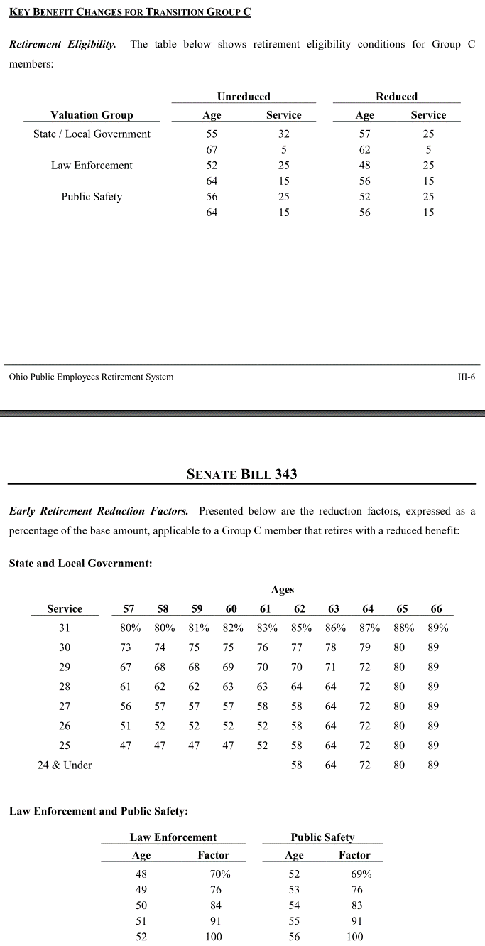
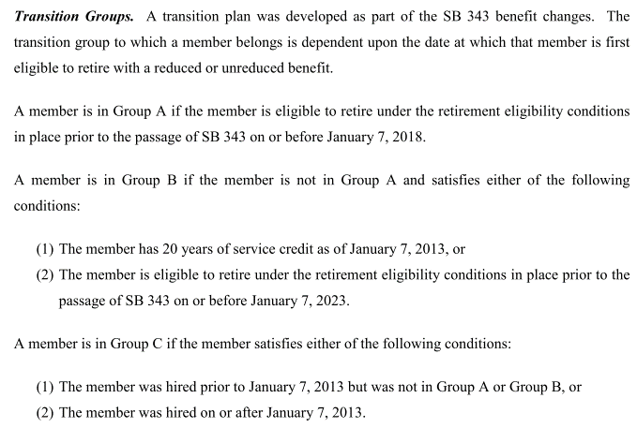
TOC

 |  | Ages | Percent of Eligible Active Members Retiring Within Next Year
 |  |  | State |  | Local Government
 |  |  | Men | Women | Men | Women |  |  |  | nactives | Male | Female | male pct in total | female pct in total
 | reduced rates | 57 | 10% | 10% | 9% | 11% | 0.100 |  | state | 118372 | 53544 | 64828 | 0.1667253099 | 0.20186142967
 |  | 58 | 10% | 10% | 9% | 11% | 0.100 | 0.900 | local | 202779 | 93409 | 109370 | 0.29085694891 | 0.34055631152
 |  | 59 | 10% | 10% | 9% | 11% | 0.100 | 0.80910565848 | total | 321151
 |  | 60 | 10% | 10% | 9% | 11% | 0.100 | 0.72779297227
 |  | 61 | 10% | 11% | 9% | 11% | 0.103 | 0.65465196658
 |  | 62 | 10% | 12% | 9% | 11% | 0.105 | 0.58753992225
 |  | 63 | 10% | 13% | 9% | 12% | 0.110 | 0.52612189345
 |  | 64 | 15% | 15% | 13% | 13% | 0.137 | 0.46827037204
 |  | 65 | 15% | 15% | 14% | 14% | 0.144 | 0.40394325868
 |  | 66 | 15% | 15% | 12% | 15% | 0.141 | 0.34590232118
 | unreduced rates 67/5 | 67 | 22% | 22% | 20% | 20% | 0.207 | 0.29703521581
 |  | 68 | 22% | 22% | 20% | 20% | 0.207 | 0.23543850782
 |  | 69 | 20% | 20% | 15% | 20% | 0.185 | 0.18661521601
 |  | 70 | 20% | 20% | 15% | 17% | 0.175 | 0.15200608943
 |  | 71 | 20% | 20% | 15% | 17% | 0.175 | 0.12536847191
 |  | 72 | 20% | 20% | 15% | 17% | 0.175 | 0.10339884282
 |  | 73 | 20% | 20% | 15% | 17% | 0.175 | 0.085279181707
 |  | 74 | 15% | 20% | 15% | 17% | 0.167 | 0.070334818402
 |  | 75 | 15% | 20% | 15% | 17% | 0.167
 |  | 76 | 15% | 20% | 15% | 17% | 0.167
 |  | 77 | 15% | 20% | 15% | 17% | 0.167
 |  | 78 | 15% | 20% | 15% | 17% | 0.167
 |  | 79 | 15% | 25% | 15% | 17% | 0.177
 |  | 80 | 15% | 25% | 15% | 17% | 0.177
 |  | 81 | 15% | 25% | 15% | 22% | 0.194
 |  | 82 | 25% | 25% | 20% | 22% | 0.225
 |  | 83 | 25% | 25% | 20% | 22% | 0.225
 |  | 84 | 25% | 25% | 20% | 22% | 0.225
 |  | 85 & Over | 100% | 100% | 100% | 100% | 1.000

MortalityInfo
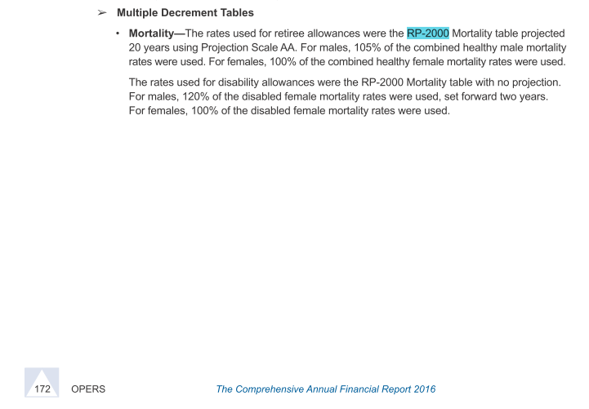
TOC
 | Screenshots of assumptions about mortality tables
 | We want to know table and scaling used

 | Same across state, local, safety and law
 | age | male | famale
 | 25 | 0.03% | 0.01%
 | 30 | 0.04% | 0.02%
 | 35 | 0.07% | 0.03%
 | 40 | 0.10% | 0.04%
 | 45 | 0.14% | 0.06%
 | 50 | 0.19% | 0.09%
 | 55 | 0.33% | 0.17%
 | 60 | 0.61% | 0.34%

