singleValuesScreenshots
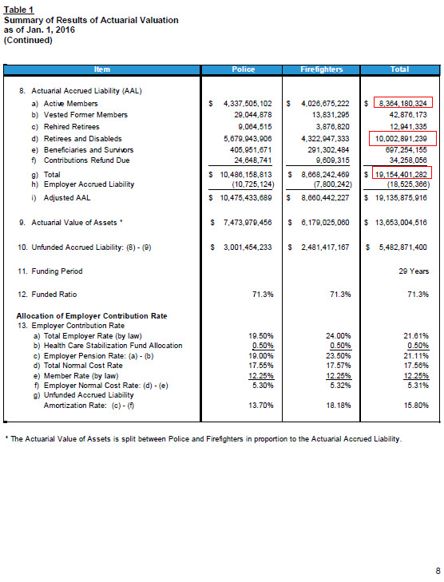
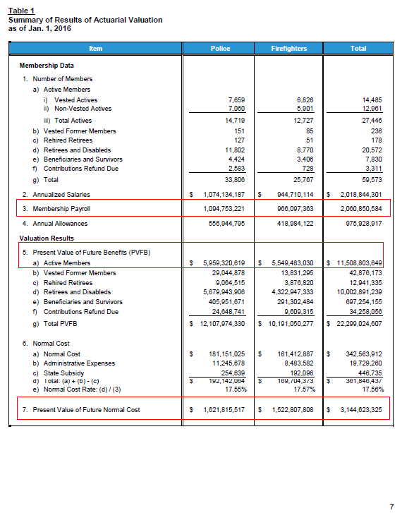
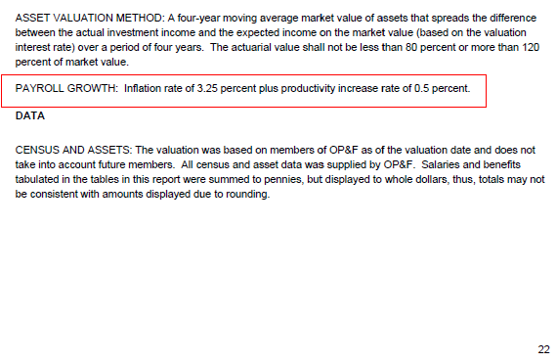
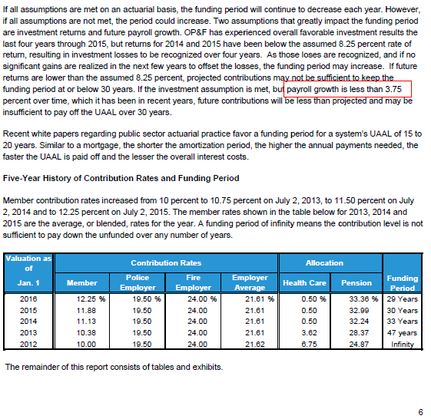
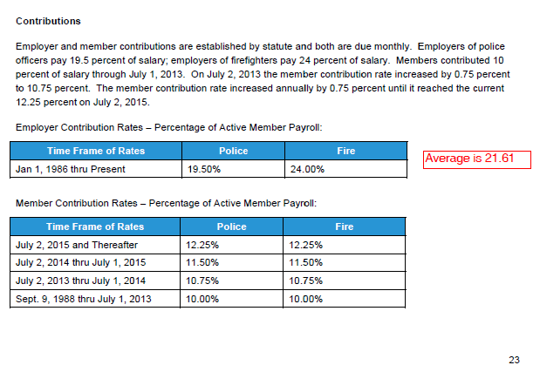
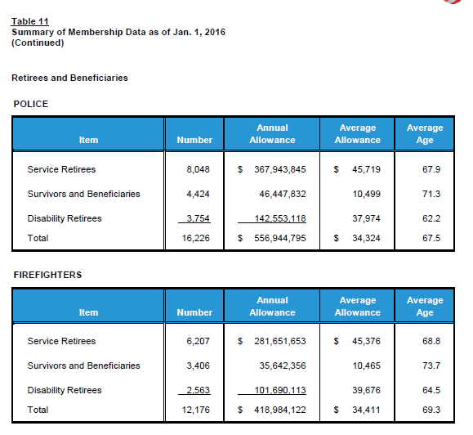
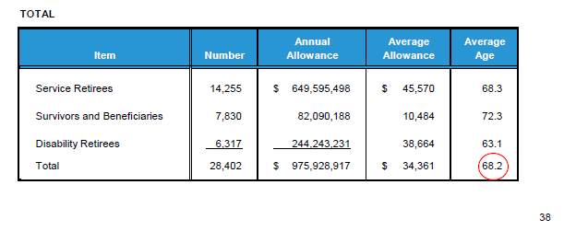
TOC

erc_rule
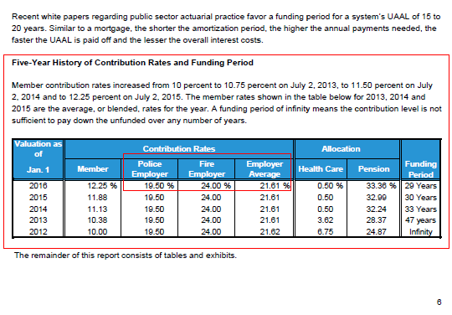
TOC

SummaryAssumptions
TOC

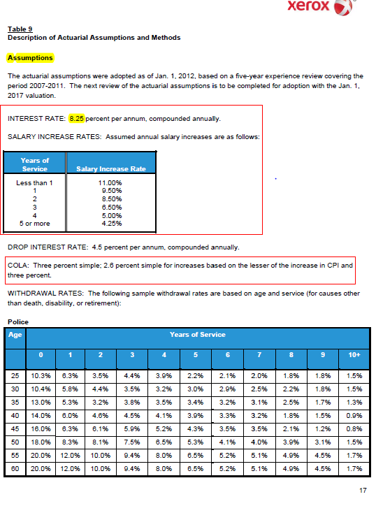

 | # of active members |  | share
 | police | 14,719 | 0.5363
 | fire | 12,727 | 0.4637
 | total | 27,446 | 1.0000

Actives_raw
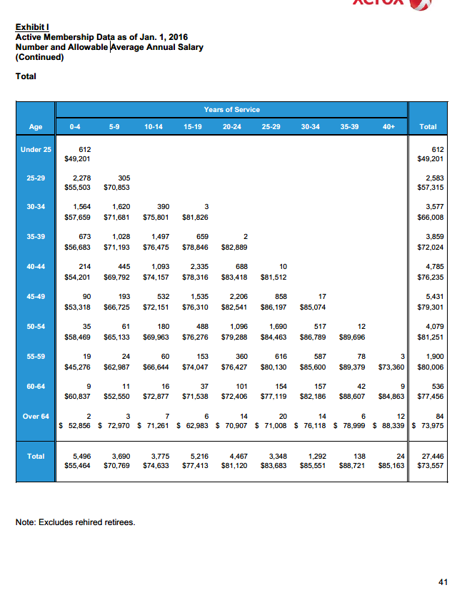
TOC
 | Age | Years of Service |  |  |  |  |  |  |  |  | Total
 |  | 0-4 | 5-9 | 10-14 | 15-19 | 20-24 | 25-29 | 30-34 | 35-39 | 40+
nactives | Under 25 | 612 |  |  |  |  |  |  |  |  | 612
salary | Under 25 | 49,201 |  |  |  |  |  |  |  |  | 49,201
nactives | 25-29 | 2,278 | 305 |  |  |  |  |  |  |  | 2,583
salary | 25-29 | 55,503 | 70,853 |  |  |  |  |  |  |  | 57,315
nactives | 30-34 | 1,564 | 1,620 | 390 | 3 |  |  |  |  |  | 3,577
salary | 30-34 | 57,659 | 71,681 | 75,801 | 81,826 |  |  |  |  |  | 66,008
nactives | 35-39 | 673 | 1,028 | 1,497 | 659 | 2 |  |  |  |  | 3,859
salary | 35-39 | 56,683 | 71,193 | 76,475 | 78,846 | 82,889 |  |  |  |  | 72,024
nactives | 40-44 | 214 | 445 | 1,093 | 2,335 | 688 | 10 |  |  |  | 4,785
salary | 40-44 | 54,201 | 69,792 | 74,157 | 78,316 | 83,418 | 81,512 |  |  |  | 76,235
nactives | 45-49 | 90 | 193 | 532 | 1,535 | 2,206 | 858 | 17 |  |  | 5,431
salary | 45-49 | 53,318 | 66,725 | 72,151 | 76,310 | 82,541 | 86,197 | 85,074 |  |  | 79,301
nactives | 50-54 | 35 | 61 | 180 | 488 | 1,096 | 1,690 | 517 | 12 |  | 4,079
salary | 50-54 | 58,469 | 65,133 | 69,963 | 76,276 | 79,288 | 84,463 | 86,789 | 89,696 |  | 81,251
nactives | 55-59 | 19 | 24 | 60 | 153 | 360 | 616 | 587 | 78 | 3 | 1,900
salary | 55-59 | 45,276 | 62,987 | 66,644 | 74,047 | 76,427 | 80,130 | 85,600 | 89,379 | 73,360 | 80,006
nactives | 60-64 | 9 | 11 | 16 | 37 | 101 | 154 | 157 | 42 | 9 | 536
salary | 60-64 | 60,837 | 52,550 | 72,877 | 71,538 | 72,406 | 77,119 | 82,186 | 88,607 | 84,863 | 77,456
nactives | Over 64 | 2 | 3 | 7 | 6 | 14 | 20 | 14 | 6 | 12 | 84
salary | Over 64 | 52,856 | 72,970 | 71,261 | 62,983 | 70,907 | 71,008 | 76,118 | 78,999 | 88,339 | 73,975
nactives | Total | 5,496 | 3,690 | 3,775 | 5,216 | 4,467 | 3,348 | 1,292 | 138 | 24 | 27,446
salary | Total | 55,464 | 70,769 | 74,633 | 77,413 | 81,120 | 83,683 | 85,551 | 88,721 | 85,163 | 73,557

Retirees_raw
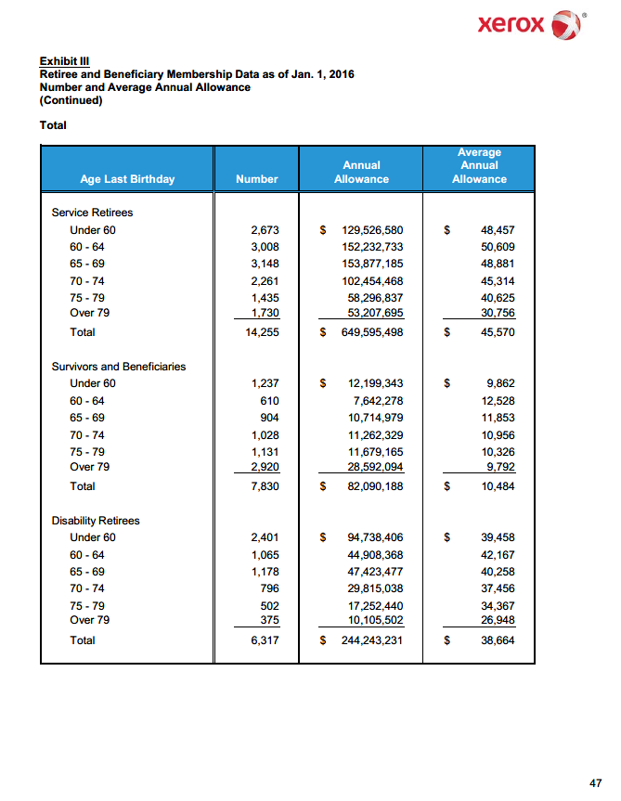
TOC

 |  |  |  | Average
 |  |  | Annual | Annual
 | Age ast Birthday | Number | Allowance | Allowance
 | Service Retirees
 | Under 60 | 2,673 | 129,526,580 | 48,457
 | 60 - 64 | 3,008 | 152,232,733 | 50,609
 | 65 - 69 | 3,148 | 153,877,185 | 48,881
 | 70 - 74 | 2,261 | 102,454,468 | 45,314
 | 75 - 79 | 1,435 | 58,296,837 | 40,625
 | Over 79 | 1,730 | 53,207,695 | 30,756
 | Total | 14,255 | 649,595,498 | 45,570

 | Total Survivors and Beneficia
 | Under 60 | 1,237 | 12,199,343 | 9,862
 | 60 - 64 | 610 | 7,642,278 | 12,528
 | 65 - 69 | 904 | 10,714,979 | 11,853
 | 70 - 74 | 1,028 | 11,262,329 | 10,956
 | 75 - 79 | 1,131 | 11,679,165 | 10,326
 | Over 79 | 2,920 | 28,592,094 | 9,792
 | Total | 7,830 | 82,090,188 | 10,484

 | Disability Retirees
 | Under 60 | 2,401 | 94,738,406 | 39,458
 | 60 - 64 | 1,065 | 44,908,368 | 42,167
 | 65 - 69 | 1,178 | 47,423,477 | 40,258
 | 70 - 74 | 796 | 29,815,038 | 37,456
 | 75 - 79 | 502 | 17,252,440 | 34,367
 | Over 79 | 375 | 10,105,502 | 26,948
 | Total | 6,317 | 244,243,231 | 38,664

 | Total beneficiaries
 | Under 60 | 6,311 | 236,464,329 | 37,469
 | 60 - 64 | 4,683 | 204,783,379 | 43,729
 | 65 - 69 | 5,230 | 212,015,641 | 40,538
 | 70 - 74 | 4,085 | 143,531,835 | 35,136
 | 75 - 79 | 3,068 | 87,228,442 | 28,432
 | Over 79 | 5,025 | 91,905,291 | 18,290
 | Total | 28,402 | 975,928,917 | 34,361

SalaryGrowth_raw
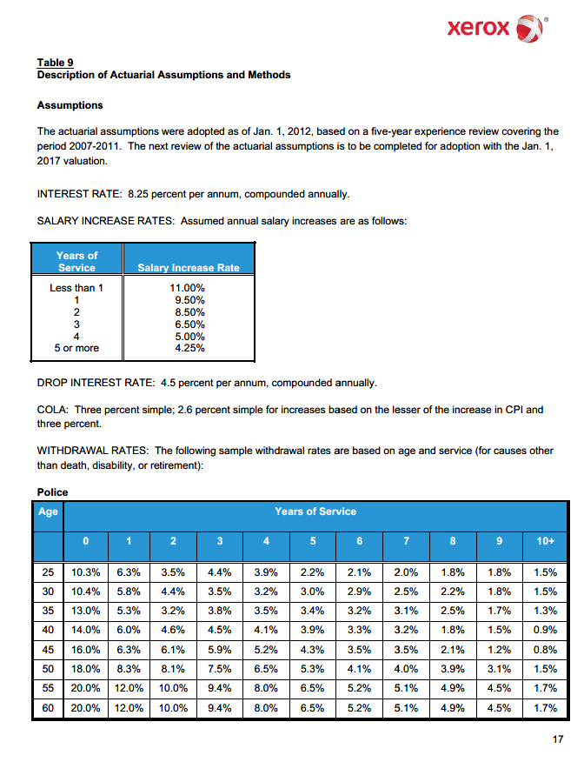
TOC

TermRates_raw
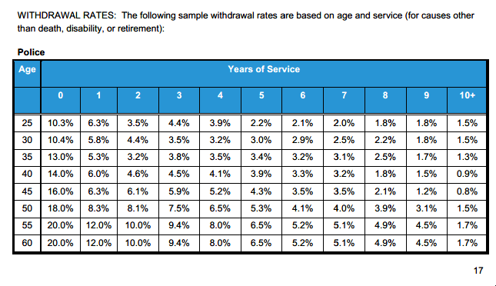
TOC

 | police | 53.60%
 | - | 1 | 2 | 3 | 4 | 5 | 6 | 7 | 8 | 9 | 10+
25 | 0.103 | 0.063 | 0.035 | 0.044 | 0.039 | 0.022 | 0.021 | 0.020 | 0.018 | 0.018 | 0.015
30 | 0.104 | 0.058 | 0.044 | 0.035 | 0.032 | 0.030 | 0.029 | 0.025 | 0.022 | 0.018 | 0.015
35 | 0.130 | 0.053 | 0.032 | 0.038 | 0.035 | 0.034 | 0.032 | 0.031 | 0.025 | 0.017 | 0.013
40 | 0.140 | 0.060 | 0.046 | 0.045 | 0.041 | 0.039 | 0.033 | 0.032 | 0.018 | 0.015 | 0.009
45 | 0.160 | 0.063 | 0.061 | 0.059 | 0.052 | 0.043 | 0.035 | 0.035 | 0.021 | 0.012 | 0.008
50 | 0.180 | 0.083 | 0.081 | 0.075 | 0.065 | 0.053 | 0.041 | 0.040 | 0.039 | 0.031 | 0.015
55 | 0.200 | 0.120 | 0.100 | 0.094 | 0.080 | 0.065 | 0.052 | 0.051 | 0.049 | 0.045 | 0.017
60 | 0.200 | 0.120 | 0.100 | 0.094 | 0.080 | 0.065 | 0.052 | 0.051 | 0.049 | 0.045 | 0.017

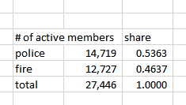
 | fire
 | - | 1 | 2 | 3 | 4 | 5 | 6 | 7 | 8 | 9 | 10+
25 | 0.028 | 0.022 | 0.016 | 0.015 | 0.012 | 0.011 | 0.010 | 0.010 | 0.009 | 0.009 | 0.008
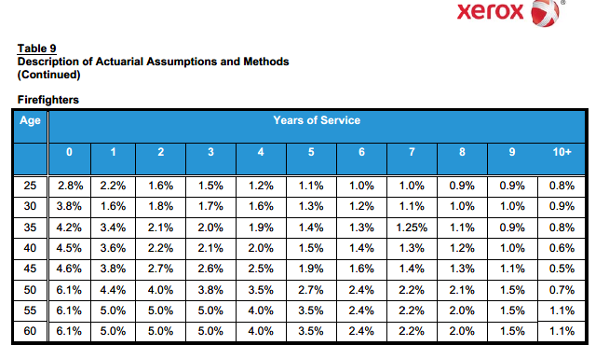
30 | 0.038 | 0.016 | 0.018 | 0.017 | 0.016 | 0.013 | 0.012 | 0.011 | 0.010 | 0.010 | 0.009
35 | 0.042 | 0.034 | 0.021 | 0.020 | 0.019 | 0.014 | 0.013 | 0.013 | 0.011 | 0.009 | 0.008
40 | 0.045 | 0.036 | 0.022 | 0.021 | 0.020 | 0.015 | 0.014 | 0.013 | 0.012 | 0.010 | 0.006
45 | 0.046 | 0.038 | 0.027 | 0.026 | 0.025 | 0.019 | 0.016 | 0.014 | 0.013 | 0.011 | 0.005
50 | 0.061 | 0.044 | 0.040 | 0.038 | 0.035 | 0.027 | 0.024 | 0.022 | 0.021 | 0.015 | 0.007
55 | 0.061 | 0.050 | 0.050 | 0.050 | 0.040 | 0.035 | 0.024 | 0.022 | 0.020 | 0.015 | 0.011
60 | 0.061 | 0.050 | 0.050 | 0.050 | 0.040 | 0.035 | 0.024 | 0.022 | 0.020 | 0.015 | 0.011

 | average
 | - | 1 | 2 | 3 | 4 | 5 | 6 | 7 | 8 | 9 | 10+
25 | 0.068 | 0.044 | 0.026 | 0.031 | 0.026 | 0.017 | 0.016 | 0.015 | 0.014 | 0.014 | 0.012
30 | 0.073 | 0.039 | 0.032 | 0.027 | 0.025 | 0.022 | 0.021 | 0.019 | 0.016 | 0.014 | 0.012
35 | 0.089 | 0.044 | 0.027 | 0.030 | 0.028 | 0.025 | 0.023 | 0.022 | 0.019 | 0.013 | 0.011
40 | 0.096 | 0.049 | 0.035 | 0.034 | 0.031 | 0.028 | 0.024 | 0.023 | 0.015 | 0.013 | 0.008
45 | 0.107 | 0.051 | 0.045 | 0.044 | 0.039 | 0.032 | 0.026 | 0.025 | 0.017 | 0.012 | 0.007
50 | 0.125 | 0.065 | 0.062 | 0.058 | 0.051 | 0.041 | 0.033 | 0.032 | 0.031 | 0.024 | 0.011
55 | 0.136 | 0.088 | 0.077 | 0.074 | 0.061 | 0.051 | 0.039 | 0.038 | 0.036 | 0.031 | 0.014
60 | 0.136 | 0.088 | 0.077 | 0.074 | 0.061 | 0.051 | 0.039 | 0.038 | 0.036 | 0.031 | 0.014

RetirementRates_raw
TOC
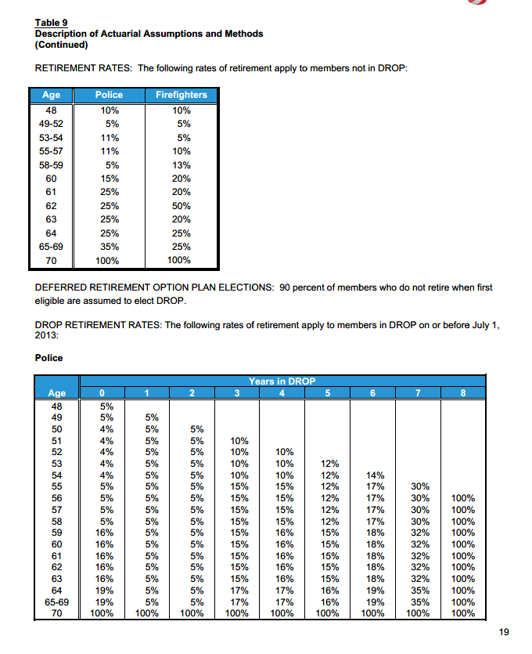

 | age | police | fire | average
 | 48 | 10% | 10% | 10%
 | 49-52 | 5% | 5% | 5%
 | 53-54 | 11% | 5% | 8%
 | 55-57 | 11% | 10% | 11%
 | 58-59 | 5% | 13% | 9%
 | 60 | 15% | 20% | 18%
 | 61 | 25% | 20% | 23%
 | 62 | 25% | 50% | 38%
 | 63 | 25% | 20% | 23%
 | 64 | 25% | 25% | 25%
 | 65-69 | 35% | 25% | 30%
 | 70 | 100% | 100% | 100%

DisbRates_raw
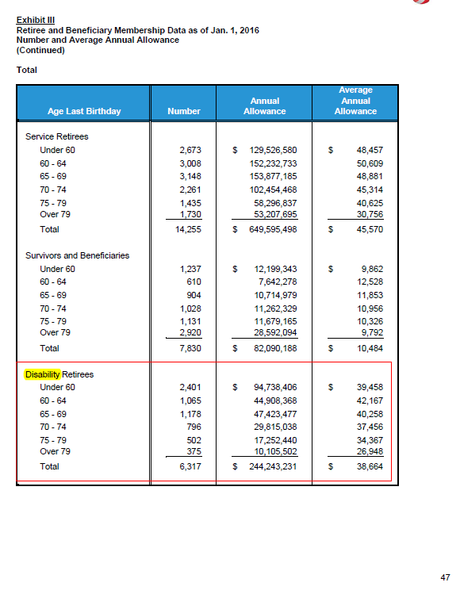
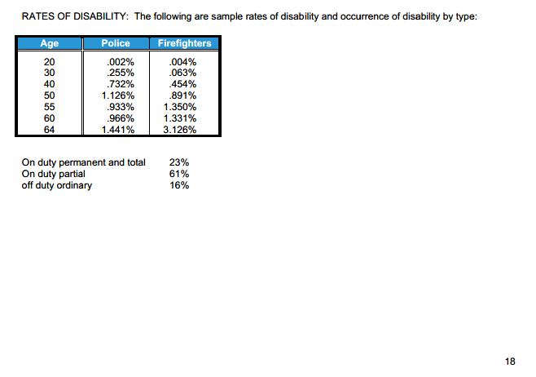
TOC

age | police | fire
20 | 0.002 | 0.004
30 | 0.255 | 0.063
40 | 0.732 | 0.454
50 | 1.126 | 0.891
55 | 0.933 | 1.35
60 | 0.966 | 1.331
64 | 1.441 | 3.126

MortalityInfo
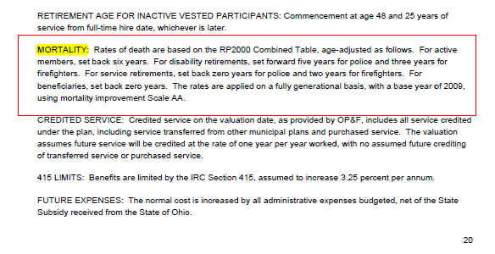
TOC
 | Screenshots of assumptions about mortality tables
 | We want to know table and scaling used

