Sheet7
Present Value of State Pension Obligations through 2009
Date

Zero-Coupon Yields Through 2009
Date
Figure IA.1: Effect of market rates on liability values during 2009. The top figure shows the present
value of state pension obligations using Treasury discounting at each day during 2009. The bottom shows
the Treasury yields at each date at three maturities. Our main estimates in this paper use June 30, 2009 as
a valuation date.
10
PVB
EAN
ABO
8
7
6
5
4
Jan 2 Apr 1 July 1 Oct 1 Dec 30
Tillions of U.S. $
9
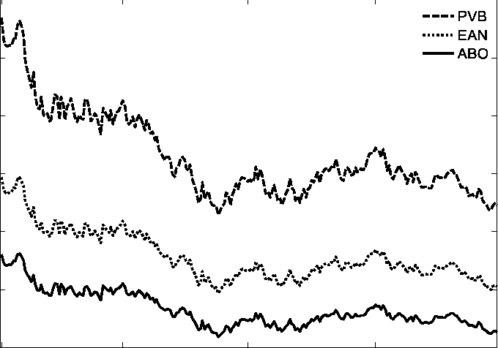

Rate (%)
4.5
5.5
3.5
2.5
1.5
1
Jan 2 Apr 1 July 1 Oct 1 Dec 30
4
5
3
2
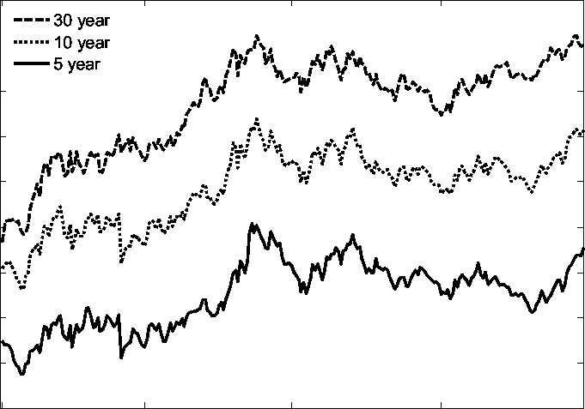

30 year
10 year
5 year

