single_calculations
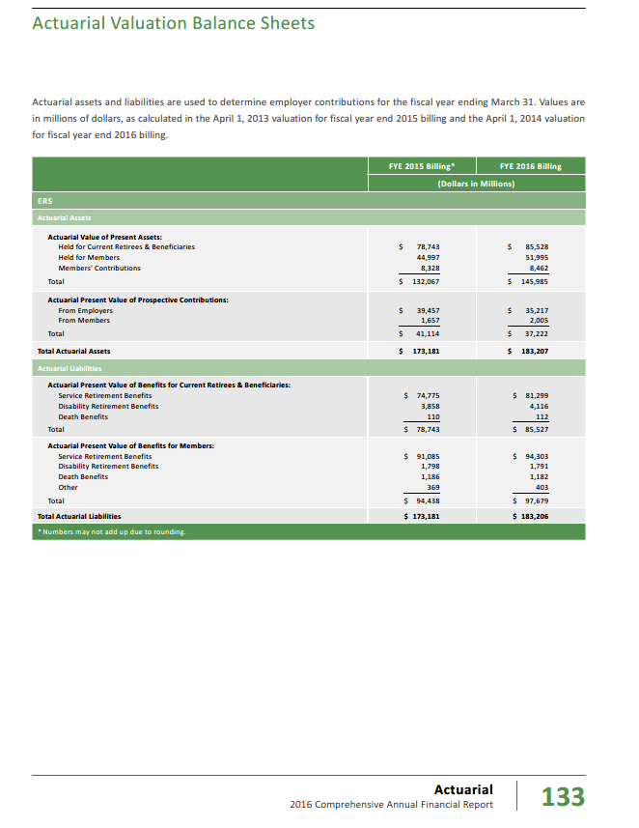
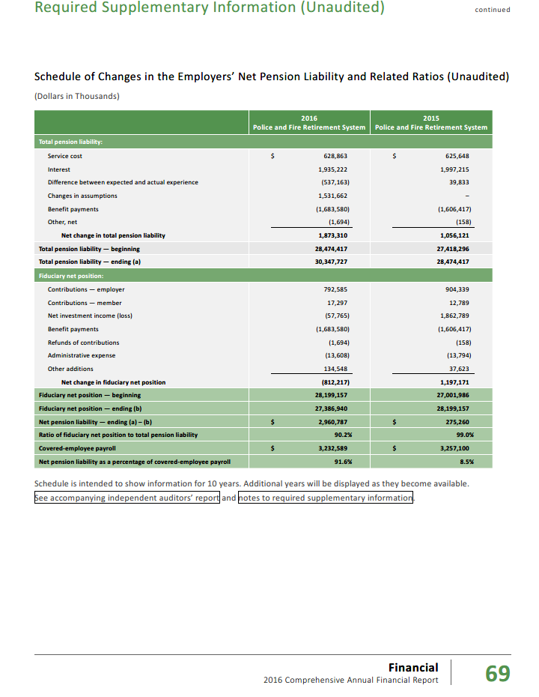
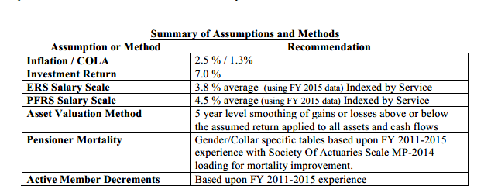
TOC
 | Relative size measures
 |  | ERS | PFRS | Total
 | AVA | 183,207 | 33,220 | 216,427
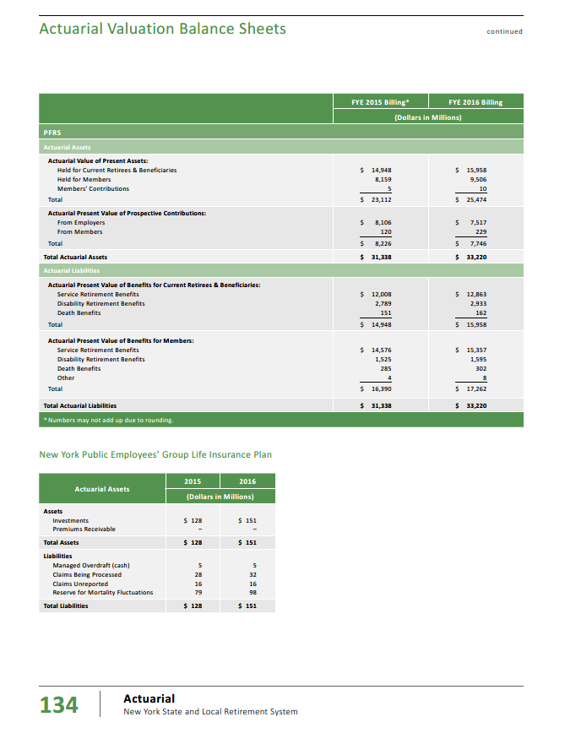
 | % | 84.7% | 15.3% | 100.0%

 | Actives 2015 | 491,558 | 31,372 | 522,930 | cafr2016 n146
 |  | 94.0% | 6.0% | 100.0%
 | Use this for weighting

 | Productivity & merit | 2.2% | 3.3%
 | wtd | 2.1% | 0.2% | 2.3%

 | `

 | AL_active | 81,538 | 13,378 | 94,916 | from below
 | AL_retired | 85,527 | 15,958 | 101,485 | from below
 | AL_total | 167,065 | 29,336 | 196,401 | from below
 | PVB_active | 97,679 | 17,262 | 114,941 | from below
 | PVB_retired | 85,527 | 15,958 | 101,485 | from below
 | PVFNC_active | 16,141 | 3,884 | 20,025 | from below
 | payroll | 24,364 | 3,233 | 27,597

 | Piecing together PVB vs AL
 | AAL per p.146 | 167,065 | 29,336 | 196,401
 | APV per p.133 | 183,206 | 33,220 | 216,426
 | implied pvfnc | 16,141 | 3,884 | 20,025

 | APV_active | 97,679 | 17,262 | 114,941 | I would call this pvb
 | APV_retired | 85,527 | 15,958 | 101,485 | I would call this pvb
 | APV_total | 183,206 | 33,220 | 216,426 | I would call this pvb

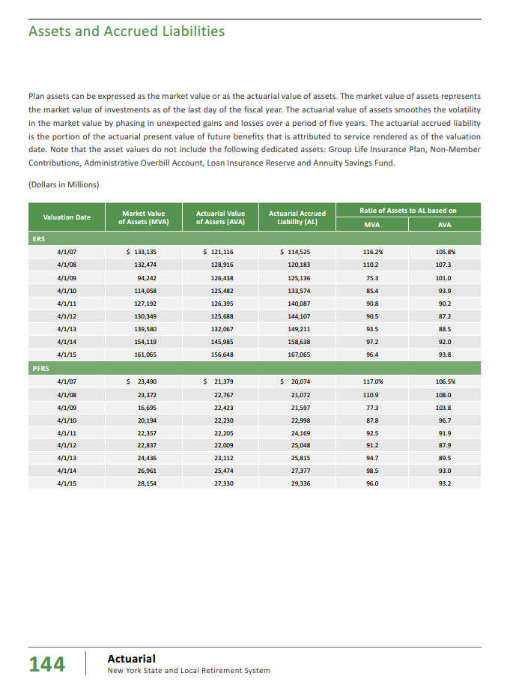
 | Implied AL
 | AL_active | 81,538 | 13,378 | 94,916
 | AL_retired | 85,527 | 15,958 | 101,485
 | AL_total | 167,065 | 29,336 | 196,401

 | Tier 1 | 3,809 | 77 | 3,886
 | Tier 2 | 4,420 | 27,364 | 31,784
 | Tiers 3 & 4 | 421,583 | 225 | 421,808
 | Tier 5 | 53,123 | 1,823 | 54,946
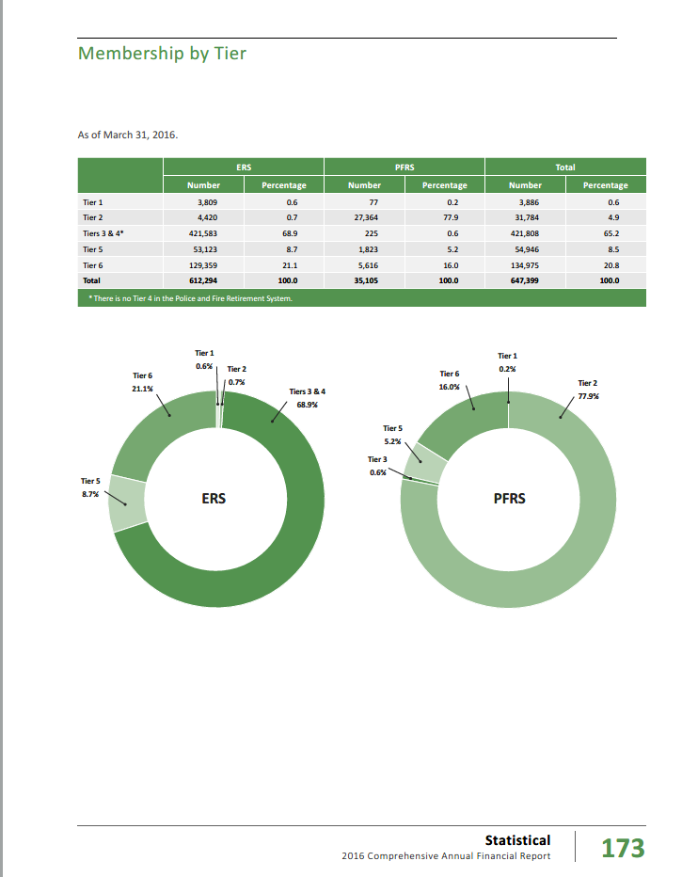
 | Tier 6 | 129,359 | 5,616 | 134,975
 | Total | 612,294 | 35,105 | 647,399
 |  | 612,294 | 35,105 | 647,399

 | Shares
 | Tier 1 | 0.6% | 0.2% | 0.6%
 | Tier 2 | 0.7% | 77.9% | 4.9%
 | Tiers 3 & 4 | 68.9% | 0.6% | 65.2%
 | Tier 5 | 8.7% | 5.2% | 8.5%
 | Tier 6 | 21.1% | 16.0% | 20.8%
 | Total | 100.0% | 100.0% | 100.0%

 | Share of actives - for weighting
 |  | ERS | PFRS | Total
 | Tier 1 | 0.6% | 0.2% | 0.6%
 | Tiers 2-4 | 69.6% | 78.6% | 70.1%
 | Tiers 5-6 | 29.8% | 21.2% | 29.3%
 | Total | 100.0% | 100.0% | 100.0%

singleValuesScreenshots
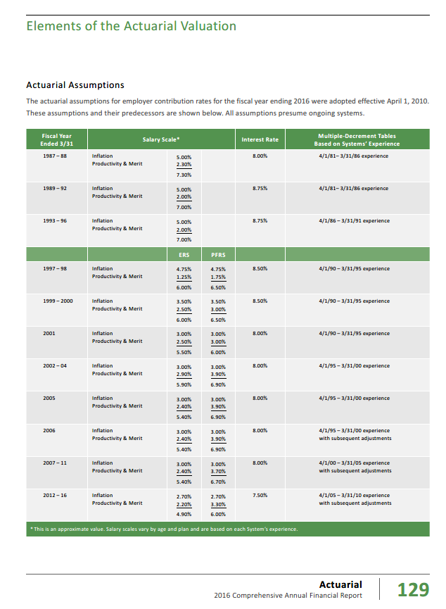
TOC

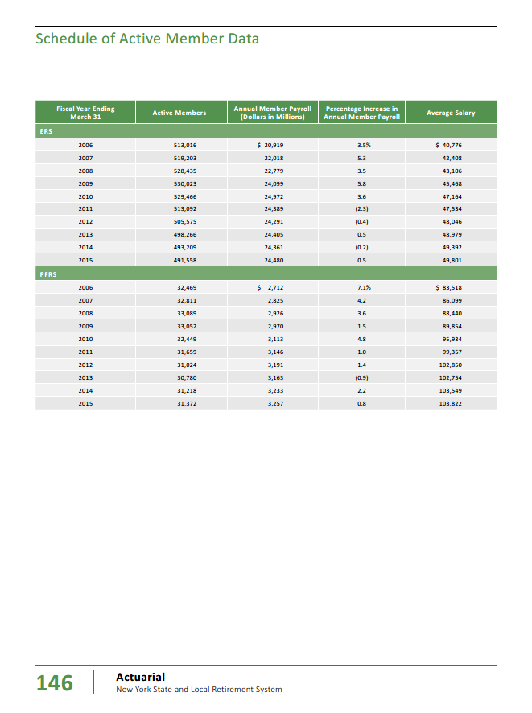

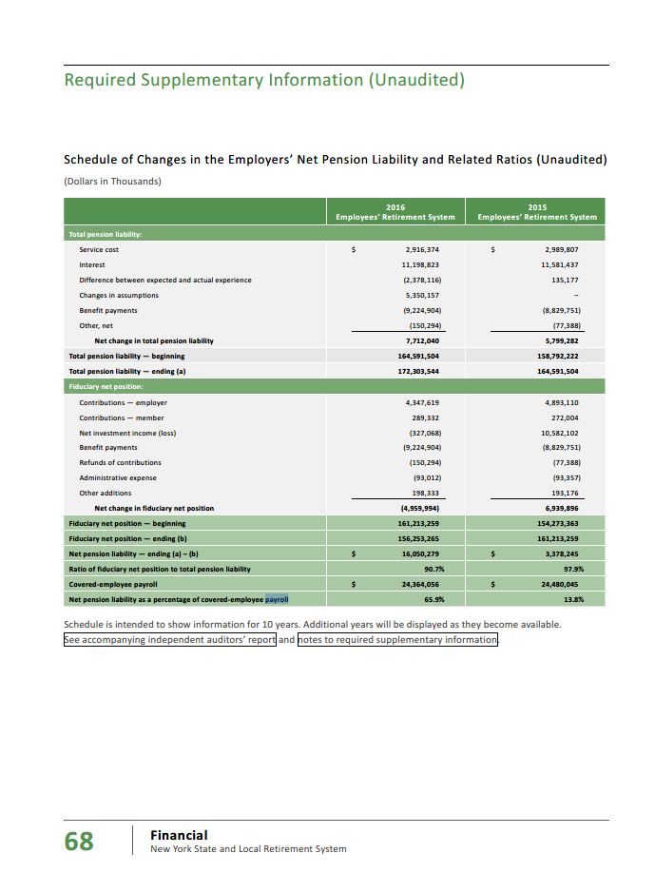

 | 24,364

erc_rule
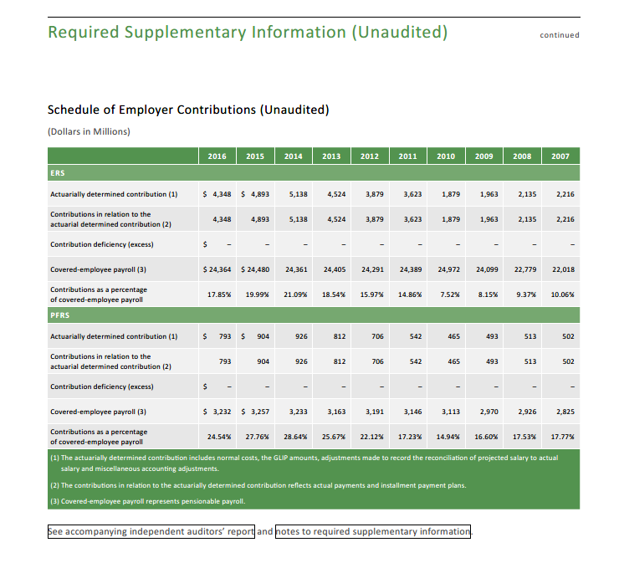
TOC
 | Governments pay the ADC

Actives_raw
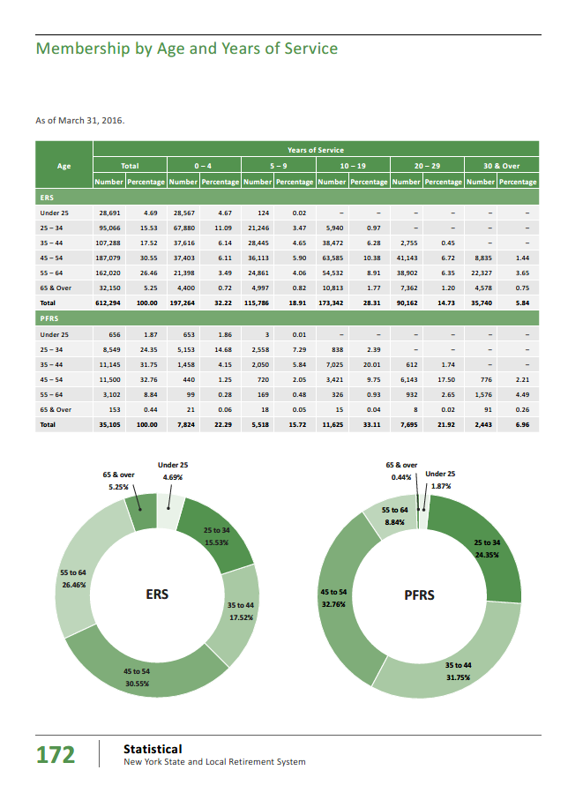
TOC
 |  | Total | Total | 0-4 | 0-4 | 5-9 | 5-9 | 10-19 | 10-19 | 20-29 | 20-29 | 30+ | 30+
 | ERS
 | Under 25 | 28,691 | 4.7 | 28,567 | 4.7 | 124
 | 25-34 | 95,066 | 15.5 | 67,880 | 11.1 | 21,246 | 3.5 | 5,940 | 1.0
 | 35 - 44 | 107,288 | 17.5 | 37,616 | 6.1 | 28,445 | 4.7 | 38,472 | 6.3 | 2,755 | 0.5
 | 45-54 | 187,079 | 30.6 | 37,403 | 6.1 | 36,113 | 5.9 | 63,585 | 10.4 | 41,143 | 6.7 | 8,835 | 1.4
 | 55 - 64 | 162,020 | 26.5 | 21,398 | 3.5 | 24,861 | 4.1 | 54,532 | 8.9 | 38,902 | 6.4 | 22,327 | 3.7
 | 65 & Over | 32,150 | 5.3 | 4,400 | 0.7 | 4,997 | 0.8 | 10,813 | 1.8 | 7,362 | 1.2 | 4,578 | 0.8
 | Total | 612,294 | 100.0 | 197,264 | 32.2 | 115,786 | 18.9 | 173,342 | 28.3 | 90,162 | 14.7 | 35,740 | 5.8
 | check | 612,294.0 | 100.0 | 197,264.0 | 32.2 | 115,786.0 | 18.9 | 173,342.0 | 28.3 | 90,162.0 | 14.7 | 35,740.0 | 5.8
 | PFRS
 | Under 25 | 656 | 1.9 | 653 | 1.9 | 3 | 0.0
 | 25 -34 | 8,549 | 24.4 | 5,153 | 14.7 | 2,558 | 7.3 | 838 | 2.4
 | 35-44 | 11,145 | 31.8 | 1,458 | 4.2 | 2,050 | 5.8 | 7,025 | 20.0 | 612 | 1.7
 | 45-54 | 11,500 | 32.8 | 440 | 1.3 | 720 | 2.1 | 3,421 | 9.8 | 6,143 | 17.5 | 776 | 2.2
 | 55-64 | 3,102 | 8.8 | 99 | 0.3 | 169 | 0.5 | 326 | 0.9 | 932 | 2.7 | 1,576 | 4.5
 | 65 & Over | 153 | 0.4 | 21 | 0.1 | 18 | 0.1 | 15 | 0.0 | 8 | 0.0 | 91 | 0.3
 | Total | 35,105 | 100.0 | 7,824 | 22.3 | 5,518 | 15.7 | 11,625 | 33.1 | 7,695 | 21.9 | 2,443 | 7.0
 | check | 35,105.0 | 100.0 | 7,824.0 | 22.3 | 5,518.0 | 15.7 | 11,625.0 | 33.1 | 7,695.0 | 21.9 | 2,443.0 | 7.0

 | Total | Total | Total | 0-4 | 0-4 | 5-9 | 5-9 | 10-19 | 10-19 | 20-29 | 20-29 | 30+ | 30+
 | Under 25 | 29,347 |  | 29,220 |  | 127 |  | - |  | - |  | -
 | 25 -34 | 103,615 |  | 73,033 |  | 23,804 |  | 6,778 |  | - |  | -
 | 35-44 | 118,433 |  | 39,074 |  | 30,495 |  | 45,497 |  | 3,367 |  | -
 | 45-54 | 198,579 |  | 37,843 |  | 36,833 |  | 67,006 |  | 47,286 |  | 9,611
 | 55-64 | 165,122 |  | 21,497 |  | 25,030 |  | 54,858 |  | 39,834 |  | 23,903
 | 65 & Over | 32,303 |  | 4,421 |  | 5,015 |  | 10,828 |  | 7,370 |  | 4,669
 | Total | 647,399 |  | 205,088 |  | 121,304 |  | 184,967 |  | 97,857 |  | 38,183

 | ERS |  | 0-4 | 5-9 | 10-19 | 20-29 | 30+ | Total
 | agegrp | age | 2 | 7 | 14 | 24 | 34
 | Under 25 | 22 | 28,567 | 124 |  |  |  | 28,691 | 28,691
 | 25 -34 | 29 | 67,880 | 21,246 | 5,940 |  |  | 95,066 | 95,066
 | 35-44 | 39 | 37,616 | 28,445 | 38,472 | 2,755 |  | 107,288 | 107,288
 | 45-54 | 49 | 37,403 | 36,113 | 63,585 | 41,143 | 8,835 | 187,079 | 187,079
 | 55-64 | 59 | 21,398 | 24,861 | 54,532 | 38,902 | 22,327 | 162,020 | 162,020
 | 65 & Over | 69 | 4,400 | 4,997 | 10,813 | 7,362 | 4,578 | 32,150 | 32,150
 | Total |  | 197,264 | 115,786 | 173,342 | 90,162 | 35,740 | 612,294 | 612,294
 |  |  | 197,264 | 115,786 | 173,342 | 90,162 | 35,740 | 612,294 | 612,294

 | PFRS |  | 0-4 | 5-9 | 10-19 | 20-29 | 30+ | Total
 | agegrp | age | 2 | 7 | 14 | 24 | 34
 | Under 25 | 22 | 653 | 3 |  |  |  | 656 | 656
 | 25 -34 | 29 | 5,153 | 2,558 | 838 |  |  | 8,549 | 8,549
 | 35-44 | 39 | 1,458 | 2,050 | 7,025 | 612 |  | 11,145 | 11,145
 | 45-54 | 49 | 440 | 720 | 3,421 | 6,143 | 776 | 11,500 | 11,500
 | 55-64 | 59 | 99 | 169 | 326 | 932 | 1,576 | 3,102 | 3,102
 | 65 & Over | 69 | 21 | 18 | 15 | 8 | 91 | 153 | 153
 | Total |  | 7,824 | 5,518 | 11,625 | 7,695 | 2,443 | 35,105 | 35,105
 |  |  | 7,824 | 5,518 | 11,625 | 7,695 | 2,443 | 35,105 | 35,105

 | Combined |  | 0-4 | 5-9 | 10-19 | 20-29 | 30+ | Total
 | agegrp | age | 2 | 7 | 14 | 24 | 34
 | Under 25 | 22 | 29,220 | 127 | - | - | - | 29,347 | 29,347
 | 25 -34 | 29 | 73,033 | 23,804 | 6,778 | - | - | 103,615 | 103,615
 | 35-44 | 39 | 39,074 | 30,495 | 45,497 | 3,367 | - | 118,433 | 118,433
 | 45-54 | 49 | 37,843 | 36,833 | 67,006 | 47,286 | 9,611 | 198,579 | 198,579
 | 55-64 | 59 | 21,497 | 25,030 | 54,858 | 39,834 | 23,903 | 165,122 | 165,122
 | 65 & Over | 69 | 4,421 | 5,015 | 10,828 | 7,370 | 4,669 | 32,303 | 32,303
 | Total |  | 205,088 | 121,304 | 184,967 | 97,857 | 38,183 | 647,399 | 647,399
 |  |  | 205,088 | 121,304 | 184,967 | 97,857 | 38,183 | 647,399 | 647,399

Retirees_raw
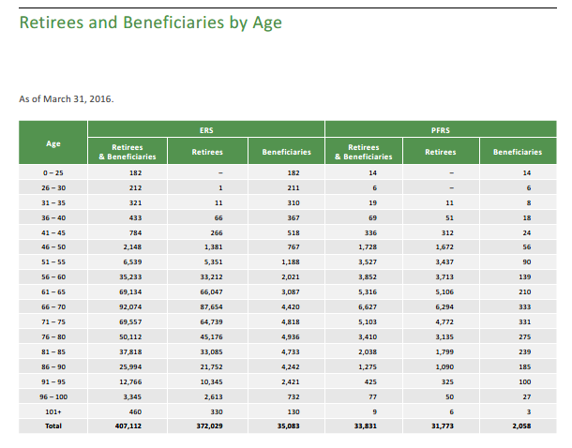
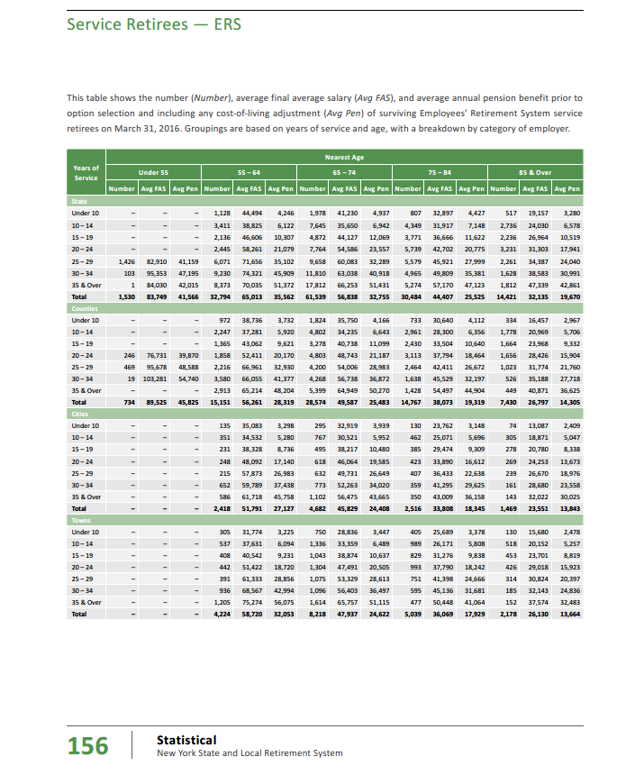
TOC
The cafr2016 has retirees by age and yos for ERS and PFRS, for service and disability, by level of government. There is a total all yos, for each group.
I use those total rows below and then calculate needed values |  |  |  |  |  |  |  |  |  |  |  |  |  |  |  |  |  | calc | calc | calc | calc | calc
Note that ERS and PFRS use different age categories
Note that the interleaving of ERS and PRFRS age groupings in the final table, below, leads to some erratic differences in avg benefits across age groups

service/disb | ERS/PFRS | govt | number | avgfas | avgpen | number | avgfas | avgpen | number | avgfas | avgpen | number | avgfas | avgpen | number | avgfas | avgpen | totpen | totpen | totpen | totpen | totpen
 |  |  | u55 | u55 | u55 | 55-64 | 55-64 | 55-64 | 65-74 | 65-74 | 65-74 | 75-84 | 75-84 | 75-84 | 85+ | 85+ | 85+ | u55 | 55-64 | 65-74 | 75-84 | 85+
service | ERS | state | 1,530 | 83,749 | 41,566 | 32,794 | 65,013 | 35,562 | 61,539 | 56,838 | 32,755 | 30,484 | 44,407 | 25,525 | 14,421 | 32,135 | 19,670 | 63,595,980 | 1,166,220,228 | 2,015,709,945 | 778,104,100 | 283,661,070
service | ERS | counties | 734 | 89,525 | 45,825 | 15,151 | 56,261 | 28,319 | 28,574 | 49,587 | 25,483 | 14,767 | 38,073 | 19,319 | 7,430 | 26,797 | 14,305 | 33,635,550 | 429,061,169 | 728,151,242 | 285,283,673 | 106,286,150
service | ERS | cities |  |  |  | 2,418 | 51,791 | 27,127 | 4,682 | 45,829 | 24,408 | 2,516 | 33,808 | 18,345 | 1,469 | 23,551 | 13,843 | - | 65,593,086 | 114,278,256 | 46,156,020 | 20,335,367
service | ERS | towns |  |  |  | 4,224 | 58,720 | 32,053 | 8,218 | 47,937 | 24,622 | 5,039 | 36,069 | 17,929 | 2,178 | 26,130 | 13,664 | - | 135,391,872 | 202,343,596 | 90,344,231 | 29,760,192
service | ERS | villages |  |  |  | 1,202 | 55,109 | 28,623 | 2,424 | 47,823 | 24,226 | 1,531 | 35,409 | 18,021 | 782 | 23,282 | 12,588 | - | 34,404,846 | 58,723,824 | 27,590,151 | 9,843,816
service | ERS | miscellaneous |  |  |  | 10,051 | 67,404 | 31,917 | 18,118 | 58,945 | 28,803 | 8,058 | 47,039 | 23,807 | 3,424 | 32,644 | 18,853 | - | 320,797,767 | 521,852,754 | 191,836,806 | 64,552,672
service | ERS | schools |  |  |  | 10,777 | 39,787 | 16,792 | 27,233 | 35,276 | 15,533 | 18,154 | 27,236 | 12,624 | 10,348 | 17,255 | 8,964 | - | 180,967,384 | 423,010,189 | 229,176,096 | 92,759,472

disability | ERS | state | 1,485 | 50,654 | 23,074 | 4,051 | 44,217 | 19,640 | 3,592 | 35,128 | 17,733 | 1,485 | 26,500 | 15,594 | 425 | 17,383 | 12,294 | 34,264,890 | 79,561,640 | 63,696,936 | 23,157,090 | 5,224,950
disability | ERS | counties | 715 | 63,180 | 32,541 | 1,477 | 49,405 | 22,999 | 1,138 | 36,629 | 17,839 | 459 | 26,696 | 14,794 | 126 | 16,882 | 11,518 | 23,266,815 | 33,969,523 | 20,300,782 | 6,790,446 | 1,451,268
disability | ERS | cities | 91 | 48,641 | 17,812 | 298 | 39,785 | 15,759 | 268 | 31,967 | 14,475 | 113 | 24,204 | 13,215 | 37 | 15,843 | 13,303 | 1,620,892 | 4,696,182 | 3,879,300 | 1,493,295 | 492,211
disability | ERS | towns | 203 | 54,150 | 20,401 | 456 | 48,138 | 19,492 | 334 | 37,015 | 18,307 | 129 | 28,005 | 15,935 | 43 | 18,516 | 12,403 | 4,141,403 | 8,888,352 | 6,114,538 | 2,055,615 | 533,329
disability | ERS | villages | 54 | 52,456 | 19,213 | 131 | 49,461 | 20,077 | 105 | 34,087 | 17,576 | 53 | 24,984 | 16,452 | 11 | 24,089 | 17,519 | 1,037,502 | 2,630,087 | 1,845,480 | 871,956 | 192,709
disability | ERS | miscellaneous | 257 | 50,167 | 18,241 | 805 | 48,892 | 18,697 | 573 | 41,091 | 16,255 | 177 | 28,505 | 14,747 | 38 | 19,563 | 12,586 | 4,687,937 | 15,051,085 | 9,314,115 | 2,610,219 | 478,268
disability | ERS | schools | 252 | 41,918 | 15,185 | 978 | 35,260 | 12,917 | 899 | 29,836 | 11,194 | 372 | 22,189 | 9,758 | 129 | 14,350 | 8,875 | 3,826,620 | 12,632,826 | 10,063,406 | 3,629,976 | 1,144,875

 | ERS TOTAL |  | 5,321 |  |  | 84,813 |  |  | 157,697 |  |  | 83,337 |  |  | 40,861 |  |  | 170,077,589 | 2,489,866,047 | 4,179,284,363 | 1,689,099,674 | 616,716,349

 |  |  | u40 | u40 | u40 | 40-49 | 40-49 | 40-49 | 50-59 | 50-59 | 50-59 | 60-69 | 60-69 | 60-69 | 70+ | 70+ | 70+ | u40 | 40-49 | 50-59 | 60-69 | 70+
service | PFRS | state |  |  |  | 131 | 126,397 | 68,201 | 1,024 | 117,231 | 70,017 | 1,144 | 92,420 | 59,524 | 1,877 | 44,779 | 33,812 | - | 8,934,331 | 71,697,408 | 68,095,456 | 63,465,124
service | PFRS | counties |  |  |  | 81 | 155,641 | 82,038 | 715 | 159,700 | 94,591 | 1,823 | 131,145 | 88,732 | 2,346 | 79,299 | 56,927 | - | 6,645,078 | 67,632,565 | 161,758,436 | 133,550,742
service | PFRS | cities |  |  |  | 385 | 99,029 | 50,642 | 2,057 | 91,319 | 49,781 | 3,489 | 76,037 | 47,050 | 3,980 | 48,271 | 35,221 | - | 19,497,170 | 102,399,517 | 164,157,450 | 140,179,580
service | PFRS | towns |  |  |  | 110 | 110,733 | 56,192 | 679 | 97,863 | 51,197 | 931 | 85,057 | 51,472 | 814 | 54,358 | 37,218 | - | 6,181,120 | 34,762,763 | 47,920,432 | 30,295,452
service | PFRS | villages |  |  |  | 127 | 99,964 | 50,774 | 611 | 92,998 | 47,853 | 879 | 79,138 | 45,989 | 900 | 47,343 | 32,639 | - | 6,448,298 | 29,238,183 | 40,424,331 | 29,375,100
service | PFRS | miscellaneous |  |  |  | 21 | 145,421 | 74,968 | 240 | 140,937 | 80,209 | 749 | 132,199 | 81,620 | 571 | 70,348 | 50,225 | - | 1,574,328 | 19,250,160 | 61,133,380 | 28,678,475
service | PFRS | schools

disability | PFRS | state | 7 | 77,934 | 46,184 | 64 | 92,304 | 58,202 | 182 | 74,986 | 47,388 | 192 | 57,918 | 38,750 | 324 | 32,740 | 29,089 | 323,288 | 3,724,928 | 8,624,616 | 7,440,000 | 9,424,836
disability | PFRS | counties | 10 | 124,090 | 83,585 | 153 | 119,692 | 82,367 | 322 | 116,649 | 80,675 | 481 | 71,971 | 55,936 | 543 | 52,735 | 46,182 | 835,850 | 12,602,151 | 25,977,350 | 26,905,216 | 25,076,826
disability | PFRS | cities | 17 | 84,449 | 54,041 | 216 | 77,399 | 47,728 | 580 | 73,081 | 46,594 | 698 | 52,729 | 36,886 | 613 | 37,724 | 32,053 | 918,697 | 10,309,248 | 27,024,520 | 25,746,428 | 19,648,489
disability | PFRS | towns | 2 | 104,104 | 78,411 | 89 | 88,453 | 56,578 | 192 | 82,163 | 53,033 | 211 | 60,876 | 42,635 | 140 | 42,236 | 36,286 | 156,822 | 5,035,442 | 10,182,336 | 8,995,985 | 5,080,040
disability | PFRS | villages | 7 | 81,453 | 51,713 | 82 | 83,984 | 53,043 | 183 | 78,022 | 50,245 | 186 | 58,227 | 41,213 | 143 | 37,192 | 31,659 | 361,991 | 4,349,526 | 9,194,835 | 7,665,618 | 4,527,237
disability | PFRS | miscellaneous | 1 | 109,199 | 54,599 | 66 | 110,467 | 76,621 | 126 | 112,567 | 77,263 | 195 | 87,690 | 63,356 | 64 | 62,553 | 48,676 | 54,599 | 5,056,986 | 9,735,138 | 12,354,420 | 3,115,264
disability | PFRS | schools

 | PFRS TOTAL |  | 44 |  |  | 1,525 |  |  | 6,911 |  |  | 10,978 |  |  | 12,315 |  |  | 2,651,247 | 90,358,606 | 415,719,391 | 632,597,152 | 492,417,165

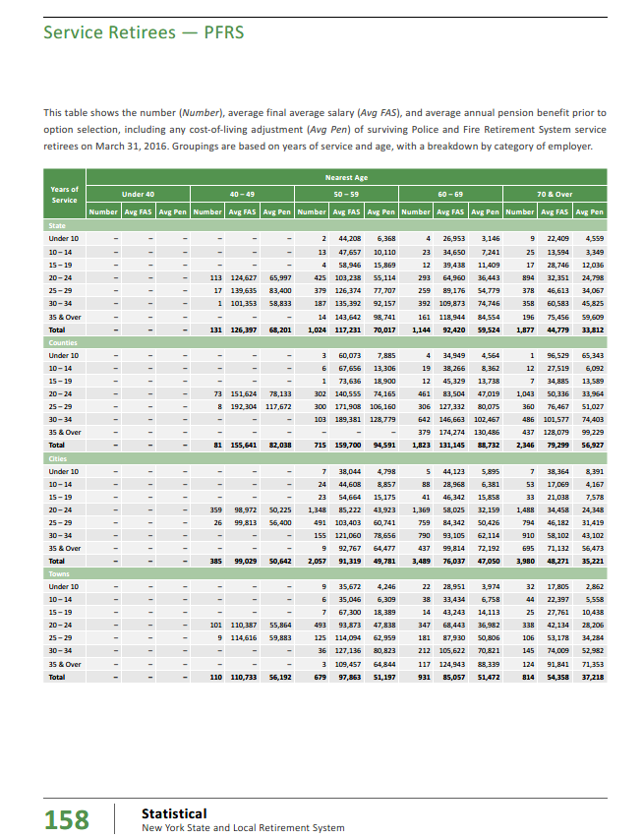
 |  |  | Final calculations of retirees and benefits by age

 |  | agegrp | age.cell | number | benefit | total benefit | avg age calc
 | ERS | u55 | 52 | 5,321 | 31,963 | 170,077,589 | 0.7
 | ERS | 55-64 | 59 | 84,813 | 29,357 | 2,489,866,047 | 13.5
 | ERS | 65-74 | 69 | 157,697 | 26,502 | 4,179,284,363 | 29.2
 | ERS | 75-84 | 79 | 83,337 | 20,268 | 1,689,099,674 | 17.7
 | ERS | 85+ | 87 | 40,861 | 15,093 | 616,716,349 | 9.6

 |  | sum |  | 372,029 | 24,582 | 9,145,044,022 | 70.7

 | PFRS | u40 | 38 | 44 | 60,256 | 2,651,247 | 0.1
 | PFRS | 40-49 | 45 | 1,525 | 59,252 | 90,358,606 | 2.2
 | PFRS | 50-59 | 55 | 6,911 | 60,153 | 415,719,391 | 12.0
 | PFRS | 60-69 | 65 | 10,978 | 57,624 | 632,597,152 | 22.5
 | PFRS | 70+ | 72 | 12,315 | 39,985 | 492,417,165 | 27.9

 |  | sum |  | 31,773 | 51,419 | 1,633,743,561 | 64.5

 |  |  | Reality check on results -- see table at right
 |  |  |  | retirees | beneficiaries | R&B
 |  |  | ERS | 372,029 | 35,083 | 407,112
 |  |  | PFRS | 31,773 | 2,058 | 33,831
 |  |  |  | 403,802 | 37,141 | 440,943

 |  |  | So my table leaves out beneficiaries

SalaryGrowth_raw
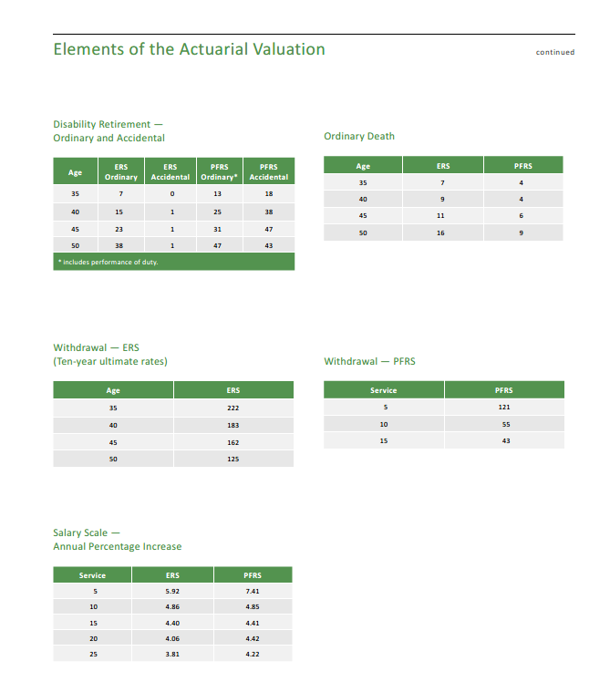
TOC

 |  | 94.00%
 | yos | ers | pfrs | wtd
 | - | 5.92 | 7.41 | 6.01%
 | 5 | 5.92 | 7.41 | 6.01%
 | 10 | 4.86 | 4.85 | 4.86%
 | 15 | 4.40 | 4.41 | 4.40%
 | 20 | 4.06 | 4.42 | 4.08%
 | 25 | 3.81 | 4.22 | 3.83%

 | yos | ers | pfrs
 | - | 5.9% | 7.4%
 | 5 | 5.9% | 7.4%
 | 10 | 4.9% | 4.8%
 | 15 | 4.4% | 4.4%
 | 20 | 4.1% | 4.4%
 | 25 | 3.8% | 4.2%

TermRates_raw
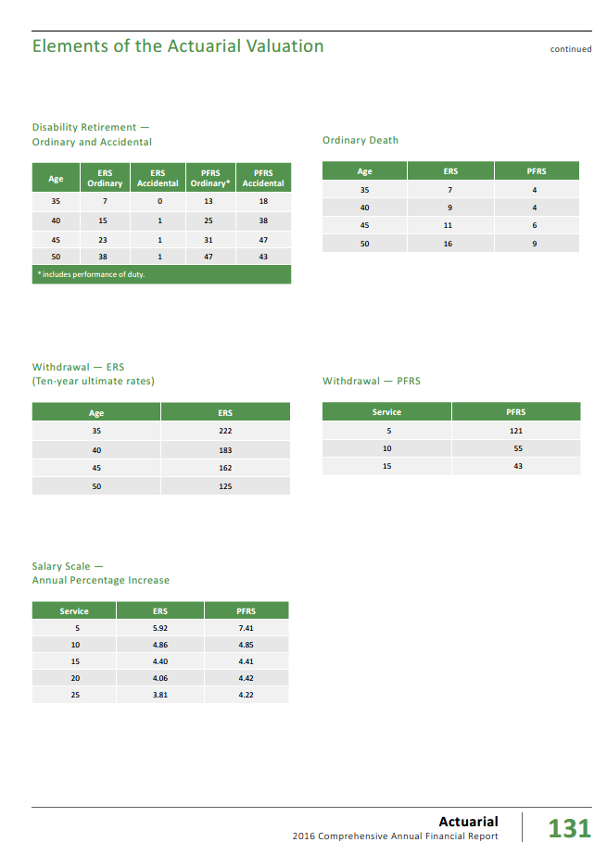
TOC
 | ERS |  | PFRS
 | age | rate | yos | rate
 | 35 | 222 | 5 | 121
 | 40 | 183 | 10 | 55
 | 45 | 162 | 15 | 43
 | 50 | 125

 | As fraction rather than per 10,000
 | ERS |  | PFRS
 | age | rate | yos | rate
 | 35 | 0.022 | 5 | 0.012
 | 40 | 0.018 | 10 | 0.006
 | 45 | 0.016 | 15 | 0.004
 | 50 | 0.013

RetirementRates_raw
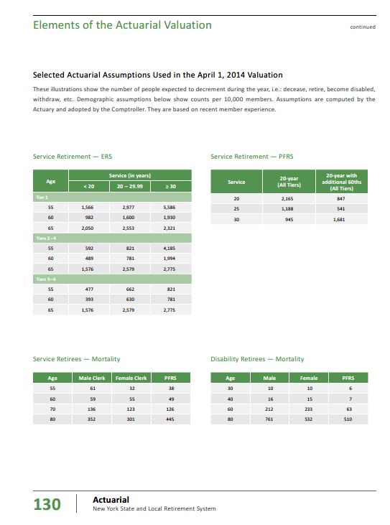
TOC
 | Share of actives - for weighting
 |  | ERS | PFRS | Total
 | Tier 1 | 0.6% | 0.2% | 0.6%
 | Tiers 2-4 | 69.6% | 78.6% | 70.1%
 | Tiers 5-6 | 29.8% | 21.2% | 29.3%
 | Total | 100.0% | 100.0% | 100.0%

 | Yimeng, I only do ERS here

 | ERS
 | yos | <20 | 20-29 | 30+
 | age
 | Tier | 1
 | 55 | 1,566 | 2,977 | 5,586
 | 60 | 982 | 1,600 | 1,930
 | 65 | 2,050 | 2,553 | 2,321
 | Tiers | 2–4
 | 55 | 592 | 821 | 4,185
 | 60 | 489 | 781 | 1,994
 | 65 | 1,576 | 2,579 | 2,775
 | Tiers | 5–6
 | 55 | 477 | 662 | 821
 | 60 | 393 | 630 | 781
 | 65 | 1,576 | 2,579 | 2,775

 | ERS values, multiplied by each tier's weight
 |  | <20 | 20-29 | 30+
 |  | 20 | 25 | 35
Tier 1 | 55 | 9.7 | 18.5 | 34.7
Tier 1 | 60 | 6.1 | 10.0 | 12.0
Tier 1 | 65 | 12.8 | 15.9 | 14.4

Tiers 2-4 | 55 | 411.9 | 571.2 | 2,911.7
Tiers 2-4 | 60 | 340.2 | 543.4 | 1,387.3
Tiers 2-4 | 65 | 1,096.5 | 1,794.3 | 1,930.7

Tiers 5-6 | 55 | 142.2 | 197.3 | 244.7
Tiers 5-6 | 60 | 117.1 | 187.8 | 232.8
Tiers 5-6 | 65 | 469.7 | 768.6 | 827.0

sum | 55 | 563.8 | 787.0 | 3,191.1
sum | 60 | 463.5 | 741.1 | 1,632.1
sum | 65 | 1,578.9 | 2,578.8 | 2,772.2

 | Final ERS table, converted to fractions, from per-10,000
 | yosgrp--> | <20 | 20-29 | 30+
 | yos--> | 20 | 25 | 35
 | age
 | 55 | 0.056 | 0.079 | 0.319
 | 60 | 0.046 | 0.074 | 0.163
 | 65 | 0.158 | 0.258 | 0.277

MortalityInfo
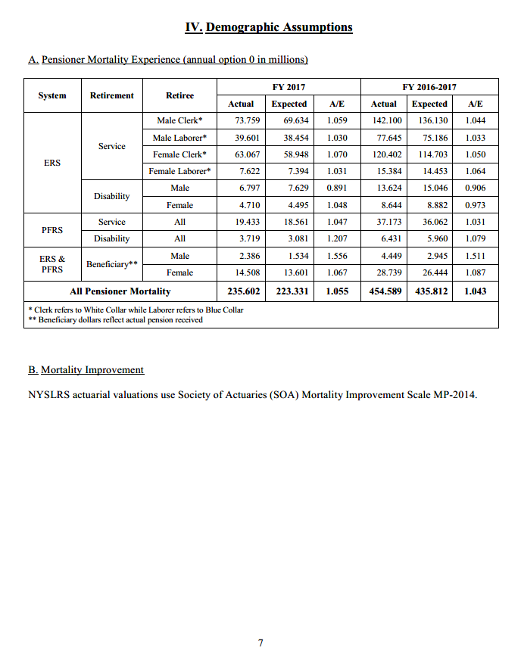
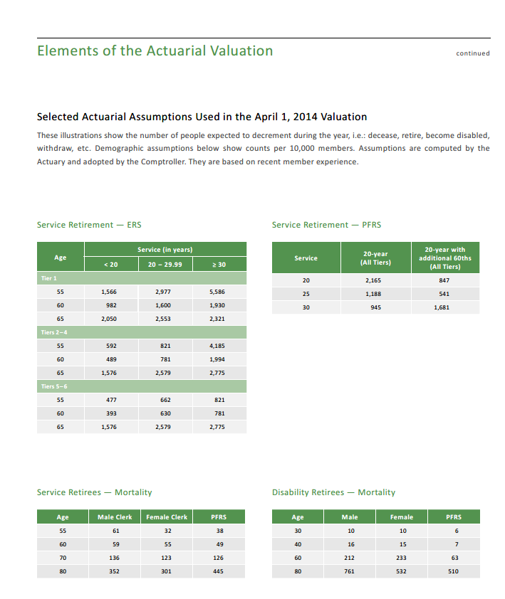
TOC
 | Screenshots of assumptions about mortality tables
 | We want to know table and scaling used

 |  | AV 2017 screenshot below

