single_calculations
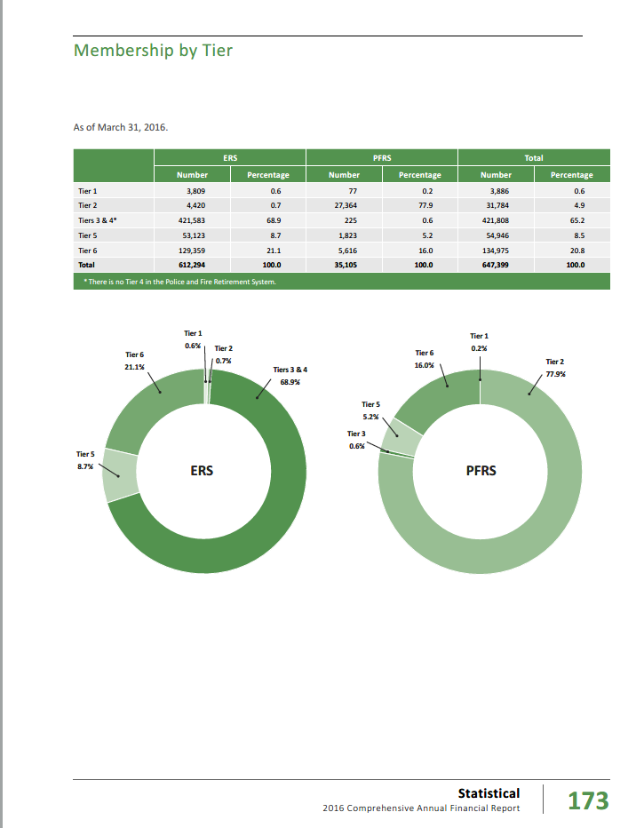
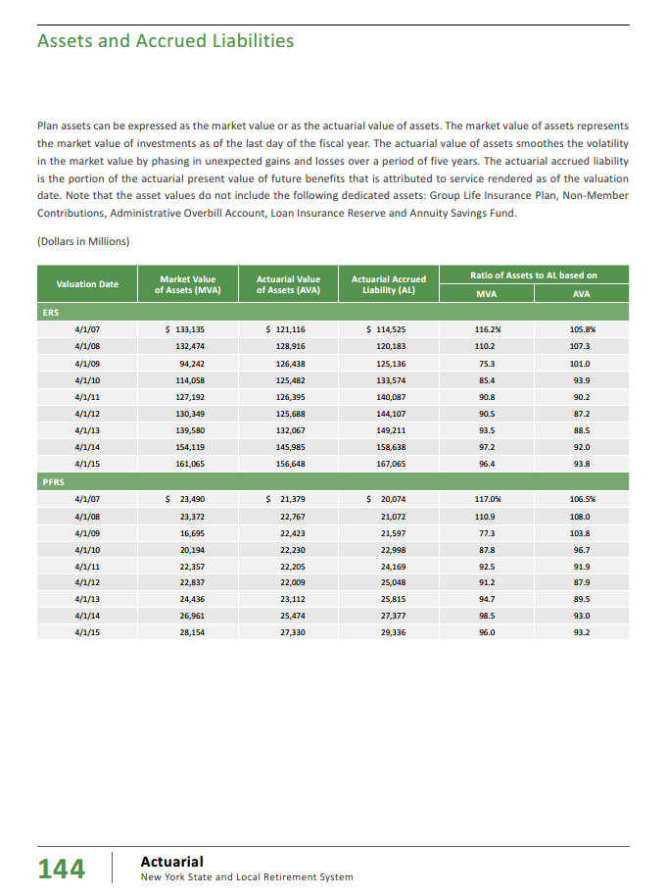
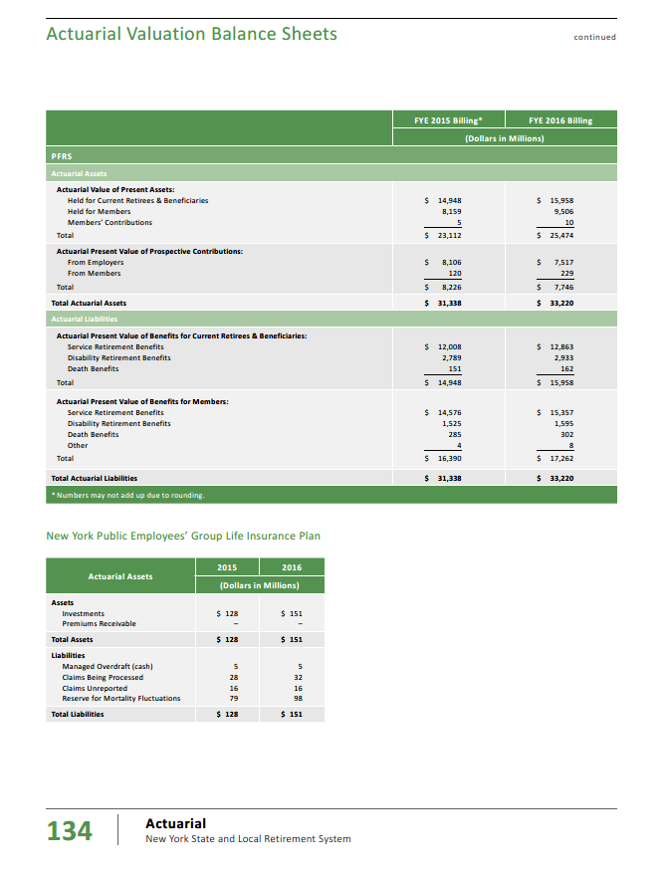
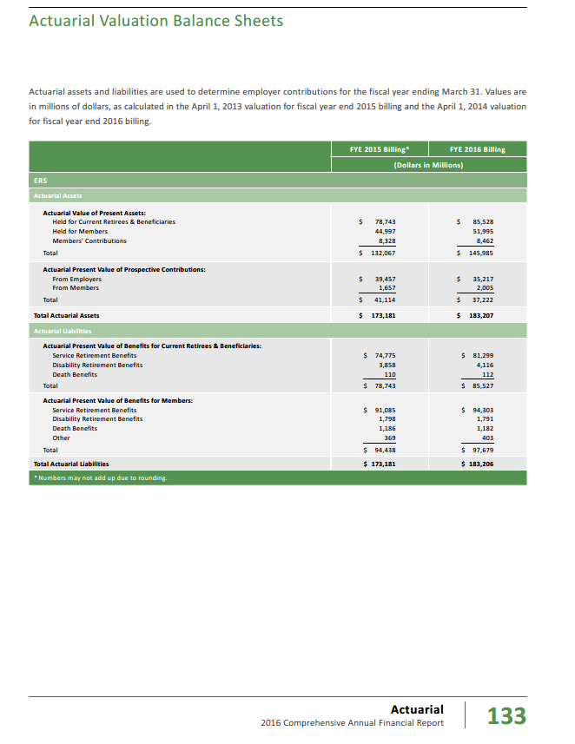
TOC
 | Relative size measures
 |  | ERS | PFRS | Total
 | AVA | 183,207 | 33,220 | 216,427
 | % | 84.7% | 15.3% | 100.0%

 | Actives 2015 | 491,558 | 31,372 | 522,930 | cafr2016 n146
 |  | 94.0% | 6.0% | 100.0%
 | Use this for weighting

 | Productivity & merit | 2.2% | 3.3%
 | wtd | 2.1% | 0.2% | 2.3%

 | `

 | AL_active | 81,538 | 13,378 | 94,916 | from below
 | AL_retired | 85,527 | 15,958 | 101,485 | from below
 | AL_total | 167,065 | 29,336 | 196,401 | from below
 | PVB_active | 97,679 | 17,262 | 114,941 | from below
 | PVB_retired | 85,527 | 15,958 | 101,485 | from below
 | PVFNC_active | 16,141 | 3,884 | 20,025 | from below
 | payroll | 24,364 | 3,233 | 27,597

 | Piecing together PVB vs AL
 | AAL per p.146 | 167,065 | 29,336 | 196,401
 | APV per p.133 | 183,206 | 33,220 | 216,426
 | implied pvfnc | 16,141 | 3,884 | 20,025

 | APV_active | 97,679 | 17,262 | 114,941 | I would call this pvb
 | APV_retired | 85,527 | 15,958 | 101,485 | I would call this pvb
 | APV_total | 183,206 | 33,220 | 216,426 | I would call this pvb

 | Implied AL
 | AL_active | 81,538 | 13,378 | 94,916
 | AL_retired | 85,527 | 15,958 | 101,485
 | AL_total | 167,065 | 29,336 | 196,401

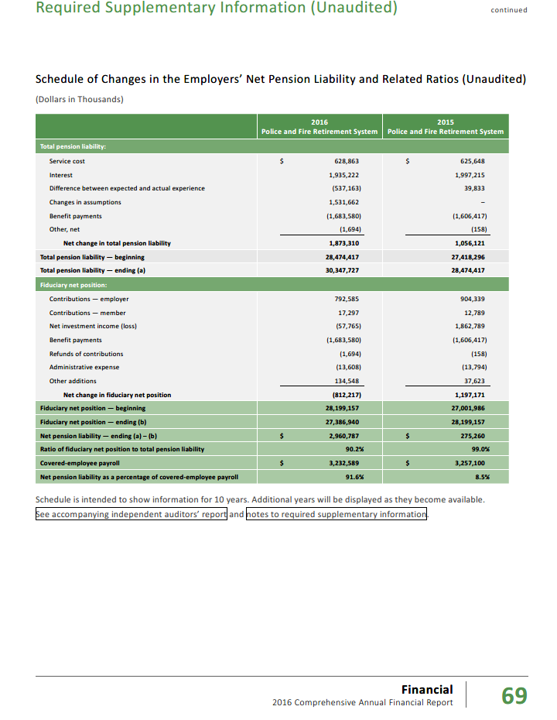
 | Tier 1 | 3,809 | 77 | 3,886
 | Tier 2 | 4,420 | 27,364 | 31,784
 | Tiers 3 & 4 | 421,583 | 225 | 421,808
 | Tier 5 | 53,123 | 1,823 | 54,946
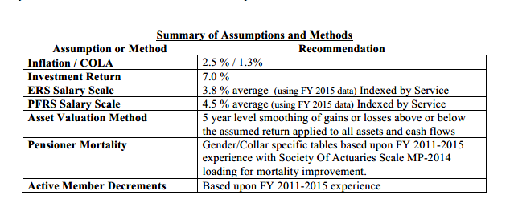
 | Tier 6 | 129,359 | 5,616 | 134,975
 | Total | 612,294 | 35,105 | 647,399
 |  | 612,294 | 35,105 | 647,399

 | Shares
 | Tier 1 | 0.6% | 0.2% | 0.6%
 | Tier 2 | 0.7% | 77.9% | 4.9%
 | Tiers 3 & 4 | 68.9% | 0.6% | 65.2%
 | Tier 5 | 8.7% | 5.2% | 8.5%
 | Tier 6 | 21.1% | 16.0% | 20.8%
 | Total | 100.0% | 100.0% | 100.0%

 | Share of actives - for weighting
 |  | ERS | PFRS | Total
 | Tier 1 | 0.6% | 0.2% | 0.6%
 | Tiers 2-4 | 69.6% | 78.6% | 70.1%
 | Tiers 5-6 | 29.8% | 21.2% | 29.3%
 | Total | 100.0% | 100.0% | 100.0%

singleValuesScreenshots
TOC
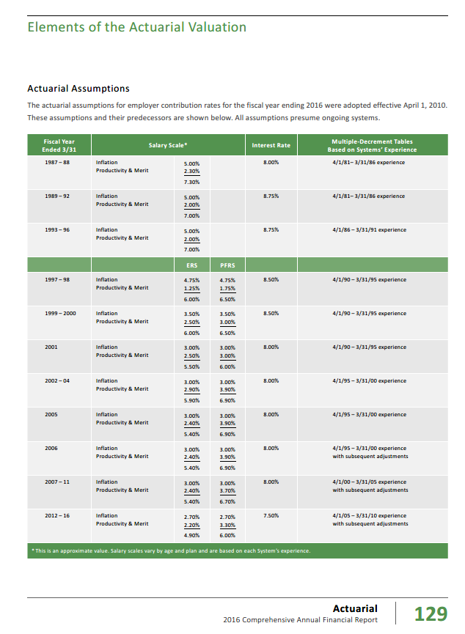

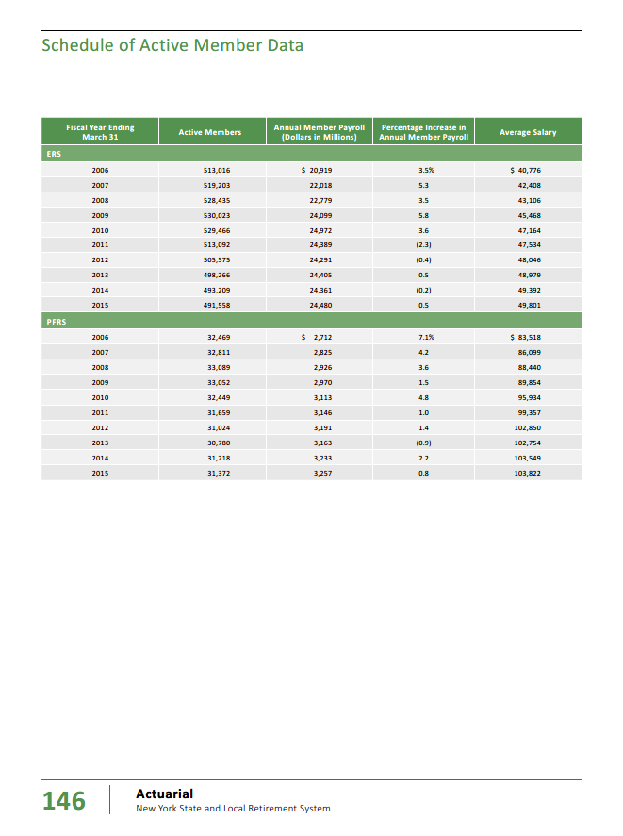

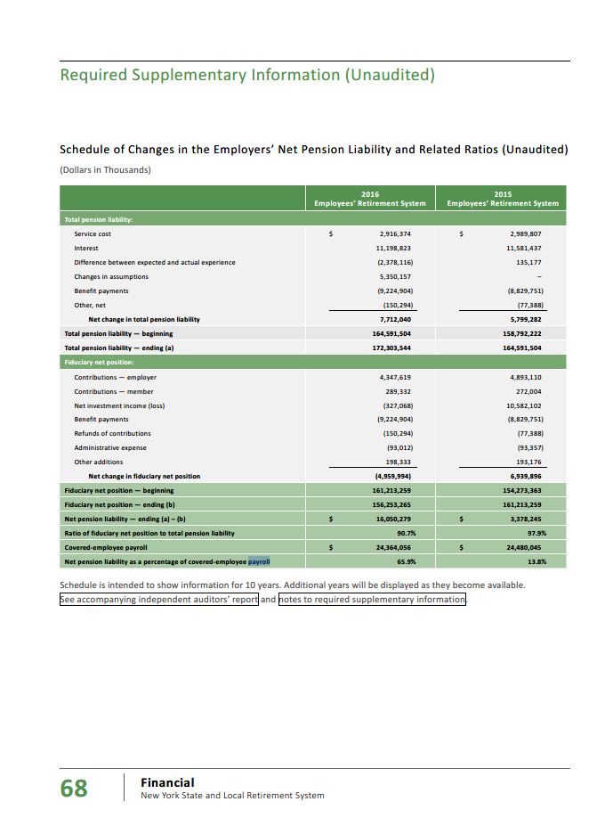

 | 24,364

erc_rule
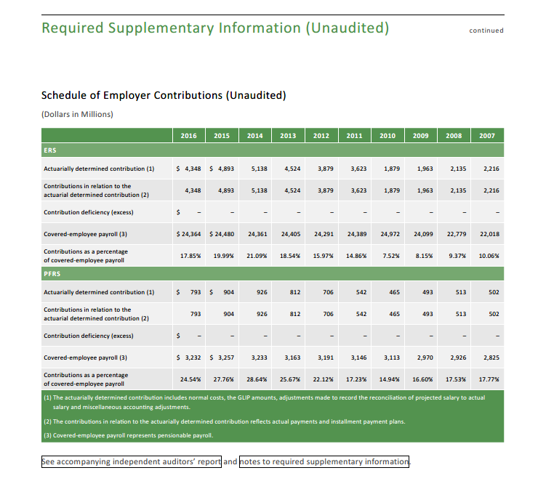
TOC
 | Governments pay the ADC

Actives_raw
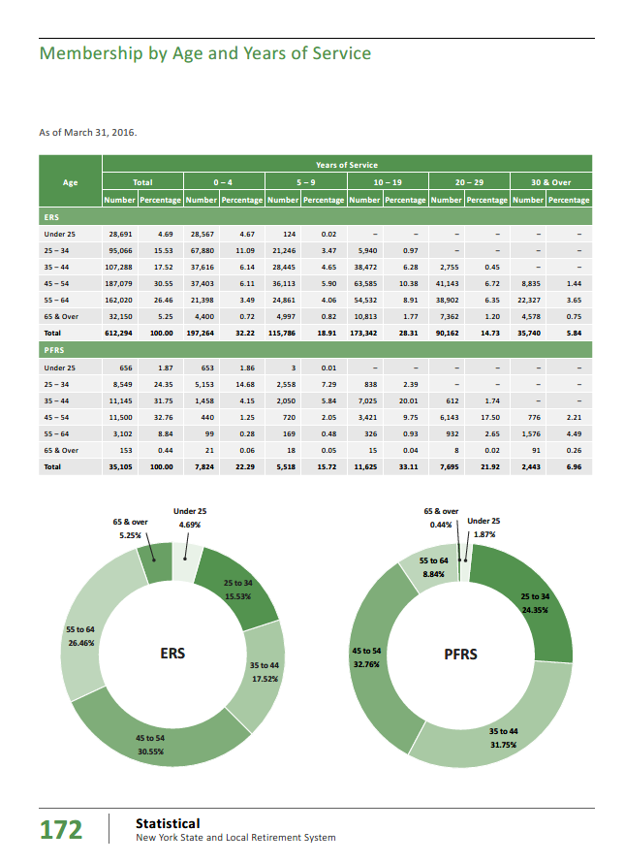
TOC
 |  | Total | Total | 0-4 | 0-4 | 5-9 | 5-9 | 10-19 | 10-19 | 20-29 | 20-29 | 30+ | 30+
 | ERS
 | Under 25 | 28,691 | 4.7 | 28,567 | 4.7 | 124
 | 25-34 | 95,066 | 15.5 | 67,880 | 11.1 | 21,246 | 3.5 | 5,940 | 1.0
 | 35 - 44 | 107,288 | 17.5 | 37,616 | 6.1 | 28,445 | 4.7 | 38,472 | 6.3 | 2,755 | 0.5
 | 45-54 | 187,079 | 30.6 | 37,403 | 6.1 | 36,113 | 5.9 | 63,585 | 10.4 | 41,143 | 6.7 | 8,835 | 1.4
 | 55 - 64 | 162,020 | 26.5 | 21,398 | 3.5 | 24,861 | 4.1 | 54,532 | 8.9 | 38,902 | 6.4 | 22,327 | 3.7
 | 65 & Over | 32,150 | 5.3 | 4,400 | 0.7 | 4,997 | 0.8 | 10,813 | 1.8 | 7,362 | 1.2 | 4,578 | 0.8
 | Total | 612,294 | 100.0 | 197,264 | 32.2 | 115,786 | 18.9 | 173,342 | 28.3 | 90,162 | 14.7 | 35,740 | 5.8
 | check | 612,294.0 | 100.0 | 197,264.0 | 32.2 | 115,786.0 | 18.9 | 173,342.0 | 28.3 | 90,162.0 | 14.7 | 35,740.0 | 5.8
 | PFRS
 | Under 25 | 656 | 1.9 | 653 | 1.9 | 3 | 0.0
 | 25 -34 | 8,549 | 24.4 | 5,153 | 14.7 | 2,558 | 7.3 | 838 | 2.4
 | 35-44 | 11,145 | 31.8 | 1,458 | 4.2 | 2,050 | 5.8 | 7,025 | 20.0 | 612 | 1.7
 | 45-54 | 11,500 | 32.8 | 440 | 1.3 | 720 | 2.1 | 3,421 | 9.8 | 6,143 | 17.5 | 776 | 2.2
 | 55-64 | 3,102 | 8.8 | 99 | 0.3 | 169 | 0.5 | 326 | 0.9 | 932 | 2.7 | 1,576 | 4.5
 | 65 & Over | 153 | 0.4 | 21 | 0.1 | 18 | 0.1 | 15 | 0.0 | 8 | 0.0 | 91 | 0.3
 | Total | 35,105 | 100.0 | 7,824 | 22.3 | 5,518 | 15.7 | 11,625 | 33.1 | 7,695 | 21.9 | 2,443 | 7.0
 | check | 35,105.0 | 100.0 | 7,824.0 | 22.3 | 5,518.0 | 15.7 | 11,625.0 | 33.1 | 7,695.0 | 21.9 | 2,443.0 | 7.0

 | Total | Total | Total | 0-4 | 0-4 | 5-9 | 5-9 | 10-19 | 10-19 | 20-29 | 20-29 | 30+ | 30+
 | Under 25 | 29,347 |  | 29,220 |  | 127 |  | - |  | - |  | -
 | 25 -34 | 103,615 |  | 73,033 |  | 23,804 |  | 6,778 |  | - |  | -
 | 35-44 | 118,433 |  | 39,074 |  | 30,495 |  | 45,497 |  | 3,367 |  | -
 | 45-54 | 198,579 |  | 37,843 |  | 36,833 |  | 67,006 |  | 47,286 |  | 9,611
 | 55-64 | 165,122 |  | 21,497 |  | 25,030 |  | 54,858 |  | 39,834 |  | 23,903
 | 65 & Over | 32,303 |  | 4,421 |  | 5,015 |  | 10,828 |  | 7,370 |  | 4,669
 | Total | 647,399 |  | 205,088 |  | 121,304 |  | 184,967 |  | 97,857 |  | 38,183

 | ERS |  | 0-4 | 5-9 | 10-19 | 20-29 | 30+ | Total
 | agegrp | age | 2 | 7 | 14 | 24 | 34
 | Under 25 | 22 | 28,567 | 124 |  |  |  | 28,691 | 28,691
 | 25 -34 | 29 | 67,880 | 21,246 | 5,940 |  |  | 95,066 | 95,066
 | 35-44 | 39 | 37,616 | 28,445 | 38,472 | 2,755 |  | 107,288 | 107,288
 | 45-54 | 49 | 37,403 | 36,113 | 63,585 | 41,143 | 8,835 | 187,079 | 187,079
 | 55-64 | 59 | 21,398 | 24,861 | 54,532 | 38,902 | 22,327 | 162,020 | 162,020
 | 65 & Over | 69 | 4,400 | 4,997 | 10,813 | 7,362 | 4,578 | 32,150 | 32,150
 | Total |  | 197,264 | 115,786 | 173,342 | 90,162 | 35,740 | 612,294 | 612,294
 |  |  | 197,264 | 115,786 | 173,342 | 90,162 | 35,740 | 612,294 | 612,294

 | PFRS |  | 0-4 | 5-9 | 10-19 | 20-29 | 30+ | Total
 | agegrp | age | 2 | 7 | 14 | 24 | 34
 | Under 25 | 22 | 653 | 3 |  |  |  | 656 | 656
 | 25 -34 | 29 | 5,153 | 2,558 | 838 |  |  | 8,549 | 8,549
 | 35-44 | 39 | 1,458 | 2,050 | 7,025 | 612 |  | 11,145 | 11,145
 | 45-54 | 49 | 440 | 720 | 3,421 | 6,143 | 776 | 11,500 | 11,500
 | 55-64 | 59 | 99 | 169 | 326 | 932 | 1,576 | 3,102 | 3,102
 | 65 & Over | 69 | 21 | 18 | 15 | 8 | 91 | 153 | 153
 | Total |  | 7,824 | 5,518 | 11,625 | 7,695 | 2,443 | 35,105 | 35,105
 |  |  | 7,824 | 5,518 | 11,625 | 7,695 | 2,443 | 35,105 | 35,105

 | Combined |  | 0-4 | 5-9 | 10-19 | 20-29 | 30+ | Total
 | agegrp | age | 2 | 7 | 14 | 24 | 34
 | Under 25 | 22 | 29,220 | 127 | - | - | - | 29,347 | 29,347
 | 25 -34 | 29 | 73,033 | 23,804 | 6,778 | - | - | 103,615 | 103,615
 | 35-44 | 39 | 39,074 | 30,495 | 45,497 | 3,367 | - | 118,433 | 118,433
 | 45-54 | 49 | 37,843 | 36,833 | 67,006 | 47,286 | 9,611 | 198,579 | 198,579
 | 55-64 | 59 | 21,497 | 25,030 | 54,858 | 39,834 | 23,903 | 165,122 | 165,122
 | 65 & Over | 69 | 4,421 | 5,015 | 10,828 | 7,370 | 4,669 | 32,303 | 32,303
 | Total |  | 205,088 | 121,304 | 184,967 | 97,857 | 38,183 | 647,399 | 647,399
 |  |  | 205,088 | 121,304 | 184,967 | 97,857 | 38,183 | 647,399 | 647,399

Retirees_raw
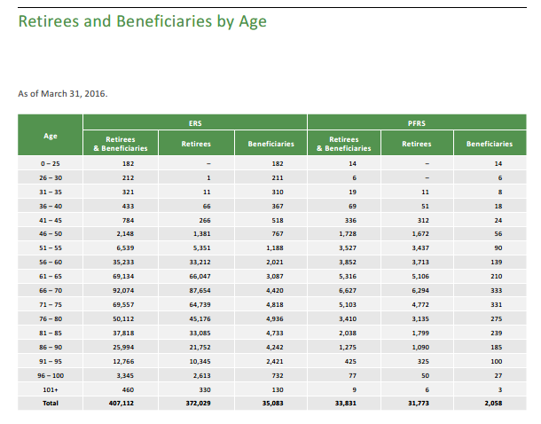
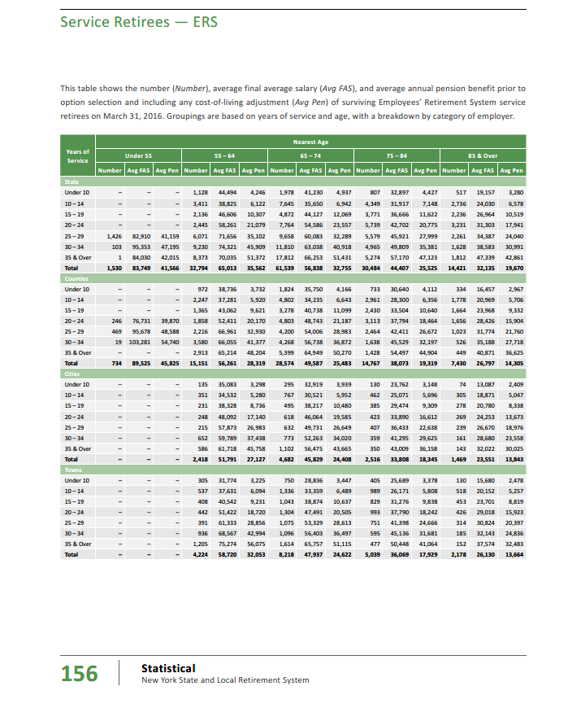
TOC
The cafr2016 has retirees by age and yos for ERS and PFRS, for service and disability, by level of government. There is a total all yos, for each group.
I use those total rows below and then calculate needed values |  |  |  |  |  |  |  |  |  |  |  |  |  |  |  |  |  | calc | calc | calc | calc | calc
Note that ERS and PFRS use different age categories
Note that the interleaving of ERS and PRFRS age groupings in the final table, below, leads to some erratic differences in avg benefits across age groups

service/disb | ERS/PFRS | govt | number | avgfas | avgpen | number | avgfas | avgpen | number | avgfas | avgpen | number | avgfas | avgpen | number | avgfas | avgpen | totpen | totpen | totpen | totpen | totpen
 |  |  | u55 | u55 | u55 | 55-64 | 55-64 | 55-64 | 65-74 | 65-74 | 65-74 | 75-84 | 75-84 | 75-84 | 85+ | 85+ | 85+ | u55 | 55-64 | 65-74 | 75-84 | 85+
service | ERS | state | 1,530 | 83,749 | 41,566 | 32,794 | 65,013 | 35,562 | 61,539 | 56,838 | 32,755 | 30,484 | 44,407 | 25,525 | 14,421 | 32,135 | 19,670 | 63,595,980 | 1,166,220,228 | 2,015,709,945 | 778,104,100 | 283,661,070
service | ERS | counties | 734 | 89,525 | 45,825 | 15,151 | 56,261 | 28,319 | 28,574 | 49,587 | 25,483 | 14,767 | 38,073 | 19,319 | 7,430 | 26,797 | 14,305 | 33,635,550 | 429,061,169 | 728,151,242 | 285,283,673 | 106,286,150
service | ERS | cities |  |  |  | 2,418 | 51,791 | 27,127 | 4,682 | 45,829 | 24,408 | 2,516 | 33,808 | 18,345 | 1,469 | 23,551 | 13,843 | - | 65,593,086 | 114,278,256 | 46,156,020 | 20,335,367
service | ERS | towns |  |  |  | 4,224 | 58,720 | 32,053 | 8,218 | 47,937 | 24,622 | 5,039 | 36,069 | 17,929 | 2,178 | 26,130 | 13,664 | - | 135,391,872 | 202,343,596 | 90,344,231 | 29,760,192
service | ERS | villages |  |  |  | 1,202 | 55,109 | 28,623 | 2,424 | 47,823 | 24,226 | 1,531 | 35,409 | 18,021 | 782 | 23,282 | 12,588 | - | 34,404,846 | 58,723,824 | 27,590,151 | 9,843,816
service | ERS | miscellaneous |  |  |  | 10,051 | 67,404 | 31,917 | 18,118 | 58,945 | 28,803 | 8,058 | 47,039 | 23,807 | 3,424 | 32,644 | 18,853 | - | 320,797,767 | 521,852,754 | 191,836,806 | 64,552,672
service | ERS | schools |  |  |  | 10,777 | 39,787 | 16,792 | 27,233 | 35,276 | 15,533 | 18,154 | 27,236 | 12,624 | 10,348 | 17,255 | 8,964 | - | 180,967,384 | 423,010,189 | 229,176,096 | 92,759,472

disability | ERS | state | 1,485 | 50,654 | 23,074 | 4,051 | 44,217 | 19,640 | 3,592 | 35,128 | 17,733 | 1,485 | 26,500 | 15,594 | 425 | 17,383 | 12,294 | 34,264,890 | 79,561,640 | 63,696,936 | 23,157,090 | 5,224,950
disability | ERS | counties | 715 | 63,180 | 32,541 | 1,477 | 49,405 | 22,999 | 1,138 | 36,629 | 17,839 | 459 | 26,696 | 14,794 | 126 | 16,882 | 11,518 | 23,266,815 | 33,969,523 | 20,300,782 | 6,790,446 | 1,451,268
disability | ERS | cities | 91 | 48,641 | 17,812 | 298 | 39,785 | 15,759 | 268 | 31,967 | 14,475 | 113 | 24,204 | 13,215 | 37 | 15,843 | 13,303 | 1,620,892 | 4,696,182 | 3,879,300 | 1,493,295 | 492,211
disability | ERS | towns | 203 | 54,150 | 20,401 | 456 | 48,138 | 19,492 | 334 | 37,015 | 18,307 | 129 | 28,005 | 15,935 | 43 | 18,516 | 12,403 | 4,141,403 | 8,888,352 | 6,114,538 | 2,055,615 | 533,329
disability | ERS | villages | 54 | 52,456 | 19,213 | 131 | 49,461 | 20,077 | 105 | 34,087 | 17,576 | 53 | 24,984 | 16,452 | 11 | 24,089 | 17,519 | 1,037,502 | 2,630,087 | 1,845,480 | 871,956 | 192,709
disability | ERS | miscellaneous | 257 | 50,167 | 18,241 | 805 | 48,892 | 18,697 | 573 | 41,091 | 16,255 | 177 | 28,505 | 14,747 | 38 | 19,563 | 12,586 | 4,687,937 | 15,051,085 | 9,314,115 | 2,610,219 | 478,268
disability | ERS | schools | 252 | 41,918 | 15,185 | 978 | 35,260 | 12,917 | 899 | 29,836 | 11,194 | 372 | 22,189 | 9,758 | 129 | 14,350 | 8,875 | 3,826,620 | 12,632,826 | 10,063,406 | 3,629,976 | 1,144,875

 | ERS TOTAL |  | 5,321 |  |  | 84,813 |  |  | 157,697 |  |  | 83,337 |  |  | 40,861 |  |  | 170,077,589 | 2,489,866,047 | 4,179,284,363 | 1,689,099,674 | 616,716,349

 |  |  | u40 | u40 | u40 | 40-49 | 40-49 | 40-49 | 50-59 | 50-59 | 50-59 | 60-69 | 60-69 | 60-69 | 70+ | 70+ | 70+ | u40 | 40-49 | 50-59 | 60-69 | 70+
service | PFRS | state |  |  |  | 131 | 126,397 | 68,201 | 1,024 | 117,231 | 70,017 | 1,144 | 92,420 | 59,524 | 1,877 | 44,779 | 33,812 | - | 8,934,331 | 71,697,408 | 68,095,456 | 63,465,124
service | PFRS | counties |  |  |  | 81 | 155,641 | 82,038 | 715 | 159,700 | 94,591 | 1,823 | 131,145 | 88,732 | 2,346 | 79,299 | 56,927 | - | 6,645,078 | 67,632,565 | 161,758,436 | 133,550,742
service | PFRS | cities |  |  |  | 385 | 99,029 | 50,642 | 2,057 | 91,319 | 49,781 | 3,489 | 76,037 | 47,050 | 3,980 | 48,271 | 35,221 | - | 19,497,170 | 102,399,517 | 164,157,450 | 140,179,580
service | PFRS | towns |  |  |  | 110 | 110,733 | 56,192 | 679 | 97,863 | 51,197 | 931 | 85,057 | 51,472 | 814 | 54,358 | 37,218 | - | 6,181,120 | 34,762,763 | 47,920,432 | 30,295,452
service | PFRS | villages |  |  |  | 127 | 99,964 | 50,774 | 611 | 92,998 | 47,853 | 879 | 79,138 | 45,989 | 900 | 47,343 | 32,639 | - | 6,448,298 | 29,238,183 | 40,424,331 | 29,375,100
service | PFRS | miscellaneous |  |  |  | 21 | 145,421 | 74,968 | 240 | 140,937 | 80,209 | 749 | 132,199 | 81,620 | 571 | 70,348 | 50,225 | - | 1,574,328 | 19,250,160 | 61,133,380 | 28,678,475
service | PFRS | schools

disability | PFRS | state | 7 | 77,934 | 46,184 | 64 | 92,304 | 58,202 | 182 | 74,986 | 47,388 | 192 | 57,918 | 38,750 | 324 | 32,740 | 29,089 | 323,288 | 3,724,928 | 8,624,616 | 7,440,000 | 9,424,836
disability | PFRS | counties | 10 | 124,090 | 83,585 | 153 | 119,692 | 82,367 | 322 | 116,649 | 80,675 | 481 | 71,971 | 55,936 | 543 | 52,735 | 46,182 | 835,850 | 12,602,151 | 25,977,350 | 26,905,216 | 25,076,826
disability | PFRS | cities | 17 | 84,449 | 54,041 | 216 | 77,399 | 47,728 | 580 | 73,081 | 46,594 | 698 | 52,729 | 36,886 | 613 | 37,724 | 32,053 | 918,697 | 10,309,248 | 27,024,520 | 25,746,428 | 19,648,489
disability | PFRS | towns | 2 | 104,104 | 78,411 | 89 | 88,453 | 56,578 | 192 | 82,163 | 53,033 | 211 | 60,876 | 42,635 | 140 | 42,236 | 36,286 | 156,822 | 5,035,442 | 10,182,336 | 8,995,985 | 5,080,040
disability | PFRS | villages | 7 | 81,453 | 51,713 | 82 | 83,984 | 53,043 | 183 | 78,022 | 50,245 | 186 | 58,227 | 41,213 | 143 | 37,192 | 31,659 | 361,991 | 4,349,526 | 9,194,835 | 7,665,618 | 4,527,237
disability | PFRS | miscellaneous | 1 | 109,199 | 54,599 | 66 | 110,467 | 76,621 | 126 | 112,567 | 77,263 | 195 | 87,690 | 63,356 | 64 | 62,553 | 48,676 | 54,599 | 5,056,986 | 9,735,138 | 12,354,420 | 3,115,264
disability | PFRS | schools

 | PFRS TOTAL |  | 44 |  |  | 1,525 |  |  | 6,911 |  |  | 10,978 |  |  | 12,315 |  |  | 2,651,247 | 90,358,606 | 415,719,391 | 632,597,152 | 492,417,165

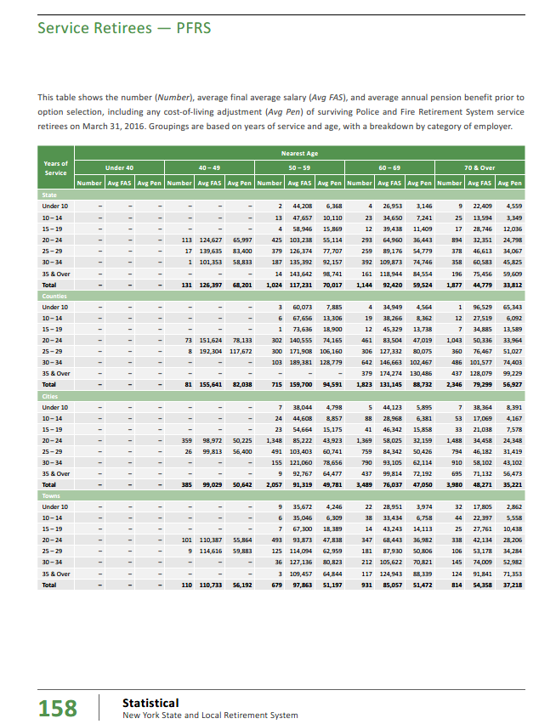
 |  |  | Final calculations of retirees and benefits by age

 |  | agegrp | age.cell | number | benefit | total benefit | avg age calc
 | ERS | u55 | 52 | 5,321 | 31,963 | 170,077,589 | 0.7
 | ERS | 55-64 | 59 | 84,813 | 29,357 | 2,489,866,047 | 13.5
 | ERS | 65-74 | 69 | 157,697 | 26,502 | 4,179,284,363 | 29.2
 | ERS | 75-84 | 79 | 83,337 | 20,268 | 1,689,099,674 | 17.7
 | ERS | 85+ | 87 | 40,861 | 15,093 | 616,716,349 | 9.6

 |  | sum |  | 372,029 | 24,582 | 9,145,044,022 | 70.7

 | PFRS | u40 | 38 | 44 | 60,256 | 2,651,247 | 0.1
 | PFRS | 40-49 | 45 | 1,525 | 59,252 | 90,358,606 | 2.2
 | PFRS | 50-59 | 55 | 6,911 | 60,153 | 415,719,391 | 12.0
 | PFRS | 60-69 | 65 | 10,978 | 57,624 | 632,597,152 | 22.5
 | PFRS | 70+ | 72 | 12,315 | 39,985 | 492,417,165 | 27.9

 |  | sum |  | 31,773 | 51,419 | 1,633,743,561 | 64.5

 |  |  | Reality check on results -- see table at right
 |  |  |  | retirees | beneficiaries | R&B
 |  |  | ERS | 372,029 | 35,083 | 407,112
 |  |  | PFRS | 31,773 | 2,058 | 33,831
 |  |  |  | 403,802 | 37,141 | 440,943

 |  |  | So my table leaves out beneficiaries

SalaryGrowth_raw
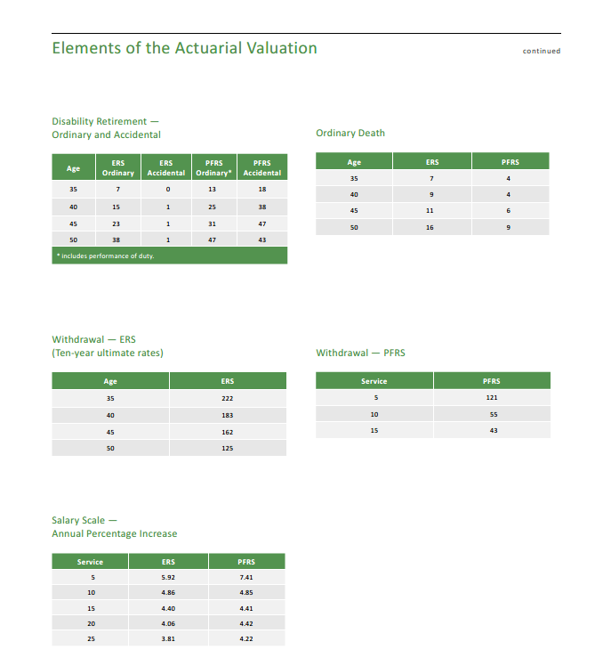
TOC

 |  | 94.00%
 | yos | ers | pfrs | wtd
 | - | 5.92 | 7.41 | 6.01%
 | 5 | 5.92 | 7.41 | 6.01%
 | 10 | 4.86 | 4.85 | 4.86%
 | 15 | 4.40 | 4.41 | 4.40%
 | 20 | 4.06 | 4.42 | 4.08%
 | 25 | 3.81 | 4.22 | 3.83%

 | yos | ers | pfrs
 | - | 5.9% | 7.4%
 | 5 | 5.9% | 7.4%
 | 10 | 4.9% | 4.8%
 | 15 | 4.4% | 4.4%
 | 20 | 4.1% | 4.4%
 | 25 | 3.8% | 4.2%

TermRates_raw
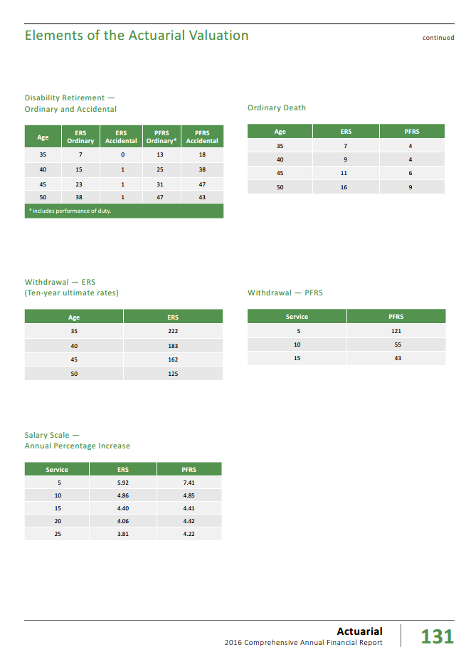
TOC
 | ERS |  | PFRS
 | age | rate | yos | rate
 | 35 | 222 | 5 | 121
 | 40 | 183 | 10 | 55
 | 45 | 162 | 15 | 43
 | 50 | 125

 | As fraction rather than per 10,000
 | ERS |  | PFRS
 | age | rate | yos | rate
 | 35 | 0.022 | 5 | 0.012
 | 40 | 0.018 | 10 | 0.006
 | 45 | 0.016 | 15 | 0.004
 | 50 | 0.013

RetirementRates_raw
TOC
 | Share of actives - for weighting |  |  |  | PFRS |  |  |  |  | num | weight
 |  | ERS | PFRS | Total | yos | 20-year | 20-year with add'l 60ths |  | 20-year | 3260 | 0.37982057556
 | Tier 1 | 0.6% | 0.2% | 0.6% | 20 | 2,165 | 847 | 1,347.60 | 20-year with 60th | 5323 | 0.62017942444
 | Tiers 2-4 | 69.6% | 78.6% | 70.1% | 25 | 1,188 | 541 | 786.74 | Total | 8583 | 1
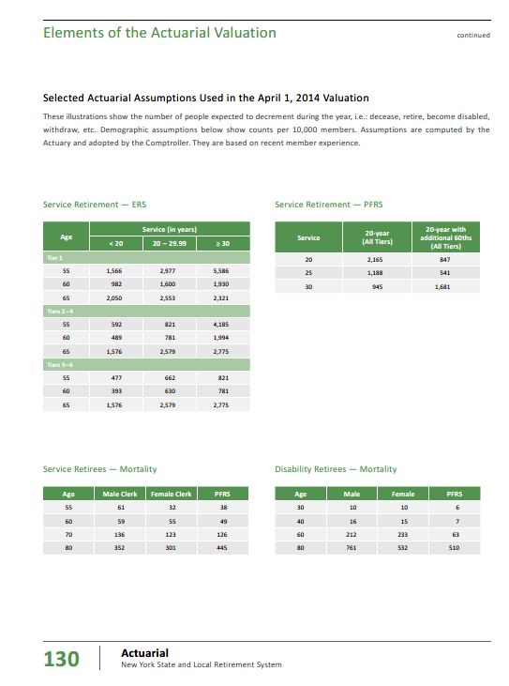
 | Tiers 5-6 | 29.8% | 21.2% | 29.3% | 30 | 945 | 1,681 | 1,401.45
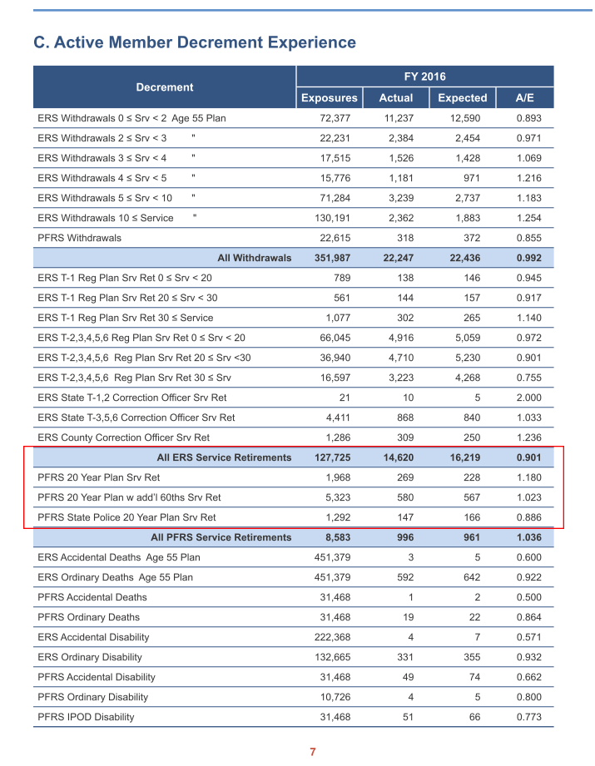
 | Total | 100.0% | 100.0% | 100.0%

 | Yimeng, I only do ERS here |  |  |  | yos | retrate
 |  |  |  |  | 20 | 0.13
 |  |  |  |  | 25 | 0.08
 |  |  |  |  | 30 | 0.14

Notes for PFRS:
Not quite sure the accurate defination of 20-year and 20-year with addtional 60ths. Here is what I believe and what the calculation is based on:
- 20-year: Special with 25-year min yos requirement. Available to certain PFRS members.
- 20-year with additional 60ths: Members who are eligible to both the 20-year spceial plan and the regular plan, in which the full retirement ages are in 60s.
The "exposures" in the 2016 AV n7 are used to weight the two columns of retirement rates.
 | ERS
 | yos | <20 | 20-29 | 30+
 | age
 | Tier | 1
 | 55 | 1,566 | 2,977 | 5,586
 | 60 | 982 | 1,600 | 1,930
 | 65 | 2,050 | 2,553 | 2,321
 | Tiers | 2–4
 | 55 | 592 | 821 | 4,185
 | 60 | 489 | 781 | 1,994
 | 65 | 1,576 | 2,579 | 2,775
 | Tiers | 5–6
 | 55 | 477 | 662 | 821
 | 60 | 393 | 630 | 781
 | 65 | 1,576 | 2,579 | 2,775

 | ERS values, multiplied by each tier's weight
 |  | <20 | 20-29 | 30+
 |  | 20 | 25 | 35
Tier 1 | 55 | 9.7 | 18.5 | 34.7
Tier 1 | 60 | 6.1 | 10.0 | 12.0
Tier 1 | 65 | 12.8 | 15.9 | 14.4

Tiers 2-4 | 55 | 411.9 | 571.2 | 2,911.7
Tiers 2-4 | 60 | 340.2 | 543.4 | 1,387.3
Tiers 2-4 | 65 | 1,096.5 | 1,794.3 | 1,930.7

Tiers 5-6 | 55 | 142.2 | 197.3 | 244.7
Tiers 5-6 | 60 | 117.1 | 187.8 | 232.8
Tiers 5-6 | 65 | 469.7 | 768.6 | 827.0

sum | 55 | 563.8 | 787.0 | 3,191.1
sum | 60 | 463.5 | 741.1 | 1,632.1
sum | 65 | 1,578.9 | 2,578.8 | 2,772.2

 | Final ERS table, converted to fractions, from per-10,000
 | yosgrp--> | <20 | 20-29 | 30+
 | yos--> | 20 | 25 | 35
 | age
 | 55 | 0.056 | 0.079 | 0.319
 | 60 | 0.046 | 0.074 | 0.163
 | 65 | 0.158 | 0.258 | 0.277

MortalityInfo
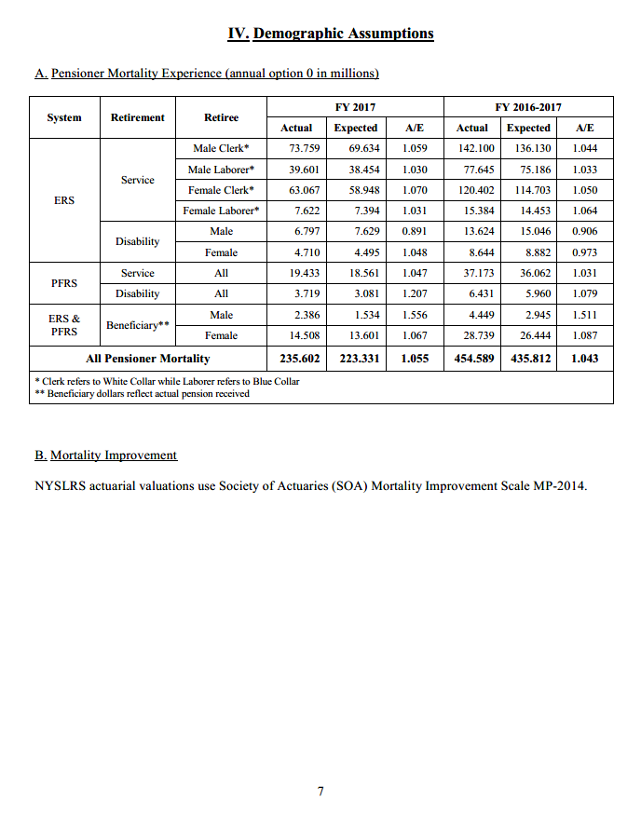
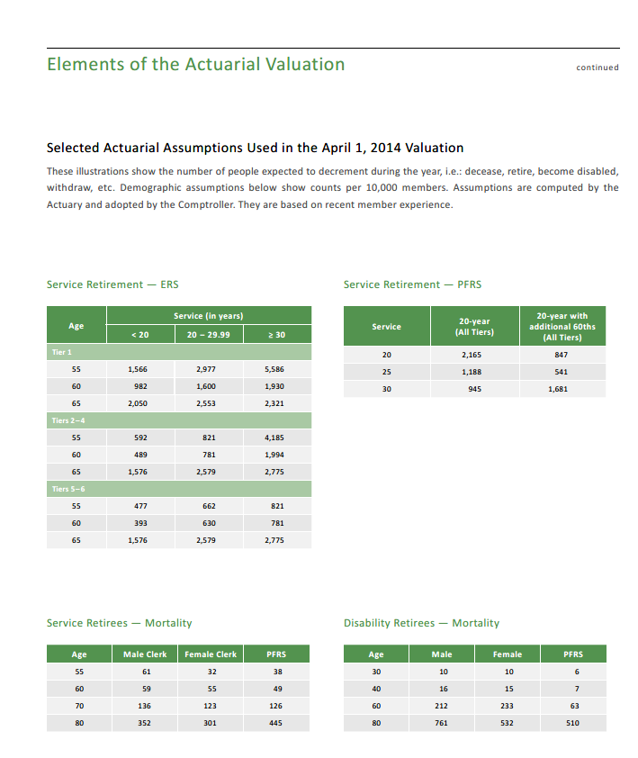
TOC
 | Screenshots of assumptions about mortality tables
 | We want to know table and scaling used

 |  | AV 2017 screenshot below

