Reference assumption
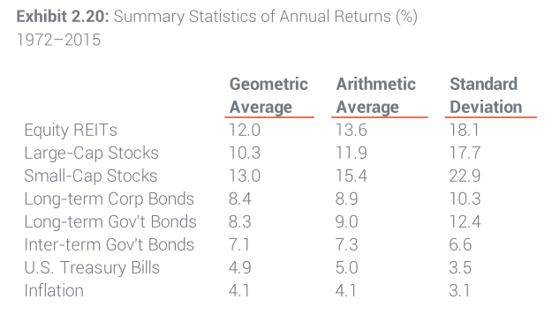
 |  |  | Target annual Expected GeoMean | Target SD | Target annual expected ArithMean | Target Quarterly Mean | Target Quarterly SD
GDP growth | 1.9%, CBO projection | Stock_return | 6.70% | 17% | 8.145% | 1.98% | 8.50%
Inflation: GDP price index | 2.0%, CBO projection | Bond return | 3.60% | 4.1% | 3.684% | 0.9086% | 2.05%
Inflation: CPI-U | 2.4%, CBO projection

Stock Return | 6.7% (Geo), Pew
Stock SD | 16.4% (Geo), Pew

Bond Return
Bond SD
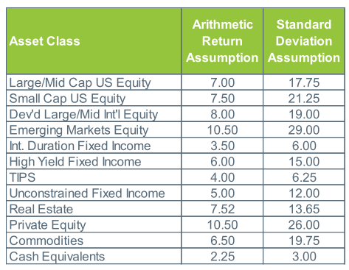
Correlation: stock/bond

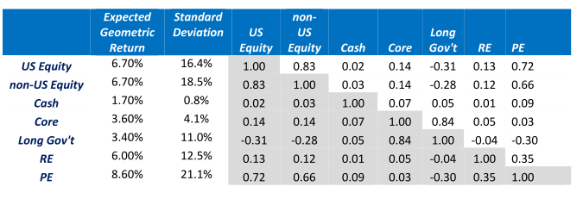

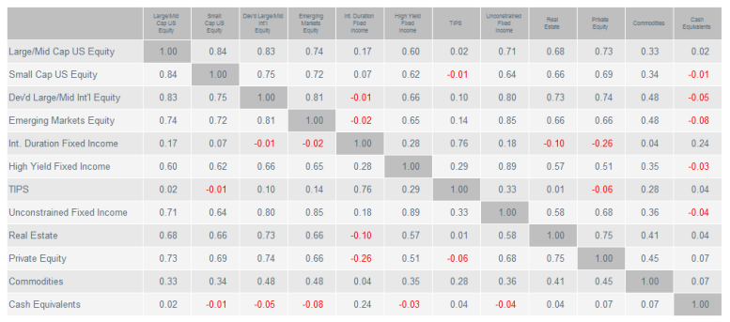

0.013448

