Fat-tails
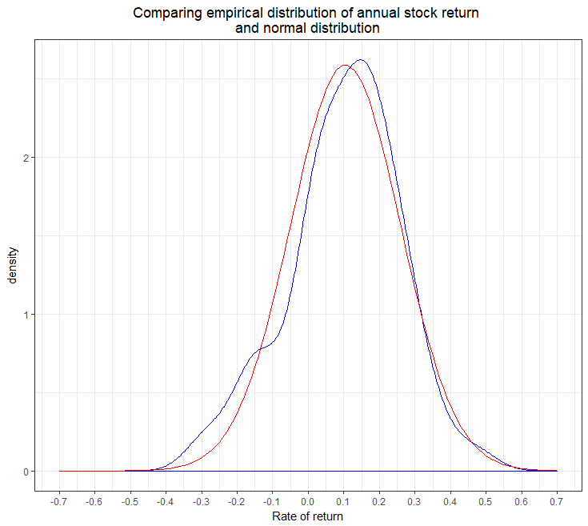
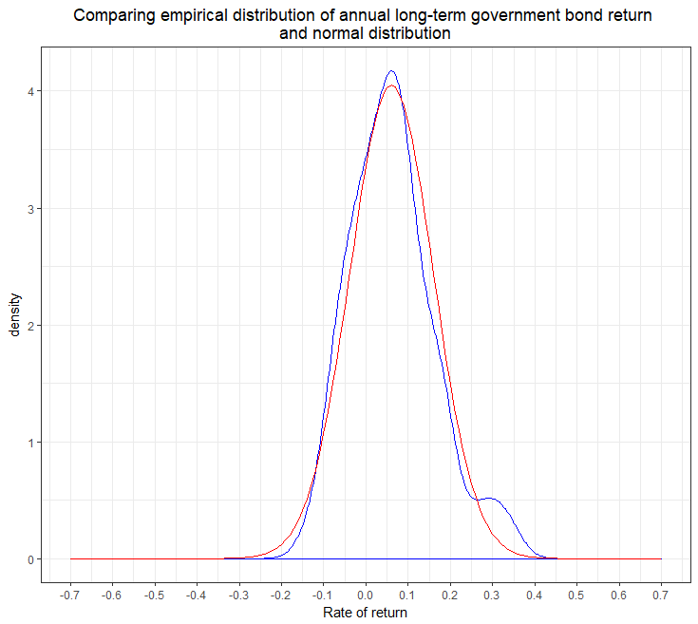
 | Probability of return lower than
 | -40% | -30% | -20% | -10%
Stock; Normal distribution | 0.15% | 0.93% | 3.62% | 11.25%
Stock; Simulated distribution | 0.32% | 1.23% | 3.69% | 10.45%
60/40 portfolio; Normal distribution
60/40 portfolio; Simulated distribution
 | Probability of return lower than
 | -40% | -30% | -20% | -10%
Stock; Normal distribution | 0.07% | 0.46% | 2.66% | 9.80%
Stock; Bootstrapped distribution | 0.00% | 1.59% | 3.20% | 13.05%
60/40 portfolio; Normal distribution
60/40 portfolio; Bootstrapped distribution

Fat-tails (2)
 | Probability of return lower than
 | -40% | -30% | -20% | -10%
Stock; Normal distribution | 0.10% | 0.42% | 2.20% | 9.06%
Stock; Bootstrapped distribution | 0.00% | 1.48% | 3.02% | 12.26%
70/30 portfolio; Normal distribution | 0.00% | 0.06% | 0.70% | 4.76%
70/30 portfolio; Bootstrapped distribution | 0.00% | 0.00% | 0.00% | 6.30%

-- Normal distribution
-- Empirical distribution
-- Normal distribution
-- Empirical distribution

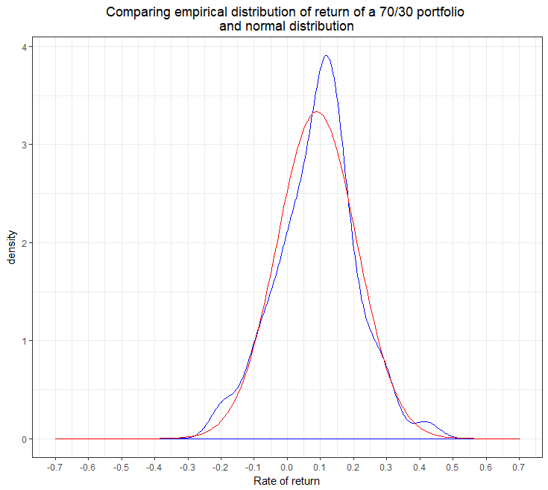

-- Normal distribution
-- Empirical distribution

PropertyLoc_real_cycle
