Tiers
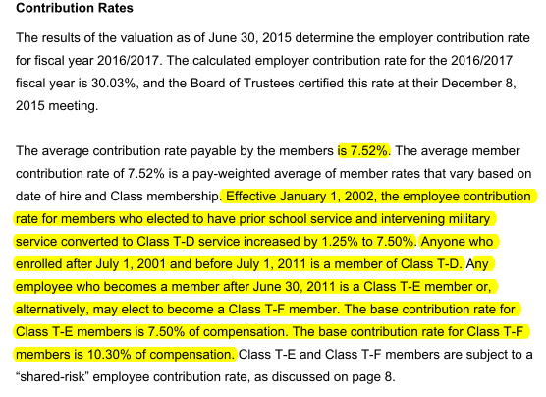
TOC
Tier Info | AV2015 pdf p8; member data pdf p37-38

FundingPolicy
TOC

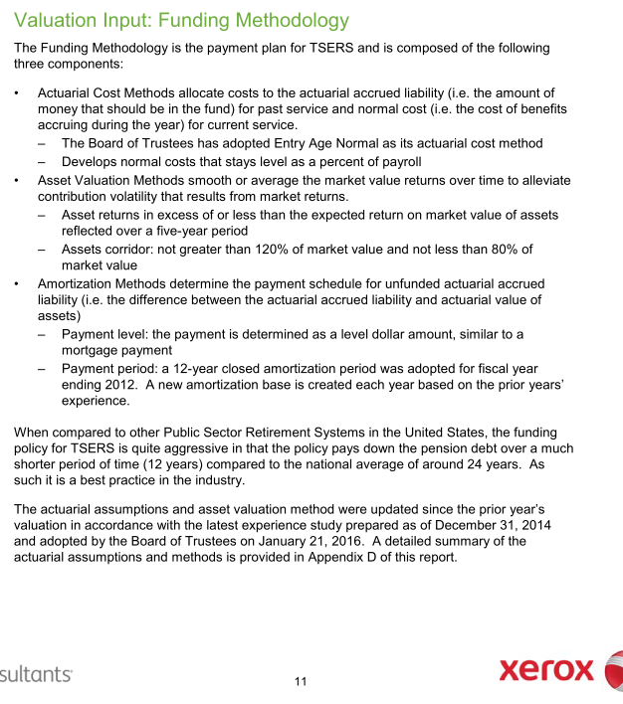
CAFR pdf p97 |  | Notes
Employer Contribution
Method | EAN
Asset smoothing | 1. Smoothing Period: 5 years 2. Asset corridor: AA not greater than 120% of market value and not less than 80% of market value
Amortization | Amort method: - 12-year level dollar closed amortization method.
Employee Contribution | 6% (Calculated based info on AV2015 pdf page 34 and 36: Employee Future Normal cost / Present value of future salary)
Employer Contribution Rate Stablelization Policy (ECRSP) | 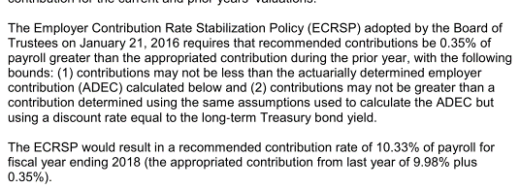



 | 6497465689 | 6862370246
 | 108291094820 | 114372837433
 | 0.06000 | 0.06000

Assumptions
TOC
 |  | Source: AV 2015 pdf page 84

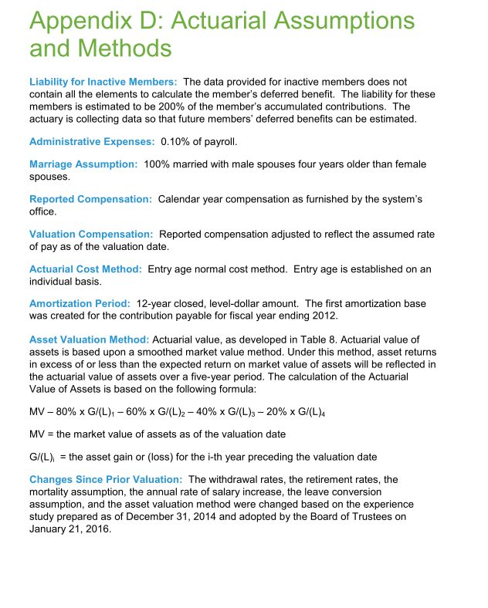
 |  | Note
Net investment return(Discount rate) | 7.25%
inflation | 3%
Real wage growth | 0.5%
COLA and CPI | Ad hoc

Question:

Init_unrecReturn
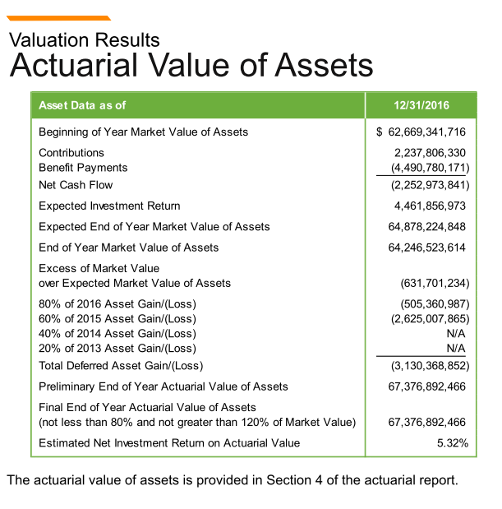
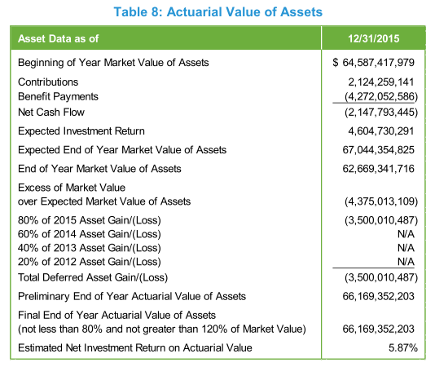
TOC
startcell | C6
endcell | D11
source

 |  | year | DeferredReturn | year | DeferredReturn | 2015 | 2016
 |  | 2017 | 1 | 2018 | -1001342868.6 | -875002621.8 | -126340246.8
 |  | 2018 | 1 | 2019 | -1001342868.6 | -875002621.8 | -126340246.8
 |  | 2019 | 1 | 2020 | -1001342868.6 | -875002621.8 | -126340246.8
 |  | 2020 | 1 | 2021 | -126340247 |  | -126340246.8
 |  | 2021 | 1

Notes:
In the model, the deferred returns must be adjusted so that the total deferred return is equal to the difference between the initial AA and MA.
-4375013109*0.2 = -875002621.8
-631701234*0.2 = -126340246.8

