Init_unrecReturn
TOC
startcell | C6
endcell | D11
source

Notes:
In the model, the deferred returns must be adjusted so that the total deferred return is equal to the difference between the initial AA and MA.
"DeferredReturn" is the value to be added to AVA in each year. See sheet "Init_unrecReturn_raw" for the calculation
 |  | year | DeferredReturn | 2016
 |  | 2017 | 963186 | -126340246.8
 |  | 2018 | 1548153 | -126340246.8
 |  | 2019 | 897823 | -126340246.8
 |  | 2020 | -487037 | -126340246.8
 |  | 2021 | -307664

Init_amort_raw
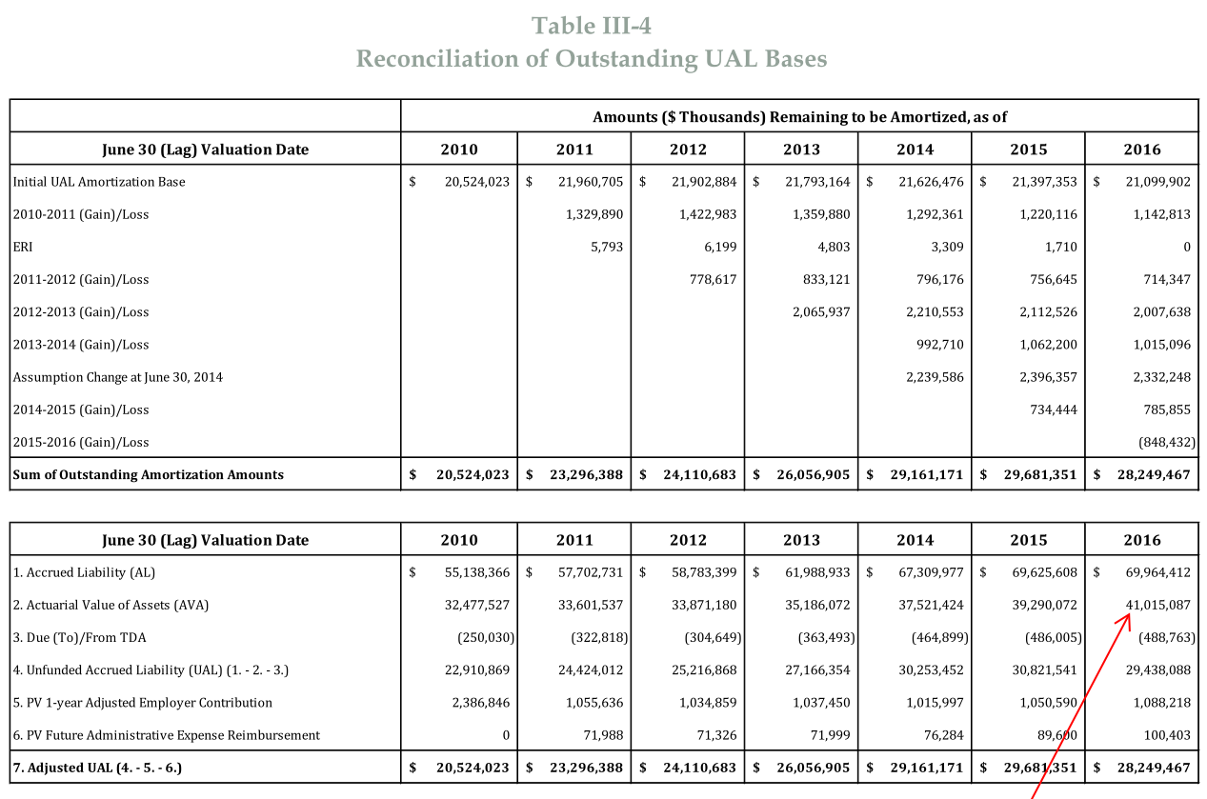
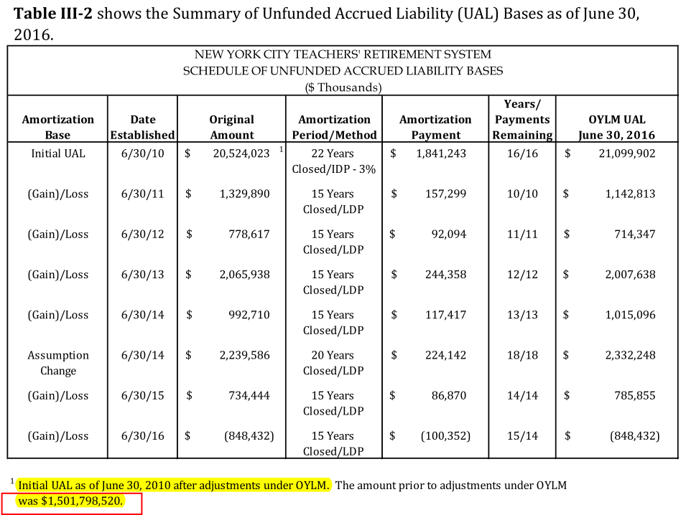

Tier | Type | Date Established (end of FY) | Initial Amount | Initial Period | Outstanding Balance | Years Remaining | Annual Payment
tier | type | year.est | init.amount | init.period | balance | year.remaining | annual.payment | amort.method | amort.type | skipY1
 | Initial UAL | 2010 | 20524023 | 22 | 21099902 | 16 | 1841243 | cp | closed | FALSE
 | Gain/Loss | 2011 | 1329890 | 15 | 1142813 | 10 | 157299 | cd | closed | FALSE
 | Gain/Loss | 2012 | 778617 | 15 | 714347 | 11 | 92094 | cd | closed | FALSE
 | Gain/Loss | 2013 | 2065938 | 15 | 2007638 | 12 | 244358 | cd | closed | FALSE
 | Gain/Loss | 2014 | 992710 | 15 | 1015096 | 13 | 117417 | cd | closed | FALSE
 | Assumption Change | 2014 | 2239586 | 20 | 2332248 | 18 | 224142 | cd | closed | FALSE
 | Gain/Loss | 2015 | 734444 | 15 | 785855 | 14 | 86870 | cd | closed | FALSE
 | Gain/Loss | 2016 | -848432 | 15 | -848432 | 15 | -100352 | cd | closed | TRUE

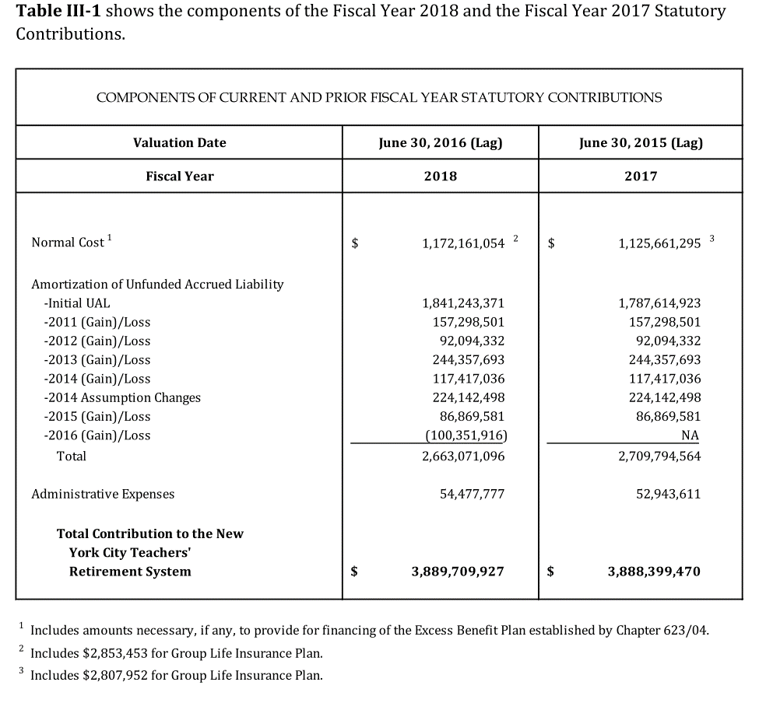

 |  |  |  |  |  |  |  |  |  |  | 1841243370.7

Init_unrecReturn_raw
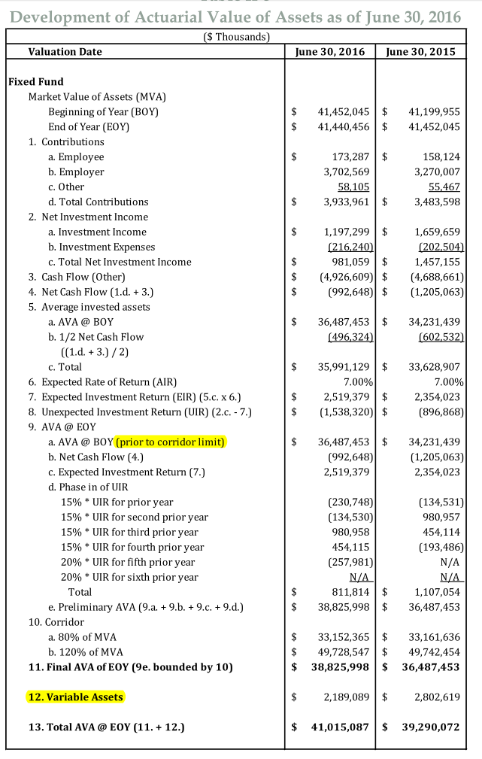

Source: AV2018 Report (AV2016lag), np8
2016(lag) AV
FY established |  | Increment | % of tot. UIR | Total UIR | remaining years | remaining balance
2016 | 15%* UIR for prior year | -230748 | 0.15 | -1538320 | 5 | -1307572
2015 | 15%* UIR for 2nd prior year | -134530 | 0.15 | -896866.66667 | 4 | -627807
2014 | 15%* UIR for 3nd prior year | 980958 | 0.15 | 6539720 | 3 | 3596846
2013 | 15%* UIR for 4nd prior year | 454115 | 0.15 | 3027433.3333 | 2 | 1210973
2012 | 20%* UIR for 5nd prior year | -257981 | 0.2 | -1289905 | 1 | -257981
2011 | 20%* UIR for 6nd prior year | 0 | 0.2 | 0 | 0 |  | MVA: | 41440456
 |  |  |  |  |  |  | AVA | 38825998
 |  |  |  |  | total ramaining value | 2614460 | diff | 2614458 | Total unrealized return is approx. equal to the difference between AVA and MVA

Returns to be realized in future years
 | Total UIR | 2017 | 2018 | 2019 | 2020 | 2021
 | -1538320 | -230748 | -230748 | -230748 | -307664 | -307664
 | -896867 | -134530 | -134530 | -179373 | -179373
 | 6539720 | 980958 | 1307944 | 1307944
 | 3027433 | 605487 | 605487
 | -1289905 | -257981

 | Year sum | 963186 | 1548153 | 897823 | -487037 | -307664

