Calibration_2016
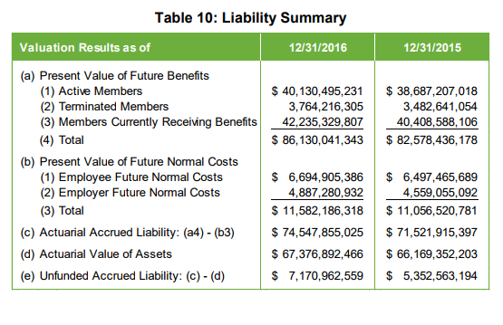
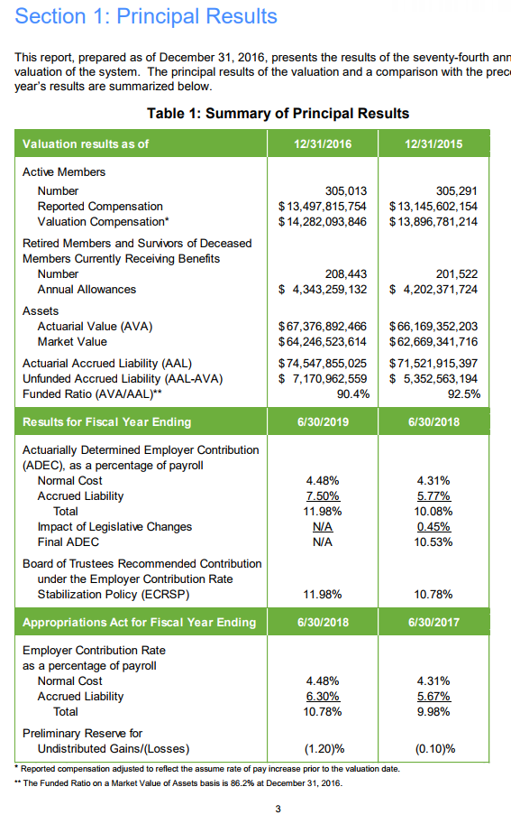
$billion |  | No calibration |  | Calibrated
 |  |  |  | benefit factor * 1.125; sal.growth + 0.75%; 96% init benefit; post/sur mortality * 1.025
 | AV2016 | Model | diff | Model | diff
PVFB for actives | 40.13 | 34.4 | 85.72% | 41.59 | 103.64%
PVFNC | 11.58 | 8.69 | 75.04% | 11.47 | 99.05%
AL for actives | 28.55 | 25.73 | 90.12% | 30.12 | 105.50%
PVFB for retirees/bens/disb | 42.24 | 48.16 | 114.02% | 46.15 | 109.26%
PVFB for vested Terms | 3.76 | 3.8 | 101.06% | 3.8 | 101.06%

AL total | 74.55 | 77.69 | 104.21% | 76.12 | 102.11%

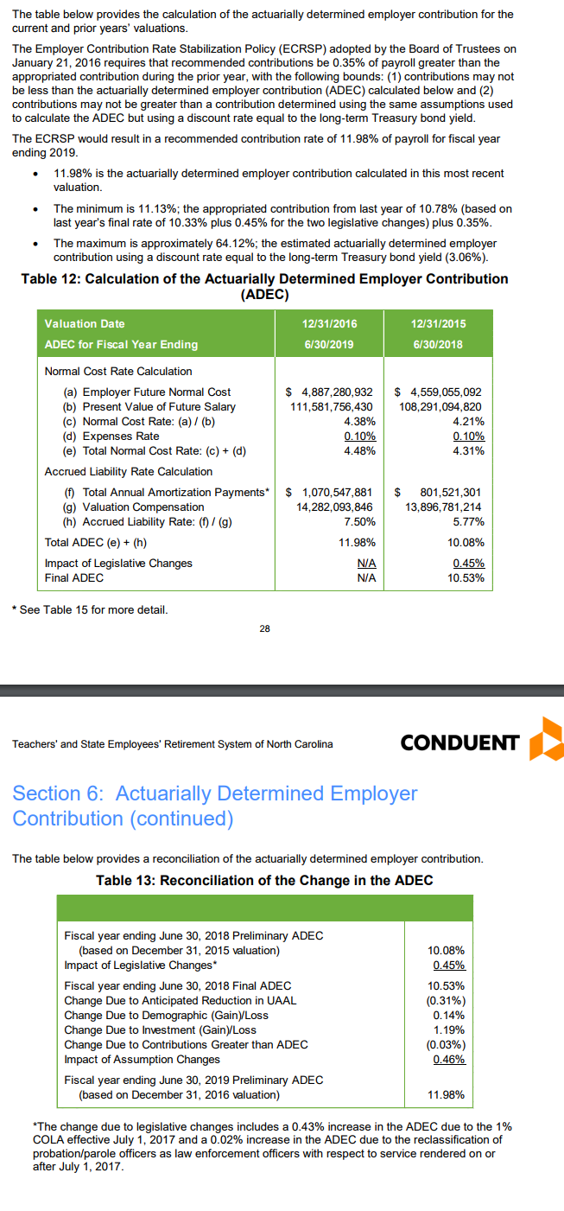
VVA | 67.38 |  | 0.00% |  | 0.00%
MVA | 64.25 |  | 0.00% |  | 0.00%
UAAL | 7.17 |  | 0.00% |  | 0.00%

NC rate % | 10.38% | 7.70% | 74.18% | 9.57% | 92.20%
SC $b | 1.07 | 1.15 | 107.48% | 1.135 | 106.07%
SC rate % | 7.50% | 9% | 114.53% |  | 0.00%
EEC rate % | 6 | 6 | 100.00% |  | 0.00%

B(AV2016 e7) | 4.343 | 4.32 | 99.47% | 4.34 | 99.93%
payroll (reported) | 13.5 |  | 0.00% | 13.49 | 99.93%
payroll (valueation) | 14.28 |  | 0.00% |  | 0.00%
PV Future salary

3.13

 | 0.52331606218 |  |  |  |  | 67376892466 | 74547855025 | 0.90380725835
 |  |  |  |  |  | 64246523614 | 74547855025 | 0.86181585765

Calibration_2015
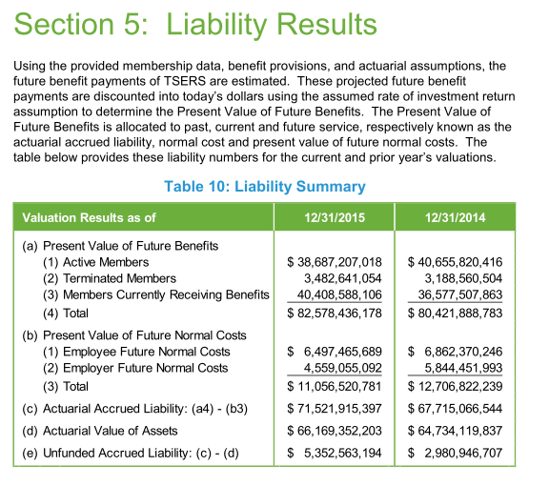
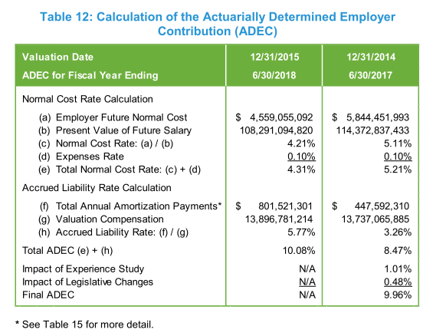
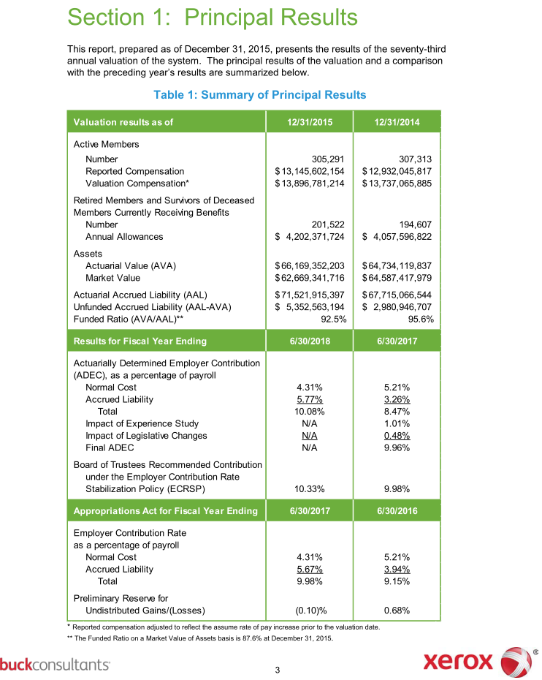
$billion |  | No calibration |  | Calibrated
 |  |  |  | benefit factor * 1.125; sal.growth + 0.75%; 96% init benefit; post/sur mortality * 1.025
 | AV2015 | Model | diff | Model | diff
PVFB for actives | 38.69 | 33.19 | 85.78% | 40 | 103.39%
PVFNC | 11.06 | 8.315 | 75.18% | 10.95 | 99.01%
AL for actives | 27.63 | 24.875 | 90.03% | 29.05 | 105.14%
PVFB for retirees/bens/disb | 40.41 | 46.4 | 114.82% | 42.8 | 105.91%
PVFB for vested Terms | 3.48 | 3.47 | 99.71% | 3.47 | 99.71%

AL total | 71.52 | 74.745 | 104.51% | 76.97 | 107.62%

VVA | 66.17 | 73.6 | 111.23% | 73.6 | 111.23%
MVA | 62.67 | 69.69 | 111.20% | 69.69 | 111.20%
UAAL | 5.35 | 5.95 | 111.21% | 5.95 | 111.21%

NC rate % | 10.21 | 7.6 | 74.44% | 7.6 | 74.44%
SC $b | 0.8 | 0.91 | 113.75% | 0.91 | 113.75%
SC rate % | 5.77 | 6.9 | 119.58% | 6.9 | 119.58%
EEC rate % | 6 | 6 | 100.00% | 6 | 100.00%

B | 4.2 | 4.28 | 101.90% | 4.28 | 101.90%
payroll (reported) | 13.146 | 13.14 | 99.95% | 13.14 | 99.95%
payroll (valueation) | 13.897 |  | 0.00% |  | 0.00%
PV Future salary |  | 108.3 |  | 108.3

