plan
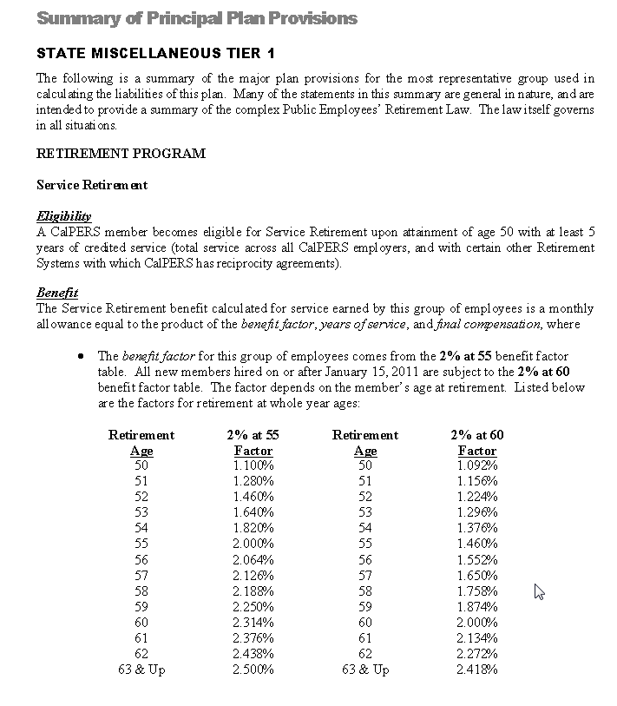
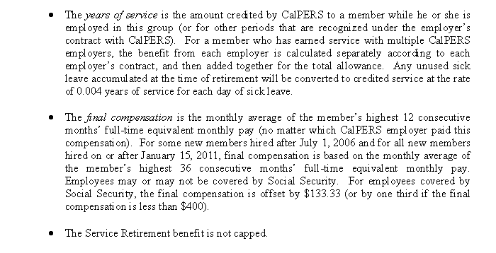
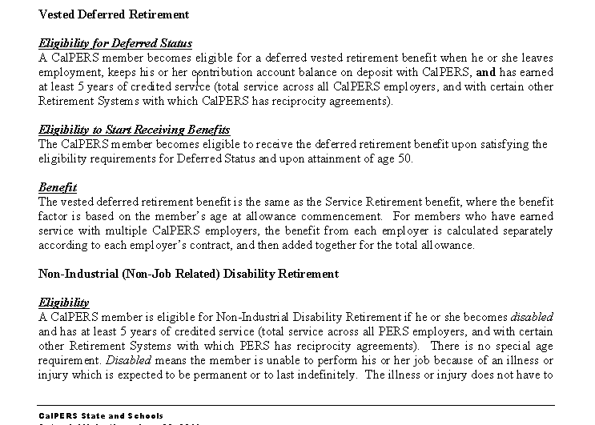
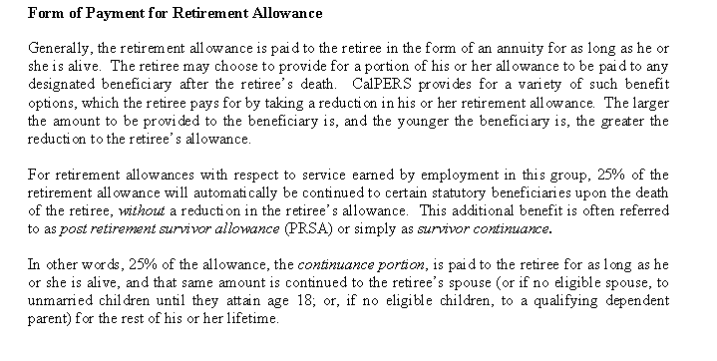
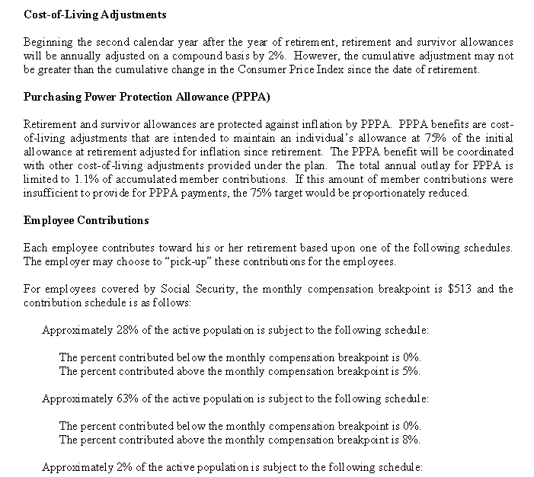
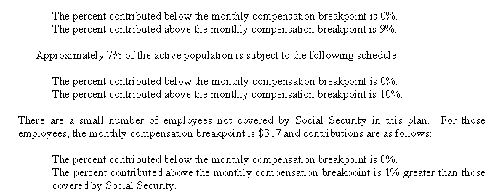
TOC

cafr2012

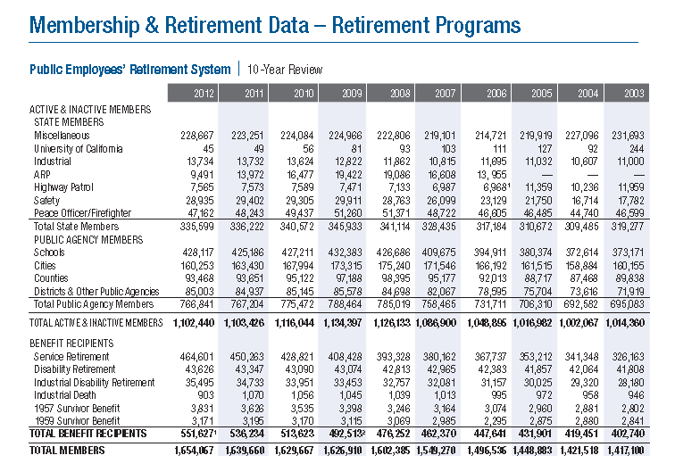
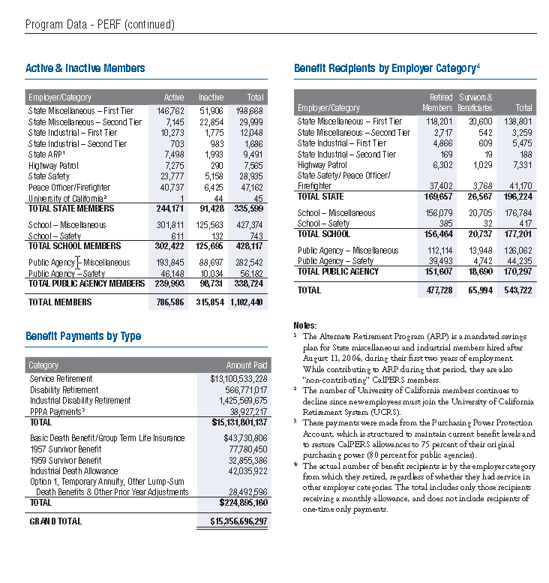
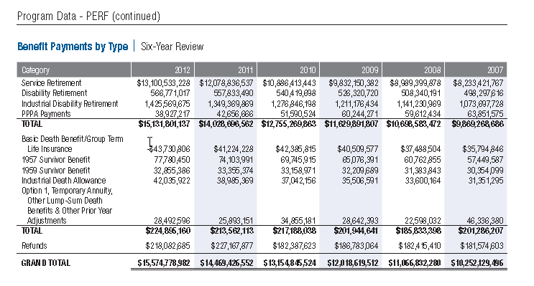
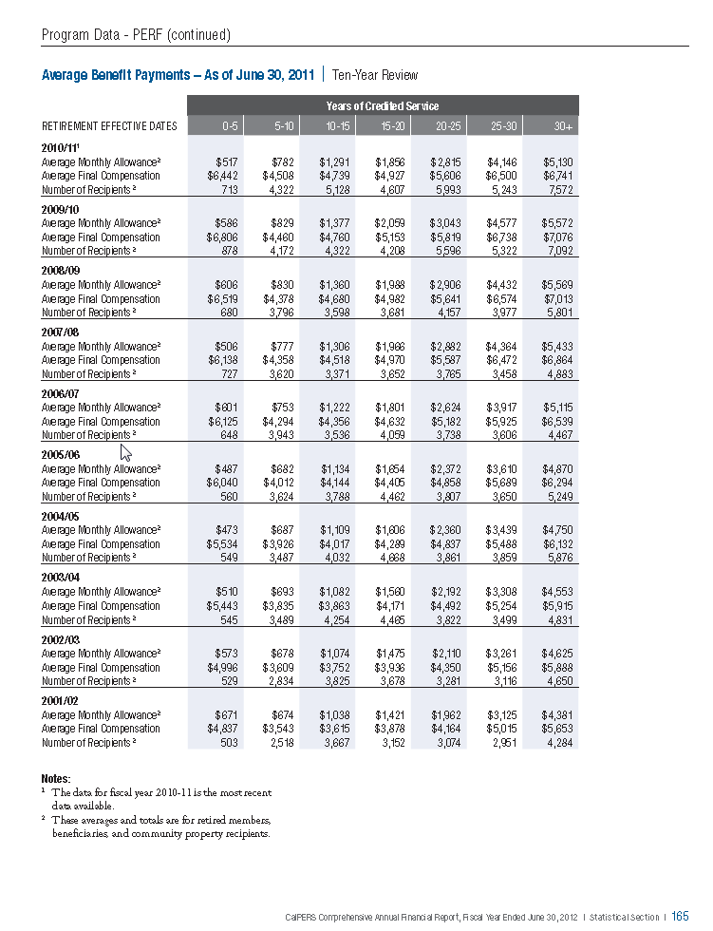
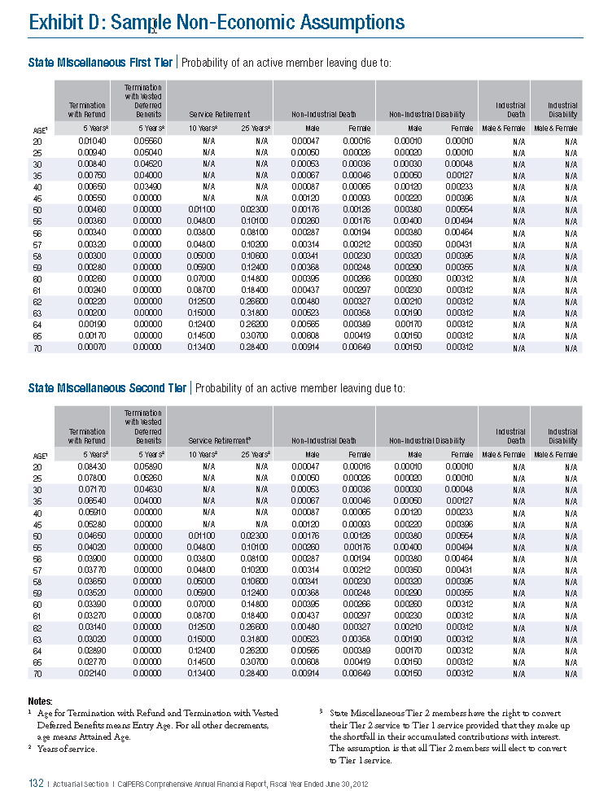
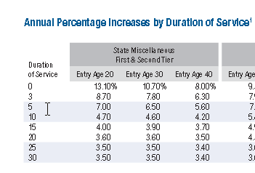
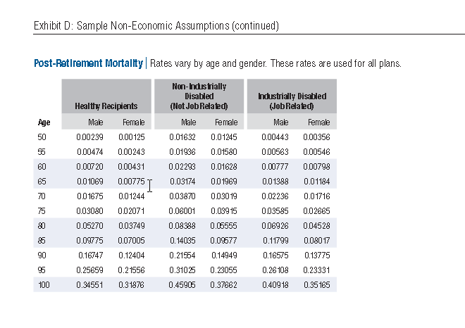
TOC

smt1salgrow
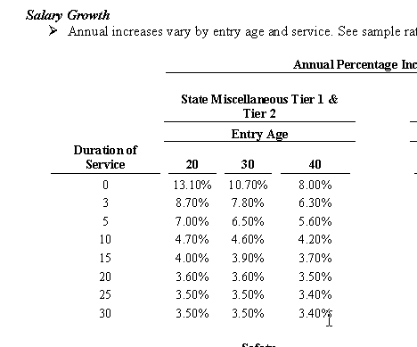
TOC
yos | 20 | 30 | 40
0 | 0.1310 | 0.1070 | 0.0800
3 | 0.0870 | 0.0780 | 0.0630
5 | 0.0700 | 0.0650 | 0.0560
10 | 0.0470 | 0.0460 | 0.0420
15 | 0.0400 | 0.0390 | 0.0370
20 | 0.0360 | 0.0360 | 0.0350
25 | 0.0350 | 0.0350 | 0.0340
30 | 0.0350 | 0.0350 | 0.0340

prmortality
TOC
 | healthy | healthy | nonindsb | nonindsb | inddsb | inddsb
Age | Male | Female | Male | Female | Male | Female
50 | 0.00239 | 0.00125 | 0.01632 | 0.01245 | 0.00443 | 0.00356
55 | 0.00474 | 0.00243 | 0.01936 | 0.0158 | 0.00563 | 0.00546
60 | 0.0072 | 0.00431 | 0.02293 | 0.01628 | 0.00777 | 0.00798
65 | 0.01069 | 0.00775 | 0.03174 | 0.01969 | 0.01388 | 0.01184
70 | 0.01675 | 0.01244 | 0.0387 | 0.03019 | 0.02236 | 0.01716
75 | 0.0308 | 0.02071 | 0.06001 | 0.03915 | 0.03585 | 0.02665
80 | 0.0527 | 0.03749 | 0.08388 | 0.05555 | 0.06926 | 0.04528
85 | 0.09775 | 0.07005 | 0.14035 | 0.09577 | 0.11799 | 0.08017
90 | 0.16747 | 0.12404 | 0.21554 | 0.14949 | 0.16575 | 0.13775
95 | 0.25659 | 0.21556 | 0.31025 | 0.23055 | 0.26108 | 0.23331
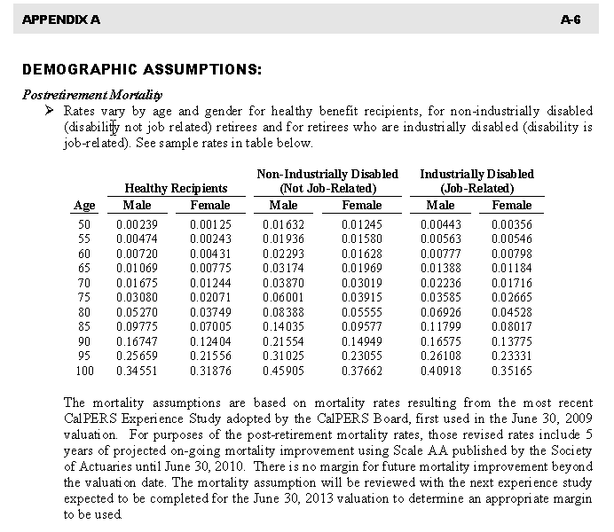
100 | 0.34551 | 0.31876 | 0.45905 | 0.37662 | 0.40918 | 0.35165

smt1actnumaayos
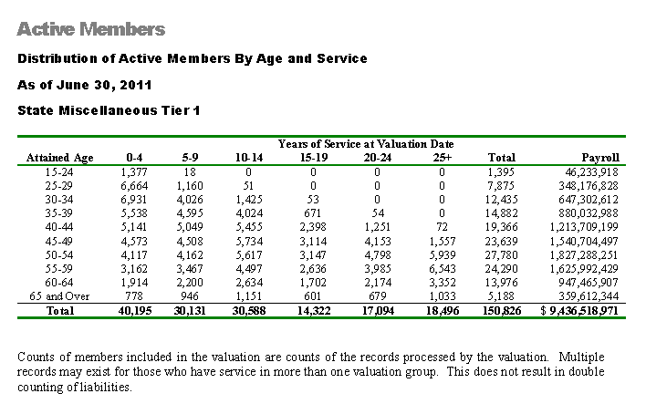
TOC
age | 0-4 | 5-9 | 10-14 | 15-19 | 20-24 | 25+ | Total | Payroll
15-24 | 1,377 | 18 | - | - | - | - | 1,395 | 46,233,918
25-29 | 6,664 | 1,160 | 51 | - | - | - | 7,875 | 348,176,828
30-34 | 6,931 | 4,026 | 1,425 | 53 | - | - | 12,435 | 647,302,612
35-39 | 5,538 | 4,595 | 4,024 | 671 | 54 | - | 14,882 | 880,032,988
40-44 | 5,141 | 5,049 | 5,455 | 2,398 | 1,251 | 72 | 19,366 | 1,213,709,199
45-49 | 4,573 | 4,508 | 5,734 | 3,114 | 4,153 | 1,557 | 23,639 | 1,540,704,497
50-54 | 4,117 | 4,162 | 5,617 | 3,147 | 4,798 | 5,939 | 27,780 | 1,827,288,251
55-59 | 3,162 | 3,467 | 4,497 | 2,636 | 3,985 | 6,543 | 24,290 | 1,625,992,429
60-64 | 1,914 | 2,200 | 2,634 | 1,702 | 2,174 | 3,352 | 13,976 | 947,465,907
65p | 778 | 946 | 1,151 | 601 | 679 | 1,033 | 5,188 | 359,612,344
ageall | 40,195 | 30,131 | 30,588 | 14,322 | 17,094 | 18,496 | 150,826 | 9,436,518,971

smt1actsalaayos
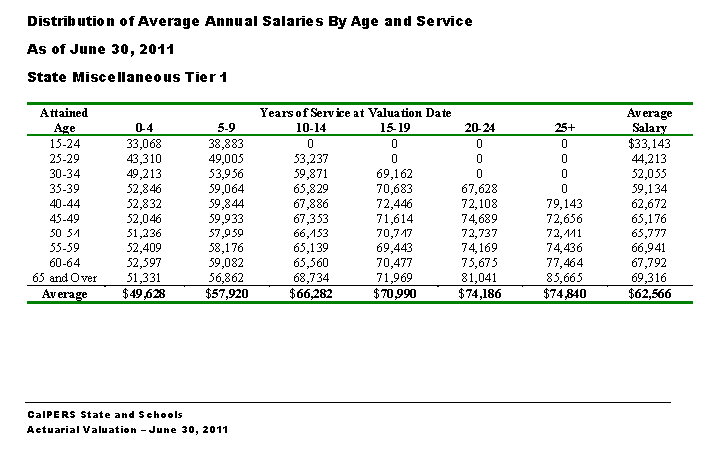
TOC
age | 0-4 | 5-9 | 10-14 | 15-19 | 20-24 | 25+ | avgsalary
15-24 | 33,068 | 38,883 | - | - | - | - | 33,143
25-29 | 43,310 | 49,005 | 53,237 | - | - | - | 44,213
30-34 | 49,213 | 53,956 | 59,871 | 69,162 | - | - | 52,055
35-39 | 52,846 | 59,064 | 65,829 | 70,683 | 67,628 | - | 59,134
40-44 | 52,832 | 59,844 | 67,886 | 72,446 | 72,108 | 79,143 | 62,672
45-49 | 52,046 | 59,933 | 67,353 | 71,614 | 74,689 | 72,656 | 65,176
50-54 | 51,236 | 57,959 | 66,453 | 70,747 | 72,737 | 72,441 | 65,777
55-59 | 52,409 | 58,176 | 65,139 | 69,443 | 74,169 | 74,436 | 66,941
60-64 | 52,597 | 59,082 | 65,560 | 70,477 | 75,675 | 77,464 | 67,792
65p | 51,331 | 56,862 | 68,734 | 71,969 | 81,041 | 85,665 | 69,316
ageall | 49,628 | 57,920 | 66,282 | 70,990 | 74,186 | 74,840 | 62,566

smt1termnumaayos
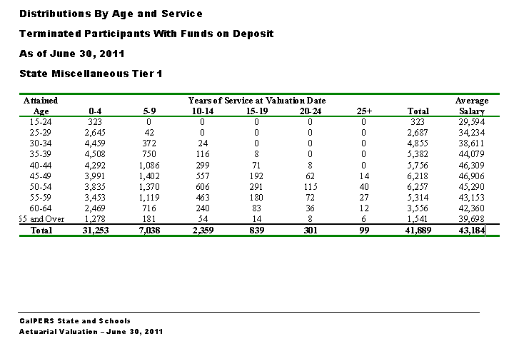
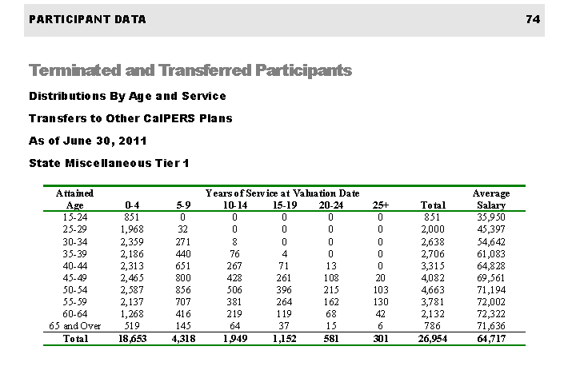
TOC
Attained |  |  | Years of Service at Valuation Date
age | 0-4 | 5-9 | 10-14 | 15-19 | 20-24 | 25+ | Total | avgsalary
15-24 | 323 | 0 | 0 | 0 | 0 | 0 | 323 | 29,594
25-29 | 2,645 | 42 | 0 | 0 | 0 | 0 | 2,687 | 34,234
30-34 | 4,459 | 372 | 24 | 0 | 0 | 0 | 4,855 | 38,611
35-39 | 4,508 | 750 | 116 | 8 | 0 | 0 | 5,382 | 44,079
40-44 | 4,292 | 1,086 | 299 | 71 | 8 | 0 | 5,756 | 46,309
45-49 | 3,991 | 1,402 | 557 | 192 | 62 | 14 | 6,218 | 46,906
50-54 | 3,835 | 1,370 | 606 | 291 | 115 | 40 | 6,257 | 45,290
55-59 | 3,453 | 1,119 | 463 | 180 | 72 | 27 | 5,314 | 43,153
60-64 | 2,469 | 716 | 240 | 83 | 36 | 12 | 3,556 | 42,360
65p | 1,278 | 181 | 54 | 14 | 8 | 6 | 1,541 | 39,698
ageall | 31,253 | 7,038 | 2,359 | 839 | 301 | 99 | 41,889 | 43,184

svcretirement
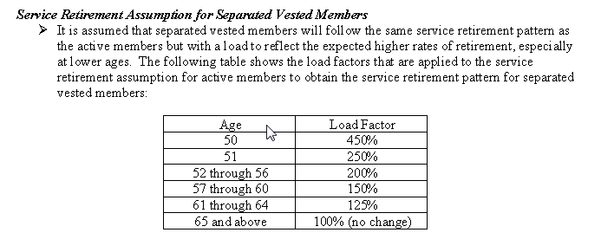
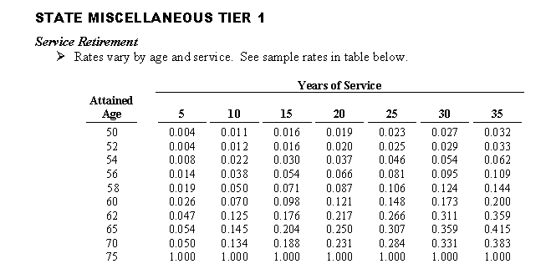
TOC
 | Years of service
Age | 5 | 10 | 15 | 20 | 25 | 30 | 35
50 | 0.004 | 0.011 | 0.016 | 0.019 | 0.023 | 0.027 | 0.032
52 | 0.004 | 0.012 | 0.016 | 0.020 | 0.025 | 0.029 | 0.033
54 | 0.008 | 0.022 | 0.030 | 0.037 | 0.046 | 0.054 | 0.062
56 | 0.014 | 0.038 | 0.054 | 0.066 | 0.081 | 0.095 | 0.109
58 | 0.019 | 0.050 | 0.071 | 0.087 | 0.106 | 0.124 | 0.144
60 | 0.026 | 0.070 | 0.098 | 0.121 | 0.148 | 0.173 | 0.200
62 | 0.047 | 0.125 | 0.176 | 0.217 | 0.266 | 0.311 | 0.359
65 | 0.054 | 0.145 | 0.204 | 0.250 | 0.307 | 0.359 | 0.415
70 | 0.050 | 0.134 | 0.188 | 0.231 | 0.284 | 0.331 | 0.383
75 | 1.000 | 1.000 | 1.000 | 1.000 | 1.000 | 1.000 | 1.000

smt1termrefund
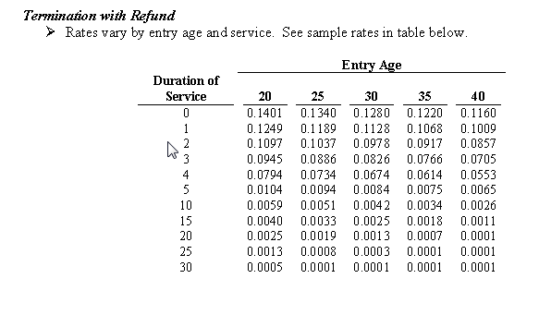
TOC
 | Entry age
Service | 20 | 25 | 30 | 35 | 40
0 | 0.1401 | 0.1340 | 0.1280 | 0.1220 | 0.1160
1 | 0.1249 | 0.1189 | 0.1128 | 0.1068 | 0.1009
2 | 0.1097 | 0.1037 | 0.0978 | 0.0917 | 0.0857
3 | 0.0945 | 0.0886 | 0.0826 | 0.0766 | 0.0705
4 | 0.0794 | 0.0734 | 0.0674 | 0.0614 | 0.0553
5 | 0.0104 | 0.0094 | 0.0084 | 0.0075 | 0.0065
10 | 0.0059 | 0.0051 | 0.0042 | 0.0034 | 0.0026
15 | 0.0040 | 0.0033 | 0.0025 | 0.0018 | 0.0011
20 | 0.0025 | 0.0019 | 0.0013 | 0.0007 | 0.0001
25 | 0.0013 | 0.0008 | 0.0003 | 0.0001 | 0.0001
30 | 0.0005 | 0.0001 | 0.0001 | 0.0001 | 0.0001

smt1termvested
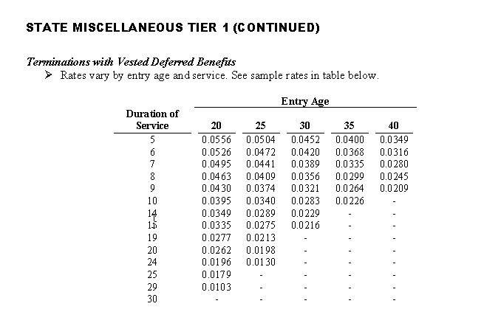
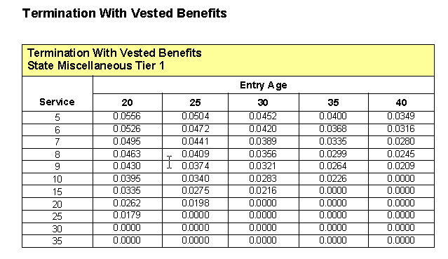
TOC
 | Entry age
Service | 20 | 25 | 30 | 35 | 40
5 | 0.0556 | 0.0504 | 0.0452 | 0.0400 | 0.0300
6 | 0.0526 | 0.0472 | 0.0420 | 0.0368 | 0.0300
7 | 0.0495 | 0.0441 | 0.0389 | 0.0335 | 0.0200
8 | 0.0463 | 0.0409 | 0.0356 | 0.0299 | 0.0200
9 | 0.0430 | 0.0374 | 0.0321 | 0.0264 | 0.0200
10 | 0.0395 | 0.0340 | 0.0283 | 0.0226 | -
14 | 0.0349 | 0.0289 | 0.0229 | - | -
15 | 0.0335 | 0.0275 | 0.0216 | - | -
19 | 0.0277 | 0.0213 | - | - | -
20 | 0.0262 | 0.0198 | - | - | -
24 | 0.0196 | 0.0130 | - | - | -
25 | 0.0179 | - | - | - | -
29 | 0.0103 | - | - | - | -
30 | - | - | - | - | -

smt1retnumyor
TOC
yor | nretired | totbenefit | avgbenefit
2011 | 2,865 | 79,266,524 | 27,667
2010 | 9,344 | 298,783,513 | 31,976
2009 | 8,233 | 274,763,934 | 33,373
2008 | 6,949 | 220,796,191 | 31,774
2007 | 6,672 | 197,576,365 | 29,613
2006 | 6,465 | 175,436,985 | 27,136
2005 | 7,313 | 213,582,139 | 29,206
2004 | 8,652 | 266,947,112 | 30,854
2003 | 6,079 | 169,799,431 | 27,932
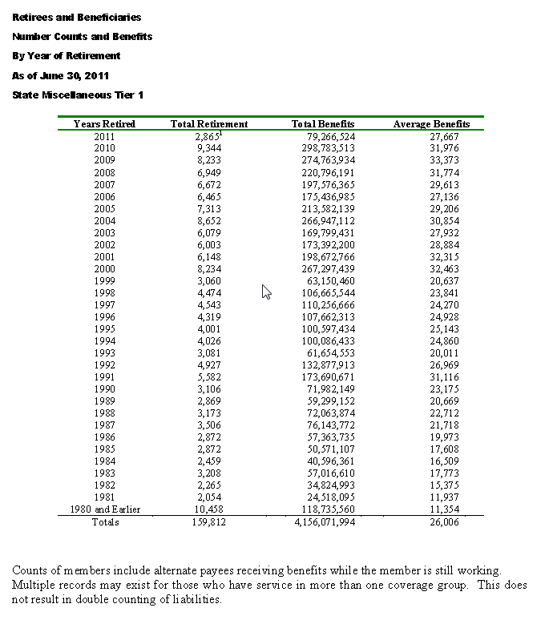
2002 | 6,003 | 173,392,200 | 28,884
2001 | 6,148 | 198,672,766 | 32,315
2000 | 8,234 | 267,297,439 | 32,463
1999 | 3,060 | 63,150,460 | 20,637
1998 | 4,474 | 106,665,544 | 23,841
1997 | 4,543 | 110,256,666 | 24,270
1996 | 4,319 | 107,662,313 | 24,928
1995 | 4,001 | 100,597,434 | 25,143
1994 | 4,026 | 100,086,433 | 24,860
1993 | 3,081 | 61,654,553 | 20,011
1992 | 4,927 | 132,877,913 | 26,969
1991 | 5,582 | 173,690,671 | 31,116
1990 | 3,106 | 71,982,149 | 23,175
1989 | 2,869 | 59,299,152 | 20,669
1988 | 3,173 | 72,063,874 | 22,712
1987 | 3,506 | 76,143,772 | 21,718
1986 | 2,872 | 57,363,735 | 19,973
1985 | 2,872 | 50,571,107 | 17,608
1984 | 2,459 | 40,596,361 | 16,509
1983 | 3,208 | 57,016,610 | 17,773
1982 | 2,265 | 34,824,993 | 15,375
1981 | 2,054 | 24,518,095 | 11,937
1980prior | 10,458 | 118,735,560 | 11,354
 | 159,812 | 4,156,071,994 | 26,006

 | The numbers for 2011 are for the first 6 months of the calendar year only.

smt1retnumaartype
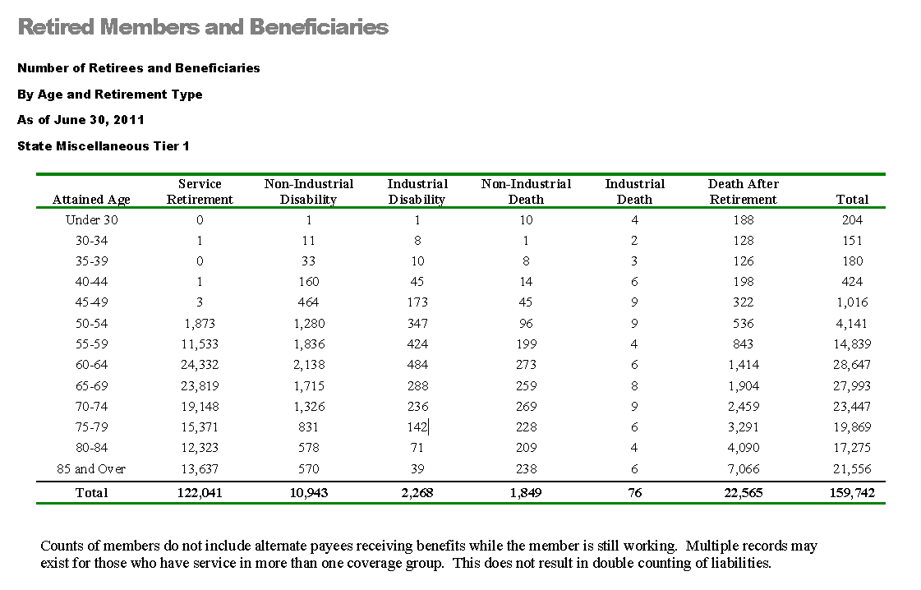
TOC
agegrp | service | noninddisb | inddisb | noninddeath | inddeath | death | total
Under 30 | 0 | 1 | 1 | 10 | 4 | 188 | 204
30-34 | 1 | 11 | 8 | 1 | 2 | 128 | 151
35-39 | 0 | 33 | 10 | 8 | 3 | 126 | 180
40-44 | 1 | 160 | 45 | 14 | 6 | 198 | 424
45-49 | 3 | 464 | 173 | 45 | 9 | 322 | 1,016
50-54 | 1,873 | 1,280 | 347 | 96 | 9 | 536 | 4,141
55-59 | 11,533 | 1,836 | 424 | 199 | 4 | 843 | 14,839
60-64 | 24,332 | 2,138 | 484 | 273 | 6 | 1,414 | 28,647
65-69 | 23,819 | 1,715 | 288 | 259 | 8 | 1,904 | 27,993
70-74 | 19,148 | 1,326 | 236 | 269 | 9 | 2,459 | 23,447
75-79 | 15,371 | 831 | 142 | 228 | 6 | 3,291 | 19,869
80-84 | 12,323 | 578 | 71 | 209 | 4 | 4,090 | 17,275
85p | 13,637 | 570 | 39 | 238 | 6 | 7,066 | 21,556
ageall | 122,041 | 10,943 | 2,268 | 1,849 | 76 | 22,565 | 159,742

smt1retbenaartype
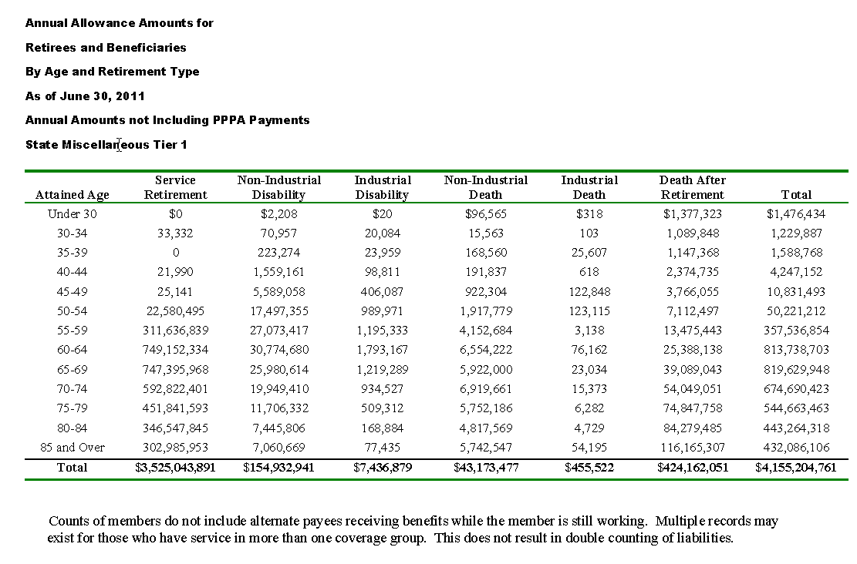
TOC
agegrp | service | noninddisb | inddisb | noninddeath | inddeath | death | total
Under 30 | - | 2,208 | 20 | 96,565 | 318 | 1,377,323 | 1,476,434
30-34 | 33,332 | 70,957 | 20,084 | 15,563 | 103 | 1,089,848 | 1,229,887
35-39 | - | 223,274 | 23,959 | 168,560 | 25,607 | 1,147,368 | 1,588,768
40-44 | 21,990 | 1,559,161 | 98,811 | 191,837 | 618 | 2,374,735 | 4,247,152
45-49 | 25,141 | 5,589,058 | 406,087 | 922,304 | 122,848 | 3,766,055 | 10,831,493
50-54 | 22,580,495 | 17,497,355 | 989,971 | 1,917,779 | 123,115 | 7,112,497 | 50,221,212
55-59 | 311,636,839 | 27,073,417 | 1,195,333 | 4,152,684 | 3,138 | 13,475,443 | 357,536,854
60-64 | 749,152,334 | 30,774,680 | 1,793,167 | 6,554,222 | 76,162 | 25,388,138 | 813,738,703
65-69 | 747,395,968 | 25,980,614 | 1,219,289 | 5,922,000 | 23,034 | 39,089,043 | 819,629,948
70-74 | 592,822,401 | 19,949,410 | 934,527 | 6,919,661 | 15,373 | 54,049,051 | 674,690,423
75-79 | 451,841,593 | 11,706,332 | 509,312 | 5,752,186 | 6,282 | 74,847,758 | 544,663,463
80-84 | 346,547,845 | 7,445,806 | 168,884 | 4,817,569 | 4,729 | 84,279,485 | 443,264,318
85p | 302,985,953 | 7,060,669 | 77,435 | 5,742,547 | 54,195 | 116,165,307 | 432,086,106
ageall | 3,525,043,891 | 154,932,941 | 7,436,879 | 43,173,477 | 455,522 | 424,162,051 | 4,155,204,761

smt1retnumretyrsrtype
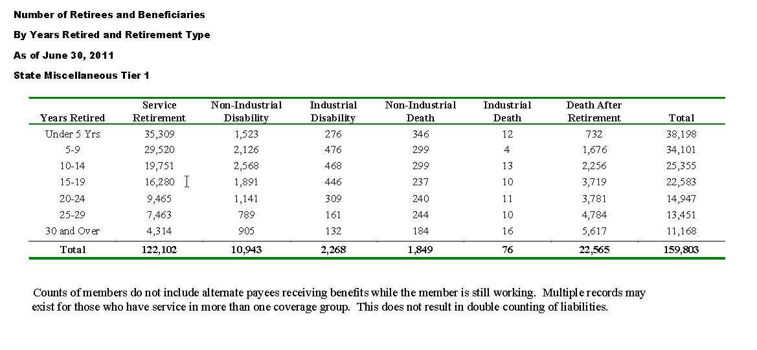
TOC
 | service | noninddisb | inddisb | noninddeath | inddeath | death | total
Under 5 Yrs | 35,309 | 1,523 | 276 | 346 | 12 | 732 | 38,198
5-9 | 29,520 | 2,126 | 476 | 299 | 4 | 1,676 | 34,101
10-14 | 19,751 | 2,568 | 468 | 299 | 13 | 2,256 | 25,355
15-19 | 16,280 | 1,891 | 446 | 237 | 10 | 3,719 | 22,583
20-24 | 9,465 | 1,141 | 309 | 240 | 11 | 3,781 | 14,947
25-29 | 7,463 | 789 | 161 | 244 | 10 | 4,784 | 13,451
30 and Over | 4,314 | 905 | 132 | 184 | 16 | 5,617 | 11,168
Total | 122,102 | 10,943 | 2,268 | 1,849 | 76 | 22,565 | 159,803

 | 122,041 | 10,943 | 2,268 | 1,849 | 76 | 22,565 | 159,742

smt1retbenretyrsrtype
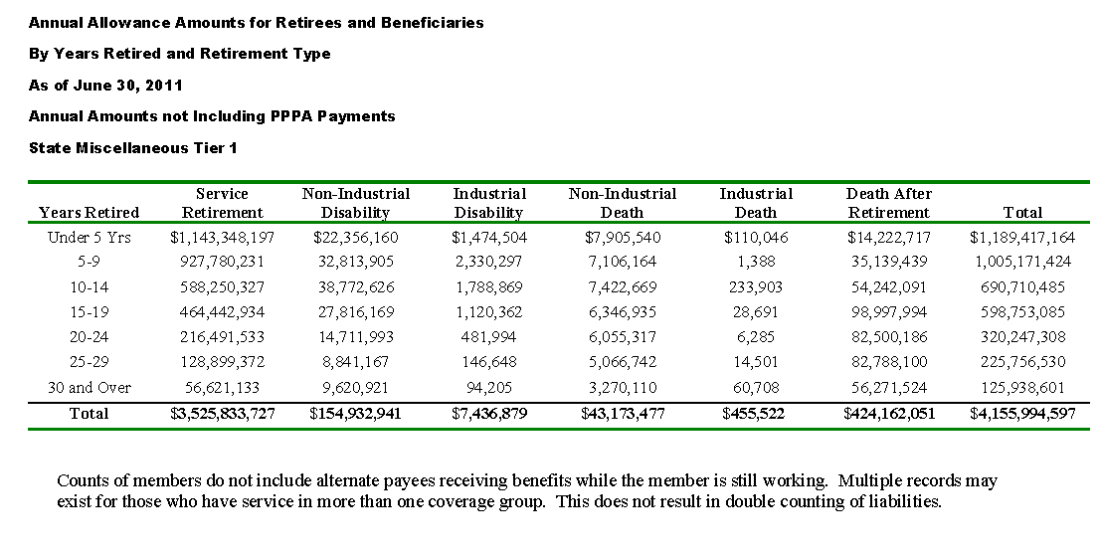
TOC
 | service | noninddisb | inddisb | noninddeath | inddeath | death | total
Under 5 Yrs | 1,143,348,197 | 22,356,160 | 1,474,504 | 7,905,540 | 110,046 | 14,222,717 | 1,189,417,164
5-9 | 927,780,231 | 32,813,905 | 2,330,297 | 7,106,164 | 1,388 | 35,139,439 | 1,005,171,424
10-14 | 588,250,327 | 38,772,626 | 1,788,869 | 7,422,669 | 233,903 | 54,242,091 | 690,710,485
15-19 | 464,442,934 | 27,816,169 | 1,120,362 | 6,346,935 | 28,691 | 98,997,994 | 598,753,085
20-24 | 216,491,533 | 14,711,993 | 481,994 | 6,055,317 | 6,285 | 82,500,186 | 320,247,308
25-29 | 128,899,372 | 8,841,167 | 146,648 | 5,066,742 | 14,501 | 82,788,100 | 225,756,530
30 and Over | 56,621,133 | 9,620,921 | 94,205 | 3,270,110 | 60,708 | 56,271,524 | 125,938,601
Total | 3,525,833,727 | 154,932,941 | 7,436,879 | 43,173,477 | 455,522 | 424,162,051 | 4,155,994,597

 | 3,525,043,891 | 154,932,941 | 7,436,879 | 43,173,477 | 455,522 | 424,162,051 | 4,155,204,761

