Weather Stations
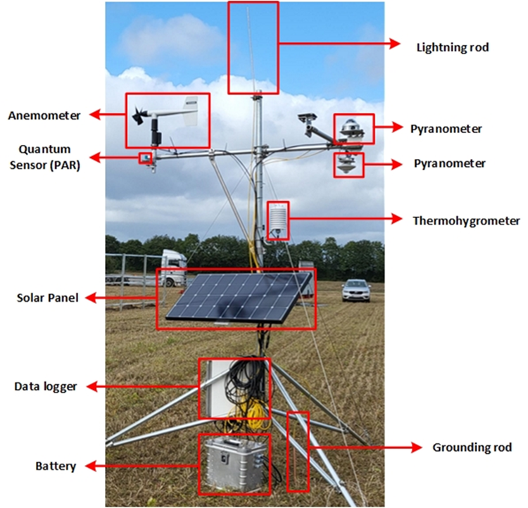
 | Desctiption of sensors |  |  |  | MPE WEATHER STATION
 | Sensor | Variable measured | Units | Name in the data file
MPE Weather station | Reference solar cell vertical setup facing east | In plane irradiance | W/m2 | CS325DM_Analog1_1_Avg
 | Reference solar cell vertical setup facing west | In plane irradiance | W/m2 | CS325DM_Analog1_2_Avg
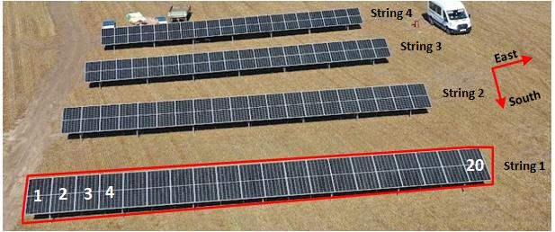
not connected | Reference solar cell tilted setup facing up | In plane irradiance | W/m2 | CS325DM_Analog1_3_Avg |  | ½
not connected | Reference solar cell tilted setup facing down | In plane irradiance | W/m2 | CS325DM_Analog1_4_Avg
 | Pyranometer (CMP6) facing up | Globlal Horizontal Irradiance | W/m2 | Solar_Wm2_1_Avg
 | Pyranometer (CMP6) facing down (albedometer) | Reflected Irradiance | W/m2 | Solar_Wm2_2_Avg
 | Pyranometer (SPN1) | Globlal Horizontal Irradiance | W/m2 | Global_Avg
 | Pyranometer (SPN1) | Diffuse Horizontal irradiance | W/m2 | Diffuse_Avg
 | Quantum Sensor | Photoactive radiation (PAR) | W/m2 | PAR_Den_Avg
 | HYGROVUE10 | Ambient Temperature | °C | AirTC_Avg
 | HYGROVUE10 | RH probe |  | RH
 | Wind monitor | Speed | W/m2 | WS_ms_S_WVT
 | Wind monitor | Direction | degrees | WindDir_D1_WVT

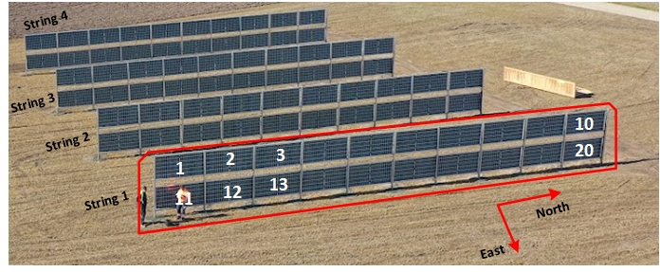

Inverters | Input of inverters | Strings
Inv1_vertical system | 1,2,3,4 | String 1 (1st from east) ,2,3,4 (last)
Inv2_tilted system | 1,2,3,4 | String 1 (front),2,3,4 (last)
Input current and voltage per string is measured. Total DC and AC power per inverter is measured

Jeroen weather station
Location (see picture) | Sensor | Variable measured | Units
1 | Tair/RH
1 | Rain
1 | Wind
1 | Leaf Wetness
1 | TDR
1 | PAR
2 | Tair/RH
2 | Rain |  |  |  | Jeroen weather station
2 | Wind
2 | Leaf Wetness
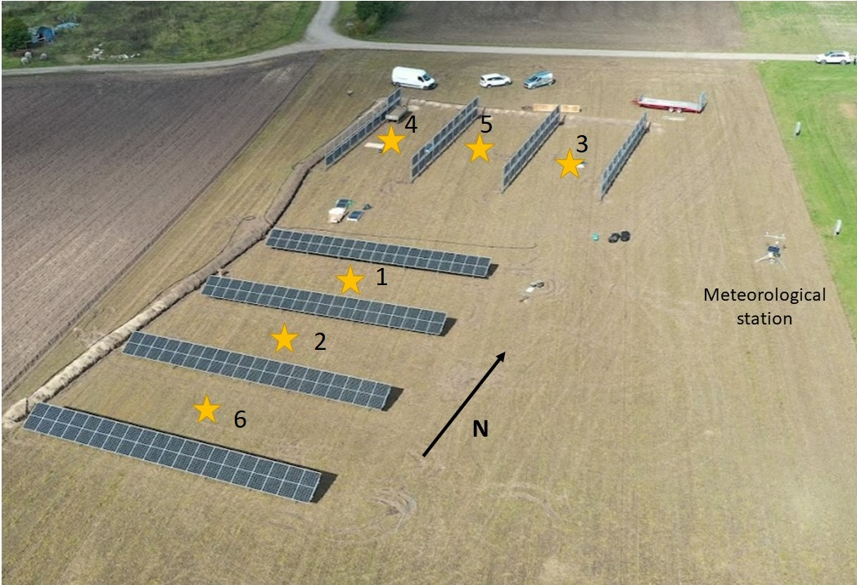
2 | TDR
2 | PAR
3 | Tair/RH
3 | Rain
3 | Wind
3 | Leaf Wetness
3 | TDR
3 | PAR
4 | Tair/RH
4 | Rain
4 | Wind
4 | Leaf Wetness
4 | TDR
4 | PAR
5 | Tair/RH
5 | Rain
5 | Wind
5 | Leaf Wetness
5 | TDR
5 | PAR
6 | Tair/RH
6 | Rain
6 | Wind
6 | Leaf Wetness
6 | TDR
6 | PAR

PV system details
Design details of the PV system
Geographical location | Foulum, Denmark (56.4966° N, 9.5843° E)
PV system | 88.80 kW (44.4 kW each system)
PV panel | JW-HD144N (555 W)
Inverter | SUN2000-40KTL
Number of PV panels, string | 20
Number of inverters | 2 (1 for each system)
Number of inputs used per inverter | 4
Number of PV panels per inverter | 80
Total Strings, park | 8
Number of PV panels, park | 160
Number of arrays per Inverter input | 1
PV panel orientation | Portrait (tilted setup), landscape (vertical setup)
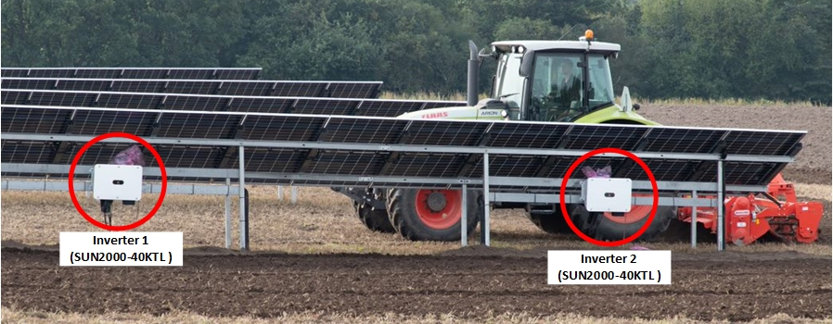

 |  | 227.27272727
 |  | 926.64

