cost generators
Nuclear | Lifetime | 40 | Lazards v13 |  | $ 2 € conversion | 0.9
 | Investment | 8595 | Lazards v13 |  | Btu 2 kWh conversion | 0.000293071
 | FOM | 1.4% | Lazards v13 |  | discount rate | 0.07
 | VOM | 3.5 | Lazards v13
 | Efficiency | 0.33 | Lazards v13
 | Fuel cost | 2.6 | Lazards v13
 | Fuel cost | 3.0 | DIW

Coal | Lifetime | 40 | Lazards v13
 | Investment | 4162.5 | Lazards v13
 | FOM | 1.6% | Lazards v13
 | VOM | 3.5 | Lazards v13
 | Efficiency | 0.33 | Lazards v13
 | Fuel cost | 4.5 | Lazards v13
 | Fuel cost | 8.40 | DIW
 | Fuel cost | 8.15 | BP 2019

Lignite | Lifetime | 40 | Lazards v13
 | Investment | 4162.5 | Lazards v13
 | FOM | 1.6% | Lazards v13
 | VOM | 3.5 | Lazards v13
 | Efficiency | 0.33 | Lazards v13
 | Fuel cost | 2.9 | DIW

OCGT | Lifetime | 25 | DEA
 | Investment | 454 | DEA
 | FOM | 1.8% | DEA
 | VOM | 4.50 | DEA
 | Efficiency | 0.40 | DEA
 | Fuel cost | 21.6 | DIW
 | Fuel cost | 10.6 | Lazards v13
 | Fuel cost | 20.1 | BP 2019

CCGT | Lifetime | 25 | DEA |  | Lifetime | 20 | Lazards v13
 | Investment | 900 | DEA |  | Investment | 900 | Lazards v13
 | FOM | 3.3% | DEA |  | FOM | 1.6% | Lazards v13
 | Efficiency | 0.55 | DEA |  | Efficiency | 0.56 | Lazards v13
 | Fuel cost | 21.6 | DEA
 | annuity | 77.2 | DEA |  | annuity | 85.0 | Lazards v13

Solar - utility | Lifetime | 30 |  |  | Lifetime | 35 | DEA
 | Investment_2020 | 431 | Vartiaian 2019 |  | Investment_2020 | 530 | DEA
 | Investment_2030 | 275 | Vartiaian 2019 |  | Investment_2030 | 380 | DEA |  | Investment_2030 | 425 | ETIP 2017
 | Investment_2040 | 204 | Vartiaian 2019 |  | Investment_2040 | 330 | DEA
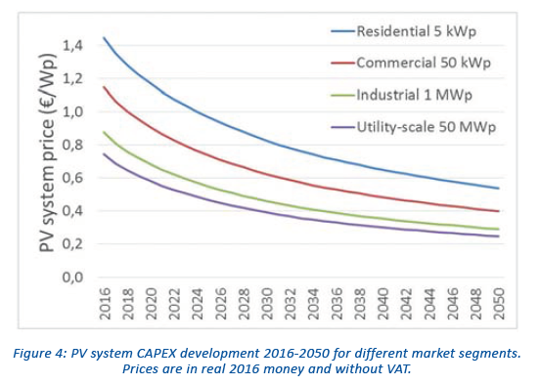
 | Investment_2050 | 164 | Vartiaian 2019 |  | Investment_2050 | 300 | DEA
 |  |  |  |  | FOM | 1.7% | DEA

Solar - rooftop | Lifetime | 30 | ETIP 2019 |  | Lifetime | 35 | DEA |  | Lifetime | 25 | Lazards v13
 | Investment_2020 | 1150 | ETIP 2019 |  | Investment_2020 | 1300 | DEA |  | Investment_2020 | 2587.5 | Lazards v13
 | Investment_2030 | 800 | ETIP 2019 |  | Investment_2030 | 870 | DEA |  | FOM | 0.5% | Lazards v13
 | Investment_2050 | 550 | ETIP 2019 |  | Investment_2050 | 590 | DEA
 |  |  |  |  | FOM | 1.0% | DEA
CHP coal | Lifetime | 25 | DEA
 | Investment | 900 | DEA
 | FOM | 3.3% | DEA
 | Efficiency | model implemented
 | Fuel cost | 21.6 | DEA

CHP straw | Lifetime | 25 | DEA | CHP wood pellets | Lifetime | 25 | DEA | CHP wood chips | Lifetime | 25 | DEA | CHP urban waste | Lifetime | 25 | DEA | *straw and wood chips are more similar to the kind of biomass that I'm considering (primary agriculure residues and forestry residues). I use CHP straw as reference
 | Investment (per MWe) |  | DEA |  | Investment (per MWe) | 2300 | DEA |  | Investment (per MWe) | 3400 | DEA |  | Investment (per MWe) | 7800 | DEA
 | Investment (fuel input) | 1070 |  |  | Investment (fuel input) | 750 |  |  | Investment (fuel input) | 1000 |  |  | Investment (fuel input) | 1830
 | FOM | 3.6% | DEA |  | FOM | 2.8% | DEA |  | FOM | 2.9% | DEA |  | FOM | 2.4% | DEA
 | VOM | 1.9 |  |  | VOM | 1.6 | DEA |  | VOM | 3.8 | DEA |  | VOM | 24.8 | DEA
 | Efficiency | model implemented |  |  | Efficiency | model implemented |  |  | Efficiency | model implemented |  |  | Efficiency | model implemented
 | Efficiency (when only electricity) | 0.293 | DEA |  | Efficiency (when only electricity) | 0.310 | DEA |  | Efficiency (when only electricity) | 0.280 | DEA |  | Efficiency (when only electricity) | 0.221 | DEA
 | fuel cost | 25.2 | JRC

HOP straw | Lifetime | 25 | DEA | HOP wood pellets | Lifetime | 25 | DEA | HOP wood chips | Lifetime | 25 | DEA
 | Investment (per MWh heat output) | 890 | DEA |  | Investment (per MWh heat output) | 720 | DEA |  | Investment (per MWh heat output) | 648 | DEA
 | Investment (fuel input) | 900 |  |  | Investment (fuel input) | 720 |  |  | Investment (fuel input) | 790
 | FOM | 0.6% | DEA |  | FOM | 0.5% | DEA |  | FOM | 0.5% | DEA
 | VOM | 0.60 | DEA |  | VOM | 0.5 | DEA |  | VOM | 1.0 | DEA
 | Efficiency | 1.02 | DEA |  | Efficiency | 1.01 | DEA |  | Efficiency | 1.149 | DEA
 | fuel cost | 25.2 | JRC

solid biomass | 2030 | fuel | 25.2 | EUR/MWhth | JRC and Zappa

cost storage
Batteries | Lifetime | 20 | DEA | Lifetime | 15 | DEA
 | Investment (kWh) | 132 | DEA | Investment (kWh) | 172.8 | DEA
 | FOM | 0.4% | DEA | FOM | 3.0% | DEA
 | Investment (kW) | 270 | DEA | Investment (kW) | 369.9 | DEA
 | Efficiency | 0.83 | DEA | Efficiency | 0.81 | DEA

Hydrogen | €/kWh | 11 | DEA | kg | 28600 | NREL | underground hydrogen storage | €/kWh | 3 | DEA | * The number is not included in the pdf report but in the excel file
 |  |  |  | kg to kWh_el | 33.33 |  | hydrogen tank storage | €/kWh | 57 | DEA | * The number is not included in the pdf report but in the excel file
 |  |  |  | Eff_fuel cell | 0.58
 |  |  |  | kg to kWh_H2 | 57.47
 |  |  |  | kWh | 1643513.7931
 |  |  |  | cost ($) | 30700000 | NREL
 |  |  |  | $/kWh | 18.7
 |  |  |  | €/kWh | 16.81

electrolysis | investment | 350 | Palzer Thesis |  |  |  | Central water tank storage | M€/GWh | 0.58 | DEA
 | lifetime | 18 | budischak2013 |  |  |  |  | €/kWh | 0.58 | DEA
 | efficiency | 0.8 | budischak2013
 | FOM | 4% | budischak2013 |  |  |  | Previous assumption | €/m3 | 30
 |  |  |  |  |  |  |  | kWh/m3 | 46.8
fuel cell | investment | 339 | budischak2013 |  |  |  |  | €/kWh | 0.64102564103
 | lifetime | 20 | budischak2013
 | efficiency | 0.58 | budischak2013
 | FOM | 3% | budischak2013 |  |  |  | Decentral water tank storage | €/kWh | 410 | DEA | * It seems to be an error in DEA database so we keep using previous assumptions

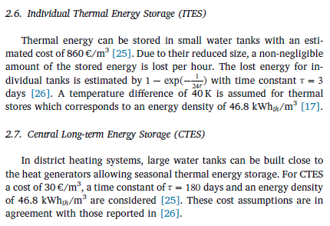
 |  |  |  |  |  |  | Previous assumption | €/m3 | 860
 |  |  |  |  |  |  |  | kWh/m3 | 46.8
 |  |  |  |  |  |  |  | €/kWh | 18.376068376

