cover
 | JRC-IDEES - Integrated Database of the European Energy System (2000-2015)

 |  | Slovak Republic

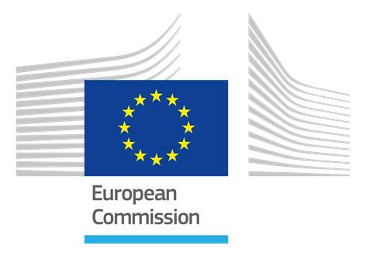
 |  | Services and Agriculture sector

 |  |  | Prepared by JRC C.6

 |  |  | 2018-07-16 17:47:35

 | © European Union 2017-2018

 | Legal Notice

 | The information made available is property of the Joint Research Centre of the European Commission.
 | Neither the European Commission nor any person acting on behalf of the Commission is responsible for the use which might be made of this information.

 | Permission to Use
 | Reproduction of the data is authorized provided the source is appropriately acknowledged.

JRC-IDEES 2015 |  | version 1.0 |  | © European Union

