Guide
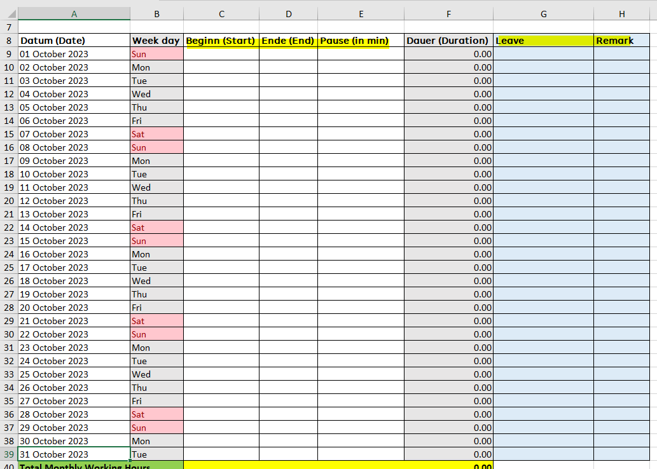
1. Please create a copy in new tag by right click -> move or copy -> select "(move to end)" & tick "Create a copy" -> Click "OK"
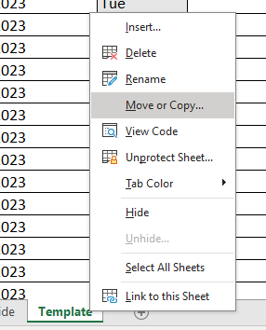
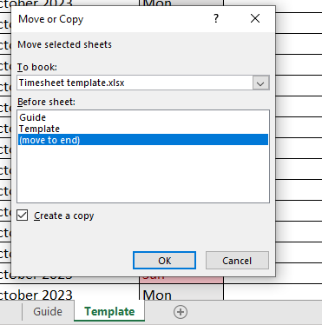

2. Input the information in yellow highlighted

3. Update the date from A9 to A39

4. Input the attendance & leave

