Layout
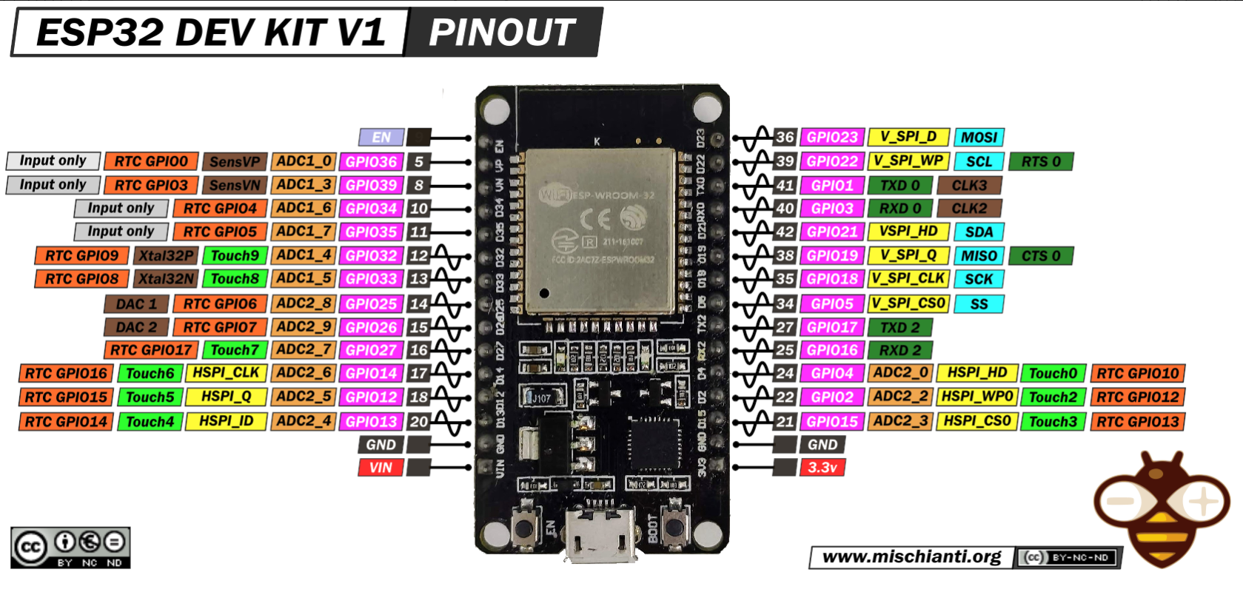
ESP32 pin | MPU6050
EN
UP
D34
D35
D32
D33
D25
D26
D27
D24
D12
D13
GND
VIN
D23
D22 | SCL
TXD
RXD
D21 | SDA
D19
D18
D5
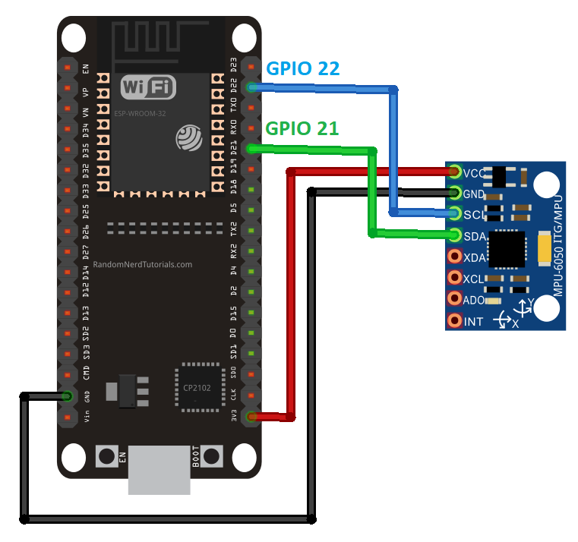
TX2
RX2
D4
D2
D15
GND | VCC
3,3V | GND

