kbpwa.current
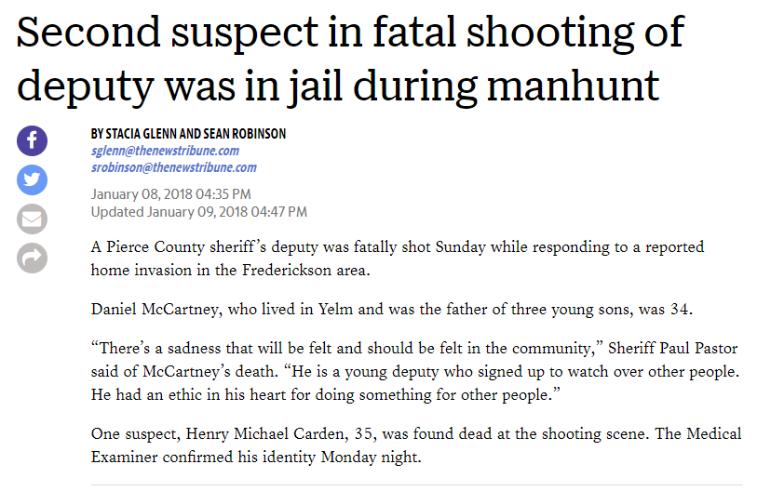
KBP | deceased_name | deceased_age | gender | race | number | date | date_format | year | month | day | deceased |  |  | method | fb_page | fb_pic | state | aka
 | Michael Bender | 27 | M | NA | 30 | 7-Jan-18 | 2018-01-07 | 2018 | 1 | 7 | Michael Bender, 27 |  |  | G | http://facebook.com/KilledByPolice/posts/1881181505243311 | NA | WA | NA
 | Juan Valencia | 36 | M | NA | 41 | 12-Jan-18 | 2018-01-12 | 2018 | 1 | 12 | Juan Valencia, 36 |  |  | G | http://facebook.com/KilledByPolice/posts/1885878311440297 | NA | WA | NA
 | Ilkka O. Hiironen | 35 | M | W | 72 | 21-Jan-18 | 2018-01-21 | 2018 | 1 | 21 | Ilkka O. Hiironen, 35 |  |  | G | http://facebook.com/KilledByPolice/posts/1896047967089998 | NA | WA | NA
 | Vaneesa L. Hopson | 35 | F | W | 134 | 7-Feb-18 | 2018-02-07 | 2018 | 2 | 7 | Vaneesa L. Hopson, 35 |  |  | R, C | http://facebook.com/KilledByPolice/posts/1915470598481068 | http://www.killedbypolice.net/victims/180133.jpg | WA | NA
 | Jason Seavers | 41 | M | NA | 170 | 19-Feb-18 | 2018-02-19 | 2018 | 2 | 19 | Jason Seavers, 41 |  |  | G | http://facebook.com/KilledByPolice/posts/1927906427237485 | NA | WA | NA
 | William Langfitt | 28 | M | W | 262 | 16-Mar-18 | 2018-03-16 | 2018 | 3 | 16 | William Langfitt, 28 |  |  | G | http://facebook.com/KilledByPolice/posts/1958819857479475 | http://www.killedbypolice.net/victims/180260.jpg | WA | NA
 | Mitchell Nelson | 36 | M | NA | 337 | 4-Apr-18 | 2018-04-04 | 2018 | 4 | 4 | Mitchell Nelson, 36 |  |  | G | http://facebook.com/KilledByPolice/posts/2009471402414320 | http://www.killedbypolice.net/victims/18MitchellNelson.jpg | WA | NA
 |  | NA | M | NA | 475 | 13-May-18 | 2018-05-13 | 2018 | 5 | 13 |  |  |  | R | NA | NA | WA | NA

FE | name | age | sex | race | URLpic | dateDMY | month | day | year | address | city | state | zip | county | fullAddress | latitude | longitude | agency | causeOfDeath | circumstances | officialDisposition | URLarticle | mentalIllness | Description | kbp.filter
 | Michael Clarence Bender | 27 | Male | European-American/White | https://d2g8igdw686xgo.cloudfront.net/26927508_15158235270_r.jpeg | 2018-01-07 | 1 | 7 | 2018 | 400 block S 65th St | Tacoma | WA | 98408 | Pierce | 400 block S 65th St Tacoma WA 98408 Pierce | 47.1978662 | -122.436584 | Tacoma Police Department | Gunshot | A man was crawling on the lawn outside a burning Tacoma house with a rifle in his hand as firefighters battled the flames. Neighbors called 911 with concerns about the man. Witnesses said he appeared to be drunk as he started walking down Pacific Avenue. Police arrived about 10:45 p.m. and ordered the man to put down his gun. He allegedly refused. They exchanged gunfire, and the man was killed. | Pending investigation | http://www.thenewstribune.com/news/local/crime/article193488139.html | Drug or alcohol use | 1/7/2018: A man was crawling on the lawn outside a burning Tacoma house with a rifle in his hand as firefighters battled the flames. Neighbors called 911 with concerns about the man. Witnesses said he appeared to be drunk as he started walking down Pacific Avenue. Police arrived about 10:45 p.m. and ordered the man to put down his gun. He allegedly refused. They exchanged gunfire, and the man was killed. http://www.thenewstribune.com/news/local/crime/article193488139.html | killed by police
 | Henry Michael Carden | 35 | Male | European-American/White | http://www.fatalencounters.org/wp-content/uploads/2018/01/henry_carden.jpg | 2018-01-07 | 1 | 7 | 2018 | 5100 block 200th St E | Spanaway | WA | 98387 | Pierce | 5100 block 200th St E Spanaway WA 98387 Pierce | 47.0746622 | -122.3589883 | Pierce County Sheriff's Office | Gunshot | Deputies were called about 11:25 p.m. to a home for a home invasion. Deputy Daniel A. McCartney, 34, was fatally shot while chasing two burglars. One of the alleged burglars, Henry Carden, was killed. The other was caught later. | Pending investigation | http://www.thenewstribune.com/news/local/crime/article193487669.html | No | 1/7/2018: Deputies were called about 11:25 p.m. to a home for a home invasion. Deputy Daniel A. McCartney, 34, was fatally shot while chasing two burglars. One of the alleged burglars, Henry Carden, was killed. The other was caught later. http://www.thenewstribune.com/news/local/crime/article193487669.html | killed by police
 | Juan Valencia | 36 | Male | Race unspecified | NA | 2018-01-12 | 1 | 12 | 2018 | 808 Valley Ave NW | Puyallup | WA | 98371 | Pierce | 808 Valley Ave NW Puyallup WA 98371 Pierce | 47.209909 | -122.303132 | Puyallup Police Department, Milton Police Department | Gunshot | Police got a report of a recklessly driven vehicle. Police said the van was swerving into oncoming traffic and stopping in the middle of the road at 3:39 p.m. At 3:52 p.m., officers found the van had been parked in the middle of Valley Avenue NW near the Puyallup Recreation Center. Police found the man behind the rec center. Seven officers—two from Milton and five from Puyallup—tried to negotiate with the man, but he fired at least one other shot, and officers shot and killed him. | Pending investigation | http://komonews.com/news/local/valley-avenue-shut-down-after-officer-involved-shooting-in-puyallup | No | 1/12/2018: Police got a report of a recklessly driven vehicle. Police said the van was swerving into oncoming traffic and stopping in the middle of the road at 3:39 p.m. At 3:52 p.m., officers found the van had been parked in the middle of Valley Avenue NW near the Puyallup Recreation Center. Police found the man behind the rec center. Seven officers—two from Milton and five from Puyallup—tried to negotiate with the man, but he fired at least one other shot, and officers shot and killed him. http://komonews.com/news/local/valley-avenue-shut-down-after-officer-involved-shooting-in-puyallup | killed by police
 | Ilkka Olavi Hiironen | 35 | Male | European-American/White | NA | 2018-01-21 | 1 | 21 | 2018 | 51st Avenue Southeast and 20th Street Southeast | Everett | WA | 98201 | Snohomish | 51st Avenue Southeast and 20th Street Southeast Everett WA 98201 Snohomish | 47.9780655 | -122.1623265 | Snohomish County Sheriff's Office | Gunshot | Deputies confronted a 35-year-old man who had been reported as suicidal by his wife at about 8 p.m. The man had called his wife to say he wanted police to kill him but did not say where he was. At about 9 p.m., deputies found the man's vehicle. Police said the man came out holding what looked like a weapon, and deputies shot and killed him. | Pending investigation | http://komonews.com/news/local/snohomish-county-deputy-involved-in-shooting-near-everett | Yes | 1/21/2018: Deputies confronted a 35-year-old man who had been reported as suicidal by his wife at about 8 p.m. The man had called his wife to say he wanted police to kill him but did not say where he was. At about 9 p.m., deputies found the man's vehicle. Police said the man came out holding what looked like a weapon, and deputies shot and killed him. http://komonews.com/news/local/snohomish-county-deputy-involved-in-shooting-near-everett | killed by police
 | Vaneesa L. Hopson | 35 | Female | Race unspecified | NA | 2018-02-07 | 2 | 7 | 2018 | 1200 block Fern Street Southwest | Olympia | WA | 98502 | Thurston | 1200 block Fern Street Southwest Olympia WA 98502 Thurston | 47.0370181 | -122.9283457 | Olympia Police Department | Other | Vaneesa L. Hopson was injected with a drug to calm her, but she died. | Pending investigation | https://www.seattlepi.com/news/article/Police-Olympia-woman-dies-after-being-restrained-12559840.php | Yes | 2/7/2018: Vaneesa L. Hopson was injected with a drug to calm her, but she died. https://www.seattlepi.com/news/article/Police-Olympia-woman-dies-after-being-restrained-12559840.php | killed by police
 | Jason Seavers | 41 | Male | Race unspecified | NA | 2018-02-19 | 2 | 19 | 2018 | 26th Ave NE & NE 55th St | Seattle | WA | 98105 | King | 26th Ave NE & NE 55th St Seattle WA 98105 King | 47.668519 | -122.299529 | Seattle Police Department | Gunshot | Police responded around 4:20 a.m. for the report of someone breaking into vehicles. When officers arrived, the suspect fled from inside the vehicle, and police gave chase. During the pursuit, the suspect allegedly fired a shot at officers. Someone nearby called about a man breaking into a home and stealing a vehicle at gunpoint. A man was in the stolen vehicle when he crashed. He was shot and killed. | Pending investigation | http://www.king5.com/article/news/local/seattle/suspect-dead-after-seattle-officer-involved-shooting/281-520546144 | No | 2/19/2018: Police responded around 4:20 a.m. for the report of someone breaking into vehicles. When officers arrived, the suspect fled from inside the vehicle, and police gave chase. During the pursuit, the suspect allegedly fired a shot at officers. Someone nearby called about a man breaking into a home and stealing a vehicle at gunpoint. A man was in the stolen vehicle when he crashed. He was shot and killed. http://www.king5.com/article/news/local/seattle/suspect-dead-after-seattle-officer-involved-shooting/281-520546144 | killed by police
 | William Langfitt | 28 | Male | Race unspecified | NA | 2018-03-16 | 3 | 16 | 2018 | 252nd St E and Mountain Highway E | Graham | WA | 98387 | Pierce | 252nd St E and Mountain Highway E Graham WA 98387 Pierce | 47.027578 | -122.375311 | Pierce County Sheriff's Office | Gunshot | A Pierce County deputy shot and killed William Langfitt after he reportedly tried to get into the deputy's patrol car. Earlier 911 callers said the man was having a breakdown, was armed with a knife and was trying to get into people's vehicles, police said. | Pending investigation | http://komonews.com/news/local/pierce-county-deputy-shoots-kills-man-near-graham | Yes | 3/16/2018: A Pierce County deputy shot and killed William Langfitt after he reportedly tried to get into the deputy's patrol car. Earlier 911 callers said the man was having a breakdown, was armed with a knife and was trying to get into people's vehicles, police said. http://komonews.com/news/local/pierce-county-deputy-shoots-kills-man-near-graham | killed by police
 | Mitchell Nelson | 36 | Male | European-American/White | http://www.fatalencounters.org/wp-content/uploads/2018/04/Mitchellnelson.jpeg | 2018-04-04 | 4 | 4 | 2018 | 28100 block 28th Avenue S | Federal Way | WA | 98003 | King | 28100 block 28th Avenue S Federal Way WA 98003 King | 47.3496617 | -122.297376 | Federal Way Police Department | Gunshot | Police said two people, a man and a woman, ran from a hit-and-run collision before noon. The woman was taken into custody, but the man broke into a house nearby. Hours later, police entered the house and found the suspect in a crawlspace. Police said there was an exchange of gunfire, and Mitchell Nelson was killed. | Pending investigation | http://q13fox.com/2018/04/05/standoff-house-in-federal-way-torn-up-but-missing-cat-named-puppy-is-found-safe/ | No | 4/4/2018: Police said two people, a man and a woman, ran from a hit-and-run collision before noon. The woman was taken into custody, but the man broke into a house nearby. Hours later, police entered the house and found the suspect in a crawlspace. Police said there was an exchange of gunfire, and Mitchell Nelson was killed. http://q13fox.com/2018/04/05/standoff-house-in-federal-way-torn-up-but-missing-cat-named-puppy-is-found-safe/ | killed by police

 | Carden

