Лист1
Folder Chooser

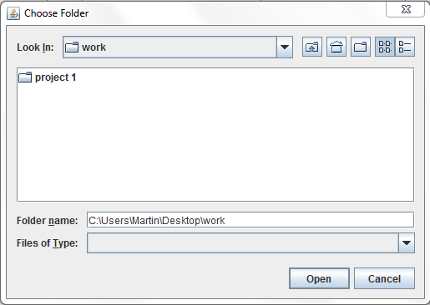
Add Curriculum
Add Curriculum for specified degree & year

-
x
Bachelor
Master
Curriculum year
Ok
Cancel
Degree
-
x
Ok
Cancel
Load programmes from folder
Combine existing programs
Add Curriculum for degree-year

Combining programmes into Curriculum

-
x
Ok
Cancel
Add Curriculum for Bs-2014-2015

Registered programs

Bio-Computing track CS
Regular track CS
Business track CS

Лист2
-
x
Curriculum
Load programme folder
Student programmes
Load student folder
Result
Check
File
Add curriculum
Remove programme
Add programme
Ms CS 2012-2013
Bs CS 2014-2015
Bs CS 2013-2014
...
Martin Avagyan
Anna Smith
...
Martin Avagyan
Anna Smith

Лист3
-
x
Curriculum
Load programme folder
Student programs
Load student folder
Result
Check
NA
File
Add curriculum
Remove programme
Add programme

No programmes
No programmes

Лист4
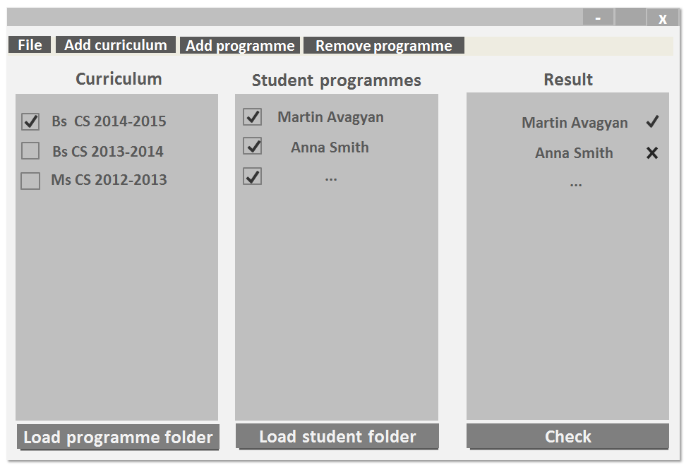
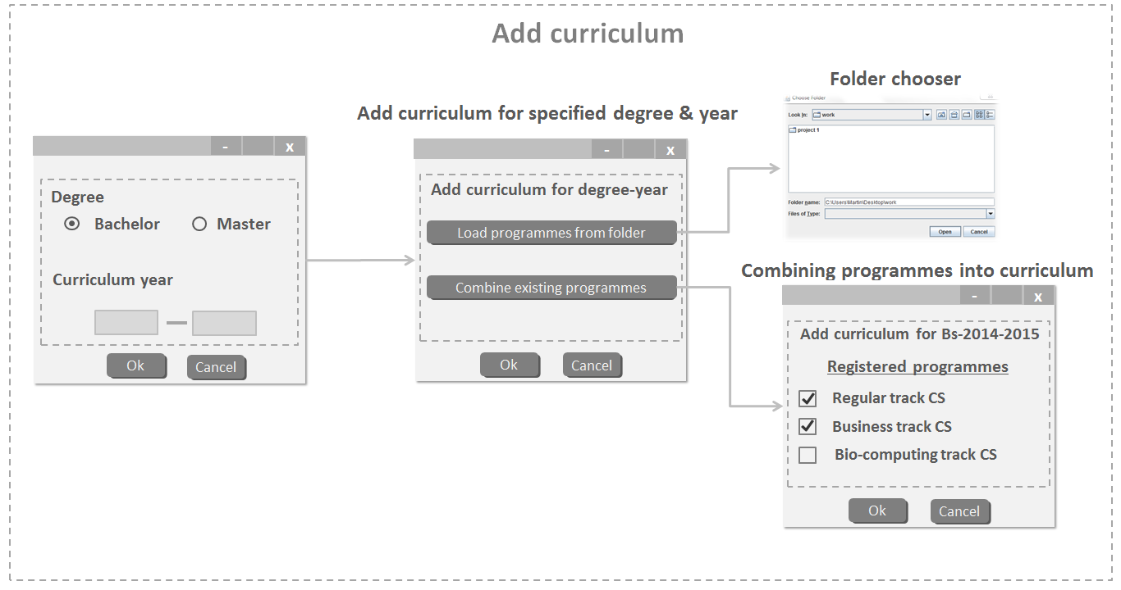
-
x
Curriculum
Load program folder
Student programmes
No programmes
Load student folder
Result
Check
NA
File
Add curriculum
Remove programme
Add programme

No programmes

Final output
Add curriculum
Folder chooser

Лист5
Add curriculum

Folder chooser

Add curriculum for specified degree & year

-
x
Bachelor
Master
Curriculum year
Ok
Cancel
Degree
-
x
Ok
Cancel
Load programmes from folder
Combine existing programmes
Add curriculum for degree-year

Combining programmes into curriculum

-
x
Ok
Cancel
Add curriculum for Bs-2014-2015

Registered programmes

Bio-computing track CS
Regular track CS
Business track CS

Лист8
Add programme Bs

-
x
Ok
Cancel
Add Programme manually
Mandatory propaedeutic
Mandatory post-propaedeutic
Optional
Final project

-
x
Bachelor
Master
Curriculum year
Ok
Cancel
Degree
-
x
Ok
Cancel
Load programme from folder
Enter manually
Add programme
Add programme

Лист9
Add programme Ms

-
x
Ok
Cancel
Add programme manually
Compulsory courses
Free choices (optional)
Master thesis

-
x
Bachelor
Master
Curriculum year
Ok
Cancel
Degree
-
x
Ok
Cancel
Load programme from folder
Enter manually
Add programme

Add programme

Guided choices

