Adas-Cog Raw
Main |  |  |  |  |  |  |  |  |  |  |  | 36843256 | https://www.ncbi.nlm.nih.gov/pmc/articles/PMC11074813/ | YES
 | Arm | Time | Change | Scale | Baseline | Sample | Source | Placebo | Blind | Notes | MMSE Baseline |  | Word recall, naming, commands, constructional praxis, ideational praxis, orientation, word recognition, remembering test instructions, spoken language ability, word finding difficulty, comprehension, concentration
 | Placebo (vs lecanemab) | 90 | 0.9 | ADAS-Cog14 | 24.4 | 844 | Lecanemab in Early Alzheimer's Disease. NEJM 2023 | Yes | Yes
 | lecanemab | 90 | 0.5 | ADAS-Cog14 | 24.5 | 819 | Lecanemab in Early Alzheimer's Disease. NEJM 2023 | Yes | Yes
 | Placebo (vs lecanemab) | 180 | 1.2 | ADAS-Cog14 | 24.4 | 823 | Lecanemab in Early Alzheimer's Disease. NEJM 2023 | Yes | Yes
 | lecanemab | 180 | 0.5 | ADAS-Cog14 | 24.5 | 793 | Lecanemab in Early Alzheimer's Disease. NEJM 2023 | Yes | Yes
 | Placebo (vs lecanemab) | 270 | 2.5 | ADAS-Cog14 | 24.4 | 807 | Lecanemab in Early Alzheimer's Disease. NEJM 2023 | Yes | Yes
 | lecanemab | 270 | 1.5 | ADAS-Cog14 | 24.5 | 771 | Lecanemab in Early Alzheimer's Disease. NEJM 2023 | Yes | Yes
 | Placebo (vs lecanemab) | 365 | 3.2 | ADAS-Cog14 | 24.4 | 770 | Lecanemab in Early Alzheimer's Disease. NEJM 2023 | Yes | Yes
 | lecanemab | 365 | 1.8 | ADAS-Cog14 | 24.5 | 753 | Lecanemab in Early Alzheimer's Disease. NEJM 2023 | Yes | Yes
 | Placebo (vs lecanemab) | 450 | 3.7 | ADAS-Cog14 | 24.4 | 762 | Lecanemab in Early Alzheimer's Disease. NEJM 2023 | Yes | Yes
 | lecanemab | 450 | 2.2 | ADAS-Cog14 | 24.5 | 730 | Lecanemab in Early Alzheimer's Disease. NEJM 2023 | Yes | Yes
 | Placebo (vs lecanemab) | 540 | 5.6 | ADAS-Cog14 | 24.4 | 738 | Lecanemab in Early Alzheimer's Disease. NEJM 2023 | Yes | Yes
 | lecanemab | 540 | 4.1 | ADAS-Cog14 | 24.5 | 703 | Lecanemab in Early Alzheimer's Disease. NEJM 2023 | Yes | Yes
 | Placebo (vs lecanemab) | 90 | 0.7 | ADAS-Cog14 | 22.6 | 238 | A randomized, double-blind, phase 2b proof-of-concept clinical trial in early Alzheimer's disease with lecanemab, an anti-Aβ protofibril antibody | Yes | Yes
 | lecanemab 10mg qm | 90 | 0.5 | ADAS-Cog14 | 21.9 | 246 | A randomized, double-blind, phase 2b proof-of-concept clinical trial in early Alzheimer's disease with lecanemab, an anti-Aβ protofibril antibody | Yes | Yes
 | lecanemab 10mg q2w | 90 | 0.1 | ADAS-Cog14 | 22.1 | 246 | A randomized, double-blind, phase 2b proof-of-concept clinical trial in early Alzheimer's disease with lecanemab, an anti-Aβ protofibril antibody | Yes | Yes
 | Placebo (vs lecanemab) | 180 | 0.8 | ADAS-Cog14 | 22.6 | 238 | A randomized, double-blind, phase 2b proof-of-concept clinical trial in early Alzheimer's disease with lecanemab, an anti-Aβ protofibril antibody | Yes | Yes
 | lecanemab 10mg qm | 180 | 1.0 | ADAS-Cog14 | 21.9 | 246 | A randomized, double-blind, phase 2b proof-of-concept clinical trial in early Alzheimer's disease with lecanemab, an anti-Aβ protofibril antibody | Yes | Yes
 | lecanemab 10mg q2w | 180 | 0.4 | ADAS-Cog14 | 22.1 | 246 | A randomized, double-blind, phase 2b proof-of-concept clinical trial in early Alzheimer's disease with lecanemab, an anti-Aβ protofibril antibody | Yes | Yes
 | Placebo (vs lecanemab) | 270 | 2.1 | ADAS-Cog14 | 22.6 | 238 | A randomized, double-blind, phase 2b proof-of-concept clinical trial in early Alzheimer's disease with lecanemab, an anti-Aβ protofibril antibody | Yes | Yes
 | lecanemab 10mg qm | 270 | 1.4 | ADAS-Cog14 | 21.9 | 246 | A randomized, double-blind, phase 2b proof-of-concept clinical trial in early Alzheimer's disease with lecanemab, an anti-Aβ protofibril antibody | Yes | Yes
 | lecanemab 10mg q2w | 270 | 0.7 | ADAS-Cog14 | 22.1 | 246 | A randomized, double-blind, phase 2b proof-of-concept clinical trial in early Alzheimer's disease with lecanemab, an anti-Aβ protofibril antibody | Yes | Yes
 | Placebo (vs lecanemab) | 365 | 2.8 | ADAS-Cog14 | 22.6 | 238 | A randomized, double-blind, phase 2b proof-of-concept clinical trial in early Alzheimer's disease with lecanemab, an anti-Aβ protofibril antibody | Yes | Yes
 | lecanemab 10mg qm | 365 | 2.3 | ADAS-Cog14 | 21.9 | 246 | A randomized, double-blind, phase 2b proof-of-concept clinical trial in early Alzheimer's disease with lecanemab, an anti-Aβ protofibril antibody | Yes | Yes
 | lecanemab 10mg q2w | 365 | 1.5 | ADAS-Cog14 | 22.1 | 246 | A randomized, double-blind, phase 2b proof-of-concept clinical trial in early Alzheimer's disease with lecanemab, an anti-Aβ protofibril antibody | Yes | Yes
 | Placebo (vs lecanemab) | 450 | 3.6 | ADAS-Cog14 | 22.6 | 238 | A randomized, double-blind, phase 2b proof-of-concept clinical trial in early Alzheimer's disease with lecanemab, an anti-Aβ protofibril antibody | Yes | Yes
90 | 0.9
90 | 0.5
180 | 1.2
180 | 0.5
270 | 2.5
270 | 1.5
365 | 3.2
365 | 1.8
450 | 3.7
450 | 2.2
540 | 5.6
540 | 4.1
90 | 0.7
90 | 0.5
90 | 0.1
180 | 0.8
180 | 1.0
180 | 0.4
270 | 2.1
270 | 1.4
270 | 0.7
365 | 2.8
365 | 2.3
365 | 1.5
450 | 3.6
450 | 3.3
450 | 1.7
540 | 4.8
540 | 4.6
540 | 2.6
28 | -0.1
28 | -0.1
56 | 0.0
56 | -0.2
84 | 0.0
84 | -0.3
112 | 0.1
112 | -0.3
140 | 0.2
140 | -0.3
168 | 0.2
168 | -0.3
196 | -0.1
196 | 0.3
224 | 0.8
224 | 0.1
252 | 1.2
252 | 0.5
280 | 1.6
280 | 0.7
...
 | lecanemab 10mg qm | 450 | 3.3 | ADAS-Cog14 | 21.9 | 246 | A randomized, double-blind, phase 2b proof-of-concept clinical trial in early Alzheimer's disease with lecanemab, an anti-Aβ protofibril antibody | Yes | Yes
 | lecanemab 10mg q2w | 450 | 1.7 | ADAS-Cog14 | 22.1 | 246 | A randomized, double-blind, phase 2b proof-of-concept clinical trial in early Alzheimer's disease with lecanemab, an anti-Aβ protofibril antibody | Yes | Yes
 | Placebo (vs lecanemab) | 540 | 4.8 | ADAS-Cog14 | 22.6 | 238 | A randomized, double-blind, phase 2b proof-of-concept clinical trial in early Alzheimer's disease with lecanemab, an anti-Aβ protofibril antibody | Yes | Yes
 | lecanemab 10mg qm | 540 | 4.6 | ADAS-Cog14 | 21.9 | 246 | A randomized, double-blind, phase 2b proof-of-concept clinical trial in early Alzheimer's disease with lecanemab, an anti-Aβ protofibril antibody | Yes | Yes
 | lecanemab 10mg q2w | 540 | 2.6 | ADAS-Cog14 | 22.1 | 246 | A randomized, double-blind, phase 2b proof-of-concept clinical trial in early Alzheimer's disease with lecanemab, an anti-Aβ protofibril antibody | Yes | Yes
 | Placebo | 28 | -0.1 | ADAS-Cog13 | 27.5 | 120 | Donanemab in Early Alzheimer's Disease. Mintun et al. NEJM 2021 |  |  |  | 23.7
 | donanemab | 28 | -0.1 | ADAS-Cog13 | 27.6 | 125 | Donanemab in Early Alzheimer's Disease. Mintun et al. NEJM 2021 |  |  |  | 23.5
 | Placebo | 56 | 0.0 | ADAS-Cog13 | 27.5 | 120 | Donanemab in Early Alzheimer's Disease. Mintun et al. NEJM 2021 |  |  |  | 23.7
 | donanemab | 56 | -0.2 | ADAS-Cog13 | 27.6 | 125 | Donanemab in Early Alzheimer's Disease. Mintun et al. NEJM 2021 |  |  |  | 23.5
 | Placebo | 84 | 0.0 | ADAS-Cog13 | 27.5 | 115 | Donanemab in Early Alzheimer's Disease. Mintun et al. NEJM 2021 |  |  |  | 23.7
 | donanemab | 84 | -0.3 | ADAS-Cog13 | 27.6 | 121 | Donanemab in Early Alzheimer's Disease. Mintun et al. NEJM 2021 |  |  |  | 23.5
 | Placebo | 112 | 0.1 | ADAS-Cog13 | 27.5 | 115 | Donanemab in Early Alzheimer's Disease. Mintun et al. NEJM 2021 |  |  |  | 23.7
 | donanemab | 112 | -0.3 | ADAS-Cog13 | 27.6 | 121 | Donanemab in Early Alzheimer's Disease. Mintun et al. NEJM 2021 |  |  |  | 23.5
 | Placebo | 140 | 0.2 | ADAS-Cog13 | 27.5 | 115 | Donanemab in Early Alzheimer's Disease. Mintun et al. NEJM 2021 |  |  |  | 23.7
 | donanemab | 140 | -0.3 | ADAS-Cog13 | 27.6 | 121 | Donanemab in Early Alzheimer's Disease. Mintun et al. NEJM 2021 |  |  |  | 23.5
 | Placebo | 168 | 0.2 | ADAS-Cog13 | 27.5 | 112 | Donanemab in Early Alzheimer's Disease. Mintun et al. NEJM 2021 |  |  |  | 23.7
 | donanemab | 168 | -0.3 | ADAS-Cog13 | 27.6 | 118 | Donanemab in Early Alzheimer's Disease. Mintun et al. NEJM 2021 |  |  |  | 23.5
 | Placebo | 196 | -0.1 | ADAS-Cog13 | 27.5 | 112 | Donanemab in Early Alzheimer's Disease. Mintun et al. NEJM 2021 |  |  |  | 23.7
 | donanemab | 196 | 0.3 | ADAS-Cog13 | 27.6 | 118 | Donanemab in Early Alzheimer's Disease. Mintun et al. NEJM 2021 |  |  |  | 23.5
 | Placebo | 224 | 0.8 | ADAS-Cog13 | 27.5 | 112 | Donanemab in Early Alzheimer's Disease. Mintun et al. NEJM 2021 |  |  |  | 23.7
 | donanemab | 224 | 0.1 | ADAS-Cog13 | 27.6 | 118 | Donanemab in Early Alzheimer's Disease. Mintun et al. NEJM 2021 |  |  |  | 23.5
 | Placebo | 252 | 1.2 | ADAS-Cog13 | 27.5 | 101 | Donanemab in Early Alzheimer's Disease. Mintun et al. NEJM 2021 |  |  |  | 23.7
 | donanemab | 252 | 0.5 | ADAS-Cog13 | 27.6 | 100 | Donanemab in Early Alzheimer's Disease. Mintun et al. NEJM 2021 |  |  |  | 23.5
 | Placebo | 280 | 1.6 | ADAS-Cog13 | 27.5 | 101 | Donanemab in Early Alzheimer's Disease. Mintun et al. NEJM 2021 |  |  |  | 23.7
 | donanemab | 280 | 0.7 | ADAS-Cog13 | 27.6 | 100 | Donanemab in Early Alzheimer's Disease. Mintun et al. NEJM 2021 |  |  |  | 23.5
 | Placebo | 308 | 1.8 | ADAS-Cog13 | 27.5 | 101 | Donanemab in Early Alzheimer's Disease. Mintun et al. NEJM 2021 |  |  |  | 23.7
 | donanemab | 308 | 1.0 | ADAS-Cog13 | 27.6 | 100 | Donanemab in Early Alzheimer's Disease. Mintun et al. NEJM 2021 |  |  |  | 23.5
 | Placebo | 336 | 2.2 | ADAS-Cog13 | 27.5 | 101 | Donanemab in Early Alzheimer's Disease. Mintun et al. NEJM 2021 |  |  |  | 23.7
 | donanemab | 336 | 1.4 | ADAS-Cog13 | 27.6 | 100 | Donanemab in Early Alzheimer's Disease. Mintun et al. NEJM 2021 |  |  |  | 23.5
 | Placebo | 364 | 2.5 | ADAS-Cog13 | 27.5 | 89 | Donanemab in Early Alzheimer's Disease. Mintun et al. NEJM 2021 |  |  |  | 23.7
 | donanemab | 364 | 1.5 | ADAS-Cog13 | 27.6 | 86 | Donanemab in Early Alzheimer's Disease. Mintun et al. NEJM 2021 |  |  |  | 23.5
 | Placebo | 392 | 2.8 | ADAS-Cog13 | 27.5 | 89 | Donanemab in Early Alzheimer's Disease. Mintun et al. NEJM 2021 |  |  |  | 23.7
 | donanemab | 392 | 1.7 | ADAS-Cog13 | 27.6 | 86 | Donanemab in Early Alzheimer's Disease. Mintun et al. NEJM 2021 |  |  |  | 23.5
 | Placebo | 420 | 3.0 | ADAS-Cog13 | 27.5 | 89 | Donanemab in Early Alzheimer's Disease. Mintun et al. NEJM 2021 |  |  |  | 23.7
 | donanemab | 420 | 1.8 | ADAS-Cog13 | 27.6 | 86 | Donanemab in Early Alzheimer's Disease. Mintun et al. NEJM 2021 |  |  |  | 23.5
 | Placebo | 448 | 3.5 | ADAS-Cog13 | 27.5 | 87 | Donanemab in Early Alzheimer's Disease. Mintun et al. NEJM 2021 |  |  |  | 23.7
 | donanemab | 448 | 2.0 | ADAS-Cog13 | 27.6 | 89 | Donanemab in Early Alzheimer's Disease. Mintun et al. NEJM 2021 |  |  |  | 23.5
 | Placebo | 476 | 3.9 | ADAS-Cog13 | 27.5 | 87 | Donanemab in Early Alzheimer's Disease. Mintun et al. NEJM 2021 |  |  |  | 23.7
 | donanemab | 476 | 2.2 | ADAS-Cog13 | 27.6 | 89 | Donanemab in Early Alzheimer's Disease. Mintun et al. NEJM 2021 |  |  |  | 23.5
 | Placebo | 504 | 4.3 | ADAS-Cog13 | 27.5 | 87 | Donanemab in Early Alzheimer's Disease. Mintun et al. NEJM 2021 |  |  |  | 23.7
 | donanemab | 504 | 2.6 | ADAS-Cog13 | 27.6 | 89 | Donanemab in Early Alzheimer's Disease. Mintun et al. NEJM 2021 |  |  |  | 23.5
 | Placebo | 532 | 4.8 | ADAS-Cog13 | 27.5 | 90 | Donanemab in Early Alzheimer's Disease. Mintun et al. NEJM 2021 |  |  |  | 23.7
 | donanemab | 532 | 3.0 | ADAS-Cog13 | 27.6 | 91 | Donanemab in Early Alzheimer's Disease. Mintun et al. NEJM 2021 |  |  |  | 23.5
 | placebo (vs bapineuzumab) | 91 | 1.1 | ADAD-Cog11 | 23.9 | 432 | Two Phase 3 Trials of Bapineuzumab in Mild-to-Moderate Alzheimer’s Disease | YES | YES | ApoE Carriers | 20.7
 | bapineuzumab 0.5mg/kg | 91 | 1.1 | ADAD-Cog11 | 23.5 | 658 | Two Phase 3 Trials of Bapineuzumab in Mild-to-Moderate Alzheimer’s Disease | YES | YES | ApoE Carriers | 20.8
 | placebo (vs bapineuzumab) | 182 | 2.0 | ADAD-Cog11 | 23.9 | 432 | Two Phase 3 Trials of Bapineuzumab in Mild-to-Moderate Alzheimer’s Disease | YES | YES | ApoE Carriers | 20.7
 | bapineuzumab 0.5mg/kg | 182 | 2.2 | ADAD-Cog11 | 23.5 | 658 | Two Phase 3 Trials of Bapineuzumab in Mild-to-Moderate Alzheimer’s Disease | YES | YES | ApoE Carriers | 20.8
 | placebo (vs bapineuzumab) | 273 | 4.0 | ADAD-Cog11 | 23.9 | 432 | Two Phase 3 Trials of Bapineuzumab in Mild-to-Moderate Alzheimer’s Disease | YES | YES | ApoE Carriers | 20.7
 | bapineuzumab 0.5mg/kg | 273 | 3.6 | ADAD-Cog11 | 23.5 | 658 | Two Phase 3 Trials of Bapineuzumab in Mild-to-Moderate Alzheimer’s Disease | YES | YES | ApoE Carriers | 20.8
 | placebo (vs bapineuzumab) | 273 | 4.0 | ADAD-Cog11 | 23.9 | 432 | Two Phase 3 Trials of Bapineuzumab in Mild-to-Moderate Alzheimer’s Disease | YES | YES | ApoE Carriers | 20.7
 | bapineuzumab 0.5mg/kg | 273 | 3.6 | ADAD-Cog11 | 23.5 | 658 | Two Phase 3 Trials of Bapineuzumab in Mild-to-Moderate Alzheimer’s Disease | YES | YES | ApoE Carriers | 20.8
 | placebo (vs bapineuzumab) | 365 | 5.8 | ADAD-Cog11 | 23.9 | 432 | Two Phase 3 Trials of Bapineuzumab in Mild-to-Moderate Alzheimer’s Disease | YES | YES | ApoE Carriers | 20.7
 | bapineuzumab 0.5mg/kg | 365 | 5.0 | ADAD-Cog11 | 23.5 | 658 | Two Phase 3 Trials of Bapineuzumab in Mild-to-Moderate Alzheimer’s Disease | YES | YES | ApoE Carriers | 20.8
 | placebo (vs bapineuzumab) | 455 | 7.2 | ADAD-Cog11 | 23.9 | 432 | Two Phase 3 Trials of Bapineuzumab in Mild-to-Moderate Alzheimer’s Disease | YES | YES | ApoE Carriers | 20.7
 | bapineuzumab 0.5mg/kg | 455 | 7.2 | ADAD-Cog11 | 23.5 | 658 | Two Phase 3 Trials of Bapineuzumab in Mild-to-Moderate Alzheimer’s Disease | YES | YES | ApoE Carriers | 20.8
 | placebo (vs bapineuzumab) | 546 | 8.8 | ADAD-Cog11 | 23.9 | 432 | Two Phase 3 Trials of Bapineuzumab in Mild-to-Moderate Alzheimer’s Disease | YES | YES | ApoE Carriers | 20.7
 | bapineuzumab 0.5mg/kg | 546 | 8.7 | ADAD-Cog11 | 23.5 | 658 | Two Phase 3 Trials of Bapineuzumab in Mild-to-Moderate Alzheimer’s Disease | YES | YES | ApoE Carriers | 20.8
 | placebo (vs bapineuzumab) | 91 | 0.8 | ADAD-Cog11 | 22.2 | 493 | Two Phase 3 Trials of Bapineuzumab in Mild-to-Moderate Alzheimer’s Disease | YES | YES | ApoE Non-Carriers | 21.2
 | bapineuzumab 0.5mg/kg | 91 | 0.4 | ADAD-Cog11 | 22.4 | 314 | Two Phase 3 Trials of Bapineuzumab in Mild-to-Moderate Alzheimer’s Disease | YES | YES | ApoE Non-Carriers | 21.2
 | bapineuzumab 1.0mg/kg | 91 | 0.9 | ADAD-Cog11 | 22.2 | 307 | Two Phase 3 Trials of Bapineuzumab in Mild-to-Moderate Alzheimer’s Disease | YES | YES | ApoE Non-Carriers | 21.2
 | placebo (vs bapineuzumab) | 182 | 2.1 | ADAD-Cog11 | 22.2 | 493 | Two Phase 3 Trials of Bapineuzumab in Mild-to-Moderate Alzheimer’s Disease | YES | YES | ApoE Non-Carriers | 21.2
 | bapineuzumab 0.5mg/kg | 182 | 1.8 | ADAD-Cog11 | 22.4 | 314 | Two Phase 3 Trials of Bapineuzumab in Mild-to-Moderate Alzheimer’s Disease | YES | YES | ApoE Non-Carriers | 21.2
 | bapineuzumab 1.0mg/kg | 182 | 2.2 | ADAD-Cog11 | 22.2 | 307 | Two Phase 3 Trials of Bapineuzumab in Mild-to-Moderate Alzheimer’s Disease | YES | YES | ApoE Non-Carriers | 21.2
 | placebo (vs bapineuzumab) | 273 | 3.5 | ADAD-Cog11 | 22.2 | 493 | Two Phase 3 Trials of Bapineuzumab in Mild-to-Moderate Alzheimer’s Disease | YES | YES | ApoE Non-Carriers | 21.2
 | bapineuzumab 0.5mg/kg | 273 | 3.0 | ADAD-Cog11 | 22.4 | 314 | Two Phase 3 Trials of Bapineuzumab in Mild-to-Moderate Alzheimer’s Disease | YES | YES | ApoE Non-Carriers | 21.2
 | bapineuzumab 1.0mg/kg | 273 | 3.8 | ADAD-Cog11 | 22.2 | 307 | Two Phase 3 Trials of Bapineuzumab in Mild-to-Moderate Alzheimer’s Disease | YES | YES | ApoE Non-Carriers | 21.2
 | placebo (vs bapineuzumab) | 365 | 4.7 | ADAD-Cog11 | 22.2 | 493 | Two Phase 3 Trials of Bapineuzumab in Mild-to-Moderate Alzheimer’s Disease | YES | YES | ApoE Non-Carriers | 21.2
 | bapineuzumab 0.5mg/kg | 365 | 5.0 | ADAD-Cog11 | 22.4 | 314 | Two Phase 3 Trials of Bapineuzumab in Mild-to-Moderate Alzheimer’s Disease | YES | YES | ApoE Non-Carriers | 21.2
 | bapineuzumab 1.0mg/kg | 365 | 4.7 | ADAD-Cog11 | 22.2 | 307 | Two Phase 3 Trials of Bapineuzumab in Mild-to-Moderate Alzheimer’s Disease | YES | YES | ApoE Non-Carriers | 21.2
 | placebo (vs bapineuzumab) | 455 | 6.2 | ADAD-Cog11 | 22.2 | 493 | Two Phase 3 Trials of Bapineuzumab in Mild-to-Moderate Alzheimer’s Disease | YES | YES | ApoE Non-Carriers | 21.2
 | bapineuzumab 0.5mg/kg | 455 | 5.8 | ADAD-Cog11 | 22.4 | 314 | Two Phase 3 Trials of Bapineuzumab in Mild-to-Moderate Alzheimer’s Disease | YES | YES | ApoE Non-Carriers | 21.2
 | bapineuzumab 1.0mg/kg | 455 | 6.2 | ADAD-Cog11 | 22.2 | 307 | Two Phase 3 Trials of Bapineuzumab in Mild-to-Moderate Alzheimer’s Disease | YES | YES | ApoE Non-Carriers | 21.2
 | placebo (vs bapineuzumab) | 546 | 7.8 | ADAD-Cog11 | 22.2 | 493 | Two Phase 3 Trials of Bapineuzumab in Mild-to-Moderate Alzheimer’s Disease | YES | YES | ApoE Non-Carriers | 21.2
 | bapineuzumab 0.5mg/kg | 546 | 7.3 | ADAD-Cog11 | 22.4 | 314 | Two Phase 3 Trials of Bapineuzumab in Mild-to-Moderate Alzheimer’s Disease | YES | YES | ApoE Non-Carriers | 21.2
 | bapineuzumab 1.0mg/kg | 546 | 8.0 | ADAD-Cog11 | 22.2 | 307 | Two Phase 3 Trials of Bapineuzumab in Mild-to-Moderate Alzheimer’s Disease | YES | YES | ApoE Non-Carriers | 21.2
 | usual care | 180 | 1.0 | ADAD-Cog11 | 21.4 | 137 | Dementia And Physical Activity (DAPA) trial of moderate to high intensity exercise training for people with dementia: randomised controlled trial | NO | NO |  | 21.4
 | exercise program | 180 | 1.7 | ADAD-Cog11 | 21.2 | 278 | Dementia And Physical Activity (DAPA) trial of moderate to high intensity exercise training for people with dementia: randomised controlled trial | NO | NO |  | 21.2
 | usual care | 365 | 2.4 | ADAD-Cog11 | 21.4 | 137 | Dementia And Physical Activity (DAPA) trial of moderate to high intensity exercise training for people with dementia: randomised controlled trial | NO | NO |  | 21.4
 | exercise program | 365 | 4.0 | ADAD-Cog11 | 21.2 | 278 | Dementia And Physical Activity (DAPA) trial of moderate to high intensity exercise training for people with dementia: randomised controlled trial | NO | NO |  | 21.2
 | placebo | 180 | 3.9 | ADAD-Cog11 | 19.7 | 23 | No Effect of One-Year Treatment with Indomethacin on Alzheimer’s Disease Progression: A Randomized Controlled Trial | YES | YES |  | 19.7
 | indomethacin | 180 | 4.8 | ADAD-Cog11 | 20.2 | 20 | No Effect of One-Year Treatment with Indomethacin on Alzheimer’s Disease Progression: A Randomized Controlled Trial | YES | YES |  | 20.2
 | placebo | 365 | 9.3 | ADAD-Cog11 | 19.7 | 19 | No Effect of One-Year Treatment with Indomethacin on Alzheimer’s Disease Progression: A Randomized Controlled Trial | YES | YES |  | 19.7
 | indomethacin | 365 | 7.8 | ADAD-Cog11 | 20.2 | 19 | No Effect of One-Year Treatment with Indomethacin on Alzheimer’s Disease Progression: A Randomized Controlled Trial | YES | YES |  | 20.2
 | Placebo | 84 | 0.3 | ADAS-Cog11 | 29.9 | 84 | Effect of dimebon on cognition, activities of daily living, behaviour, and global function in patients with mild-to-moderate Alzheimer’s disease: a randomised, double-blind, placebo-controlled study. Doody et al. Lancet 2008. | YES | YES
 | latrepirdine | 84 | -1.5 | ADAS-Cog11 |  | 82 | Effect of dimebon on cognition, activities of daily living, behaviour, and global function in patients with mild-to-moderate Alzheimer’s disease: a randomised, double-blind, placebo-controlled study. Doody et al. Lancet 2008. | YES | YES
 | Placebo | 182 | 2.1 | ADAS-Cog11 | 29.9 | 76 | Effect of dimebon on cognition, activities of daily living, behaviour, and global function in patients with mild-to-moderate Alzheimer’s disease: a randomised, double-blind, placebo-controlled study. Doody et al. Lancet 2008. | YES | YES
 | latrepirdine | 182 | -1.9 | ADAS-Cog11 |  | 77 | Effect of dimebon on cognition, activities of daily living, behaviour, and global function in patients with mild-to-moderate Alzheimer’s disease: a randomised, double-blind, placebo-controlled study. Doody et al. Lancet 2008. | YES | YES
 | Placebo | 273 | -3.8 | ADAS-Cog11 |  | 63 | Effect of dimebon on cognition, activities of daily living, behaviour, and global function in patients with mild-to-moderate Alzheimer’s disease: a randomised, double-blind, placebo-controlled study. Doody et al. Lancet 2008. | YES | YES
 | latrepirdine | 273 | -2.1 | ADAS-Cog11 | 29.9 | 63 | Effect of dimebon on cognition, activities of daily living, behaviour, and global function in patients with mild-to-moderate Alzheimer’s disease: a randomised, double-blind, placebo-controlled study. Doody et al. Lancet 2008. | YES | YES
 | Placebo | 364 | -5.6 | ADAS-Cog11 |  | 59 | Effect of dimebon on cognition, activities of daily living, behaviour, and global function in patients with mild-to-moderate Alzheimer’s disease: a randomised, double-blind, placebo-controlled study. Doody et al. Lancet 2008. | YES | YES
 | latrepirdine | 364 | -1.2 | ADAS-Cog11 | 29.9 | 61 | Effect of dimebon on cognition, activities of daily living, behaviour, and global function in patients with mild-to-moderate Alzheimer’s disease: a randomised, double-blind, placebo-controlled study. Doody et al. Lancet 2008. | YES | YES
 | placebo (vs. verubecestat) | 546 | 7.7 | ADAS-Cog11 | 21.7 | 631 | Randomized Trial of Verubecestat for Mild-to-Moderate Alzheimer’s Disease | YES | YES |  | 20.3
 | verubecestat 12mg | 546 | 7.9 | ADAS-Cog11 | 21.3 | 626 | Randomized Trial of Verubecestat for Mild-to-Moderate Alzheimer’s Disease | YES | YES |  | 20.4
 | verubecestat 40mg | 546 | 8.0 | ADAS-Cog11 | 21.4 | 644 | Randomized Trial of Verubecestat for Mild-to-Moderate Alzheimer’s Disease | YES | YES |  | 20.2
 | placebo (vs. verubecestat) | 91 | 0.2 | ADAS-Cog11 | 21.7 | 631 | Randomized Trial of Verubecestat for Mild-to-Moderate Alzheimer’s Disease | YES | YES |  | 20.3
 | verubecestat 12mg | 91 | 1.2 | ADAS-Cog11 | 21.3 | 626 | Randomized Trial of Verubecestat for Mild-to-Moderate Alzheimer’s Disease | YES | YES |  | 20.4
 | verubecestat 40mg | 91 | 1.2 | ADAS-Cog11 | 21.4 | 644 | Randomized Trial of Verubecestat for Mild-to-Moderate Alzheimer’s Disease | YES | YES |  | 20.2
 | placebo (vs. verubecestat) | 182 | 0.8 | ADAS-Cog11 | 21.7 | 631 | Randomized Trial of Verubecestat for Mild-to-Moderate Alzheimer’s Disease | YES | YES |  | 20.3
 | verubecestat 12mg | 182 | 1.2 | ADAS-Cog11 | 21.3 | 626 | Randomized Trial of Verubecestat for Mild-to-Moderate Alzheimer’s Disease | YES | YES |  | 20.4
 | verubecestat 40mg | 182 | 1.5 | ADAS-Cog11 | 21.4 | 644 | Randomized Trial of Verubecestat for Mild-to-Moderate Alzheimer’s Disease | YES | YES |  | 20.2
 | placebo (vs. verubecestat) | 273 | 2.4 | ADAS-Cog11 | 21.7 | 631 | Randomized Trial of Verubecestat for Mild-to-Moderate Alzheimer’s Disease | YES | YES |  | 20.3
 | verubecestat 12mg | 273 | 3.1 | ADAS-Cog11 | 21.3 | 626 | Randomized Trial of Verubecestat for Mild-to-Moderate Alzheimer’s Disease | YES | YES |  | 20.4
 | verubecestat 40mg | 273 | 3.0 | ADAS-Cog11 | 21.4 | 644 | Randomized Trial of Verubecestat for Mild-to-Moderate Alzheimer’s Disease | YES | YES |  | 20.2
 | placebo (vs. verubecestat) | 365 | 4.1 | ADAS-Cog11 | 21.7 | 631 | Randomized Trial of Verubecestat for Mild-to-Moderate Alzheimer’s Disease | YES | YES |  | 20.3
 | verubecestat 12mg | 365 | 4.3 | ADAS-Cog11 | 21.3 | 626 | Randomized Trial of Verubecestat for Mild-to-Moderate Alzheimer’s Disease | YES | YES |  | 20.4
 | verubecestat 40mg | 365 | 4.1 | ADAS-Cog11 | 21.4 | 644 | Randomized Trial of Verubecestat for Mild-to-Moderate Alzheimer’s Disease | YES | YES |  | 20.2
 | placebo (vs. verubecestat) | 455 | 6.0 | ADAS-Cog11 | 21.7 | 631 | Randomized Trial of Verubecestat for Mild-to-Moderate Alzheimer’s Disease | YES | YES |  | 20.3
 | verubecestat 12mg | 455 | 7.0 | ADAS-Cog11 | 21.3 | 626 | Randomized Trial of Verubecestat for Mild-to-Moderate Alzheimer’s Disease | YES | YES |  | 20.4
 | verubecestat 40mg | 455 | 6.6 | ADAS-Cog11 | 21.4 | 644 | Randomized Trial of Verubecestat for Mild-to-Moderate Alzheimer’s Disease | YES | YES |  | 20.2
 | placebo (vs. S47445) | 28 | -0.7 | ADAS-Cog11 | 23.3 | 129 | A 24-week double-blind placebo-controlled study of the efficacy and safety of the AMPA modulator S47445 in patients with mild to moderate Alzheimer’s disease and depressive symptoms | YES | YES |  | 19.7
 | S474445 5mg | 28 | -0.8 | ADAS-Cog11 | 23.8 | 129 | A 24-week double-blind placebo-controlled study of the efficacy and safety of the AMPA modulator S47445 in patients with mild to moderate Alzheimer’s disease and depressive symptoms | YES | YES |  | 19.7
 | S474445 15mg | 28 | -1.2 | ADAS-Cog11 | 23.0 | 130 | A 24-week double-blind placebo-controlled study of the efficacy and safety of the AMPA modulator S47445 in patients with mild to moderate Alzheimer’s disease and depressive symptoms | YES | YES |  | 19.7
 | S474445 50mg | 28 | -1.2 | ADAS-Cog11 | 24.2 | 130 | A 24-week double-blind placebo-controlled study of the efficacy and safety of the AMPA modulator S47445 in patients with mild to moderate Alzheimer’s disease and depressive symptoms | YES | YES |  | 19.6
 | placebo (vs. S47445) | 84 | -0.7 | ADAS-Cog11 | 23.3 | 129 | A 24-week double-blind placebo-controlled study of the efficacy and safety of the AMPA modulator S47445 in patients with mild to moderate Alzheimer’s disease and depressive symptoms | YES | YES |  | 19.7
 | S474445 5mg | 84 | -0.8 | ADAS-Cog11 | 23.8 | 129 | A 24-week double-blind placebo-controlled study of the efficacy and safety of the AMPA modulator S47445 in patients with mild to moderate Alzheimer’s disease and depressive symptoms | YES | YES |  | 19.7
 | S474445 15mg | 84 | -0.6 | ADAS-Cog11 | 23.0 | 130 | A 24-week double-blind placebo-controlled study of the efficacy and safety of the AMPA modulator S47445 in patients with mild to moderate Alzheimer’s disease and depressive symptoms | YES | YES |  | 19.7
 | S474445 50mg | 84 | -0.5 | ADAS-Cog11 | 24.2 | 130 | A 24-week double-blind placebo-controlled study of the efficacy and safety of the AMPA modulator S47445 in patients with mild to moderate Alzheimer’s disease and depressive symptoms | YES | YES |  | 19.6
 | placebo (vs. S47445) | 168 | 0.4 | ADAS-Cog11 | 23.3 | 129 | A 24-week double-blind placebo-controlled study of the efficacy and safety of the AMPA modulator S47445 in patients with mild to moderate Alzheimer’s disease and depressive symptoms | YES | YES |  | 19.7
 | S474445 5mg | 168 | -0.1 | ADAS-Cog11 | 23.8 | 129 | A 24-week double-blind placebo-controlled study of the efficacy and safety of the AMPA modulator S47445 in patients with mild to moderate Alzheimer’s disease and depressive symptoms | YES | YES |  | 19.7
 | S474445 15mg | 168 | -0.5 | ADAS-Cog11 | 23.0 | 130 | A 24-week double-blind placebo-controlled study of the efficacy and safety of the AMPA modulator S47445 in patients with mild to moderate Alzheimer’s disease and depressive symptoms | YES | YES |  | 19.7
 | S474445 50mg | 168 | 0.1 | ADAS-Cog11 | 24.2 | 130 | A 24-week double-blind placebo-controlled study of the efficacy and safety of the AMPA modulator S47445 in patients with mild to moderate Alzheimer’s disease and depressive symptoms | YES | YES |  | 19.6
 | tACS | 15 | -1.7 | ADAS-Cog11 | 18.2 | 23 | Transcranial AlterNating current stimulation FOR patients with mild Alzheimer’s Disease (TRANSFORM-AD): a randomized controlled clinical trial. Tang et al. Alzheimer's Research and Therapy 2024.
 | Sham | 15 | 0.1 | ADAS-Cog11 | 17.3 | 23 | Transcranial AlterNating current stimulation FOR patients with mild Alzheimer’s Disease (TRANSFORM-AD): a randomized controlled clinical trial. Tang et al. Alzheimer's Research and Therapy 2024.
 | tACS | 90 | -0.7 | ADAS-Cog11 | 18.2 | 23 | Transcranial AlterNating current stimulation FOR patients with mild Alzheimer’s Disease (TRANSFORM-AD): a randomized controlled clinical trial. Tang et al. Alzheimer's Research and Therapy 2024.
 | Sham | 90 | 0.1 | ADAS-Cog11 | 17.3 | 23 | Transcranial AlterNating current stimulation FOR patients with mild Alzheimer’s Disease (TRANSFORM-AD): a randomized controlled clinical trial. Tang et al. Alzheimer's Research and Therapy 2024.
 | exenatide | 112 | -2.5 | ADAS-Cog11 | 14.1 | 17 | Long‑acting exenatide does not prevent cognitive decline in mild cognitive impairment: a proof‑of‑concept clinical trial. Dei Cas et al. J Endocrin Invest 2024.
 | placebo (no treatment?) | 112 | 0.5 | ADAS-Cog11 | 12.2 | 15 | Long‑acting exenatide does not prevent cognitive decline in mild cognitive impairment: a proof‑of‑concept clinical trial. Dei Cas et al. J Endocrin Invest 2024.
 | exenatide | 224 | -1.5 | ADAS-Cog11 | 14.1 | 17 | Long‑acting exenatide does not prevent cognitive decline in mild cognitive impairment: a proof‑of‑concept clinical trial. Dei Cas et al. J Endocrin Invest 2024.
 | placebo (no treatment?) | 224 | 0.0 | ADAS-Cog11 | 12.2 | 15 | Long‑acting exenatide does not prevent cognitive decline in mild cognitive impairment: a proof‑of‑concept clinical trial. Dei Cas et al. J Endocrin Invest 2024.
 | supplements | 42 | -6.2 |  | 18.2 | 18 | The impact of six-week dihydrogen-pyrroloquinoline quinone supplementation on mitochondrial biomarkers, brain metabolism, and cognition in elderly individuals with mild cognitive impairment: a randomized controlled trial. Baltic et al. J Nutrition Health Aging 2024
 | control | 42 | -4.5 |  | 18.7 | 16 | The impact of six-week dihydrogen-pyrroloquinoline quinone supplementation on mitochondrial biomarkers, brain metabolism, and cognition in elderly individuals with mild cognitive impairment: a randomized controlled trial. Baltic et al. J Nutrition Health Aging 2024
 | Control | 25 | 0.9 |  | 21.3 |  | https://pubmed.ncbi.nlm.nih.gov/38849944/
 | Invervention | 26 | -1.0 |  | 21.4 |  | https://pubmed.ncbi.nlm.nih.gov/38849944/
 | AADvac1 | 672 | 11.7 | ADAD-Cog11 |  | 26

 | Exercise+VitD+Cognitive | 180 | -2.4 | ADAS-Cog13 | 15.3 | 34 | Effects of Exercise Alone or Combined with Cognitive Training and Vitamin D Supplementation to Improve Cognition in Adults with Mild Cognitive Impairment. JAMA Network Open 2023. | YES
 | Exercise+Cognitive | 180 | -2.3 | ADAS-Cog13 | 14.5 | 35 | Effects of Exercise Alone or Combined with Cognitive Training and Vitamin D Supplementation to Improve Cognition in Adults with Mild Cognitive Impairment. JAMA Network Open 2023. | YES
 | Exercise+Vitamin D | 180 | -0.3 | ADAS-Cog13 | 16.6 | 37 | Effects of Exercise Alone or Combined with Cognitive Training and Vitamin D Supplementation to Improve Cognition in Adults with Mild Cognitive Impairment. JAMA Network Open 2023. | YES
 | Exercise Alone | 180 | -1.4 | ADAS-Cog13 | 15.6 | 35 | Effects of Exercise Alone or Combined with Cognitive Training and Vitamin D Supplementation to Improve Cognition in Adults with Mild Cognitive Impairment. JAMA Network Open 2023. | YES
 | Control | 180 | 0.2 | ADAS-Cog13 | 13.7 | 34 | Effects of Exercise Alone or Combined with Cognitive Training and Vitamin D Supplementation to Improve Cognition in Adults with Mild Cognitive Impairment. JAMA Network Open 2023. | YES
 | GV-971 | 252 | -1.9 | ADAS-Cog12 | 21.3 | 408 | A 36-week multicenter, randomized, double-blind, placebo-controlled, parallelgroup, phase 3 clinical trial of sodium oligomannate for mild-to-moderate Alzheimer’s dementia. Alz Res Ther 2021 | YES | YES
 | Placebo | 252 | 0.3 | ADAS-Cog12 | 20.9 | 410 | A 36-week multicenter, randomized, double-blind, placebo-controlled, parallelgroup, phase 3 clinical trial of sodium oligomannate for mild-to-moderate Alzheimer’s dementia. Alz Res Ther 2021 | YES | YES
 | Cycling | 180 | 1.0 | ADAS-Cog | 19.3 | 64 | Cognitive Effects of Aerobic Exercise in Alzheimer’s Disease: A Pilot Randomized Controlled Trial. J Alz Dis 2021. | NO | NO
 | Stretching | 180 | 0.1 | ADAS-Cog | 17.8 | 32 | Cognitive Effects of Aerobic Exercise in Alzheimer’s Disease: A Pilot Randomized Controlled Trial. J Alz Dis 2021. | NO | NO
 | Cycling | 365 | 2.4 | ADAS-Cog | 19.3 | 64 | Cognitive Effects of Aerobic Exercise in Alzheimer’s Disease: A Pilot Randomized Controlled Trial. J Alz Dis 2021. | NO | NO
 | Stretching | 365 | 2.2 | ADAS-Cog | 17.8 | 32 | Cognitive Effects of Aerobic Exercise in Alzheimer’s Disease: A Pilot Randomized Controlled Trial. J Alz Dis 2021. | NO | NO
 | PE | 30 | 0.2 | ADAS-Cog |  |  | AMBAR | YES | YES | MMSE inclusion 18-26
 | Control | 30 | 0.6 | ADAS-Cog |  |  | AMBAR | YES | YES | MMSE inclusion 18-26
 | PE | 60 | 0.3 | ADAS-Cog |  |  | AMBAR | YES | YES | MMSE inclusion 18-26
 | Control | 60 | 1.1 | ADAS-Cog |  |  | AMBAR | YES | YES | MMSE inclusion 18-26
 | PE | 90 | 0.2 | ADAS-Cog |  |  | AMBAR | YES | YES | MMSE inclusion 18-26
 | Control | 90 | 0.9 | ADAS-Cog |  |  | AMBAR | YES | YES | MMSE inclusion 18-26
 | PE | 120 | 0.2 | ADAS-Cog |  |  | AMBAR | YES | YES | MMSE inclusion 18-26
 | Control | 120 | 0.7 | ADAS-Cog |  |  | AMBAR | YES | YES | MMSE inclusion 18-26
 | PE | 150 | 0.2 | ADAS-Cog |  |  | AMBAR | YES | YES | MMSE inclusion 18-26
 | Control | 150 | 0.4 | ADAS-Cog |  |  | AMBAR | YES | YES | MMSE inclusion 18-26
 | PE | 180 | 0.1 | ADAS-Cog |  |  | AMBAR | YES | YES | MMSE inclusion 18-26
 | Control | 180 | 0.2 | ADAS-Cog |  |  | AMBAR | YES | YES | MMSE inclusion 18-26
 | PE | 210 | 0.2 | ADAS-Cog |  |  | AMBAR | YES | YES | MMSE inclusion 18-26
 | Control | 210 | 0.6 | ADAS-Cog |  |  | AMBAR | YES | YES | MMSE inclusion 18-26
 | PE | 240 | 0.2 | ADAS-Cog |  |  | AMBAR | YES | YES | MMSE inclusion 18-26
 | Control | 240 | 1.0 | ADAS-Cog |  |  | AMBAR | YES | YES | MMSE inclusion 18-26
 | PE | 270 | 0.2 | ADAS-Cog |  |  | AMBAR | YES | YES | MMSE inclusion 18-26
 | Control | 270 | 1.4 | ADAS-Cog |  |  | AMBAR | YES | YES | MMSE inclusion 18-26
 | PE | 300 | 0.4 | ADAS-Cog |  |  | AMBAR | YES | YES | MMSE inclusion 18-26
 | Control | 300 | 1.7 | ADAS-Cog |  |  | AMBAR | YES | YES | MMSE inclusion 18-26
 | PE | 330 | 0.7 | ADAS-Cog |  |  | AMBAR | YES | YES | MMSE inclusion 18-26
 | Control | 330 | 2.2 | ADAS-Cog |  |  | AMBAR | YES | YES | MMSE inclusion 18-26
 | PE | 360 | 1.0 | ADAS-Cog |  |  | AMBAR | YES | YES | MMSE inclusion 18-26
 | Control | 360 | 2.7 | ADAS-Cog |  |  | AMBAR | YES | YES | MMSE inclusion 18-26
 | PE | 390 | 1.0 | ADAS-Cog |  |  | AMBAR | YES | YES | MMSE inclusion 18-26
 | Control | 390 | 3.0 | ADAS-Cog |  |  | AMBAR | YES | YES | MMSE inclusion 18-26
 | PE | 420 | 1.0 | ADAS-Cog |  |  | AMBAR | YES | YES | MMSE inclusion 18-26
 | Control | 420 | 3.2 | ADAS-Cog |  |  | AMBAR | YES | YES | MMSE inclusion 18-26
 | Accupuncture | 112 | -4.1 | ADAS-Cog | 29.38 | 43 | Acupuncture for patients with mild to moderate Alzheimer’s disease: a randomized controlled trial | NO | NO
 | Donepezil | 112 | -2.0 | ADAS-Cog | 30.15 | 44 | Acupuncture for patients with mild to moderate Alzheimer’s disease: a randomized controlled trial | NO | NO
 | Accupuncture | 196 | -3.1 | ADAS-Cog | 29.38 | 43 | Acupuncture for patients with mild to moderate Alzheimer’s disease: a randomized controlled trial | NO | NO
 | Donepezil | 196 | 1.1 | ADAS-Cog | 30.15 | 44 | Acupuncture for patients with mild to moderate Alzheimer’s disease: a randomized controlled trial | NO | NO
 | ABT-126 25mg | 28 | -0.7 | ADAS-Cog |  | 72 |  | YES | YES
 | ABT-126 50mg | 28 | -0.2 | ADAS-Cog |  | 100 |  | YES | YES
 | ABT-126 75mg | 28 | -0.7 | ADAS-Cog |  | 69 |  | YES | YES
 | Donepezil | 28 | -0.7 | ADAS-Cog |  | 68 |  | YES | YES
 | Placebo | 28 | -0.9 | ADAS-Cog |  | 96 |  | YES | YES
 | ABT-126 25mg | 56 | -1.1 | ADAS-Cog |  | 69 |  | YES | YES
 | ABT-126 50mg | 56 | -1.4 | ADAS-Cog |  | 98 |  | YES | YES
 | ABT-126 75mg | 56 | -1.3 | ADAS-Cog |  | 66 |  | YES | YES
 | Donepezil | 56 | -1.2 | ADAS-Cog |  | 59 |  | YES | YES
 | Placebo | 56 | -0.7 | ADAS-Cog |  | 95 |  | YES | YES
 | ABT-126 25mg | 84 | -0.5 | ADAS-Cog |  | 68 |  | YES | YES
 | ABT-126 50mg | 84 | -1.1 | ADAS-Cog |  | 95 |  | YES | YES
 | ABT-126 75mg | 84 | -1.3 | ADAS-Cog |  | 65 |  | YES | YES
 | Donepezil | 84 | -3.2 | ADAS-Cog |  | 61 |  | YES | YES
 | Placebo | 84 | -0.6 | ADAS-Cog |  | 92 |  | YES | YES
 | ABT-126 25mg | 126 | -0.5 | ADAS-Cog |  | 65 |  | YES | YES
 | ABT-126 50mg | 126 | -0.7 | ADAS-Cog |  | 92 |  | YES | YES
 | ABT-126 75mg | 126 | -1.4 | ADAS-Cog |  | 63 |  | YES | YES
 | Donepezil | 126 | -2.5 | ADAS-Cog |  | 60 |  | YES | YES
 | Placebo | 126 | -0.7 | ADAS-Cog |  | 91 |  | YES | YES
 | ABT-126 25mg | 168 | -0.7 | ADAS-Cog |  | 63 |  | YES | YES
 | ABT-126 50mg | 168 | -1.3 | ADAS-Cog |  | 90 |  | YES | YES
 | ABT-126 75mg | 168 | -1.4 | ADAS-Cog |  | 62 |  | YES | YES
 | Donepezil | 168 | -2.6 | ADAS-Cog |  | 59 |  | YES | YES
 | Placebo | 168 | -0.3 | ADAS-Cog |  | 88 |  | YES | YES

Drugs
Main
 | Brand | Generic | Indication | MOA | Approved | Economics
 | Aricept | donepezil |  |  |  | 4523, PFE
 |  | rivastigmine
 |  | memantine
 | Aduhelm, fka BIIB037 | aducanumab |  | polymeric abeta ab |  | BIIB/4523/Neurimmune |  | no | N-terminal
 |  | galantamine
 | Brand | Generic | Indication | MOA | Phase | Economics | Last Trial Date | Monomer? | Epitope
 | LY3002813 | donanemab |  | N3pG abeta ab | III ongoing | LLY
 | BAN2401 | lecanemab | CDR=0.5-1.0, MMSE>=22 | amyloid beta antibody | III completed | BIIB, 4523, BioArctic | 2019-03-25 | no
 | AAB-001 | bapineuzumab |  | N-terminal abeta ab | III completed | ELN, PFE/WYE, JNJ | 2007-12-17 | yes | N-terminal
 | LY2062430 | solanezumab |  | soluble abeta ab |  | LLY |  | yes | 16-26
 | RG7412, MABT5102A | crenezumab |  | abeta ab |  | ROG |  |  | 13-24
 | RO4909832 | gantenerumab |  | abeta ab |  | ROG |  |  | 3-11, 18-27
 | SAR228810 |  |  | polymer abeta ab |  | SNY
 |  | ponezumab |  |  |  | Pfizer (Rinat) |  |  | 30-40
 | LY3372993 | remternetug |  | N3pG abeta ab? |  | LLY
 | LY3372689 |  |  | O-GlcNAcase inhibitor |  | LLY
 | LY3303560 | zagotenemab |  | tau mab |  | LLY
 | LY3154207 | mevidalen |  | D1 pam |  | LLY
 | RVT-001 | intepirdine |  | 5HT-6 antagonist |  | Axovant
 | Dimebon | latrepirdine |  |  |  | MDVN
 |  | azeliragon
 | Lu AE58054 | idalopirdine |  |  |  |  |  |  |  | verubecestat
 | IGIV
 | CNP520 | umibecestat |  | BACE1 inhibitor |  | NVS, AMGN
 | LY3202626 |  |  | BACE inhibitor |  | LLY
 | LY3314814 | lanabecestat |  | BACE inhibitor |  | LLY
 | E2609 | elenbecestat |  | BACE inhibitor |  | 4523 JP
 |  | atabecestat |  | BACE inhibitor |  | JNJ
 | MK-8931 | verubecestat |  | BACE1 inhibitor |  | MRK
 | LY405139 | semagacestat |  | gamma secretase |  | LLY
 | S47445 |  |  | AMPA modulator |  | Servier
 | ANAVEX2-73
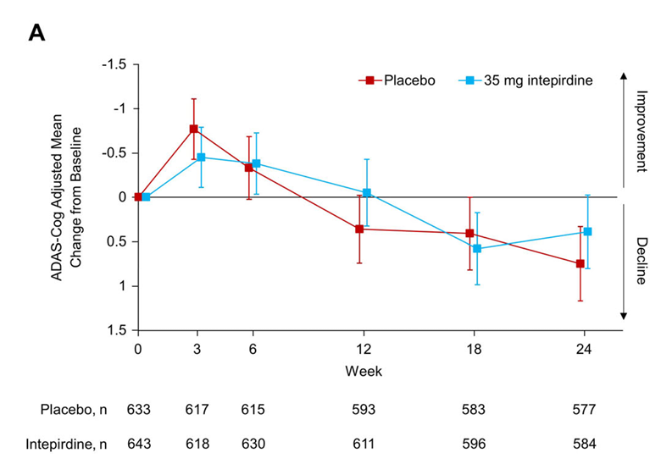
 |  | simufilam
 | UCB0107 | bepranemab
 |  | semorinemab
 | BIIB080
 | E2814
 | IONIS-MAPTRx
 | RO7126209
 | JNJ-63733657
 | JNJ-54861911 |  |  | Tau | II
 | ABBV-8E12
 | ABBV-916
 | AL002
 | ACI-35.030
 | JACI-35.054
 | metrifonate
 | ACI-24.060
 | BI 425809
 | BI 409306
 | CAD106

 | Dimebon Phase II --> Phase III
 | 4.0 --> 0.1 (failure)

 | SB-742457 Phase II --> Phase III
 | 1.3 (p=0.135) --> 0.4 (failure)

 | Simufilam
 | 0.6 (p=NS) --> ?

 | Bapineuzumab
 | 2.3 (p=0.078) --> 0.3

 | lecanemab
 | --> 1.5 at 18 months (p<0.001)

 | donanemab
 | 1.8 --> 1.3 at 18 months (p<0.001)

verubecestat
Main
 | Brand
 | Generic | verubecestat
 | Economics | MRK
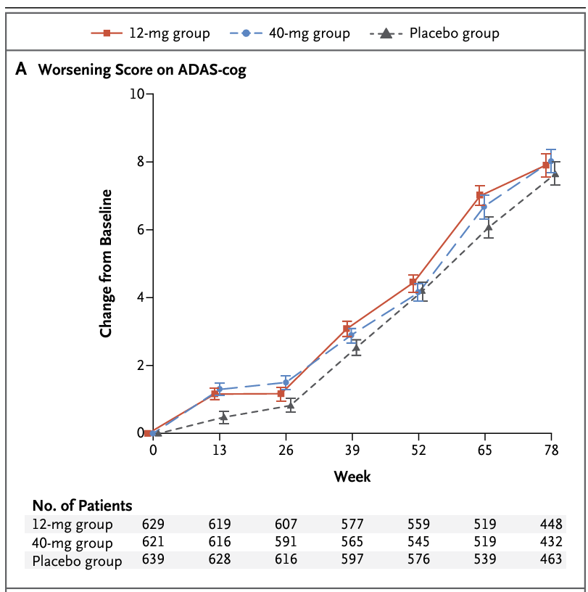
 | MOA | BACE

 |  | prodromal
 |  | mild-to-moderate

 |  | 40mg, amyloid-beta production inhibited by 75%

lecanemab
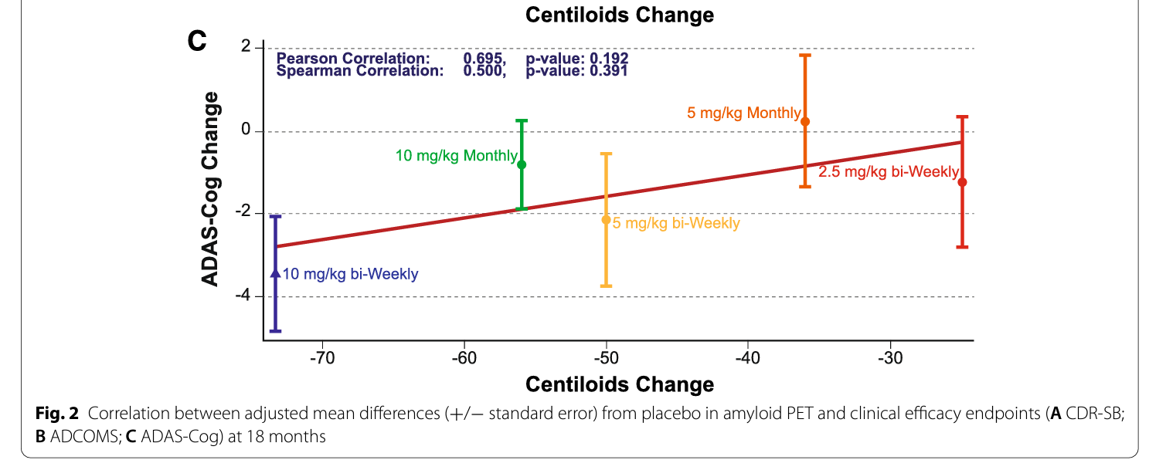
Main
 | Brand | Leqembi, BAN2401
 | Generic | lecanemab
 | Economics | Biogen, Eisai,
 | MOA | anti-AB protofibril antibody. Protofibrils are 28-500mers which are still soluble.
 | Clinical Trials
 |  | Phase III "CLARITY" n=1906 early Alzheimer's - NCT03887455, full results at CTAD 11/29/22
 |  | PE: CDR-SB at 18 months
 |  | 10mg/kg q2w, 720mg subcutaneous qw | 1.67 | 1.22 | at 18 weeks - but what was baseline? 3.5 (donanemab) or 6.7 (donepezil)
 |  | File for approval by 3/31/23. |  |  | 1.42/year in Aricept
 |  | -0.45 p=0.00005 at 18 months ("Lecanemab treatment met the primary endpoint and reduced clinical decline on the global cognitive and functional scale, CDR-SB, compared with placebo at 18 months by 27%, which represents a treatment difference in the score change of -0.45 (p=0.00005) in the analysis of Intent-to-treat (ITT) population.")

 |  | Phase III "AHEAD 3-45" n=1400 - NCT04468659
 |  | PACC5 PE at 4 years(!!)
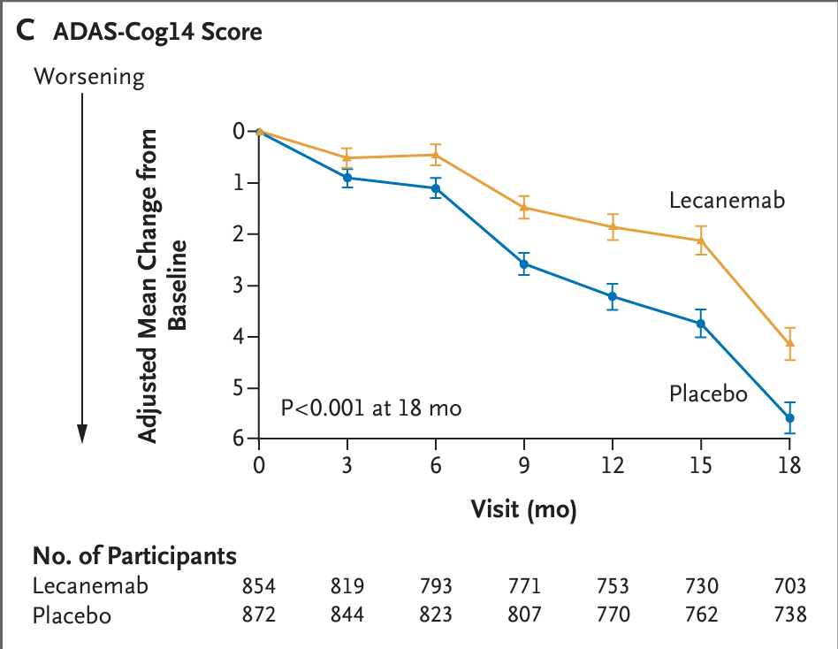

 |  | Phase II "Study 201" n=856
 |  | Lecanemab in patients with early Alzheimer's disease: detailed results on biomarker, cognitive, and clinical effects from the randomized and open-label extension of the phase 2 proof-of-concept study
 |  | A randomized, double-blind, phase 2b proof-of-concept clinical trial in early Alzheimer's disease with lecanemab, an anti-Aβ protofibril antibody

 |  | ADAS-cog14 baseline
 |  | n=238 placebo 22.6+-7.7
 |  | n=52 2.5mg/kg q2w 22.7+-8.1
 |  | n=48 5.0mg/kg qm 22.9+-7.7
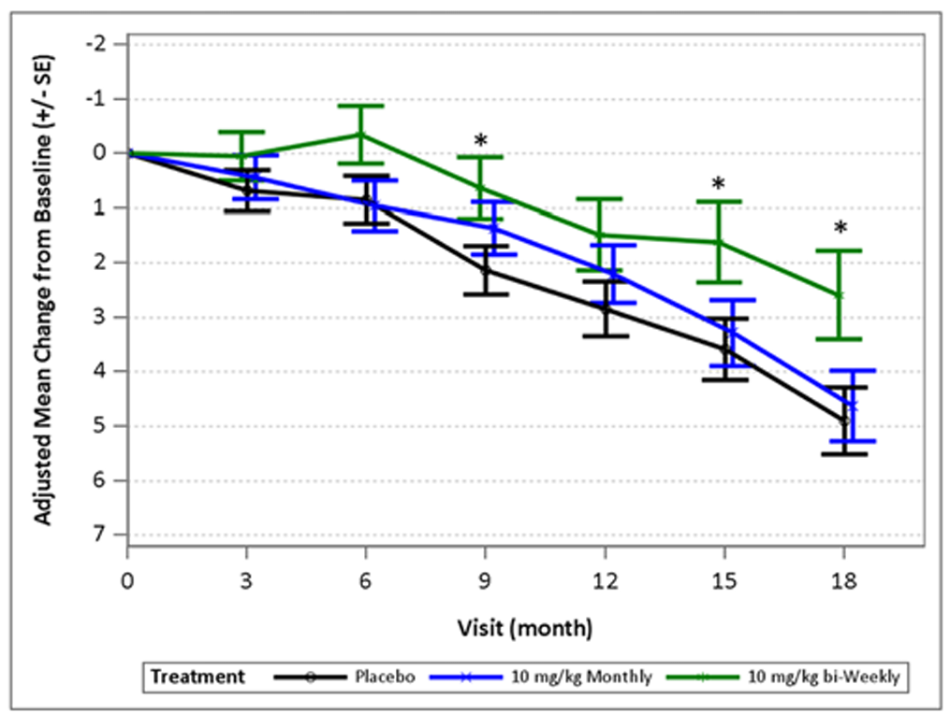
 |  | n=89 5.0mg/kg q2w 22.8+-6.7
 |  | n=246 10mg/kg qm 21.9+-7.3
 |  | n=246 10mg/kg q2w 22.1+-7.7

