Imbruvica
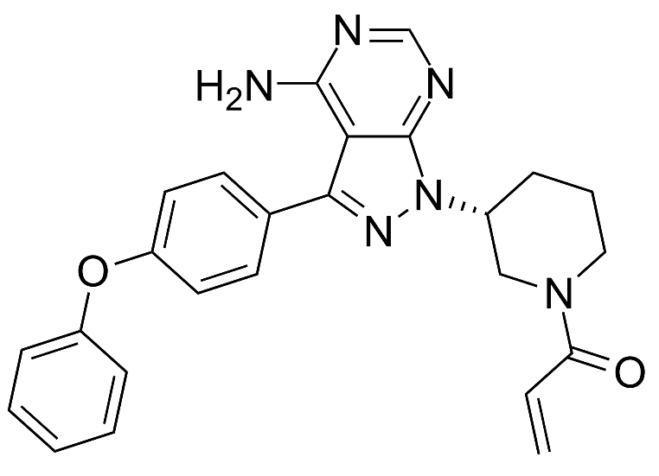
Main
 | Brand | Imbruvica
 | Generic | ibrutinib
 | Indication | GvHD, MCL, CLL, MZL, WM
 | MOA | BTK
 | IP | 6/28/27 expiry
 | Approval | NDA 205552 approved 11/13/13
 | Economics | J&J international profit share

Rinvoq
Main
 | Brand | Rinvoq, fka ABT-494
 | Generic | upadacitinib
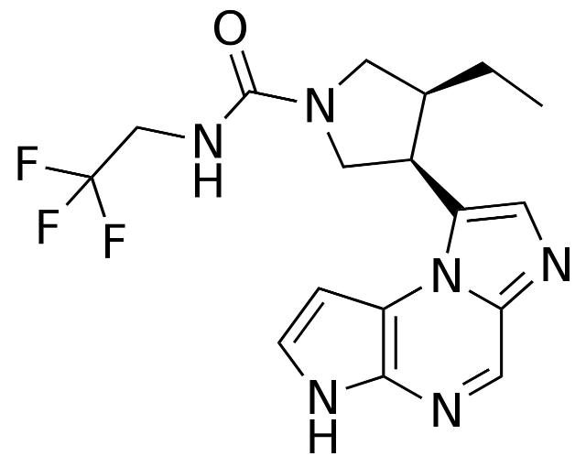
 | MOA | JAK1 selective
 | IP | 8962629 expires 2031
 | Indication
 |  | GCA FDA/EMA filed
 |  | Rheumatoid Arthritis approved (US, EU)
 |  | Ulcerative Colitis approved (US, EU)
 |  | PsA approved (US, EU)
 | Clinical Trials
 |  | Phase III "Measure Up 1" atopic dermatitis
 |  | EASI H&N <1 was 27% for placebo, 68% for 15mg, 76% for 30mg

 |  | Phase III "Measure Up 2" atopic dermatitis

 |  | Phase III "LEVEL UP" vs. dupilumab atopic dermatitis

 |  | Phase III "AD-VISE" atopic dermatitis (real world study)
 |  | Phase III "UP-TAINED" atopic dermatitis (real world study)

 |  | Crohn's Phase III
 |  | SELECT-COMPARE
 |  | SELECT-CHOICE
 |  | SELET-AXIS 2
 |  | Phase III "U-ACHIEVE" UC
 |  | Phase III "U-EXCEL" UC

