efruxifermin
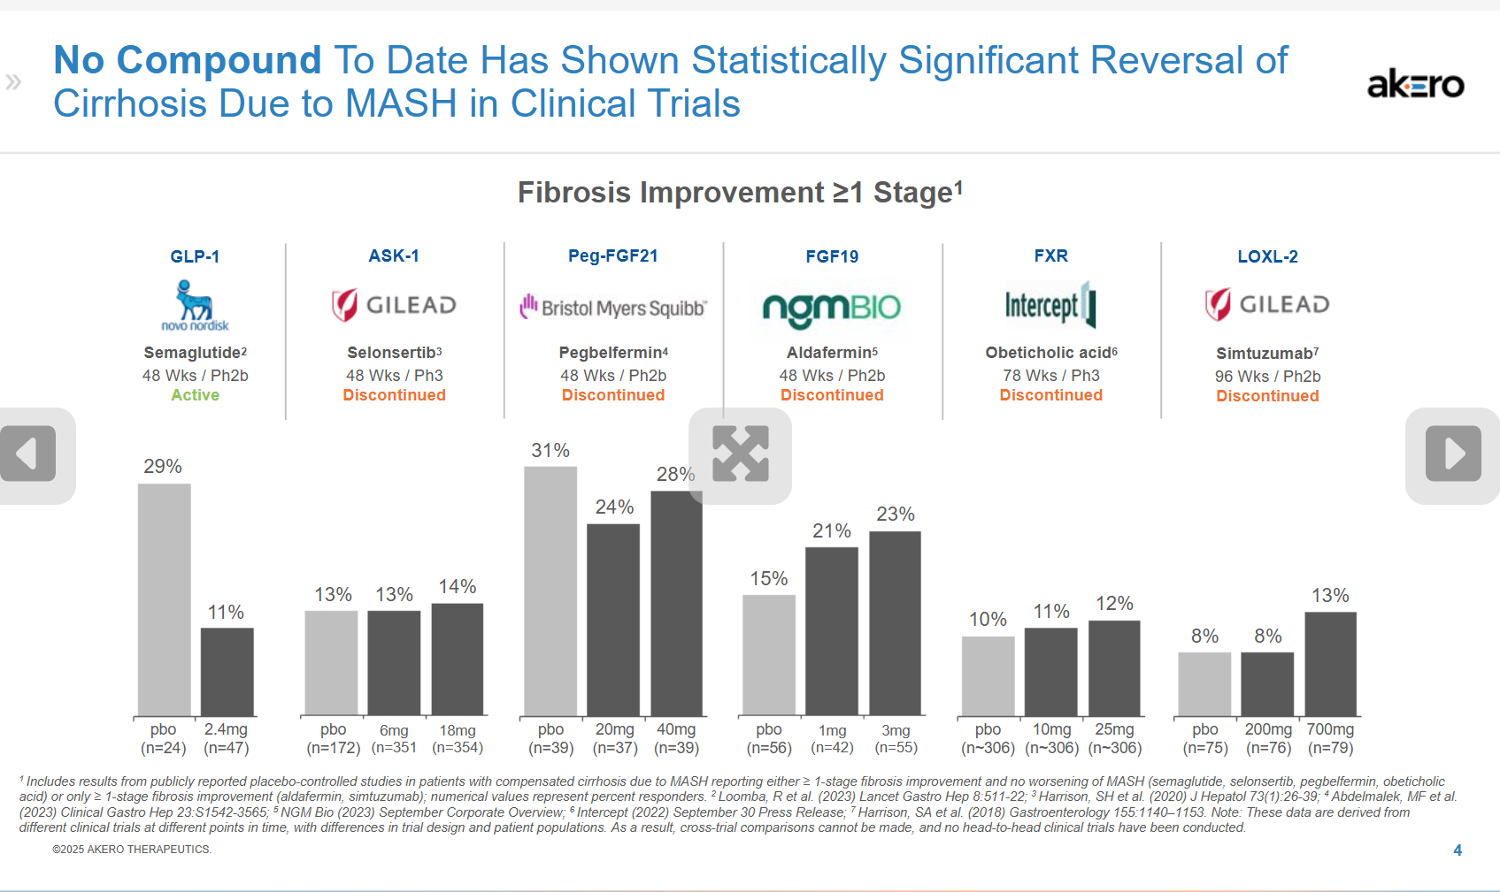
Main
 | Brand
 | Generic | efruxifermin
 | Mechanism | FGF21 analog
 | Indication | MASH - 2-5% of MAFLD = 0.6-1.5% global prevalence. In the US, 3m patients?
 |  | NAFLD/MAFLD: 1.27B global cases. MAFLD prevalence 32.4%
 |  | NAFL
 |  | NASH
 | Economics | Amgen
 | IP | 12 years BLA exclusivity, more patents until 2045, probably hard to make?
 | Clinical Trials
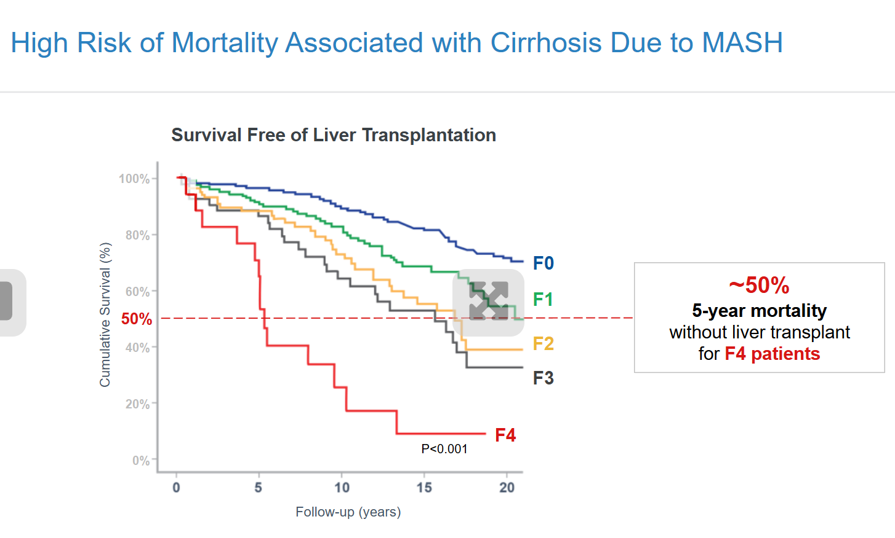
 |  | Phase III "SYNCHRONY Outcomes" n=1150 F4 MASH
 |  | 50mg qw vs. placebo

 |  | Phase III "SYNCHRONY Real World" n=601 - results 1H26

 |  | Phase III "SYNCHRONY Histology" n=1650 - results 1H2027

 |  | Phase IIb "SYMMETRY" n=182 F4 MASH
 |  | 14%, 22%, 24% for placebo, 28mg, 50mg at 36 weeks
 |  | 39% reversal of cirrhosis with no worsening of MASH vs. 15% for placebo at 96 weeks.
 |  | 29% reversal of cirrhosis with no worsening of MASH vs. 12% in placebo using ITT at 96 weeks.
 |  | n=61 placebo, 12% histology endpoint
 |  | n=57 28mg, 21% histology endpoint | histology endpoint: >= 1 stage fibrosis improvement without worsening MASH
 |  | n=63 50mg, 29% histology endpoint

 |  | Phase IIb "HARMONY" pre-cirrhotic MASH (F2-F3)
 |  | 40% regression of fibrosis at 96 weeks vs. 0% for placebo.
 |  | The trial previously met its primary endpoint of ≥1 stage improvement in fibrosis with no worsening of MASH after 24 weeks of treatment for both the 50mg EFX (41%, p<0.001) and 28mg EFX (39%, p<0.001) dose groups, compared to 20% for the placebo arm. At week 96, the response rates on this endpoint increased to 75% (p<0.001) for 50mg EFX and 46% for 28mg EFX, compared to 24% for placebo.

